Bugs. Testing courses
Practical task on the testing courses: Create complete bug reports for the bugs you find in the screenshots below. That is, bugs were searched using a screenshot. |  |  |  |  |  |  |  |  |  |  |  |  | Back on main page
ID | Req. | Type of defect | Component/s | Symptom | Summary | Description | Steps to reproduce | Expected result | Actual result | Severity | Priority | Comments | Attachment | Environment
1 | X | Functional UI Usability | Cart | Missing feature | No button in the cart to proceed to checkout. | When adding items to the cart there is no button to proceed to checkout or place an order with the shopping list. Without a visible button to proceed to checkout or place an order, customers will not be able to complete their purchases, leading to lost sales and dissatisfied customers. | STR: 1. Add any items from the catalog to the cart. 2. Go to the shopping cart page. 3. Check for the absence / presence of a button to proceed to checkout or place an order. Defect: The button for checkout is absent, and the user can't continue ordering. Reproducibility: Always. Workaround: No. | The cart should have a visible button to proceed to the checkout or place an order. The button should be clearly visible, prominently placed, and labeled with clear and concise text such as "Proceed to Checkout" or "Place Your Order", etc. | In the cart there are no any buttons available to proceed to checkout or place an order. | Critical | High |  | 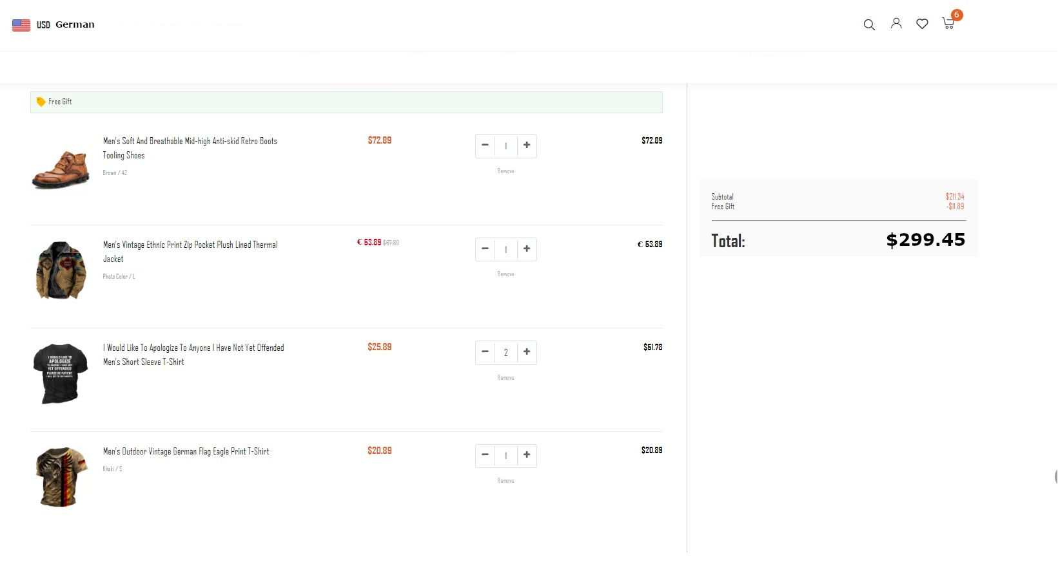 | OS: Windows 11 Home. Browser: Yandex browser 23.3.0.2246 (64-bit). Application version: X.
2 | X | UI Usability | Cart | Unfriendly behavior Enhancement | No website title/branding on the cart page. | The cart page is missing the website title or any form of branding that identifies the website. It can create confusion among the users who may not be sure if they are still on the same website or not. The absence of branding on the cart page can lead to a lack of trust and confidence in the website, as users may perceive it as potentially fraudulent. | STR: 1. View the shopping cart page. Defect: There is no site title or branding displayed on the cart page. Reproducibility: Always. Workaround: No. | The cart page should display the site title or some form of branding that identifies the website. | No website title/branding on the cart page. | Medium | High | The cart does not necessarily need to have the site title displayed in it. However, adding site title or some form of branding to the cart page will help users feel more confident in their purchases and reduce the risk of confusion or mistrust in the website. Additionally, including the site title in the cart can be helpful in cases where users have multiple tabs or windows open from different websites. |  | OS: Windows 11 Home. Browser: Yandex browser 23.3.0.2246 (64-bit). Application version: X.
3 | X | Localization | Multilanguage | Localization issue | The site is not displaying content in German language, although this language is selected for content presentation. | The "German" indicator in the website header means that the site supports the German language and this language is selected by the user or automatically detected to display the text on the site. When the user selects the German language from the language selection dropdown, the site text does not provide German translation and still displays the text in English. The defect is also reproduced if the German language is detected by the site automatically based on the user's browser settings. | Preconditions: The site content is displayed in English or another language instead of German. STR: 1. Click on the button to select language on the site header. 2. Select the German language option from the dropdown and click. 3. Check the language in which the site content, menu, and buttons are displayed. Defect: The site content language does not change to German as expected. Reproducibility: Always. Workaround: No. | The site content, menu, and buttons should be displayed in the German language. | The site content, menu, and buttons are displayed in the English language. | Medium | Medium | The "German" indicator in the website header means that the site supports the German language. The US flag icon probably indicates that the site is targeted towards users in the United States. The "USD" indicator means that the currency used on the site now is the US dollar. | 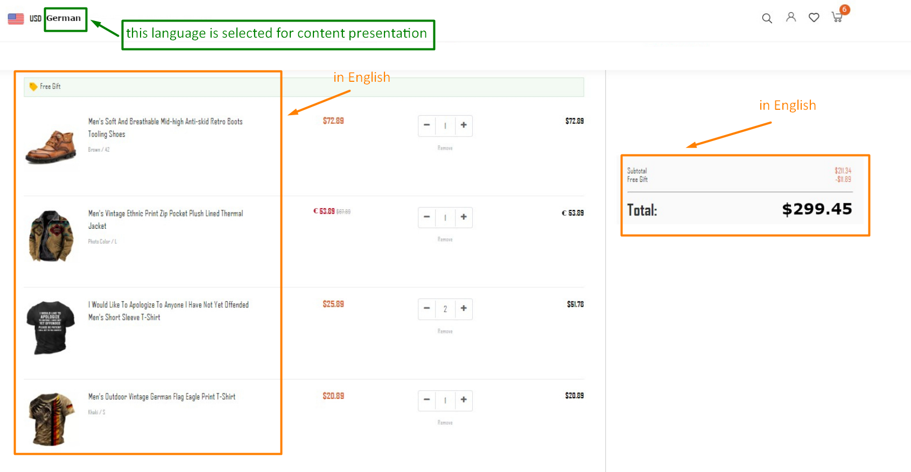 | OS: Windows 11 Home. Browser: Yandex browser 23.3.0.2246 (64-bit). Application version: X.
4 | X | Localization | Catalog | Localization issue | The shoe size for the item "Men's Soft And Breathable Mid-high Anti-skid Retro Boots Tooling Shoes" is not localized for users from the United States. | The USA flag indicates that the site is targeted towards users in the United States. The item "Men's Soft And Breathable Mid-high Anti-skid Retro Boots Tooling Shoes" has a description about its color/size as "Brown / 42". Shoe size "42" is generally considered to be a European size and is used in European countries like Germany, Italy, and others. It is not commonly used in the United States, where shoe sizes are typically measured in the US standard size or in inches. In the US, a men's size 9 is roughly equivalent to a European size 42. However, shoe sizes can vary between different manufacturers and styles. | Preconditions: the user is on the US domain site. STR: 1. Find the item "Men's Soft And Breathable Mid-high Anti-skid Retro Boots Tooling Shoes" in the catalog. 2. Check the shoe size of this item. Defect: The shoe size for this item is listed in European size 42. Reproducibility: Always. Workaround: No. | The shoe size is reflected in the units of measurement adopted in the USA. The size for the item "Men's Soft And Breathable Mid-high Anti-skid Retro Boots Tooling Shoes" in the shopping list is 9. | The shoe size is expressed in European sizes. The size for Item "Men's Soft And Breathable Mid-high Anti-skid Retro Boots Tooling Shoes" in the shopping list now is 42. | Medium | Medium | A typical American shoe size run would start at size 5 or 6 in men's and continue through size 13 including half sizes except for 12-1/2. Women's sizes also start at a 5 or 6 and continue through size 10 or 11 with half sizes except for 9-1/2 or 10-1/2 depending on the size run. Children's shoes have four different size runs which are: pre-walker, infant, youth and misses. Athletic shoes use a sizing system based on millimeters not barleycorns, so there is a difference in fit. ISO/TS 19407:2015 Footwear - Sizing - Conversion of sizing systems is a technical specification from the International Organization for Standardization. It contains basic description and conversion tables for major shoe sizing systems. The standard is maintained by ISO/TC 137, which also developed ISO/TS 19408:2015 Footwear - Sizing - Vocabulary and terminology; in development are companion standards ISO/TS 19409 "Footwear - Sizing - Measurement of last dimensions" and ISO/TS 19410 "Footwear - Sizing - Inshoe measurement". Shoe size in different systems (table from Wikipedia, because ISO requires purchase): https://en.wikipedia.org/wiki/Shoe_size#/media/File:Shoe_sizes_for_adults_by_foot_length_(multilingual).svg https://en.wikipedia.org/wiki/Shoe_size | 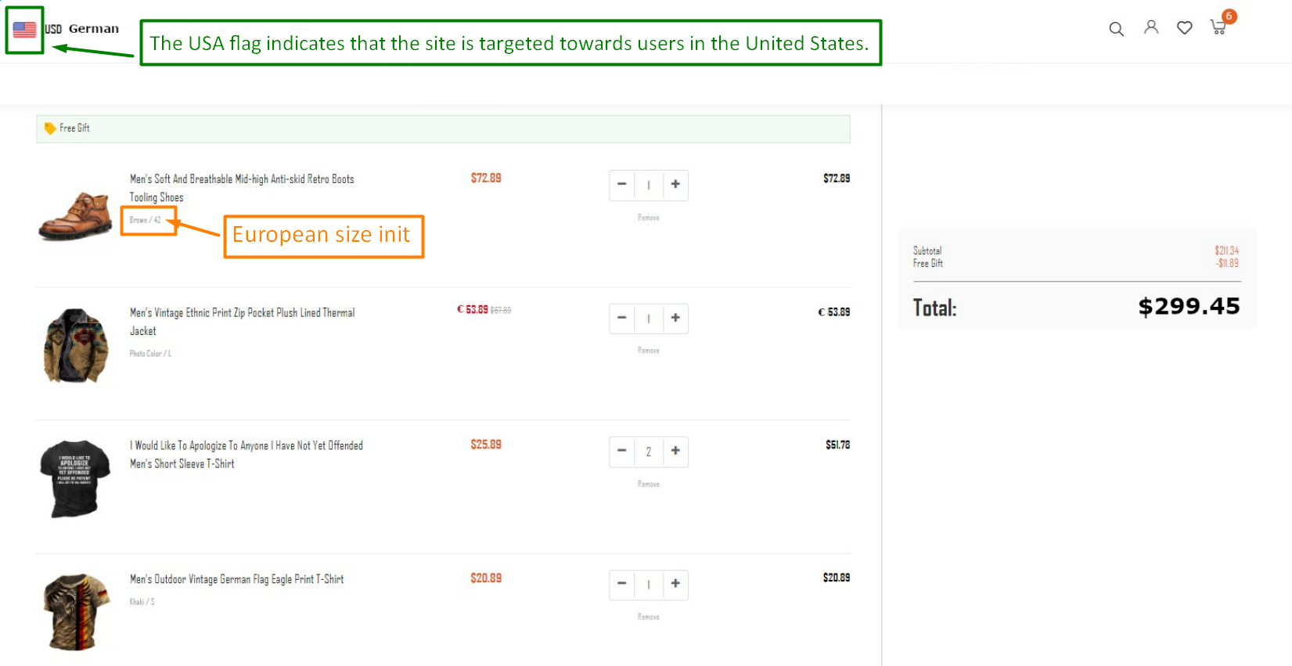 | OS: Windows 11 Home. Browser: Yandex browser 23.3.0.2246 (64-bit). Application version: X.
5 | X | Functional | Currency converter | Incorrect operation | Incorrect currency is displayed for the item "Men's Vintage Ethnic Print Zip Pocket Plush Lined Thermal Jacket" in the cart. | The currency used on the site during this test is the USD. The item "Men's Vintage Ethnic Print Zip Pocket Plush Lined Thermal Jacket" in the cart has the price "€ 53.89" in EUR. Presumably this is a discounted price, but the discount label "Free Gift" is missing. Also, this item has a second price "$67.89" in dollars in gray color, which is crossed out. Presumably this is a price without discount. The final price for the item (black color) is also "€ 53.89" in EUR. displayed in EUR, despite the currency chosen on the site is USD. Other prices in the shopping list are displayed in USD correctly. | STR: 1. Set the currency for site prices to USD or check that it's already set. 2. Find the item "Men's Vintage Ethnic Print Zip Pocket Plush Lined Thermal Jacket" in the shopping list (Catalog). 3. Add this item to the cart. 4. Сheck the currency of the price. Defect: incorrect currency of the price for this item. Reproducibility: Always. Workaround: No. | All prices are displayed in USD. | The price with discount and the final price for this item presented in EUR as "€ 53.89" in the cart. | Major | High | 2 ways to explain the defect are possible: 1. Incorrect conversion in EUR. 2. Incorrect mark "€", but correct price. | 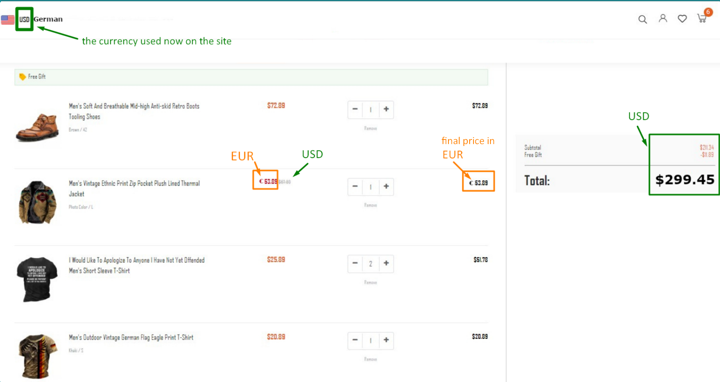 | OS: Windows 11 Home. Browser: Yandex browser 23.3.0.2246 (64-bit). Application version: X.
6 | X | UI Usability | Discounts | Unfriendly behavior | A "Free Gift" label is missing for the item in the cart that has a discount. | The calculation section of the cart have a position: Free Gift "-$11.89". This shows that there is a discounted good in the shopping list. The shopping list contains the "Free Gift" label, but it is located at the very beginning of the list and does not relate to any of the goods. It seems that the label belongs to the whole list. The purpose of placing the "Free Gift" label in that location is not clear to the user, and it does not provide clear information. The item "Men's Vintage Ethnic Print Zip Pocket Plush Lined Thermal Jacket" in the shopping list has two prices. The "€ 53.89" price has red color and "€" currency mark. The "$67.89" price is crossed out and has a gray color, "$" currency mark. So, the "€ 53.89" price is the price with discount. However, the user may get the impression that the red price in EUR is a discounted price and it is relevant. However, there is no discount icon to the price of item "Men's Vintage Ethnic Print Zip Pocket Plush Lined Thermal Jacket" and that can be confusing for the user. The discount amount is also not specified. | STR: 1. Find the item "Men's Vintage Ethnic Print Zip Pocket Plush Lined Thermal Jacket" in the shopping list or catalog. 2. See the price of this item. Defect: the item has two prices, but there is no information about discount with the "Free Gift" label. Reproducibility: Always. Workaround: No. | The prices with a discount should have the "Free Gift" label with a tag image. | The price with discount don't have the "Free Gift" label with a tag image. | Medium | Medium | One possible reason for the defect could be that the code that applies the discount to the item in the cart is not properly linked to the code that displays the "Free Gift" label. As a result, when an item receives a discount that should qualify it for a free gift, the label does not appear in the cart. | 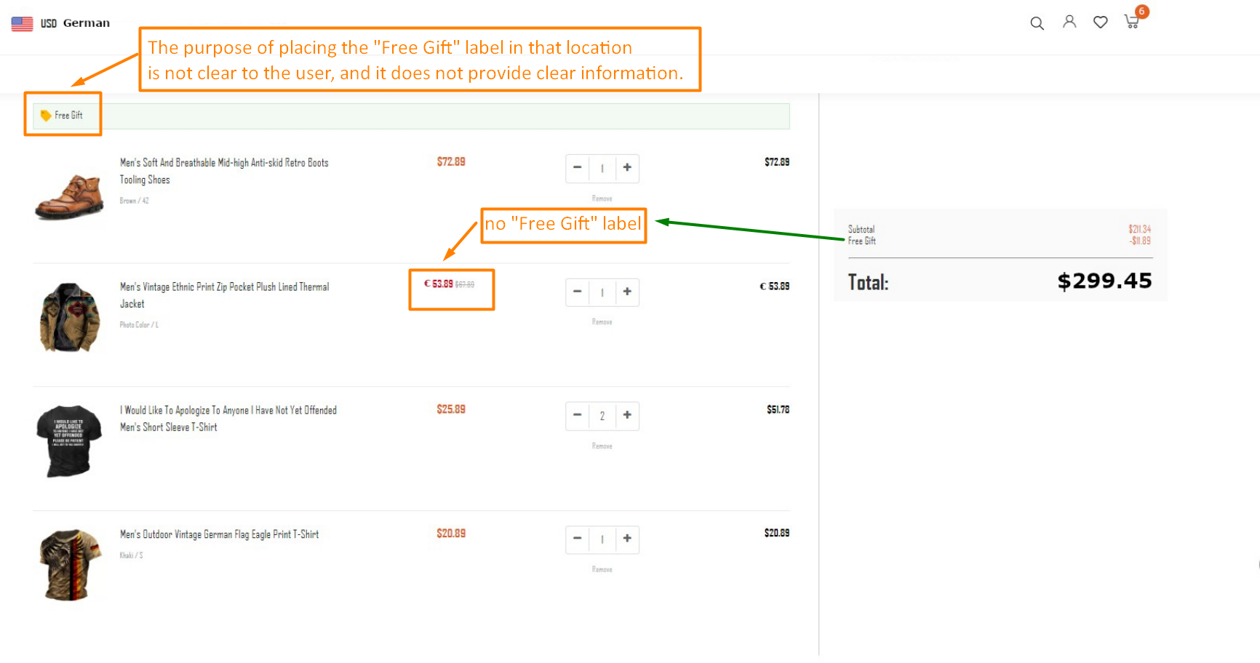 | OS: Windows 11 Home. Browser: Yandex browser 23.3.0.2246 (64-bit). Application version: X.
7 | X | Functional | Cart | Incorrect operation | The counter on the cart icon is displaying the wrong number of units of goods in the cart after adding items in the cart. | The number of units of goods in counter on the cart icon (6) does not match with the number units of goods in the shopping list in the cart according to the screenshot: 5 units of goods in the cart: 1 + 1 +2 + 1 . There are four individual items of goods in the cart, except for item "I Would Like To Apologize To Anyone I Have Not Yet Offended Men's Short Sleeve T-Shirt", which has a quantity of two. Such a mismatch can cause confusion for the user. | STR: 1. Add 4 items of goods to the cart (quantity: 1 + 1 + 2 + 1) according to the screenshot. 2. Check the cart icon with the counter on the top right of the page. Defect: the number of items in the cart and the number of the counter on the cart icon are different. Reproducibility: Always. Workaround: Yes. Note: It's difficult to say without more context and interactions with the functionality, but some possible actions that could reproduce the bug are: - adding items to the cart and then removing the; - adding items to the cart and then changing the quantity of one or more items; - adding items to the cart from different pages on the site; - navigating away from the cart page and then returning to it. | The counter on the cart icon should display the right amount of units of goods from the cart as "5". | The counter on the cart icon is displaying the wrong number of units of goods in cart as "6". | Medium | Medium | If the counter is displaying the wrong number of added items, there could be several reasons for the error: - JavaScript code, - Cache issues, - Server-side issues, - Network latency, - Database, - Other. | 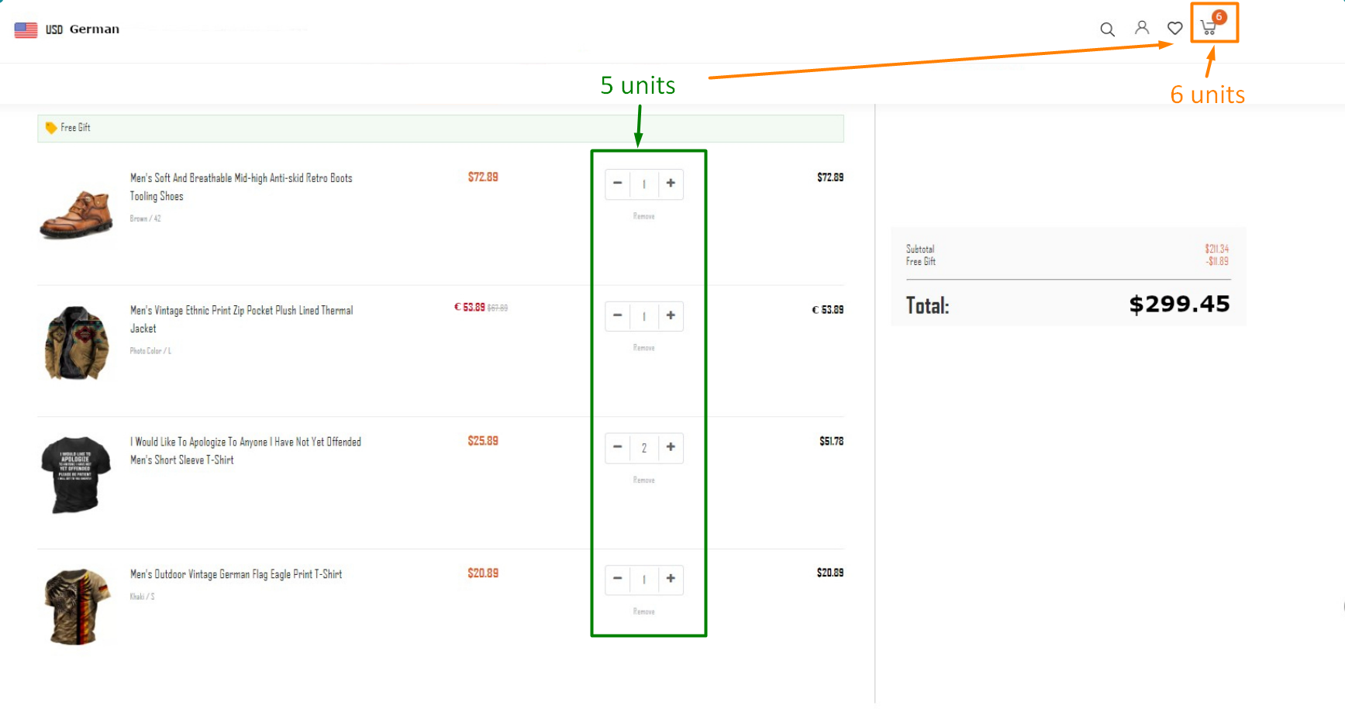 | OS: Windows 11 Home. Browser: Yandex browser 23.3.0.2246 (64-bit). Application version: X.
8 | X | Functional | Cart | Incorrect operation | The incorrect calculation result of "Subtotal" value in the calculation section of the cart. | The "Subtotal" value shows the overall price of the goods added to the cart without discounts ("Free gift"). The subtotal price of all goods in the shopping list of the cart is displaying an amount lower than expected. There are four individual items of goods in the cart, except for item № 3 "I Would Like To Apologize To Anyone I Have Not Yet Offended Men's Short Sleeve T-Shirt", which has a quantity of two: 1 + 1 + 2 + 1 = 5 units Also item № 2 have a discount. Items of goods have the following prices (numbers according to the screenshot), which should be taken into account in the "Subtotal" value : item №1 - $72.89 item №2 - € 67.89 (because the "Free gift" discount is specified in a separate line in the calculation) item №3 - $51.78 (for two units) item №4 - $20.89 Subtotal: = $213.45 | STR: 1. Add 4 items of goods to the cart (quantity: 1 + 1 + 2 + 1) according to the screenshot. 2. Add up all the prices taking into account the quantity of goods, but excluding discounts. 3. Compare the amount received with "Subtotal" in the calculation section of the cart. Defect: Incorrect calculation of subtotal price in the calculation section of the cart. Reproducibility: Always. Workaround: No. | Correct calculation of the "Subtotal" value is: Subtotal: $213.45 | "Subtotal" value in the calculation section is incorrect: Subtotal: $211.34 | Major | High | When calculating, it is necessary to take into account the currency. It could be the reason for the incorrect calculation: different price currencies and conversion from EUR to USD in the calculation. Since item № 2 is now reflected in EUR, the "Subtotal" value may change if this item's price is corrected in USD. | 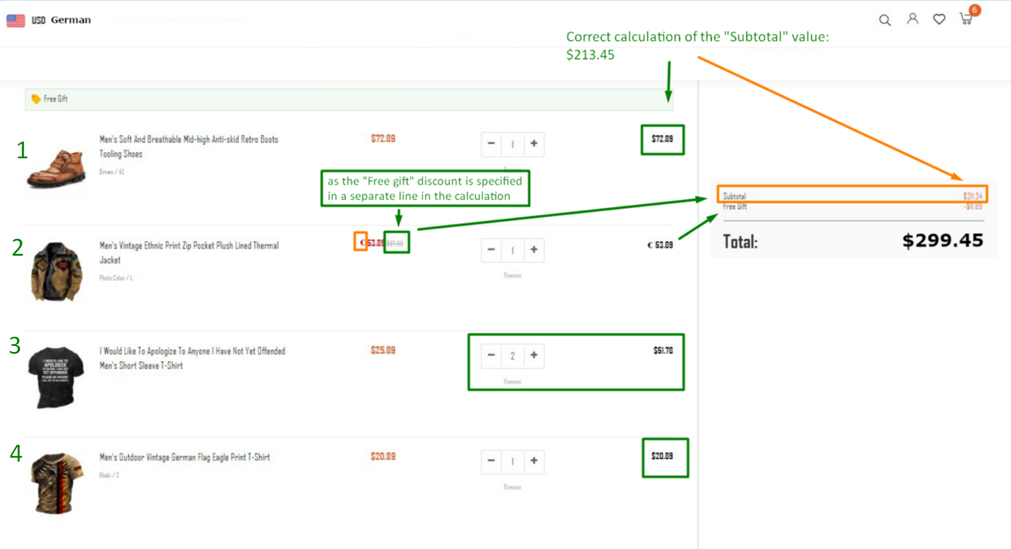 | OS: Windows 11 Home. Browser: Yandex browser 23.3.0.2246 (64-bit). Application version: X.
9 | X | Functional | Cart | Incorrect operation | The incorrect amount of the "Free Gift" value in the calculation section. | The item "Men's Vintage Ethnic Print Zip Pocket Plush Lined Thermal Jacket" in the shopping list of the cart has two prices. The "€ 53.89" price has red color and "€" currency mark. The "$67.89" price is crossed out and has a gray color, "$" currency mark. So, the "€ 53.89" price is the price with discount. The calculation section of the cart have a position: Free Gift "-$11.89". However, the difference between the price with a discount (€ 53.89) and the price without a discount ($67.89) for this item is 14. It is only mathematical difference excluding conversion to another currency. The discount amount is also not specified. It is unknown at what rate USD are converted into EUR and back. It is also not clear for sure whether a conversion was made between currencies or whether the currency mark is displayed incorrectly, and the conversion was not performed. | STR: 1. Add the item "Men's Vintage Ethnic Print Zip Pocket Plush Lined Thermal Jacket" to the cart. 2. Check that two prices of this item are reflected: with a discount and without one. 3. Deduct the discounted price from the non-discounted price. 4. Compere the result of deduction with the "Free Gift" value in the calculation section of the cart. Defect: Incorrect "Free gift" value. Reproducibility: Always. Workaround: No. | 1. In the case if currency mark is displayed incorrectly, and the conversion was not performed (67.89 - 53.89): Free Gift: 14 (mathematical difference excluding currency). 2. In case the conversion was made between currencies: Now the rate is not known. Let use mid-market rate on April, 06, 2023 from Google Currency Converter (https://www.google.com/search?q=currency+converter) 53.89 Euros = 58.76 US Dollars (1 EUR = 1.09 USD) So, $67.89 - $58.79 = $9.13 | "Free Gift" value in the calculation section is: $11.89 | Major | High | When calculating, it is necessary to take into account the currency. It could be the reason for the incorrect "Free Gift" value: different price currencies and conversion from EUR to USD in the calculation. | 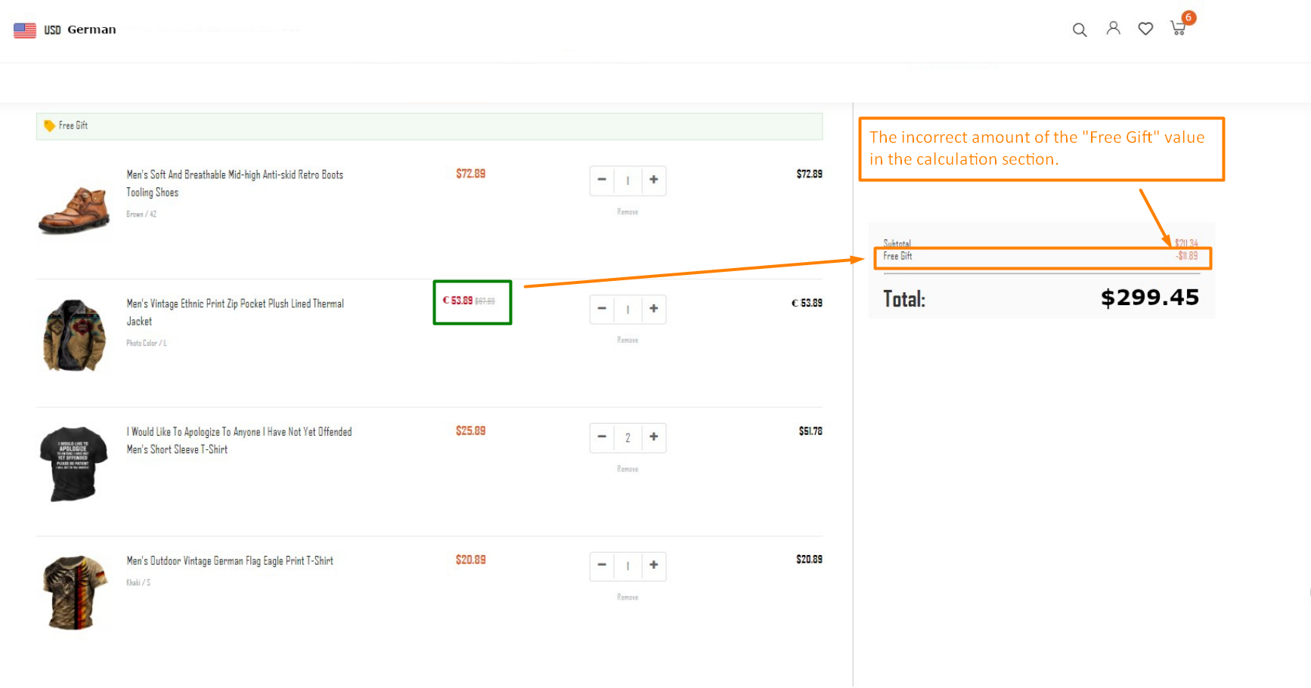 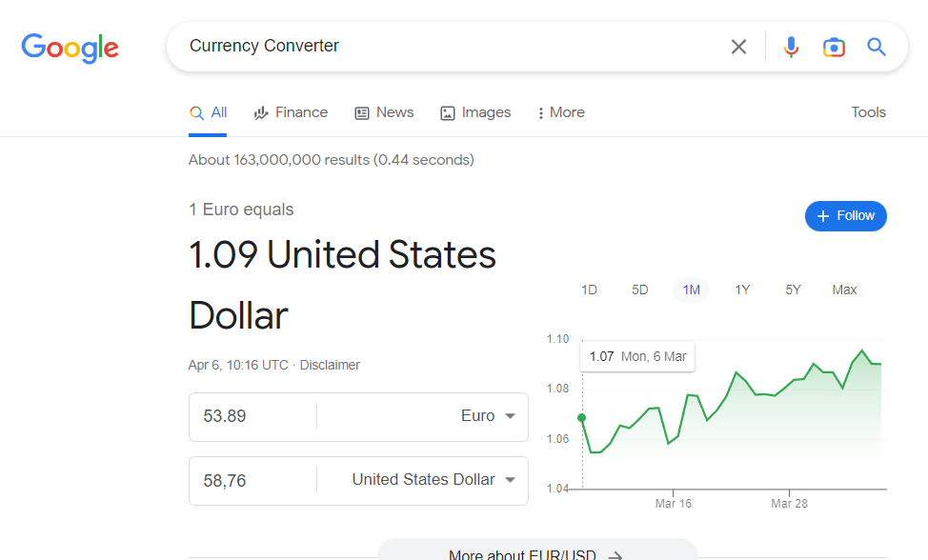 | OS: Windows 11 Home. Browser: Yandex browser 23.3.0.2246 (64-bit). Application version: X.
10 | X | Functional | Cart | Incorrect operation | The incorrect calculation result of "Total" value in the calculation section of the cart. | A "Total" value in the calculation section of the cart shows the total price of the items added to the shopping cart minus discounts. Whereas the subtotal shows the total price of the products without discounts. And it is also common in online stores to include in the total shipping cost and/or taxes. In the calculation section there is no mentions of total shipping cost and/or taxes. The total in this calculation section is calculated as follows: "Subtotal" value minus "Free Sift" value = "Total" value. After adding goods to the cart according to the screenshot, the "Total" value is calculated incorrectly. The result displayed in the calculation section of the cart exceeds the mathematically correct result by more than $100: $299.45 instead $199.45. The calculation with the "Subtotal" value and "Free Sift" value: $211.34 - $11.89 = $199.45 Also if sum up all the final prices for each item of the goods (72.89 + 53.89 +51.78 + 20.89), the sum will be $199.45. | STR: 1. Add 4 items of goods to the cart (quantity: 1 + 1 + 2 + 1) according to the screenshot. 2. Deduct the "Free Gift" value from the "Subtotal" value from the calculation subsection of the cart. 3. Compere the result of this deduction with the "Total" value. 4. Sum up all the final prices for each item of the goods (the last numbers for each item are in black). 5. Compere the result of this summing with the "Total" value. Defect: The "Total" amount is incorrect. Reproducibility: Always. Workaround: No. | "Total" value in the calculation section is correct: $199.45 "Total" | "Total" value in the calculation section is incorrect: $299.45 | Major | High | The "Total" amount may contain hidden payments that are not shown to the user like shipping cost and/or taxes. Even if this values are zero, it is better to reflect them to make the price more clear to buyers. The unexpected hidden cost is one of the major reasons why customers abandon the checkout process. According to the Baymard's research (https://baymard.com/lists/cart-abandonment-rate), extra hidden costs such as shipping charge, tax, transaction fee hold the highest percentage (55%) amongst the reasons for abandonment during checkout. Still, most of the eCommerce stores do not reveal the actual order total up-front before the payment page in the checkout process. The best place to reveal the estimated cost of the cart is right after a customer selects the shipping option. If you cannot provide an estimate, add a shipping calculator tool that customers can use to find out their total purchase cost. | 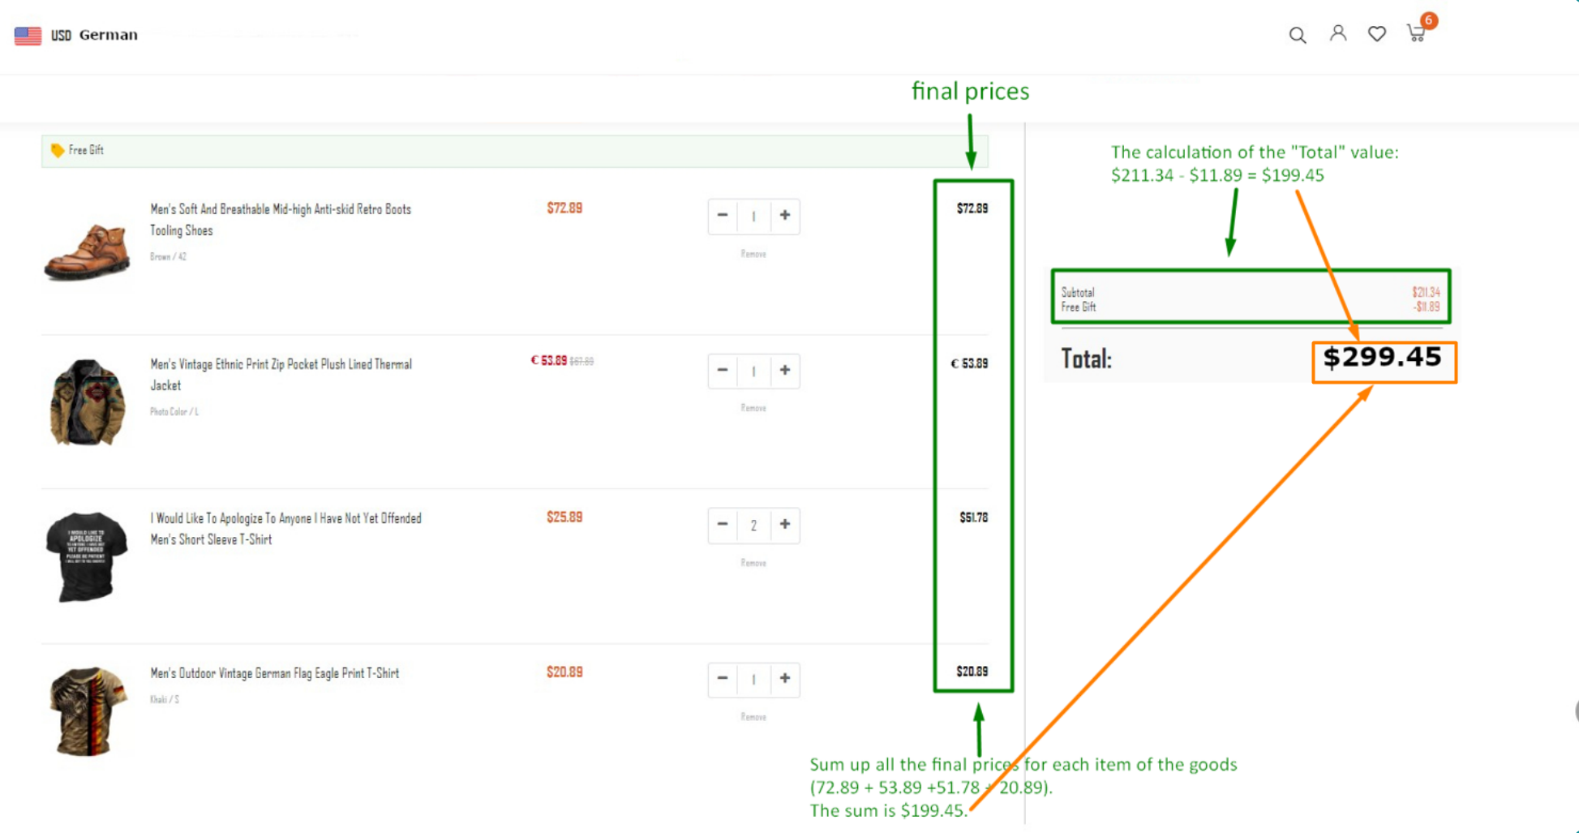 | OS: Windows 11 Home. Browser: Yandex browser 23.3.0.2246 (64-bit). Application version: X.
11 | X | UI | Catalog | Cosmetic flaw | The color of the item "Men's Vintage Ethnic Print Zip Pocket Plush Lined Thermal Jacket" is specified incorrectly when adding it to the cart. | The item "Men's Vintage Ethnic Print Zip Pocket Plush Lined Thermal Jacket" in the shopping list of the cart has the following description in the cart: "Photo Color / L". Items in the shopping list in the cart have description tamplete that follows the format "Color / Size". However, the "Photo Color" label does not describe this item, but describes the photo. | STR: 1. Find the item "Men's Vintage Ethnic Print Zip Pocket Plush Lined Thermal Jacket" in the catalog. 2. Add this item to the cart. 3. Check the color description of this item. Defect: Incorrect color specification. Reproducibility: Always. Workaround: No. | An appropriate description of the item "Men's Vintage Ethnic Print Zip Pocket Plush Lined Thermal Jacket" in the shopping list of the cart: Ethnic Print / L | The description of the item "Men's Vintage Ethnic Print Zip Pocket Plush Lined Thermal Jacket" in the shopping list of the cart: Photo Color / L | Minor | Low | To change description in the cart, it will be enough to change the indication of the color of the item on the name page of this one. | 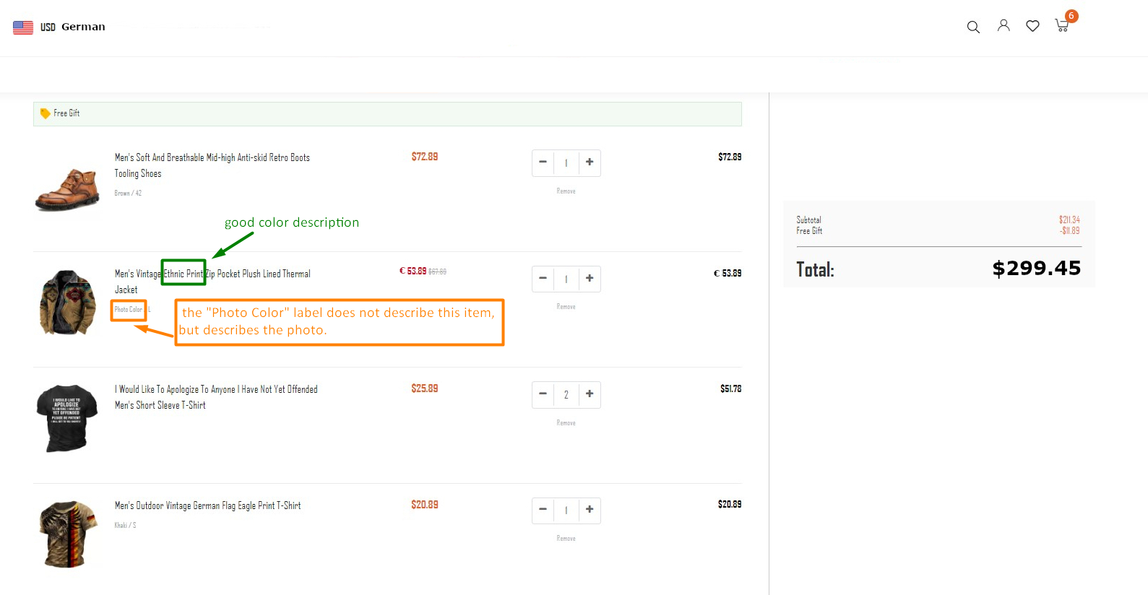 | OS: Windows 11 Home. Browser: Yandex browser 23.3.0.2246 (64-bit). Application version: X.
12 | X | UI | Catalog | Cosmetic flaw | The color and size are not specified for the item "I Would Like To Apologize To Anyone I Have Not Yet Offended Men's Short Sleeve T-Shirt" when adding it to the cart. | Items in the shopping list in the cart have description template that follows the format "Color / Size". However, the item "I Would Like To Apologize To Anyone I Have Not Yet Offended Men's Short Sleeve T-Shirt" does not have such description as "Color / Size". | STR: 1. Find the item "I Would Like To Apologize To Anyone I Have Not Yet Offended Men's Short Sleeve T-Shirt" in the catalog. 2. Add this item to the cart. 3. Check what description this item has in the shopping list of the cart. Defect: The color and size information is absent for this item. Reproducibility: Always. Workaround: No. | A description of the item "I Would Like To Apologize To Anyone I Have Not Yet Offended Men's Short Sleeve T-Shirt" in the shopping list of the cart is: "Black / S" OR "Black with white lettering / S" | The description of the item "I Would Like To Apologize To Anyone I Have Not Yet Offended Men's Short Sleeve T-Shirt" is absent in the shopping list of the cart. | Minor | Low | Check the page of this item. Perhaps there is no mention of the color and size directly in the product description and the T-shirt is presented only in one color and size. P.s. In the real work, the tester would check it themself. | 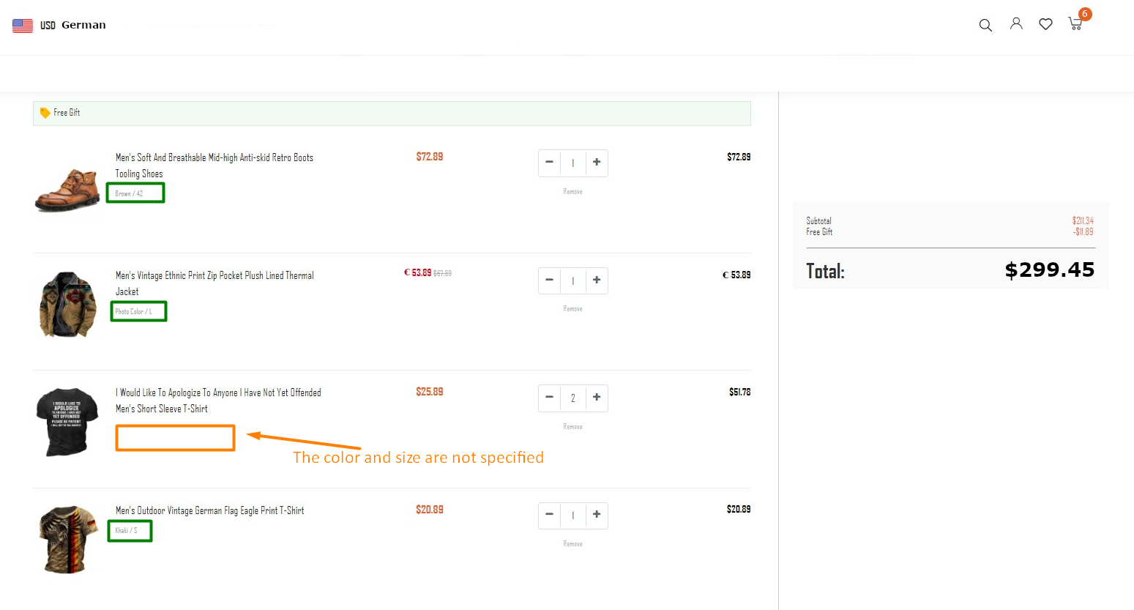 | OS: Windows 11 Home. Browser: Yandex browser 23.3.0.2246 (64-bit). Application version: X.
13 | X | UI Usability | Cart | Unfriendly behavior Enhancement | Missing links or clickable elements in the item names within the cart do not allow users to open the corresponding product page. | When the user adds an item to the cart and then clicks on the cart icon to view the cart contents, the name of the item is displayed but there is no link or clickable element associated with the name to open the corresponding product page. This means that users cannot view additional information about the product, such as product details or reviews, from the cart page. | STR: 1. Add any items from catalog to the cart. 2. View the shopping cart page. 3. Click on any item name in the cart. Defect: No link or clickable element in the item name. Reproducibility: Always. Workaround: No. | Clicking on the item name from the cart should open the corresponding item page. | Clicking on the item name from the cart does not follow to the corresponding item page. | Medium | Medium | This defect has an impact on the user experience as it prevents users from easily accessing additional information about products from the cart page. | 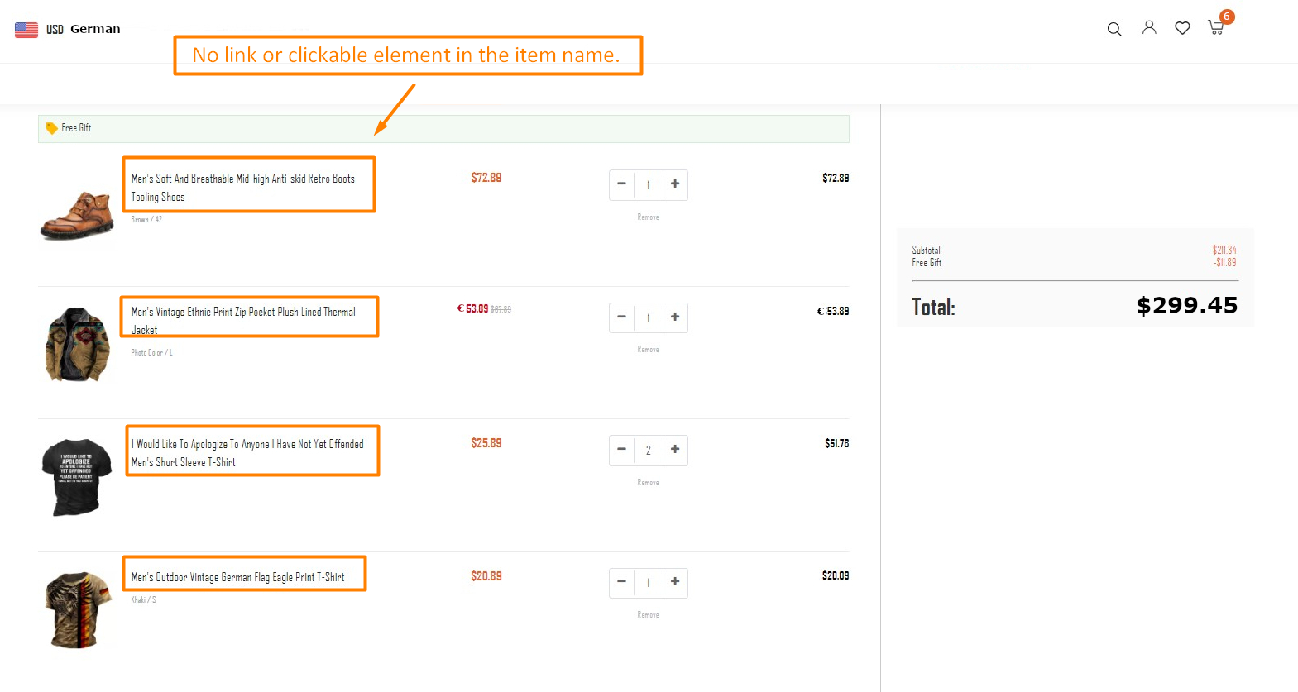 | OS: Windows 11 Home. Browser: Yandex browser 23.3.0.2246 (64-bit). Application version: X.

