GDocs Frame Latency
GDocs character latency @ 60fps
# | Character | Frame Sent | Frame Received | Frame Latency (frames) | Latency (ms) |  | GDocs RTT reduction
1 | M | 1 | 23 | 22 | 366.67 | 286.67 | 40
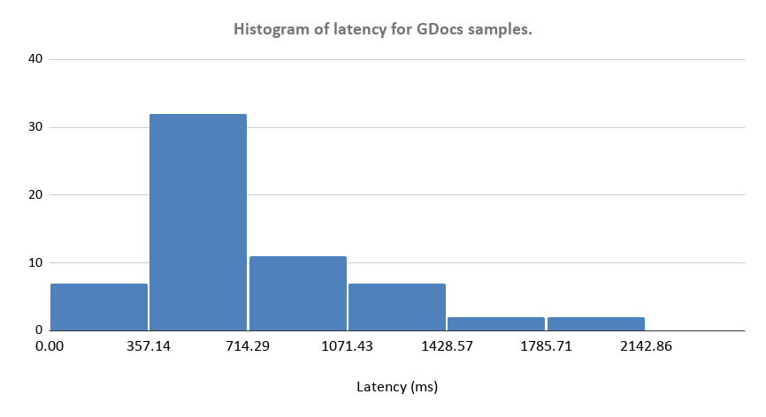
2 | O | 19 | 51 | 32 | 533.33 | 453.33
3 | Q | 27 | 51 | 24 | 400.00 | 320.00
4 | (space) | 50 | 76 | 26 | 433.33 | 353.33
5 | T | 71 | 102 | 31 | 516.67 | 436.67
6 | E | 75 | 102 | 27 | 450.00 | 370.00
7 | S | 86 | 114 | 28 | 466.67 | 386.67
8 | T | 99 | 161 | 62 | 1033.33 | 953.33
9 | (space) | 103 | 161 | 58 | 966.67 | 886.67
10 | D | 116 | 161 | 45 | 750.00 | 670.00
11 | A | 123 | 161 | 38 | 633.33 | 553.33
12 | T | 133 | 172 | 39 | 650.00 | 570.00
13 | A | 142 | 172 | 30 | 500.00 | 420.00
14 | . | 167 | 189 | 22 | 366.67 | 286.67
15 | (space) | 251 | 377 | 126 | 2100.00 | 2020.00
16 | S | 269 | 377 | 108 | 1800.00 | 1720.00
17 | E | 281 | 377 | 96 | 1600.00 | 1520.00
18 | N | 285 | 377 | 92 | 1533.33 | 1453.33
19 | D | 297 | 377 | 80 | 1333.33 | 1253.33
20 | I | 306 | 377 | 71 | 1183.33 | 1103.33
21 | N | 310 | 377 | 67 | 1116.67 | 1036.67
22 | G | 315 | 377 | 62 | 1033.33 | 953.33
23 | (space) | 340 | 420 | 80 | 1333.33 | 1253.33
24 | D | 351 | 420 | 69 | 1150.00 | 1070.00
25 | O | 357 | 420 | 63 | 1050.00 | 970.00
26 | C | 365 | 420 | 55 | 916.67 | 836.67
27 | U | 369 | 420 | 51 | 850.00 | 770.00
28 | M | 382 | 420 | 38 | 633.33 | 553.33
29 | E | 384 | 420 | 36 | 600.00 | 520.00
30 | N | 391 | 420 | 29 | 483.33 | 403.33
31 | T | 396 | 420 | 24 | 400.00 | 320.00
32 | (space) | 401 | 453 | 52 | 866.67 | 786.67
33 | C | 414 | 482 | 68 | 1133.33 | 1053.33
34 | H | 417 | 482 | 65 | 1083.33 | 1003.33
35 | A | 423 | 482 | 59 | 983.33 | 903.33
36 | N | 429 | 482 | 53 | 883.33 | 803.33
37 | G | 435 | 482 | 47 | 783.33 | 703.33
38 | E | 440 | 482 | 42 | 700.00 | 620.00
39 | S | 453 | 482 | 29 | 483.33 | 403.33
40 | . | 600 | 625 | 25 | 416.67 | 336.67
41 | / | 630 | 653 | 23 | 383.33 | 303.33
42 | m | 670 | 696 | 26 | 433.33 | 353.33
43 | O | 675 | 696 | 21 | 350.00 | 270.00
44 | R | 683 | 718 | 35 | 583.33 | 503.33
45 | E | 688 | 718 | 30 | 500.00 | 420.00
46 | (space) | 691 | 718 | 27 | 450.00 | 370.00
47 | M | 691 | 718 | 27 | 450.00 | 370.00
48 | D | 720 | 747 | 27 | 450.00 | 370.00
49 | A | 729 | 747 | 18 | 300.00 | 220.00
50 | T | 737 | 759 | 22 | 366.67 | 286.67
51 | A | 746 | 759 | 13 | 216.67 | 136.67
52 | (space) | 750 | 774 | 24 | 400.00 | 320.00
53 | I | 758 | 774 | 16 | 266.67 | 186.67
54 | N | 762 | 774 | 12 | 200.00 | 120.00
55 | C | 771 | 794 | 23 | 383.33 | 303.33
56 | 0 | 775 | 794 | 19 | 316.67 | 236.67
57 | M | 781 | 794 | 13 | 216.67 | 136.67
58 | I | 791 | 825 | 34 | 566.67 | 486.67
59 | N | 795 | 825 | 30 | 500.00 | 420.00
60 | G | 801 | 825 | 24 | 400.00 | 320.00
61 | ! | 820 | 843 | 23 | 383.33 | 303.33

Summary Statistics
Count (chars) |  | 61.00
Min latency (ms) |  | Latency (ms) | 120.00 | 320 | 886.6666667 | 2020.00
Max latency (ms) |  | 2100.00
Mean latency (ms) |  | 698.91
Median latency (ms) |  | 516.67
StdDev (ms) |  | 413.14
P95 latency (ms) |  | 1533.33

Latency Log
⏱ Latency Log — Timestamp-based (1s interval messages)
# | Timestamp Sent | Timestamp Received | Latency (ms) | Δ from prev (ms) | Data (netw) |  | Data (local) |  | latency
1 | 6.5 | 6.645858991 | 145.859 | — | 6.5 | 6.645858991 | 38.419992695 | 38.421424167 | 1.431472
2 | 8.63696336 | 8.943627666 | 306.664 | 160.805 | 8.63696336 | 8.943627666 | 39.421902524 | 39.423386705 | 1.484181
3 | 9.6382135 | 9.777470289 | 139.257 | -167.408 | 9.6382135 | 9.777470289 | 40.423799173 | 40.425329714 | 1.530541
4 | 10.63899801 | 10.802557103 | 163.559 | 24.302 | 10.63899801 | 10.802557103 | 41.42589524 | 41.427164953 | 1.269713
5 | 11.64035747 | 11.647687058 | 7.330 | -156.230 | 11.64035747 | 11.647687058 | 42.42776141 | 42.429086912 | 1.325502
6 | 12.64152588 | 12.65404205 | 12.516 | 5.187 | 12.64152588 | 12.65404205 | 43.429343451 | 43.430670863 | 1.327412
7 | 13.6435322 | 13.676617189 | 33.085 | 20.569 | 13.6435322 | 13.676617189 | 44.430873882 | 44.432077015 | 1.203133
8 | 14.64533737 | 14.652943907 | 7.607 | -25.478 | 14.64533737 | 14.652943907 | 45.43286546 | 45.434331922 | 1.466462
9 | 15.6462022 | 15.654419943 | 8.218 | 0.611 | 15.6462022 | 15.654419943 | 46.434099693 | 46.435407906 | 1.308213
10 | 16.64670941 | 16.65592685 | 9.217 | 1.000 | 16.64670941 | 16.65592685 | 47.435103288 | 47.436405161 | 1.301873
11 | 17.64828501 | 17.65706447 | 8.779 | -0.438 | 17.64828501 | 17.65706447 | 48.436140494 | 48.437401206 | 1.260712
12 | 18.64863692 | 18.655805902 | 7.169 | -1.610 | 18.64863692 | 18.655805902 | 49.437379157 | 49.438706379 | 1.327222
13 | 19.64987723 | 19.722465086 | 72.588 | 65.419 | 19.64987723 | 19.722465086 | 50.438133613 | 50.439882373 | 1.74876
14 | 20.65145871 | 20.769970734 | 118.512 | 45.924 | 20.65145871 | 20.769970734 | 51.439860764 | 51.441197567 | 1.336803
15 | 21.65309061 | 21.677047498 | 23.957 | -94.555 | 21.65309061 | 21.677047498 | 52.442005172 | 52.443443294 | 1.438122
16 | 22.65430186 | 22.659925451 | 5.624 | -18.333 | 22.65430186 | 22.659925451 | 53.443915562 | 53.445438153 | 1.522591
17 | 23.65509625 | 23.665141088 | 10.045 | 4.421 | 23.65509625 | 23.665141088 | 54.445391685 | 54.446766037 | 1.374352
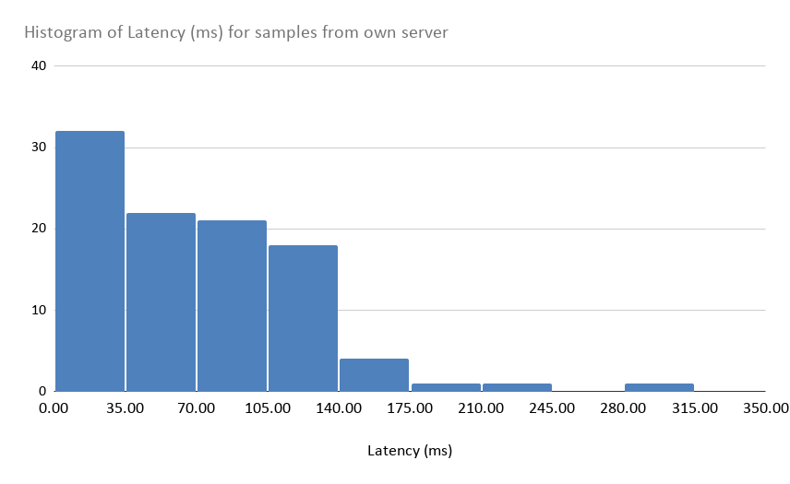
18 | 24.6557511 | 24.667277255 | 11.526 | 1.481 | 24.6557511 | 24.667277255 | 55.446624239 | 55.44804184 | 1.417601
19 | 25.65697655 | 25.676324271 | 19.348 | 7.822 | 25.65697655 | 25.676324271 | 56.447875902 | 56.449292244 | 1.416342
20 | 26.65827619 | 26.66545949 | 7.183 | -12.164 | 26.65827619 | 26.66545949 | 57.449183166 | 57.450583508 | 1.400342
21 | 27.65866343 | 27.858197046 | 199.534 | 192.350 | 27.65866343 | 27.858197046 | 58.450927237 | 58.452316369 | 1.389132
22 | 28.66047196 | 28.667527723 | 7.056 | -192.478 | 28.66047196 | 28.667527723 | 59.452977577 | 59.454534418 | 1.556841
23 | 29.66210333 | 29.669716088 | 7.613 | 0.557 | 29.66210333 | 29.669716088 | 60.45448691 | 60.455760013 | 1.273103
24 | 30.66262961 | 30.670332546 | 7.703 | 0.090 | 30.66262961 | 30.670332546 | 61.455886914 | 61.457384245 | 1.497331
25 | 31.66419274 | 31.670138334 | 5.946 | -1.757 | 31.66419274 | 31.670138334 | 62.457810225 | 62.459195567 | 1.385342
26 | 32.66539908 | 32.672076404 | 6.677 | 0.732 | 32.66539908 | 32.672076404 | 63.459938824 | 63.461322256 | 1.383432
27 | 33.66666612 | 33.674414929 | 7.749 | 1.071 | 33.66666612 | 33.674414929 | 64.461554197 | 64.464321601 | 2.767404
28 | 34.66840674 | 34.809544007 | 141.137 | 133.388 | 34.66840674 | 34.809544007 | 65.462776692 | 65.464180704 | 1.404012
29 | 35.67056397 | 35.678047032 | 7.483 | -133.654 | 35.67056397 | 35.678047032 | 66.464806841 | 66.466112834 | 1.305993
30 | 36.67208732 | 36.678881816 | 6.794 | -0.689 | 36.67208732 | 36.678881816 | 67.466066486 | 67.467564547 | 1.498061
31 | 37.67284611 | 37.679414634 | 6.569 | -0.226 | 37.67284611 | 37.679414634 | 68.467870538 | 68.469257991 | 1.387453
32 | 38.67450435 | 38.789515694 | 115.011 | 108.443 | 38.67450435 | 38.789515694 | 69.46982789 | 69.471202082 | 1.374192
33 | 39.6757739 | 39.761116765 | 85.343 | -29.668 | 39.6757739 | 39.761116765 | 70.471294723 | 70.472670975 | 1.376252
34 | 40.67731068 | 40.684333345 | 7.023 | -78.320 | 40.67731068 | 40.684333345 | 71.472338698 | 71.4737098 | 1.371102
35 | 41.678422 | 41.686863297 | 8.441 | 1.419 | 41.678422 | 41.686863297 | 72.473065535 | 72.474430847 | 1.365312
36 | 42.68002643 | 42.784498381 | 104.472 | 96.031 | 42.68002643 | 42.784498381 | 73.474165901 | 73.475794862 | 1.628961
37 | 43.68134604 | 43.753050581 | 71.705 | -32.767 | 43.68134604 | 43.753050581 | 74.475311717 | 74.476856248 | 1.544531
38 | 44.68190999 | 44.690345445 | 8.435 | -63.269 | 44.68190999 | 44.690345445 | 75.47693892 | 75.478393792 | 1.454872
39 | 45.68308851 | 45.689957684 | 6.869 | -1.566 | 45.68308851 | 45.689957684 | 76.478021797 | 76.479406129 | 1.384332
40 | 46.68388323 | 46.7776009 | 93.718 | 86.848 | 46.68388323 | 46.7776009 | 77.479023363 | 77.480332855 | 1.309492
41 | 47.68552289 | 47.8022617 | 116.739 | 23.021 | 47.68552289 | 47.8022617 | 78.48001792 | 78.481445502 | 1.427582
42 | 48.68709183 | 48.929648499 | 242.557 | 125.818 | 48.68709183 | 48.929648499 | 79.481131716 | 79.482426358 | 1.294642
43 | 49.68858426 | 49.757694798 | 69.111 | -173.446 | 49.68858426 | 49.757694798 | 80.482349953 | 80.483661265 | 1.311312
44 | 50.69044209 | 50.791990558 | 101.548 | 32.438 | 50.69044209 | 50.791990558 | 81.483905267 | 81.485374508 | 1.469241
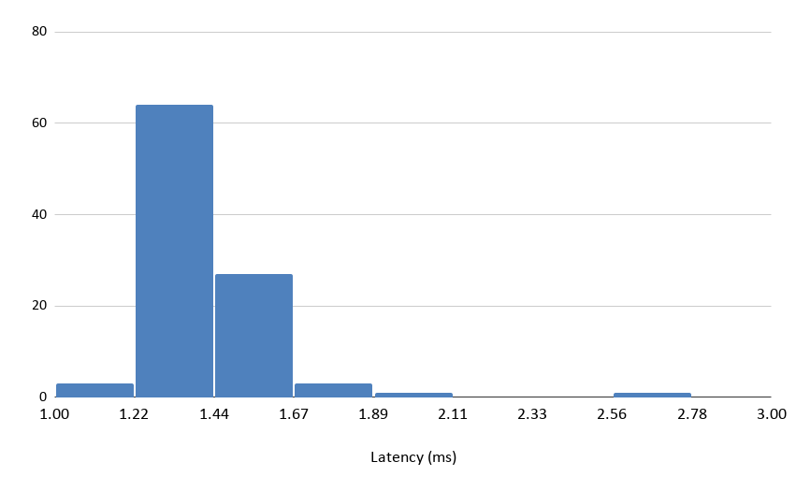
45 | 51.692473 | 51.795269589 | 102.797 | 1.248 | 51.692473 | 51.795269589 | 82.485654231 | 82.486954873 | 1.300642
46 | 52.69366898 | 52.821073511 | 127.405 | 24.608 | 52.69366898 | 52.821073511 | 83.486152811 | 83.487475163 | 1.322352
47 | 53.69559252 | 53.740612899 | 45.020 | -82.384 | 53.69559252 | 53.740612899 | 84.487266498 | 84.4885817 | 1.315202
48 | 54.69693969 | 54.765382505 | 68.443 | 23.422 | 54.69693969 | 54.765382505 | 85.488952282 | 85.490325344 | 1.373062
49 | 55.69805401 | 55.791258436 | 93.204 | 24.762 | 55.69805401 | 55.791258436 | 86.490470347 | 86.492406706 | 1.936359
50 | 56.69943653 | 56.815704808 | 116.268 | 23.064 | 56.69943653 | 56.815704808 | 87.491360266 | 87.492689468 | 1.329202
51 | 57.70140078 | 57.734392707 | 32.992 | -83.276 | 57.70140078 | 57.734392707 | 88.492498043 | 88.493888875 | 1.390832
52 | 58.70329758 | 58.758478793 | 55.181 | 22.189 | 58.70329758 | 58.758478793 | 89.493489221 | 89.494757344 | 1.268123
53 | 59.7039467 | 59.782645537 | 78.699 | 23.518 | 59.7039467 | 59.782645537 | 90.494896067 | 90.4961855 | 1.289433
54 | 60.70551871 | 60.806475346 | 100.957 | 22.258 | 60.70551871 | 60.806475346 | 91.49689527 | 91.498207443 | 1.312173
55 | 61.70707125 | 61.830579211 | 123.508 | 22.551 | 61.70707125 | 61.830579211 | 92.498798604 | 92.499910127 | 1.111523
56 | 62.70792837 | 62.752365921 | 44.438 | -79.070 | 62.70792837 | 62.752365921 | 93.500881357 | 93.502206549 | 1.325192
57 | 63.70944035 | 63.777791659 | 68.351 | 23.914 | 63.70944035 | 63.777791659 | 94.502696101 | 94.503993933 | 1.297832
58 | 64.71128169 | 64.800283695 | 89.002 | 20.651 | 64.71128169 | 64.800283695 | 95.503533471 | 95.504772273 | 1.238802
59 | 65.71234572 | 65.824288441 | 111.943 | 22.941 | 65.71234572 | 65.824288441 | 96.504189351 | 96.505476684 | 1.287333
60 | 66.71287797 | 66.746062958 | 33.185 | -78.758 | 66.71287797 | 66.746062958 | 97.505913986 | 97.507203709 | 1.289723
61 | 67.71400686 | 67.770099672 | 56.093 | 22.908 | 67.71400686 | 67.770099672 | 98.50787458 | 98.509060783 | 1.186203
62 | 68.7150439 | 68.793844471 | 78.801 | 22.708 | 68.7150439 | 68.793844471 | 99.509205496 | 99.510524849 | 1.319353
63 | 69.71587387 | 69.821582497 | 105.709 | 26.908 | 69.71587387 | 69.821582497 | 100.51006483 | 100.51142336 | 1.358532
64 | 70.71742088 | 70.841766572 | 124.346 | 18.637 | 70.71742088 | 70.841766572 | 101.51122907 | 101.51284284 | 1.613761
65 | 71.71918805 | 71.765833369 | 46.645 | -77.700 | 71.71918805 | 71.765833369 | 102.51205098 | 102.51357905 | 1.528071
66 | 72.72006193 | 72.788302045 | 68.240 | 21.595 | 72.72006193 | 72.788302045 | 103.513243 | 103.5150314 | 1.788399
67 | 73.72081451 | 73.812097952 | 91.283 | 23.043 | 73.72081451 | 73.812097952 | 104.51459918 | 104.51600902 | 1.409841
68 | 74.72205054 | 74.835371757 | 113.321 | 22.038 | 74.72205054 | 74.835371757 | 105.51588951 | 105.51739037 | 1.500861
69 | 75.72306391 | 75.760007776 | 36.944 | -76.377 | 75.72306391 | 75.760007776 | 106.51723458 | 106.51904931 | 1.81473
70 | 76.72387797 | 76.781037661 | 57.160 | 20.216 | 76.72387797 | 76.781037661 | 107.51887612 | 107.52024385 | 1.367722
71 | 77.72540247 | 77.805271583 | 79.869 | 22.709 | 77.72540247 | 77.805271583 | 108.52001695 | 108.52157587 | 1.558921
72 | 78.72686788 | 78.829448985 | 102.581 | 22.712 | 78.72686788 | 78.829448985 | 109.52178525 | 109.52329184 | 1.506592
73 | 79.72795437 | 79.853064805 | 125.110 | 22.529 | 79.72795437 | 79.853064805 | 110.52394976 | 110.52547215 | 1.522391
74 | 80.72923989 | 80.774817703 | 45.578 | -79.533 | 80.72923989 | 80.774817703 | 111.5257919 | 111.52733551 | 1.543611
75 | 81.73008207 | 81.798903135 | 68.821 | 23.243 | 81.73008207 | 81.798903135 | 112.52718013 | 112.5285823 | 1.402172
76 | 82.73155483 | 82.823113298 | 91.558 | 22.737 | 82.73155483 | 82.823113298 | 113.52846404 | 113.52974882 | 1.284773
77 | 83.7333093 | 83.846973634 | 113.664 | 22.106 | 83.7333093 | 83.846973634 | 114.52915241 | 114.53050296 | 1.350553
78 | 84.73429247 | 84.770143612 | 35.851 | -77.813 | 84.73429247 | 84.770143612 | 115.53048915 | 115.53182406 | 1.334912
79 | 85.73544088 | 85.792711616 | 57.271 | 21.420 | 85.73544088 | 85.792711616 | 116.53195349 | 116.53332568 | 1.372182
80 | 86.73682123 | 86.820206534 | 83.385 | 26.115 | 86.73682123 | 86.820206534 | 117.53299437 | 117.53443397 | 1.439591
81 | 87.73826712 | 87.848463382 | 110.196 | 26.811 | 87.73826712 | 87.848463382 | 118.53402664 | 118.53548833 | 1.461682
82 | 88.73926272 | 88.866391296 | 127.129 | 16.932 | 88.73926272 | 88.866391296 | 119.53512723 | 119.53638539 | 1.258152
83 | 89.7400163 | 89.785988551 | 45.972 | -81.156 | 89.7400163 | 89.785988551 | 120.53684644 | 120.53831923 | 1.472791
84 | 90.74076777 | 90.810336701 | 69.569 | 23.597 | 90.74076777 | 90.810336701 | 121.53898338 | 121.54044741 | 1.464022
85 | 91.74204818 | 91.834036419 | 91.988 | 22.419 | 91.74204818 | 91.834036419 | 122.54049586 | 122.54202548 | 1.529621
86 | 92.74298076 | 92.860157145 | 117.176 | 25.188 | 92.74298076 | 92.860157145 | 123.54162474 | 123.54306322 | 1.438481
87 | 93.74377613 | 93.779921308 | 36.145 | -81.031 | 93.74377613 | 93.779921308 | 124.54200631 | 124.5433378 | 1.331482
88 | 94.74526384 | 94.803946233 | 58.682 | 22.537 | 94.74526384 | 94.803946233 | 125.54387155 | 125.54519722 | 1.325672
89 | 95.74619306 | 95.77626554 | 30.072 | -28.610 | 95.74619306 | 95.77626554 | 126.54499776 | 126.54640875 | 1.410992
90 | 96.74698935 | 96.851906651 | 104.917 | 74.845 | 96.74698935 | 96.851906651 | 127.54610074 | 127.5475875 | 1.486762
91 | 97.74759741 | 97.875211564 | 127.614 | 22.697 | 97.74759741 | 97.875211564 | 128.54717918 | 128.5485048 | 1.325622
92 | 98.74863762 | 98.801754416 | 53.117 | -74.497 | 98.74863762 | 98.801754416 | 129.54801395 | 129.54944601 | 1.432052
93 | 99.74962124 | 99.821820893 | 72.200 | 19.083 | 99.74962124 | 99.821820893 | 130.54905031 | 130.55051552 | 1.465211
94 | 100.75116305 | 100.84582877 | 94.666 | 22.466 | 100.75116305 | 100.84582877 | 131.55001672 | 131.55155185 | 1.535131
95 | 101.75254753 | 101.87023922 | 117.692 | 23.026 | 101.75254753 | 101.87023922 | 132.55105965 | 132.55264854 | 1.58889
96 | 102.75388117 | 102.79278897 | 38.908 | -78.784 | 102.75388117 | 102.79278897 | 133.55242473 | 133.55381164 | 1.386912
97 | 103.75492158 | 103.81675092 | 61.829 | 22.922 | 103.75492158 | 103.81675092 | 134.55362985 | 134.5550422 | 1.412342
98 | 104.75593409 | 104.78106947 | 25.135 | -36.694 | 104.75593409 | 104.78106947 | 135.55412557 | 135.55547508 | 1.349512
99 | 105.75712525 | 105.76775449 | 10.629 | -14.506 | 105.75712525 | 105.76775449 | 136.55595296 | 136.55724831 | 1.295352
100 | 106.75861062 | 106.90055382 | 141.943 | 131.314 | 106.75861062 | 106.90055382 | 137.5571349 | 137.55874232 | 1.607421

Stats (netw) |  |  |  |  |  | Stats (local)
Count |  | 100.000 |  |  |  | Count |  | 99.000
Min latency (ms) |  | 5.624 |  |  |  | Min latency (ms) | Latency | 1.112
Max latency (ms) |  | 306.664 |  |  |  | Max latency (ms) |  | 2.767
Mean latency (ms) |  | 69.625 |  |  |  | Mean latency (ms) |  | 1.422
Median latency (ms) |  | 68.397 |  |  |  | Median latency (ms) |  | 1.385
StdDev (ms) |  | 55.070 |  |  |  | StdDev (ms) |  | 0.190
P95 latency (ms) |  | 142.139 |  |  |  | P95 latency (ms) |  | 1.641

 |  |  |  |  |  |  | min | q1 | q3 | max
 |  |  |  |  |  | Latency (ms) | 5.624 | 17.63983325 | 105.1151325 | 306.664

 |  |  |  |  |  |  | min | q1 | q3 | max
 |  |  |  |  |  | Latency (ms) | 1.111523 | 1.32160225 | 1.4756385 | 2.767404

