1Byte
The only user-friendly cells are the Switch cells and DEC in Cheat

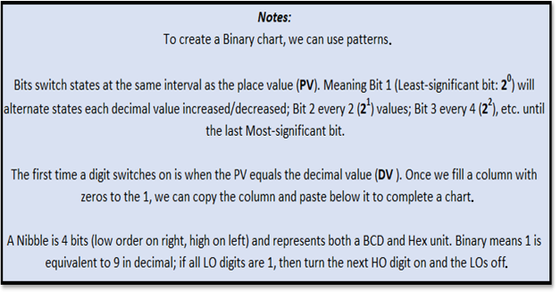

 |  |  | 0

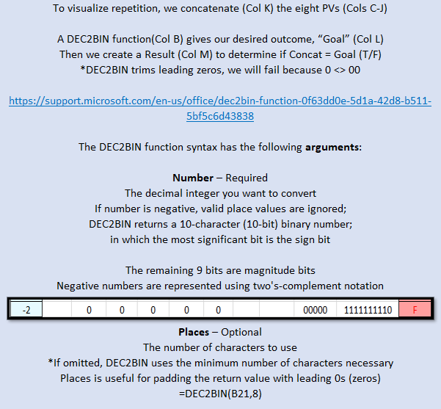
 |  |  |  |  |  |  |  |  |  |  |  | 1. Start with zeros, the PV is how many to use
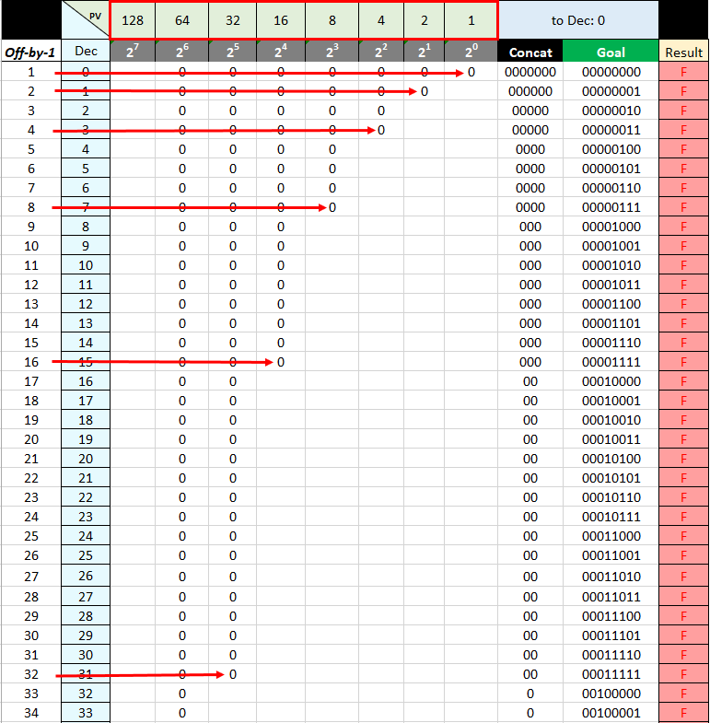

Enter 0 or 1 below to Switch cells / Value = 0 | PV | blank = ⬆️ | invalid = ❌ |  |  |  |  |  |  |  |  | UNI | Control
Switch |  |  |  |  |  |  |  |  | BIN | 00000000
Value | ⬆️ | ⬆️ | ⬆️ | ⬆️ | ⬆️ | ⬆️ | ⬆️ | ⬆️ | OCT | 0
DV
Weight | 27 | 26 | 25 | 24 | 23 | 22 | 21 | 20 | HEX | 0
PV | 128 | 64 | 32 | 16 | 8 | 4 | 2 | 1 | DEC | 0
0 | 0 | 0 | 0 | 0 | 0 | 0 | 0 | 0 | There's an Easter egg hidden 🎵 somewhere over the rainbow 🌈 🎵
1 | 0 | 0 | 0 | 0 | 0 | 0 | 0 | 1
2 | 0 | 0 | 0 | 0 | 0 | 0 | 1 | 0
3 | 0 | 0 | 0 | 0 | 0 | 0 | 1 | 1
4 | 0 | 0 | 0 | 0 | 0 | 1 | 0 | 0 | Cheat - max 255
5 | 0 | 0 | 0 | 0 | 0 | 1 | 0 | 1 | DEC | BIN | 2. Use the same number of ones as zeros in the respective PV | 3. Highlight the pattern, copy to continue the list, change color of the copy
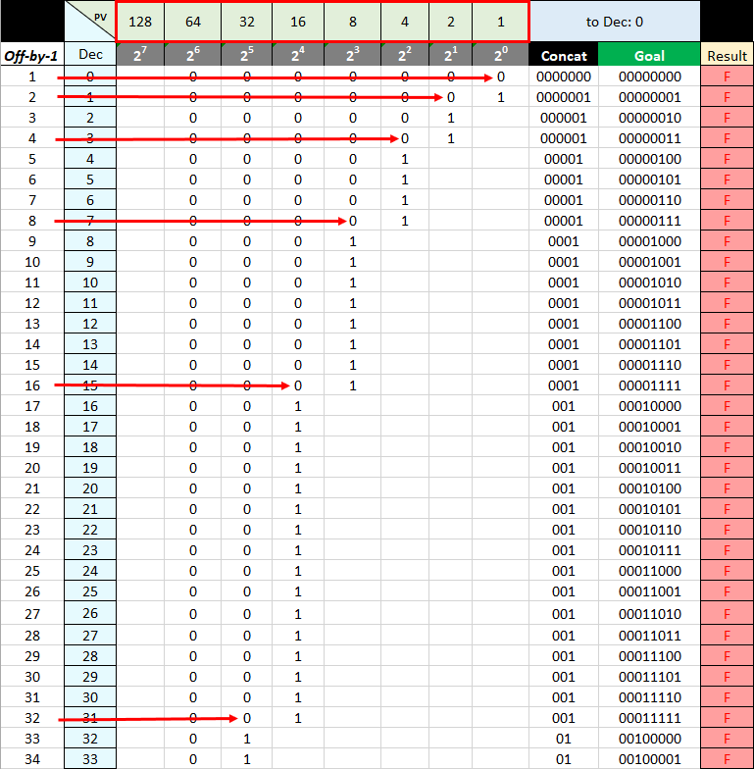
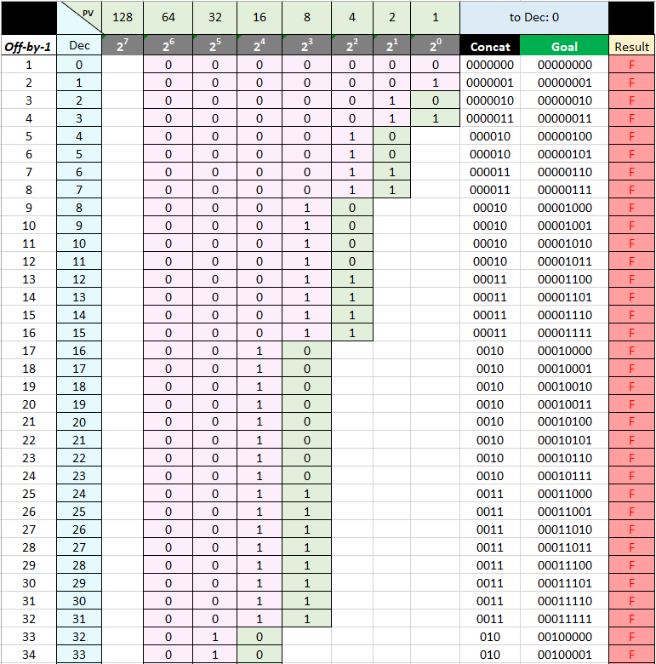
6 | 0 | 0 | 0 | 0 | 0 | 1 | 1 | 0 | 255 | 11111111
7 | 0 | 0 | 0 | 0 | 0 | 1 | 1 | 1 | 256 | #NUM!
8 | 0 | 0 | 0 | 0 | 1 | 0 | 0 | 0 | 2 | 00000010
9 | 0 | 0 | 0 | 0 | 1 | 0 | 0 | 1 | 3 | 00000011
10 | 0 | 0 | 0 | 0 | 1 | 0 | 1 | 0 | 4 | 00000100
11 | 0 | 0 | 0 | 0 | 1 | 0 | 1 | 1 | 5 | 00000101
12 | 0 | 0 | 0 | 0 | 1 | 1 | 0 | 0 | 6 | 00000110
13 | 0 | 0 | 0 | 0 | 1 | 1 | 0 | 1 | 7 | 00000111
14 | 0 | 0 | 0 | 0 | 1 | 1 | 1 | 0 | 8 | 00001000
15 | 0 | 0 | 0 | 0 | 1 | 1 | 1 | 1 | 9 | 00001001
16 | 0 | 0 | 0 | 1 | 0 | 0 | 0 | 0 | 10 | 00001010
17 | 0 | 0 | 0 | 1 | 0 | 0 | 0 | 1 | 11 | 00001011
18 | 0 | 0 | 0 | 1 | 0 | 0 | 1 | 0 | 12 | 00001100
19 | 0 | 0 | 0 | 1 | 0 | 0 | 1 | 1 | 13 | 00001101
20 | 0 | 0 | 0 | 1 | 0 | 1 | 0 | 0 | 14 | 00001110
21 | 0 | 0 | 0 | 1 | 0 | 1 | 0 | 1 | 15 | 00001111
22 | 0 | 0 | 0 | 1 | 0 | 1 | 1 | 0 | 16 | 00010000
23 | 0 | 0 | 0 | 1 | 0 | 1 | 1 | 1 | 17 | 00010001
24 | 0 | 0 | 0 | 1 | 1 | 0 | 0 | 0 | 18 | 00010010
25 | 0 | 0 | 0 | 1 | 1 | 0 | 0 | 1 | 19 | 00010011 | 4. If we did it right, we should be able to copy both and repeat the process until the chart is complete
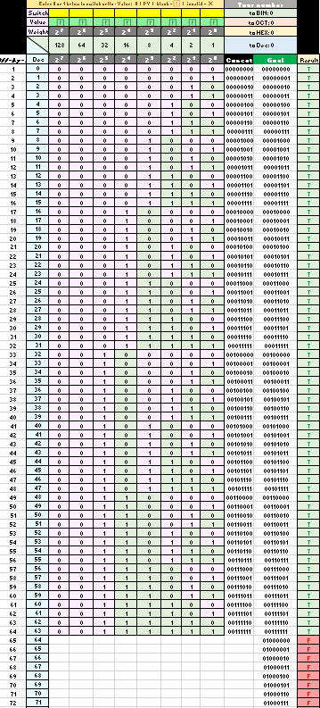
26 | 0 | 0 | 0 | 1 | 1 | 0 | 1 | 0 | 20 | 00010100
27 | 0 | 0 | 0 | 1 | 1 | 0 | 1 | 1 | 21 | 00010101
28 | 0 | 0 | 0 | 1 | 1 | 1 | 0 | 0 | 22 | 00010110
29 | 0 | 0 | 0 | 1 | 1 | 1 | 0 | 1 | 23 | 00010111
30 | 0 | 0 | 0 | 1 | 1 | 1 | 1 | 0 | 24 | 00011000
31 | 0 | 0 | 0 | 1 | 1 | 1 | 1 | 1 | 25 | 00011001
32 | 0 | 0 | 1 | 0 | 0 | 0 | 0 | 0 | 26 | 00011010
33 | 0 | 0 | 1 | 0 | 0 | 0 | 0 | 1 | 27 | 00011011
34 | 0 | 0 | 1 | 0 | 0 | 0 | 1 | 0 | 28 | 00011100
35 | 0 | 0 | 1 | 0 | 0 | 0 | 1 | 1 | 29 | 00011101
36 | 0 | 0 | 1 | 0 | 0 | 1 | 0 | 0 | 30 | 00011110
37 | 0 | 0 | 1 | 0 | 0 | 1 | 0 | 1 | 31 | 00011111
38 | 0 | 0 | 1 | 0 | 0 | 1 | 1 | 0
39 | 0 | 0 | 1 | 0 | 0 | 1 | 1 | 1
40 | 0 | 0 | 1 | 0 | 1 | 0 | 0 | 0
41 | 0 | 0 | 1 | 0 | 1 | 0 | 0 | 1
42 | 0 | 0 | 1 | 0 | 1 | 0 | 1 | 0
43 | 0 | 0 | 1 | 0 | 1 | 0 | 1 | 1
44 | 0 | 0 | 1 | 0 | 1 | 1 | 0 | 0
45 | 0 | 0 | 1 | 0 | 1 | 1 | 0 | 1
46 | 0 | 0 | 1 | 0 | 1 | 1 | 1 | 0
47 | 0 | 0 | 1 | 0 | 1 | 1 | 1 | 1
48 | 0 | 0 | 1 | 1 | 0 | 0 | 0 | 0
49 | 0 | 0 | 1 | 1 | 0 | 0 | 0 | 1
50 | 0 | 0 | 1 | 1 | 0 | 0 | 1 | 0
51 | 0 | 0 | 1 | 1 | 0 | 0 | 1 | 1
52 | 0 | 0 | 1 | 1 | 0 | 1 | 0 | 0
53 | 0 | 0 | 1 | 1 | 0 | 1 | 0 | 1
54 | 0 | 0 | 1 | 1 | 0 | 1 | 1 | 0
55 | 0 | 0 | 1 | 1 | 0 | 1 | 1 | 1
56 | 0 | 0 | 1 | 1 | 1 | 0 | 0 | 0
57 | 0 | 0 | 1 | 1 | 1 | 0 | 0 | 1
58 | 0 | 0 | 1 | 1 | 1 | 0 | 1 | 0
59 | 0 | 0 | 1 | 1 | 1 | 0 | 1 | 1
60 | 0 | 0 | 1 | 1 | 1 | 1 | 0 | 0
61 | 0 | 0 | 1 | 1 | 1 | 1 | 0 | 1
62 | 0 | 0 | 1 | 1 | 1 | 1 | 1 | 0
63 | 0 | 0 | 1 | 1 | 1 | 1 | 1 | 1
64 | 0 | 1 | 0 | 0 | 0 | 0 | 0 | 0
65 | 0 | 1 | 0 | 0 | 0 | 0 | 0 | 1
66 | 0 | 1 | 0 | 0 | 0 | 0 | 1 | 0
67 | 0 | 1 | 0 | 0 | 0 | 0 | 1 | 1
68 | 0 | 1 | 0 | 0 | 0 | 1 | 0 | 0
69 | 0 | 1 | 0 | 0 | 0 | 1 | 0 | 1
70 | 0 | 1 | 0 | 0 | 0 | 1 | 1 | 0
71 | 0 | 1 | 0 | 0 | 0 | 1 | 1 | 1
72 | 0 | 1 | 0 | 0 | 1 | 0 | 0 | 0
73 | 0 | 1 | 0 | 0 | 1 | 0 | 0 | 1
74 | 0 | 1 | 0 | 0 | 1 | 0 | 1 | 0
75 | 0 | 1 | 0 | 0 | 1 | 0 | 1 | 1
76 | 0 | 1 | 0 | 0 | 1 | 1 | 0 | 0
77 | 0 | 1 | 0 | 0 | 1 | 1 | 0 | 1
78 | 0 | 1 | 0 | 0 | 1 | 1 | 1 | 0
79 | 0 | 1 | 0 | 0 | 1 | 1 | 1 | 1
80 | 0 | 1 | 0 | 1 | 0 | 0 | 0 | 0
81 | 0 | 1 | 0 | 1 | 0 | 0 | 0 | 1
82 | 0 | 1 | 0 | 1 | 0 | 0 | 1 | 0
83 | 0 | 1 | 0 | 1 | 0 | 0 | 1 | 1
84 | 0 | 1 | 0 | 1 | 0 | 1 | 0 | 0
85 | 0 | 1 | 0 | 1 | 0 | 1 | 0 | 1
86 | 0 | 1 | 0 | 1 | 0 | 1 | 1 | 0
87 | 0 | 1 | 0 | 1 | 0 | 1 | 1 | 1
88 | 0 | 1 | 0 | 1 | 1 | 0 | 0 | 0
89 | 0 | 1 | 0 | 1 | 1 | 0 | 0 | 1
90 | 0 | 1 | 0 | 1 | 1 | 0 | 1 | 0
91 | 0 | 1 | 0 | 1 | 1 | 0 | 1 | 1
92 | 0 | 1 | 0 | 1 | 1 | 1 | 0 | 0
93 | 0 | 1 | 0 | 1 | 1 | 1 | 0 | 1
94 | 0 | 1 | 0 | 1 | 1 | 1 | 1 | 0
95 | 0 | 1 | 0 | 1 | 1 | 1 | 1 | 1
96 | 0 | 1 | 1 | 0 | 0 | 0 | 0 | 0
97 | 0 | 1 | 1 | 0 | 0 | 0 | 0 | 1
98 | 0 | 1 | 1 | 0 | 0 | 0 | 1 | 0
99 | 0 | 1 | 1 | 0 | 0 | 0 | 1 | 1
100 | 0 | 1 | 1 | 0 | 0 | 1 | 0 | 0
101 | 0 | 1 | 1 | 0 | 0 | 1 | 0 | 1
102 | 0 | 1 | 1 | 0 | 0 | 1 | 1 | 0
103 | 0 | 1 | 1 | 0 | 0 | 1 | 1 | 1
104 | 0 | 1 | 1 | 0 | 1 | 0 | 0 | 0
105 | 0 | 1 | 1 | 0 | 1 | 0 | 0 | 1
106 | 0 | 1 | 1 | 0 | 1 | 0 | 1 | 0
107 | 0 | 1 | 1 | 0 | 1 | 0 | 1 | 1
108 | 0 | 1 | 1 | 0 | 1 | 1 | 0 | 0
109 | 0 | 1 | 1 | 0 | 1 | 1 | 0 | 1
110 | 0 | 1 | 1 | 0 | 1 | 1 | 1 | 0
111 | 0 | 1 | 1 | 0 | 1 | 1 | 1 | 1
112 | 0 | 1 | 1 | 1 | 0 | 0 | 0 | 0
113 | 0 | 1 | 1 | 1 | 0 | 0 | 0 | 1
114 | 0 | 1 | 1 | 1 | 0 | 0 | 1 | 0
115 | 0 | 1 | 1 | 1 | 0 | 0 | 1 | 1
116 | 0 | 1 | 1 | 1 | 0 | 1 | 0 | 0
117 | 0 | 1 | 1 | 1 | 0 | 1 | 0 | 1
118 | 0 | 1 | 1 | 1 | 0 | 1 | 1 | 0
119 | 0 | 1 | 1 | 1 | 0 | 1 | 1 | 1
120 | 0 | 1 | 1 | 1 | 1 | 0 | 0 | 0
121 | 0 | 1 | 1 | 1 | 1 | 0 | 0 | 1
122 | 0 | 1 | 1 | 1 | 1 | 0 | 1 | 0
123 | 0 | 1 | 1 | 1 | 1 | 0 | 1 | 1
124 | 0 | 1 | 1 | 1 | 1 | 1 | 0 | 0
125 | 0 | 1 | 1 | 1 | 1 | 1 | 0 | 1
126 | 0 | 1 | 1 | 1 | 1 | 1 | 1 | 0
127 | 0 | 1 | 1 | 1 | 1 | 1 | 1 | 1

