Sheet1
 | lstm # | seed | seq_length | RMSE
2: normalize | 2 | 7 | 7 | 45 | 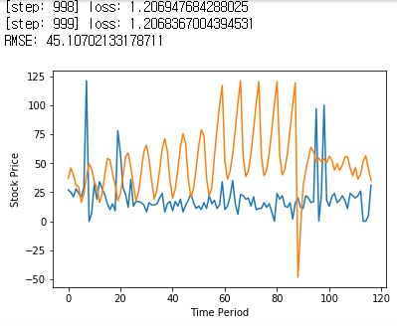
3: outlier + normalize | 2 | 77 | 7 | 96 | 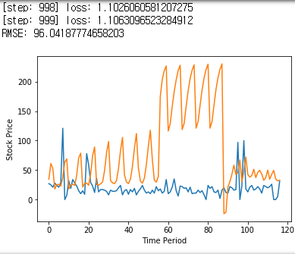
 | 2 | 7 | 6 | 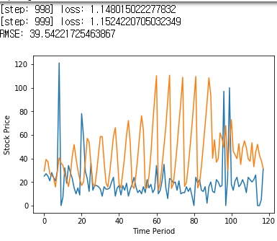 39
 | 2 | 77 | 6 | 55 | 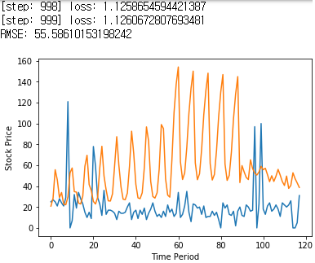
 | 2 | 7 | 4 | 46 | 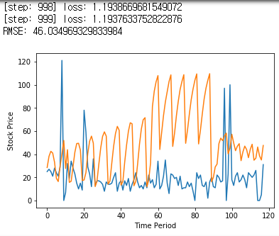
 | 2 | 7 | 5 | 45

