Sheet1
Test case Name | Test case Description | Steps | Expected Result | Actual Result | Evidence -1 | Evidence -2
SIGN IN/REGISTER button | A link appears on the top right corner for login/signup purposes, on reaching the homepage | 1)Open the website base url link | A 'Returning Customer'(login form) & a 'Create an Account'(Register/SignUp form) appear alongside each other on the same page | A 'Returning Customer'(login form) & a 'Create an Account'(Register/SignUp form) appear alongside each other on the same page |  | 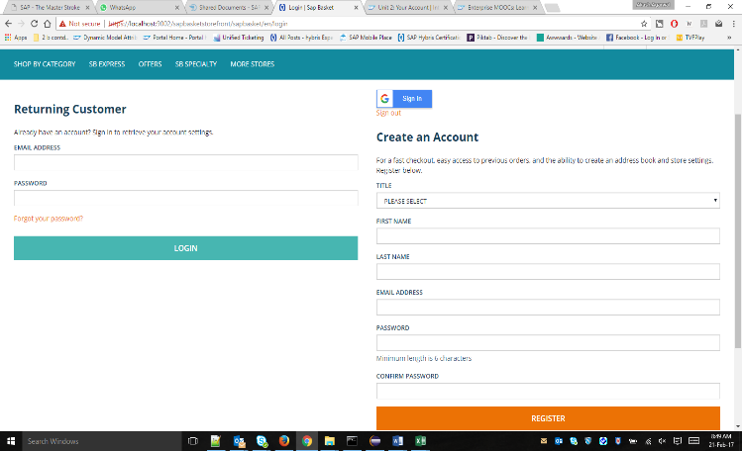
 |  | 2)Click on SIGN IN/REGISTER button next

Create an Account'(Register/SignUp form) | Testing fields in the form, for mandatory restrictions or requirements | 1)Open the website base url link. | An error msg showing up to 'Please correct the errors below', including errors of all the mandatory field requirements. | An error msg showing up to 'Please correct the errors below', including errors of all the mandatory field requirements. | 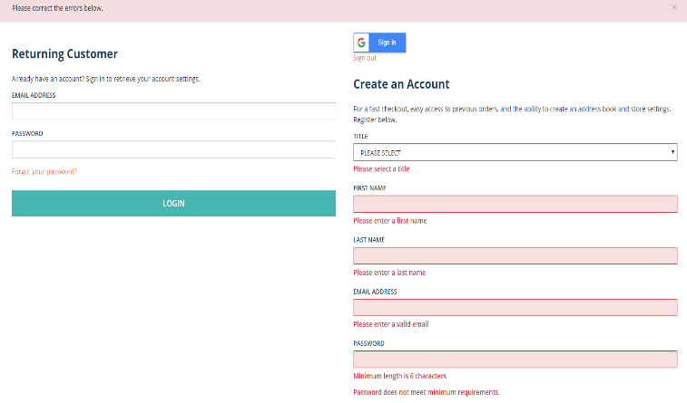
 |  | 2)Click on SIGN IN/REGISTER button next.
 |  | 3)Click on REGISTER button.

Account Creation/User Registration | Fill in all the necessary field details so as to create a new user | 1)Open the website base url link. | A msg saying 'Thank you for registering' is displayed & also the newly created user is automatically logged in | A msg saying 'Thank you for registering' is displayed & also the newly created user is automatically logged in | 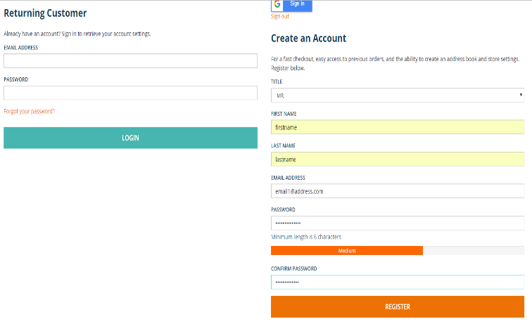 | 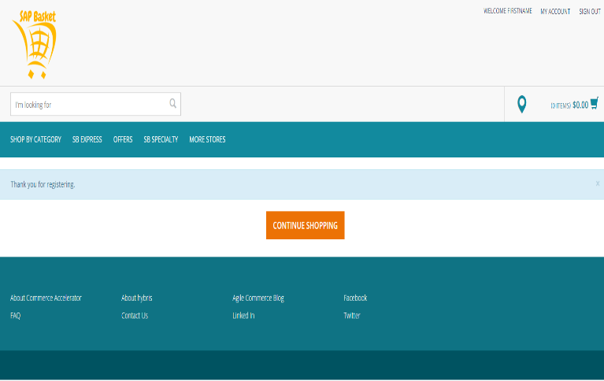
 |  | 2)Click on SIGN IN/REGISTER button next.
 |  | 3)Fill in all the required fields
 |  | 4)Click on REGISTER button

Hybris Customer creation | To test whether for a newly registered user, a customer also gets created at the Hybris backend or not | 1)Open hmc on localhost | The newly registered is visible in the HMC, after Hybris Customer creation in the backend | The newly registered is visible in the HMC, after Hybris Customer creation in the backend | 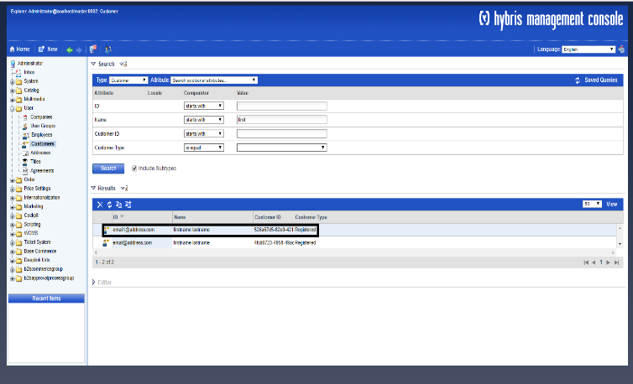
 |  | 2)& then goto User->Customer->
 |  | 3)Provide search parameters & look for the user created just in the above TC

