draft
first_Kp_input | 0 | 0.5 | 0.3 | 0.295 | 0.293 | 0.2925 | 0.2923 | 0.29215 | 0.2921 | 0.29207 | 0.292085
max_error |  |  |  | -3.148 | -3.121
min_error |  |  |  | 3.096 | 3.104
diff_error |  |  |  | -0.052 | -0.017 | -0.007 | -0.0038 | -0.0011 | -0.0003 | 0.0002 | 0.00007 | "=0"

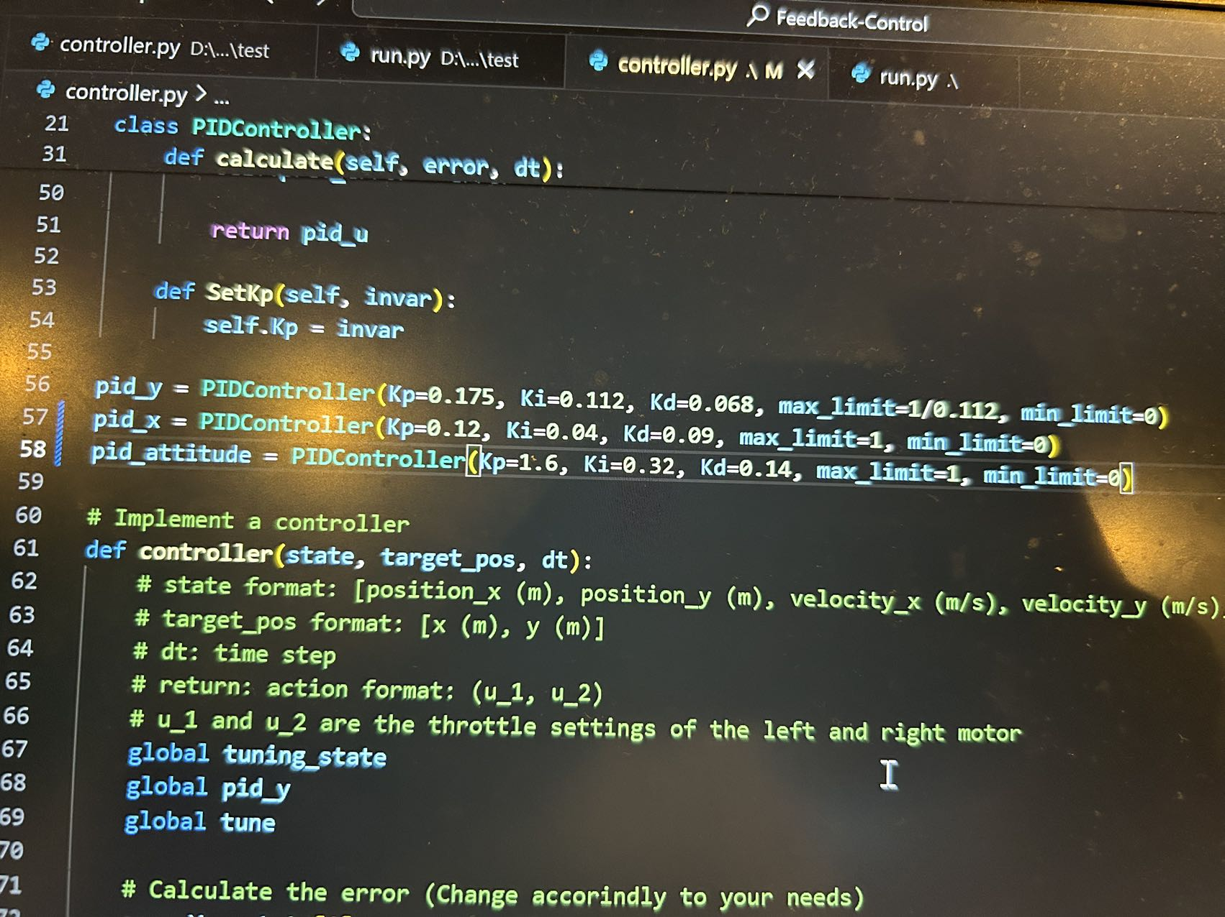
Ku: | 0.292 |  |  |  | Ku: | 0.2
Tu: | 3.12 |  |  |  | Tu: | 6 |  |  |  |  |  | Ku: | 0.198 | Ku: | 1
 |  | new | code |  |  |  | new | code |  |  |  | Tu: | 6.5 | Tu: | 15
Kp: | 0.175 | 0.175 | 0.175 |  | Kp: | 0.120 | 0.120 | 0.175
Ki: | 0.112 | 0.187 | 0.034 |  | Ki: | 0.040 | 0.067 | 0.034 |  |  |  | Kp: | 0.119 | Kp: | 0.600
Kd: | 0.068 | 0.114 | 0.225 |  | Kd: | 0.090 | 0.150 | 0.225 |  |  |  | Ki: | 0.037 | Ki: | 0.080
 |  |  |  |  |  |  |  |  |  |  |  | Kd: | 0.097 | Kd: | 1.125
no -
current kp | 0.29 | 0.3100 | 0.3100 | 0.3100 | 0.3100 | 0.3100 | 0.3100 | 0.3100
error | 0.1307 | -0.3928 | -0.3218 | -0.3212 | -0.3212 | -0.3212 | -0.3211 | -0.3211
adjust kp | 0.3100 | 0.3100 | 0.3100 | 0.3100 | 0.3100 | 0.3100 | 0.3100 | 0.3100

add - |  |  |  |  |  |  |  |  |  |  |  |  |  |  |  |  |  |  |  |  | kp | error_diff
current kp | 0.31 | 0.3 | 0.299 |  |  |  |  |  |  |  |  |  |  |  |  | Kp | time | error_diff |  | Start kp: 0.1 | 0.1 | 5.4791
error | -0.2229 | -0.05 |  | -0.032 | -0.1065 | 0.0291 | 0.0571 | 0.0386 | 0.02 | 0.0015 | 0.0016 | 0.0016 | 0.0015 |  |  | 0.1 |  | 5.4791 |  |  | 0.2096 | 1.7715
adjust kp | 0.3 | 0.299 |  | 0.298 | 0.288 | 0.289 | 0.2900 | 0.291 | 0.292 | 0.292 | 0.292 | 0.292 | 0.292 |  |  | 0.2096 |  | 1.7715 |  | Error Difference | 0.245 | 0.7138
 |  |  |  |  |  |  |  |  |  |  |  |  |  |  |  | 0.245 |  | 0.7138 |  |  | 0.2593 | 0.6372
add - |  |  |  |  |  |  |  |  |  |  |  |  |  |  |  | 0.272 |  | 0.6372 |  | Error Difference | 0.272 | 0.3835
current kp | 0.29 | 0.31 | 0.3 | 0.29 | 0.289 | 0.29 | 0.291 | 0.292 | 0.292 | 0.292 | 0.292 | 0.292 | 0.292 |  |  | 0.27 |  | 0.38 |  |  | 0.2797 | 0.2334
error | 0.1307 | -0.3928 | -0.19 | -0.0758 | 0.0438 | 0.03 | 0.0202 | 0.0019 | 0.0015 | 0.0015 | 0.0015 | 0.0016 | 0.0016 |  |  |  |  |  |  | Error Difference | 0.2844 | 0.1436
adjust kp | 0.31 | 0.3 | 0.29 | 0.289 | 0.29 | 0.291 | 0.292 | 0.292 | 0.292 | 0.292 | 0.292 | 0.292 | 0.292 |  |  |  |  |  |  |  | 0.2872 | 0.0795
 | 0.05 |  |  |  |  |  |  |  |  |  |  |  |  |  |  |  |  |  |  | Error Difference | 0.2888 | 0.0606
 |  |  |  |  | 0.00219 |  |  |  |  |  |  |  |  |  |  |  |  |  |  |  | 0.29 | 0.0378
 |  |  |  |  | 0.29119 |  |  |  |  |  |  |  |  |  |  |  |  |  |  | Error Difference | 0.2908 | 0.0238
 |  |  |  |  |  |  |  |  |  |  |  |  |  |  |  |  |  |  |  |  | 0.2913 | 0.0149
no - scale factor |  |  |  |  |  |  |  |  |  |  |  |  |  |  |  |  |  |  |  | Error Difference | 0.2916 | 0.0094
0.2 |  |  |  |  |  |  |  |  |  |  |  |  |  |  |  |  |  |  |  |  | 0.2918 | 0.006
-0.485 |  |  |  |  |  |  |  |  |  |  |  |  |  |  |  |  |  |  |  | Error Difference | 0.2919 | 0.0038
 |  |  |  |  |  |  |  |  |  |  |  |  |  |  |  |  |  |  |  |  | 0.292 | 0.0024
increasing kp |  |  | ku | 0.1 |  | 0.22 |  |  |  |  |  |  |  |  |  |  |  |  |  | Error Difference
decreeasing error |  |  | kp
 |  |  | ki |  |  |  |  |  |  |  |  |  |  |  |  |  |  |  |  | Error Difference
decreasing kp |  |  | kd
increasing error |  |  |  |  |  |  |  |  |  |  |  |  |  |  |  |  |  |  |  | Error Difference

 |  |  |  |  |  |  |  |  |  |  |  |  |  |  |  |  |  |  |  | Error Difference
4.14：
 |  |  |  |  |  |  |  |  |  | result in regular oscilation around left of target |  |  |  |  |  |  |  |  |  | Error Difference

 |  |  |  |  |  |  |  |  |  |  |  |  |  |  |  |  |  |  |  | Error Difference

 |  |  |  |  |  |  |  |  |  |  |  |  |  |  |  |  |  |  |  | Error Difference

 |  |  |  |  |  |  |  |  |  |  |  |  |  |  |  |  |  |  |  | Error Difference

 |  |  |  |  |  |  |  |  |  |  |  |  |  |  |  |  |  |  |  | Error Difference
Ku: | 0.8
Tu: | 16.3 |  |  |  |  |  |  |  |  |  |  |  |  |  |  |  |  |  |  | Start Timer for Oscillation |  |  | Error Difference: 0.0014894768519733148

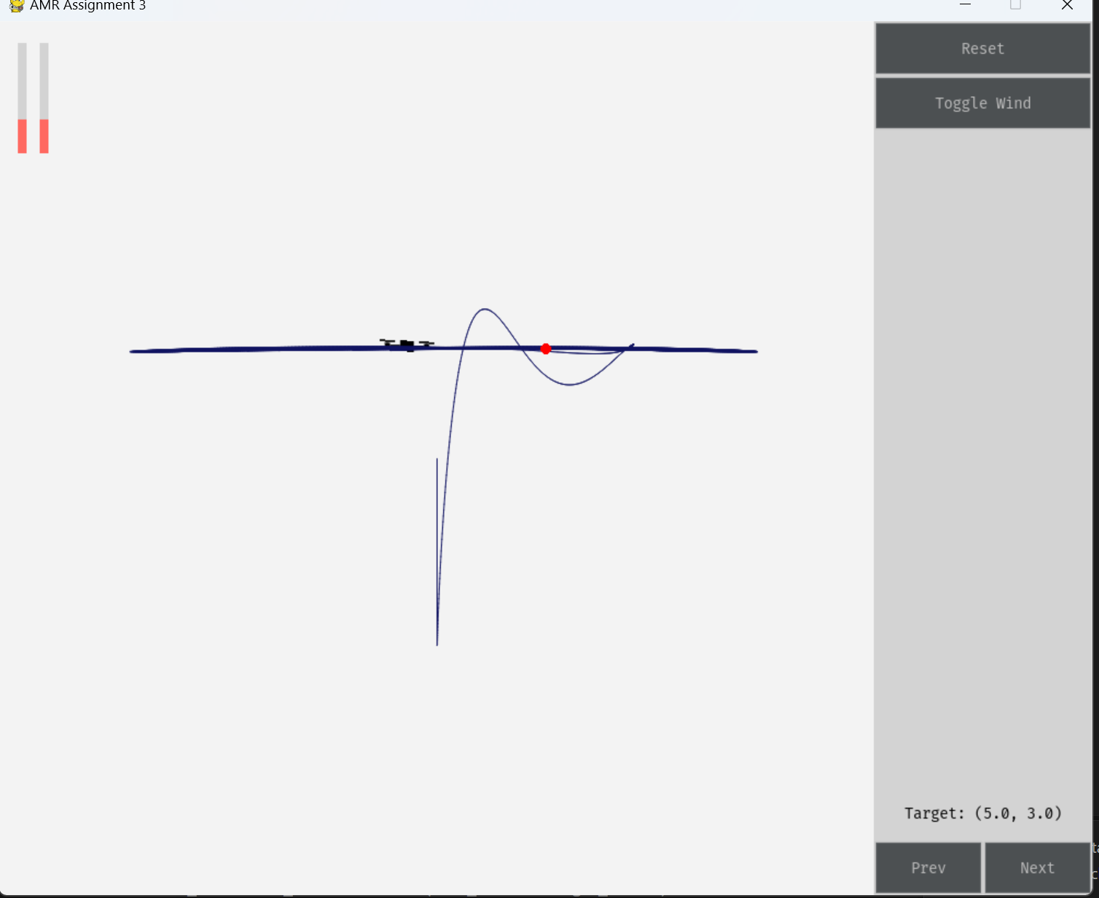
Kp: | 0.480 |  |  |  |  |  |  |  |  |  |  |  |  |  |  |  |  |  |  | Oscillation Detected with Kp=0.2920076730439681, Tu=3.133333333333489. Testing Complete. Please end the simulation.
Ki: | 0.059 |  |  |  |  |  |  |  |  |  |  |  | -3.8
Kd: | 0.978 |  |  |  |  |  |  |  |  |  |  |  | 1.9

Ku: | 1 |  |  |  |  |  |  |  |  |  |  |  |  |  | kp | ki | kd | time | note
Tu: | 7.4 |  |  |  |  |  |  |  |  |  |  |  |  |  | 0.175 | 0.112 | 0.068 | 12.66
 |  |  |  |  |  |  |  |  |  |  |  |  |  |  | 5 | 0.33 | 2 | 8.85
Kp: | 0.600 |  |  |  |  |  |  |  |  |  |  |  |  |  | 0.8 | 0.1 | 0.5 | 8.85
Ki: | 0.162 |  |  |  |  |  |  |  |  |  |  |  |  |  | 1.2 | 0.1 | 0.5 | 2.3 | offset down
Kd: | 0.555 |  |  |  |  |  |  |  |  |  |  |  |  |  | 1.2 | 0.4 | 0.5 | 12.23 | overshot, take time to balance
 |  |  |  |  |  |  |  |  |  |  |  |  |  |  | 1.2 | 0.2 | 0.5 | 2 | offset down

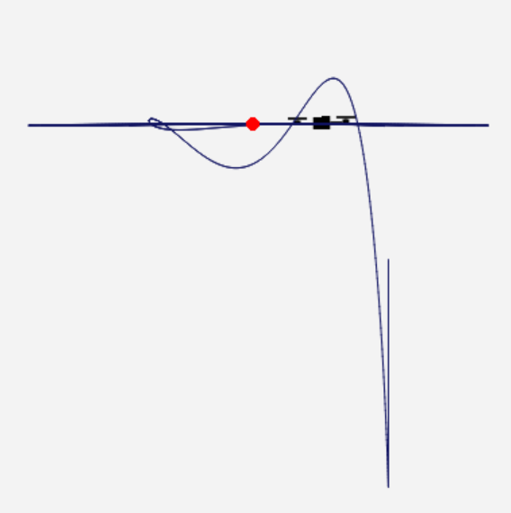
Ku: | 0.9
Tu: | 17.4
 |  |  |  |  |  |  |  |  |  | 1.73
Kp: | 0.540 |  |  |  |  |  |  |  |  | -1.66
Ki: | 0.062
Kd: | 1.175

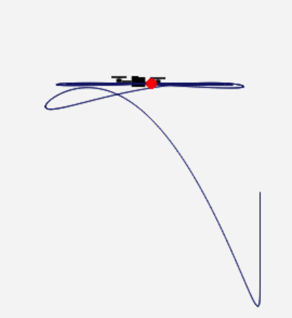

 |  |  |  |  |  |  |  |  |  | new code
Ku: | 1.2
Tu: | 10.6 |  |  |  |  |  |  |  |  | 0.6
 |  |  |  |  |  |  |  |  |  | -0.7
Kp: | 0.720
Ki: | 0.136
Kd: | 0.954

Ku: | 1
Tu: | 12

Kp: | 0.600
Ki: | 0.100
Kd: | 0.900

video
semi-auto Y |  | manual Y |  |  |  | kp | ki | kd
from (4,4) to (4,4) |  | from (4,4) to (4,4) |  |  | semi-auto | 0.175 | 0.112 | 0.068
error_diff is sum of error_max and error_min in one oscillation |  |  |  |  | manual | 5.000 | 2.2 | 1.7
semi-auto tuning
 |  | first, we hope drone can bounce back to target point as soon as possible
semi-auto tuning
kp | error_diff |  |  |  | now test (4,4) to (4,2) and (4,4) to (4,6)
0.1 | 5.4791 | kp | error_max
0.2096 | 1.7715 | 0.1 | 5.4 |  |  | (4,2)
0.245 | 0.7138 | 0.5 | 1.3 |  | semi-auto | overshot to error=-1.1, balance in 15s
0.2593 | 0.6372 | 1 | 0.71 |  | manual | overshot to error=-1; balance in 17s
0.272 | 0.3835 | 1.5 | 0.5
0.2797 | 0.2334 | 2 | 0.41 |  | by tuning manual to
0.2844 | 0.1436 | 3 | 0.29 |  | 5 | 1.8 | 2
0.2872 | 0.0795 | 4 | 0.23 |  | it overshot to -0.47 and balance in 10s
0.2888 | 0.0606 | 4.5 | 0.2
0.29 | 0.0378 | 5 | 0.17 |  | why choose manual instead of semi-auto?
0.2908 | 0.0238 | 5.5 | 0.16 |  | for (4,4) to (3,3), manual perform more stable in Y direction moving
0.2913 | 0.0149 | 6 | 0.16 |  | 5;1.8;2: |  |  | 0.175,0.112,0.068:
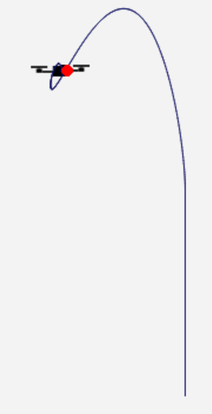
0.2916 | 0.0094
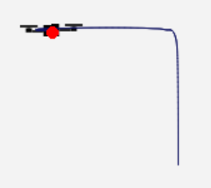
0.2918 | 0.006 | after increasing kp to 5, keep increasing kp doesn't have efficient response
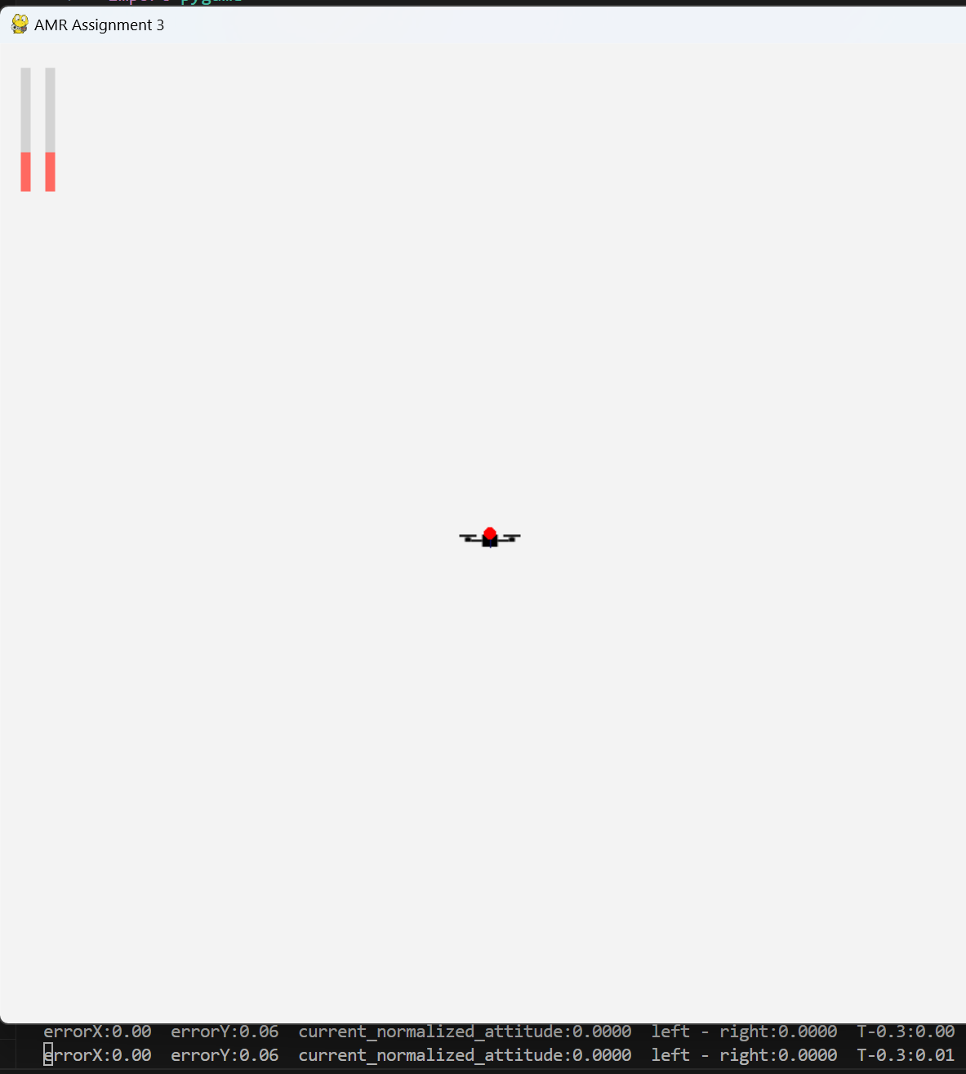
0.2919 | 0.0038 | set kp=5, the an obvious overshot will be observed
0.292 | 0.0024 | increasing kd to brake it
 |  | now we hope drone can stop near target point
Ziegler-Nichols
Ku: | 0.292 | kd | error_min
Tu: | 3.12 | 0.1 | oscillation with increasing range
 |  | 0.2 | oscillation with increasing range
Kp: | 0.175 | 0.3 | oscillation with fix range
Ki: | 0.112
Kd: | 0.068 | 0.4 | oscillate, balance in error=0.06 | >>>>
 |  | 0.5 | oscillate, balance in error=0.06 | >>>>
 |  | 0.6 | oscillate, balance in error=0.06 | >>>>
 |  | … | oscillate, balance in error=0.06 | >>>>
 |  | 1.6 | oscillate, balance in error=0.06 | >>>>

 |  | 1.7 | no oscllation, slightly sink down and balance in error=0.06
 |  | 1.8 | no oscllation, slightly sink down and balance in error=0.06
 |  | 1.9 | no oscllation, slightly sink down and balance in error=0.06
 |  | 2 | no oscllation, slightly sink down and balance in error=0.06

 |  | keep kp = 5; kd = 1.7
 |  | now we hope ki can make up the 0.06 gap
 |  | run 10s, then rocord y error
 |  | ki | error
 |  | 0.1 | 0.05
 |  | 0.2 | 0.05
 |  | 0.3 | 0.05
 |  | 0.4 | 0.04
 |  | 0.5 | 0.04
 |  | 0.8 | 0.03
 |  | 1 | 0.02
 |  | 1.2 | 0.02
 |  | 1.5 | 0.01
 |  | 1.6 | 0.01
 |  | 1.7 | 0.01
 |  | 1.8 | 0.01
 |  | 2 | 0.01
 |  | 2.1 | 0.01
 |  | 2.2 | 0

5.4
tunning method |  | from (4,4) to (4,6) |  |  | for x and attitude, cascade controller is applied
1. show NZ method |  | kp | errorY
2. manual tune Y no wind |  | 1 | 1.38 |  | 0.5 | 0.1 | 0.1 | 0.1 | 0.95 | 2.8 | -0.75
3. manual tune Y+X+A no wind |  | 2 | 1.05 |  | 1 | 0.1 | 0.1 | 0.1 | 1.37 | 2.9 | -0.38
4. keep PID value, switch to wind |  | 3 | 0.95 |  | 1.5 | 0.1 | 0.1 | 0.1 | 1.6 | 2.8 | -0.29
5. further modify Y |  | 4 | 0.9 |  | 1.5 | 1 |  |  |  |  | -1.97
6. further modify X+A |  | 5 | 0.86 |  | 1.5 | 2
 |  | 6 | 0.85
 |  |  |  |  |  |  | 0.1 | 0.1 |  |  | -0.34
 |  |  |  |  |  |  | 0.2 |  |  |  | -0.04
 |  |  |  |  |  |  |  | 0.2

 |  | kp5
 |  | kd | time
 |  | 0.5 | 2.7
 |  | 1 | 1.7
 |  | 1.5 | 1.7

 |  | 51 | 10s
 |  | ki | static error
 |  | 0 | 0.05
 |  | 0.5 | 0.03
 |  | 1 | 0.02
 |  | 1.5 | 0.01

 |  | now, test from (4,4) to (4,0)
 | p | i | d | overshot
 | 5 | 1.5 | 1 | -4.34
 | 5 | 1.5 | 1.5 | -2.64
 | 5 | 1.5 | 2 | -1.29
 | 5 | 1.5 | 2.5 | -0.4
 | 5 | 1.5 | 3 | 0
 | final result:
 | p | i | d
 | 5 | 1.5 | 3
 | without overshot
 | errorY = 0.01 in 10s

