Sheet1
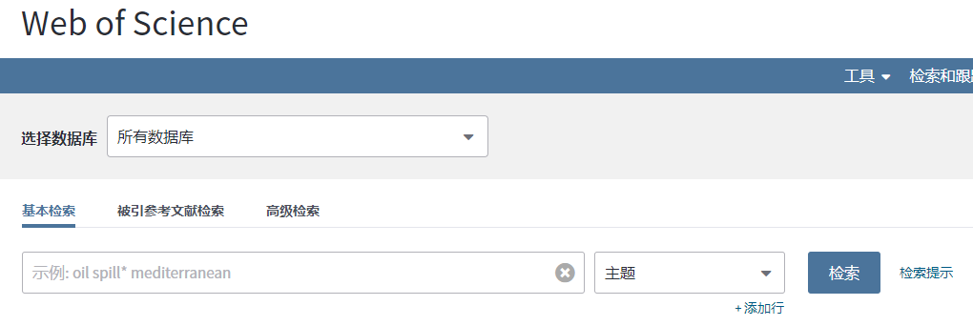
期刊简称 | 期刊全称 | 相关资源网站地址
TGRS | IEEE Transactions on Geoscience and Remote Sensing | http://apps.webofknowledge.com/UA_GeneralSearch_input.do?product=UA&search_mode=GeneralSearch&SID=5A7CdZBJPSy84vBHSj2&preferencesSaved=
TIP | IEEE Transactions on image processing
TPAMI | IEEE Transactions on Pattern Analysis and Machine Intelligence
TNNLS | IEEE Transactions on Neural Networks and Learning Systems
PR | Pattern Recognition
RS | Remote Sensing
GRSL | IEEE Geoscience and Remote Sensing Letter
IS | Information Sciences
TSP | IEEE Transactions on signal processing
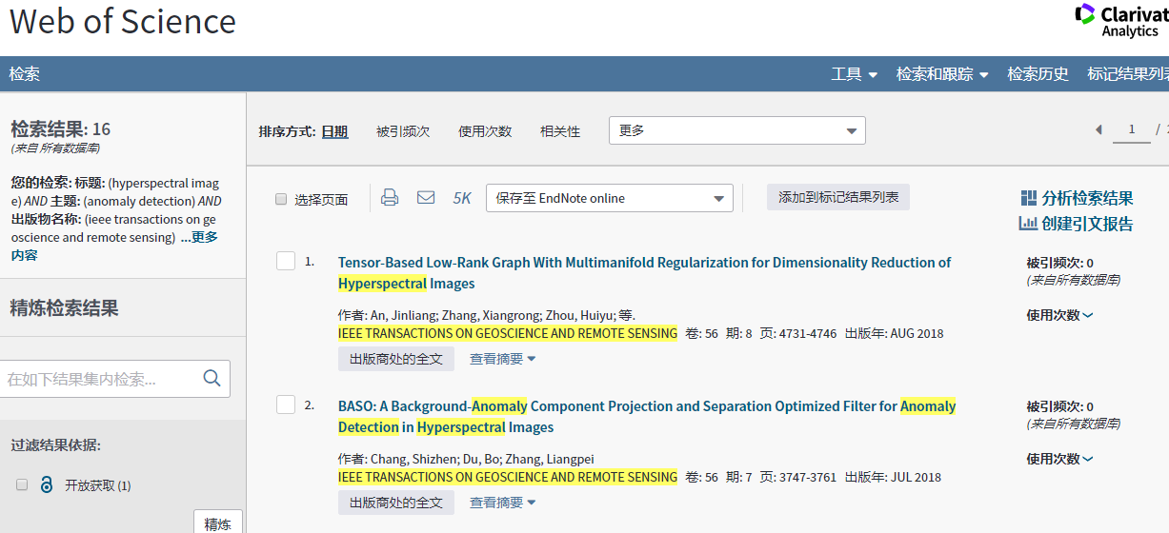
综述 | IEEE Geoscience and Remote Sensing Magazine
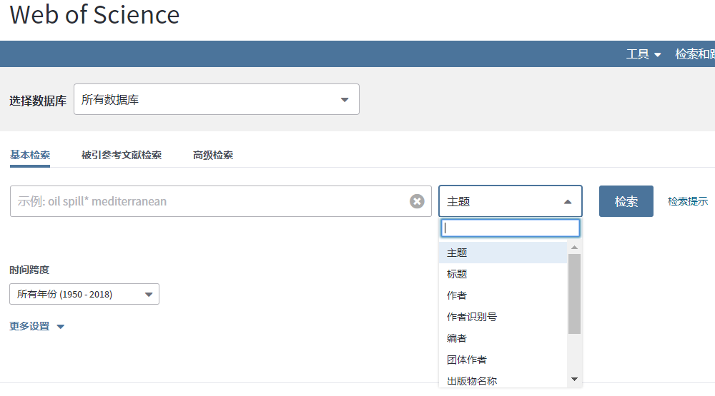
综述 | IEEE Signal Processing Magazine

会议简称 | 会议全称
CVPR | IEEE Conference on Computer Vision and Pattern Recognition
ICCV | IEEE International Conference on Computer Vision
ECCV | European Conference on Computer Vision

