Targets
Site proportions of those diagnosed with infection
 | N | I |  | K | V
R | 37% | 74% |  | 53% | 56%
U | 31% | 17% |  | 33% | 21%
P | 32% | 9% |  | 14% | 23%

HIV incidence among MSM in the US (CDC); https://www.cdc.gov/nchhstp/newsroom/docs/factsheets/cdc-msm-508.pdf
2014 | 522 to 989 per 100,000

HIV incidence among King County MSMs (https://bit.ly/2E9Fzwv)
2017 | 320 cases per 100,000

Gonorrhea incidence among MSM in the US (SSuN CDC) https://www.cdc.gov/std/stats16/figures/bb.htm
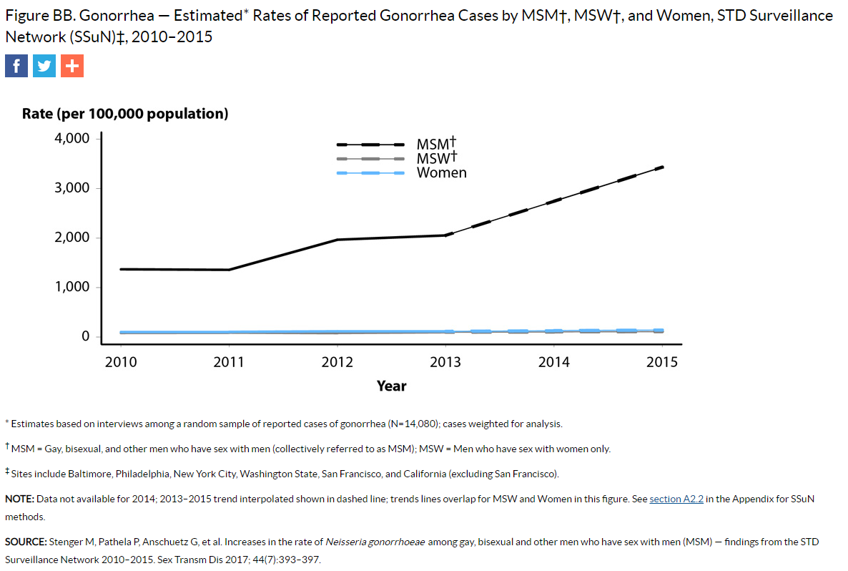

GC incidence among MSMs in King County (2015)
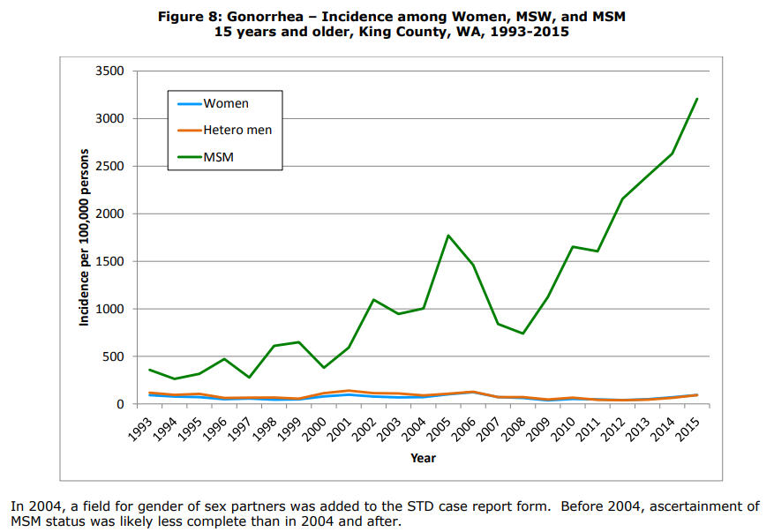

HIV prevalence among MSMs testing positive for rectal GC: 13.2% ; among those testing positive for both rectal GC and CT, HIV prevalence was 6.4% (Maricopa County, 2011-2013)
https://onlinelibrary.wiley.com/doi/full/10.1111/hiv.12192

GC reinfection rates
Study | Study location | Population | Setting | Year | Infection site | Detection method | Re-infection % | Retesting interval
Payne et al (https://bit.ly/2SJLT1A) | England | MSM | County Hospital and STD clinic | 2013 | any | Culture or NAAT | 19.4% of total GC infections dx'ed at the clinic
Leister et al (https://bit.ly/2SHO0mr) | Melbourne | MSM | STD Clinic | 2002-3 | Rectal | Culture | Of the MSMs who were GC positive and retested, reinfection was 47% in HIV+ and 25% in HIV-. Median time between initial GC dx and re-testing was 9.6 months. Incidence rate of reinfection in HIV+ was 80 per 100 PY in HIV+ MSM, 37 per 100PY per HIV- MSM, and 47 per 100 PY overall. | Within 12-18 months after initial dx
Thomas et al (https://bit.ly/2UAGBqW) | North Carolina | Gen | County STD Clinic | 1992-1994 | Endocervical (women) or urethral (men) | Culture | 21.7% of those with an index GC infection experience reinfection within 16 months. Median time to reinfection was 5.8 months. 6.3% experience more than 1 reinfection. | None specified. Patients return on their own.

Incidence of HIV among GC+ |  |  |  |  |  |  | Incidence rate
Mehta, 2006 (https://www.ncbi.nlm.nih.gov/pubmed/16763500) | Baltimore | Gen | STD Clinic | 1993-2002 |  | EIA | 1.36 per 100 PY among GC+, 0.83 among GC- (RR of 1.639)
Bernstein, 2010 (https://insights.ovid.com/pubmed?pmid=19935075) | San Francisco | MSM | STD Clinic | 2003-2005 | Rectal GC or CT |  | Annual incidence among those with any prior rectal infections was 4.59% (2.55 times higher than those without prior rectal infections). Annual incidence was 15% among those with 2 rectal infections in the past 2 years, 3.41% in those with 1 infection in the past 2 years. But only 2 past rectal infections was significant in multivariate analysis.
Pathela, 2013 (https://academic.oup.com/cid/article/57/8/1203/5278210 | New York City | MSM | STD Clinics | 2008-2010 | Rectal GC or CT | Rapid PoC test, followed up with NAAT | Annual incidene among those with rectal GC was 6.67%, among those with both GC and CT was 10.67%

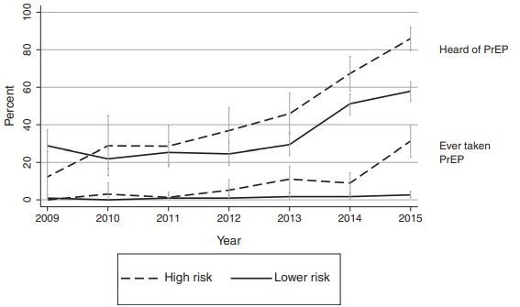
PrEP coverage |  |  |  |  |  |  | Results
Hood, 2016 | Washington State | MSM | Gay Pride Parade | 2009-2015 |  | Self-report, survey | PrEP uptake: | Low risk MSM | High risk MSM
 |  |  |  |  |  |  | 2009 | 0 | 1.2244897959
 |  |  |  |  |  |  | 2010 | 0.40816326531 | 3.0612244898
 |  |  |  |  |  |  | 2011 | 0.81632653061 | 1.2244897959
 |  |  |  |  |  |  | 2012 | 0.81632653061 | 5.306122449
 |  |  |  |  |  |  | 2013 | 1.8367346939 | 11.020408163
 |  |  |  |  |  |  | 2014 | 1.8367346939 | 9.1836734694
 |  |  |  |  |  |  | 2015 | 2.6530612245 | 31.224489796
Khurana, 2018 (https://bit.ly/2UV2Sj1) | US | Gen | Compartmental model |  |  |  | Impact of PrEP on HIV incidence

