Targets
Site proportions of those diagnosed with infection
 | N | I |  | K | V
R | 37% | 74% |  | 53% | 56%
U | 31% | 17% |  | 33% | 21%
P | 32% | 9% |  | 14% | 23%

HIV incidence among MSM in the US (CDC); https://www.cdc.gov/nchhstp/newsroom/docs/factsheets/cdc-msm-508.pdf
2014 | 522 to 989 per 100,000

HIV incidence among King County MSMs (https://bit.ly/2E9Fzwv)
2017 | 320 cases per 100,000

Gonorrhea incidence among MSM in the US (SSuN CDC) https://www.cdc.gov/std/stats16/figures/bb.htm
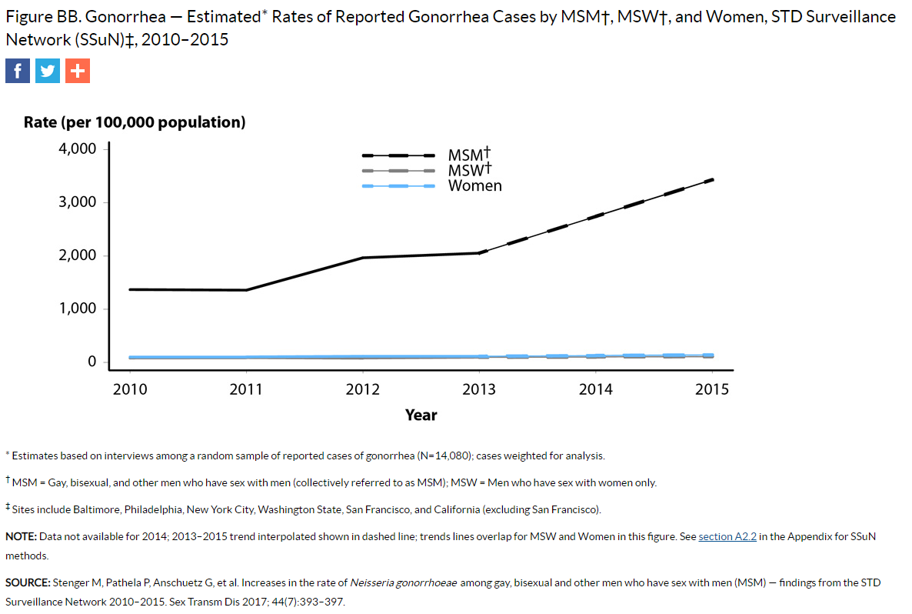

GC incidence among MSMs in King County (2015)
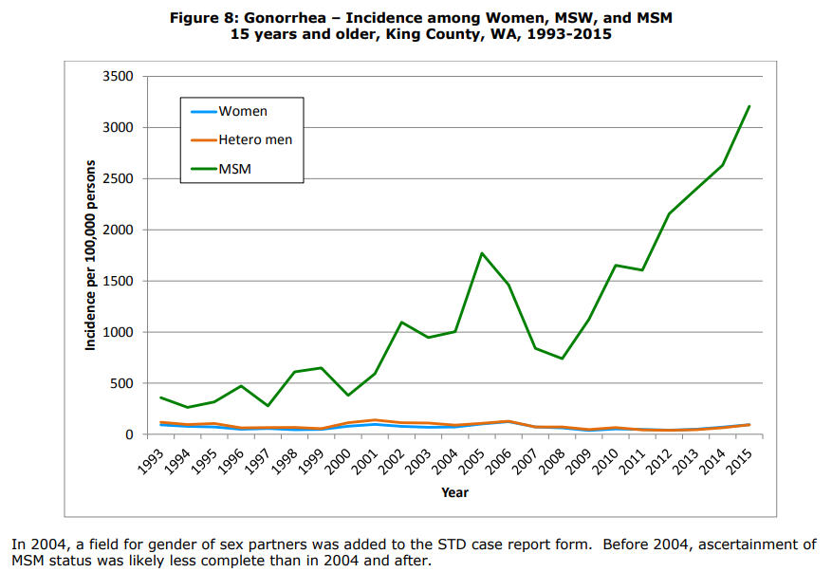

HIV prevalence among MSMs testing positive for rectal GC: 13.2% ; among those testing positive for both rectal GC and CT, HIV prevalence was 6.4% (Maricopa County, 2011-2013)
https://onlinelibrary.wiley.com/doi/full/10.1111/hiv.12192

GC reinfection rates
Study | Study location | Population | Setting | Year | Infection site | Detection method | Re-infection % | Retesting interval
Payne et al (https://bit.ly/2SJLT1A) | England | MSM | County Hospital and STD clinic | 2013 | any | Culture or NAAT | 19.4% of total GC infections dx'ed at the clinic
Leister et al (https://bit.ly/2SHO0mr) | Melbourne | MSM | STD Clinic | 2002-3 | Rectal | Culture | Of the MSMs who were GC positive and retested, reinfection was 47% in HIV+ and 25% in HIV-. Median time between initial GC dx and re-testing was 9.6 months. Incidence rate of reinfection in HIV+ was 80 per 100 PY in HIV+ MSM, 37 per 100PY per HIV- MSM, and 47 per 100 PY overall. | Within 12-18 months after initial dx
Thomas et al (https://bit.ly/2UAGBqW) | North Carolina | Gen | County STD Clinic | 1992-1994 | Endocervical (women) or urethral (men) | Culture | 21.7% of those with an index GC infection experience reinfection within 16 months. Median time to reinfection was 5.8 months. 6.3% experience more than 1 reinfection. | None specified. Patients return on their own.

Incidence of HIV among GC+ |  |  |  |  |  |  | Incidence rate
Mehta, 2006 (https://www.ncbi.nlm.nih.gov/pubmed/16763500) | Baltimore | Gen | STD Clinic | 1993-2002 |  | EIA | 1.36 per 100 PY among GC+, 0.83 among GC- (RR of 1.639)
Bernstein, 2010 (https://insights.ovid.com/pubmed?pmid=19935075) | San Francisco | MSM | STD Clinic | 2003-2005 | Rectal GC or CT |  | Annual incidence among those with any prior rectal infections was 4.59% (2.55 times higher than those without prior rectal infections). Annual incidence was 15% among those with 2 rectal infections in the past 2 years, 3.41% in those with 1 infection in the past 2 years. But only 2 past rectal infections was significant in multivariate analysis.
Pathela, 2013 (https://academic.oup.com/cid/article/57/8/1203/5278210 | New York City | MSM | STD Clinics | 2008-2010 | Rectal GC or CT | Rapid PoC test, followed up with NAAT | Annual incidene among those with rectal GC was 6.67%, among those with both GC and CT was 10.67%
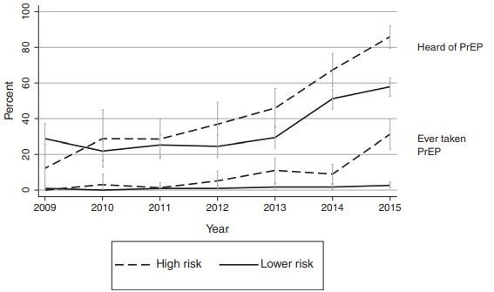
PrEP coverage |  |  |  |  |  |  | Results
Hood, 2016 | Washington State | MSM | Gay Pride Parade | 2009-2015 |  | Self-report, survey | PrEP uptake: | Low risk MSM | High risk MSM
 |  |  |  |  |  |  | 2009 | 0 | 1.2244897959
 |  |  |  |  |  |  | 2010 | 0.40816326531 | 3.0612244898
 |  |  |  |  |  |  | 2011 | 0.81632653061 | 1.2244897959
 |  |  |  |  |  |  | 2012 | 0.81632653061 | 5.306122449
 |  |  |  |  |  |  | 2013 | 1.8367346939 | 11.020408163
 |  |  |  |  |  |  | 2014 | 1.8367346939 | 9.1836734694
 |  |  |  |  |  |  | 2015 | 2.6530612245 | 31.224489796
Khurana, 2018 (https://bit.ly/2UV2Sj1) | US | Gen | Compartmental model |  |  |  | Impact of PrEP on HIV incidence

 | HIV prevalence | Rectal GC prevalence | Pharyngeal GC | Urethral GC | Total GC prevalence | New HIV diagnoses
2008 | 11.18 |  |  |  |  | 506.7
2009 | 11.44 |  |  |  |  | 517.2
2010 | 11.68 |  |  |  |  | 580.5
2011 | 11.94 |  |  |  |  | 494.4
2012 | 12.13 | 0.82452895489 | 0.98943474586 | 0.79594528445 | 2.0426330642 | 482.1
2013 | 12.64 | 0.93031877081 | 1.1298276914 | 0.78719280607 | 2.2661611084 | 407.2
2014 | 10.32 | 0.94862279703 | 1.0640222713 | 0.84495886251 | 2.2962539458 | 374
2015 | 10.09 | 1.2500752016 | 1.1764302879 | 0.96871386469 | 2.7494101111 | 320.4
2016 | 9.41 | 1.4643657552 | 1.545819969 | 1.1005369334 | 3.2961805194 | 251.9
2017 | 9.03 | 1.8182354021 | 1.9176299859 | 1.2732788914 | 3.9140901588 | 220
MSM population
HIV prevalence
Years | # New HIV dx (2017 HIV epi report) | new HIV dx rate (per 100,000), not including MSM who inject drugs | Prevalent HIV cases (KC HIV reports) | Diagnosed HIV Prevalence | # MSM in KC | Total GC prevalence | Rectal GC | Urethral GC | Pharyngeal GC
2008 |  | 506.7 | 4914 | 11.18 | 43940
2009 | 223 | 517.2 | 5080 | 11.44 | 44388
2010 | 256 | 580.5 | 5230 | 11.68 | 44787
2011 | 205 | 494.4 | 5384 | 11.94 | 45101
2012 | 195 | 482.1 | 5516 | 12.13 | 45481 | 2.0426330642 | 0.82452895489 | 0.79594528445 | 0.98943474586
2013 | 67 | 407.2 | 5828 | 12.64 | 46113 | 2.2661611084 | 0.93031877081 | 0.78719280607 | 1.1298276914
2014 | 172 | 374.0 | 5275 | 10.32 | 51127 | 2.2962539458 | 0.94862279703 | 0.84495886251 | 1.0640222713
2015 | 153 | 320.4 | 5341 | 10.09 | 52957 | 2.7494101111 | 1.2500752016 | 0.96871386469 | 1.1764302879
2016 | 126 | 251.9 | 5199 | 9.41 | 55246 | 3.2961805194 | 1.4643657552 | 1.1005369334 | 1.545819969
2017 | 113 | 220.0 | 5269 | 9.03 | 58353 | 3.9140901588 | 1.8182354021 | 1.2732788914 | 1.9176299859
Red = calculated with new pop estimates
Black = HIV epi report

Male aged 15+ population (WA OFM data)
Age | 2007 | 2008 | 2009 | 2010 | 2011 | 2012 | 2013 | 2014 | 2015 | 2016 | 2017 | 2018
15-19 | 59783 | 60240 | 60104 | 60118 | 60050 | 59765 | 59831 | 60423 | 60987 | 62188 | 63088 | 63511
20-24 | 67531 | 67206 | 66829 | 65628 | 62640 | 62278 | 63140 | 64893 | 66403 | 69011 | 70398 | 70518
25-29 | 78634 | 81114 | 82567 | 81708 | 80788 | 77991 | 77993 | 81390 | 84975 | 92470 | 99340 | 103072
30-34 | 73255 | 73903 | 75208 | 77549 | 79473 | 81023 | 84088 | 88162 | 90916 | 96999 | 101726 | 104456
35-39 | 79087 | 78692 | 77433 | 75962 | 74317 | 73823 | 74821 | 76865 | 79716 | 83680 | 88181 | 92608
40-44 | 76347 | 75378 | 75186 | 75601 | 77507 | 78280 | 77700 | 76173 | 74564 | 72842 | 73027 | 74801
45-49 | 76049 | 75826 | 76076 | 74745 | 73736 | 72955 | 72206 | 72002 | 72988 | 74503 | 75047 | 74691
50-54 | 69221 | 70319 | 70871 | 71813 | 72375 | 72914 | 73134 | 73141 | 72572 | 70929 | 69412 | 68347
55-59 | 57573 | 58716 | 60038 | 61981 | 64028 | 65819 | 66940 | 67630 | 68291 | 68370 | 68258 | 68227
60-64 | 41636 | 44087 | 46285 | 49447 | 51989 | 53059 | 54308 | 55333 | 56681 | 57429 | 58253 | 59085
65-69 | 26770 | 28588 | 30352 | 32165 | 33925 | 37466 | 39927 | 41736 | 43697 | 45056 | 44964 | 45720
70-74 | 19048 | 19637 | 20346 | 20930 | 21790 | 23326 | 25167 | 26667 | 28014 | 28559 | 30666 | 32356
75-79 | 15550 | 15451 | 15356 | 15485 | 15670 | 16033 | 16546 | 17099 | 17691 | 18247 | 19023 | 20227
80-84 | 11337 | 11337 | 11304 | 11429 | 11568 | 11742 | 11761 | 11711 | 11740 | 11675 | 11761 | 12045
85+ | 10065 | 10389 | 10790 | 11182 | 11391 | 11429 | 11443 | 11400 | 11350 | 11258 | 10995 | 10761
Total | 761886 | 770883 | 778745 | 785743 | 791247 | 797904 | 809003.97 | 824624.99 | 840584 | 863215.01 | 884141 | 900424

GC prevalence
Years | Rectal cases | Rectal prevalence | Urethral cases | Urethral prevalence | Pharyngeal cases | Pharyngeal prevalence | Total cases | Total GC prevalence
2012 | 375 | 0.825 | 362 | 0.796 | 450 | 0.989 | 929 | 2.043
2013 | 429 | 0.930 | 363 | 0.787 | 521 | 1.130 | 1045 | 2.266
2014 | 485 | 0.949 | 432 | 0.845 | 544 | 1.064 | 1174 | 2.296
2015 | 662 | 1.250 | 513 | 0.969 | 623 | 1.176 | 1456 | 2.749
2016 | 809 | 1.464 | 608 | 1.101 | 854 | 1.546 | 1821 | 3.296
2017 | 1061 | 1.818 | 743 | 1.273 | 1119 | 1.918 | 2284 | 3.914
Red = calculated with new pop estimates
Black = STD epi report

Parameters for calibration
GC transmission

