Population
Intercensal growth rate in Kenya and Nyanza - Female
 | 1979-1989 | 1989-1999 | 1999-2009 | 1979-1989 | 1989-1999 | 1999-2009
0 - 4 | 32.9 | 18.7 | 31.0 |  | 7.38 | 33.95
5 - 9 | 38.6 | 13.8 | 40.9 |  | 6.09 | 31.89
10 - 14 | 45.1 | 34.9 | 23.3 |  | 32.81 | 8.56
15 - 19 | 35.3 | 43.3 | 18.9 |  | 44.76 | 11.58
20 - 24 | 47.7 | 48.5 | 34.3 |  | 39.51 | 31.19
25 - 29 | 56.5 | 37.4 | 43.6 |  | 19.32 | 32.34
30 - 34 | 39.5 | 46.8 | 49.4 |  | 28.06 | 25.04
35 - 39 | 40.7 | 58.0 | 38.8 |  | 46.96 | 8.73
40 - 44 | 33.1 | 41.9 | 41.7 |  | 37.12 | 13.60
45 - 49 | 32.2 | 42.8 | 52.1 |  | 35.10 | 31.50
50 - 54 | 26.0 | 41.4 | 40.5 |  | 21.28 | 35.80
55 - 59 | 34.7 | 30.5 | 49.2 |  | 1.55 | 37.64
60 - 64 | 53.3 | 27.9 | 39.1 |  | 27.91 | 19.30
65 - 69 | 40.6 | 37.1 | 29.5 |  | 46.49 | -1.82
70 -74 | 45.8 | 48.6 | 32.1 |  | 43.63 | 30.07
75 -79 | -30.2 | 35.0 | 45.4 |  | 40.87 | 58.23
80+ |  | 28.7 | 85.5 |  | 28.52 | 101.19
Source: Kenya Population Census 1979 |  |  |  |  |  |  |  |  |  |  |  | Change in population over time in Kenya
 | Nyanza Province |  |  |  |  | Kenya |  |  |  |  |  | Kenya male |  |  | Female |  |  |  | Nyanza male |  |  | Female
 | Age | Female | Male | Total |  | Age | Male | Female | Total |  |  | 1979-1989 | 1989-1999 | 1999-2009 | 1979-1989 | 1989-1999 | 1999-2009 |  | 1979-1989 | 1989-1999 | 1999-2009 | 1979-1989 | 1989-1999 | 1999-2009
 | 0 - 4 |  |  |  |  | 0 - 4 | 1,422,021 | 1,421,385 | 2,843,406 |  | 0 - 4 | 34 | 20 | 31 | 32.9 | 18.7 | 31.0 |  |  | 8.0 | 34.0 |  | 7.38 | 33.95
 | 5 - 9 |  |  |  |  | 5 - 9 | 1,247,091 | 1,244,749 | 2,491,840 |  | 5 - 9 | 40 | 15 | 42 | 38.6 | 13.8 | 40.9 |  |  | 5.8 | 31.0 |  | 6.09 | 31.89
 | 10 - 14 |  |  |  |  | 10 - 14 | 1,050,932 | 1023839 | 2,074,771 |  | 10 - 14 | 43 | 35 | 26 | 45.1 | 34.9 | 23.3 |  |  | 33.3 | 7.7 |  | 32.81 | 8.56
 | 15 - 19 |  |  |  |  | 15 - 19 | 854,123 | 887722 | 1,741,845 |  | 15 - 19 | 38 | 43 | 26 | 35.3 | 43.3 | 18.9 |  |  | 45.3 | 14.6 |  | 44.76 | 11.58
 | 20 - 24 |  |  |  |  | 20 - 24 | 641,401 | 686003 | 1,327,404 |  | 20 - 24 | 39 | 49 | 32 | 47.7 | 48.5 | 34.3 |  |  | 49.3 | 29.1 |  | 39.51 | 31.19
 | 25 - 29 |  |  |  |  | 25 - 29 | 514,451 | 541261 | 1,055,712 |  | 25 - 29 | 52 | 40 | 40 | 56.5 | 37.4 | 43.6 |  |  | 28.3 | 43.4 |  | 19.32 | 32.34
 | 30 - 34 |  |  |  |  | 30 - 34 | 405,385 | 412691 | 818,076 |  | 30 - 34 | 44 | 44 | 50 | 39.5 | 46.8 | 49.4 |  |  | 25.9 | 42.3 |  | 28.06 | 25.04
 | 35 - 39 |  |  |  |  | 35 - 39 | 290,227 | 325367 | 615,594 |  | 35 - 39 | 59 | 51 | 44 | 40.7 | 58.0 | 38.8 |  |  | 43.5 | 18.1 |  | 46.96 | 8.73
 | 40 - 44 |  |  |  |  | 40 - 44 | 261,480 | 273702 | 535,182 |  | 40 - 44 | 41 | 40 | 44 | 33.1 | 41.9 | 41.7 |  |  | 36.1 | 10.0 |  | 37.12 | 13.60
 | 45 - 49 |  |  |  |  | 45 - 49 | 218,914 | 221965 | 440,879 |  | 45 - 49 | 28 | 49 | 51 | 32.2 | 42.8 | 52.1 |  |  | 47.0 | 28.7 |  | 35.10 | 31.50
 | 50 - 54 |  |  |  |  | 50 - 54 | 182,908 | 191022 | 373,930 |  | 50 - 54 | 29 | 46 | 39 | 26.0 | 41.4 | 40.5 |  |  | 31.7 | 24.5 |  | 21.28 | 35.80
Intercensal growth rate in Kenya and Nyanza - Male
 | 1979-1989 | 1989-1999 | 1999-2009 | 1979-1989 | 1989-1999 | 1999-2009
0 - 4 | 34 | 20 | 31 |  | 8.0 | 34.0
5 - 9 | 40 | 15 | 42 |  | 5.8 | 31.0
10 - 14 | 43 | 35 | 26 |  | 33.3 | 7.7
15 - 19 | 38 | 43 | 26 |  | 45.3 | 14.6
20 - 24 | 39 | 49 | 32 |  | 49.3 | 29.1
25 - 29 | 52 | 40 | 40 |  | 28.3 | 43.4
30 - 34 | 44 | 44 | 50 |  | 25.9 | 42.3
35 - 39 | 59 | 51 | 44 |  | 43.5 | 18.1
40 - 44 | 41 | 40 | 44 |  | 36.1 | 10.0
45 - 49 | 28 | 49 | 51 |  | 47.0 | 28.7
50 - 54 | 29 | 46 | 39 |  | 31.7 | 24.5
55 - 59 | 27 | 25 | 61 |  | 2.1 | 45.3
60 - 64 | 40 | 29 | 52 |  | 18.3 | 29.6
65 - 69 | 14 | 24 | 30 |  | 27.1 | -1.0
70 -74 | 25 | 43 | 35 |  | 23.4 | 21.2
75 -79 | -24 | 19 | 26 |  | 3.6 | 25.9
80+ |  | 16 | 67 |  | 14.7 | 53.6
 | 55 - 59 |  |  |  |  | 55 - 59 | 140,777 | 134534 | 275,311 |  | 55 - 59 | 27 | 25 | 61 | 34.7 | 30.5 | 49.2 |  |  | 2.1 | 45.3 |  | 1.55 | 37.64
 | 60 - 64 |  |  |  |  | 60 - 64 | 107,710 | 109518 | 217,228 |  | 60 - 64 | 40 | 29 | 52 | 53.3 | 27.9 | 39.1 |  |  | 18.3 | 29.6 |  | 27.91 | 19.30
 | 65 - 69 |  |  |  |  | 65 - 69 | 99,906 | 83221 | 183,127 |  | 65 - 69 | 14 | 24 | 30 | 40.6 | 37.1 | 29.5 |  |  | 27.1 | -1.0 |  | 46.49 | -1.82
 | 70 -74 |  |  |  |  | 70 -74 | 66,369 | 62539 | 128,908 |  | 70 -74 | 25 | 43 | 35 | 45.8 | 48.6 | 32.1 |  |  | 23.4 | 21.2 |  | 43.63 | 30.07
 | 75 -79 |  |  |  |  | 75 -79 | 87,766 | 86597 | 174,363 |  | 75 -79 | -24 | 19 | 26 | -30.2 | 35.0 | 45.4 |  |  | 3.6 | 25.9 |  | 40.87 | 58.23
 | 80+ |  |  |  |  | 80+ |  |  |  |  | 80+ |  | 16 | 67 |  | 28.7 | 85.5 |  |  | 14.7 | 53.6 |  | 28.52 | 101.19
 | Age missing |  |  |  |  | Age missing
 | Total |  |  |  |  | Total | 7,591,461 | 7,706,115 | 15,297,576

Source: Kenya Population Census 1989
 |  |  |  |  |  |  |  |  |  |  | Proportion of population |  |  |  |  |  | Proportion of Nyanza pop relative to Kenya
 | Nyanza Province |  |  |  |  | Kenya |  |  |  |  | Nyanza |  |  | Kenya |  |  | Female | Male
Proportion of Nyanza pop relative to Kenya: Female
 | Age | Female | Male | Total |  | Age | Female | Male | Total |  | Female | Male |  | Female | Male |  | 1989 | 1989
 | 0 - 4 | 328,243 | 328,748 | 656991 |  | 0 - 4 | 1,888,827 | 1,911,216 | 3,800,043 |  | 9.3592197908 | 9.3736188976 |  | 8.808333624 | 8.9127422234 |  | 17.38 | 17.20
 | 5 - 9 | 291,272 | 293,873 | 585,145 |  | 5 - 9 | 1,725,292 | 1,743,646 | 3,468,938 |  | 8.3050626119 | 8.3792251399 |  | 8.0457064278 | 8.1312982556 |  | 16.88 | 16.85
 | 10 - 14 | 253,763 | 258,326 | 512,089 |  | 10 - 14 | 1,485,648 | 1,504,044 | 2,989,692 |  | 7.2355653945 | 7.3656705906 |  | 6.9281534158 | 7.0139411059 |  | 17.08 | 17.18
 | 15 - 19 | 194,194 | 189,848 | 384,042 |  | 15 - 19 | 1,200,712 | 1,177,984 | 2,378,696 |  | 5.5370695736 | 5.4131517164 |  | 5.5993862235 | 5.4933967355 |  | 16.17 | 16.12
 | 20 - 24 | 161,014 | 118,217 | 279,231 |  | 20 - 24 | 1,013,340 | 889,594 | 1,902,934 |  | 4.591005491 | 3.3707310925 |  | 4.7255978417 | 4.1485222002 |  | 15.89 | 13.29
 | 25 - 29 | 136,441 | 99,511 | 235,952 |  | 25 - 29 | 847,287 | 782,475 | 1,629,761 |  | 3.8903535109 | 2.8373653684 |  | 3.9512282339 | 3.6489847151 |  | 16.10 | 12.72
 | 30 - 34 | 96,154 | 79,736 | 175,890 |  | 30 - 34 | 575,651 | 583,773 | 1,159,424 |  | 2.7416469499 | 2.2735191588 |  | 2.6844841052 | 2.7223601445 |  | 16.70 | 13.66
 | 35 - 39 | 77,231 | 62,965 | 140,196 |  | 35 - 39 | 457,942 | 460,950 | 918,892 |  | 2.2020938867 | 1.7953262495 |  | 2.1355613386 | 2.1495888104 |  | 16.86 | 13.66
 | 40 - 44 | 61,401 | 52,035 | 113,436 |  | 40 - 44 | 364,244 | 367,934 | 732,178 |  | 1.7507317883 | 1.4836782561 |  | 1.698611187 | 1.7158190896 |  | 16.86 | 14.14
 | 45 - 49 | 51,664 | 39,713 | 91,377 |  | 45 - 49 | 293,405 | 281,127 | 574,532 |  | 1.4730999024 | 1.1323400516 |  | 1.3682614273 | 1.3110043465 |  | 17.61 | 14.13
 | 50 - 54 | 45,218 | 37,179 | 82,397 |  | 50 - 54 | 240,617 | 235,906 | 476,523 |  | 1.2893045716 | 1.0600879001 |  | 1.1220904888 | 1.1001212667 |  | 18.79 | 15.76
 | 55 - 59 | 39,496 | 32,454 | 71,950 |  | 55 - 59 | 181,155 | 179,017 | 360,172 |  | 1.1261527126 | 0.92536358457 |  | 0.84479609708 | 0.83482577302 |  | 21.80 | 18.13
 | 60 - 64 | 30,651 | 26,180 | 56,831 |  | 60 - 64 | 167,901 | 150,496 | 318,397 |  | 0.87395449654 | 0.74647250398 |  | 0.78298754931 | 0.70182127695 |  | 18.26 | 17.40
 | 65 - 69 | 22,800 | 19,976 | 42,776 |  | 65 - 69 | 116,980 | 113,690 | 230,670 |  | 0.6500982846 | 0.56957733917 |  | 0.54552315661 | 0.5301806093 |  | 19.49 | 17.57
Proportion of Nyanza pop relative to Kenya: Male
 | 70 -74 | 15,793 | 15,387 | 31,180 |  | 70 -74 | 91,212 | 82,966 | 174,178 |  | 0.45030711441 | 0.43873080285 |  | 0.42535696838 | 0.38690266893 |  | 17.31 | 18.55
 | 75 -79 | 9,528 | 11,952 | 21,480 |  | 75 -79 | 60,476 | 66,600 | 127,076 |  | 0.27167265156 | 0.34078836393 |  | 0.28202306736 | 0.31058165695 |  | 15.76 | 17.95
 | 80+ | 11,462 | 11,201 | 22,663 |  | 80+ | 94,070 | 82,210 | 176,280 |  | 0.32681695342 | 0.31937503885 |  | 0.43868493198 | 0.38337714742 |  | 12.18 | 13.62
 | Age missing | 1,929 | 1,607 | 3,536 |  | Age missing | 10,509 | 14,741 | 25,250 |  | 52.074155685 | 47.825022055
 | Total | 1,828,254 | 1,678,908 | 3,507,162 |  | Total | 10,815,268 | 10,628,368 | 21,443,636

Source: 1999 Population and housing census
 | Tread in population
 | Year | Nyanza | Kenya
 | 1969 | 2,122,045 | 10,942,705
 | 1979 | 2,643,956 | 15,327,061 | 0.17250247781
 | 1989 | 3,507,160 | 21,448,774
 | 1999 | 4,392,196 | 28,686,607

 | Intercensal growth rate
 |  | Nyanza | Kenya
 | 1969-79 | 2.2 | 3.4
 | 1979-89 | 2.8 | 3.4
 | 1989-99 | 2.3 | 2.9

 | 1999 Population by age |  |  |  |  |  |  |  |  |  |  |  |  |  |  |  | Proportion of Nyanza pop relative to Kenya
 | Nyanza Province |  |  |  |  | Kenya |  |  |  |  | Nyanza |  |  | Kenya |  |  | 1999 | 1999
 | Age | Female | Male | Total |  | Age | Female | Male | Total |  | Female | Male |  | Female | Male |  | Female | Male
 | 0 - 4 | 352,462 | 355,120 | 707,582 |  | 0 - 4 | 2,242,966 | 2,291,936 | 4,534,902 |  | 8.0247329582 | 8.0852493832 |  | 7.8190267029 | 7.989737154 |  | 15.71 | 15.49
 | 5 - 9 | 309,023 | 310,927 | 619,950 |  | 5 - 9 | 1,962,556 | 2,000,580 | 3,963,136 |  | 7.0357288245 | 7.0790784382 |  | 6.8415115387 | 6.9740640033 |  | 15.75 | 15.54
 | 10 - 14 | 337,015 | 344,306 | 681,321 |  | 10 - 14 | 2,003,655 | 2,034,980 | 4,038,635 |  | 7.6730410027 | 7.83903997 |  | 6.9847835181 | 7.0939831277 |  | 16.82 | 16.92
 | 15 - 19 | 281,107 | 275,864 | 556,971 |  | 15 - 19 | 1,721,194 | 1,681,984 | 3,403,178 |  | 6.400146988 | 6.2807761767 |  | 6.0001185247 | 5.8634316391 |  | 16.33 | 16.40
 | 20 - 24 | 224,623 | 176,491 | 401,114 |  | 20 - 24 | 1,504,389 | 1,328,529 | 2,832,918 |  | 5.1141388044 | 4.0182860692 |  | 5.2443317298 | 4.6312800669 |  | 14.93 | 13.28
 | 25 - 29 | 162,798 | 127,695 | 290,493 |  | 25 - 29 | 1,164,594 | 1,094,909 | 2,259,503 |  | 3.7065285793 | 2.9073156116 |  | 4.0597992052 | 3.8168758279 |  | 13.98 | 11.66
 | 30 - 34 | 123,137 | 100,423 | 223,560 |  | 30 - 34 | 845,230 | 840,692 | 1,685,922 |  | 2.8035406435 | 2.2863961444 |  | 2.9464895768 | 2.9306700132 |  | 14.57 | 11.95
 | 35 - 39 | 113,502 | 90,340 | 203,842 |  | 35 - 39 | 723,749 | 695,263 | 1,419,012 |  | 2.5841742946 | 2.0568298865 |  | 2.5230042529 | 2.4237014572 |  | 15.68 | 12.99
 | 40 - 44 | 84,192 | 70,808 | 155,000 |  | 40 - 44 | 516,989 | 516,502 | 1,033,491 |  | 1.916854348 | 1.6121320633 |  | 1.8022345395 | 1.8005368472 |  | 16.29 | 13.71
 | 45 - 49 | 69,798 | 58,367 | 128,165 |  | 45 - 49 | 418,987 | 419,341 | 838,328 |  | 1.5891367325 | 1.3288796766 |  | 1.460597504 | 1.4618315555 |  | 16.66 | 13.92
 | 50 - 54 | 54,840 | 48,982 | 103,822 |  | 50 - 54 | 340,167 | 344,639 | 684,806 |  | 1.24857816 | 1.1152052413 |  | 1.1858293244 | 1.2014188106 |  | 16.12 | 14.21
 | 55 - 59 | 40,107 | 33,143 | 73,250 |  | 55 - 59 | 236,325 | 223,591 | 459,916 |  | 0.91314230968 | 0.75458836536 |  | 0.82383392596 | 0.77944293384 |  | 16.97 | 14.82
 | 60 - 64 | 39,207 | 30,966 | 70,173 |  | 60 - 64 | 214,715 | 194,513 | 409,228 |  | 0.89265142084 | 0.70502318203 |  | 0.74850101095 | 0.67807641358 |  | 18.26 | 15.92
 | 65 - 69 | 33,400 | 25,395 | 58,795 |  | 65 - 69 | 160,364 | 140,969 | 301,333 |  | 0.76043965251 | 0.57818458011 |  | 0.55903228055 | 0.49142090218 |  | 20.83 | 18.01
 | 70 -74 | 22,683 | 18,984 | 41,667 |  | 70 -74 | 135,524 | 118,601 | 254,125 |  | 0.51643870173 | 0.4322211486 |  | 0.47243951753 | 0.41344558321 |  | 16.74 | 16.01
 | 75 -79 | 13,422 | 12,388 | 25,810 |  | 75 -79 | 81,620 | 79,166 | 160,786 |  | 0.30558745557 | 0.28204570106 |  | 0.28452903856 | 0.27597434289 |  | 16.44 | 15.65
 | 80+ | 14,731 | 12,850 | 27,581 |  | 80+ | 121,038 | 95,300 | 216,338 |  | 0.335390315 | 0.29256435733 |  | 0.42194101652 | 0.3322178066 |  | 12.17 | 13.48
 | Age missing | 11,843 | 11,257 | 23,100 |  | Age missing | 86,956 | 103,487 | 190,443
 | Total | 2,287,890 | 2,104,306 | 4,392,196 |  | Total | 14,481,018 | 14,204,982 | 28,686,000

Kenya 2009 Population
Source: Kenya Population and Housing Census 2009 |  |  |  |  |  |  |  |  |  |  |  |  |  |  |  | Proportion of Nyanza pop relative to Kenya
 | Nyanza Province |  |  |  |  | Kenya |  |  |  |  | Kenya |  | Nyanza |  |  | 2009 | 2009
 | Age | Female | Male | Total |  | Age | Female | Male | Total |  | Female | Male | Female | Male |  | Female | Male
 | 0 - 4 | 472132 | 475717 | 947,849 |  | 0 - 4 | 2,938,867 | 3,000,439 | 5,939,306 |  | 8 | -8 | 8.7 | -8.7 |  | 16.07 | 15.85
 | 5 - 9 | 407578 | 407362 | 814,940 |  | 5 - 9 | 2,765,047 | 2,832,669 | 5,597,716 |  | 7 | -7 | 7.5 | -7.5 |  | 14.74 | 14.38
 | 10 - 14 | 365861 | 370855 | 736,716 |  | 10 - 14 | 2,469,542 | 2,565,313 | 5,034,855 |  | 6 | -7 | 6.7 | -6.8 |  | 14.81 | 14.46
 | 15 - 19 | 313668 | 316129 | 629,797 |  | 15 - 19 | 2,045,890 | 2,123,653 | 4,169,543 |  | 5 | -6 | 5.8 | -5.8 |  | 15.33 | 14.89
 | 20 - 24 | 294691 | 227933 | 522,624 |  | 20 - 24 | 2,020,998 | 1,754,105 | 3,775,103 |  | 5 | -5 | 5.4 | -4.2 |  | 14.58 | 12.99
 | 25 - 29 | 215455 | 183083 | 398,538 |  | 25 - 29 | 1,672,110 | 1,529,116 | 3,201,226 |  | 4 | -4 | 4.0 | -3.4 |  | 12.89 | 11.97
 | 30 - 34 | 153975 | 142868 | 296,843 |  | 30 - 34 | 1,262,471 | 1,257,035 | 2,519,506 |  | 3 | -3 | 2.8 | -2.6 |  | 12.20 | 11.37
 | 35 - 39 | 123409 | 106733 | 230,142 |  | 35 - 39 | 1,004,271 | 1,004,361 | 2,008,632 |  | 3 | -3 | 2.3 | -2.0 |  | 12.29 | 10.63
 | 40 - 44 | 95638 | 77883 | 173,521 |  | 40 - 44 | 732,575 | 743,594 | 1,476,169 |  | 2 | -2 | 1.8 | -1.4 |  | 13.06 | 10.47
 | 45 - 49 | 91784 | 75090 | 166,874 |  | 45 - 49 | 637,469 | 635,276 | 1,272,745 |  | 2 | -2 | 1.7 | -1.4 |  | 14.40 | 11.82
 | 50 - 54 | 74474 | 60986 | 135,460 |  | 50 - 54 | 477,860 | 478,346 | 956,206 |  | 1 | -1 | 1.4 | -1.1 |  | 15.58 | 12.75
 | 55 - 59 | 55205 | 48144 | 103,349 |  | 55 - 59 | 352,487 | 359,466 | 711,953 |  | 1 | -1 | 1.0 | -0.9 |  | 15.66 | 13.39
 | 60 - 64 | 46773 | 40141 | 86,914 |  | 60 - 64 | 298,581 | 295,197 | 593,778 |  | 1 | -1 | 0.9 | -0.7 |  | 15.67 | 13.60
 | 65 - 69 | 32792 | 25151 | 57,943 |  | 65 - 69 | 207,612 | 183,151 | 390,763 |  | 1 | 0 | 0.6 | -0.5 |  | 15.79 | 13.73
 | 70 -74 | 29504 | 23013 | 52,517 |  | 70 -74 | 179,000 | 160,301 | 339,301 |  | 0 | 0 | 0.5 | -0.4 |  | 16.48 | 14.36
 | 75 -79 | 21238 | 15594 | 36,832 |  | 75 -79 | 118,675 | 99,833 | 218,508 |  | 0 | 0 | 0.4 | -0.3 |  | 17.90 | 15.62
 | 80+ | 29,637 | 19,734 | 49,371 |  | 80+ | 224,576 | 159,125 | 383,701 |  | 1 | 0 | 0.5 | -0.4 |  | 13.20 | 12.40
Nyanza 2009 Population
 | Age missing | 1,163 | 1,318 | 2,481 |  | Age missing | 9,608 | 11,478 | 21,086
 | Total | 2,824,977 | 2,617,734 | 5,442,711 |  | Total | 19,417,639 | 19,192,458 | 38,610,097

Pop size | Kenya | Total | Male 0-14 | Female 0-14 | Male 15-64 | Female 15-64
 | 1979 | 15297576 | 3720044 | 3689973 | 3871417 | 7706115
 | 1989 | 21443636 | 5158906 | 5099767 | 5454722 | 5704992
 | 1999 | 28686000 | 6327496 | 6209177 | 7773999 | 8184885
 | 2009 | 38610097 | 8398421 | 8173456 | 10782559 | 11234575

Source: UN Department of Economic and Social Affairs: World Population Prospects 2019
 | Males | 1950 | 1955 | 1960 | 1965 | 1970 | 1975 | 1980 | 1985 | 1990 | 1995 | 2000 | 2005 | 2010 | 2015 | 2020
 | 0-4 | 530 | 678 | 802 | 952 | 1143 | 1404 | 1696 | 2021 | 2271 | 2392 | 2794 | 3133 | 3462 | 3545 | 3558
 | 5-9 | 354 | 478 | 621 | 746 | 897 | 1089 | 1351 | 1644 | 1961 | 2203 | 2309 | 2705 | 3062 | 3411 | 3508
 | 10-14 | 327 | 341 | 464 | 605 | 730 | 882 | 1074 | 1335 | 1626 | 1937 | 2165 | 2268 | 2671 | 3040 | 3395
 | 15-19 | 316 | 318 | 333 | 454 | 594 | 719 | 871 | 1063 | 1321 | 1612 | 1906 | 2130 | 2234 | 2649 | 3022
 | 20-24 | 272 | 305 | 308 | 322 | 440 | 579 | 705 | 857 | 1046 | 1312 | 1573 | 1860 | 2074 | 2202 | 2619
 | 25-29 | 231 | 259 | 292 | 294 | 310 | 426 | 565 | 691 | 839 | 1038 | 1264 | 1518 | 1793 | 2032 | 2167
 | 30-34 | 200 | 219 | 248 | 279 | 282 | 299 | 415 | 552 | 674 | 827 | 986 | 1204 | 1454 | 1749 | 1993
 | 35-39 | 180 | 189 | 208 | 236 | 267 | 271 | 289 | 403 | 535 | 656 | 772 | 922 | 1146 | 1408 | 1704
 | 40-44 | 160 | 168 | 178 | 197 | 224 | 255 | 261 | 279 | 388 | 513 | 600 | 707 | 870 | 1100 | 1362
 | 45-49 | 132 | 148 | 157 | 166 | 185 | 212 | 243 | 250 | 266 | 367 | 462 | 541 | 660 | 827 | 1055
 | 50-54 | 110 | 121 | 136 | 145 | 154 | 173 | 199 | 229 | 235 | 248 | 325 | 409 | 497 | 618 | 782
 | 55-59 | 87 | 98 | 109 | 123 | 131 | 141 | 159 | 184 | 211 | 213 | 214 | 280 | 367 | 456 | 574
 | 60-64 | 68 | 75 | 85 | 95 | 108 | 116 | 126 | 143 | 165 | 184 | 177 | 178 | 243 | 326 | 411
 | 65-69 | 48 | 55 | 62 | 70 | 79 | 90 | 98 | 107 | 121 | 135 | 144 | 137 | 144 | 204 | 279
 | 70-74 | 29 | 35 | 41 | 46 | 53 | 60 | 69 | 76 | 82 | 89 | 94 | 99 | 100 | 110 | 161
 | 75-79 | 15 | 18 | 22 | 26 | 29 | 34 | 39 | 46 | 50 | 51 | 52 | 54 | 60 | 66 | 76
 | 80+ | 6.792 | 8.941 | 11.025 | 13.534 | 16.045 | 18.555 | 21.943 | 25.936 | 29.833 | 30.678 | 28.76 | 27.613 | 30.65 | 39.681 | 50.151

 | Females | 1950 | 1955 | 1960 | 1965 | 1970 | 1975 | 1980 | 1985 | 1990 | 1995 | 2000 | 2005 | 2010 | 2015 | 2020
 | 0-4 | 526 | 679 | 801 | 952 | 1139 | 1394 | 1678 | 1993 | 2237 | 2354 | 2745 | 3075 | 3391 | 3491 | 3486
 | 5-9 | 353 | 478 | 625 | 751 | 903 | 1091 | 1347 | 1631 | 1941 | 2183 | 2290 | 2679 | 3018 | 3353 | 3461
 | 10-14 | 327 | 340 | 464 | 611 | 736 | 888 | 1077 | 1333 | 1616 | 1925 | 2160 | 2266 | 2654 | 3002 | 3341
 | 15-19 | 307 | 318 | 332 | 455 | 601 | 726 | 879 | 1068 | 1321 | 1609 | 1905 | 2138 | 2242 | 2638 | 2989
 | 20-24 | 255 | 297 | 309 | 323 | 445 | 589 | 715 | 868 | 1055 | 1321 | 1580 | 1872 | 2098 | 2218 | 2617
 | 25-29 | 208 | 246 | 288 | 299 | 314 | 434 | 578 | 704 | 854 | 1054 | 1279 | 1530 | 1818 | 2063 | 2191
 | 30-34 | 179 | 199 | 236 | 277 | 289 | 305 | 424 | 567 | 690 | 847 | 1003 | 1214 | 1472 | 1779 | 2030
 | 35-39 | 155 | 170 | 190 | 226 | 267 | 280 | 297 | 415 | 554 | 677 | 794 | 935 | 1160 | 1432 | 1743
 | 40-44 | 141 | 147 | 162 | 181 | 217 | 257 | 271 | 289 | 402 | 538 | 628 | 731 | 887 | 1122 | 1397
 | 45-49 | 131 | 132 | 139 | 154 | 173 | 208 | 248 | 262 | 279 | 388 | 497 | 577 | 691 | 854 | 1088
 | 50-54 | 116 | 122 | 124 | 131 | 145 | 164 | 199 | 238 | 251 | 266 | 357 | 454 | 541 | 659 | 822
 | 55-59 | 97 | 106 | 112 | 115 | 122 | 136 | 155 | 188 | 225 | 236 | 242 | 322 | 420 | 510 | 628
 | 60-64 | 78 | 86 | 95 | 100 | 103 | 111 | 125 | 143 | 173 | 206 | 210 | 214 | 291 | 388 | 477
 | 65-69 | 60 | 65 | 72 | 80 | 86 | 89 | 96 | 110 | 126 | 151 | 175 | 178 | 185 | 258 | 351
 | 70-74 | 40 | 45 | 50 | 55 | 62 | 67 | 71 | 78 | 89 | 101 | 119 | 137 | 141 | 152 | 220
 | 75-79 | 26 | 26 | 29 | 32 | 37 | 42 | 46 | 50 | 55 | 62 | 69 | 81 | 94 | 103 | 117
 | 80+ | 14 | 17 | 18 | 19 | 22 | 25 | 29 | 34 | 37 | 40 | 45 | 50 | 57 | 74 | 94

Sexual behavior
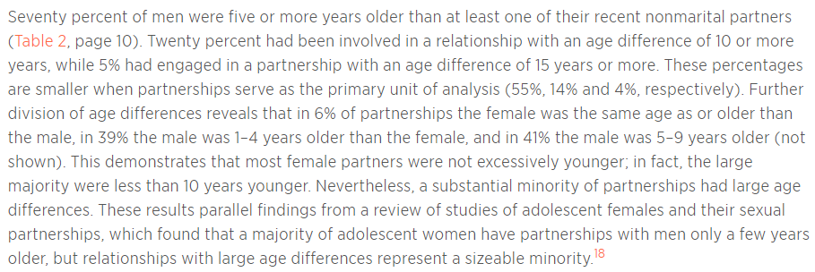
Source: DHS 2003
 | % of people with 2+ partner in the past 12 months
 | Age | Female | Male
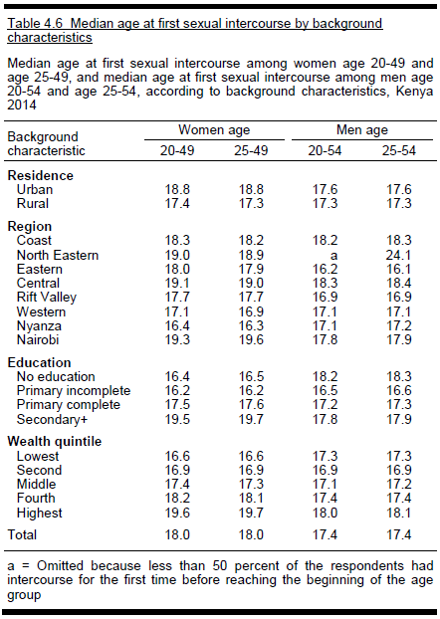
 | 15-19 | 1.5 | 7.3
 | 20-24 | 1.8 | 16.4
 | 25-29 | 1.9 | 13.1
 | 30-39 | 1.7 | 12.5
 | 40-49 | 2 | 10.2
 | Kenya | 1.7 | 11.7
 | Nyanza | 3.4 | 15.2

Source: DHS, 2014
 | Median age at first intercourse (Kenya): 18 among women and 17.4 among men
 | Median age at first intercourse (Nyanza): 16.3 among women and 17.2 among men

 | Number of partners
 | Age | % of all women with 2+ partners in the past 12 months | Mean number of lifetime sex partners among women who had had sex | % of all men with 2+ partners in the past 12 months | Mean number of lifetime sex partners among men who had had sex | % of women with concurrent partners in the past 12 months | % of men with concurrent partners in the past 12 months | % of men who had ever paid for sex | % of men who paid for sex in past 12 months
 | 15-24 | 1.5 | 1.8 | 9.6 | 4.4 | 0.6 | 5.6 | 4 | 1.9
 | 15-19 | 1 | 1.5 | 3.7 | 2.8 | 0.5 | 2.1 | 2.2 | 1.4
 | 20-24 | 2 | 1.9 | 16.7 | 5.2 | 0.7 | 9.7 | 6.1 | 2.5
 | 25-29 | 1.3 | 2.1 | 17.3 | 6.3 | 0.9 | 12.2 | 10.3 | 2.5
 | 30-39 | 1.6 | 2.2 | 14.6 | 7.6 | 0.7 | 12.5 | 12.8 | 3.4
 | 40-49 | 0.9 | 2.5 | 11.9 | 9.8 | 0.8 | 10.4 | 10.9 | 2.4
 | Total | 1.4 | 2.1 | 12.7 | 6.8 | 0.7 | 9.4 | 8.6 | 2.5
 | Nyanza | 1.4 | 2.2 | 18.4 | 7.1 |  |  | 9.1 | 4.3

 |  | % of youths (15-24) who had sex before 15 |  |  |  |  | % of youths with 2+ partners in the past 12 months
 | Age | % women | % men |  |  | Age | % women | % men
 | 15-19 | 10.7 | 19.6 |  |  | 15-19 | 1 | 3.7
 | 15-17 | 10.6 | 17.9 |  |  | 15-17 | 0.7 | 1.8
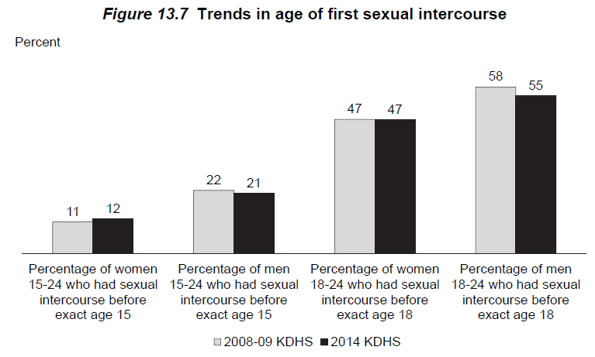
 | 18-19 | 10.8 | 22.2 |  |  | 18-19 | 1.5 | 6.7
 | 20-24 | 13.6 | 22.6 |  |  | 20-24 | 2 | 16.7
 | 20-22 | 14 | 22 |  |  | 20-22 | 1.8 | 16.6
 | 23-24 | 12.8 | 23.6 |  |  | 23-24 | 2.5 | 16.8
 | Total | 12.1 | 21 |  |  | Total | 1.5 | 9.6
 | Nyanza | 20.9 | 26.5

 |  | % of youths (15-24) who had sex in the past 12 months
 | Age | % women had HIV test | % men had HIV test
 | 15-19 | 64.6 | 40.1
 | 15-17 | 60.9 | 33.3
 | 18-19 | 66.6 | 44.5
Female Risk Distribution - Nyanza
 | 20-24 | 70.5 | 60.4
Male Risk Distribution - Nyanza
 | 20-22 | 69.9 | 57.6
 | 23-24 | 71.2 | 64.4
 | Total | 69 | 54.4
 | Nyanza | 74.7 | 69.6

from survey data | % of men and women in each risk group by age group and sex |  |  |  |  |  |  |  |  | mean number of partners in each risk group, by age group and sex
 | Nyanza | Female |  |  | Male |  |  |  |  | Nyanza | Female |  |  | Male
 | Age | Low | Medium | High | Low | Medium | High |  |  | Age | Low | Medium | High | Low | Medium | High
 | 0-4 | 1 | 0 | 0 | 1 | 0 | 0 |  |  | 0-4 | 0.00001 | 0.00001 | 0.00001 | 0.00001 | 0.00001 | 0.00001
 | 5-9 | 1 | 0 | 0 | 1 | 0 | 0 |  |  | 5-9 | 0.00001 | 0.00001 | 0.00001 | 0.00001 | 0.00001 | 0.00001
 | 10-14 | 1 | 0 | 0 | 1 | 0 | 0 |  |  | 10-14 | 0.00001 | 0.00001 | 0.00001 | 0.00001 | 0.00001 | 0.00001
 | 15-19 | 0.977242 | 0.022758 | 0 | 0.945613 | 0.049266 | 0.005121 |  |  | 15-19 | 0.2813 | 2 | 1 | 0.277465 | 2 | 5
 | 20-24 | 0.983652 | 0.016348 | 0 | 0.703027 | 0.264599 | 0.032374 |  |  | 20-24 | 0.812264 | 2 | 1 | 0.77701 | 2.217823 | 10.749024
 | 25-29 | 0.986388 | 0.013612 | 0 | 0.820456 | 0.174197 | 0.005348 |  |  | 25-29 | 0.917239 | 2 | 1 | 0.941596 | 2.172108 | 20
 | 30-34 | 0.985812 | 0.014188 | 0 | 0.723132 | 0.276868 | 0.004686 |  |  | 30-34 | 0.908096 | 2 | 1 | 0.943912 | 2.147477 | 1
 | 35-39 | 0.986101 | 0.013899 | 0 | 0.752905 | 0.243071 | 0.004024 |  |  | 35-39 | 0.878854 | 2 | 1 | 0.961368 | 2.114207 | 5
 | 40-44 | 0.986101 | 0.013899 | 0 | 0.851223 | 0.128835 | 0.019942 |  |  | 40-44 | 0.79271 | 2 | 1 | 0.952139 | 2.033687 | 17.745962
 | 45-49 | 0.986101 | 0.013899 | 0 | 0.783641 | 0.216359 | 0.014025 |  |  | 45-49 | 0.734756 | 2 | 1 | 0.992183 | 2.087344 | 1
 | 50-54 | 0.986101 | 0.013899 | 0 | 0.874707 | 0.117185 | 0.008108 |  |  | 50-54 | 0.734756 | 2 | 1 | 0.925103 | 2 | 5
Male risk distribution - Kenya
 | 55 – 59 | 0.986101 | 0.013899 | 0 | 0.874707 | 0.117185 | 0.008108 |  |  | 55 – 59 | 0.734756 | 2 | 1 | 0.925103 | 2 | 1
 | 60 - 64 | 0.986101 | 0.013899 | 0 | 0.874707 | 0.117185 | 0.008108 |  |  | 60 - 64 | 0.734756 | 2 | 1 | 0.925103 | 2 | 1
 | 65- 69 | 0.986101 | 0.013899 | 0 | 0.874707 | 0.117185 | 0.008108 |  |  | 65- 69 | 0.734756 | 2 | 1 | 0.925103 | 2 | 1
Female risk distribution - Kenya
 | 70 - 74 | 0.986101 | 0.013899 | 0 | 0.874707 | 0.117185 | 0.008108 |  |  | 70 - 74 | 0.734756 | 2 | 1 | 0.925103 | 2 | 1
 | 75 - 79 | 0.986101 | 0.013899 | 0 | 0.874707 | 0.117185 | 0.008108 |  |  | 75 - 79 | 0.734756 | 2 | 1 | 0.925103 | 2 | 1

 | Kenya | Female |  |  | Male |  |  |  |  | Kenya - edited | Female |  |  | Male |  |  | Kenya - original | Female |  |  | Male
 | Age | Low | Medium | High | Low | Medium | High |  |  | Age | Low | Medium | High | Low | Medium | High | Age | Low | Medium | High | Low | Medium | High
 | 0-4 | 1.0000 | 0 | 0 | 1 | 0 | 0 |  |  | 0-4 | 0.00001 | 0.00001 | 0.00001 | 0.00001 | 0.00001 | 0.00001 | 0-4 | 0.00001 | 0.00001 | 0.00001 | 0.00001 | 0.00001 | 0.00001
 | 5-9 | 1.0000 | 0 | 0 | 1 | 0 | 0 |  |  | 5-9 | 0.00001 | 0.00001 | 0.00001 | 0.00001 | 0.00001 | 0.00001 | 5-9 | 0.00001 | 0.00001 | 0.00001 | 0.00001 | 0.00001 | 0.00001
 | 10-14 | 1.0000 | 0 | 0 | 1 | 0 | 0 |  |  | 10-14 | 0.00001 | 0.00001 | 0.00001 | 0.00001 | 0.00001 | 0.00001 | 10-14 | 0.00001 | 0.00001 | 0.00001 | 0.00001 | 0.00001 | 0.00001
 | 15-19 | 0.9898 | 0.010069 | 0.000175 | 0.962452 | 0.035205 | 0.002343 |  |  | 15-19 | 0.258568 | 2 | 6 | 0.225176 | 2.154629 | 6.412997 | 15-19 | 0.258568 | 2 | 6 | 0.225176 | 2.154629 | 6.412997
 | 20-24 | 0.9795 | 0.020166 | 0.00031 | 0.833418 | 0.157748 | 0.008834 |  |  | 20-24 | 0.766836 | 2.059053 | 7 | 0.674001 | 2.173962 | 7.780577 | 20-24 | 0.766836 | 2.059053 | 7 | 0.674001 | 2.173962 | 7.780577
 | 25-29 | 0.9868 | 0.012837 | 0.000357 | 0.825658 | 0.162951 | 0.011391 |  |  | 25-29 | 0.889565 | 2.129076 | 5 | 0.87037 | 2.105747 | 11.6872386 | 25-29 | 0.889565 | 2.129076 | 5 | 0.87037 | 2.105747 | 19.478731
 | 30-34 | 0.9837 | 0.016253 | 0.000467 | 0.847717 | 0.149064 | 0.00322 |  |  | 30-34 | 0.912547 | 2.027717 | 1 | 0.932456 | 2.131527 | 11.7085092 | 30-34 | 0.912547 | 2.027717 | 1 | 0.932456 | 2.131527 | 19.514182
 | 35-39 | 0.9837 | 0.015714 | 0.000577 | 0.861676 | 0.134564 | 0.00376 |  |  | 35-39 | 0.849963 | 2 | 57 | 0.933227 | 2.181549 | 5.667191 | 35-39 | 0.849963 | 2 | 95 | 0.933227 | 2.181549 | 5.667191
 | 40-44 | 0.9917 | 0.007808 | 0.000482 | 0.8859 | 0.11091 | 0.00319 |  |  | 40-44 | 0.80288 | 2.090496 | 30 | 0.948996 | 2.062327 | 9.9310518 | 40-44 | 0.80288 | 2.090496 | 50 | 0.948996 | 2.062327 | 16.551753
 | 45-49 | 0.9912 | 0.008816 | 0 | 0.87294 | 0.126001 | 0.001059 |  |  | 45-49 | 0.742677 | 2.395661 | 1 | 0.930385 | 2.122014 | 14.7096594 | 45-49 | 0.742677 | 2.395661 | 1 | 0.930385 | 2.122014 | 24.516099
 | 50-54 | 0.9912 | 0.008816 | 0 | 0.885385 | 0.103563 | 0.011052 |  |  | 50-54 | 0.742677 | 2.395661 | 1 | 0.917359 | 2.122747 | 7.025426 | 50-54 | 0.742677 | 2.395661 | 1 | 0.917359 | 2.122747 | 7.025426
 | 55 – 59 | 0.9912 | 0.008816 | 0 | 0.885385 | 0.103563 | 0.011052 |  |  | 55 – 59 | 0.742677 | 2.395661 | 1 | 0.917359 | 2.122747 | 1 | 55 – 59 | 0.742677 | 2.395661 | 1 | 0.917359 | 2.122747 | 1
 | 60 - 64 | 0.9912 | 0.008816 | 0 | 0.885385 | 0.103563 | 0.011052 |  |  | 60 - 64 | 0.742677 | 2.395661 | 1 | 0.917359 | 2.122747 | 1 | 60 - 64 | 0.742677 | 2.395661 | 1 | 0.917359 | 2.122747 | 1
 | 65- 69 | 0.9912 | 0.008816 | 0 | 0.885385 | 0.103563 | 0.011052 |  |  | 65- 69 | 0.742677 | 2.395661 | 1 | 0.917359 | 2.122747 | 1 | 65- 69 | 0.742677 | 2.395661 | 1 | 0.917359 | 2.122747 | 1
 | 70 - 74 | 0.9912 | 0.008816 | 0 | 0.885385 | 0.103563 | 0.011052 |  |  | 70 - 74 | 0.742677 | 2.395661 | 1 | 0.917359 | 2.122747 | 1 | 70 - 74 | 0.742677 | 2.395661 | 1 | 0.917359 | 2.122747 | 1
 | 75 - 79 | 0.9912 | 0.008816 | 0 | 0.885385 | 0.103563 | 0.011052 |  |  | 75 - 79 | 0.742677 | 2.395661 | 1 | 0.917359 | 2.122747 | 1 | 75 - 79 | 0.742677 | 2.395661 | 1 | 0.917359 | 2.122747 | 1
 | * Values in blue were originally 0, now they are the averages of the values for age groups above and below |  |  |  |  |  |  |  |  | * values in orange was reduced by 40% from the original value
Source: ICO Kenya HPV report 2017

Table 34 | Time trend in median age at first sex |  |  |  |  | 0.000934
 | Study | Year/period | Female | Male |  | 0.000467
 | DHS 1993 | 1993 | 16.9 | 16.7
 | DHS 1998 | 1998 | 16.7 | 16.8
 | DHS 2003 | 2003 | 17.8 | 17.1
 | DHS 2008-09 | 2008 | 18.2 | 17.6
 | DHS 2014 | 2014 | 18 | 17.4

Source: KAIS 2012
 | % of men and women who had sex by age
 | Age | Female | Male
 | 12 | 2.1 | 2.1
 | 13 | 4.2 | 12.8
 | 14 | 8.4 | 13.1
 | 15 | 11.6 | 20.2
 | 16 | 17.7 | 21.5
 | 17 | 40.9 | 42.3
 | 18 | 59 | 49.5
 | 19 | 66.8 | 63.4
 | 20 | 80.5 | 72.9
 | 21 | 87.5 | 76.8
 | 22 | 92 | 88.3
 | 23 | 97 | 92.8
 | 24 | 95 | 93.4
 | *interpretation: By age 15, 11.6% of women and 20.2% of men had had sex at least once

 | % of men and women reporting sexual debut before age 15
 |  | Female | Male | Total
 | 2007 | 16.4 | 33.7 | 23.8
 | 2012 | 16.1 | 26.6 | 21

 | Lifetime sex partners among women and men aged 15-64 years |  |  |  |  | Sex partners in the past year among women and men aged 15-64 years
 | Number of partners | Female | Male |  |  | Number of partners | Female | Male |  |  | Male | Female
 | 0 | 11.8 | 14.3 |  |  | 0 | 29.7 | 27 |  | Low | 84.8 | 97.6
 | 1 | 38 | 12.5 |  |  | 1 | 67.9 | 57.8 |  | Medium | 9.9 | 1.7
 | 2-3 | 36.1 | 24.7 |  |  | 2 | 1.7 | 9.9 |  | High | 5.3 | 0.8
 | 4-5 | 7.8 | 16.1 |  |  | 3 | 0.5 | 4.3
 | 6-9 | 1.5 | 8.7 |  |  | Don't know | 0.3 | 1
 | 10+ | 1 | 14.9
 | Don't know | 3.7 | 8.7

 | Consistent condom use in the past 12 months by marital status
 | Kenya | Female | Male |  | Nyanza | Female | Male | Total
 | Married/cohabiting | 3.8 | 5.2 |  |  | 10% | 23% | 16%
 | Noncohabiting | 31.4 | 44.7
 | Causal | 32.8 | 46.1
 | Total | 8.6 | 19.9

Source: MICS 2011 Nyanza
 | % of women with 2+ partner in the past 12 months
 | Age | 0-1 partners | 2+ partners
 | 15-19 | 0.971 | 0.029
 | 20-24 | 0.967 | 0.033
 | 25-29 | 0.977 | 0.023
 | 30-34 | 0.981 | 0.019
 | 35-39 | 0.977 | 0.023
 | 40-44 | 0.988 | 0.012
 | 45-49 | 0.989 | 0.011

Source: SA model parameter
Sexual mixing by age and sexual risk group. The mixing parameter varies from random (1) to assortative (0), calibrated to fit age-specific HIV incidence and prevalence data.
Mixing
Year | (age) | (sexual risk)
1985 | 0.3 | 0.3
1990 | 0.4 | 0.4
2000 | 0.1 | 0.1

Source: SA model parameter (calibrated to SA)
80% of SA values |  |  |  |  |  |  |  |  | The number of coital acts per partnership by sex, age, and sexual risk group. Values are calibrated to fit age-specific HIV and HPV prevalence data.
Coital acts per partnership |  |  |  |  |  |  |  |  | Coital acts per partnership
Males |  |  |  |  |  |  |  |  | Males
Age group |  |  | Risk Group |  |  |  |  |  | Age group |  |  | Risk Group
 |  | Reduction Factor | Low | Medium | High |  |  |  |  |  | Reduction Factor | Low | Medium | High
0 - 4 |  |  | 0 | 0 | 0 |  |  |  | 0 - 4 |  |  | 0 | 0 | 0
2019-05-09 |  |  | 0 | 0 | 0 |  |  |  | 2019-05-09 |  |  | 0 | 0 | 0
2019-10-14 |  | 0.05 | 2.496 | 1.4976 | 0.89856 |  |  |  | 2019-10-14 |  | 0.05 | 3.12 | 1.872 | 1.1232
15 - 19 |  | 0.1 | 12.48 | 7.488 | 4.4928 |  |  |  | 15 - 19 |  | 0.1 | 15.6 | 9.36 | 5.616
20 -24 | 1 | 0.4 | 49.92 | 29.952 | 17.9712 |  |  |  | 20 -24 | 1 | 0.4 | 62.4 | 37.44 | 22.464
25-29 | 5 |  | 124.8 | 74.88 | 44.928 |  |  |  | 25-29 | 5 |  | 156 | 93.6 | 56.16
30 - 34 | 10 | 0.707106781 | 88.24692632 | 52.948155776 | 31.768893464 |  |  |  | 30 - 34 | 10 | 0.707106781 | 110.3086579 | 66.18519472 | 39.71111683
35 - 39 | 15 | 0.5 | 62.4 | 37.44 | 22.464 |  |  |  | 35 - 39 | 15 | 0.5 | 78 | 46.8 | 28.08
40 - 44 | 20 | 0.353553391 | 44.123463144 | 26.474077888 | 15.884446736 |  |  |  | 40 - 44 | 20 | 0.353553391 | 55.15432893 | 33.09259736 | 19.85555842
45 - 49 | 25 | 0.25 | 31.2 | 18.72 | 11.232 |  |  |  | 45 - 49 | 25 | 0.25 | 39 | 23.4 | 14.04
50 -54 | 30 | 0.176776695 | 22.061731576 | 13.237038944 | 7.9422233664 |  |  |  | 50 -54 | 30 | 0.176776695 | 27.57716447 | 16.54629868 | 9.927779208
55 - 59 | 35 | 0.125 | 15.6 | 9.36 | 5.616 |  |  |  | 55 - 59 | 35 | 0.125 | 19.5 | 11.7 | 7.02
60 - 64 | 40 | 0.088388348 | 11.030865784 | 6.618519472 | 3.9711116832 |  |  |  | 60 - 64 | 40 | 0.088388348 | 13.78858223 | 8.27314934 | 4.963889604
65- 69 | 45 | 0.0625 | 7.8 | 4.68 | 2.808 |  |  |  | 65- 69 | 45 | 0.0625 | 9.75 | 5.85 | 3.51
70 - 74 | 50 | 0.044194174 | 5.5154328936 | 3.309259736 | 1.9855558416 |  |  |  | 70 - 74 | 50 | 0.044194174 | 6.894291117 | 4.13657467 | 2.481944802
75 - 79 | 55 | 0.03125 | 3.9 | 2.34 | 1.404 |  |  |  | 75 - 79 | 55 | 0.03125 | 4.875 | 2.925 | 1.755

Females |  |  |  |  |  |  |  |  | Females
Age Group |  |  | Risk Group |  |  |  |  |  | Age Group |  |  | Risk Group
 |  | Reduction Factor | Low | Medium | High |  |  |  |  |  | Reduction Factor | Low | Medium | High
0 - 4 |  |  | 0 | 0 | 0 |  |  |  | 0 - 4 |  |  | 0 | 0 | 0
2019-05-09 |  |  | 0 | 0 | 0 |  |  |  | 2019-05-09 |  |  | 0 | 0 | 0
2019-10-14 |  | 0.05 | 6.24 | 3.744 | 2.2464 |  |  |  | 2019-10-14 |  | 0.05 | 7.8 | 4.68 | 2.808
15 - 19 |  | 0.1 | 12.48 | 7.488 | 4.4928 |  |  |  | 15 - 19 |  | 0.1 | 15.6 | 9.36 | 5.616
20 -24 | 1 | 0.4 | 49.92 | 29.952 | 17.9712 |  |  |  | 20 -24 | 1 | 0.4 | 62.4 | 37.44 | 22.464
25-29 | 5 |  | 124.8 | 74.88 | 44.928 |  |  |  | 25-29 | 5 |  | 156 | 93.6 | 56.16
30 - 34 | 10 | 0.707106781 | 88.24692632 | 52.948155776 | 31.768893464 |  |  |  | 30 - 34 | 10 | 0.707106781 | 110.3086579 | 66.18519472 | 39.71111683
35 - 39 | 15 | 0.5 | 62.4 | 37.44 | 22.464 |  |  |  | 35 - 39 | 15 | 0.5 | 78 | 46.8 | 28.08
40 - 44 | 20 | 0.353553391 | 44.123463144 | 26.474077888 | 15.884446736 |  |  |  | 40 - 44 | 20 | 0.353553391 | 55.15432893 | 33.09259736 | 19.85555842
45 - 49 | 25 | 0.25 | 31.2 | 18.72 | 11.232 |  |  |  | 45 - 49 | 25 | 0.25 | 39 | 23.4 | 14.04
50 -54 | 30 | 0.176776695 | 22.061731576 | 13.237038944 | 7.9422233664 |  |  |  | 50 -54 | 30 | 0.176776695 | 27.57716447 | 16.54629868 | 9.927779208
55 - 59 | 35 | 0.125 | 15.6 | 9.36 | 5.616 |  |  |  | 55 - 59 | 35 | 0.125 | 19.5 | 11.7 | 7.02
60 - 64 | 40 | 0.088388348 | 11.030865784 | 6.618519472 | 3.9711116832 |  |  |  | 60 - 64 | 40 | 0.088388348 | 13.78858223 | 8.27314934 | 4.963889604
65- 69 | 45 | 0.0625 | 7.8 | 4.68 | 2.808 |  |  |  | 65- 69 | 45 | 0.0625 | 9.75 | 5.85 | 3.51
70 - 74 | 50 | 0.044194174 | 5.5154328936 | 3.309259736 | 1.9855558416 |  |  |  | 70 - 74 | 50 | 0.044194174 | 6.894291117 | 4.13657467 | 2.481944802
75 - 79 | 55 | 0.03125 | 3.9 | 2.34 | 1.404 |  |  |  | 75 - 79 | 55 | 0.03125 | 4.875 | 2.925 | 1.755

Peak number of coital acts per partnership. Not currently used. |  |  |  |  |  |  |  |  | Peak number of coital acts per partnership. Not currently used.
Peak Coital Acts per Partnership | Low-Risk | Moderate-Risk | High-Risk |  |  |  |  |  | Peak Coital Acts per Partnership | Low-Risk | Moderate-Risk | High-Risk
Male | 156 | 93.6 | 56.16 |  |  |  |  |  | Male | 156 | 93.6 | 56.16
Female | 156 | 93.6 | 56.16 |  |  |  |  |  | Female | 156 | 93.6 | 56.16

Sexual mixing patterns in Kenya

Source: Rositch, 2012. Int J STD AIDS. 2012 Jul; 23(7): 468–474.
 | Among girls 17-18 years old in Nairobi, 97% had partners who were a median of 5 years older than they were (IQR 3-7).
 | 10% had sex with more than 1 partner in the past year. In these partnerships, 91% of the partners were 3 (IQR 2-5) years older.
 | Condom use with current partner was 20%, and condom use with the other partner was 27%.
 | In mulitvariate analysis, age diffrence with current partner was not signficantly associated with HIV, neither is condom use

Source: Glynn 2001, AIDS. 2001 Aug;15 Suppl 4:S51-60.
Kisumu | In all partnerships in this study, men were older than their wives
 | 18% of non-marital partnerships among women younger than 20 werew ith men older than 24
 | About 37% of women younger than 20 only had partners who were also younger than 20; 22.2% had any partners who are 24 and older
 | Almost all men younger than 20 only had partners younger than 20; two thrirds of men aged 20-24 only had partners who were younger than 20
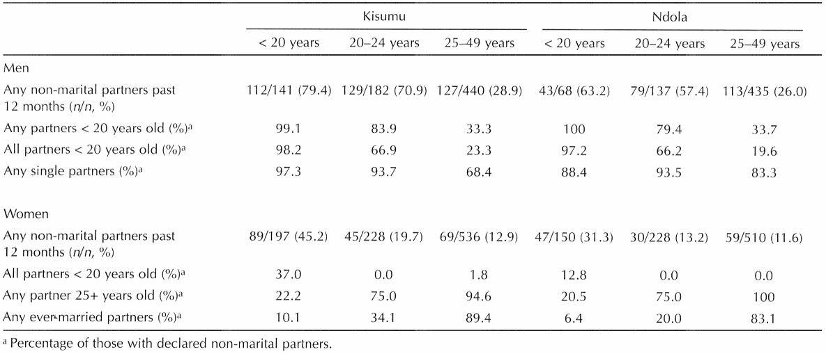

Source: Luke, 2005, Int Fam Plan Perspect. 2005 Mar;31(1):6-14.
 | Among Kisumu men aged 21-45:

Fertility
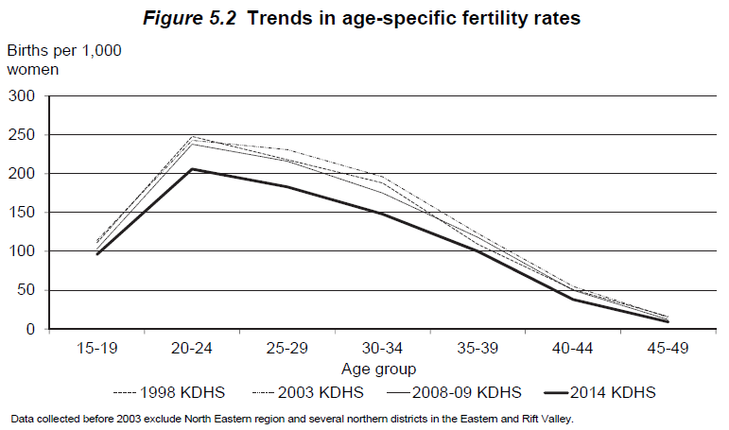
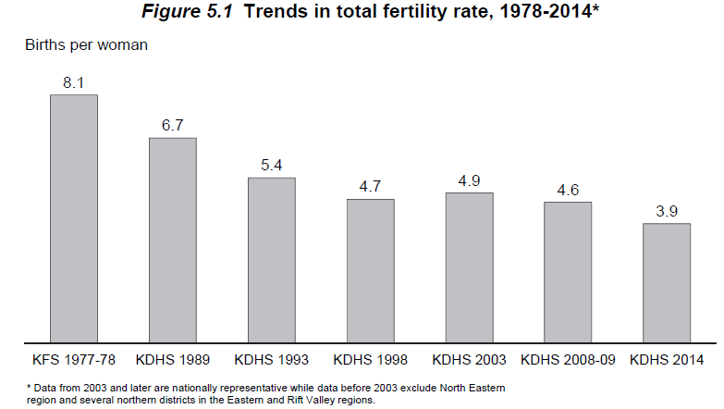
Source: DHS 2014
 | Total fertility rate (Kenya): 3.9 births per woman (15-49)
 | Total fertility rate (Nyanza): 4.3 births per woman (15-49)

Table 5.3.1 | Fertility rates by age (Kenya)
 | Age group | Fertility rate per 1000 woman | Fertility %
 | 15-19 | 96 | 0.096
 | 20-24 | 206 | 0.206
 | 25-29 | 183 | 0.183
 | 30-34 | 148 | 0.148
 | 35-39 | 100 | 0.1
 | 40-44 | 38 | 0.038
 | 45-49 | 9 | 0.009
 | Average | 141 | 0.141

Table 5.3.2 | Time trends in age-specific fertility rates in Kenya
 | Data source: | 1977/78 KFS | 1989 KDHS | 1993 KDHS | 1998 KDHS |  | 2003 KDHS | 2008-09 KDHS | 2014 KDHS
 | Year: | 1975-78 | 1984-88 | 1990-92 | 1995-97 | 1999 Census | 2000-02 | 2006-08 | 2011-2013
 | 15-19 | 0.168 | 0.152 | 0.11 | 0.111 | 0.142 | 0.114 | 0.103 | 0.096
 | 20-24 | 0.342 | 0.314 | 0.257 | 0.248 | 0.254 | 0.243 | 0.238 | 0.206
 | 25-29 | 0.357 | 0.303 | 0.241 | 0.218 | 0.236 | 0.231 | 0.216 | 0.183
 | 30-34 | 0.293 | 0.255 | 0.197 | 0.188 | 0.185 | 0.196 | 0.175 | 0.148
 | 35-39 | 0.239 | 0.183 | 0.154 | 0.109 | 0.127 | 0.123 | 0.118 | 0.1
 | 40-44 | 0.145 | 0.099 | 0.07 | 0.051 | 0.056 | 0.055 | 0.05 | 0.038
 | 45-49 | 0.059 | 0.035 | 0.05 | 0.016 | 0.007 | 0.015 | 0.012 | 0.009
 | TFR (per woman) | 8.1 | 6.7 | 5.4 | 4.7 | 5 | 4.9 | 4.6 | 3.9

Table 5.4 | Number of living children
 | Age | Number of women | Mean number of children ever born | Mean number of living children
 | 15-19 | 5,820 | 0.18 | 0.17
 | 20-24 | 5,735 | 1.11 | 1.05
 | 25-29 | 6,100 | 2.22 | 2.09
 | 30-34 | 4,510 | 3.27 | 3.07
 | 35-39 | 3,773 | 4.13 | 3.81
 | 40-44 | 2,885 | 4.85 | 4.4
 | 45-49 | 2,257 | 5.27 | 4.73
 | Total | 31,079 | 2.48 | 2.29

Source: Kenya Census 1979 |  |  |  |  |  |  |  |  |  |  |  |  |  |  |  | 1993 Kenya census for 1990-1992 |  |  |  |  |  |  |  |  | 2014 KDHS for 2011-2013
 | Age-specific fertility rates |  |  |  |  |  |  |  |  |  |  |  |  |  |  | Age-specific fertility rates |  |  |  |  |  |  |  |  | Age-specific fertility rates
 | Age | Rate per 1000 woman | Fertility % | Acute | CD4 > 500 | > 350 | 200-350 | <200 |  |  |  |  |  |  |  | Age | HIV-negative Fertility % | Acute | CD4 > 500 | > 350 | 200-350 | <200 |  | Age | Fertility % | Acute | CD4 > 500 | > 350 | 200-350 | <200
 | 0-5 | 0 | 0 | 0 | 0 | 0 | 0 | 0 |  |  |  |  |  |  |  | 0-5 | 0 | 0 | 0 | 0 | 0 | 0 |  | 0-5 | 0 | 0 | 0 | 0 | 0 | 0
 | 5-9 | 0 | 0 | 0 | 0 | 0 | 0 | 0 |  |  |  |  |  |  |  | 5-9 | 0 | 0 | 0 | 0 | 0 | 0 |  | 5-9 | 0 | 0 | 0 | 0 | 0 | 0
 | 10-14 | 3 | 0.003 | 0.003 | 0.003 | 0.00174 | 0.00174 | 0.00123 |  |  |  |  |  |  |  | 10-14 | 0 | 0 | 0 | 0 | 0 | 0 |  | 10-14 | 0 | 0 | 0 | 0 | 0 | 0
 | 15-19 | 179 | 0.179 | 0.179 | 0.179 | 0.10382 | 0.10382 | 0.07339 |  |  |  |  |  |  |  | 15-19 | 0.11 | 0.11 | 0.11 | 0.0638 | 0.0638 | 0.0451 |  | 15-19 | 0.096 | 0.096 | 0.096 | 0.05568 | 0.05568 | 0.03936
 | 20-24 | 368 | 0.368 | 0.368 | 0.368 | 0.21344 | 0.21344 | 0.15088 |  |  |  |  |  |  |  | 20-24 | 0.257 | 0.257 | 0.257 | 0.14906 | 0.14906 | 0.10537 |  | 20-24 | 0.206 | 0.206 | 0.206 | 0.11948 | 0.11948 | 0.08446
 | 25-29 | 372 | 0.372 | 0.372 | 0.372 | 0.21576 | 0.21576 | 0.15252 |  |  |  |  |  |  |  | 25-29 | 0.241 | 0.241 | 0.241 | 0.13978 | 0.13978 | 0.09881 |  | 25-29 | 0.183 | 0.183 | 0.183 | 0.10614 | 0.10614 | 0.07503
 | 30-34 | 311 | 0.311 | 0.311 | 0.311 | 0.18038 | 0.18038 | 0.12751 |  |  |  |  |  |  |  | 30-34 | 0.197 | 0.197 | 0.197 | 0.11426 | 0.11426 | 0.08077 |  | 30-34 | 0.148 | 0.148 | 0.148 | 0.08584 | 0.08584 | 0.06068
 | 35-39 | 226 | 0.226 | 0.226 | 0.226 | 0.13108 | 0.13108 | 0.09266 |  |  |  |  |  |  |  | 35-39 | 0.154 | 0.154 | 0.154 | 0.08932 | 0.08932 | 0.06314 |  | 35-39 | 0.1 | 0.1 | 0.1 | 0.058 | 0.058 | 0.041
 | 40-44 | 105 | 0.105 | 0.105 | 0.105 | 0.0609 | 0.0609 | 0.04305 |  |  |  |  |  |  |  | 40-44 | 0.07 | 0.07 | 0.07 | 0.0406 | 0.0406 | 0.0287 |  | 40-44 | 0.038 | 0.038 | 0.038 | 0.02204 | 0.02204 | 0.01558
 | 45-49 | 14 | 0.014 | 0.014 | 0.014 | 0.00812 | 0.00812 | 0.00574 |  | Acute | CD4 > 500 | > 350 | 200-350 | <200 |  | 45-49 | 0.05 | 0.05 | 0.05 | 0.029 | 0.029 | 0.0205 |  | 45-49 | 0.009 | 0.009 | 0.009 | 0.00522 | 0.00522 | 0.00369
 | 50 – 54 | 0 | 0 | 0 | 0 | 0 | 0 | 0 | HIV Multiplier | 1 | 1 | 0.58 | 0.58 | 0.41 |  | 50 – 54 | 0 | 0 | 0 | 0 | 0 | 0 |  | 50 – 54 | 0 | 0 | 0 | 0 | 0 | 0
 | 55 – 59 | 0 | 0 | 0 | 0 | 0 | 0 | 0 |  |  |  |  |  |  |  | 55 – 59 | 0 | 0 | 0 | 0 | 0 | 0 |  | 55 – 59 | 0 | 0 | 0 | 0 | 0 | 0
 | 60 - 64 | 0 | 0 | 0 | 0 | 0 | 0 | 0 |  |  |  |  |  |  |  | 60 - 64 | 0 | 0 | 0 | 0 | 0 | 0 |  | 60 - 64 | 0 | 0 | 0 | 0 | 0 | 0
 | 65- 69 | 0 | 0 | 0 | 0 | 0 | 0 | 0 |  |  |  |  |  |  |  | 65- 69 | 0 | 0 | 0 | 0 | 0 | 0 |  | 65- 69 | 0 | 0 | 0 | 0 | 0 | 0
 | 70 - 74 | 0 | 0 | 0 | 0 | 0 | 0 | 0 |  |  |  |  |  |  |  | 70 - 74 | 0 | 0 | 0 | 0 | 0 | 0 |  | 70 - 74 | 0 | 0 | 0 | 0 | 0 | 0
 | 75 - 79 | 0 | 0 | 0 | 0 | 0 | 0 | 0 |  |  |  |  |  |  |  | 75 - 79 | 0 | 0 | 0 | 0 | 0 | 0 |  | 75 - 79 | 0 | 0 | 0 | 0 | 0 | 0

 | TFR (Kenya) | 8
 | TFR (Nyanza) | 8.67

Source: 2009 Population and Housing Census

 | Age-specific feritlity rates
 | Age | Nyanza (2009) | Kenya (1999) | Kenya (2009)
 | 15-19 | 0.12 | 0.15 | 0.07
 | 20-24 | 0.26 | 0.3 | 0.22
 | 25-29 | 0.24 | 0.27 | 0.21
 | 30-34 | 0.19 | 0.2 | 0.18
 | 35-39 | 0.12 | 0.12 | 0.12
 | 40-44 | 0.06 | 0.05 | 0.06
 | 45-49 | 0.02 | 0.01 | 0.02
 | TFR | 5 | 5.5 | 4.4

 | Total fertility rate
 |  | Census |  |  |  | KDHS
 |  | 1989 | 1999 | 2009 |  | 1989 | 2003 | 2009
 | Kenya | 6.6 | 5 | 4.4 |  | 4.7 | 4.9 | 4.6
 | Nyanza | 7 | 5.5 | 5 |  | 5 | 5.6 | 5.4

Source: Stover, 2004
 | In Spectrum, HIV+ women over 20 years old had 30% reduced fertility compared to HIV- women of the same age. For women aged 15-19, fertility is 50% higher in HIV+.

Source: Glynn, 2000 JAIDS, 25:4
 | Age-adjusted HR of HIV on risk of pregnancy in Kisumu was 0.82 (0.70-0.96); influence of HIV on birth intervals (ie risk of pregnancy) was the same for those under 20 and those aged 20-29.
 | Population in study was 1500 women from two ANC clinics, where HIV prevalence was 30.6%.

Source: Marston, M; 2017; Trop Med Int Health. 2017 Dec; 22(12): 1542–1550.
 | HIV+ women younger than 20 did not have higher fertility after years before sexual debut were excluded. The difference in fertility between HIV+ and HIV- women was attenuated when ART increased.

Source: UN Department of Economic and Social Affairs, World Population Prospects, 2019
 | Births per 1000 women
 | Period | 1950-1955 | 1955-1960 | 1960-1965 | 1965-1970 | 1970-1975 | 1975-1980 | 1980-1985 | 1985-1990 | 1990-1995 | 1995-2000 | 2000-2005 | 2005-2010 | 2010-2015 | 2015-2020 | 2020-2025 | 2025-2030 | 2030-2035 | 2035-2040 | 2040-2045 | 2045-2050 | 2050-2055 | 2055-2060 | 2060-2065 | 2065-2070 | 2070-2075 | 2075-2080 | 2080-2085 | 2085-2090 | 2090-2095 | 2095-2100
 | 15-19 | 169.1 | 175.9 | 182.3 | 183.3 | 180.6 | 172.7 | 163.1 | 147.8 | 115.3 | 111.5 | 104.2 | 97.1 | 86.2 | 75.1 | 69.9 | 65.0 | 60.6 | 56.2 | 52.2 | 48.3 | 44.5 | 40.8 | 37.3 | 33.8 | 30.6 | 27.5 | 24.7 | 22.0 | 19.5 | 17.2
 | 20-24 | 351.6 | 365.9 | 379.1 | 381.2 | 375.5 | 359.1 | 339.2 | 307.3 | 268.9 | 260.7 | 243.6 | 227.1 | 201.9 | 176.5 | 165.1 | 154.7 | 145.7 | 137.2 | 129.7 | 122.6 | 116.0 | 109.4 | 103.2 | 97.1 | 91.4 | 85.9 | 80.6 | 75.7 | 71.0 | 66.3
 | 25-29 | 338.1 | 351.9 | 364.5 | 366.6 | 361.1 | 345.3 | 326.2 | 295.5 | 252.0 | 253.3 | 236.7 | 221.4 | 202.4 | 179.8 | 171.8 | 164.8 | 159.1 | 153.6 | 149.3 | 145.2 | 141.5 | 137.8 | 134.5 | 131.1 | 128.1 | 125.2 | 122.5 | 120.3 | 118.2 | 116.0
 | 30-34 | 284.3 | 295.8 | 306.5 | 308.2 | 303.6 | 290.3 | 274.2 | 248.4 | 206.8 | 196.2 | 183.4 | 170.6 | 149.2 | 129.6 | 120.2 | 112.6 | 106.7 | 101.8 | 98.2 | 95.4 | 93.4 | 91.8 | 90.9 | 90.5 | 90.6 | 91.3 | 92.5 | 94.4 | 96.9 | 99.8
 | 35-39 | 203.5 | 211.8 | 219.4 | 220.6 | 217.3 | 207.8 | 196.3 | 177.8 | 161.6 | 143.3 | 133.9 | 123.7 | 102.1 | 85.9 | 76.2 | 68.5 | 62.5 | 57.6 | 53.8 | 50.8 | 48.5 | 46.6 | 45.3 | 44.4 | 44.0 | 44.0 | 44.3 | 45.2 | 46.5 | 48.2
 | 40-44 | 110.7 | 115.2 | 119.4 | 120.0 | 118.3 | 113.1 | 106.8 | 96.8 | 73.5 | 62.4 | 58.3 | 53.6 | 42.4 | 34.8 | 29.9 | 26.0 | 22.9 | 20.4 | 18.5 | 16.9 | 15.6 | 14.5 | 13.6 | 12.9 | 12.4 | 12.0 | 11.7 | 11.6 | 11.6 | 11.6
 | 45-49 | 38.9 | 40.5 | 41.9 | 42.2 | 41.5 | 39.7 | 37.5 | 34.0 | 52.0 | 42.7 | 39.9 | 36.5 | 27.9 | 22.4 | 18.6 | 15.5 | 13.1 | 11.0 | 9.4 | 8.0 | 6.8 | 5.8 | 5.0 | 4.3 | 3.7 | 3.2 | 2.7 | 2.4 | 2.1 | 1.8

 | Age-specific fertility rates
 | Age | Rate per 1000 woman | HIV negative | Acute | CD4 > 500 | > 350 | 200-350 | <200
 | 0-5 | 0 | 0 | 0 | 0 | 0 | 0 | 0
 | 5-9 | 0 | 0 | 0 | 0 | 0 | 0 | 0
 | 10-14 | 0 | 0 | 0 | 0 | 0 | 0 | 0
 | 15-19 | 179 | 0.1833 | 0.183286 | 0.183286 | 0.10630588 | 0.10630588 | 0.07514726
 | 20-24 | 368 | 0.3812 | 0.38117 | 0.38117 | 0.2210786 | 0.2210786 | 0.1562797
 | 25-29 | 372 | 0.3666 | 0.366572 | 0.366572 | 0.21261176 | 0.21261176 | 0.15029452
 | 30-34 | 311 | 0.3082 | 0.30818 | 0.30818 | 0.1787444 | 0.1787444 | 0.1263538
 | 35-39 | 226 | 0.2206 | 0.220592 | 0.220592 | 0.12794336 | 0.12794336 | 0.09044272
 | 40-44 | 105 | 0.1200 | 0.120028 | 0.120028 | 0.06961624 | 0.06961624 | 0.04921148
 | 45-49 | 14 | 0.0422 | 0.042172 | 0.042172 | 0.02445976 | 0.02445976 | 0.01729052
 | 50 – 54 | 0 | 0 | 0 | 0 | 0 | 0 | 0
 | 55 – 59 | 0 | 0 | 0 | 0 | 0 | 0 | 0
 | 60 - 64 | 0 | 0 | 0 | 0 | 0 | 0 | 0
 | 65- 69 | 0 | 0 | 0 | 0 | 0 | 0 | 0
 | 70 - 74 | 0 | 0 | 0 | 0 | 0 | 0 | 0
 | 75 - 79 | 0 | 0 | 0 | 0 | 0 | 0 | 0

HPV prevalence
Source: DeVuyst, 2010; Cancer Causes and Control 21: 2309–2313.
Year of data collection | Population | Location | Age | Types | Prevalence
2002-2004 | General | Mombasa | <25 (n=199) | HPV 16/18 | 11.30% |  | *HIV testing was not done as part of the study. But prevalence among pregnant women was about 10% in Mombasa in 2004, when the study took palce.
 |  |  | 25-34 (n=235) | HPV 16/18 | 9.40%
 |  |  | 35-44 (n=246) | HPV 16/18 | 11%
 |  |  | >45 (n=219) | HPV 16/18 | 15.50%
 |  |  | <25 (n=199) | Other HR types | 14.30%
 |  |  | 25-34 (n=235) | Other HR types | 17.80%
 |  |  | 35-44 (n=246) | Other HR types | 22.80%
 |  |  | >45 (n=219) | Other HR types | 13.20%
 |  |  | <25 (n=199) | LR types | 16.50%
 |  |  | 25-34 (n=235) | LR types | 9.40%
 |  |  | 35-44 (n=246) | LR types | 11.80%
 |  |  | >45 (n=219) | LR types | 14.00%
 |  |  | 15+ (n=496) | Any HPV | 41.90%
 |  |  | 15+ (n=496) | HR HPV | 28.80%
 |  |  | 15+ (n=496) | HPV 16 | 7.70%
 |  |  | 15+ (n=496) | HPV 18 | 4.60%
 |  |  | 15+ (n=496) | HPV 31 | 1.80%
 |  |  | 15+ (n=496) | HPV 33 | 3.00%
 |  |  | 15+ (n=496) | HPV 45 | 2.20%
 |  |  | 15+ (n=496) | HPV 52 | 4.00%
 |  |  | 15+ (n=496) | HPV 58 | 10.50%
 |  |  | 15+ (n=496) | Any abnormality | 8.50%
 |  |  | 15+ (n=496) | CIN2+ or HSIL | 4.40%

Source: DeVuyst, 2003; Sex Transm Dis. 2003 Feb;30(2):137-42.
Year of data collection | Population | Location | Age | Types | Prevalence
1998-2000 | General | Nairobi | 25-55 (n=445) | Any HPV | 44.3% |  | *HIV testing was done on most women in the study; positivity was 11.5%
 |  |  | 25-55 (n=445) | HPV 16 | 6.9%
 |  |  | 25-55 (n=445) | HPV 18 | 2.7%
 |  |  | 25-55 (n=445) | HPV 31 | 3.7%
 |  |  | 25-55 (n=445) | HPV 33 | 2.0%
 |  |  | 25-55 (n=445) | HPV 45 | 2.2%
 |  |  | 25-55 (n=445) | HPV 52 | 8.3%
 |  |  | 25-55 (n=445) | HPV 58 | 3.4%
 |  |  | 25-55 (n=445) | CIN 1 or LSIL | 7.0%
 |  |  | 25-55 (n=445) | CIN 2 | 2.1% |  |  |  |  |  | https://www.ncbi.nlm.nih.gov/pubmed/25875167
 |  |  | 25-55 (n=445) | CIN 3 | 4.7%
 |  |  | 25-55 (n=445) | HSIL | 6.8%
 |  |  | 25-55 (n=445) | ICC | 0.23%
 |  |  | 25-29 | HR HPV | 41.36% | 76 | 31
 |  |  | 30-34 | HR HPV | 27.72% | 143 | 40
 |  |  | 35-39 | HR HPV | 40.91% | 103 | 42
 |  |  | 40-44 | HR HPV | 18.64% | 65 | 12
 |  |  | 45-49 | HR HPV | 24.32% | 25 | 6
 |  |  | 50-54 | HR HPV | 8.41% | 12 | 1 |  | 0.083333333333
 |  |  | 25-29 | Any HPV | 57.90%
 |  |  | 30-34 | Any HPV | 42.00%
 |  |  | 35-39 | Any HPV | 53.18%
 |  |  | 40-44 | Any HPV | 29.32%
 |  |  | 45-49 | Any HPV | 36.36%
 |  |  | 50-54 | Any HPV | 25.00%
 |  |  | 25-29 | LSIL | 14.50%
 |  |  | 30-34 | LSIL | 9.70%
 |  |  | 35-39 | LSIL | 5.93%
 |  |  | 40-44 | LSIL | 1.42%
 |  |  | 45-49 | LSIL | 4.35%
 |  |  | 50-54 | LSIL | 8.41%
 |  |  | 25-29 | HSIL | 5.26%
 |  |  | 30-34 | HSIL | 8.42%
 |  |  | 35-39 | HSIL | 8.80%
 |  |  | 40-44 | HSIL | 3.15%
 |  |  | 45-49 | HSIL | 4.27%
 |  |  | 50-54 | HSIL | 0.29%
 | HIV+ women |  | 25-55 | HR HPV | 74.50% | 60.36 | 84.88 | *HIV prevalence = 11.49%
 | HIV- women |  | 25-55 | HR HPV | 24.90% | 20.68 | 29.57
 | Overall |  | 25-55 | HR HPV | 43.82%

Source: DeVuyst, 2012; Br J Cancer. 2012 Oct 23; 107(9): 1624–1630.
Year of data collection | Population | Location | Age | Types | Prevalence | N
2009 | HIV+ women | Nairobi | 18-55 (n=498) | CIN 1 | 37.30% |  |  |  |  | 0.30562347188
 |  |  |  | CIN2+ | 22.70% |  |  |  |  | 272
 |  |  |  | Any HPV | 68.70%
 |  |  |  | HR HPV | 52.60%
 |  |  |  | HPV HPV among CIN 2/3 | 82.30%
 |  |  |  | Any HPV among CIN 2/3 | 90.30%
 |  |  |  | HPV 16/18 | 15.70%
 |  |  |  | HPV 16 | 10.80%
 |  |  |  | HPV 18 | 5.40%
 |  |  |  | HPV 31 | 5.20%
 |  |  |  | HPV 33 | 3.60%
 |  |  |  | HPV 45 | 5.00%
 |  |  |  | HPV 52 | 7.20%
 |  |  |  | HPV 58 | 5.40%
 |  |  | <30 (n=62) | HR HPV | 61.30% | 38
 |  |  |  | HPV 16/18 | 16.10%
 |  |  |  | Non-16/18 HR HPV | 45.20%
 |  |  | 30-34 (n=101) | HR HPV | 53.50% | 54
 |  |  |  | HPV 16/18 | 16.80%
 |  |  |  | Non-16/18 HR HPV | 36.60%
 |  |  | 35-39 (n=123) | HR HPV | 52.90% | 65
 |  |  |  | HPV 16/18 | 17.10%
 |  |  |  | Non-16/18 HR HPV | 35.80%
 |  |  | 40-44 (n=109) | HR HPV | 49.50% | 54
 |  |  |  | HPV 16/18 | 13.80%
 |  |  |  | Non-16/18 HR HPV | 35.80%
 |  |  | >45 (n=103) | HR HPV | 49.50% | 51
 |  |  |  | HPV 16/18 | 14.60%
 |  |  |  | Non-16/18 HR HPV | 35.00%
 |  |  | <35 (n=90) | CIN1 | 40%
 |  |  |  | CIN2+ | 28.90%

Source: Menon, 2016; PLoS One. 2016 Oct 20;11(10):e0163965
Year of data collection | Population | Location | Age | Types | Prevalence
Systematic review | HIV+ women | Kenya | Overall | HR and potentially HR | 68%
 | HIV+ women, non FSW |  |  | HR and potentially HR | 57%
 | HIV+ women, normal cytology |  |  | HR and potentially HR | 42%
 |  |  |  | HPV 16/18 | 33%
 |  |  |  | HPV 16 | 16%
 |  |  |  | HPV 18 | 17%
 |  |  |  | HPV 31 | 12%
 |  |  |  | HPV 33 | 2%
 |  |  |  | HPV 45 | 8%
 |  |  |  | HPV 52 | 26%
 |  |  |  | HPV 58 | 7%

Source: Maranga, 2013. Open Virol J. 2013; 7: 19–27.
Year of data collection | Population | Location | Age | Types | Prevalence
2008 | HIV+ | Nairobi | 21-50 | HR HPV | 60.20%
 | HIV- | Nairobi | 21-50 | HR HPV | 33.60%

Source: Rahman, 2011. J Med Virol. 2011 Nov;83(11):1988-96.
Year of data collection | Population | Location | Age | Types | Prevalence
2004-2005 | HIV+ | Nairobi | mean 33.9 | HR HPV | 64.90%
 | HIV- |  | mean 29.9 | HR HPV | 28.20%

Source: Yamada, 2008
Year of data collection | Population | Location | Age | Types | Prevalence
2004-2005 | HIV+ | Nairobi | 17-19 | Any HPV | 100%
 |  |  | 20-24 | Any HPV | 58%
 |  |  | 25-29 | Any HPV | 56%
 |  |  | 30-34 | Any HPV | 43%
 |  |  | 35-39 | Any HPV | 46%
 |  |  | 40-61 | Any HPV | 43%
 | HIV- | Nairobi | 17-19 | Any HPV | 44%
 |  |  | 20-24 | Any HPV | 25%
 |  |  | 25-29 | Any HPV | 12%
 |  |  | 30-34 | Any HPV | 15%
 |  |  | 35-39 | Any HPV | 10%
 |  |  | 40-61 | Any HPV | 10%

Source: Ogembo, 2015; PLoS One. 2015 Apr 14;10(4):e0122488
Year of data collection | Population | Location | Age | Types | Prevalence | LB | UB
Systematic review | General | Africa | 15-24 | Any HPV | 48.20% | 14.7 | 81.6 | *HPV prevalence among women with normal cytology
 |  |  | 25-34 | Any HPV | 50.50% | 37.1 | 63.8
 |  |  | 35-44 | Any HPV | 36.10% | 26.9 | 45.2
 |  |  | 45-54 | Any HPV | 31.60% | 14.9 | 48.3

Source: Patel, 2013. Int J STD AIDS. 2013 Mar;24(3):221-5. doi: 10.1177/0956462412472446.
Year of data collection | Population | Location | Age | Types | Prevalence
2003 | FSW | Nairobi | 18-43 | HR HPV | 54 |  | *HIV prevalence in population was 22.97%
 | HIV+ FSW |  |  | HR HPV | 79.4
 | HIV- FSW |  |  | HR HPV | 46.9

Source: Luchters, 2010 BMC Infect Dis. 2010 Jan 26;10:18.
Year of data collection | Population | Location | Age | Types | Prevalence | N pos | Total N
2005-2006 | HIV+ FSW | Mombasa | 17-24 | HR HPV | 74.5 | 38 | 51
 |  |  | 25-29 | HR HPV | 79.4 | 54 | 68
 |  |  | 30-39 | HR HPV | 70.8 | 68 | 96
 |  |  | >40 | HR HPV | 68.4 | 39 | 57
 | HIV- FSW | Mombasa | 17-24 | HR HPV | 52.1 | 88 | 169
 |  |  | 25-29 | HR HPV | 47.1 | 64 | 136
 |  |  | 30-39 | HR HPV | 39.6 | 55 | 139
 |  |  | >40 | HR HPV | 38.6 | 22 | 57

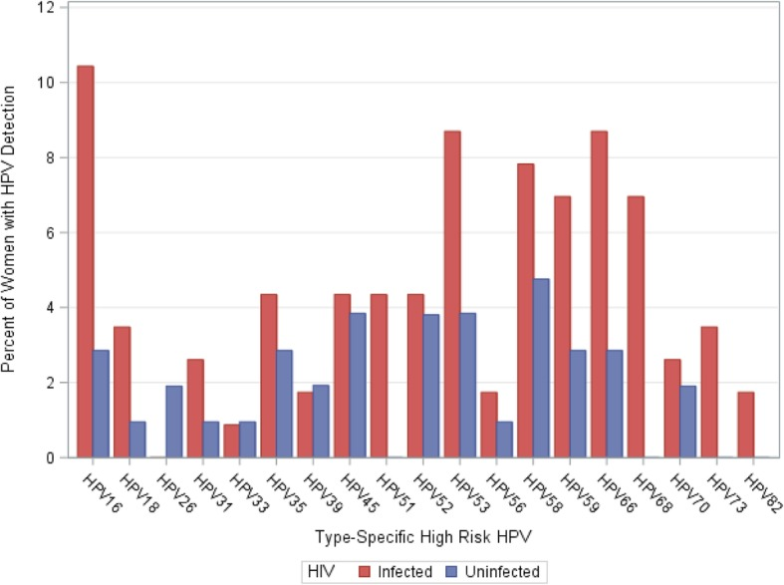
Source: Ermel, et al 2019. BMC Infect Dis. 2019; 19: 352.
Baseline assessment of a longitudinal cohort study of HIV pos and neg women. Women attending cervical cancer screening and were VIA-negative were invited to participate. To be eligible, women had to live within 30km if Eloret, have no history of cervical abnormalities, willing to return every quarter for 4 years, and STI-negative at enrollment.
Year of data collection | Population | Location | Age | Types | Prevalence | N pos | N total
2015 | HIV+ | Eldoret | Mean 37 | Any HPV | 59.1 | 68 | 115
 |  |  |  | HR-HPV (including possible HR) | 47 | 54 | 115
 |  |  |  | IARC HR-HPV (not including possible) | 39.1 | 45 | 115
 |  |  |  | A9 (HPV 16, 31, 33, 35, 52, 58) | 23.5 | 27 | 115
 |  |  |  | HPV 16 | 10.4 | 12 | 115
 |  |  |  | HPV 31, 33, 35, 52, 58 | 17.4 | 20 | 115
 |  |  |  | A7 (HPV 18, 39, 45, 59, 68) | 20 | 23 | 115
 |  |  |  | HPV 18 | 3.5 | 4 | 115
 |  |  |  | HPV 39, 45, 59, 68 | 17.4 | 20 | 115
 |  |  |  | Any LR-HPV | 32.2 | 37 | 115
 |  |  |  | ≥2 Types Any HPV | 33 | 38 | 115
 |  |  |  | ≥2 Types HR-HPV | 20 | 23 | 115
 | HIV- | Eldoret | Mean 31 | Any HPV | 35.2 | 37 | 105
 |  |  |  | HR-HPV (including possible HR) | 27.6 | 29 | 105
 |  |  |  | IARC HR-HPV (not including possible) | 23.8 | 25 | 105
 |  |  |  | A9 (HPV 16, 31, 33, 35, 52, 58) | 15.2 | 16 | 105
 |  |  |  | HPV 16 | 2.9 | 3 | 105
 |  |  |  | HPV 31, 33, 35, 52, 58 | 12.4 | 13 | 105
 |  |  |  | A7 (HPV 18, 39, 45, 59, 68) | 8.6 | 9 | 105
 |  |  |  | HPV 18 | 1 | 1 | 105
 |  |  |  | HPV 39, 45, 59, 68 | 7.6 | 8 | 105
 |  |  |  | Any LR-HPV | 17.1 | 18 | 105
 |  |  |  | ≥2 Types Any HPV | 10.5 | 11 | 105
 |  |  |  | ≥2 Types HR-HPV | 6.7 | 7 | 105

CC prevalence
Source: National Cervical Cancer Strategic Plan 2012-2015, 2012 https://www.iedea-ea.org/images/article/304/National%20Cervical%20Cancer%20Prevention%20Plan%20FINALFeb%202012.pdf
 | (Stats not referenced)
 | Prevalence of HIV among women with invasive CC: 15%
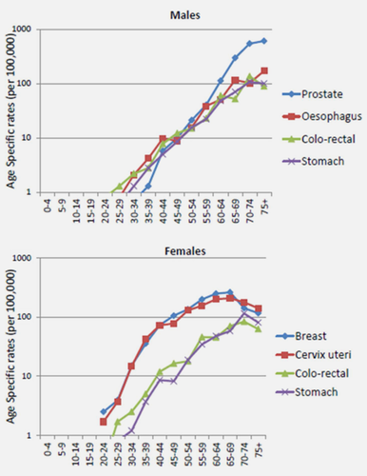
 | Prevalence of HIV among all people in Kenya: 7%
 | Prevalence of any cervical abnormalitie among HIV+ women attending HIV clinics: 43%
 | Prevalence of any cervical abnormalitie among general population of women: 3.6%

Source: Korir, et al 2015. Int J Cancer. 2015 Nov 1;137(9):2053-9.

 | Age-specific incidnce rates of cervical cancer in Nairobi, 2004-2008
 | Age | Rate per 100,000
 | 20-24 | 1.67
 | 25-29 | 3.63
 | 30-34 | 14.37
 | 35-39 | 41.72
 | 40-44 | 70.34
 | 45-49 | 74.19
 | 50-54 | 127.79
 | 55 – 59 | 148.35
 | 60 - 64 | 193.66
 | 65- 69 | 199.95
 | 70 - 74 | 170.4
 | 75+ | 134.78

Source: Cancer in Sub-Saharan Africa, IARC publication
 | Age-specific incidence rates of cervical cancer in Eldoret, 2008-2011
 | Age group | Rates per 100,000
 | 15-19 | 2
 | 20-24 | 3
 | 25-29 | 7
 | 30-34 | 21
 | 35-39 | 27
 | 40-44 | 35
 | 45-49 | 36
 | 50 - 54 | 27
 | 55 - 59 | 21
 | 60 - 64 | 15
 | 65 - 69 | 11
 | 70 -74 | 9
 | 75+ | 15

 | Age-specific incidence rates of cervical cancer in Nairobi, 2007-2011
 | Age group | Rates per 100,000
 | 15-19 | 1 | 2 | 0
 | 20-24 | 12 | 3 | 1.67
 | 25-29 | 34 | 7 | 3.63
 | 30-34 | 86 | 21 | 14.37
 | 35-39 | 156 | 27 | 41.72
 | 40-44 | 187 | 35 | 70.34
 | 45-49 | 163 | 36 | 74.19
 | 50 - 54 | 144 | 27 | 127.79
 | 55 - 59 | 120 | 21 | 148.35
 | 60 - 64 | 90 | 15 | 193.66
 | 65 - 69 | 57 | 11 | 199.95
 | 70 -74 | 40 | 9 | 170.4
 | 75+ | 48 | 15 | 134.78

Source: Cancer in Sub-Sahara Africa III, in press
 | Age-specific incidence rates of cervical cancer in Eldoret, 2012-2016
 | Age group | Rates per 100,000
 | 15-19 | 0
 | 20-24 | 1
 | 25-29 | 7
 | 30-34 | 9
 | 35-39 | 24
 | 40-44 | 28
 | 45-49 | 31
 | 50 - 54 | 30
 | 55 - 59 | 23
 | 60 - 64 | 23
 | 65 - 69 | 11
 | 70 -74 | 15
 | 75+ | 10
 | ASR | 17.7

HIV prevalence
Source: DHS 2003
 | HIV positivity among those who accepted HIV testing (Kenya) |  |  |  |  |  |  | Nyanza
 | Age | Female | Male | Total |  |  |  | Age | Female | Male | Total
 | 15-19 | 3 | 0.4 | 1.6 |  |  |  | 15-19 | 4.3396 | 0.1419 | 4.027
 | 20-24 | 9 | 2.4 | 6 |  |  |  | 20-24 | 29.9703 | 5.6208 | 21.8561
 | 25-29 | 12.9 | 7.3 | 10.4 |  |  |  | 25-29 | 21.8535 | 23.1835 | 18.8973
 | 30-34 | 11.7 | 6.6 | 9.4 |  |  |  | 30-34 | 16.3208 | 17.7284 | 11.5449
 | 35-39 | 11.8 | 8.4 | 10.1 |  |  |  | 35-39 | 17.9828 | 19.6896 | 13.7293
 | 40-44 | 9.5 | 8.8 | 9.1 |  |  |  | 40-44 | 33.1712 | 24.6223 | 17.5174
 | 45-49 | 3.9 | 5.2 | 4.4 |  |  |  | 45-49 | 15.8049 | 18.6658 | 7.2715
 | 50-54 |  | 5.7 |  |  |  |  | 50-54 | - | 20.7746 | 5.1565
 | Total | 8.7 | 4.6 | 6.7 |  |  |  | Total | 18.2517 | 12.2855 | 15.3554
 | Nyanza | 18.3 | 1.6 | 15.1 |  |  |  |  | *about 46% of the female and male population are under 25 years old

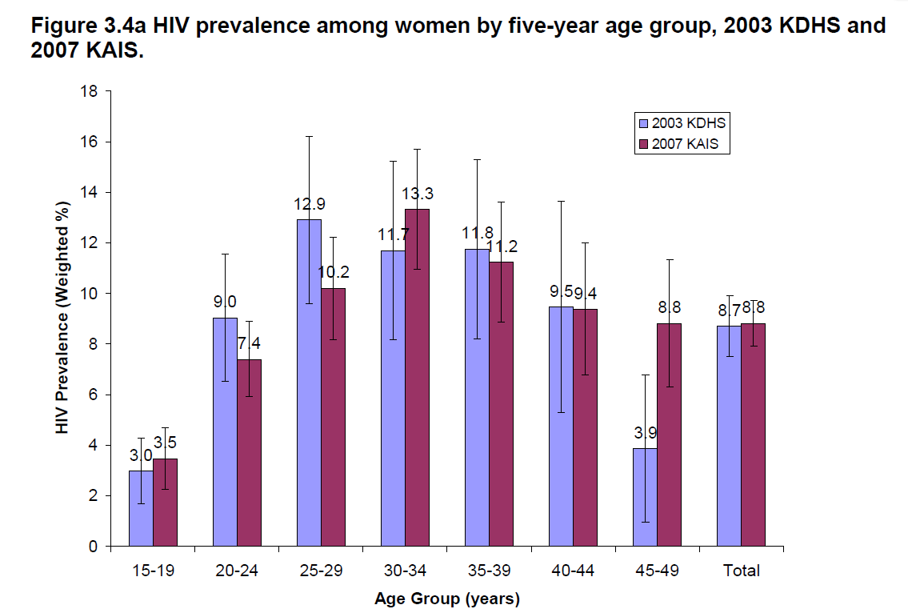
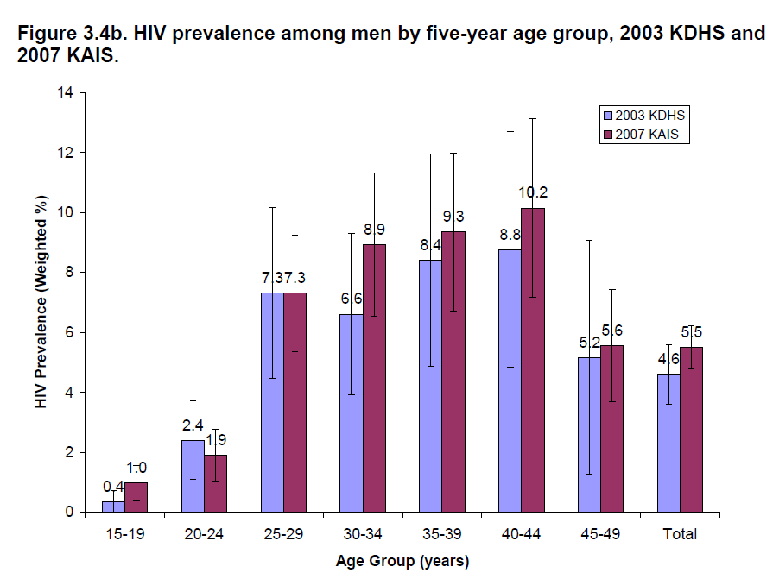
Source: 2007 KAIS
 | Kenya | HIV prevalence
 | Age | Female | Male | Total
 | 15-19 | 3.5% | 1.0% | 2.3%
 | 20-24 | 7.4% | 1.9% | 5.2%
 | 25-29 | 10.2% | 7.3% | 9.1%
 | 30-34 | 13.3% | 8.9% | 11.6%
 | 35-39 | 11.2% | 9.3% | 10.5%
 | 40-44 | 9.4% | 10.2% | 9.7%
 | 45-49 | 8.8% | 5.6% | 7.5%
 | 50-54 | 7.5% | 8.3% | 7.8%
 | 55-59 | 4.7% | 2.3% | 3.6%
 | 60-64 | 1.7% | 3.4% | 2.7%
 | Total | 8.4% | 5.4% | 7.1%
 | Nyanza | 18.0% | 11.0% | 14.9%

Source: KAIS 2012
 | Nyanza | HIV prevalence
 | Age | Female | Male
 | 15-19 | 5.0% | 2.0%
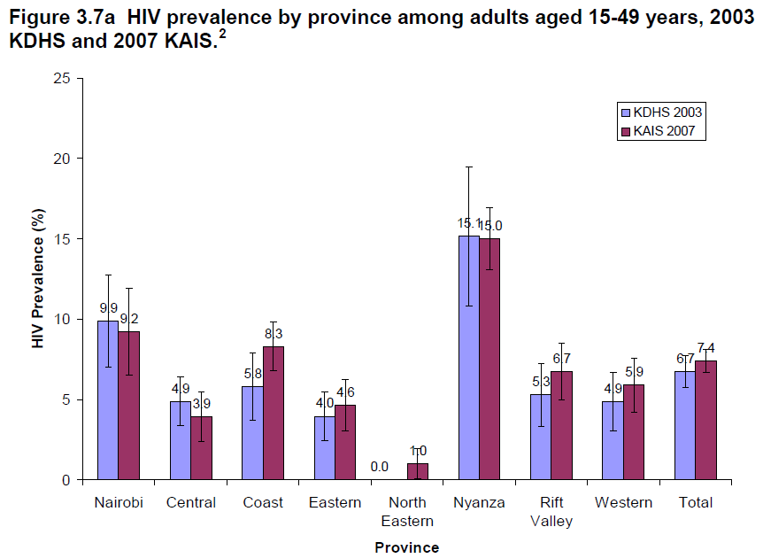
 | 20 – 24 | 14.1% | 2.9%
 | 25-29 | 25.0% | 21.0%
 | 30-34 | 21.0% | 24.0%
 | 35-39 | 28.0% | 20.0%
 | 40-44 | 17.0% | 31.0%
 | 45-49 | 23.0% | 16.0%
 | 50-54 | 12.0% | 21.0%
 | 55-59 | 6.0% | 12.0%
 | 60-64 | 4.0% | 12.0%
 | 65-74 | 0.1% | 5.1%
 | 75-84 | 0.0% | 1.7%
 | 85+ | 0.0% | 0.0%
 | Total | 16% | 14% | 15%
Source: Kenya AIDS Progress Report 2016
 | HIV prevalence in 2015
 |  | Adults 15+
 | County | Female prevalence | Male prevalence | HIV prevalence | HIV incidence | HIV mortality
 | Siaya |  |  | 24.8 | 1.68% | 0.018
 | Kisii |  |  | 4.7 | 0.27% | 0.018
 | Migori |  |  | 14.3 | 1 | 0.018
 | Kisumu |  |  | 19.9 | 1.62 | 0.018
 | Homa Bay |  |  | 26 | 2 | 0.018
 | Nyamira |  |  | 6.4 | 0.38 | 0.018

Source: DHS 2008-2009
 | Weighted HIV positivity among those who consented to testing (Nyanza)
 | Age | Female | Male | Total
 | 15-19 | 10.7523 | 1.8251 | 5.7889
 | 20-24 | 11.9136 | 5.7523 | 9.6933
 | 25-29 | 22.1964 | 24.3283 | 22.9793
 | 30-34 | 25.5763 | 15.2977 | 20.0917
 | 35-39 | 22.2504 | 22.5062 | 22.3633
 | 40-44 | 9.2731 | 24.7274 | 16.4572
 | 45-49 | 17.156 | 12.9073 | 15.5667
 | 50-54 |  | 15.9094 | --
 | Total | 15.9684 | 11.6173 | 13.9418

Source: National AIDS Control Council - Kenya HIV Estimates 2018 reprot

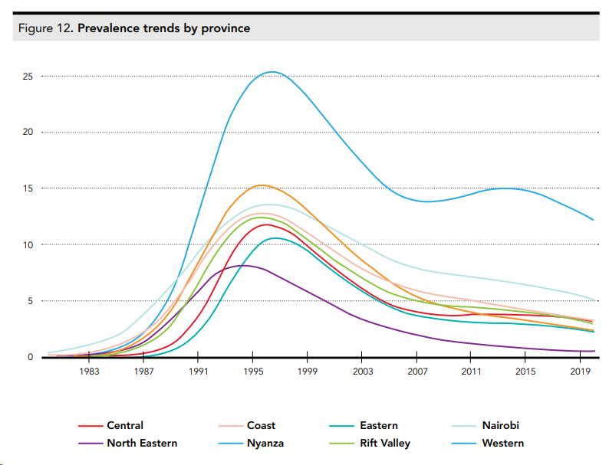
HIV Estimates Report 2014 (Spectrum)
 | 2017 HIV prevalence in adults 15-49
 | County | Female | Male | Total
 | Siaya | 22.4% | 19.4% | 21.0%
 | Kisii | 4.7% | 4.0% | 4.4%
 | Migori | 14.2% | 12.2% | 13.3%
 | Kisumu | 17.4% | 15.0% | 16.3%
 | Homa Bay | 22.1% | 19.1% | 20.7%
 | Nyamira | 4.5% | 3.9% | 4.2%

Source: National AIDS Control Council - Kenya HIV Estimates 2014 report
 | HIV prevalence in Nyanza, estimated by Spectrum
 | Year | %
 | 1983 | 0.20% |  | 0.002
 | 1987 | 2.09% |  | 0.0209
 | 1990 | 12.33% |  | 0.1233
 | 1994 | 24.31% |  | 0.2431
 | 1999 | 23.02% |  | 0.2302
 | 2003 | 17.10% |  | 0.171
 | 2007 | 13.72% |  | 0.1372
 | 2011 | 14.19% |  | 0.1419
 | 2015 | 14.56% | red text = projections | 0.1456
 | 2019 | 12.52% |  | 0.1252

Source: HIV prevention response and transmission - 2009
 | HIV prevalence among ANC attendants age 15-24 in Kenya, 1990-2006
 | Year | Prevalence
 | 1990 | 6.80%
 | 1991 | 10.90%
 | 1992 | 12.80%
 | 1993 | 12.70%
 | 1994 | 20.30%
 | 1995 | 22.90%
 | 1996 | 11.30%
 | 1997 | 17.20%
 | 1998 | 20.30%
 | 1999 | 16.50%
 | 2000 | 18.00%
 | 2001 | 13.10%
 | 2002 | 10.80%
 | 2003 | 9.10%
 | 2004 | 6.20%
 | 2005 | 6.80%
 | 2006 | 6.30%

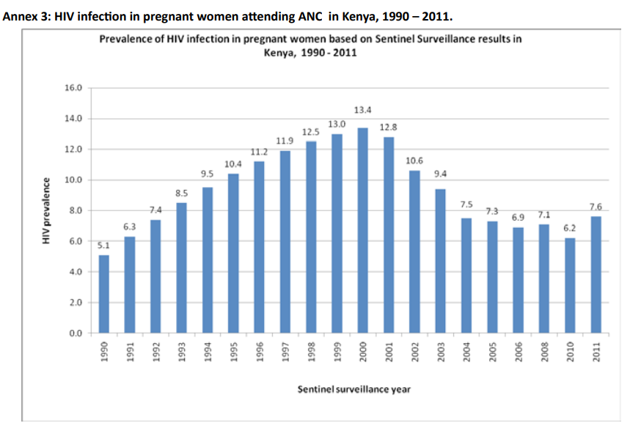
Source: Kenya ANC Sentinel Surveillance Reprot, 2011

 | ANC HIV prevalence estimates from Nyanza, 1990-2011
 | Year | Kisumu | Kisii | Chulaimbo | Suba | Tabaka
 | 1990 | 18 | 1
 | 1991 | 18 | 3
 | 1992 | 19 | 0
 | 1993 | 19 | 2
 | 1994 | 29 | 8
 | 1995 | 24 | 3 | 20
 | 1996 | 26 | 15 | 26
 | 1997 | 32 | 15
 | 1998 | 27 | 13 | 35
 | 1999 | 25 | 11 | 24
 | 2000 | 33 | 14 | 29
 | 2001 | 29 | 17 | 25 | 31 | 11
 | 2002 | 26 | 14 | 22 | 34 | 4
 | 2003 | 26 | 9 | 22 | 41 | 9
 | 2004 | 11.2 | 6.4 | 13.8 | 30 | 3.2
 | 2005 | 15.1 | 7 | 8.3 | 32.9 | 3.2
 | 2006 | 18.5 | 2.3 | 8.2 | 26.3 | 1.1
 | 2008 | 16.9 | 6.8 | 21 | 19.9 | 3.4
 | 2010 | 18.5 | 8.7 | 22.1 | 23.5 | 3.2
 | 2011 | 15.5 | 7 | 25.9 | 30.3 | 19.7

Source: Hawken, 2002; JAIDS, 31: 529-535
 | HIV prevalence in a population-based survey in Mombasa; 56.07% agreed to HIV testing
 | Age | Male | Female | Total
 | 15-19 | 2 | 4 | 3.2
 | 20-24 | 1.2 | 15.6 | 7.9
 | 25-29 | 8.4 | 20.7 | 14.7
 | 30-34 | 13.9 | 14.7 | 14.3
 | 35-39 | 13.8 | 15.7 | 14.7
 | 40-44 | 7.5 | 6.9 | 7.3
 | 45-49 | 11.4 | 13.6 | 12.3
 | Overall | 8 | 13.7 | 10.8

Source: Glynn, 2001; AIDS September 7th, 2001 - Volume 15 - Issue 13 - p 1717-1725
 | HIV prevalence in two ANC clinics in Kisumu compared to the general population in Kisumu (surveyed); 1997-1998
 | The two clinics covered 80% of pregnant women in the city. In the gen pop, 75% of women and 65% of men were both interviewed and HIV-tested
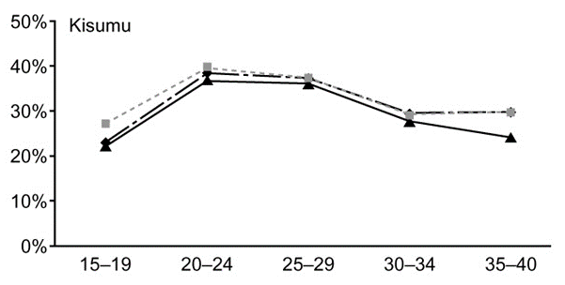
 |  | ANC | LB | UB | Gen pop | LB | UN
 | All women | 30.6 | 28.3 | 33 | 30.1 | 27.1 | 33.3
 | All men |  |  |  | 19.8 | 16.7 | 23.1
 | Total pop |  |  |  | 25.9 | 23.7 | 28.2

 | Age-standardized (15-40 years old)
 | Women | 29.2 | 26.2 | 32.2 | 31.1 | 27.9 | 34.3
 | Men |  |  |  | 19 | 15.9 | 22.2
 | Total pop |  |  |  | 25.1 | 22.9 | 27.3

 | HIV prevalence of men estimated based on reported status of the fathers vs HIV prevalence measured in men in survey
 |  | ANC | LB | UB | Survey | LB | UB
 | 15-19 | 5.8 | 0.28 | 11.3 | 3.5 | 1.1 | 7.9
 | 20-29 | 29.1 | 25.6 | 32.6 | 18.3 | 13.6 | 23.7
 | 30-39 | 34.5 | 30.2 | 38.8 | 33.1 | 25.8 | 41.1
 | 40-49 | 36.5 | 27.9 | 45 | 27.7 | 18.4 | 38.6
 | all ages | 23.2 | 20 | 26.8 | 19.8 | 16.7 | 23.1

HIV mortality
Source: Anderegg, 2017; AIDS: April 2017 - Volume 31 - Issue - p S31–S40
 | Corrected mortality rates (per 100 person years) including 95% confidence intervals for East Africa (all cohorts). Corrected for lost to follow up in a patient tracing study in Kenya.
 |  | MEN |  |  |  |  |  |  | WOMEN
 |  | CD4 categories in adult males |  |  |  |  |  |  | CD4 categories in adult females
 |  | <50 | 50-99 | 100-199 | 200-249 | 250-349 | 350-500 | >500 | <50 | 50-99 | 100-199 | 200-249 | 250-349 | 350-500 | >500 | SE
 | <6 months after ART initiation
 | 15-24 years | 33.36 | 17.63 | 10.51 | 6.66 | 4.48 | 6.1 | 6.06 | 24.04 | 12.7 | 7.57 | 4.8 | 3.23 | 4.39 | 4.37
 |  | (9.94-23.64) | (5.17-13.79) | (3.16-8.89) | (1.79-6.75) | (1.34-4.18) | (1.35-6.08) | (1.23-7.38) | (7.28-17.31) | (3.88-9.76) | (2.41-6.31) | (1.42-4.74) | (0.96-2.92) | (0.99-4.34) | (0.89-5.44) | -28.528571429
 | 25-34 years | 35.56 | 18.79 | 11.2 | 7.1 | 4.78 | 6.5 | 6.46 | 25.62 | 13.54 | 8.07 | 5.12 | 3.44 | 4.68 | 4.66
 |  | (12.75-20.41) | (6.52-12.53) | (4.01-7.99) | (2.23-6.23) | (1.57-3.8) | (1.56-5.93) | (1.29-8.02) | (9.21-15.28) | (4.82-9.12) | (3.06-5.56) | (1.69-4.5) | (1.17-2.73) | (1.16-4.22) | (0.94-5.94)
 | 35-44 years | 39.86 | 21.06 | 12.55 | 7.96 | 5.35 | 7.28 | 7.24 | 28.72 | 15.17 | 9.04 | 5.74 | 3.86 | 5.25 | 5.22
 |  | (14.6-22.48) | (7.6-13.81) | (4.52-8.43) | (2.51-7.07) | (1.74-4.32) | (1.7-6.75) | (1.47-8.98) | (10.08-17.12) | (5.4-10.35) | (3.29-6.32) | (1.83-5.14) | (1.26-3.18) | (1.29-4.74) | (1.08-6.58)
 | 45+ years | 53.56 | 28.3 | 16.87 | 10.7 | 7.19 | 9.79 | 9.73 | 38.59 | 20.39 | 12.15 | 7.71 | 5.18 | 7.05 | 7.01
 |  | (18.88-30.5) | (9.88-18.33) | (6.05-11.69) | (3.34-9.21) | (2.34-5.76) | (2.21-9.07) | (1.92-12.19) | (13.19-23.27) | (7.15-13.75) | (4.33-8.54) | (2.51-6.82) | (1.7-4.14) | (1.65-6.66) | (1.36-9.19)
 | 6-12 months after ART initiation
 | 15-24 years | 10.86 | 7.11 | 4.48 | 3.51 | 3.57 | 5.64 | 2.52 | 7.8 | 5.11 | 3.22 | 2.52 | 2.56 | 4.05 | 1.81
 |  | (5.24-24.12) | (3.25-15.37) | (2.09-9.81) | (1.37-8.91) | (1.55-8.62) | (2.27-16.69) | (0.91-7.66) | (3.7-17.03) | (2.42-10.96) | (1.52-7.02) | (1.04-6.05) | (1.13-6.23) | (1.63-11.51) | (0.65-5.06)
 | 25-34 years | 7.88 | 5.15 | 3.25 | 2.55 | 2.59 | 4.09 | 1.83 | 5.66 | 3.7 | 2.33 | 1.83 | 1.86 | 2.94 | 1.31
 |  | (5.1-12.05) | (3.22-8.06) | (1.97-5.42) | (1.29-5.09) | (1.48-4.88) | (1.83-10.18) | (0.69-4.89) | (3.67-8.71) | (2.37-5.8) | (1.42-3.79) | (0.96-3.39) | (1.11-3.23) | (1.25-7.07) | (0.52-3.16)
 | 35-44 years | 7.57 | 4.96 | 3.12 | 2.45 | 2.49 | 3.93 | 1.76 | 5.44 | 3.56 | 2.24 | 1.76 | 1.79 | 2.82 | 1.26
 |  | (5.19-11.19) | (3.17-7.79) | (1.93-5) | (1.24-4.91) | (1.44-4.47) | (1.69-10.34) | (0.66-4.72) | (3.59-8.47) | (2.18-5.7) | (1.41-3.55) | (0.92-3.31) | (1.05-3.14) | (1.16-7.09) | (0.47-3.12)
 | 45+ years | 8.96 | 5.86 | 3.69 | 2.9 | 2.94 | 4.65 | 2.08 | 6.43 | 4.21 | 2.65 | 2.08 | 2.11 | 3.34 | 1.49
 |  | (6.13-13.27) | (3.91-9.04) | (2.35-5.92) | (1.46-5.81) | (1.68-5.35) | (2.04-12.33) | (0.76-5.74) | (4.3-9.84) | (2.73-6.62) | (1.67-4.16) | (1.14-4.11) | (1.23-3.67) | (1.45-8.72) | (0.57-3.79)
 | >12 months after ART initiation
 | 15-24 years | 5.83 | 3.82 | 2.4 (1.12-5.31) | 1.89 | 1.91 | 3.03 | 1.35 | 4.19 | 2.74 | 1.73 | 1.35 | 1.38 | 2.17 | 0.97
 |  | (2.72-12.13) | (1.72-8.29) |  | (0.72-4.73) | (0.81-4.58) | (1.17-9.21) | (0.47-4.16) | (2.02-9.01) | (1.33-5.81) | (0.84-3.71) | (0.54-3.3) | (0.61-3.34) | (0.87-6.4) | (0.35-2.77)
 | 25-34 years | 4.23 | 2.77 | 1.74 | 1.37 | 1.39 | 2.2 | 0.98 | 3.04 | 1.99 | 1.25 | 0.98 | 1 | 1.58 | 0.7
 |  | (2.8-6.44) | (1.79-4.33) | (1.07-2.87) | (0.69-2.76) | (0.81-2.63) | (0.91-5.54) | (0.36-2.62) | (2.04-4.71) | (1.3-3.09) | (0.8-2.02) | (0.54-1.84) | (0.6-1.78) | (0.66-3.81) | (0.27-1.78)
 | 35-44 years | 4.07 | 2.66 | 1.68 | 1.31 | 1.33 | 2.11 | 0.94 | 2.92 | 1.91 | 1.2 | 0.94 | 0.96 | 1.52 | 0.68
 |  | (2.86-5.78) | (1.75-4.15) | (1.07-2.64) | (0.71-2.62) | (0.79-2.42) | (0.88-5.86) | (0.35-2.6) | (2.02-4.32) | (1.19-3.06) | (0.78-1.86) | (0.51-1.82) | (0.57-1.66) | (0.63-4.2) | (0.27-1.73)
 | 45+ years | 4.81 | 3.15 | 1.98 | 1.55 | 1.58 | 2.5 | 1.11 | 3.45 | 2.26 | 1.42 | 1.12 | 1.13 | 1.79 | 0.8
 |  | (3.41-6.93) | (2.18-4.62) | (1.3-3.09) | (0.84-3.04) | (0.93-2.94) | (1.07-6.37) | (0.43-3.19) | (2.39-5.11) | (1.53-3.42) | (0.94-2.2) | (0.62-2.09) | (0.68-2.03) | (0.76-4.71) | (0.32-2.04)

 | Derived mortaltiy rates
 |  | <200 | 200-350 | 350-500 | >500
 | 15-24 | 0.0904 | 0.0573 | 0.05245 | 0.05215
 | 25-34 | 0.09635 | 0.0611 | 0.0559 | 0.0556
 | 35-44 | 0.10795 | 0.0685 | 0.06265 | 0.0623
 | 45+ | 0.1451 | 0.09205 | 0.0842 | 0.0837

Source: Adetunji, 2000; Bulletin of the World Health Organization, 2000, 78: 1200–1206.
 | Under 5 mortality due to HIV; estimated from DHS
 | 31.4/1000

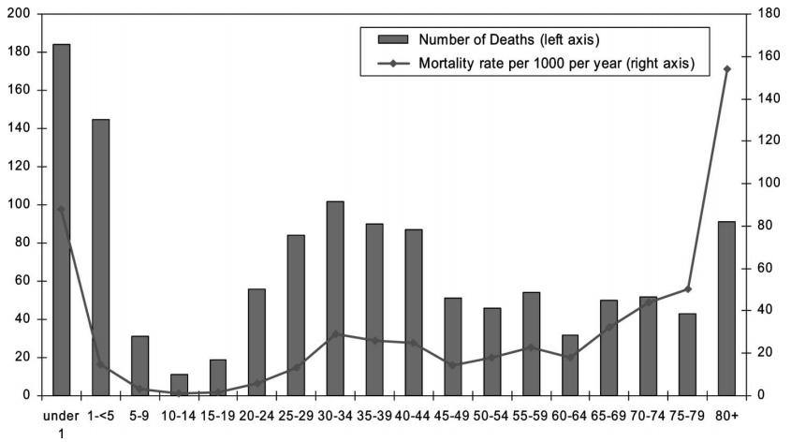
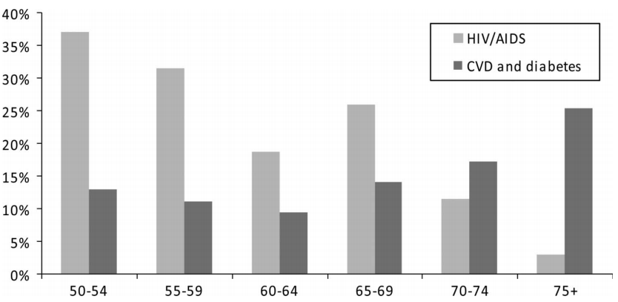
Source: Negin, 2010; J Acquir Immune Defic Syndr Volume 55, Number 2, October 1, 2010
 | HIV mortality among older adults in Nyanza 2008-2009
 |  | All-cause | HIV % | HIV-mort rate
 | 60-64 | 0.0188 | 0.185 | 0.003478
 | 65-69 | 0.03268 | 0.2568 | 0.008392224
 | 70-74 | 0.04406 | 0.1125 | 0.00495675
 | 75-79 | 0.05018 | 0.026 | 0.00130468
 | 80+ | 0.15282

Source: Streatfield, 2014
 | HIV-associated mortality rates per 1000 PY at INDEPTH sites
 | Kisumu | Nairobi | Kilifi
Infant | 7.47 | 4.67 | 1.8
1 - 4 yo | 5.4 | 1.3 | 0.48
5 - 14 yo | 0.4 | 0.17 | 0.2
15- 49 | 3.65 | 0.93 | 0.65
50- 64 | 4.56 | 1.79 | 1.52
65+ | 1.98 | 0.77 | 1.54

ART
Source: KAIS 2012
 | Time from diagnosis to enrollment in care among HIV+ 15-64 years old in care
 | 0 to 90 days | 79.4%
WHO ART eligibility:
Pre-2013: CD4 <350
2013-2015: CD4 <500
Post 2015: any CD4
Kenya ART eligibility (national guideline first published in 2005):
2005-2007: CD4 <200
2007-2011: CD4 <250
2011-2014: CD4 <350
2014-2016: CD4 <500
Post 2016: any CD4
 | 91 to 180 days | 6.1%
 | 180+ days | 14.5%

 | ART coverage
 |  | Aware, on ART | Unaware, not on ART | Aware, not on ART
 | Based on Kenyan guidelines | 60.5% | 28.4% | 11.1% |  | Kenyan guideline: eligible for ART if ever previously been on ART, regardless of current CD4; and if never been on ART, eligible if CD4 <350
 | Based on 2013 WHO guidelines | 45.9% | 39.3% | 14.8% |  | WHO 2013 guideline: CD4 of <500
 |  |  |  |  |  | Coverage was calculated as: persons on ART / person eligible for ART

 | Viral load suppression among those taking ART
 | Suppressed | 75.4%
 | Not suppressed | 24.6%

Source: Kenya AIDS Progress Report 2016
 |  | 2015 |  |  |  | 2013 |  |  | 2015
 |  | # on ART | # HIV+ | ART coverage among all HIV+ |  | # need ART | # on ART | coverage | # need ART | # on ART | coverage
 | Homa Bay | 85,807 | 158,077 | 0.54 |  | 86,072 | 56,069 | 0.65 | 135,039 | 85,807 | 0.64
 | Kisumu | 83,847 | 144,303 | 0.58 |  | 72,543 | 69,161 | 0.95 | 123,273 | 83,847 | 0.68
 | Siaya | 68,704 | 126,411 | 0.54 |  | 69,176 | 51,698 | 0.75 | 107,988 | 68,704 | 0.64
 | Migori | 54,927 | 83,603 | 0.66 |  | 47,566 | 38,063 | 0.80 | 71,419 | 54,927 | 0.77
 | Kisii | 23,189 | 34,014 | 0.68 |  | 34,282 | 14,798 | 0.43 | 29,057 | 23,189 | 0.80
 | Nyamira | 11,561 | 24,357 | 0.47 |  | 14,386 | 7858 | 0.55 | 20,807 | 11,561 | 0.56
 | Total | 328,035 | 570,765 | 0.57 |  | 324,025 | 237,647 | 0.73 | 487,583 | 328,035 | 0.67

Source: KAIS 2007
 | ARV coverage among those eligible (<250 CD4 cell counts)
 | Nyanza | 45.60%

Source: UNAIDS - Spectrum, 2019
 | Year | Adults (15+) estimate | Lower Estimate | Upper Estimate | Children (0-14) estimate | Lower Estimate | Upper Estimate
 | 2010 | 31 | 27 | 38 | 17 | 13 | 22
 | 2011 | 38 | 33 | 46 | 25 | 19 | 32
 | 2012 | 42 | 36 | 51 | 30 | 23 | 39
 | 2013 | 45 | 38 | 54 | 35 | 27 | 45
 | 2014 | 51 | 43 | 61 | 41 | 31 | 52
 | 2015 | 60 | 51 | 72 | 48 | 37 | 61
 | 2016 | 67 | 57 | 81 | 56 | 44 | 72
 | 2017 | 73 | 62 | 88 | 66 | 51 | 85
 | 2018 | 69 | 59 | 83 | 61 | 47 | 78

Source: National AIDS Control Council, 2018 Kenya HIV Estimates (Possibly Spectrum)
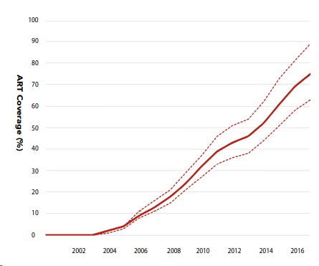

Source: AIDSinfo (UNAIDS special analysis, 2019)
 | ART coverage by year and sex among all people living with HIV
 | Year | Female | LB | UB | Male | LB | UB
 | 2015 | 66 | 56 | 79 | 51 | 43 | 62
 | 2016 | 74 | 63 | 89 | 56 | 47 | 68
 | 2017 | 80 | 68 | 95 | 61 | 52 | 74
 | 2018 | 75 | 64 | 90 | 59 | 50 | 71

MTCT
Source: Waruru, 2018. Spatial–temporal trend for mother-to-child transmission of HIV up to infancy and during pre-Option B+ in western Kenya, 2007–13. PeerJ

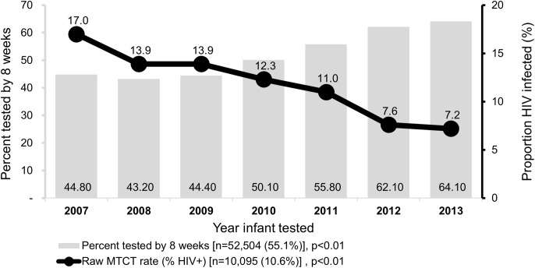
 | All of Western Kenya
 | Year | Unadjusted MTCT rates
 | 2007 | 0.170
 | 2008 | 0.139
 | 2009 | 0.139
 | 2010 | 0.123
 | 2011 | 0.110
 | 2012 | 0.076
 | 2013 | 0.072

 | Nyanza counties
 | Year | Unadjusted |  | Adjusted
 |  | 2007 | 2013 | 2007 | 2013
 | Total (Western Kenya) | 19.7 | 7 | 19.7 | 7.3
 | Kisii | 17.9 | 6.6 | 23.5 | 6.3
 | Homa bay | 18 | 8.3 | 20.6 | 7.9
 | Kisumu | 19.1 | 6.8 | 21.4 | 5.5
 | Migori | 17.6 | 7.4 | 22.1 | 5.8
 | Nyamira | 18.5 | 4.9 | 17.3 | 7.1
 | Siaya | 10.1 | 7.2 | 23.7 | 10.9

Source: Azcoaga-Lorenzo, 2010. Effectiveness of PMTCT programme in rural Western Kenya
 | Busia, Kenya
 | 2006-2008 | 15.80%

Source: Kenya AIDS Response Progress Report 2014 and 2016
 | Kenya
 | Year | Rate
 | 2011 | 14.94%
 | 2012 | 16%
 | 2013 | 14%
 | 2015 | 8.30%

Source: Datta, P. 1994. Mother-To-Child Transmission Of Human Immunodeficiency Virus Type 1: Report From The Nairobi Study
 | Nairobi
 | 1986-1991% | 42.80%
 | Adjusted using the direct methods (Working Group on MTCT of HIV, 1993. Rates of Mother-to-Child Transmission of HIV-1 in Africa, America, and Europe: Results from 13 Perinatal Studies)
 | 1986-1991% | 42.10%

Source: Stover, 2004;
 | Defult value used in Spectrum for low resource countries: 32%

Source: Sirengo, 2014; J Acquir Immune Defic Syndr. 2014 May 1;66 Suppl 1:S66-74.
 | KAIS 2012 survey, covering 2007-2012
 | women who had at least 1 live birth in the past 5 years attended ANC | 95.40%
 | of the above, women who acceted HIV testing | 93.10% | 89%
 | Of those test, women who received resulst | 97.80% | 86.9%
 | Of those who had results, women who were diagnosed with HIV | 2.90% | 2.5%
 |  |  | LB | UB
 | Of diagnosed mothers, infants that received HIV testing | 82.50%
 | Of those infants tested, % positive for HIV | 15.10% | 2.4% | 27.8%

Source: Pricilla, 2018; Matern Child Health J. 2018 Dec;22(12):1685-1692.
 | MTCT at four government hospitals in Nairobi, Nandi, and Kericho
 | 2010-2012 | 5.90%
 | 2013-2016 | 4.30%
 | 2013 | 5.9
 | 2014 | 5.1
 | 2015 | 3.2
 | 2016 | 2.5

Source: Ashiono, 2017; BMC Public Health. 2017 Feb 17;17(1):207.
 | HIV positivity among HIV-exposed infants in South Rift region between Jan 1 2013 and Dec 31, 2013
 | Overall positivity | 9.3

Source: Thomas, 2011; PLoS Med. 2011 Mar; 8(3): e1001015.
 | Kisumu Breastfeeding Study (2003-2006): HIV transmission rates among mothers on ART
 | Infant age in months | Cumulative transmission rates | LB | UB
 | 6 months | 5% | 3.4 | 7.4
 | 12 | 5.70% | 4 | 8.3
 | 18 | 6.7 | 4.8 | 9.4
 | 24 | 7 | 5 | 9.7

 | Cumulative transmission rate by maternal baseline CD4 and viral load
 |  | At birth | 6 months | 12 months | 18 months | 24 months
 | <350 | 4.7 (2.5–8.8) | 7.4 (4.4–12.1) | 8.0 (4.9–12.8) | 8.6 (5.3–13.6) | 8.6 (5.3–13.6)
 | 350–499 | 0.7 (0.1–5.1) | 3.8 (1.6–9.0) | 5.5 (2.7–11.2) | 7.2 (3.8–13.4) | 8.1 (4.4–14.5)
 | ≥500 | 1.3 (0.3–5.0) | 3.3 (1.4–7.7) | 3.3 (1.4–7.7) | 4.1 (1.8–8.8) | 4.1 (1.8–8.8)
 | <500 | 3.0 (1.6–5.6) | 5.9 (3.8–9.1) | 6.9 (4.6–10.3) | 8.0 (5.5–11.6) | 8.4 (5.8–12.0)
 | ≥500 | 1.3 (0.3–5.0) | 3.3 (1.4–7.7) | 3.3 (1.4–7.7) | 4.1 (1.8–8.8) | 4.1 (1.8–8.8)

 | <400 | 3.7 (0.5–23.5) | 3.7 (0.5–23.5) | 3.7 (0.5–23.5) | 3.7 (0.5–23.5) | 3.7 (0.5–23.5)
 | 400–9,999 | 0.9 (0.1–6.2) | 1.9 (0.5–7.2) | 2.8 (0.9–8.5) | 2.8 (0.9–8.5) | 2.8 (0.9–8.5)
 | 10,000–49,999 | 3.6 (1.5–8.4) | 5.8 (2.9–11.3) | 6.6 (3.5–12.3) | 8.3 (4.7–14.6) | 8.3 (4.7–14.6)
 | ≥50,000 | 2.4 (1.0–5.7) | 6.5 (3.8–11.0) | 7.1 (4.3–11.7) | 8.3 (5.2–13.2) | 8.9 (5.6–14.0)
 | <10,000 | 1.4 (0.4–5.6) | 2.2 (0.7–6.7) | 3.0 (1.1–7.8) | 3.0 (1.1–7.8) | 3.0 (1.1–7.8)
 | ≥10,000 | 2.9 (1.6–5.3) | 6.2 (4.1–9.4) | 6.9 (4.6–10.2) | 8.3 (5.8–11.9) | 8.7 (6.1–12.3)

