Population
Intercensal growth rate in Kenya and Nyanza - Female
 | 1979-1989 | 1989-1999 | 1999-2009 | 1979-1989 | 1989-1999 | 1999-2009
0 - 4 | 32.9 | 18.7 | 31.0 |  | 7.38 | 33.95
5 - 9 | 38.6 | 13.8 | 40.9 |  | 6.09 | 31.89
10 - 14 | 45.1 | 34.9 | 23.3 |  | 32.81 | 8.56
15 - 19 | 35.3 | 43.3 | 18.9 |  | 44.76 | 11.58
20 - 24 | 47.7 | 48.5 | 34.3 |  | 39.51 | 31.19
25 - 29 | 56.5 | 37.4 | 43.6 |  | 19.32 | 32.34
30 - 34 | 39.5 | 46.8 | 49.4 |  | 28.06 | 25.04
35 - 39 | 40.7 | 58.0 | 38.8 |  | 46.96 | 8.73
40 - 44 | 33.1 | 41.9 | 41.7 |  | 37.12 | 13.60
45 - 49 | 32.2 | 42.8 | 52.1 |  | 35.10 | 31.50
50 - 54 | 26.0 | 41.4 | 40.5 |  | 21.28 | 35.80
55 - 59 | 34.7 | 30.5 | 49.2 |  | 1.55 | 37.64
60 - 64 | 53.3 | 27.9 | 39.1 |  | 27.91 | 19.30
65 - 69 | 40.6 | 37.1 | 29.5 |  | 46.49 | -1.82
70 -74 | 45.8 | 48.6 | 32.1 |  | 43.63 | 30.07
75 -79 | -30.2 | 35.0 | 45.4 |  | 40.87 | 58.23
80+ |  | 28.7 | 85.5 |  | 28.52 | 101.19
Source: Kenya Population Census 1979 |  |  |  |  |  |  |  |  |  | Change in population over time in Kenya
 | Nyanza Province |  |  |  | Kenya |  |  |  |  | Kenya male |  |  | Female |  |  |  | Nyanza male |  |  | Female
 | Age | Female | Male | Total | Age | Male | Female | Total |  | 1979-1989 | 1989-1999 | 1999-2009 | 1979-1989 | 1989-1999 | 1999-2009 |  | 1979-1989 | 1989-1999 | 1999-2009 | 1979-1989 | 1989-1999 | 1999-2009
 | 0 - 4 |  |  |  | 0 - 4 | 1,422,021 | 1,421,385 | 2,843,406 | 0 - 4 | 34 | 20 | 31 | 32.9 | 18.7 | 31.0 |  |  | 8.0 | 34.0 |  | 7.38 | 33.95
 | 5 - 9 |  |  |  | 5 - 9 | 1,247,091 | 1,244,749 | 2,491,840 | 5 - 9 | 40 | 15 | 42 | 38.6 | 13.8 | 40.9 |  |  | 5.8 | 31.0 |  | 6.09 | 31.89
 | 10 - 14 |  |  |  | 10 - 14 | 1,050,932 | 1023839 | 2,074,771 | 10 - 14 | 43 | 35 | 26 | 45.1 | 34.9 | 23.3 |  |  | 33.3 | 7.7 |  | 32.81 | 8.56
 | 15 - 19 |  |  |  | 15 - 19 | 854,123 | 887722 | 1,741,845 | 15 - 19 | 38 | 43 | 26 | 35.3 | 43.3 | 18.9 |  |  | 45.3 | 14.6 |  | 44.76 | 11.58
 | 20 - 24 |  |  |  | 20 - 24 | 641,401 | 686003 | 1,327,404 | 20 - 24 | 39 | 49 | 32 | 47.7 | 48.5 | 34.3 |  |  | 49.3 | 29.1 |  | 39.51 | 31.19
 | 25 - 29 |  |  |  | 25 - 29 | 514,451 | 541261 | 1,055,712 | 25 - 29 | 52 | 40 | 40 | 56.5 | 37.4 | 43.6 |  |  | 28.3 | 43.4 |  | 19.32 | 32.34
 | 30 - 34 |  |  |  | 30 - 34 | 405,385 | 412691 | 818,076 | 30 - 34 | 44 | 44 | 50 | 39.5 | 46.8 | 49.4 |  |  | 25.9 | 42.3 |  | 28.06 | 25.04
 | 35 - 39 |  |  |  | 35 - 39 | 290,227 | 325367 | 615,594 | 35 - 39 | 59 | 51 | 44 | 40.7 | 58.0 | 38.8 |  |  | 43.5 | 18.1 |  | 46.96 | 8.73
 | 40 - 44 |  |  |  | 40 - 44 | 261,480 | 273702 | 535,182 | 40 - 44 | 41 | 40 | 44 | 33.1 | 41.9 | 41.7 |  |  | 36.1 | 10.0 |  | 37.12 | 13.60
 | 45 - 49 |  |  |  | 45 - 49 | 218,914 | 221965 | 440,879 | 45 - 49 | 28 | 49 | 51 | 32.2 | 42.8 | 52.1 |  |  | 47.0 | 28.7 |  | 35.10 | 31.50
 | 50 - 54 |  |  |  | 50 - 54 | 182,908 | 191022 | 373,930 | 50 - 54 | 29 | 46 | 39 | 26.0 | 41.4 | 40.5 |  |  | 31.7 | 24.5 |  | 21.28 | 35.80
Intercensal growth rate in Kenya and Nyanza - Male
 | 1979-1989 | 1989-1999 | 1999-2009 | 1979-1989 | 1989-1999 | 1999-2009
0 - 4 | 34 | 20 | 31 |  | 8.0 | 34.0
5 - 9 | 40 | 15 | 42 |  | 5.8 | 31.0
10 - 14 | 43 | 35 | 26 |  | 33.3 | 7.7
15 - 19 | 38 | 43 | 26 |  | 45.3 | 14.6
20 - 24 | 39 | 49 | 32 |  | 49.3 | 29.1
25 - 29 | 52 | 40 | 40 |  | 28.3 | 43.4
30 - 34 | 44 | 44 | 50 |  | 25.9 | 42.3
35 - 39 | 59 | 51 | 44 |  | 43.5 | 18.1
40 - 44 | 41 | 40 | 44 |  | 36.1 | 10.0
45 - 49 | 28 | 49 | 51 |  | 47.0 | 28.7
50 - 54 | 29 | 46 | 39 |  | 31.7 | 24.5
55 - 59 | 27 | 25 | 61 |  | 2.1 | 45.3
60 - 64 | 40 | 29 | 52 |  | 18.3 | 29.6
65 - 69 | 14 | 24 | 30 |  | 27.1 | -1.0
70 -74 | 25 | 43 | 35 |  | 23.4 | 21.2
75 -79 | -24 | 19 | 26 |  | 3.6 | 25.9
80+ |  | 16 | 67 |  | 14.7 | 53.6
 | 55 - 59 |  |  |  | 55 - 59 | 140,777 | 134534 | 275,311 | 55 - 59 | 27 | 25 | 61 | 34.7 | 30.5 | 49.2 |  |  | 2.1 | 45.3 |  | 1.55 | 37.64
 | 60 - 64 |  |  |  | 60 - 64 | 107,710 | 109518 | 217,228 | 60 - 64 | 40 | 29 | 52 | 53.3 | 27.9 | 39.1 |  |  | 18.3 | 29.6 |  | 27.91 | 19.30
 | 65 - 69 |  |  |  | 65 - 69 | 99,906 | 83221 | 183,127 | 65 - 69 | 14 | 24 | 30 | 40.6 | 37.1 | 29.5 |  |  | 27.1 | -1.0 |  | 46.49 | -1.82
 | 70 -74 |  |  |  | 70 -74 | 66,369 | 62539 | 128,908 | 70 -74 | 25 | 43 | 35 | 45.8 | 48.6 | 32.1 |  |  | 23.4 | 21.2 |  | 43.63 | 30.07
 | 75 -79 |  |  |  | 75 -79 | 87,766 | 86597 | 174,363 | 75 -79 | -24 | 19 | 26 | -30.2 | 35.0 | 45.4 |  |  | 3.6 | 25.9 |  | 40.87 | 58.23
 | 80+ |  |  |  | 80+ |  |  |  | 80+ |  | 16 | 67 |  | 28.7 | 85.5 |  |  | 14.7 | 53.6 |  | 28.52 | 101.19
 | Age missing |  |  |  | Age missing
 | Total |  |  |  | Total

Proportion of Nyanza pop relative to Kenya: Female
Source: Kenya Population Census 1989
 |  |  |  |  |  |  |  |  | Proportion of population |  |  |  |  |  | Proportion of Nyanza pop relative to Kenya
 | Nyanza Province |  |  |  | Kenya |  |  |  | Nyanza |  |  | Kenya |  |  | Female | Male
 | Age | Female | Male | Total | Age | Female | Male | Total | Female | Male |  | Female | Male |  | 1989 | 1989
 | 0 - 4 | 328,243 | 328,748 | 656991 | 0 - 4 | 1,888,827 | 1,911,216 | 3,800,043 | 9.3592197908 | 9.3736188976 |  | 8.808333624 | 8.9127422234 |  | 17.38 | 17.20
 | 5 - 9 | 291,272 | 293,873 | 585,145 | 5 - 9 | 1,725,292 | 1,743,646 | 3,468,938 | 8.3050626119 | 8.3792251399 |  | 8.0457064278 | 8.1312982556 |  | 16.88 | 16.85
 | 10 - 14 | 253,763 | 258,326 | 512,089 | 10 - 14 | 1,485,648 | 1,504,044 | 2,989,692 | 7.2355653945 | 7.3656705906 |  | 6.9281534158 | 7.0139411059 |  | 17.08 | 17.18
 | 15 - 19 | 194,194 | 189,848 | 384,042 | 15 - 19 | 1,200,712 | 1,177,984 | 2,378,696 | 5.5370695736 | 5.4131517164 |  | 5.5993862235 | 5.4933967355 |  | 16.17 | 16.12
 | 20 - 24 | 161,014 | 118,217 | 279,231 | 20 - 24 | 1,013,340 | 889,594 | 1,902,934 | 4.591005491 | 3.3707310925 |  | 4.7255978417 | 4.1485222002 |  | 15.89 | 13.29
 | 25 - 29 | 136,441 | 99,511 | 235,952 | 25 - 29 | 847,287 | 782,475 | 1,629,761 | 3.8903535109 | 2.8373653684 |  | 3.9512282339 | 3.6489847151 |  | 16.10 | 12.72
 | 30 - 34 | 96,154 | 79,736 | 175,890 | 30 - 34 | 575,651 | 583,773 | 1,159,424 | 2.7416469499 | 2.2735191588 |  | 2.6844841052 | 2.7223601445 |  | 16.70 | 13.66
 | 35 - 39 | 77,231 | 62,965 | 140,196 | 35 - 39 | 457,942 | 460,950 | 918,892 | 2.2020938867 | 1.7953262495 |  | 2.1355613386 | 2.1495888104 |  | 16.86 | 13.66
 | 40 - 44 | 61,401 | 52,035 | 113,436 | 40 - 44 | 364,244 | 367,934 | 732,178 | 1.7507317883 | 1.4836782561 |  | 1.698611187 | 1.7158190896 |  | 16.86 | 14.14
 | 45 - 49 | 51,664 | 39,713 | 91,377 | 45 - 49 | 293,405 | 281,127 | 574,532 | 1.4730999024 | 1.1323400516 |  | 1.3682614273 | 1.3110043465 |  | 17.61 | 14.13
 | 50 - 54 | 45,218 | 37,179 | 82,397 | 50 - 54 | 240,617 | 235,906 | 476,523 | 1.2893045716 | 1.0600879001 |  | 1.1220904888 | 1.1001212667 |  | 18.79 | 15.76
 | 55 - 59 | 39,496 | 32,454 | 71,950 | 55 - 59 | 181,155 | 179,017 | 360,172 | 1.1261527126 | 0.92536358457 |  | 0.84479609708 | 0.83482577302 |  | 21.80 | 18.13
 | 60 - 64 | 30,651 | 26,180 | 56,831 | 60 - 64 | 167,901 | 150,496 | 318,397 | 0.87395449654 | 0.74647250398 |  | 0.78298754931 | 0.70182127695 |  | 18.26 | 17.40
 | 65 - 69 | 22,800 | 19,976 | 42,776 | 65 - 69 | 116,980 | 113,690 | 230,670 | 0.6500982846 | 0.56957733917 |  | 0.54552315661 | 0.5301806093 |  | 19.49 | 17.57
Proportion of Nyanza pop relative to Kenya: Male
 | 70 -74 | 15,793 | 15,387 | 31,180 | 70 -74 | 91,212 | 82,966 | 174,178 | 0.45030711441 | 0.43873080285 |  | 0.42535696838 | 0.38690266893 |  | 17.31 | 18.55
 | 75 -79 | 9,528 | 11,952 | 21,480 | 75 -79 | 60,476 | 66,600 | 127,076 | 0.27167265156 | 0.34078836393 |  | 0.28202306736 | 0.31058165695 |  | 15.76 | 17.95
 | 80+ | 11,462 | 11,201 | 22,663 | 80+ | 94,070 | 82,210 | 176,280 | 0.32681695342 | 0.31937503885 |  | 0.43868493198 | 0.38337714742 |  | 12.18 | 13.62
 | Age missing | 1,929 | 1,607 | 3,536 | Age missing | 10,509 | 14,741 | 25,250
 | Total | 1,828,254 | 1,678,908 | 3,507,162 | Total | 10,815,268 | 10,628,368 | 21,443,636

Source: 1999 Population and housing census
 | Tread in population
 | Year | Nyanza | Kenya
 | 1969 | 2,122,045 | 10,942,705
 | 1979 | 2,643,956 | 15,327,061 | 0.17250247781
 | 1989 | 3,507,160 | 21,448,774
 | 1999 | 4,392,196 | 28,686,607

 | Intercensal growth rate
 |  | Nyanza | Kenya
 | 1969-79 | 2.2 | 3.4
 | 1979-89 | 2.8 | 3.4
 | 1989-99 | 2.3 | 2.9

 | 1999 Population by age |  |  |  |  |  |  |  |  |  |  |  |  |  | Proportion of Nyanza pop relative to Kenya
 | Nyanza Province |  |  |  | Kenya |  |  |  | Nyanza |  |  | Kenya |  |  | 1999 | 1999
 | Age | Female | Male | Total | Age | Female | Male | Total | Female | Male |  | Female | Male |  | Female | Male
 | 0 - 4 | 352,462 | 355,120 | 707,582 | 0 - 4 | 2,242,966 | 2,291,936 | 4,534,902 | 8.0247329582 | 8.0852493832 |  | 7.8190267029 | 7.989737154 |  | 15.71 | 15.49
 | 5 - 9 | 309,023 | 310,927 | 619,950 | 5 - 9 | 1,962,556 | 2,000,580 | 3,963,136 | 7.0357288245 | 7.0790784382 |  | 6.8415115387 | 6.9740640033 |  | 15.75 | 15.54
 | 10 - 14 | 337,015 | 344,306 | 681,321 | 10 - 14 | 2,003,655 | 2,034,980 | 4,038,635 | 7.6730410027 | 7.83903997 |  | 6.9847835181 | 7.0939831277 |  | 16.82 | 16.92
 | 15 - 19 | 281,107 | 275,864 | 556,971 | 15 - 19 | 1,721,194 | 1,681,984 | 3,403,178 | 6.400146988 | 6.2807761767 |  | 6.0001185247 | 5.8634316391 |  | 16.33 | 16.40
 | 20 - 24 | 224,623 | 176,491 | 401,114 | 20 - 24 | 1,504,389 | 1,328,529 | 2,832,918 | 5.1141388044 | 4.0182860692 |  | 5.2443317298 | 4.6312800669 |  | 14.93 | 13.28
 | 25 - 29 | 162,798 | 127,695 | 290,493 | 25 - 29 | 1,164,594 | 1,094,909 | 2,259,503 | 3.7065285793 | 2.9073156116 |  | 4.0597992052 | 3.8168758279 |  | 13.98 | 11.66
 | 30 - 34 | 123,137 | 100,423 | 223,560 | 30 - 34 | 845,230 | 840,692 | 1,685,922 | 2.8035406435 | 2.2863961444 |  | 2.9464895768 | 2.9306700132 |  | 14.57 | 11.95
 | 35 - 39 | 113,502 | 90,340 | 203,842 | 35 - 39 | 723,749 | 695,263 | 1,419,012 | 2.5841742946 | 2.0568298865 |  | 2.5230042529 | 2.4237014572 |  | 15.68 | 12.99
 | 40 - 44 | 84,192 | 70,808 | 155,000 | 40 - 44 | 516,989 | 516,502 | 1,033,491 | 1.916854348 | 1.6121320633 |  | 1.8022345395 | 1.8005368472 |  | 16.29 | 13.71
 | 45 - 49 | 69,798 | 58,367 | 128,165 | 45 - 49 | 418,987 | 419,341 | 838,328 | 1.5891367325 | 1.3288796766 |  | 1.460597504 | 1.4618315555 |  | 16.66 | 13.92
 | 50 - 54 | 54,840 | 48,982 | 103,822 | 50 - 54 | 340,167 | 344,639 | 684,806 | 1.24857816 | 1.1152052413 |  | 1.1858293244 | 1.2014188106 |  | 16.12 | 14.21
 | 55 - 59 | 40,107 | 33,143 | 73,250 | 55 - 59 | 236,325 | 223,591 | 459,916 | 0.91314230968 | 0.75458836536 |  | 0.82383392596 | 0.77944293384 |  | 16.97 | 14.82
 | 60 - 64 | 39,207 | 30,966 | 70,173 | 60 - 64 | 214,715 | 194,513 | 409,228 | 0.89265142084 | 0.70502318203 |  | 0.74850101095 | 0.67807641358 |  | 18.26 | 15.92
 | 65 - 69 | 33,400 | 25,395 | 58,795 | 65 - 69 | 160,364 | 140,969 | 301,333 | 0.76043965251 | 0.57818458011 |  | 0.55903228055 | 0.49142090218 |  | 20.83 | 18.01
 | 70 -74 | 22,683 | 18,984 | 41,667 | 70 -74 | 135,524 | 118,601 | 254,125 | 0.51643870173 | 0.4322211486 |  | 0.47243951753 | 0.41344558321 |  | 16.74 | 16.01
 | 75 -79 | 13,422 | 12,388 | 25,810 | 75 -79 | 81,620 | 79,166 | 160,786 | 0.30558745557 | 0.28204570106 |  | 0.28452903856 | 0.27597434289 |  | 16.44 | 15.65
 | 80+ | 14,731 | 12,850 | 27,581 | 80+ | 121,038 | 95,300 | 216,338 | 0.335390315 | 0.29256435733 |  | 0.42194101652 | 0.3322178066 |  | 12.17 | 13.48
 | Age missing | 11,843 | 11,257 | 23,100 | Age missing | 86,956 | 103,487 | 190,443
 | Total | 2,287,890 | 2,104,306 | 4,392,196 | Total | 14,481,018 | 14,204,982 | 28,686,000

Kenya 2009 Population
Source: Kenya Population and Housing Census 2009 |  |  |  |  |  |  |  |  |  |  |  |  |  | Proportion of Nyanza pop relative to Kenya
 | Nyanza Province |  |  |  | Kenya |  |  |  | Kenya |  | Nyanza |  |  | 2009 | 2009
 | Age | Female | Male | Total | Age | Female | Male | Total | Female | Male | Female | Male |  | Female | Male
 | 0 - 4 | 472132 | 475717 | 947,849 | 0 - 4 | 2,938,867 | 3,000,439 | 5,939,306 | 8 | -8 | 8.7 | -8.7 |  | 16.07 | 15.85
 | 5 - 9 | 407578 | 407362 | 814,940 | 5 - 9 | 2,765,047 | 2,832,669 | 5,597,716 | 7 | -7 | 7.5 | -7.5 |  | 14.74 | 14.38
 | 10 - 14 | 365861 | 370855 | 736,716 | 10 - 14 | 2,469,542 | 2,565,313 | 5,034,855 | 6 | -7 | 6.7 | -6.8 |  | 14.81 | 14.46
 | 15 - 19 | 313668 | 316129 | 629,797 | 15 - 19 | 2,045,890 | 2,123,653 | 4,169,543 | 5 | -6 | 5.8 | -5.8 |  | 15.33 | 14.89
 | 20 - 24 | 294691 | 227933 | 522,624 | 20 - 24 | 2,020,998 | 1,754,105 | 3,775,103 | 5 | -5 | 5.4 | -4.2 |  | 14.58 | 12.99
 | 25 - 29 | 215455 | 183083 | 398,538 | 25 - 29 | 1,672,110 | 1,529,116 | 3,201,226 | 4 | -4 | 4.0 | -3.4 |  | 12.89 | 11.97
 | 30 - 34 | 153975 | 142868 | 296,843 | 30 - 34 | 1,262,471 | 1,257,035 | 2,519,506 | 3 | -3 | 2.8 | -2.6 |  | 12.20 | 11.37
 | 35 - 39 | 123409 | 106733 | 230,142 | 35 - 39 | 1,004,271 | 1,004,361 | 2,008,632 | 3 | -3 | 2.3 | -2.0 |  | 12.29 | 10.63
 | 40 - 44 | 95638 | 77883 | 173,521 | 40 - 44 | 732,575 | 743,594 | 1,476,169 | 2 | -2 | 1.8 | -1.4 |  | 13.06 | 10.47
 | 45 - 49 | 91784 | 75090 | 166,874 | 45 - 49 | 637,469 | 635,276 | 1,272,745 | 2 | -2 | 1.7 | -1.4 |  | 14.40 | 11.82
 | 50 - 54 | 74474 | 60986 | 135,460 | 50 - 54 | 477,860 | 478,346 | 956,206 | 1 | -1 | 1.4 | -1.1 |  | 15.58 | 12.75
 | 55 - 59 | 55205 | 48144 | 103,349 | 55 - 59 | 352,487 | 359,466 | 711,953 | 1 | -1 | 1.0 | -0.9 |  | 15.66 | 13.39
 | 60 - 64 | 46773 | 40141 | 86,914 | 60 - 64 | 298,581 | 295,197 | 593,778 | 1 | -1 | 0.9 | -0.7 |  | 15.67 | 13.60
 | 65 - 69 | 32792 | 25151 | 57,943 | 65 - 69 | 207,612 | 183,151 | 390,763 | 1 | 0 | 0.6 | -0.5 |  | 15.79 | 13.73
 | 70 -74 | 29504 | 23013 | 52,517 | 70 -74 | 179,000 | 160,301 | 339,301 | 0 | 0 | 0.5 | -0.4 |  | 16.48 | 14.36
 | 75 -79 | 21238 | 15594 | 36,832 | 75 -79 | 118,675 | 99,833 | 218,508 | 0 | 0 | 0.4 | -0.3 |  | 17.90 | 15.62
 | 80+ | 29,637 | 19,734 | 49,371 | 80+ | 224,576 | 159,125 | 383,701 | 1 | 0 | 0.5 | -0.4 |  | 13.20 | 12.40
Nyanza 2009 Population
 | Age missing | 1,163 | 1,318 | 2,481 | Age missing | 9,608 | 11,478 | 21,086
 | Total | 2,824,977 | 2,617,734 | 5,442,711 | Total | 19,417,639 | 19,192,458 | 38,610,097

Sexual behavior
Source: DHS 2003
 | % of people with 2+ partner in the past 12 months
 | Age | Female | Male
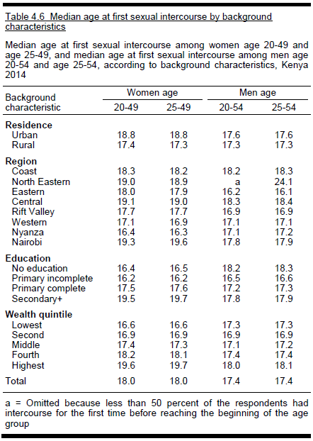
 | 15-19 | 1.5 | 7.3
 | 20-24 | 1.8 | 16.4
 | 25-29 | 1.9 | 13.1
 | 30-39 | 1.7 | 12.5
 | 40-49 | 2 | 10.2
 | Kenya | 1.7 | 11.7
 | Nyanza | 3.4 | 15.2

Source: DHS, 2014
 | Median age at first intercourse (Kenya): 18 among women and 17.4 among men
 | Median age at first intercourse (Nyanza): 16.3 among women and 17.2 among men

 | Number of partners
 | Age | % of all women with 2+ partners in the past 12 months | Mean number of lifetime sex partners among women who had had sex | % of all men with 2+ partners in the past 12 months | Mean number of lifetime sex partners among men who had had sex | % of women with concurrent partners in the past 12 months | % of men with concurrent partners in the past 12 months | % of men who had ever paid for sex | % of men who paid for sex in past 12 months
 | 15-24 | 1.5 | 1.8 | 9.6 | 4.4 | 0.6 | 5.6 | 4 | 1.9
 | 15-19 | 1 | 1.5 | 3.7 | 2.8 | 0.5 | 2.1 | 2.2 | 1.4
 | 20-24 | 2 | 1.9 | 16.7 | 5.2 | 0.7 | 9.7 | 6.1 | 2.5
 | 25-29 | 1.3 | 2.1 | 17.3 | 6.3 | 0.9 | 12.2 | 10.3 | 2.5
 | 30-39 | 1.6 | 2.2 | 14.6 | 7.6 | 0.7 | 12.5 | 12.8 | 3.4
 | 40-49 | 0.9 | 2.5 | 11.9 | 9.8 | 0.8 | 10.4 | 10.9 | 2.4
 | Total | 1.4 | 2.1 | 12.7 | 6.8 | 0.7 | 9.4 | 8.6 | 2.5
 | Nyanza | 1.4 | 2.2 | 18.4 | 7.1 |  |  | 9.1 | 4.3

 |  | % of youths (15-24) who had sex before 15 |  |  |  |  | % of youths with 2+ partners in the past 12 months
 | Age | % women | % men |  |  | Age | % women | % men
 | 15-19 | 10.7 | 19.6 |  |  | 15-19 | 1 | 3.7
 | 15-17 | 10.6 | 17.9 |  |  | 15-17 | 0.7 | 1.8
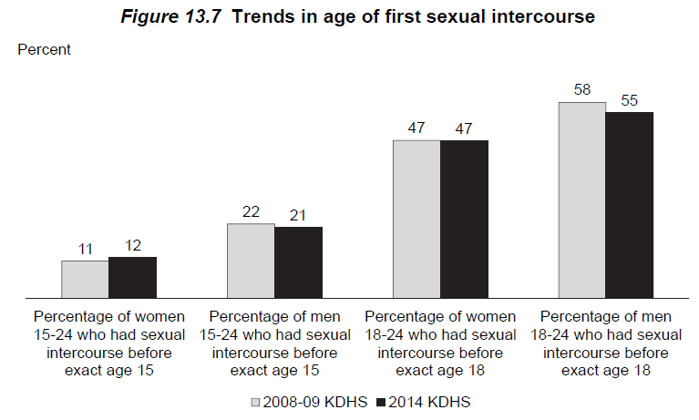
 | 18-19 | 10.8 | 22.2 |  |  | 18-19 | 1.5 | 6.7
 | 20-24 | 13.6 | 22.6 |  |  | 20-24 | 2 | 16.7
 | 20-22 | 14 | 22 |  |  | 20-22 | 1.8 | 16.6
 | 23-24 | 12.8 | 23.6 |  |  | 23-24 | 2.5 | 16.8
 | Total | 12.1 | 21 |  |  | Total | 1.5 | 9.6
 | Nyanza | 20.9 | 26.5

 |  | % of youths (15-24) who had sex in the past 12 months
 | Age | % women had HIV test | % men had HIV test
 | 15-19 | 64.6 | 40.1
 | 15-17 | 60.9 | 33.3
 | 18-19 | 66.6 | 44.5
 | 20-24 | 70.5 | 60.4
 | 20-22 | 69.9 | 57.6
 | 23-24 | 71.2 | 64.4
 | Total | 69 | 54.4
 | Nyanza | 74.7 | 69.6

from raw data | % of men and women in each risk group by age group and sex |  |  |  |  |  |  |  |  | mean number of partners in each risk group, by age group and sex
 | Nyanza | Female |  |  | Male |  |  |  |  | Nyanza | Female |  |  | Male
 | Age | Low | Medium | High | Low | Medium | High |  |  | Age | Low | Medium | High | Low | Medium | High
 | 0-4 | 1 | 0 | 0 | 1 | 0 | 0 |  |  | 0-4 | 0.00001 | 0.00001 | 0.00001 | 0.00001 | 0.00001 | 0.00001
 | 5-9 | 1 | 0 | 0 | 1 | 0 | 0 |  |  | 5-9 | 0.00001 | 0.00001 | 0.00001 | 0.00001 | 0.00001 | 0.00001
 | 10-14 | 1 | 0 | 0 | 1 | 0 | 0 |  |  | 10-14 | 0.00001 | 0.00001 | 0.00001 | 0.00001 | 0.00001 | 0.00001
 | 15-19 | 0.977242 | 0.022758 | 0 | 0.945613 | 0.049266 | 0.005121 |  |  | 15-19 | 0.2813 | 2 | 1 | 0.277465 | 2 | 5
 | 20-24 | 0.983652 | 0.016348 | 0 | 0.703027 | 0.264599 | 0.032374 |  |  | 20-24 | 0.812264 | 2 | 1 | 0.77701 | 2.217823 | 10.749024
 | 25-29 | 0.986388 | 0.013612 | 0 | 0.820456 | 0.174197 | 0.005348 |  |  | 25-29 | 0.917239 | 2 | 1 | 0.941596 | 2.172108 | 20
 | 30-34 | 0.985812 | 0.014188 | 0 | 0.723132 | 0.276868 | 0 |  |  | 30-34 | 0.908096 | 2 | 1 | 0.943912 | 2.147477 | 1
 | 35-39 | 0.986101 | 0.013899 | 0 | 0.752905 | 0.243071 | 0.004024 |  |  | 35-39 | 0.878854 | 2 | 1 | 0.961368 | 2.114207 | 5
 | 40-44 | 1 | 0 | 0 | 0.851223 | 0.128835 | 0.019942 |  |  | 40-44 | 0.79271 | 2 | 1 | 0.952139 | 2.033687 | 17.745962
 | 45-49 | 1 | 0 | 0 | 0.783641 | 0.216359 | 0 |  |  | 45-49 | 0.734756 | 2 | 1 | 0.992183 | 2.087344 | 1
 | 50-54 | 1 | 0 | 0 | 0.874707 | 0.117185 | 0.008108 |  |  | 50-54 | 0.734756 | 2 | 1 | 0.925103 | 2 | 5
 | 55 – 59 | 1 | 0 | 0 | 0.874707 | 0.117185 | 0.008108 |  |  | 55 – 59 | 0.734756 | 2 | 1 | 0.925103 | 2 | 1
 | 60 - 64 | 1 | 0 | 0 | 0.874707 | 0.117185 | 0.008108 |  |  | 60 - 64 | 0.734756 | 2 | 1 | 0.925103 | 2 | 1
 | 65- 69 | 1 | 0 | 0 | 0.874707 | 0.117185 | 0.008108 |  |  | 65- 69 | 0.734756 | 2 | 1 | 0.925103 | 2 | 1
 | 70 - 74 | 1 | 0 | 0 | 0.874707 | 0.117185 | 0.008108 |  |  | 70 - 74 | 0.734756 | 2 | 1 | 0.925103 | 2 | 1
 | 75 - 79 | 1 | 0 | 0 | 0.874707 | 0.117185 | 0.008108 |  |  | 75 - 79 | 0.734756 | 2 | 1 | 0.925103 | 2 | 1

 | Kenya | Female |  |  | Male |  |  |  |  | Kenya | Female |  |  | Male
 | Age | Low | Medium | High | Low | Medium | High |  |  | Age | Low | Medium | High | Low | Medium | High
 | 0-4 | 1.0000 | 0 | 0 | 1 | 0 | 0 |  |  | 0-4 | 0.00001 | 0.00001 | 0.00001 | 0.00001 | 0.00001 | 0.00001
 | 5-9 | 1.0000 | 0 | 0 | 1 | 0 | 0 |  |  | 5-9 | 0.00001 | 0.00001 | 0.00001 | 0.00001 | 0.00001 | 0.00001
 | 10-14 | 1.0000 | 0 | 0 | 1 | 0 | 0 |  |  | 10-14 | 0.00001 | 0.00001 | 0.00001 | 0.00001 | 0.00001 | 0.00001
 | 15-19 | 0.9898 | 0.010069 | 0.000175 | 0.962452 | 0.035205 | 0.002343 |  |  | 15-19 | 0.258568 | 2 | 6 | 0.225176 | 2.154629 | 6.412997
 | 20-24 | 0.9795 | 0.020166 | 0.00031 | 0.833418 | 0.157748 | 0.008834 |  |  | 20-24 | 0.766836 | 2.059053 | 7 | 0.674001 | 2.173962 | 7.780577
 | 25-29 | 0.9868 | 0.012837 | 0.000357 | 0.825658 | 0.162951 | 0.011391 |  |  | 25-29 | 0.889565 | 2.129076 | 5 | 0.87037 | 2.105747 | 19.478731
 | 30-34 | 0.9837 | 0.016253 | 0 | 0.847717 | 0.149064 | 0.00322 |  |  | 30-34 | 0.912547 | 2.027717 | 1 | 0.932456 | 2.131527 | 19.514182
 | 35-39 | 0.9837 | 0.015714 | 0.000577 | 0.861676 | 0.134564 | 0.00376 |  |  | 35-39 | 0.849963 | 2 | 95 | 0.933227 | 2.181549 | 5.667191
 | 40-44 | 0.9917 | 0.007808 | 0.000482 | 0.8859 | 0.11091 | 0.00319 |  |  | 40-44 | 0.80288 | 2.090496 | 50 | 0.948996 | 2.062327 | 16.551753
 | 45-49 | 0.9912 | 0.008816 | 0 | 0.87294 | 0.126001 | 0.001059 |  |  | 45-49 | 0.742677 | 2.395661 | 1 | 0.930385 | 2.122014 | 24.516099
 | 50-54 | 1.0000 | 0 | 0 | 0.885385 | 0.103563 | 0.011052 |  |  | 50-54 | 0.742677 | 2.395661 | 1 | 0.917359 | 2.122747 | 7.025426
 | 55 – 59 | 1.0000 | 0 | 0 | 0.885385 | 0.103563 | 0.011052 |  |  | 55 – 59 | 0.742677 | 2.395661 | 1 | 0.917359 | 2.122747 | 1
 | 60 - 64 | 1.0000 | 0 | 0 | 0.885385 | 0.103563 | 0.011052 |  |  | 60 - 64 | 0.742677 | 2.395661 | 1 | 0.917359 | 2.122747 | 1
 | 65- 69 | 1.0000 | 0 | 0 | 0.885385 | 0.103563 | 0.011052 |  |  | 65- 69 | 0.742677 | 2.395661 | 1 | 0.917359 | 2.122747 | 1
 | 70 - 74 | 1.0000 | 0 | 0 | 0.885385 | 0.103563 | 0.011052 |  |  | 70 - 74 | 0.742677 | 2.395661 | 1 | 0.917359 | 2.122747 | 1
 | 75 - 79 | 1.0000 | 0 | 0 | 0.885385 | 0.103563 | 0.011052 |  |  | 75 - 79 | 0.742677 | 2.395661 | 1 | 0.917359 | 2.122747 | 1

Source: ICO Kenya HPV report 2017

Table 34 | Time trend in median age at first sex
 | Study | Year/period | Female | Male
 | DHS 1993 | 1993 | 16.9 | 16.7
 | DHS 1998 | 1998 | 16.7 | 16.8
 | DHS 2003 | 2003 | 17.8 | 17.1
 | DHS 2008-09 | 2008 | 18.2 | 17.6
 | DHS 2014 | 2014 | 18 | 17.4

Source: KAIS 2012
 | % of men and women who had sex by age
 | Age | Female | Male
 | 12 | 2.1 | 2.1
 | 13 | 4.2 | 12.8
 | 14 | 8.4 | 13.1
 | 15 | 11.6 | 20.2
 | 16 | 17.7 | 21.5
 | 17 | 40.9 | 42.3
 | 18 | 59 | 49.5
 | 19 | 66.8 | 63.4
 | 20 | 80.5 | 72.9
 | 21 | 87.5 | 76.8
 | 22 | 92 | 88.3
 | 23 | 97 | 92.8
 | 24 | 95 | 93.4
 | *interpretation: By age 15, 11.6% of women and 20.2% of men had had sex at least once

 | % of men and women reporting sexual debut before age 15
 |  | Female | Male | Total
 | 2007 | 16.4 | 33.7 | 23.8
 | 2012 | 16.1 | 26.6 | 21

 | Lifetime sex partners among women and men aged 15-64 years |  |  |  |  | Sex partners in the past year among women and men aged 15-64 years
 | Number of partners | Female | Male |  |  | Number of partners | Female | Male |  |  | Male | Female
 | 0 | 11.8 | 14.3 |  |  | 0 | 29.7 | 27 |  | Low | 84.8 | 97.6
 | 1 | 38 | 12.5 |  |  | 1 | 67.9 | 57.8 |  | Medium | 9.9 | 1.7
 | 2-3 | 36.1 | 24.7 |  |  | 2 | 1.7 | 9.9 |  | High | 5.3 | 0.8
 | 4-5 | 7.8 | 16.1 |  |  | 3 | 0.5 | 4.3
 | 6-9 | 1.5 | 8.7 |  |  | Don't know | 0.3 | 1
 | 10+ | 1 | 14.9
 | Don't know | 3.7 | 8.7

 | Consistent condom use in the past 12 months by marital status
 |  | Female | Male
 | Married/cohabiting | 3.8 | 5.2
 | Noncohabiting | 31.4 | 44.7
 | Causal | 32.8 | 46.1
 | Total | 8.6 | 19.9

Source: MICS 2011 Nyanza
 | % of women with 2+ partner in the past 12 months
 | Age | 0-1 partners | 2+ partners
 | 15-19 | 0.971 | 0.029
 | 20-24 | 0.967 | 0.033
 | 25-29 | 0.977 | 0.023
 | 30-34 | 0.981 | 0.019
 | 35-39 | 0.977 | 0.023
 | 40-44 | 0.988 | 0.012
 | 45-49 | 0.989 | 0.011

Source: SA model parameter
Sexual mixing by age and sexual risk group. The mixing parameter varies from random (1) to assortative (0), calibrated to fit age-specific HIV incidence and prevalence data.
Mixing
Year | (age) | (sexual risk)
1985 | 0.3 | 0.3
1990 | 0.4 | 0.4
2000 | 0.1 | 0.1

Fertility
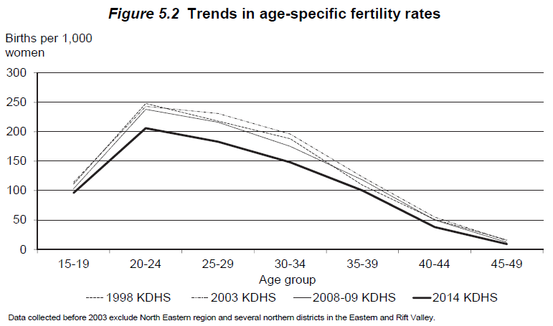
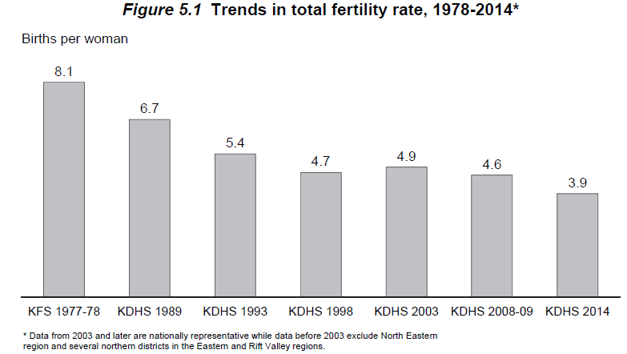
Source: DHS 2014
 | Total fertility rate (Kenya): 3.9 births per woman (15-49)
 | Total fertility rate (Nyanza): 4.3 births per woman (15-49)

Table 5.3.1 | Fertility rates by age (Kenya)
 | Age group | Fertility rate per 1000 woman | Fertility %
 | 15-19 | 96 | 0.096
 | 20-24 | 206 | 0.206
 | 25-29 | 183 | 0.183
 | 30-34 | 148 | 0.148
 | 35-39 | 100 | 0.1
 | 40-44 | 38 | 0.038
 | 45-49 | 9 | 0.009
 | Average | 141 | 0.141

Table 5.3.2 | Time trends in age-specific fertility rates in Kenya
 | Data source: | 1977/78 KFS | 1989 KDHS | 1993 KDHS | 1998 KDHS |  | 2003 KDHS | 2008-09 KDHS | 2014 KDHS
 | Year: | 1975-78 | 1984-88 | 1990-92 | 1995-97 | 1999 Census | 2000-02 | 2006-08 | 2011-2013
 | 15-19 | 0.168 | 0.152 | 0.11 | 0.111 | 0.142 | 0.114 | 0.103 | 0.096
 | 20-24 | 0.342 | 0.314 | 0.257 | 0.248 | 0.254 | 0.243 | 0.238 | 0.206
 | 25-29 | 0.357 | 0.303 | 0.241 | 0.218 | 0.236 | 0.231 | 0.216 | 0.183
 | 30-34 | 0.293 | 0.255 | 0.197 | 0.188 | 0.185 | 0.196 | 0.175 | 0.148
 | 35-39 | 0.239 | 0.183 | 0.154 | 0.109 | 0.127 | 0.123 | 0.118 | 0.1
 | 40-44 | 0.145 | 0.099 | 0.07 | 0.051 | 0.056 | 0.055 | 0.05 | 0.038
 | 45-49 | 0.059 | 0.035 | 0.05 | 0.016 | 0.007 | 0.015 | 0.012 | 0.009
 | TFR (per woman) | 8.1 | 6.7 | 5.4 | 4.7 | 5 | 4.9 | 4.6 | 3.9

Table 5.4 | Number of living children
 | Age | Number of women | Mean number of children ever born | Mean number of living children
 | 15-19 | 5,820 | 0.18 | 0.17
 | 20-24 | 5,735 | 1.11 | 1.05
 | 25-29 | 6,100 | 2.22 | 2.09
 | 30-34 | 4,510 | 3.27 | 3.07
 | 35-39 | 3,773 | 4.13 | 3.81
 | 40-44 | 2,885 | 4.85 | 4.4
 | 45-49 | 2,257 | 5.27 | 4.73
 | Total | 31,079 | 2.48 | 2.29

Source: Kenya Census 1979 |  |  |  |  |  |  |  |  |  |  |  |  |  |  | 1993 Kenya census for 1990-1992 |  |  |  |  |  |  |  | 2014 KDHS for 2011-2013
 | Age-specific fertility rates |  |  |  |  |  |  |  |  |  |  |  |  |  | Age-specific fertility rates |  |  |  |  |  |  |  | Age-specific fertility rates
 | Age | Rate per 1000 woman | Fertility % | Acute | CD4 > 500 | > 350 | 200-350 | <200 |  |  |  |  |  |  | Age | Fertility % | Acute | CD4 > 500 | > 350 | 200-350 | <200 | Age | Fertility % | Acute | CD4 > 500 | > 350 | 200-350 | <200
 | 0-5 | 0 | 0 | 0 | 0 | 0 | 0 | 0 |  |  |  |  |  |  | 0-5 | 0 | 0 | 0 | 0 | 0 | 0 | 0-5 | 0 | 0 | 0 | 0 | 0 | 0
 | 5-9 | 0 | 0 | 0 | 0 | 0 | 0 | 0 |  |  |  |  |  |  | 5-9 | 0 | 0 | 0 | 0 | 0 | 0 | 5-9 | 0 | 0 | 0 | 0 | 0 | 0
 | 10-14 | 3 | 0.003 | 0.003 | 0.003 | 0.00174 | 0.00174 | 0.00123 |  |  |  |  |  |  | 10-14 | 0 | 0 | 0 | 0 | 0 | 0 | 10-14 | 0 | 0 | 0 | 0 | 0 | 0
 | 15-19 | 179 | 0.179 | 0.179 | 0.179 | 0.10382 | 0.10382 | 0.07339 |  |  |  |  |  |  | 15-19 | 0.11 | 0.11 | 0.11 | 0.0638 | 0.0638 | 0.0451 | 15-19 | 0.096 | 0.096 | 0.096 | 0.05568 | 0.05568 | 0.03936
 | 20-24 | 368 | 0.368 | 0.368 | 0.368 | 0.21344 | 0.21344 | 0.15088 |  |  |  |  |  |  | 20-24 | 0.257 | 0.257 | 0.257 | 0.14906 | 0.14906 | 0.10537 | 20-24 | 0.206 | 0.206 | 0.206 | 0.11948 | 0.11948 | 0.08446
 | 25-29 | 372 | 0.372 | 0.372 | 0.372 | 0.21576 | 0.21576 | 0.15252 |  |  |  |  |  |  | 25-29 | 0.241 | 0.241 | 0.241 | 0.13978 | 0.13978 | 0.09881 | 25-29 | 0.183 | 0.183 | 0.183 | 0.10614 | 0.10614 | 0.07503
 | 30-34 | 311 | 0.311 | 0.311 | 0.311 | 0.18038 | 0.18038 | 0.12751 |  |  |  |  |  |  | 30-34 | 0.197 | 0.197 | 0.197 | 0.11426 | 0.11426 | 0.08077 | 30-34 | 0.148 | 0.148 | 0.148 | 0.08584 | 0.08584 | 0.06068
 | 35-39 | 226 | 0.226 | 0.226 | 0.226 | 0.13108 | 0.13108 | 0.09266 |  |  |  |  |  |  | 35-39 | 0.154 | 0.154 | 0.154 | 0.08932 | 0.08932 | 0.06314 | 35-39 | 0.1 | 0.1 | 0.1 | 0.058 | 0.058 | 0.041
 | 40-44 | 105 | 0.105 | 0.105 | 0.105 | 0.0609 | 0.0609 | 0.04305 |  |  |  |  |  |  | 40-44 | 0.07 | 0.07 | 0.07 | 0.0406 | 0.0406 | 0.0287 | 40-44 | 0.038 | 0.038 | 0.038 | 0.02204 | 0.02204 | 0.01558
 | 45-49 | 14 | 0.014 | 0.014 | 0.014 | 0.00812 | 0.00812 | 0.00574 |  | Acute | CD4 > 500 | > 350 | 200-350 | <200 | 45-49 | 0.05 | 0.05 | 0.05 | 0.029 | 0.029 | 0.0205 | 45-49 | 0.009 | 0.009 | 0.009 | 0.00522 | 0.00522 | 0.00369
 | 50 – 54 | 0 | 0 | 0 | 0 | 0 | 0 | 0 | HIV Multiplier | 1 | 1 | 0.58 | 0.58 | 0.41 | 50 – 54 | 0 | 0 | 0 | 0 | 0 | 0 | 50 – 54 | 0 | 0 | 0 | 0 | 0 | 0
 | 55 – 59 | 0 | 0 | 0 | 0 | 0 | 0 | 0 |  |  |  |  |  |  | 55 – 59 | 0 | 0 | 0 | 0 | 0 | 0 | 55 – 59 | 0 | 0 | 0 | 0 | 0 | 0
 | 60 - 64 | 0 | 0 | 0 | 0 | 0 | 0 | 0 |  |  |  |  |  |  | 60 - 64 | 0 | 0 | 0 | 0 | 0 | 0 | 60 - 64 | 0 | 0 | 0 | 0 | 0 | 0
 | 65- 69 | 0 | 0 | 0 | 0 | 0 | 0 | 0 |  |  |  |  |  |  | 65- 69 | 0 | 0 | 0 | 0 | 0 | 0 | 65- 69 | 0 | 0 | 0 | 0 | 0 | 0
 | 70 - 74 | 0 | 0 | 0 | 0 | 0 | 0 | 0 |  |  |  |  |  |  | 70 - 74 | 0 | 0 | 0 | 0 | 0 | 0 | 70 - 74 | 0 | 0 | 0 | 0 | 0 | 0
 | 75 - 79 | 0 | 0 | 0 | 0 | 0 | 0 | 0 |  |  |  |  |  |  | 75 - 79 | 0 | 0 | 0 | 0 | 0 | 0 | 75 - 79 | 0 | 0 | 0 | 0 | 0 | 0

 | TFR (Kenya) | 8
 | TFR (Nyanza) | 8.67

Source: 2009 Population and Housing Census

 | Age-specific feritlity rates
 | Age | Nyanza (2009) | Kenya (1999) | Kenya (2009)
 | 15-19 | 0.12 | 0.15 | 0.07
 | 20-24 | 0.26 | 0.3 | 0.22
 | 25-29 | 0.24 | 0.27 | 0.21
 | 30-34 | 0.19 | 0.2 | 0.18
 | 35-39 | 0.12 | 0.12 | 0.12
 | 40-44 | 0.06 | 0.05 | 0.06
 | 45-49 | 0.02 | 0.01 | 0.02
 | TFR | 5 | 5.5 | 4.4

 | Total fertility rate
 |  | Census |  |  |  | KDHS
 |  | 1989 | 1999 | 2009 |  | 1989 | 2003 | 2009
 | Kenya | 6.6 | 5 | 4.4 |  | 4.7 | 4.9 | 4.6
 | Nyanza | 7 | 5.5 | 5 |  | 5 | 5.6 | 5.4

HIV prevalence
Source: DHS 2003
 | HIV positivity among those who accepted HIV testing (Kenya) |  |  |  |  |  | Nyanza
 | Age | Female | Male | Total |  |  | Age | Female | Male | Total
 | 15-19 | 3 | 0.4 | 1.6 |  |  | 15-19 | 4.3396 | 0.1419 | 4.027
 | 20-24 | 9 | 2.4 | 6 |  |  | 20-24 | 29.9703 | 5.6208 | 21.8561
 | 25-29 | 12.9 | 7.3 | 10.4 |  |  | 25-29 | 21.8535 | 23.1835 | 18.8973
 | 30-34 | 11.7 | 6.6 | 9.4 |  |  | 30-34 | 16.3208 | 17.7284 | 11.5449
 | 35-39 | 11.8 | 8.4 | 10.1 |  |  | 35-39 | 17.9828 | 19.6896 | 13.7293
 | 40-44 | 9.5 | 8.8 | 9.1 |  |  | 40-44 | 33.1712 | 24.6223 | 17.5174
 | 45-49 | 3.9 | 5.2 | 4.4 |  |  | 45-49 | 15.8049 | 18.6658 | 7.2715
 | 50-54 |  | 5.7 |  |  |  | 50-54 | - | 20.7746 | 5.1565
 | Total | 8.7 | 4.6 | 6.7 |  |  | Total | 18.2517 | 12.2855 | 15.3554
 | Nyanza | 18.3 | 1.6 | 15.1 |  |  |  | *about 46% of the female and male population are under 25 years old

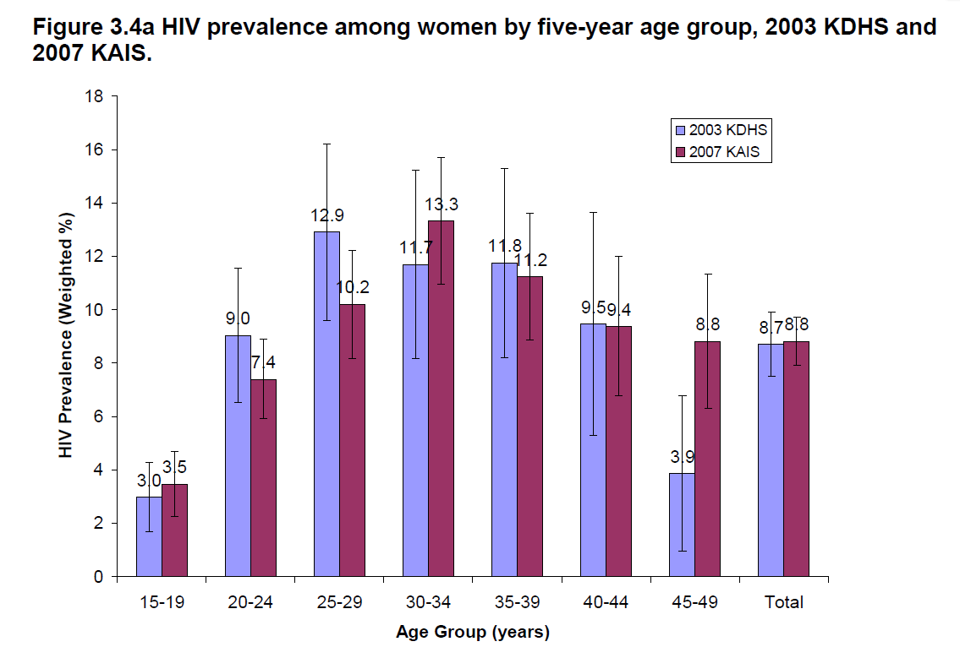
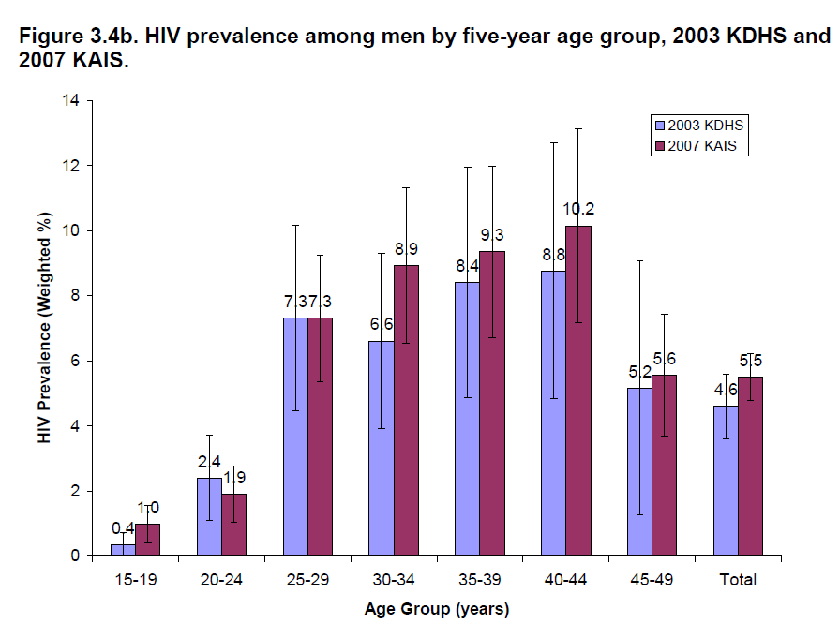
Source: 2007 KAIS
 | Kenya | HIV prevalence
 | Age | Female | Male | Total
 | 15-19 | 3.5% | 1.0% | 2.3%
 | 20-24 | 7.4% | 1.9% | 5.2%
 | 25-29 | 10.2% | 7.3% | 9.1%
 | 30-34 | 13.3% | 8.9% | 11.6%
 | 35-39 | 11.2% | 9.3% | 10.5%
 | 40-44 | 9.4% | 10.2% | 9.7%
 | 45-49 | 8.8% | 5.6% | 7.5%
 | 50-54 | 7.5% | 8.3% | 7.8%
 | 55-59 | 4.7% | 2.3% | 3.6%
 | 60-64 | 1.7% | 3.4% | 2.7%
 | Total | 8.4% | 5.4% | 7.1%
 | Nyanza |  |  | 14.9%

Source: Monisha's paper appendix (KAIS 2012)
 | Nyanza | HIV prevalence
 | Age | Female | Male
 | 18 – 19 | 6.6% | 2.2%
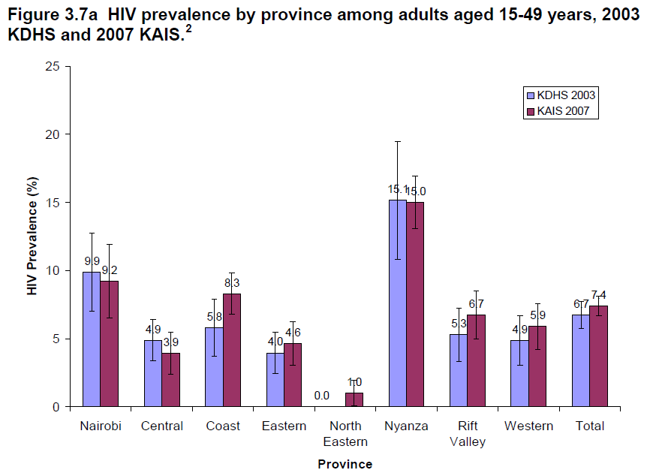
 | 20 – 24 | 14.1% | 2.9%
 | 25 – 34 | 23.1% | 22.0%
 | 35 – 44 | 23.1% | 24.6%
 | 45 –54 | 17.7% | 19.0%
 | 55 – 64 | 4.8% | 12.0%
 | 65-74 | 0.1% | 5.1%
 | 75-84 | 0.0% | 1.7%
 | 85+ | 0.0% | 0.0%

Source: Kenya AIDS Progress Report 2016
 | HIV prevalence in 2015
 |  | Adults 15+
 | County | Female prevalence | Male prevalence | HIV prevalence | HIV incidence | HIV mortality
 | Siaya |  |  | 24.8 | 1.68% | 0.018
 | Kisii |  |  | 4.7 | 0.27% | 0.018
 | Migori |  |  | 14.3 | 1 | 0.018
 | Kisumu |  |  | 19.9 | 1.62 | 0.018
 | Homa Bay |  |  | 26 | 2 | 0.018
 | Nyamira |  |  | 6.4 | 0.38 | 0.018

Source: DHS 2008-2009
 | Weighted HIV positivity among those who consented to testing (Nyanza)
 | Age | Female | Male | Total
 | 15-19 | 10.7523 | 1.8251 | 5.7889
 | 20-24 | 11.9136 | 5.7523 | 9.6933
 | 25-29 | 22.1964 | 24.3283 | 22.9793
 | 30-34 | 25.5763 | 15.2977 | 20.0917
 | 35-39 | 22.2504 | 22.5062 | 22.3633
 | 40-44 | 9.2731 | 24.7274 | 16.4572
 | 45-49 | 17.156 | 12.9073 | 15.5667
 | 50-54 |  | 15.9094 | --
 | Total | 15.9684 | 11.6173 | 13.9418

MTCT
Source: Waruru, 2018. Spatial–temporal trend for mother-to-child transmission of HIV up to infancy and during pre-Option B+ in western Kenya, 2007–13. PeerJ

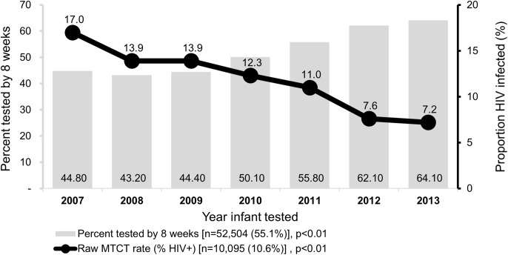
 | All of Western Kenya
 | Year | Unadjusted MTCT rates
 | 2007 | 0.170
 | 2008 | 0.139
 | 2009 | 0.139
 | 2010 | 0.123
 | 2011 | 0.110
 | 2012 | 0.076
 | 2013 | 0.072

 | Nyanza counties
 | Year | Unadjusted |  | Adjusted
 |  | 2007 | 2013 | 2007 | 2013
 | Total (Western Kenya) | 19.7 | 7 | 19.7 | 7.3
 | Kisii | 17.9 | 6.6 | 23.5 | 6.3
 | Homa bay | 18 | 8.3 | 20.6 | 7.9
 | Kisumu | 19.1 | 6.8 | 21.4 | 5.5
 | Migori | 17.6 | 7.4 | 22.1 | 5.8
 | Nyamira | 18.5 | 4.9 | 17.3 | 7.1
 | Siaya | 10.1 | 7.2 | 23.7 | 10.9

Source: Azcoaga-Lorenzo, 2010. Effectiveness of PMTCT programme in rural Western Kenya
 | Busia, Kenya
 | 2006-2008 | 15.80%

Source: Kenya AIDS Response Progress Report 2014 and 2016
 | Kenya
 | Year | Rate
 | 2011 | 14.94%
 | 2012 | 16%
 | 2013 | 14%
 | 2015 | 8.30%

Source: Datta, P. 1994. Mother-To-Child Transmission Of Human Immunodeficiency Virus Type 1: Report From The Nairobi Study
 | Nairobi
 | 1986-1991% | 42.80%
 | Adjusted using the direct methods (Working Group on MTCT of HIV, 1993. Rates of Mother-to-Child Transmission of HIV-1 in Africa, America, and Europe: Results from 13 Perinatal Studies)
 | 1986-1991% | 42.10%

