CC rates
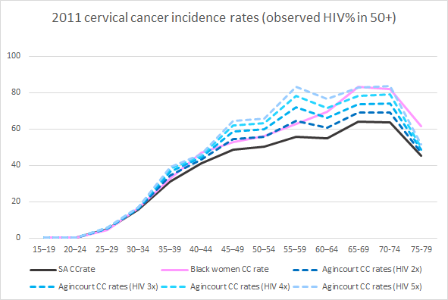
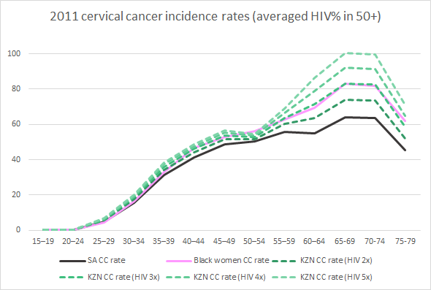
HIV+ 2x higher risk for cervical cancer |  |  |  |  | HIV+ RR | 2
 | Observed |  |  |  | Estimated |  |  | KZN |  |  |  |  |  |  | Agincourt | Ref: Gomez-Olive, 2013 (https://www.tandfonline.com/doi/full/10.1080/09540121.2012.750710#:~:targetText=Rates%20peaked%20at%2045.3%25%20among,women%20through%20to%20age%2070)
Age | Cases | Pop | CCrateSA | HIVSA all Females | CCrateHIV+ | CCrateHIV- | Black women, SA | HIVKZN | Pop 2011 | HIV+ | HIV- | CCcasesHIV+ | CCcasesHIV- | KZN CC rate (HIV 2x) | HIVAgincourt | Pop 2011 | HIV+ | HIV- | CCcasesHIV+ | CCcasesHIV- | Agincourt CC rates (HIV 2x)
15–19 | 3 | 2504905 | 0.12 | 0.056 | 0.34 | 0.11 | 0.1 | 0.110 | 563329 | 62225 | 501104 | 0.2 | 0.6 | 0.1 | 0.055 | 563329 | 30983 | 532346 | 0.1 | 0.6 | 0.1
20–24 | 7 | 2679896 | 0.26 | 0.174 | 0.67 | 0.22 | 0.2 | 0.327 | 564949 | 184645 | 380304 | 1.2 | 0.8 | 0.4 | 0.270 | 564949 | 152536 | 412413 | 1.0 | 0.9 | 0.3
25–29 | 121 | 2516635 | 4.81 | 0.284 | 11.23 | 3.74 | 4.4 | 0.490 | 505437 | 247689 | 257748 | 27.8 | 9.7 | 7.4 | 0.378 | 505437 | 191055 | 314382 | 21.5 | 11.8 | 6.6
30–34 | 310 | 1992804 | 15.56 | 0.36 | 34.31 | 11.44 | 16.6 | 0.533 | 377013 | 200979 | 176034 | 69.0 | 20.1 | 23.6 | 0.418 | 377013 | 157591 | 219422 | 54.1 | 25.1 | 21.0
35–39 | 547 | 1758420 | 31.11 | 0.316 | 70.91 | 23.64 | 32.8 | 0.446 | 317837 | 141599 | 176238 | 100.4 | 41.7 | 44.7 | 0.461 | 317837 | 146523 | 171314 | 103.9 | 40.5 | 45.4
40–44 | 637 | 1546291 | 41.20 | 0.28 | 96.55 | 32.18 | 46.8 | 0.375 | 273605 | 102585 | 171020 | 99.0 | 55.0 | 56.3 | 0.344 | 273605 | 94120 | 179485 | 90.9 | 57.8 | 54.3
45–49 | 693 | 1424543 | 48.65 | 0.197 | 121.92 | 40.64 | 53.0 | 0.271 | 263043 | 71190 | 191853 | 86.8 | 78.0 | 62.6 | 0.342 | 263043 | 89961 | 173082 | 109.7 | 70.3 | 68.4
50–54 | 608 | 1206940 | 50.38 | 0.148 | 131.64 | 43.88 | 56.1 | 0.179 | 221943 | 39728 | 182215 | 52.3 | 80.0 | 59.6 | 0.269 | 221943 | 59703 | 162240 | 78.6 | 71.2 | 67.5
55–59 | 551 | 985458 | 55.91 | 0.097 | 152.91 | 50.97 | 62.9 | 0.179 | 187288 | 33525 | 153763 | 51.3 | 78.4 | 69.2 | 0.268 | 187288 | 50193 | 137095 | 76.7 | 69.9 | 78.3
60–64 | 426 | 773404 | 55.08 | 0.024 | 161.37 | 53.79 | 69.6 | 0.179 | 158830 | 28431 | 130399 | 45.9 | 70.1 | 73.0 | 0.131 | 158830 | 20807 | 138023 | 33.6 | 74.2 | 67.9
65-69 | 357 | 556256 | 64.18 | 0.024 | 188.02 | 62.67 | 83.1 | 0.179 | 107106 | 19172 | 87934 | 36.0 | 55.1 | 85.1 | 0.103 | 107106 | 11032 | 96074 | 20.7 | 60.2 | 75.6
70-74 | 290 | 454832 | 63.76 | 0.024 | 186.80 | 62.27 | 82.0 | 0.179 | 88763 | 15889 | 72874 | 29.7 | 45.4 | 84.6 | 0.110 | 88763 | 9764 | 78999 | 18.2 | 49.2 | 76.0
75-79 | 143 | 315984 | 45.26 | 0.024 | 132.58 | 44.19 | 61.7 | 0.179 | 60059 | 10751 | 49308 | 14.3 | 21.8 | 60.0 | 0.062 | 60059 | 3724 | 56335 | 4.9 | 24.9 | 49.7

Total | 4693 | 18716368 | 25.07 |  | 53.7 | 22.5 | 26.6 |  | 3689202 | 1158406 | 2530796 | 613.9 | 556.6 | 31.7 |  | 3689202 | 1017992 | 2671210 | 614.0 | 556.6 | 31.7

HIV+ 3x higher risk for cervical cancer |  |  |  |  | HIV+ RR | 3
 | Observed |  |  |  | Estimated |  |  | KZN |  |  |  |  |  |  | Agincourt
Age | Cases | Pop | CCrateSA | HIVSA all Females | CCrateHIV+ | CCrateHIV- |  | HIVKZN | Pop 2011 | HIV+ | HIV- | CCcasesHIV+ | CCcasesHIV- | KZN CC rate (HIV 3x) | HIVAgincourt | Pop 2011 | HIV+ | HIV- | CCcasesHIV+ | CCcasesHIV- | Agincourt CC rates (HIV 3x)
15–19 | 3 | 2504905 | 0.12 | 0.056 | 0.32 | 0.11 |  | 0.110 | 563329 | 62225 | 501104 | 0.2 | 0.5 | 0.1 | 0.055 | 563329 | 30983 | 532346 | 0.1 | 0.6 | 0.1
20–24 | 7 | 2679896 | 0.26 | 0.174 | 0.58 | 0.19 |  | 0.327 | 564949 | 184645 | 380304 | 1.1 | 0.7 | 0.3 | 0.270 | 564949 | 152536 | 412413 | 0.9 | 0.8 | 0.3
25–29 | 121 | 2516635 | 4.81 | 0.284 | 9.20 | 3.07 |  | 0.490 | 505437 | 247689 | 257748 | 22.8 | 7.9 | 6.1 | 0.378 | 505437 | 191055 | 314382 | 17.6 | 9.6 | 5.4
30–34 | 310 | 1992804 | 15.56 | 0.36 | 27.13 | 9.04 |  | 0.533 | 377013 | 200979 | 176034 | 54.5 | 15.9 | 18.7 | 0.418 | 377013 | 157591 | 219422 | 42.8 | 19.8 | 16.6
35–39 | 547 | 1758420 | 31.11 | 0.316 | 57.18 | 19.06 |  | 0.446 | 317837 | 141599 | 176238 | 81.0 | 33.6 | 36.0 | 0.461 | 317837 | 146523 | 171314 | 83.8 | 32.7 | 36.6
40–44 | 637 | 1546291 | 41.20 | 0.28 | 79.22 | 26.41 |  | 0.375 | 273605 | 102585 | 171020 | 81.3 | 45.2 | 46.2 | 0.344 | 273605 | 94120 | 179485 | 74.6 | 47.4 | 44.6
45–49 | 693 | 1424543 | 48.65 | 0.197 | 104.69 | 34.90 |  | 0.271 | 263043 | 71190 | 191853 | 74.5 | 67.0 | 53.8 | 0.342 | 263043 | 89961 | 173082 | 94.2 | 60.4 | 58.8
50–54 | 608 | 1206940 | 50.38 | 0.148 | 116.61 | 38.87 |  | 0.179 | 221943 | 39728 | 182215 | 46.3 | 70.8 | 52.8 | 0.269 | 221943 | 59703 | 162240 | 69.6 | 63.1 | 59.8
55–59 | 551 | 985458 | 55.91 | 0.097 | 140.49 | 46.83 |  | 0.179 | 187288 | 33525 | 153763 | 47.1 | 72.0 | 63.6 | 0.268 | 187288 | 50193 | 137095 | 70.5 | 64.2 | 71.9
60–64 | 426 | 773404 | 55.08 | 0.024 | 157.68 | 52.56 |  | 0.179 | 158830 | 28431 | 130399 | 44.8 | 68.5 | 71.4 | 0.131 | 158830 | 20807 | 138023 | 32.8 | 72.5 | 66.3
65-69 | 357 | 556256 | 64.18 | 0.024 | 183.72 | 61.24 |  | 0.179 | 107106 | 19172 | 87934 | 35.2 | 53.9 | 83.2 | 0.103 | 107106 | 11032 | 96074 | 20.3 | 58.8 | 73.9
70-74 | 290 | 454832 | 63.76 | 0.024 | 182.52 | 60.84 |  | 0.179 | 88763 | 15889 | 72874 | 29.0 | 44.3 | 82.6 | 0.110 | 88763 | 9764 | 78999 | 17.8 | 48.1 | 74.2
75-79 | 143 | 315984 | 45.26 | 0.024 | 129.55 | 43.18 |  | 0.179 | 60059 | 10751 | 49308 | 13.9 | 21.3 | 58.6 | 0.062 | 60059 | 3724 | 56335 | 4.8 | 24.3 | 48.5

Total | 4693 | 18716368 | 25.07 |  | 45.3 | 20.2 |  |  | 3689202 | 1158406 | 2530796 | 531.8 | 501.7 | 28.0 |  | 3689202 | 1017992 | 2671210 | 529.7 | 502.3 | 28.0

HIV+ 4x higher risk for cervical cancer |  |  |  |  | HIV+ RR | 4
 | Observed |  |  |  | Estimated |  |  | KZN |  |  |  |  |  |  | Agincourt
Age | Cases | Pop | CCrateSA | HIVSA all Females | CCrateHIV+ | CCrateHIV- |  | HIVKZN | Pop 2011 | HIV+ | HIV- | CCcasesHIV+ | CCcasesHIV- | KZN CC rate (HIV 4x) | HIVAgincourt | Pop 2011 | HIV+ | HIV- | CCcasesHIV+ | CCcasesHIV- | Agincourt CC rates (HIV 4x)
15–19 | 3 | 2504905 | 0.12 | 0.056 | 0.41 | 0.10 |  | 0.110 | 563329 | 62225 | 501104 | 0.3 | 0.5 | 0.1 | 0.055 | 563329 | 30983 | 532346 | 0.1 | 0.5 | 0.1
20–24 | 7 | 2679896 | 0.26 | 0.174 | 0.69 | 0.17 |  | 0.327 | 564949 | 184645 | 380304 | 1.3 | 0.7 | 0.3 | 0.270 | 564949 | 152536 | 412413 | 1.0 | 0.7 | 0.3
25–29 | 121 | 2516635 | 4.81 | 0.284 | 10.38 | 2.60 |  | 0.490 | 505437 | 247689 | 257748 | 25.7 | 6.7 | 6.4 | 0.378 | 505437 | 191055 | 314382 | 19.8 | 8.2 | 5.5
30–34 | 310 | 1992804 | 15.56 | 0.36 | 29.92 | 7.48 |  | 0.533 | 377013 | 200979 | 176034 | 60.1 | 13.2 | 19.4 | 0.418 | 377013 | 157591 | 219422 | 47.1 | 16.4 | 16.9
35–39 | 547 | 1758420 | 31.11 | 0.316 | 63.88 | 15.97 |  | 0.446 | 317837 | 141599 | 176238 | 90.4 | 28.1 | 37.3 | 0.461 | 317837 | 146523 | 171314 | 93.6 | 27.4 | 38.1
40–44 | 637 | 1546291 | 41.20 | 0.28 | 89.56 | 22.39 |  | 0.375 | 273605 | 102585 | 171020 | 91.9 | 38.3 | 47.6 | 0.344 | 273605 | 94120 | 179485 | 84.3 | 40.2 | 45.5
45–49 | 693 | 1424543 | 48.65 | 0.197 | 122.31 | 30.58 |  | 0.271 | 263043 | 71190 | 191853 | 87.1 | 58.7 | 55.4 | 0.342 | 263043 | 89961 | 173082 | 110.0 | 52.9 | 61.9
50–54 | 608 | 1206940 | 50.38 | 0.148 | 139.54 | 34.89 |  | 0.179 | 221943 | 39728 | 182215 | 55.4 | 63.6 | 53.6 | 0.269 | 221943 | 59703 | 162240 | 83.3 | 56.6 | 63.0
55–59 | 551 | 985458 | 55.91 | 0.097 | 173.24 | 43.31 |  | 0.179 | 187288 | 33525 | 153763 | 58.1 | 66.6 | 66.6 | 0.268 | 187288 | 50193 | 137095 | 87.0 | 59.4 | 78.1
60–64 | 426 | 773404 | 55.08 | 0.024 | 205.53 | 51.38 |  | 0.179 | 158830 | 28431 | 130399 | 58.4 | 67.0 | 79.0 | 0.131 | 158830 | 20807 | 138023 | 42.8 | 70.9 | 71.6
65-69 | 357 | 556256 | 64.18 | 0.024 | 239.47 | 59.87 |  | 0.179 | 107106 | 19172 | 87934 | 45.9 | 52.6 | 92.0 | 0.103 | 107106 | 11032 | 96074 | 26.4 | 57.5 | 78.4
70-74 | 290 | 454832 | 63.76 | 0.024 | 237.91 | 59.48 |  | 0.179 | 88763 | 15889 | 72874 | 37.8 | 43.3 | 91.4 | 0.110 | 88763 | 9764 | 78999 | 23.2 | 47.0 | 79.1
75-79 | 143 | 315984 | 45.26 | 0.024 | 168.86 | 42.22 |  | 0.179 | 60059 | 10751 | 49308 | 18.2 | 20.8 | 64.9 | 0.062 | 60059 | 3724 | 56335 | 6.3 | 23.8 | 50.1

Total | 4693 | 18716368 | 25.07 |  | 52.4 | 18.5 |  |  | 3689202 | 1158406 | 2530796 | 630.6 | 460.1 | 29.6 |  | 3689202 | 1017992 | 2671210 | 625.0 | 461.5 | 29.5

HIV+ 5x higher risk for cervical cancer |  |  |  |  | HIV+ RR | 5
 | Observed |  |  |  | Estimated |  |  | KZN |  |  |  |  |  |  | Agincourt
Age | Cases | Pop | CCrateSA | HIVSA all Females | CCrateHIV+ | CCrateHIV- |  | HIVKZN | Pop 2011 | HIV+ | HIV- | CCcasesHIV+ | CCcasesHIV- | KZN CC rate (HIV 5x) | HIVAgincourt | Pop 2011 | HIV+ | HIV- | CCcasesHIV+ | CCcasesHIV- | Agincourt CC rates (HIV 5x)
15–19 | 3 | 2504905 | 0.12 | 0.056 | 0.49 | 0.10 |  | 0.110 | 563329 | 62225 | 501104 | 0.3 | 0.5 | 0.1 | 0.055 | 563329 | 30983 | 532346 | 0.2 | 0.5 | 0.1
20–24 | 7 | 2679896 | 0.26 | 0.174 | 0.77 | 0.15 |  | 0.327 | 564949 | 184645 | 380304 | 1.4 | 0.6 | 0.4 | 0.270 | 564949 | 152536 | 412413 | 1.2 | 0.6 | 0.3
25–29 | 121 | 2516635 | 4.81 | 0.284 | 11.25 | 2.25 |  | 0.490 | 505437 | 247689 | 257748 | 27.9 | 5.8 | 6.7 | 0.378 | 505437 | 191055 | 314382 | 21.5 | 7.1 | 5.7
30–34 | 310 | 1992804 | 15.56 | 0.36 | 31.88 | 6.38 |  | 0.533 | 377013 | 200979 | 176034 | 64.1 | 11.2 | 20.0 | 0.418 | 377013 | 157591 | 219422 | 50.2 | 14.0 | 17.0
35–39 | 547 | 1758420 | 31.11 | 0.316 | 68.70 | 13.74 |  | 0.446 | 317837 | 141599 | 176238 | 97.3 | 24.2 | 38.2 | 0.461 | 317837 | 146523 | 171314 | 100.7 | 23.5 | 39.1
40–44 | 637 | 1546291 | 41.20 | 0.28 | 97.16 | 19.43 |  | 0.375 | 273605 | 102585 | 171020 | 99.7 | 33.2 | 48.6 | 0.344 | 273605 | 94120 | 179485 | 91.4 | 34.9 | 46.2
45–49 | 693 | 1424543 | 48.65 | 0.197 | 136.04 | 27.21 |  | 0.271 | 263043 | 71190 | 191853 | 96.8 | 52.2 | 56.7 | 0.342 | 263043 | 89961 | 173082 | 122.4 | 47.1 | 64.4
50–54 | 608 | 1206940 | 50.38 | 0.148 | 158.21 | 31.64 |  | 0.179 | 221943 | 39728 | 182215 | 62.9 | 57.7 | 54.3 | 0.269 | 221943 | 59703 | 162240 | 94.5 | 51.3 | 65.7
55–59 | 551 | 985458 | 55.91 | 0.097 | 201.42 | 40.28 |  | 0.179 | 187288 | 33525 | 153763 | 67.5 | 61.9 | 69.1 | 0.268 | 187288 | 50193 | 137095 | 101.1 | 55.2 | 83.5
60–64 | 426 | 773404 | 55.08 | 0.024 | 251.28 | 50.26 |  | 0.179 | 158830 | 28431 | 130399 | 71.4 | 65.5 | 86.2 | 0.131 | 158830 | 20807 | 138023 | 52.3 | 69.4 | 76.6
65-69 | 357 | 556256 | 64.18 | 0.024 | 292.79 | 58.56 |  | 0.179 | 107106 | 19172 | 87934 | 56.1 | 51.5 | 100.5 | 0.103 | 107106 | 11032 | 96074 | 32.3 | 56.3 | 82.7
70-74 | 290 | 454832 | 63.76 | 0.024 | 290.88 | 58.18 |  | 0.179 | 88763 | 15889 | 72874 | 46.2 | 42.4 | 99.8 | 0.110 | 88763 | 9764 | 78999 | 28.4 | 46.0 | 83.8
75-79 | 143 | 315984 | 45.26 | 0.024 | 206.46 | 41.29 |  | 0.179 | 60059 | 10751 | 49308 | 22.2 | 20.4 | 70.9 | 0.062 | 60059 | 3724 | 56335 | 7.7 | 23.3 | 51.5

Total | 4693 | 18716368 | 25.07 |  | 58.0 | 17.2 |  |  | 3689202 | 1158406 | 2530796 | 713.8 | 427.1 | 30.9 |  | 3689202 | 1017992 | 2671210 | 703.8 | 429.1 | 30.7

Notes
Params | Sources
Observed number of cervical cancer cases in South Africa | National Cancer Registry, 2011
Cervical cancer rates for black women | National Cancer Registry, 2011
South Africa female population | Census 2011
South African women HIV prevalence | South African National HIV Survey, 2012
KZN women HIV prevalence | Africa Center health and demographic surveillance system, 2011; these estimates are currently being used in the model as calibration targets for HIV. N ~ 57000 in 2006.
KZN female population | Census 2011
Agincourt HIV prevalence | Gomez-Olive, 2013. | Serosurvey of N=2681 women in Agincourt (a rural district in KZN) done in 2010-2011.

Calculating HIV-specific cervical cancer incidence
The cervical cancer rates by HIV status were estimated using the observed cancer rates and HIV prevalence in the overall South African women population, with the assumption that the rates among HIV+ women are between 2-5 times higher than HIV- women. HIV-specific cervical cancer rates are calculated based on the following formula, which was applied to each age group:

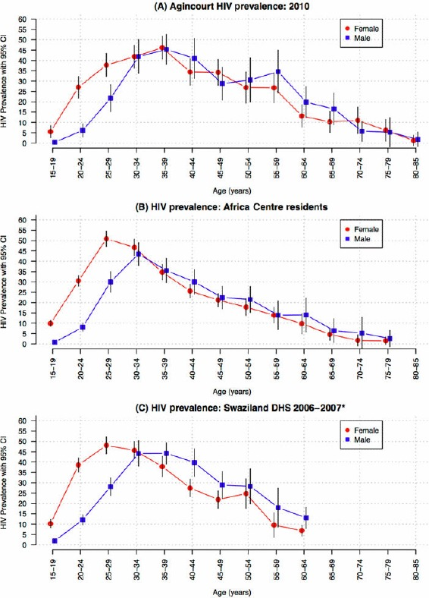
Exaplanation of HIV prevalence estimates
Two sets of HIV prevalence are used for estimating KZN cervical cancer rates by HIV status. Age-specific HIV prevalence from Africa Center were estimated from KZN residents participating in the Health and Demographic Surveillance system. The HDSS is a population-based longitudinal cohort that has been collecting HIV data annually since 2003. As of 2006, approximately 57000 male and female residents and non-residents were under surveillance. Prior to 2007, the upper age limit for inclusion in the cohort was 49 for women and 54 for men; all people over 15 years were included after 2007. This set of HIV prevalence estiamtes is currently what we use for calibration. But we don't not have age-group specific HIV prevalence for people over 50 years. Instead, the HIV prevalence for the 50+ popuation is averaged across the entire group.
HIV prevalence from Agincourt came from a separate serosurvey conducted in Agincourt in 2010-2011. Agincourt is a rural district in KZN that is outside of the surveillance area in the African Center study. The sample size of female partcipants in the Agincourt study was 2681. Age-specific HIV prevalence for people over 50 years is available from this study, which showed that HIV prevalence decreased with age in the older population. These estimates also suggest that average HIV prevalence may be an overestimate for the group.

Decision for calibration/validation:
For calibration, use cervical cancer rates for SA black women, which are reasonable proxies for KZN cervical cancer rates. In the plot on the left, rates in black women overlaps nearly compeletely with the rates that were calculated with the assumption that HIV increases cancer risk 3 fold. For validation, use the max and min estimates from both plots as bounds.

