Population
Intercensal growth rate in Kenya and Nyanza - Female
 | 1979-1989 | 1989-1999 | 1999-2009 | 1979-1989 | 1989-1999 | 1999-2009
0 - 4 | 32.9 | 18.7 | 31.0 |  | 7.38 | 33.95
5 - 9 | 38.6 | 13.8 | 40.9 |  | 6.09 | 31.89
10 - 14 | 45.1 | 34.9 | 23.3 |  | 32.81 | 8.56
15 - 19 | 35.3 | 43.3 | 18.9 |  | 44.76 | 11.58
20 - 24 | 47.7 | 48.5 | 34.3 |  | 39.51 | 31.19
25 - 29 | 56.5 | 37.4 | 43.6 |  | 19.32 | 32.34
30 - 34 | 39.5 | 46.8 | 49.4 |  | 28.06 | 25.04
35 - 39 | 40.7 | 58.0 | 38.8 |  | 46.96 | 8.73
40 - 44 | 33.1 | 41.9 | 41.7 |  | 37.12 | 13.60
45 - 49 | 32.2 | 42.8 | 52.1 |  | 35.10 | 31.50
50 - 54 | 26.0 | 41.4 | 40.5 |  | 21.28 | 35.80
55 - 59 | 34.7 | 30.5 | 49.2 |  | 1.55 | 37.64
60 - 64 | 53.3 | 27.9 | 39.1 |  | 27.91 | 19.30
65 - 69 | 40.6 | 37.1 | 29.5 |  | 46.49 | -1.82
70 -74 | 45.8 | 48.6 | 32.1 |  | 43.63 | 30.07
75 -79 | -30.2 | 35.0 | 45.4 |  | 40.87 | 58.23
80+ |  | 28.7 | 85.5 |  | 28.52 | 101.19
Source: Kenya Population Census 1979 |  |  |  |  |  |  |  |  |  |  |  | Change in population over time in Kenya
 | Nyanza Province |  |  |  |  | Kenya |  |  |  |  |  | Kenya male |  |  | Female |  |  |  | Nyanza male |  |  | Female
 | Age | Female | Male | Total |  | Age | Male | Female | Total |  |  | 1979-1989 | 1989-1999 | 1999-2009 | 1979-1989 | 1989-1999 | 1999-2009 |  | 1979-1989 | 1989-1999 | 1999-2009 | 1979-1989 | 1989-1999 | 1999-2009
 | 0 - 4 |  |  |  |  | 0 - 4 | 1,422,021 | 1,421,385 | 2,843,406 |  | 0 - 4 | 34 | 20 | 31 | 32.9 | 18.7 | 31.0 |  |  | 8.0 | 34.0 |  | 7.38 | 33.95
 | 5 - 9 |  |  |  |  | 5 - 9 | 1,247,091 | 1,244,749 | 2,491,840 |  | 5 - 9 | 40 | 15 | 42 | 38.6 | 13.8 | 40.9 |  |  | 5.8 | 31.0 |  | 6.09 | 31.89
 | 10 - 14 |  |  |  |  | 10 - 14 | 1,050,932 | 1023839 | 2,074,771 |  | 10 - 14 | 43 | 35 | 26 | 45.1 | 34.9 | 23.3 |  |  | 33.3 | 7.7 |  | 32.81 | 8.56
 | 15 - 19 |  |  |  |  | 15 - 19 | 854,123 | 887722 | 1,741,845 |  | 15 - 19 | 38 | 43 | 26 | 35.3 | 43.3 | 18.9 |  |  | 45.3 | 14.6 |  | 44.76 | 11.58
 | 20 - 24 |  |  |  |  | 20 - 24 | 641,401 | 686003 | 1,327,404 |  | 20 - 24 | 39 | 49 | 32 | 47.7 | 48.5 | 34.3 |  |  | 49.3 | 29.1 |  | 39.51 | 31.19
 | 25 - 29 |  |  |  |  | 25 - 29 | 514,451 | 541261 | 1,055,712 |  | 25 - 29 | 52 | 40 | 40 | 56.5 | 37.4 | 43.6 |  |  | 28.3 | 43.4 |  | 19.32 | 32.34
 | 30 - 34 |  |  |  |  | 30 - 34 | 405,385 | 412691 | 818,076 |  | 30 - 34 | 44 | 44 | 50 | 39.5 | 46.8 | 49.4 |  |  | 25.9 | 42.3 |  | 28.06 | 25.04
 | 35 - 39 |  |  |  |  | 35 - 39 | 290,227 | 325367 | 615,594 |  | 35 - 39 | 59 | 51 | 44 | 40.7 | 58.0 | 38.8 |  |  | 43.5 | 18.1 |  | 46.96 | 8.73
 | 40 - 44 |  |  |  |  | 40 - 44 | 261,480 | 273702 | 535,182 |  | 40 - 44 | 41 | 40 | 44 | 33.1 | 41.9 | 41.7 |  |  | 36.1 | 10.0 |  | 37.12 | 13.60
 | 45 - 49 |  |  |  |  | 45 - 49 | 218,914 | 221965 | 440,879 |  | 45 - 49 | 28 | 49 | 51 | 32.2 | 42.8 | 52.1 |  |  | 47.0 | 28.7 |  | 35.10 | 31.50
 | 50 - 54 |  |  |  |  | 50 - 54 | 182,908 | 191022 | 373,930 |  | 50 - 54 | 29 | 46 | 39 | 26.0 | 41.4 | 40.5 |  |  | 31.7 | 24.5 |  | 21.28 | 35.80
Intercensal growth rate in Kenya and Nyanza - Male
 | 1979-1989 | 1989-1999 | 1999-2009 | 1979-1989 | 1989-1999 | 1999-2009
0 - 4 | 34 | 20 | 31 |  | 8.0 | 34.0
5 - 9 | 40 | 15 | 42 |  | 5.8 | 31.0
10 - 14 | 43 | 35 | 26 |  | 33.3 | 7.7
15 - 19 | 38 | 43 | 26 |  | 45.3 | 14.6
20 - 24 | 39 | 49 | 32 |  | 49.3 | 29.1
25 - 29 | 52 | 40 | 40 |  | 28.3 | 43.4
30 - 34 | 44 | 44 | 50 |  | 25.9 | 42.3
35 - 39 | 59 | 51 | 44 |  | 43.5 | 18.1
40 - 44 | 41 | 40 | 44 |  | 36.1 | 10.0
45 - 49 | 28 | 49 | 51 |  | 47.0 | 28.7
50 - 54 | 29 | 46 | 39 |  | 31.7 | 24.5
55 - 59 | 27 | 25 | 61 |  | 2.1 | 45.3
60 - 64 | 40 | 29 | 52 |  | 18.3 | 29.6
65 - 69 | 14 | 24 | 30 |  | 27.1 | -1.0
70 -74 | 25 | 43 | 35 |  | 23.4 | 21.2
75 -79 | -24 | 19 | 26 |  | 3.6 | 25.9
80+ |  | 16 | 67 |  | 14.7 | 53.6
 | 55 - 59 |  |  |  |  | 55 - 59 | 140,777 | 134534 | 275,311 |  | 55 - 59 | 27 | 25 | 61 | 34.7 | 30.5 | 49.2 |  |  | 2.1 | 45.3 |  | 1.55 | 37.64
 | 60 - 64 |  |  |  |  | 60 - 64 | 107,710 | 109518 | 217,228 |  | 60 - 64 | 40 | 29 | 52 | 53.3 | 27.9 | 39.1 |  |  | 18.3 | 29.6 |  | 27.91 | 19.30
 | 65 - 69 |  |  |  |  | 65 - 69 | 99,906 | 83221 | 183,127 |  | 65 - 69 | 14 | 24 | 30 | 40.6 | 37.1 | 29.5 |  |  | 27.1 | -1.0 |  | 46.49 | -1.82
 | 70 -74 |  |  |  |  | 70 -74 | 66,369 | 62539 | 128,908 |  | 70 -74 | 25 | 43 | 35 | 45.8 | 48.6 | 32.1 |  |  | 23.4 | 21.2 |  | 43.63 | 30.07
 | 75 -79 |  |  |  |  | 75 -79 | 87,766 | 86597 | 174,363 |  | 75 -79 | -24 | 19 | 26 | -30.2 | 35.0 | 45.4 |  |  | 3.6 | 25.9 |  | 40.87 | 58.23
 | 80+ |  |  |  |  | 80+ |  |  |  |  | 80+ |  | 16 | 67 |  | 28.7 | 85.5 |  |  | 14.7 | 53.6 |  | 28.52 | 101.19
 | Age missing |  |  |  |  | Age missing
 | Total |  |  |  |  | Total | 7,591,461 | 7,706,115 | 15,297,576

Source: Kenya Population Census 1989
 |  |  |  |  |  |  |  |  |  |  | Proportion of population |  |  |  |  |  | Proportion of Nyanza pop relative to Kenya
 | Nyanza Province |  |  |  |  | Kenya |  |  |  |  | Nyanza |  |  | Kenya |  |  | Female | Male
Proportion of Nyanza pop relative to Kenya: Female
 | Age | Female | Male | Total |  | Age | Female | Male | Total |  | Female | Male |  | Female | Male |  | 1989 | 1989
 | 0 - 4 | 328,243 | 328,748 | 656991 |  | 0 - 4 | 1,888,827 | 1,911,216 | 3,800,043 |  | 9.3592197908 | 9.3736188976 |  | 8.808333624 | 8.9127422234 |  | 17.38 | 17.20
 | 5 - 9 | 291,272 | 293,873 | 585,145 |  | 5 - 9 | 1,725,292 | 1,743,646 | 3,468,938 |  | 8.3050626119 | 8.3792251399 |  | 8.0457064278 | 8.1312982556 |  | 16.88 | 16.85
 | 10 - 14 | 253,763 | 258,326 | 512,089 |  | 10 - 14 | 1,485,648 | 1,504,044 | 2,989,692 |  | 7.2355653945 | 7.3656705906 |  | 6.9281534158 | 7.0139411059 |  | 17.08 | 17.18
 | 15 - 19 | 194,194 | 189,848 | 384,042 |  | 15 - 19 | 1,200,712 | 1,177,984 | 2,378,696 |  | 5.5370695736 | 5.4131517164 |  | 5.5993862235 | 5.4933967355 |  | 16.17 | 16.12
 | 20 - 24 | 161,014 | 118,217 | 279,231 |  | 20 - 24 | 1,013,340 | 889,594 | 1,902,934 |  | 4.591005491 | 3.3707310925 |  | 4.7255978417 | 4.1485222002 |  | 15.89 | 13.29
 | 25 - 29 | 136,441 | 99,511 | 235,952 |  | 25 - 29 | 847,287 | 782,475 | 1,629,761 |  | 3.8903535109 | 2.8373653684 |  | 3.9512282339 | 3.6489847151 |  | 16.10 | 12.72
 | 30 - 34 | 96,154 | 79,736 | 175,890 |  | 30 - 34 | 575,651 | 583,773 | 1,159,424 |  | 2.7416469499 | 2.2735191588 |  | 2.6844841052 | 2.7223601445 |  | 16.70 | 13.66
 | 35 - 39 | 77,231 | 62,965 | 140,196 |  | 35 - 39 | 457,942 | 460,950 | 918,892 |  | 2.2020938867 | 1.7953262495 |  | 2.1355613386 | 2.1495888104 |  | 16.86 | 13.66
 | 40 - 44 | 61,401 | 52,035 | 113,436 |  | 40 - 44 | 364,244 | 367,934 | 732,178 |  | 1.7507317883 | 1.4836782561 |  | 1.698611187 | 1.7158190896 |  | 16.86 | 14.14
 | 45 - 49 | 51,664 | 39,713 | 91,377 |  | 45 - 49 | 293,405 | 281,127 | 574,532 |  | 1.4730999024 | 1.1323400516 |  | 1.3682614273 | 1.3110043465 |  | 17.61 | 14.13
 | 50 - 54 | 45,218 | 37,179 | 82,397 |  | 50 - 54 | 240,617 | 235,906 | 476,523 |  | 1.2893045716 | 1.0600879001 |  | 1.1220904888 | 1.1001212667 |  | 18.79 | 15.76
 | 55 - 59 | 39,496 | 32,454 | 71,950 |  | 55 - 59 | 181,155 | 179,017 | 360,172 |  | 1.1261527126 | 0.92536358457 |  | 0.84479609708 | 0.83482577302 |  | 21.80 | 18.13
 | 60 - 64 | 30,651 | 26,180 | 56,831 |  | 60 - 64 | 167,901 | 150,496 | 318,397 |  | 0.87395449654 | 0.74647250398 |  | 0.78298754931 | 0.70182127695 |  | 18.26 | 17.40
 | 65 - 69 | 22,800 | 19,976 | 42,776 |  | 65 - 69 | 116,980 | 113,690 | 230,670 |  | 0.6500982846 | 0.56957733917 |  | 0.54552315661 | 0.5301806093 |  | 19.49 | 17.57
Proportion of Nyanza pop relative to Kenya: Male
 | 70 -74 | 15,793 | 15,387 | 31,180 |  | 70 -74 | 91,212 | 82,966 | 174,178 |  | 0.45030711441 | 0.43873080285 |  | 0.42535696838 | 0.38690266893 |  | 17.31 | 18.55
 | 75 -79 | 9,528 | 11,952 | 21,480 |  | 75 -79 | 60,476 | 66,600 | 127,076 |  | 0.27167265156 | 0.34078836393 |  | 0.28202306736 | 0.31058165695 |  | 15.76 | 17.95
 | 80+ | 11,462 | 11,201 | 22,663 |  | 80+ | 94,070 | 82,210 | 176,280 |  | 0.32681695342 | 0.31937503885 |  | 0.43868493198 | 0.38337714742 |  | 12.18 | 13.62
 | Age missing | 1,929 | 1,607 | 3,536 |  | Age missing | 10,509 | 14,741 | 25,250 |  | 52.074155685 | 47.825022055
 | Total | 1,828,254 | 1,678,908 | 3,507,162 |  | Total | 10,815,268 | 10,628,368 | 21,443,636

Source: 1999 Population and housing census
 | Tread in population
 | Year | Nyanza | Kenya
 | 1969 | 2,122,045 | 10,942,705 | 0.19392325755
 | 1979 | 2,643,956 | 15,327,061 | 0.17250247781
 | 1989 | 3,507,160 | 21,448,774 | 0.1635133085
 | 1999 | 4,392,196 | 28,686,607 | 0.15310963754
 | 2009 | 5442711 | 38610097 | 0.14096600172
 | Intercensal growth rate
 |  | Nyanza | Kenya
 | 1969-79 | 2.2 | 3.4
 | 1979-89 | 2.8 | 3.4
 | 1989-99 | 2.3 | 2.9

 | 1999 Population by age |  |  |  |  |  |  |  |  |  |  |  |  |  |  |  | Proportion of Nyanza pop relative to Kenya
 | Nyanza Province |  |  |  |  | Kenya |  |  |  |  | Nyanza |  |  | Kenya |  |  | 1999 | 1999
 | Age | Female | Male | Total |  | Age | Female | Male | Total |  | Female | Male |  | Female | Male |  | Female | Male
 | 0 - 4 | 352,462 | 355,120 | 707,582 |  | 0 - 4 | 2,242,966 | 2,291,936 | 4,534,902 |  | 8.0247329582 | 8.0852493832 |  | 7.8190267029 | 7.989737154 |  | 15.71 | 15.49
 | 5 - 9 | 309,023 | 310,927 | 619,950 |  | 5 - 9 | 1,962,556 | 2,000,580 | 3,963,136 |  | 7.0357288245 | 7.0790784382 |  | 6.8415115387 | 6.9740640033 |  | 15.75 | 15.54
 | 10 - 14 | 337,015 | 344,306 | 681,321 |  | 10 - 14 | 2,003,655 | 2,034,980 | 4,038,635 |  | 7.6730410027 | 7.83903997 |  | 6.9847835181 | 7.0939831277 |  | 16.82 | 16.92
 | 15 - 19 | 281,107 | 275,864 | 556,971 |  | 15 - 19 | 1,721,194 | 1,681,984 | 3,403,178 |  | 6.400146988 | 6.2807761767 |  | 6.0001185247 | 5.8634316391 |  | 16.33 | 16.40
 | 20 - 24 | 224,623 | 176,491 | 401,114 |  | 20 - 24 | 1,504,389 | 1,328,529 | 2,832,918 |  | 5.1141388044 | 4.0182860692 |  | 5.2443317298 | 4.6312800669 |  | 14.93 | 13.28
 | 25 - 29 | 162,798 | 127,695 | 290,493 |  | 25 - 29 | 1,164,594 | 1,094,909 | 2,259,503 |  | 3.7065285793 | 2.9073156116 |  | 4.0597992052 | 3.8168758279 |  | 13.98 | 11.66
 | 30 - 34 | 123,137 | 100,423 | 223,560 |  | 30 - 34 | 845,230 | 840,692 | 1,685,922 |  | 2.8035406435 | 2.2863961444 |  | 2.9464895768 | 2.9306700132 |  | 14.57 | 11.95
 | 35 - 39 | 113,502 | 90,340 | 203,842 |  | 35 - 39 | 723,749 | 695,263 | 1,419,012 |  | 2.5841742946 | 2.0568298865 |  | 2.5230042529 | 2.4237014572 |  | 15.68 | 12.99
 | 40 - 44 | 84,192 | 70,808 | 155,000 |  | 40 - 44 | 516,989 | 516,502 | 1,033,491 |  | 1.916854348 | 1.6121320633 |  | 1.8022345395 | 1.8005368472 |  | 16.29 | 13.71
 | 45 - 49 | 69,798 | 58,367 | 128,165 |  | 45 - 49 | 418,987 | 419,341 | 838,328 |  | 1.5891367325 | 1.3288796766 |  | 1.460597504 | 1.4618315555 |  | 16.66 | 13.92
 | 50 - 54 | 54,840 | 48,982 | 103,822 |  | 50 - 54 | 340,167 | 344,639 | 684,806 |  | 1.24857816 | 1.1152052413 |  | 1.1858293244 | 1.2014188106 |  | 16.12 | 14.21
 | 55 - 59 | 40,107 | 33,143 | 73,250 |  | 55 - 59 | 236,325 | 223,591 | 459,916 |  | 0.91314230968 | 0.75458836536 |  | 0.82383392596 | 0.77944293384 |  | 16.97 | 14.82
 | 60 - 64 | 39,207 | 30,966 | 70,173 |  | 60 - 64 | 214,715 | 194,513 | 409,228 |  | 0.89265142084 | 0.70502318203 |  | 0.74850101095 | 0.67807641358 |  | 18.26 | 15.92
 | 65 - 69 | 33,400 | 25,395 | 58,795 |  | 65 - 69 | 160,364 | 140,969 | 301,333 |  | 0.76043965251 | 0.57818458011 |  | 0.55903228055 | 0.49142090218 |  | 20.83 | 18.01
 | 70 -74 | 22,683 | 18,984 | 41,667 |  | 70 -74 | 135,524 | 118,601 | 254,125 |  | 0.51643870173 | 0.4322211486 |  | 0.47243951753 | 0.41344558321 |  | 16.74 | 16.01
 | 75 -79 | 13,422 | 12,388 | 25,810 |  | 75 -79 | 81,620 | 79,166 | 160,786 |  | 0.30558745557 | 0.28204570106 |  | 0.28452903856 | 0.27597434289 |  | 16.44 | 15.65
 | 80+ | 14,731 | 12,850 | 27,581 |  | 80+ | 121,038 | 95,300 | 216,338 |  | 0.335390315 | 0.29256435733 |  | 0.42194101652 | 0.3322178066 |  | 12.17 | 13.48
 | Age missing | 11,843 | 11,257 | 23,100 |  | Age missing | 86,956 | 103,487 | 190,443
 | Total | 2,287,890 | 2,104,306 | 4,392,196 |  | Total | 14,481,018 | 14,204,982 | 28,686,000

Kenya 2009 Population
Source: Kenya Population and Housing Census 2009 |  |  |  |  |  |  |  |  |  |  |  |  |  |  |  | Proportion of Nyanza pop relative to Kenya
 | Nyanza Province |  |  |  |  | Kenya |  |  |  |  | Kenya |  | Nyanza |  |  | 2009 | 2009
 | Age | Female | Male | Total |  | Age | Female | Male | Total |  | Female | Male | Female | Male |  | Female | Male
 | 0 - 4 | 472132 | 475717 | 947,849 |  | 0 - 4 | 2,938,867 | 3,000,439 | 5,939,306 |  | 8 | -8 | 8.7 | -8.7 |  | 16.07 | 15.85
 | 5 - 9 | 407578 | 407362 | 814,940 |  | 5 - 9 | 2,765,047 | 2,832,669 | 5,597,716 |  | 7 | -7 | 7.5 | -7.5 |  | 14.74 | 14.38
 | 10 - 14 | 365861 | 370855 | 736,716 |  | 10 - 14 | 2,469,542 | 2,565,313 | 5,034,855 |  | 6 | -7 | 6.7 | -6.8 |  | 14.81 | 14.46
 | 15 - 19 | 313668 | 316129 | 629,797 |  | 15 - 19 | 2,045,890 | 2,123,653 | 4,169,543 |  | 5 | -6 | 5.8 | -5.8 |  | 15.33 | 14.89
 | 20 - 24 | 294691 | 227933 | 522,624 |  | 20 - 24 | 2,020,998 | 1,754,105 | 3,775,103 |  | 5 | -5 | 5.4 | -4.2 |  | 14.58 | 12.99
 | 25 - 29 | 215455 | 183083 | 398,538 |  | 25 - 29 | 1,672,110 | 1,529,116 | 3,201,226 |  | 4 | -4 | 4.0 | -3.4 |  | 12.89 | 11.97
 | 30 - 34 | 153975 | 142868 | 296,843 |  | 30 - 34 | 1,262,471 | 1,257,035 | 2,519,506 |  | 3 | -3 | 2.8 | -2.6 |  | 12.20 | 11.37
 | 35 - 39 | 123409 | 106733 | 230,142 |  | 35 - 39 | 1,004,271 | 1,004,361 | 2,008,632 |  | 3 | -3 | 2.3 | -2.0 |  | 12.29 | 10.63
 | 40 - 44 | 95638 | 77883 | 173,521 |  | 40 - 44 | 732,575 | 743,594 | 1,476,169 |  | 2 | -2 | 1.8 | -1.4 |  | 13.06 | 10.47
 | 45 - 49 | 91784 | 75090 | 166,874 |  | 45 - 49 | 637,469 | 635,276 | 1,272,745 |  | 2 | -2 | 1.7 | -1.4 |  | 14.40 | 11.82
 | 50 - 54 | 74474 | 60986 | 135,460 |  | 50 - 54 | 477,860 | 478,346 | 956,206 |  | 1 | -1 | 1.4 | -1.1 |  | 15.58 | 12.75
 | 55 - 59 | 55205 | 48144 | 103,349 |  | 55 - 59 | 352,487 | 359,466 | 711,953 |  | 1 | -1 | 1.0 | -0.9 |  | 15.66 | 13.39
 | 60 - 64 | 46773 | 40141 | 86,914 |  | 60 - 64 | 298,581 | 295,197 | 593,778 |  | 1 | -1 | 0.9 | -0.7 |  | 15.67 | 13.60
 | 65 - 69 | 32792 | 25151 | 57,943 |  | 65 - 69 | 207,612 | 183,151 | 390,763 |  | 1 | 0 | 0.6 | -0.5 |  | 15.79 | 13.73
 | 70 -74 | 29504 | 23013 | 52,517 |  | 70 -74 | 179,000 | 160,301 | 339,301 |  | 0 | 0 | 0.5 | -0.4 |  | 16.48 | 14.36
Nyanza 2009 Population
 | 75 -79 | 21238 | 15594 | 36,832 |  | 75 -79 | 118,675 | 99,833 | 218,508 |  | 0 | 0 | 0.4 | -0.3 |  | 17.90 | 15.62
 | 80+ | 29,637 | 19,734 | 49,371 |  | 80+ | 224,576 | 159,125 | 383,701 |  | 1 | 0 | 0.5 | -0.4 |  | 13.20 | 12.40
 | Age missing | 1,163 | 1,318 | 2,481 |  | Age missing | 9,608 | 11,478 | 21,086
 | Total | 2,824,977 | 2,617,734 | 5,442,711 |  | Total | 19,417,639 | 19,192,458 | 38,610,097

Pop size | Kenya | Total | Male 0-14 | Female 0-14 | Male 15-64 | Female 15-64
 | 1979 | 15297576 | 3720044 | 3689973 | 3871417 | 7706115
 | 1989 | 21443636 | 5158906 | 5099767 | 5454722 | 5704992
 | 1999 | 28686000 | 6327496 | 6209177 | 7773999 | 8184885
 | 2009 | 38610097 | 8398421 | 8173456 | 10782559 | 11234575

Source: UN Department of Economic and Social Affairs: World Population Prospects 2019
 |  | 1950 |  | 1955 |  | 1960 |  | 1965 |  | 1970 |  | 1975 |  | 1980 |  | 1985
 |  | Males | Females | Males | Females | Males | Females | Males | Females | Males | Females | Males | Females | Males | Females | Males | Females
 | 0-4 | 530 | 526 | 678 | 679 | 802 | 801 | 952 | 952 | 1143 | 1139 | 1404 | 1394 | 1696 | 1678 | 2021 | 1993
 | 5-9 | 354 | 353 | 478 | 478 | 621 | 625 | 746 | 751 | 897 | 903 | 1089 | 1091 | 1351 | 1347 | 1644 | 1631
 | 10-14 | 327 | 327 | 341 | 340 | 464 | 464 | 605 | 611 | 730 | 736 | 882 | 888 | 1074 | 1077 | 1335 | 1333
 | 15-19 | 316 | 307 | 318 | 318 | 333 | 332 | 454 | 455 | 594 | 601 | 719 | 726 | 871 | 879 | 1063 | 1068
 | 20-24 | 272 | 255 | 305 | 297 | 308 | 309 | 322 | 323 | 440 | 445 | 579 | 589 | 705 | 715 | 857 | 868
 | 25-29 | 231 | 208 | 259 | 246 | 292 | 288 | 294 | 299 | 310 | 314 | 426 | 434 | 565 | 578 | 691 | 704
 | 30-34 | 200 | 179 | 219 | 199 | 248 | 236 | 279 | 277 | 282 | 289 | 299 | 305 | 415 | 424 | 552 | 567
 | 35-39 | 180 | 155 | 189 | 170 | 208 | 190 | 236 | 226 | 267 | 267 | 271 | 280 | 289 | 297 | 403 | 415
 | 40-44 | 160 | 141 | 168 | 147 | 178 | 162 | 197 | 181 | 224 | 217 | 255 | 257 | 261 | 271 | 279 | 289
 | 45-49 | 132 | 131 | 148 | 132 | 157 | 139 | 166 | 154 | 185 | 173 | 212 | 208 | 243 | 248 | 250 | 262
 | 50-54 | 110 | 116 | 121 | 122 | 136 | 124 | 145 | 131 | 154 | 145 | 173 | 164 | 199 | 199 | 229 | 238
 | 55-59 | 87 | 97 | 98 | 106 | 109 | 112 | 123 | 115 | 131 | 122 | 141 | 136 | 159 | 155 | 184 | 188
 | 60-64 | 68 | 78 | 75 | 86 | 85 | 95 | 95 | 100 | 108 | 103 | 116 | 111 | 126 | 125 | 143 | 143
 | 65-69 | 48 | 60 | 55 | 65 | 62 | 72 | 70 | 80 | 79 | 86 | 90 | 89 | 98 | 96 | 107 | 110
 | 70-74 | 29 | 40 | 35 | 45 | 41 | 50 | 46 | 55 | 53 | 62 | 60 | 67 | 69 | 71 | 76 | 78
 | 75-79 | 15 | 26 | 18 | 26 | 22 | 29 | 26 | 32 | 29 | 37 | 34 | 42 | 39 | 46 | 46 | 50
 | 80+ | 6.792 | 14 | 8.941 | 17 | 11.025 | 18 | 13.534 | 19 | 16.045 | 22 | 18.555 | 25 | 21.943 | 29 | 25.936 | 34

 |  | 1990 |  | 1995 |  | 2000 |  | 2005 |  | 2010 |  | 2015 |  | 2020
 | Females | Males | Females | Males | Females | Males | Females | Males | Females | Males | Females | Males | Females | Males | Females
 | 0-4 | 2271 | 2237 | 2392 | 2354 | 2794 | 2745 | 3133 | 3075 | 3462 | 3391 | 3545 | 3491 | 3558 | 3486
 | 5-9 | 1961 | 1941 | 2203 | 2183 | 2309 | 2290 | 2705 | 2679 | 3062 | 3018 | 3411 | 3353 | 3508 | 3461
 | 10-14 | 1626 | 1616 | 1937 | 1925 | 2165 | 2160 | 2268 | 2266 | 2671 | 2654 | 3040 | 3002 | 3395 | 3341
 | 15-19 | 1321 | 1321 | 1612 | 1609 | 1906 | 1905 | 2130 | 2138 | 2234 | 2242 | 2649 | 2638 | 3022 | 2989
 | 20-24 | 1046 | 1055 | 1312 | 1321 | 1573 | 1580 | 1860 | 1872 | 2074 | 2098 | 2202 | 2218 | 2619 | 2617
 | 25-29 | 839 | 854 | 1038 | 1054 | 1264 | 1279 | 1518 | 1530 | 1793 | 1818 | 2032 | 2063 | 2167 | 2191
 | 30-34 | 674 | 690 | 827 | 847 | 986 | 1003 | 1204 | 1214 | 1454 | 1472 | 1749 | 1779 | 1993 | 2030
 | 35-39 | 535 | 554 | 656 | 677 | 772 | 794 | 922 | 935 | 1146 | 1160 | 1408 | 1432 | 1704 | 1743
 | 40-44 | 388 | 402 | 513 | 538 | 600 | 628 | 707 | 731 | 870 | 887 | 1100 | 1122 | 1362 | 1397
 | 45-49 | 266 | 279 | 367 | 388 | 462 | 497 | 541 | 577 | 660 | 691 | 827 | 854 | 1055 | 1088
 | 50-54 | 235 | 251 | 248 | 266 | 325 | 357 | 409 | 454 | 497 | 541 | 618 | 659 | 782 | 822
 | 55-59 | 211 | 225 | 213 | 236 | 214 | 242 | 280 | 322 | 367 | 420 | 456 | 510 | 574 | 628
 | 60-64 | 165 | 173 | 184 | 206 | 177 | 210 | 178 | 214 | 243 | 291 | 326 | 388 | 411 | 477
 | 65-69 | 121 | 126 | 135 | 151 | 144 | 175 | 137 | 178 | 144 | 185 | 204 | 258 | 279 | 351
 | 70-74 | 82 | 89 | 89 | 101 | 94 | 119 | 99 | 137 | 100 | 141 | 110 | 152 | 161 | 220
 | 75-79 | 50 | 55 | 51 | 62 | 52 | 69 | 54 | 81 | 60 | 94 | 66 | 103 | 76 | 117
 | 80+ | 29.833 | 37 | 30.678 | 40 | 28.76 | 45 | 27.613 | 50 | 30.65 | 57 | 39.681 | 74 | 50.151 | 94

Source: population_validation_targets_kenya.xlsx |  |  |  |  |  |  | Popuation validataion, %
1925 | Male | Female |  |  |  |  | Year | 0-9 | 10-19 | 20-29 | 30-39 | 40-49 | 50-59 | 60-79
 | 237.96555161 | 240 |  |  |  |  | 1990 | 0.355 | 0.249 | 0.160 | 0.104 | 0.056 | 0.039 | 0.036
 | 143.53367359 | 145.29123968 |  |  |  |  | 1995 | 0.330 | 0.256 | 0.171 | 0.109 | 0.065 | 0.035 | 0.035
 | 110.24191684 | 110.99881964 |  |  |  |  | 2000 | 0.318 | 0.255 | 0.179 | 0.111 | 0.069 | 0.036 | 0.033
 | 99.09625177 | 97.339255649 |  |  |  |  | 2005 | 0.317 | 0.241 | 0.185 | 0.117 | 0.070 | 0.040 | 0.029
 | 91.121322957 | 86.235432425 |  |  |  |  | 2010 | 0.308 | 0.234 | 0.186 | 0.125 | 0.074 | 0.044 | 0.030
 | 84.684848684 | 75.94659887 |  |  |  |  | 2015 | 0.289 | 0.237 | 0.178 | 0.133 | 0.082 | 0.047 | 0.034
 | 80.169709606 | 68.470328142 |  |  |  |  | 2020 | 0.261 | 0.238 | 0.179 | 0.139 | 0.091 | 0.052 | 0.039
 | 78.914366008 | 63.501959516 |  |  |  |  | Popuation validataion, number
 | 79.281505234 | 61.808893526 |  |  |  |  | Year | 0-9 | 10-19 | 20-29 | 30-39 | 40-49 | 50-59 | 60-79
 | 76.761204691 | 63.347703836 |  |  |  |  | 1990 | 8410172 | 5883908 | 3793958 | 2452834 | 1335160 | 921866 | 859848
 | 68.455356551 | 62.295140447 |  |  |  |  | 1995 | 9132524 | 7082811 | 4725300 | 3007442 | 1806029 | 963424 | 979900
 | 52.797617932 | 53.896253314 |  |  |  |  | 2000 | 10138515 | 8135232 | 5695789 | 3555099 | 2187623 | 1138213 | 1040306
 | 39.426762856 | 45.400456222 |  |  |  |  | 2005 | 11591706 | 8800608 | 6779464 | 4276419 | 2556990 | 1465971 | 1076132
 | 27.874793549 | 36.647389252 |  |  |  |  | 2010 | 12933537 | 9801650 | 7783471 | 5232113 | 3108053 | 1825592 | 1258298
 | 16.552556838 | 25.005664977 |  |  |  |  | 2015 | 13800195 | 11329273 | 8516002 | 6368037 | 3902128 | 2242792 | 1606630
 | 7.9053693326 | 14.683472553 |  |  |  |  | 2020 | 14013910 | 12746879 | 9594274 | 7470146 | 4903045 | 2805603 | 2093165

 |  |  |  |  |  |  | Popuation validataion (females), number
 |  |  |  |  |  |  | Year | 0-9 | 10-19 | 20-29 | 30-39 | 40-49 | 50-59 | 60-79
 |  |  |  |  |  |  | 1990 | 4178290 | 2936780 | 1909405 | 1243790 | 681020 | 475771 | 442472
 |  |  |  |  |  |  | 1995 | 4536942 | 3533253 | 2374837 | 1524245 | 925846 | 502593 | 519803
 |  |  |  |  |  |  | 2000 | 5035042 | 4064173 | 2858747 | 1796989 | 1125431 | 599080 | 573269
 |  |  |  |  |  |  | 2005 | 5753918 | 4403277 | 3401766 | 2149702 | 1308661 | 776498 | 609055
 |  |  |  |  |  |  | 2010 | 6409230 | 4896419 | 3915921 | 2632199 | 1578369 | 961176 | 711208
 |  |  |  |  |  |  | 2015 | 6844365 | 5640274 | 4281624 | 3211030 | 1975335 | 1168672 | 900829
 |  |  |  |  |  |  | 2020 | 6947300 | 6329708 | 4807891 | 3773073 | 2485478 | 1449814 | 1165382

Changes in the size of 0-4 year olds over time in Kenya vs Nyanza |  |  |  |  |  |  | yanza popuation validataion, %N
 | Females | 0-9, Kenya KNBS | 0-9, Nyanza KNBS | 0-9, UN Kenya |  |  | Year | 0-9 | 10-19 | 20-29 | 30-39 | 40-49 | 50-59 | 60-79
 | 1979 | 34.9 |  | 37.0 |  |  | 1990 | 0.354 | 0.256 | 0.147 | 0.090 | 0.058 | 0.044 | 0.015
 | 1989 | 33.9 | 35.4 | 35.4 |  |  | 2000 | 0.302 | 0.282 | 0.157 | 0.097 | 0.064 | 0.040 | 0.029
 | 1999 | 29.6 | 30.2 | 31.7 |  |  | 2010 | 0.324 | 0.251 | 0.169 | 0.097 | 0.063 | 0.044 | 0.027
 | 2009 | 29.9 | 32.4 | 30.8

Age distribution in Kenya vs Nyanza (Census vs UN)
 | 0-9, UN Kenya | 10-19, UN Kenya | 20-29, UN Kenya | 30-39, UN Kenya | 40-49, UN Kenya | 0-9, Nyanza KNBS | 10-19, Nyanza KNBS | 20-29, Nyanza KNBS | 30-39, Nyanza KNBS | 40-49, Nyanza KNBS | 0-9, Kenya KNBS | 10-19, Kenya KNBS
1979 | 37.0 | 23.8 | 15.6 | 8.7 | 6.2283021048 |  |  |  |  |  | 34.9 | 24.9
1989 | 35.4 | 24.8 | 16.0 | 10.3 | 5.6277512085 | 35.4 | 25.6 | 14.7 | 9.0 | 5.8398499984 | 33.9 | 25.0
1999 | 31.7 | 25.5 | 17.8 | 11.1 | 6.8439021382 | 30.2 | 28.2 | 15.7 | 9.7 | 6.4470028205 | 29.6 | 25.9
2009 | 30.8 | 23.3 | 18.5 | 12.4 | 7.3947238165 | 32.4 | 25.1 | 16.9 | 9.7 | 6.2541443042 | 29.9 | 23.8
 | Females | 10-19, Kenya KNBS | 10-19, Nyanza KNBS | 10-19, UN Kenya
 | 1979 | 24.9 |  | 23.8
 | 1989 | 25.0 | 25.6 | 24.8
 | 1999 | 25.9 | 28.2 | 25.5
 | 2009 | 23.8 | 25.1 | 23.3

 | Females | 20-29, Kenya KNBS | 20-29, Nyanza KNBS | 20-29, UN Kenya
 | 1979 | 15.6 |  | 15.6
 | 1989 | 16.5 | 14.7 | 16.0
 | 1999 | 17.8 | 15.7 | 17.8
 | 2009 | 18.1 | 16.9 | 18.5

 | Females | 30-39, Kenya KNBS | 30-39, Nyanza KNBS | 30-39, UN Kenya
 | 1979 | 9.4 |  | 8.7
 | 1989 | 9.7 | 9.0 | 10.3
 | 1999 | 10.8 | 9.7 | 11.1
 | 2009 | 11.7 | 9.7 | 12.4

 | Females | 40-49, Kenya KNBS | 40-49, Nyanza KNBS | 40-49, UN Kenya
 | 1979 | 6.3804945306 |  | 6.2283021048
 | 1989 | 6.0936960504 | 5.8398499984 | 5.6277512085
 | 1999 | 6.5252004462 | 6.4470028205 | 6.8439021382
 | 2009 | 7.1196764929 | 6.2541443042 | 7.3947238165

 | Females | 50+, Kenya KNBS | 50+, Nyanza KNBS | 50+, UN Kenya
 | 1979 | 8.8436690885 |  | 8.7303056434
 | 1989 | 8.6892726588 | 9.3887023183 | 7.7916762594
 | 1999 | 8.6681029073 | 9.1320605911 | 7.046238745
 | 2009 | 9.308989822 | 9.597900752 | 7.5465343367

Sexual behavior
Source: DHS 2003
 | % of people with 2+ partner in the past 12 months
 | Age | Female | Male
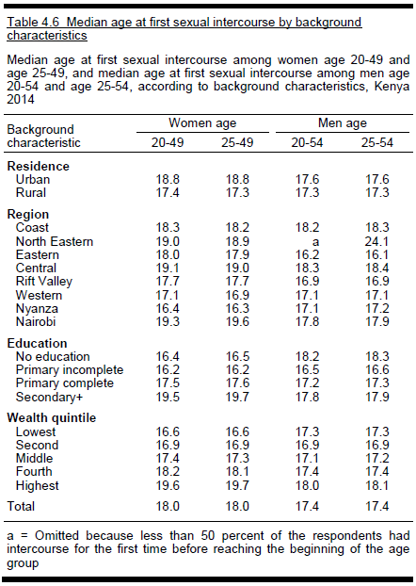
 | 15-19 | 1.5 | 7.3
 | 20-24 | 1.8 | 16.4
 | 25-29 | 1.9 | 13.1
 | 30-39 | 1.7 | 12.5
 | 40-49 | 2 | 10.2
 | Kenya | 1.7 | 11.7
 | Nyanza | 3.4 | 15.2

Source: DHS, 2014
 | Median age at first intercourse (Kenya): 18 among women and 17.4 among men
 | Median age at first intercourse (Nyanza): 16.3 among women and 17.2 among men

 | Number of partners
 | Age | % of all women with 2+ partners in the past 12 months | Mean number of lifetime sex partners among women who had had sex | % of all men with 2+ partners in the past 12 months | Mean number of lifetime sex partners among men who had had sex | % of women with concurrent partners in the past 12 months | % of men with concurrent partners in the past 12 months | % of men who had ever paid for sex | % of men who paid for sex in past 12 months
 | 15-24 | 1.5 | 1.8 | 9.6 | 4.4 | 0.6 | 5.6 | 4 | 1.9
 | 15-19 | 1 | 1.5 | 3.7 | 2.8 | 0.5 | 2.1 | 2.2 | 1.4
 | 20-24 | 2 | 1.9 | 16.7 | 5.2 | 0.7 | 9.7 | 6.1 | 2.5
 | 25-29 | 1.3 | 2.1 | 17.3 | 6.3 | 0.9 | 12.2 | 10.3 | 2.5
 | 30-39 | 1.6 | 2.2 | 14.6 | 7.6 | 0.7 | 12.5 | 12.8 | 3.4
 | 40-49 | 0.9 | 2.5 | 11.9 | 9.8 | 0.8 | 10.4 | 10.9 | 2.4
 | Total | 1.4 | 2.1 | 12.7 | 6.8 | 0.7 | 9.4 | 8.6 | 2.5
 | Nyanza | 1.4 | 2.2 | 18.4 | 7.1 |  |  | 9.1 | 4.3

 |  | % of youths (15-24) who had sex before 15 |  |  |  |  | % of youths with 2+ partners in the past 12 months
 | Age | % women | % men |  |  | Age | % women | % men
 | 15-19 | 10.7 | 19.6 |  |  | 15-19 | 1 | 3.7
 | 15-17 | 10.6 | 17.9 |  |  | 15-17 | 0.7 | 1.8
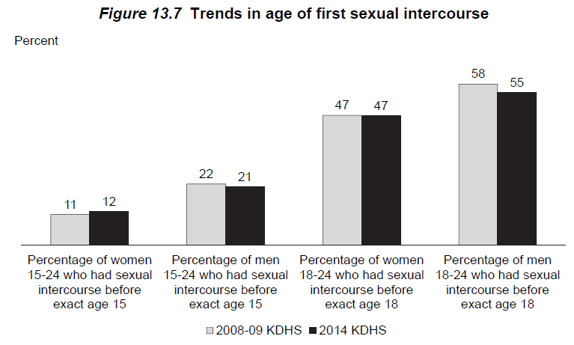
 | 18-19 | 10.8 | 22.2 |  |  | 18-19 | 1.5 | 6.7
 | 20-24 | 13.6 | 22.6 |  |  | 20-24 | 2 | 16.7
 | 20-22 | 14 | 22 |  |  | 20-22 | 1.8 | 16.6
 | 23-24 | 12.8 | 23.6 |  |  | 23-24 | 2.5 | 16.8
 | Total | 12.1 | 21 |  |  | Total | 1.5 | 9.6
 | Nyanza | 20.9 | 26.5

 |  | % of youths (15-24) who had sex in the past 12 months
 | Age | % women had HIV test | % men had HIV test
 | 15-19 | 64.6 | 40.1
 | 15-17 | 60.9 | 33.3
 | 18-19 | 66.6 | 44.5
Female Risk Distribution - Nyanza
 | 20-24 | 70.5 | 60.4
 | 20-22 | 69.9 | 57.6
 | 23-24 | 71.2 | 64.4
 | Total | 69 | 54.4
 | Nyanza | 74.7 | 69.6

Male Risk Distribution - Nyanza
Male risk distribution - Kenya
from survey data | % of men and women in each risk group by age group and sex |  |  |  |  |  |  |  |  | mean number of partners in each risk group, by age group and sex
 | Nyanza | Female |  |  | Male |  |  |  |  | Nyanza | Female |  |  | Male
 | Age | Low | Medium | High | Low | Medium | High |  |  | Age | Low | Medium | High | Low | Medium | High
 | 0-4 | 1 | 0 | 0 | 1 | 0 | 0 |  |  | 0-4 | 0.00001 | 0.00001 | 0.00001 | 0.00001 | 0.00001 | 0.00001
 | 5-9 | 1 | 0 | 0 | 1 | 0 | 0 |  |  | 5-9 | 0.00001 | 0.00001 | 0.00001 | 0.00001 | 0.00001 | 0.00001
 | 10-14 | 1 | 0 | 0 | 1 | 0 | 0 |  |  | 10-14 | 0.00001 | 0.00001 | 0.00001 | 0.00001 | 0.00001 | 0.00001
 | 15-19 | 0.977242 | 0.022758 | 0 | 0.945613 | 0.049266 | 0.005121 |  |  | 15-19 | 0.2813 | 2 | 1 | 0.277465 | 2 | 5
 | 20-24 | 0.983652 | 0.016348 | 0 | 0.703027 | 0.264599 | 0.032374 |  |  | 20-24 | 0.812264 | 2 | 1 | 0.77701 | 2.217823 | 10.749024
 | 25-29 | 0.986388 | 0.013612 | 0 | 0.820456 | 0.174197 | 0.005348 |  |  | 25-29 | 0.917239 | 2 | 1 | 0.941596 | 2.172108 | 20
 | 30-34 | 0.985812 | 0.014188 | 0 | 0.723132 | 0.276868 | 0.004686 |  |  | 30-34 | 0.908096 | 2 | 1 | 0.943912 | 2.147477 | 1
 | 35-39 | 0.986101 | 0.013899 | 0 | 0.752905 | 0.243071 | 0.004024 |  |  | 35-39 | 0.878854 | 2 | 1 | 0.961368 | 2.114207 | 5
 | 40-44 | 0.986101 | 0.013899 | 0 | 0.851223 | 0.128835 | 0.019942 |  |  | 40-44 | 0.79271 | 2 | 1 | 0.952139 | 2.033687 | 17.745962
 | 45-49 | 0.986101 | 0.013899 | 0 | 0.783641 | 0.216359 | 0.014025 |  |  | 45-49 | 0.734756 | 2 | 1 | 0.992183 | 2.087344 | 1
 | 50-54 | 0.986101 | 0.013899 | 0 | 0.874707 | 0.117185 | 0.008108 |  |  | 50-54 | 0.734756 | 2 | 1 | 0.925103 | 2 | 5
 | 55 – 59 | 0.986101 | 0.013899 | 0 | 0.874707 | 0.117185 | 0.008108 |  |  | 55 – 59 | 0.734756 | 2 | 1 | 0.925103 | 2 | 1
 | 60 - 64 | 0.986101 | 0.013899 | 0 | 0.874707 | 0.117185 | 0.008108 |  |  | 60 - 64 | 0.734756 | 2 | 1 | 0.925103 | 2 | 1
 | 65- 69 | 0.986101 | 0.013899 | 0 | 0.874707 | 0.117185 | 0.008108 |  |  | 65- 69 | 0.734756 | 2 | 1 | 0.925103 | 2 | 1
 | 70 - 74 | 0.986101 | 0.013899 | 0 | 0.874707 | 0.117185 | 0.008108 |  |  | 70 - 74 | 0.734756 | 2 | 1 | 0.925103 | 2 | 1
 | 75 - 79 | 0.986101 | 0.013899 | 0 | 0.874707 | 0.117185 | 0.008108 |  |  | 75 - 79 | 0.734756 | 2 | 1 | 0.925103 | 2 | 1
Female risk distribution - Kenya
 | Kenya | Female |  |  | Male |  |  |  |  | Kenya - edited | Female |  |  | Male |  |  | Kenya - original | Female |  |  | Male
 | Age | Low | Medium | High | Low | Medium | High |  |  | Age | Low | Medium | High | Low | Medium | High | Age | Low | Medium | High | Low | Medium | High
 | 0-4 | 1.0000 | 0 | 0 | 1 | 0 | 0 |  |  | 0-4 | 0.00001 | 0.00001 | 0.00001 | 0.00001 | 0.00001 | 0.00001 | 0-4 | 0.00001 | 0.00001 | 0.00001 | 0.00001 | 0.00001 | 0.00001
 | 5-9 | 1.0000 | 0 | 0 | 1 | 0 | 0 |  |  | 5-9 | 0.00001 | 0.00001 | 0.00001 | 0.00001 | 0.00001 | 0.00001 | 5-9 | 0.00001 | 0.00001 | 0.00001 | 0.00001 | 0.00001 | 0.00001
 | 10-14 | 1.0000 | 0 | 0 | 1 | 0 | 0 |  |  | 10-14 | 0.034 | 0.00001 | 0.00001 | 0.034 | 0.00001 | 0.00001 | 10-14 | 0.00001 | 0.00001 | 0.00001 | 0.00001 | 0.00001 | 0.00001
 | 15-19 | 0.9898 | 0.010069 | 0.000175 | 0.962452 | 0.035205 | 0.002343 |  |  | 15-19 | 0.225176 | 2.154629 | 6.412997 | 0.225176 | 2.154629 | 6.412997 | 15-19 | 0.258568 | 2 | 6 | 0.225176 | 2.154629 | 6.412997
 | 20-24 | 0.9795 | 0.020166 | 0.00031 | 0.833418 | 0.157748 | 0.008834 |  |  | 20-24 | 0.674001 | 2.173962 | 7.780577 | 0.674001 | 2.173962 | 7.780577 | 20-24 | 0.766836 | 2.059053 | 7 | 0.674001 | 2.173962 | 7.780577
 | 25-29 | 0.9868 | 0.012837 | 0.000357 | 0.825658 | 0.162951 | 0.011391 |  |  | 25-29 | 0.87037 | 2.105747 | 11.6872386 | 0.87037 | 2.105747 | 11.6872386 | 25-29 | 0.889565 | 2.129076 | 5 | 0.87037 | 2.105747 | 19.478731
 | 30-34 | 0.9837 | 0.016253 | 0.000467 | 0.847717 | 0.149064 | 0.00322 |  |  | 30-34 | 0.932456 | 2.131527 | 11.7085092 | 0.932456 | 2.131527 | 11.7085092 | 30-34 | 0.912547 | 2.027717 | 1 | 0.932456 | 2.131527 | 19.514182
 | 35-39 | 0.9837 | 0.015714 | 0.000577 | 0.861676 | 0.134564 | 0.00376 |  |  | 35-39 | 0.933227 | 2.181549 | 5.667191 | 0.933227 | 2.181549 | 5.667191 | 35-39 | 0.849963 | 2 | 95 | 0.933227 | 2.181549 | 5.667191
 | 40-44 | 0.9917 | 0.007808 | 0.000482 | 0.8859 | 0.11091 | 0.00319 |  |  | 40-44 | 0.948996 | 2.062327 | 9.9310518 | 0.948996 | 2.062327 | 9.9310518 | 40-44 | 0.80288 | 2.090496 | 50 | 0.948996 | 2.062327 | 16.551753
 | 45-49 | 0.9912 | 0.008816 | 0 | 0.87294 | 0.126001 | 0.001059 |  |  | 45-49 | 0.930385 | 2.122014 | 14.7096594 | 0.930385 | 2.122014 | 14.7096594 | 45-49 | 0.742677 | 2.395661 | 1 | 0.930385 | 2.122014 | 24.516099
 | 50-54 | 0.9912 | 0.008816 | 0 | 0.885385 | 0.103563 | 0.011052 |  |  | 50-54 | 0.917359 | 2.122747 | 7.025426 | 0.917359 | 2.122747 | 7.025426 | 50-54 | 0.742677 | 2.395661 | 1 | 0.917359 | 2.122747 | 7.025426
 | 55 – 59 | 0.9912 | 0.008816 | 0 | 0.885385 | 0.103563 | 0.011052 |  |  | 55 – 59 | 0.917359 | 2.122747 | 1 | 0.917359 | 2.122747 | 1 | 55 – 59 | 0.742677 | 2.395661 | 1 | 0.917359 | 2.122747 | 1
 | 60 - 64 | 0.9912 | 0.008816 | 0 | 0.885385 | 0.103563 | 0.011052 |  |  | 60 - 64 | 0.917359 | 2.122747 | 1 | 0.917359 | 2.122747 | 1 | 60 - 64 | 0.742677 | 2.395661 | 1 | 0.917359 | 2.122747 | 1
 | 65- 69 | 0.9912 | 0.008816 | 0 | 0.885385 | 0.103563 | 0.011052 |  |  | 65- 69 | 0.917359 | 2.122747 | 1 | 0.917359 | 2.122747 | 1 | 65- 69 | 0.742677 | 2.395661 | 1 | 0.917359 | 2.122747 | 1
 | 70 - 74 | 0.9912 | 0.008816 | 0 | 0.885385 | 0.103563 | 0.011052 |  |  | 70 - 74 | 0.917359 | 2.122747 | 1 | 0.917359 | 2.122747 | 1 | 70 - 74 | 0.742677 | 2.395661 | 1 | 0.917359 | 2.122747 | 1
 | 75 - 79 | 0.9912 | 0.008816 | 0 | 0.885385 | 0.103563 | 0.011052 |  |  | 75 - 79 | 0.917359 | 2.122747 | 1 | 0.917359 | 2.122747 | 1 | 75 - 79 | 0.742677 | 2.395661 | 1 | 0.917359 | 2.122747 | 1
 |  |  |  |  |  |  |  |  |  | * values in orange was reduced by 40% from the original value
Source: ICO Kenya HPV report 2017 |  |  |  |  |  |  |  |  |  | *values for women same as men
 |  |  |  |  |  |  |  |  |  | * Values in blue were originally 0, now they are the averages of the values for age groups above and below
Table 34 | Time trend in median age at first sex |  |  |  |  |  |  |  |  | * assuming 3.4% of 10-14 year olds had ever had sex and had one lifetime partner
 | Study | Year/period | Female | Male
 | DHS 1993 | 1993 | 16.9 | 16.7
 | DHS 1998 | 1998 | 16.7 | 16.8 |  |  |  |  |  | new risk distribution for 10-19 age groups
 | DHS 2003 | 2003 | 17.8 | 17.1 |  |  |  |  |  |  | Low | Med | High
 | DHS 2008-09 | 2008 | 18.2 | 17.6 |  |  |  |  |  | 10-14 | 0.9643294 | 0.03344475 | 0.00222585
 | DHS 2014 | 2014 | 18 | 17.4 |  |  |  |  |  | 15-19 | 0.924904 | 0.07041 | 0.004686
 |  |  |  |  |  |  |  |  |  |  | 0.953065 | 0.04400625 | 0.00292875
Source: KAIS 2012 |  |  |  |  |  |  |  |  |  |  | 0.887356 | 0.105615 | 0.007029
 | % of men and women who had sex by age
 | Age | Female | Male
 | 12 | 2.1 | 2.1
 | 13 | 4.2 | 12.8
 | 14 | 8.4 | 13.1
 | 15 | 11.6 | 20.2
 | 16 | 17.7 | 21.5
 | 17 | 40.9 | 42.3
 | 18 | 59 | 49.5
 | 19 | 66.8 | 63.4
 | 20 | 80.5 | 72.9
 | 21 | 87.5 | 76.8
 | 22 | 92 | 88.3
 | 23 | 97 | 92.8
 | 24 | 95 | 93.4
 | *interpretation: By age 15, 11.6% of women and 20.2% of men had had sex at least once

 | % of men and women reporting sexual debut before age 15
 |  | Female | Male | Total
 | 2007 | 16.4 | 33.7 | 23.8
 | 2012 | 16.1 | 26.6 | 21

 | Lifetime sex partners among women and men aged 15-64 years |  |  |  |  | Sex partners in the past year among women and men aged 15-64 years
 | Number of partners | Female | Male |  |  | Number of partners | Female | Male |  |  | Male | Female
 | 0 | 11.8 | 14.3 |  |  | 0 | 29.7 | 27 |  | Low | 84.8 | 97.6
 | 1 | 38 | 12.5 |  |  | 1 | 67.9 | 57.8 |  | Medium | 9.9 | 1.7
 | 2-3 | 36.1 | 24.7 |  |  | 2 | 1.7 | 9.9 |  | High | 5.3 | 0.8
 | 4-5 | 7.8 | 16.1 |  |  | 3 | 0.5 | 4.3
 | 6-9 | 1.5 | 8.7 |  |  | Don't know | 0.3 | 1
 | 10+ | 1 | 14.9
 | Don't know | 3.7 | 8.7

 | Consistent condom use in the past 12 months by marital status
 | Kenya | Female | Male |  | Nyanza | Female | Male | Total
 | Married/cohabiting | 3.8 | 5.2 |  |  | 10% | 23% | 16%
 | Noncohabiting | 31.4 | 44.7
 | Causal | 32.8 | 46.1
 | Total | 8.6 | 19.9

Source: MICS 2011 Nyanza
 | % of women with 2+ partner in the past 12 months
 | Age | 0-1 partners | 2+ partners
 | 15-19 | 0.971 | 0.029
 | 20-24 | 0.967 | 0.033
 | 25-29 | 0.977 | 0.023
 | 30-34 | 0.981 | 0.019
 | 35-39 | 0.977 | 0.023
 | 40-44 | 0.988 | 0.012
 | 45-49 | 0.989 | 0.011

Source: SA model parameter
Sexual mixing by age and sexual risk group. The mixing parameter varies from random (1) to assortative (0), calibrated to fit age-specific HIV incidence and prevalence data.
Mixing
Year | (age) | (sexual risk)
1985 | 0.3 | 0.3
1990 | 0.4 | 0.4
2000 | 0.1 | 0.1
 |  |  |  |  |  |  |  |  | 81.105

In Partners PrEP study, participants reported median of 4 (IQR 2-8) sex acts in the past month. Participants in that study were serodiscordant couples from Kenya and Uganda (a substudy in Thika reported the same median number of sex acts), aged 18-45+. Majority of participants were 25-44 years. Almost all were married, with between 8-9% of seronegative partners reporting sex outside of partnership. And median duration of cohabitation was 7 years.
Main study: https://www.nejm.org/doi/full/10.1056/NEJMoa1108524
Substudy in Thika: https://link.springer.com/article/10.1007/s10461-014-0804-1
In Partners Demostration project: median number of sex acts in the past month was 6 (IQR 3-11). Median age in this study was 30; 20% were <25 years old. 8% of seronegative partner had sex outside of the relationship. Most were married, and median duration of cohabitation was 2.5 years.
Source: SA model parameter (calibrated to SA)
80% of SA values |  |  |  |  |  |  |  |  | The number of coital acts per partnership by sex, age, and sexual risk group. Values are calibrated to fit age-specific HIV and HPV prevalence data.
Coital acts per partnership |  |  |  |  |  |  |  |  | Coital acts per partnership
Males |  |  |  |  |  |  |  |  | Males
Age group |  |  | Risk Group |  |  |  |  |  | Age group |  |  | Risk Group
 |  | Reduction Factor | Low | Medium | High |  |  |  |  |  | Reduction Factor | Low | Medium | High
0 - 4 | 1 |  | 0 | 0 | 0 |  |  |  | 0 - 4 |  |  | 0 | 0 | 0
5-9 | 2 |  | 0 | 0 | 0 |  |  |  | 5-9 |  |  | 0 | 0 | 0
10-14 | 3 |  | 2.496 | 1.4976 | 0.89856 |  |  |  | 10-14 |  | 0.05 | 3.12 | 1.872 | 1.1232
15 - 19 | 4 |  | 12.48 | 7.488 | 4.4928 |  |  |  | 15 - 19 |  | 0.1 | 15.6 | 9.36 | 5.616
20 -24 | 5 |  | 49.92 | 29.952 | 17.9712 |  |  |  | 20 -24 | 1 | 0.4 | 62.4 | 37.44 | 22.464
25-29 | 6 |  | 124.8 | 74.88 | 44.928 |  |  |  | 25-29 | 5 |  | 156 | 93.6 | 56.16
30 - 34 | 7 |  | 88.24692632 | 52.948155776 | 31.768893464 |  |  |  | 30 - 34 | 10 | 0.707106781 | 110.3086579 | 66.18519472 | 39.71111683
35 - 39 | 8 |  | 62.4 | 37.44 | 22.464 |  |  |  | 35 - 39 | 15 | 0.5 | 78 | 46.8 | 28.08
40 - 44 | 9 |  | 44.123463144 | 26.474077888 | 15.884446736 |  |  |  | 40 - 44 | 20 | 0.353553391 | 55.15432893 | 33.09259736 | 19.85555842
45 - 49 | 10 |  | 31.2 | 18.72 | 11.232 |  |  |  | 45 - 49 | 25 | 0.25 | 39 | 23.4 | 14.04
50 -54 | 11 |  | 22.061731576 | 13.237038944 | 7.9422233664 |  |  |  | 50 -54 | 30 | 0.176776695 | 27.57716447 | 16.54629868 | 9.927779208
55 - 59 | 12 |  | 15.6 | 9.36 | 5.616 |  |  |  | 55 - 59 | 35 | 0.125 | 19.5 | 11.7 | 7.02
60 - 64 | 13 |  | 11.030865784 | 6.618519472 | 3.9711116832 |  |  |  | 60 - 64 | 40 | 0.088388348 | 13.78858223 | 8.27314934 | 4.963889604
In a community-based study in Rakai, average age-specific frequency of sex in the past month is (3rd column):
65- 69 | 14 |  | 7.8 | 4.68 | 2.808 |  |  |  | 65- 69 | 45 | 0.0625 | 9.75 | 5.85 | 3.51
70 - 74 | 15 |  | 5.5154328936 | 3.309259736 | 1.9855558416 |  |  |  | 70 - 74 | 50 | 0.044194174 | 6.894291117 | 4.13657467 | 2.481944802
75 - 79 | 16 |  | 3.9 | 2.34 | 1.404 |  |  |  | 75 - 79 | 55 | 0.03125 | 4.875 | 2.925 | 1.755

Females |  |  |  |  |  |  |  |  | Females
Age Group |  |  | Risk Group |  |  |  |  |  | Age Group |  |  | Risk Group
 |  | Reduction Factor | Low | Medium | High |  |  |  |  |  | Reduction Factor | Low | Medium | High
0 - 4 | 1 |  | 0.00 | 0.00 | 0.00 |  |  |  | 0 - 4 |  |  | 0 | 0 | 0
5-9 | 2 |  | 0.00 | 0.00 | 0.00 |  |  |  | 5-9 |  |  | 0 | 0 | 0
10-14 | 3 | 0.05 | 6.24 | 3.74 | 2.25 |  |  |  | 10-14 |  | 0.05 | 7.8 | 4.68 | 2.808
15 - 19 | 4 | 0.1 | 12.48 | 7.49 | 4.49 |  |  |  | 15 - 19 |  | 0.1 | 15.6 | 9.36 | 5.616
20 -24 | 5 | 0.4 | 49.92 | 29.95 | 17.97 |  |  |  | 20 -24 | 1 | 0.4 | 62.4 | 37.44 | 22.464
25-29 | 6 |  | 124.80 | 74.88 | 44.93 |  |  |  | 25-29 | 5 |  | 156 | 93.6 | 56.16
30 - 34 | 7 | 0.707106781 | 88.25 | 52.95 | 31.77 |  | = |  | 30 - 34 | 10 | 0.707106781 | 110.3086579 | 66.18519472 | 39.71111683
35 - 39 | 8 | 0.5 | 62.40 | 37.44 | 22.46 |  |  |  | 35 - 39 | 15 | 0.5 | 78 | 46.8 | 28.08
40 - 44 | 9 | 0.353553391 | 44.12 | 26.47 | 15.88 |  |  |  | 40 - 44 | 20 | 0.353553391 | 55.15432893 | 33.09259736 | 19.85555842
45 - 49 | 10 | 0.25 | 31.20 | 18.72 | 11.23 |  |  |  | 45 - 49 | 25 | 0.25 | 39 | 23.4 | 14.04
50 -54 | 11 | 0.176776695 | 22.06 | 13.24 | 7.94 |  |  |  | 50 -54 | 30 | 0.176776695 | 27.57716447 | 16.54629868 | 9.927779208
55 - 59 | 12 | 0.125 | 15.60 | 9.36 | 5.62 |  |  |  | 55 - 59 | 35 | 0.125 | 19.5 | 11.7 | 7.02
60 - 64 | 13 | 0.088388348 | 11.03 | 6.62 | 3.97 |  |  |  | 60 - 64 | 40 | 0.088388348 | 13.78858223 | 8.27314934 | 4.963889604
65- 69 | 14 | 0.0625 | 7.80 | 4.68 | 2.81 |  |  |  | 65- 69 | 45 | 0.0625 | 9.75 | 5.85 | 3.51
70 - 74 | 15 | 0.044194174 | 5.52 | 3.31 | 1.99 |  |  |  | 70 - 74 | 50 | 0.044194174 | 6.894291117 | 4.13657467 | 2.481944802
75 - 79 | 16 | 0.03125 | 3.90 | 2.34 | 1.40 |  |  |  | 75 - 79 | 55 | 0.03125 | 4.875 | 2.925 | 1.755

 |  |  |  |  |  |  |  |  | Peak number of coital acts per partnership. Not currently used.
 |  |  |  |  |  |  |  |  | Peak Coital Acts per Partnership | Low-Risk | Moderate-Risk | High-Risk
 |  |  |  |  |  |  |  |  | Male | 156 | 93.6 | 56.16
 |  |  |  |  |  |  |  |  | Female | 156 | 93.6 | 56.16

Sexual mixing patterns in Kenya

Source: Rositch, 2012. Int J STD AIDS. 2012 Jul; 23(7): 468–474.
 | Among girls 17-18 years old in Nairobi, 97% had partners who were a median of 5 years older than they were (IQR 3-7).
 | 10% had sex with more than 1 partner in the past year. In these partnerships, 91% of the partners were 3 (IQR 2-5) years older.
 | Condom use with current partner was 20%, and condom use with the other partner was 27%.
 | In mulitvariate analysis, age diffrence with current partner was not signficantly associated with HIV, neither is condom use

Source: Glynn 2001, AIDS. 2001 Aug;15 Suppl 4:S51-60.
Kisumu | In all partnerships in this study, men were older than their wives
 | 18% of non-marital partnerships among women younger than 20 werew ith men older than 24
 | About 37% of women younger than 20 only had partners who were also younger than 20; 22.2% had any partners who are 24 and older
 | Almost all men younger than 20 only had partners younger than 20; two thrirds of men aged 20-24 only had partners who were younger than 20
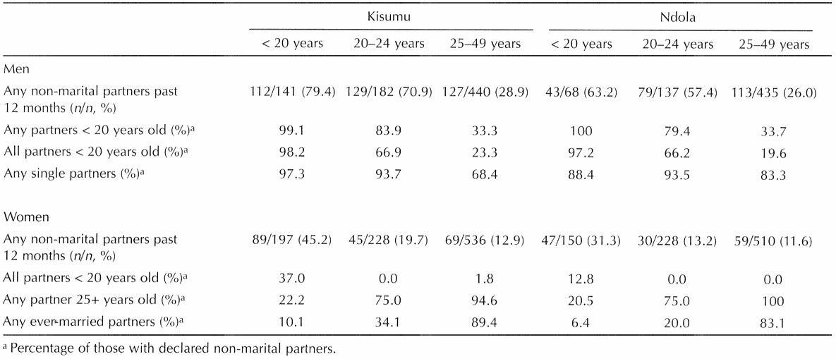

Source: Luke, 2005, Int Fam Plan Perspect. 2005 Mar;31(1):6-14.
 | Among Kisumu men aged 21-45:
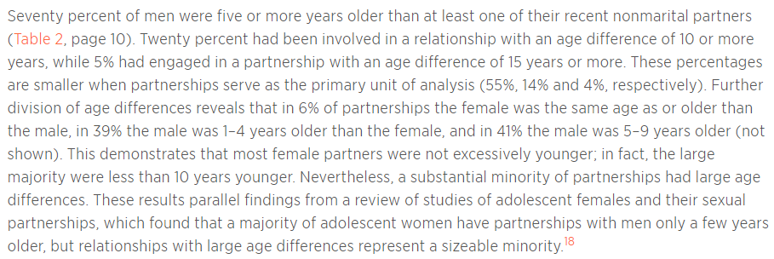

Source: Odek, 2014. Estimating the Size of the Female Sex Worker Population in Kenya to Inform HIV Prevention Programming. PLoS One. 2014; 9(3): e89180.
 | FSW represent 4% of women aged 15+ and 5% of women aged 15-49 in Nyanza.

Adapted risk distribution
 | Nyanza | Female |  |  | Male
 | Age | Low | Medium | High | Low | Medium | High
1 | 0-4 | 1 | 0 | 0 | 1 | 0 | 0
2 | 5-9 | 1 | 0 | 0 | 1 | 0 | 0 |  | 0.971839 0.02640375 0.00175725
3 | 10-14 | 0.971839 | 0.026403 | 0.001758 | 0.971839 | 0.026403 | 0.001758
4 | 15-19 | 0.877356 | 0.113615 | 0.009029 | 0.879356 | 0.11615 | 0.004494 |  | 1 | 1
5 | 20-24 | 0.703027 | 0.266599 | 0.030374 | 0.734027 | 0.253599 | 0.012374 |  | 1 | 1
6 | 25-29 | 0.725456 | 0.264197 | 0.010347 | 0.731456 | 0.225197 | 0.043347 |  | 1 | 1
7 | 30-34 | 0.739321 | 0.25078 | 0.009899 | 0.731321 | 0.2505868 | 0.0180922 |  | 1 | 1
8 | 35-39 | 0.769905 | 0.223071 | 0.007024 | 0.765105 | 0.225071 | 0.009824 |  | 1 | 1
9 | 40-44 | 0.790223 | 0.20535 | 0.004427 | 0.781223 | 0.21535 | 0.003427 |  | 1 | 1
10 | 45-49 | 0.82641 | 0.16399 | 0.009600 | 0.82641 | 0.16399 | 0.0096 |  | 1 | 1
11 | 50-54 | 0.87985 | 0.11163 | 0.00852 | 0.87985 | 0.11163 | 0.00852 |  | 1 | 1
12 | 55 – 59 | 0.87985 | 0.11163 | 0.00852 | 0.87985 | 0.11163 | 0.00852 |  | 1 | 1
13 | 60 - 64 | 0.87985 | 0.11163 | 0.00852 | 0.87985 | 0.11163 | 0.00852 |  | 1 | 1
14 | 65- 69 | 0.87985 | 0.11163 | 0.00852 | 0.87985 | 0.11163 | 0.00852 |  | 1 | 1
15 | 70 - 74 | 0.87985 | 0.11163 | 0.00852 | 0.87985 | 0.11163 | 0.00852 |  | 1 | 1
16 | 75 - 79 | 0.87985 | 0.11163 | 0.00852 | 0.87985 | 0.11163 | 0.00852 |  | 1 | 1

 | Kenya | Female |  |  | Male
 | Age | Low | Medium | High | Low | Medium | High
 | 0-4 | 1.0000 | 0 | 0 | 1 | 0 | 0
 | 5-9 | 1.0000 | 0 | 0 | 1 | 0 | 0
 | 10-14 | 1.0000 | 0 | 0 | 1 | 0 | 0
 | 15-19 | 0.9898 | 0.010069 | 0.000175 | 0.962452 | 0.035205 | 0.002343
 | 20-24 | 0.9795 | 0.020166 | 0.00031 | 0.833418 | 0.157748 | 0.008834
 | 25-29 | 0.9868 | 0.012837 | 0.000357 | 0.825658 | 0.162951 | 0.011391
 | 30-34 | 0.9837 | 0.016253 | 0.000467 | 0.847717 | 0.149064 | 0.00322
 | 35-39 | 0.9837 | 0.015714 | 0.000577 | 0.861676 | 0.134564 | 0.00376
 | 40-44 | 0.9917 | 0.007808 | 0.000482 | 0.8859 | 0.11091 | 0.00319
 | 45-49 | 0.9912 | 0.008816 | 0 | 0.87294 | 0.126001 | 0.001059
 | 50-54 | 0.9912 | 0.008816 | 0 | 0.885385 | 0.103563 | 0.011052
 | 55 – 59 | 0.9912 | 0.008816 | 0 | 0.885385 | 0.103563 | 0.011052
 | 60 - 64 | 0.9912 | 0.008816 | 0 | 0.885385 | 0.103563 | 0.011052
 | 65- 69 | 0.9912 | 0.008816 | 0 | 0.885385 | 0.103563 | 0.011052
 | 70 - 74 | 0.9912 | 0.008816 | 0 | 0.885385 | 0.103563 | 0.011052
 | 75 - 79 | 0.9912 | 0.008816 | 0 | 0.885385 | 0.103563 | 0.011052

Circumcision
Source: DHS 2003
 | Male circumcision |  |  | Nyanza |  |  |  |  | Nyanza with recoded age |  |  |  | Adjusted for ritual circumcision per Akulian 2017
 | Age | % circumcised |  | Age | % circumcised | LB | UB |  | Age | % circumcised | LB | UB
 | 15-19 | 71.5 |  | 15-19 | 39.48 | 26.38 | 52.57 |  | 15-19 | 39.48 | 26.38 | 52.57 | 29.98
 | 20-24 | 89 |  | 20-24 | 59.97 | 44.38 | 75.56 |  | 20-24 | 59.97 | 44.38 | 75.56 | 50.47
 | 25-29 | 88.3 |  | 25-29 | 55.54 | 35.65 | 75.43 |  | 25-29 | 55.54 | 35.65 | 75.43 | 35.54
 | 30-39 | 89.3 |  | 30-34 | 48.70 | 25.88 | 71.52 |  | 30-39 | 51.55 | 35.95 | 67.16 | 31.55
 | 40-49 | 83.7 |  | 35-39 | 53.27 | 34.50 | 72.03 |  | 40-49 | 42.45 | 27.83 | 57.08 | 22.45
 | Total | 83.7 |  | 40-44 | 42.71 | 26.01 | 59.41 |  | 50+ | 39.23 | 20.57 | 57.88 | 19.23
 | Nyanza | 46.4 |  | 45-49 | 42.11 | 21.63 | 62.58
 |  |  |  | 50-54 | 39.2258 | 20.57 | 57.88

Source: DHS 2008; Akulian (2017) https://pubmed.ncbi.nlm.nih.gov/28079830/?from_term=kenya+circumcision+prevalence&from_pos=2
 | Male circumcision in Nyanza |  |  |  |  | Nyanza with recoded age
 | Age | % circumcised | LB | UB |  | Age | % circumcised | LB | UB |  | Adjusted for ritual circumcision per Akulian 2017
 | 15-19 | 37 | 22.2 | 54.8 |  | 15-19 | 37.17 | 20.59 | 53.76 |  | 37.17
 | 20-24 | 46.5 | 32.3 | 61.3 |  | 20-24 | 46.83 | 32.29 | 61.37 |  | 46.83
 | 25-29 | 39 | 25.8 | 54 |  | 25-29 | 39.56 | 25.26 | 53.85 |  | 39.56
 | 30-34 | 55.4 | 32.6 | 76.2 |  | 30-39 | 55.92 | 37.94 | 73.89 |  | 35.92
 | 35-39 | 55.9 | 37.6 | 72.7 |  | 40-49 | 60.32 | 40.52 | 80.12 |  | 40.32
 | 40-44 | 58 | 32.2 | 80.1 |  | 50+ | 39.39 | 20.15 | 58.62 |  | 19.39
 | 45-49 | 60.1 | 35.5 | 80.5

Source: KAIS 2007 and 2012; Galbriath,
 | Male circumcision among 15-64 years old |  |  |  | Nyanza | 2007 |  |  | 2012
 |  | 2007 | 2012 |  | Age | % circumcised | LB | UB | % circumcised | LB | UB
Akulian: In 2014, 9.5% of circumcised 15-24 year olds reported that they were circumcised before age 10. Also, 9.5% of circumcision in this age group was done at home or at a ritual site. Among 25-50 year old men, 15.5% reported being circumcised between age 0-9 and 18.3% circumcised between 10-14. 20% reported being circumcised at a ritual site or at home and 6.7% at other non-medical settings.
 | Nyanza | 48.2 | 66.3 |  | 15-24 | 46.5 | 38.4 | 54.6 | 71.7 | 62.1 | 81.3
 | Kenya | 85 | 91.2 |  | 25–34 | 47.5 | 40.2 | 54.8 | 69.3 | 60.1 | 78.5
 |  |  |  |  | 35–44 | 47.4 | 38.4 | 56.3 | 57.6 | 42.7 | 72.6
 | HIV status by circumcision status |  |  |  | 45–54 | 53.5 | 45.8 | 61.2 | 59.1 | 44.7 | 73.4
 |  | 2007 | 2012 |  | 55–64 | 51.0 | 36.1 | 66.0 | 64.5 | 49.5 | 79.4
 | Circumcised | 4.1 | 3.1
 | Uncircumcised | 14.8 | 16.9
 | Total | 5.9 | 4.4

Source: DHS 2014; Akulian (2017) https://pubmed.ncbi.nlm.nih.gov/28079830/?from_term=kenya+circumcision+prevalence&from_pos=2
Table 13.14 | Male circumcision |  |  |  | Nyanza |  |  |  | Nyanza with recoded age
 | Age | % circumcised |  |  | Age | % circumcised | LB | UB | Age | % circumcised | LB | UB
 | 15-24 | 91.4 |  |  | 15-19 | 81.3 | 75.9 | 85.7 | 15-19 | 81.04 | 76.12 | 85.97 | 71.54
 | 15-19 | 87.1 |  |  | 20-24 | 82.2 | 76.3 | 86.9 | 20-24 | 82.24 | 76.97 | 87.51 | 72.74
 | 20-24 | 96.5 |  |  | 25-29 | 70.9 | 63 | 77.7 | 25-29 | 70.88 | 63.51 | 78.24 | 50.88
 | 25-29 | 94.6 |  |  | 30-34 | 66.8 | 58.4 | 74.2 | 30-39 | 63.78 | 58.14 | 69.42 | 43.78
 | 30-39 | 93.4 |  |  | 35-39 | 60.8 | 53 | 68.1 | 40-49 | 61.67 | 53.51 | 69.82 | 41.67
 | 40-49 | 91.9 |  |  | 40-44 | 57.5 | 46.7 | 68 | 50+ | 60.64 | 48.07 | 73.20 | 40.64
 | Total | 92.6 |  |  | 45-49 | 66 | 55.6 | 75.1
 | Nyanza | 72.1

Protection from circumcision
Source: Bailey, 2007; Lancet. 2007 Feb 24;369(9562):643-56.
 | Per protocol relative risk of incident HIV among circumcised men compared to uncircumcised men is 0.47 (0.28-0.78)
 | As treated RR was 0·40 (0·23–0·68)
 | RCT among 2784 18-24 year old men in Kisumu, with 24 months of follow up. Sexual behavior post-circumcision showed no behavioral compensation among circumcised men. The slightly higher prevalence of post-cicumcision risky behaviors in circumcised men were mainly attributable to safer sexual practices among uncircumcised men.

Source: Weiss, 2000; Male circumcision and risk of HIV infection in sub-Saharan Africa: a systematic review and meta-analysis. AIDS (London, England) 14, 2361-2370 (2000).
 |  | RR of HIV among circumcised vs uncircumcised men
 |  | RR | LB | UB
 | Crude | 0.52 | 0.4 | 0.68
 | Adjusted | 0.42 | 0.34 | 0.54
 | High risk men adjusted | 0.29 | 0.2 | 0.41
 | General pop | 0.56 | 0.44 | 0.7

Source: Kenya PHIA 2018 Prelim report https://phia.icap.columbia.edu/wp-content/uploads/2020/02/KENPHIA-2018_Preliminary-Report_final-web.pdf
 | County | VMMC | non-medical circumcision | Total circumcised | Uncircumcised | Unknown
 | Kisumu | 46.7 | 6.6 | 53.3 | 44.6 | 2.2
 | Siaya | 55.5 | 5.7 | 61.2 | 38.7 | 0.1
 | Homa Bay | 56.4 | 2.7 | 59.1 | 40 | 0.9
 | Migori | 42.3 | 24.4 | 66.7 | 32.6 | 0.7

Fertility
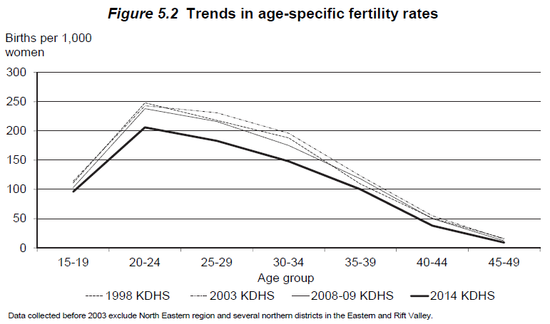
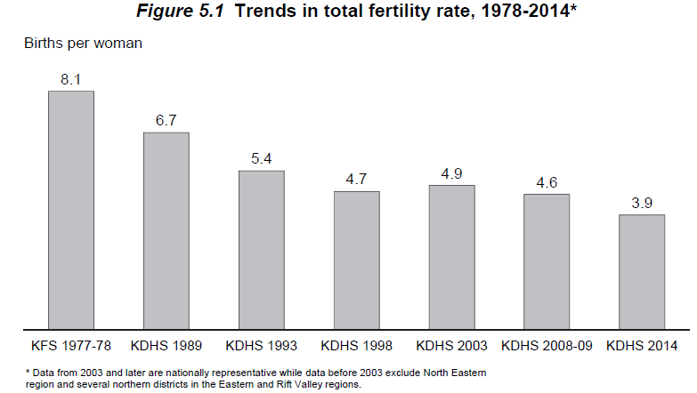
Source: DHS 2014
 | Total fertility rate (Kenya): 3.9 births per woman (15-49)
 | Total fertility rate (Nyanza): 4.3 births per woman (15-49)

Table 5.3.1 | Fertility rates by age (Kenya)
 | Age group | Fertility rate per 1000 woman | Fertility %
 | 15-19 | 96 | 0.096
 | 20-24 | 206 | 0.206
 | 25-29 | 183 | 0.183
 | 30-34 | 148 | 0.148
 | 35-39 | 100 | 0.1
 | 40-44 | 38 | 0.038
 | 45-49 | 9 | 0.009
 | Average | 141 | 0.141

Table 5.3.2 | Time trends in age-specific fertility rates in Kenya
 | Data source: | 1977/78 KFS | 1989 KDHS | 1993 KDHS | 1998 KDHS |  | 2003 KDHS | 2008-09 KDHS | 2014 KDHS
 | Year: | 1975-78 | 1984-88 | 1990-92 | 1995-97 | 1999 Census | 2000-02 | 2006-08 | 2011-2013
 | 15-19 | 0.168 | 0.152 | 0.11 | 0.111 | 0.142 | 0.114 | 0.103 | 0.096
 | 20-24 | 0.342 | 0.314 | 0.257 | 0.248 | 0.254 | 0.243 | 0.238 | 0.206
 | 25-29 | 0.357 | 0.303 | 0.241 | 0.218 | 0.236 | 0.231 | 0.216 | 0.183
 | 30-34 | 0.293 | 0.255 | 0.197 | 0.188 | 0.185 | 0.196 | 0.175 | 0.148
 | 35-39 | 0.239 | 0.183 | 0.154 | 0.109 | 0.127 | 0.123 | 0.118 | 0.1
 | 40-44 | 0.145 | 0.099 | 0.07 | 0.051 | 0.056 | 0.055 | 0.05 | 0.038
 | 45-49 | 0.059 | 0.035 | 0.05 | 0.016 | 0.007 | 0.015 | 0.012 | 0.009
 | TFR (per woman) | 8.1 | 6.7 | 5.4 | 4.7 | 5 | 4.9 | 4.6 | 3.9

Table 5.4 | Number of living children
 | Age | Number of women | Mean number of children ever born | Mean number of living children
 | 15-19 | 5,820 | 0.18 | 0.17 | 0.944
 | 20-24 | 5,735 | 1.11 | 1.05 | 0.946
 | 25-29 | 6,100 | 2.22 | 2.09 | 0.941
 | 30-34 | 4,510 | 3.27 | 3.07 | 0.939
 | 35-39 | 3,773 | 4.13 | 3.81 | 0.923
 | 40-44 | 2,885 | 4.85 | 4.4 | 0.907
 | 45-49 | 2,257 | 5.27 | 4.73 | 0.898
 | Total | 31,079 | 2.48 | 2.29 | 0.923

Source: Kenya Census 1979 |  |  |  |  |  |  |  |  |  |  |  |  |  |  |  | 1993 Kenya census for 1990-1992 |  |  |  |  |  |  |  |  | 2014 KDHS for 2011-2013
 | Age-specific fertility rates |  |  |  |  |  |  |  |  |  |  |  |  |  |  | Age-specific fertility rates |  |  |  |  |  |  |  |  | Age-specific fertility rates
 | Age | Rate per 1000 woman | Fertility % | Acute | CD4 > 500 | > 350 | 200-350 | <200 |  |  |  |  |  |  |  | Age | HIV-negative Fertility % | Acute | CD4 > 500 | > 350 | 200-350 | <200 |  | Age | Fertility % | Acute | CD4 > 500 | > 350 | 200-350 | <200
 | 0-5 | 0 | 0 | 0 | 0 | 0 | 0 | 0 |  |  |  |  |  |  |  | 0-5 | 0 | 0 | 0 | 0 | 0 | 0 |  | 0-5 | 0 | 0 | 0 | 0 | 0 | 0
 | 5-9 | 0 | 0 | 0 | 0 | 0 | 0 | 0 |  |  |  |  |  |  |  | 5-9 | 0 | 0 | 0 | 0 | 0 | 0 |  | 5-9 | 0 | 0 | 0 | 0 | 0 | 0
 | 10-14 | 3 | 0.003 | 0.003 | 0.003 | 0.00174 | 0.00174 | 0.00123 |  |  |  |  |  |  |  | 10-14 | 0 | 0 | 0 | 0 | 0 | 0 |  | 10-14 | 0 | 0 | 0 | 0 | 0 | 0
 | 15-19 | 179 | 0.179 | 0.179 | 0.179 | 0.10382 | 0.10382 | 0.07339 |  |  |  |  |  |  |  | 15-19 | 0.11 | 0.11 | 0.11 | 0.0638 | 0.0638 | 0.0451 |  | 15-19 | 0.096 | 0.096 | 0.096 | 0.05568 | 0.05568 | 0.03936
 | 20-24 | 368 | 0.368 | 0.368 | 0.368 | 0.21344 | 0.21344 | 0.15088 |  |  |  |  |  |  |  | 20-24 | 0.257 | 0.257 | 0.257 | 0.14906 | 0.14906 | 0.10537 |  | 20-24 | 0.206 | 0.206 | 0.206 | 0.11948 | 0.11948 | 0.08446
 | 25-29 | 372 | 0.372 | 0.372 | 0.372 | 0.21576 | 0.21576 | 0.15252 |  |  |  |  |  |  |  | 25-29 | 0.241 | 0.241 | 0.241 | 0.13978 | 0.13978 | 0.09881 |  | 25-29 | 0.183 | 0.183 | 0.183 | 0.10614 | 0.10614 | 0.07503
 | 30-34 | 311 | 0.311 | 0.311 | 0.311 | 0.18038 | 0.18038 | 0.12751 |  |  |  |  |  |  |  | 30-34 | 0.197 | 0.197 | 0.197 | 0.11426 | 0.11426 | 0.08077 |  | 30-34 | 0.148 | 0.148 | 0.148 | 0.08584 | 0.08584 | 0.06068
 | 35-39 | 226 | 0.226 | 0.226 | 0.226 | 0.13108 | 0.13108 | 0.09266 |  |  |  |  |  |  |  | 35-39 | 0.154 | 0.154 | 0.154 | 0.08932 | 0.08932 | 0.06314 |  | 35-39 | 0.1 | 0.1 | 0.1 | 0.058 | 0.058 | 0.041
 | 40-44 | 105 | 0.105 | 0.105 | 0.105 | 0.0609 | 0.0609 | 0.04305 |  |  |  |  |  |  |  | 40-44 | 0.07 | 0.07 | 0.07 | 0.0406 | 0.0406 | 0.0287 |  | 40-44 | 0.038 | 0.038 | 0.038 | 0.02204 | 0.02204 | 0.01558
 | 45-49 | 14 | 0.014 | 0.014 | 0.014 | 0.00812 | 0.00812 | 0.00574 |  | Acute | CD4 > 500 | > 350 | 200-350 | <200 |  | 45-49 | 0.05 | 0.05 | 0.05 | 0.029 | 0.029 | 0.0205 |  | 45-49 | 0.009 | 0.009 | 0.009 | 0.00522 | 0.00522 | 0.00369
 | 50 – 54 | 0 | 0 | 0 | 0 | 0 | 0 | 0 | HIV Multiplier | 1 | 1 | 0.58 | 0.58 | 0.41 |  | 50 – 54 | 0 | 0 | 0 | 0 | 0 | 0 |  | 50 – 54 | 0 | 0 | 0 | 0 | 0 | 0
 | 55 – 59 | 0 | 0 | 0 | 0 | 0 | 0 | 0 |  |  |  |  |  |  |  | 55 – 59 | 0 | 0 | 0 | 0 | 0 | 0 |  | 55 – 59 | 0 | 0 | 0 | 0 | 0 | 0
 | 60 - 64 | 0 | 0 | 0 | 0 | 0 | 0 | 0 |  |  |  |  |  |  |  | 60 - 64 | 0 | 0 | 0 | 0 | 0 | 0 |  | 60 - 64 | 0 | 0 | 0 | 0 | 0 | 0
 | 65- 69 | 0 | 0 | 0 | 0 | 0 | 0 | 0 |  |  |  |  |  |  |  | 65- 69 | 0 | 0 | 0 | 0 | 0 | 0 |  | 65- 69 | 0 | 0 | 0 | 0 | 0 | 0
 | 70 - 74 | 0 | 0 | 0 | 0 | 0 | 0 | 0 |  |  |  |  |  |  |  | 70 - 74 | 0 | 0 | 0 | 0 | 0 | 0 |  | 70 - 74 | 0 | 0 | 0 | 0 | 0 | 0
 | 75 - 79 | 0 | 0 | 0 | 0 | 0 | 0 | 0 |  |  |  |  |  |  |  | 75 - 79 | 0 | 0 | 0 | 0 | 0 | 0 |  | 75 - 79 | 0 | 0 | 0 | 0 | 0 | 0

 | TFR (Kenya) | 8
 | TFR (Nyanza) | 8.67

Source: 2009 Population and Housing Census

 | Age-specific feritlity rates
 | Age | Nyanza (2009) | Kenya (1999) | Kenya (2009)
 | 15-19 | 0.12 | 0.15 | 0.07
 | 20-24 | 0.26 | 0.3 | 0.22
 | 25-29 | 0.24 | 0.27 | 0.21
 | 30-34 | 0.19 | 0.2 | 0.18
 | 35-39 | 0.12 | 0.12 | 0.12
 | 40-44 | 0.06 | 0.05 | 0.06
 | 45-49 | 0.02 | 0.01 | 0.02
 | TFR | 5 | 5.5 | 4.4

 | Total fertility rate
 |  | Census |  |  |  | KDHS
 |  | 1989 | 1999 | 2009 |  | 1989 | 2003 | 2009
 | Kenya | 6.6 | 5 | 4.4 |  | 4.7 | 4.9 | 4.6
 | Nyanza | 7 | 5.5 | 5 |  | 5 | 5.6 | 5.4

Source: Stover, 2004
 | In Spectrum, HIV+ women over 20 years old had 30% reduced fertility compared to HIV- women of the same age. For women aged 15-19, fertility is 50% higher in HIV+.

Source: Glynn, 2000 JAIDS, 25:4
 | Age-adjusted HR of HIV on risk of pregnancy in Kisumu was 0.82 (0.70-0.96); influence of HIV on birth intervals (ie risk of pregnancy) was the same for those under 20 and those aged 20-29.
 | Population in study was 1500 women from two ANC clinics, where HIV prevalence was 30.6%.

Source: Marston, M; 2017; Trop Med Int Health. 2017 Dec; 22(12): 1542–1550.
 | HIV+ women younger than 20 did not have higher fertility after years before sexual debut were excluded. The difference in fertility between HIV+ and HIV- women was attenuated when ART increased.

Source: UN Department of Economic and Social Affairs, World Population Prospects, 2019
 | Births per 1000 women
 | Period | 1950-1955 | 1955-1960 | 1960-1965 | 1965-1970 | 1970-1975 | 1975-1980 | 1980-1985 | 1985-1990 | 1990-1995 | 1995-2000 | 2000-2005 | 2005-2010 | 2010-2015 | 2015-2020 | 2020-2025 | 2025-2030 | 2030-2035 | 2035-2040 | 2040-2045 | 2045-2050 | 2050-2055 | 2055-2060 | 2060-2065 | 2065-2070 | 2070-2075 | 2075-2080 | 2080-2085 | 2085-2090 | 2090-2095 | 2095-2100
 | 15-19 | 169.1 | 175.9 | 182.3 | 183.3 | 180.6 | 172.7 | 163.1 | 147.8 | 115.3 | 111.5 | 104.2 | 97.1 | 86.2 | 75.1 | 69.9 | 65.0 | 60.6 | 56.2 | 52.2 | 48.3 | 44.5 | 40.8 | 37.3 | 33.8 | 30.6 | 27.5 | 24.7 | 22.0 | 19.5 | 17.2
 | 20-24 | 351.6 | 365.9 | 379.1 | 381.2 | 375.5 | 359.1 | 339.2 | 307.3 | 268.9 | 260.7 | 243.6 | 227.1 | 201.9 | 176.5 | 165.1 | 154.7 | 145.7 | 137.2 | 129.7 | 122.6 | 116.0 | 109.4 | 103.2 | 97.1 | 91.4 | 85.9 | 80.6 | 75.7 | 71.0 | 66.3
 | 25-29 | 338.1 | 351.9 | 364.5 | 366.6 | 361.1 | 345.3 | 326.2 | 295.5 | 252.0 | 253.3 | 236.7 | 221.4 | 202.4 | 179.8 | 171.8 | 164.8 | 159.1 | 153.6 | 149.3 | 145.2 | 141.5 | 137.8 | 134.5 | 131.1 | 128.1 | 125.2 | 122.5 | 120.3 | 118.2 | 116.0
 | 30-34 | 284.3 | 295.8 | 306.5 | 308.2 | 303.6 | 290.3 | 274.2 | 248.4 | 206.8 | 196.2 | 183.4 | 170.6 | 149.2 | 129.6 | 120.2 | 112.6 | 106.7 | 101.8 | 98.2 | 95.4 | 93.4 | 91.8 | 90.9 | 90.5 | 90.6 | 91.3 | 92.5 | 94.4 | 96.9 | 99.8
 | 35-39 | 203.5 | 211.8 | 219.4 | 220.6 | 217.3 | 207.8 | 196.3 | 177.8 | 161.6 | 143.3 | 133.9 | 123.7 | 102.1 | 85.9 | 76.2 | 68.5 | 62.5 | 57.6 | 53.8 | 50.8 | 48.5 | 46.6 | 45.3 | 44.4 | 44.0 | 44.0 | 44.3 | 45.2 | 46.5 | 48.2
 | 40-44 | 110.7 | 115.2 | 119.4 | 120.0 | 118.3 | 113.1 | 106.8 | 96.8 | 73.5 | 62.4 | 58.3 | 53.6 | 42.4 | 34.8 | 29.9 | 26.0 | 22.9 | 20.4 | 18.5 | 16.9 | 15.6 | 14.5 | 13.6 | 12.9 | 12.4 | 12.0 | 11.7 | 11.6 | 11.6 | 11.6
 | 45-49 | 38.9 | 40.5 | 41.9 | 42.2 | 41.5 | 39.7 | 37.5 | 34.0 | 52.0 | 42.7 | 39.9 | 36.5 | 27.9 | 22.4 | 18.6 | 15.5 | 13.1 | 11.0 | 9.4 | 8.0 | 6.8 | 5.8 | 5.0 | 4.3 | 3.7 | 3.2 | 2.7 | 2.4 | 2.1 | 1.8
 | TFR | 7.481 | 7.785 | 8.065 | 8.11 | 7.99 | 7.64 | 7.216 | 6.538 | 5.65 | 5.35 | 5 | 4.65 | 4.06 | 3.52 | 3.2588 | 3.0359 | 2.8525 | 2.6887 | 2.5555 | 2.4356 | 2.3314 | 2.2337 | 2.1493 | 2.0713 | 2.0036 | 1.9454 | 1.8951 | 1.8574 | 1.8286 | 1.8051
Age-specific fertility rates UN vs Model
 | 15-19 | 20-24 | 25-29 | 30-34 | 35-39 | 40-44 | 45-49 | 15-19 | 20-24 | 25-29 | 30-34 | 35-39
1950-1955 | 169.1 | 351.6 | 338.1 | 284.3 | 203.5 | 110.7 | 38.9 | 182.27 | 379.05 | 364.54 | 306.47 | 219.37
1955-1960 | 175.9 | 365.9 | 351.9 | 295.8 | 211.8 | 115.2 | 40.5 | 182.27 | 379.05 | 364.54 | 306.47 | 219.37
1960-1965 | 182.3 | 379.1 | 364.5 | 306.5 | 219.4 | 119.4 | 41.9 | 182.27 | 379.05 | 364.54 | 306.47 | 219.37
1965-1970 | 183.3 | 381.2 | 366.6 | 308.2 | 220.6 | 120.0 | 42.2 | 182.27 | 379.05 | 364.54 | 306.47 | 219.37
1970-1975 | 180.6 | 375.5 | 361.1 | 303.6 | 217.3 | 118.3 | 41.5 | 182.27 | 379.05 | 364.54 | 306.47 | 219.37
1975-1980 | 172.7 | 359.1 | 345.3 | 290.3 | 207.8 | 113.1 | 39.7
1980-1985 | 163.1 | 339.2 | 326.2 | 274.2 | 196.3 | 106.8 | 37.5
1985-1990 | 147.8 | 307.3 | 295.5 | 248.4 | 177.8 | 96.8 | 34.0
1990-1995 | 115.3 | 268.9 | 252.0 | 206.8 | 161.6 | 73.5 | 52.0 | 136.70 | 284.29 | 273.40 | 229.85 | 164.53
1995-2000 | 111.5 | 260.7 | 253.3 | 196.2 | 143.3 | 62.4 | 42.7
2000-2005 | 104.2 | 243.6 | 236.7 | 183.4 | 133.9 | 58.3 | 39.9
2005-2010 | 97.1 | 227.1 | 221.4 | 170.6 | 123.7 | 53.6 | 36.5
2010-2015 | 86.2 | 201.9 | 202.4 | 149.2 | 102.1 | 42.4 | 27.9
2015-2020 | 75.1 | 176.5 | 179.8 | 129.6 | 85.9 | 34.8 | 22.4
2020-2025 | 69.9 | 165.1 | 171.8 | 120.2 | 76.2 | 29.9 | 18.6 | 77.92 | 162.05 | 155.84 | 131.02 | 93.78
 | 1950 Age-specific fertility rates
 | Age | Rate per 1000 woman | HIV negative | Acute | CD4 > 500 | > 350 | 200-350 | <200 | ART
 | 0-5 | 0 | 0 | 0 | 0 | 0 | 0 | 0 | 0
 | 5-9 | 0 | 0 | 0 | 0 | 0 | 0 | 0 | 0
 | 10-14 | 0 | 0 | 0 | 0 | 0 | 0 | 0 | 0 |  |  |  |  |  |  |  |  |  |  |  |  | 0.45470852018
 | 15-19 | 182.3 | 0.1823 | 0.182269 | 0.182269 | 0.10571602 | 0.10571602 | 0.07473029 | 0 |  |  |  |  |  |  |  |  |  |  |  |  | 0.68742293465
 | 20-24 | 379.1 | 0.3791 | 0.379055 | 0.379055 | 0.2198519 | 0.2198519 | 0.15541255 | 0
 | 25-29 | 364.5 | 0.3645 | 0.364538 | 0.364538 | 0.21143204 | 0.21143204 | 0.14946058 | 0
 | 30-34 | 306.5 | 0.3065 | 0.30647 | 0.30647 | 0.1777526 | 0.1777526 | 0.1256527 | 0 |  |  |  |  |  |  |  |  |  |  |  |  |  |  |  |  |  |  |  |  | 0.665
 | 35-39 | 219.4 | 0.2194 | 0.219368 | 0.219368 | 0.12723344 | 0.12723344 | 0.08994088 | 0
 | 40-44 | 119.4 | 0.1194 | 0.119362 | 0.119362 | 0.06922996 | 0.06922996 | 0.04893842 | 0 |  |  |  |  |  |  |  |  |  |  |  |  |  |  |  |  |  |  |  |  | 0.5751
 | 45-49 | 41.9 | 0.0419 | 0.041938 | 0.041938 | 0.02432404 | 0.02432404 | 0.01719458 | 0
 | 50 – 54 | 0 | 0 | 0 | 0 | 0 | 0 | 0 | 0
 | 55 – 59 | 0 | 0 | 0 | 0 | 0 | 0 | 0 | 0
 | 60 - 64 | 0 | 0 | 0 | 0 | 0 | 0 | 0 | 0
 | 65- 69 | 0 | 0 | 0 | 0 | 0 | 0 | 0 | 0
 | 70 - 74 | 0 | 0 | 0 | 0 | 0 | 0 | 0 | 0
 | 75 - 79 | 0 | 0 | 0 | 0 | 0 | 0 | 0 | 0

 |  |  | 8.065

TFR Model vs UN
 | Model | UN
1925 | 7.481
1930 | 7.481
1935 | 7.481
1940 | 7.481
1945 | 7.481
1950 | 7.481 | 7.481
1955 | 7.481 | 7.785
1960 | 7.481 | 8.065
1965 | 7.10695 | 8.11
1970 | 6.7329 | 7.99
1975 | 6.35885 | 7.64
1980 | 5.9791002775 | 7.216
1985 | 5.5663790347 | 6.538
1990 | 4.9987303027 | 5.65
1995 | 4.3529781059 | 5.35
2000 | 3.8508793618 | 5
2005 | 3.8193834957 | 4.65
2010 | 3.7731554369 | 4.06
2015 | 3.2095271352 | 3.52
2020 | 2.7588941232 | 3.2588
 |  |  |  |  | Based on fertility input from 1950
 |  |  |  |  |  | Model | UN
 |  |  |  |  | 1925 | 7.481
 |  |  |  |  | 1930 | 7.481
 |  |  |  |  | 1935 | 7.481 |  |  |  | 0 0 0 0 0 0 0
 |  |  |  |  | 1940 | 7.481 |  |  |  | 0 0 0 0 0 0 0
 |  |  |  |  | 1945 | 7.481 |  |  |  | 0 0 0 0 0 0 0
 |  |  |  |  | 1950 | 7.481 | 7.481 |  |  | 0.077919997500000 0.077919997500000 0.077919997500000 0.045193598550000 0.045193598550000 0.031947198975000 0
 |  |  |  |  | 1955 | 7.481 | 7.785 |  |  | 0.162046012500000 0.162046012500000 0.162046012500000 0.093986687250000 0.093986687250000 0.066438865125000 0
 |  |  |  |  | 1960 | 7.481 | 8.065 |  |  | 0.155839995000000 0.155839995000000 0.155839995000000 0.090387197100000 0.090387197100000 0.063894397950000 0
 |  |  |  |  | 1965 | 7.10695 | 8.11 |  |  | 0.131015925000000 0.131015925000000 0.131015925000000 0.075989236500000 0.075989236500000 0.053716529250000 0
 |  |  |  |  | 1970 | 6.7329 | 7.99 |  |  | 0.093779820000000 0.093779820000000 0.093779820000000 0.054392295600000 0.054392295600000 0.038449726200000 0
 |  |  |  |  | 1975 | 6.35885 | 7.64 |  |  | 0.051027255000000 0.051027255000000 0.051027255000000 0.029595807900000 0.029595807900000 0.020921174550000 0
 |  |  |  |  | 1980 | 5.9791002775 | 7.216 |  |  | 0.017928495000000 0.017928495000000 0.017928495000000 0.010398527100000 0.010398527100000 0.007350682950000 0
 |  |  |  |  | 1985 | 5.5663790347 | 6.538
 |  |  |  |  | 1990 | 4.9987303027 | 5.65
 |  |  |  |  | 1995 | 4.3529781059 | 5.35
 |  |  |  |  | 2000 | 3.8508793618 | 5
 |  |  |  |  | 2005 | 3.8193834957 | 4.65
 |  |  |  |  | 2010 | 3.7731554369 | 4.06
 |  |  |  |  | 2015 | 3.2095271352 | 3.52
 |  |  |  |  | 2020 | 2.7588941232 | 3.2588

 | Period | 1925 | 1930 | 1935 | 1940 | 1945 | 1950 | 1955 | 1960 | 1965 | 1970 | 1975 | 1980 | 1985 | 1990 | 1995 | 2000 | 2005 | 2010 | 2015 | 2020
 | 15-19 | 182.27 | 182.27 | 182.27 | 182.27 | 182.27 | 182.27 | 182.27 | 182.27 | 182.27 | 182.27 |  |  |  | 136.70 |  |  |  |  |  | 77.92
 | 20-24 | 379.05 | 379.05 | 379.05 | 379.05 | 379.05 | 379.05 | 379.05 | 379.05 | 379.05 | 379.05 |  |  |  | 284.29 |  |  |  |  |  | 162.05
 | 25-29 | 364.54 | 364.54 | 364.54 | 364.54 | 364.54 | 364.54 | 364.54 | 364.54 | 364.54 | 364.54 |  |  |  | 273.40 |  |  |  |  |  | 155.84
 | 30-34 | 306.47 | 306.47 | 306.47 | 306.47 | 306.47 | 306.47 | 306.47 | 306.47 | 306.47 | 306.47 |  |  |  | 229.85 |  |  |  |  |  | 131.02
 | 35-39 | 219.37 | 219.37 | 219.37 | 219.37 | 219.37 | 219.37 | 219.37 | 219.37 | 219.37 | 219.37 |  |  |  | 164.53 |  |  |  |  |  | 93.78
 | 40-44 | 119.36 | 119.36 | 119.36 | 119.36 | 119.36 | 119.36 | 119.36 | 119.36 | 119.36 | 119.36 |  |  |  | 89.52 |  |  |  |  |  | 51.03
 | 45-49 | 41.94 | 41.94 | 41.94 | 41.94 | 41.94 | 41.94 | 41.94 | 41.94 | 41.94 | 41.94 |  |  |  | 31.45 |  |  |  |  |  | 17.93

Mortality
Source: Kenya Census 1979
 | Age-specific mortality rates per 1000
 | Age | Male | Female
 | 0-1 | 0.115 | 0.11
 | 1-5 | 0.016 | 0.014
 | 5-10 | 0.003 | 0.003
 | 10-15 | 0.002 | 0.002
 | 15-20 | 0.004 | 0.003
 | 20-25 | 0.005 | 0.005
 | 25-30 | 0.006 | 0.005
 | 30-35 | 0.006 | 0.005
 | 35-40 | 0.007 | 0.005
 | 40-45 | 0.008 | 0.006
 | 45-50 | 0.01 | 0.008
 | 50-55 | 0.014 | 0.011
 | 55-60 | 0.019 | 0.015
 | 60-65 | 0.029 | 0.024
 | 65-70 | 0.046 | 0.039
 | 70-75 | 0.073 | 0.066
 | 75-80 | 0.116 | 0.11
 | 80+ | 0.198 | 0.19

 | % of children dying in the first two years (Nyanza): | 17.7 | 19.20%

Source: DHS 2014
Table 17.1 /B.13 | Age-specific adult mortality rates
 |  | Female |  | Maternal mortality |  | Male
 | Age | Rate | SE | Rate | SE | Rate | SE
 | 15-19 | 1.67 | 0.384 | 0.114 | 0.072 | 2.05 | 0.344
 | 20-24 | 2.1 | 0.293 | 0.458 | 0.146 | 2.36 | 0.297
 | 25-29 | 2.66 | 0.364 | 0.728 | 0.227 | 3.62 | 0.401
 | 30-34 | 4.73 | 0.507 | 0.646 | 0.195 | 5.23 | 0.536
 | 35-39 | 6.78 | 0.721 | 0.865 | 0.255 | 7.11 | 0.698
 | 40-44 | 6.83 | 0.843 | 0.5 | 0.178 | 9.71 | 0.977
 | 45-49 | 5 | 0.761 | 0.223 | 0.118 | 10.39 | 1.307
 | Total (age-adjusted) | 3.72 | 0.196 | 0.512 | 0.076 | 4.78 | 0.242

Table 17.2 | Probabilties of dying between age 15 and 50 (per 1000 person-years)
 |  | Female |  | Maternal mortality |  | Male
 | Survey | Prob | SE | Prob | SE | Prob | SE
 | 2003 KDHS | 235 | 7 | 506 | 54 | 240 | 9
 | 2008-09 KDHS | 214 | 17 | 520 | 88 | 231 | 16
 | 2014 KDHS | 138 | 12 | 362 | 54 | 183 | 13
Source: 2009 Population and Housing Census | 2009 Census - Kenya | 313 |  |  |  | 348
 | 2009 Census - Nyanza | 396 |  |  |  | 462

Source: 2009 Population and Housing Census

 | Childhood (under 5) mortality rates per 1000 live births
 |  | 1979 | 1989 | 1993 | 1998 | 1999 | 2003 | 2008 | 2009
 | Census | 157 | 125 |  |  | 116 |  |  | 79
 | KDHS |  | 89 | 96 | 105 |  | 115 | 74

 | Infant (under 1) mortality rates per 1000 live births
 |  | 1979 | 1989 | 1993 | 1998 | 1999 | 2003 | 2008 | 2009
 | Census | 88 | 70 |  |  | 77 |  |  | 54
 | KDHS |  | 63 | 62 | 71 |  | 77 | 52

Age-specific mortality rates, 2009 Census
 | Mortality per 1000 | Nyanza |  |  | Kenya
 |  | Female | Male |  | Female | Male
 | Childhood | 139 | 172 |  | 70 | 87 |  | 1.9857142857 | 1.9770114943
 | Infant | 89 | 113 |  | 48 | 60 |  | 1.8541666667 | 1.8833333333

 | Adults mortality - probability of dying between age 15 and 60 per 1000
 |  | Female | Male
 | Kenya | 313 | 348 |  |  |  |  |  | 0.950
 | Nyanza | 396 | 456 |  |  |  |  |  | 0.00522445
 |  |  |  |  |  |  |  |  | 0.055
 | Age-specific mortality rates
 | Nyanza |  |  |  | Kenya - edited |  |  |  | Kenya - original
 | Age | Nyanza - female | Nyanza - male | Nynz to Ken ratio, female | Age | Kenya -female | Kenya - male | Nynz to Ken ratio, male | Age | Female | Male
 | 0-1 | 0.095 | 0.123 | 1.896 | 0-1 | 0.050 | 0.063 | 1.9398734177 | 0-1 | 0.050 | 0.063 | 1.000
 | 1-5 | 0.013 | 0.015 | 2.345 | 1-5 | 0.014 | 0.018 | 2.2686567164 | 1-5 | 0.006 | 0.007 | 1
 | 5-10 | 0.002 | 0.003 | 1.043 | 5-10 | 0.002 | 0.003 | 1.1333333333 | 5-10 | 0.002 | 0.003 | 1.000
Age-specific mortality ratios, Nyanza vs Kenya
 | 10-15 | 0.003 | 0.004 | 1.208 | 10-15 | 0.002 | 0.003 | 1.3448275862 | 10-15 | 0.002 | 0.003 | 1.000
 | 15-20 | 0.002 | 0.003 | 1.056 | 15-20 | 0.002 | 0.003 | 1.08 | 15-20 | 0.002 | 0.003 | 1.000
 | 20-25 | 0.004 | 0.004 | 1.200 | 20-25 | 0.003 | 0.004 | 1.0857142857 | 20-25 | 0.003 | 0.004 | 1.000
 | 25-30 | 0.007 | 0.006 | 1.321 | 25-30 | 0.006 | 0.005 | 1.3333333333 | 25-30 | 0.006 | 0.005 | 1.000
 | 30-35 | 0.015 | 0.012 | 1.374 | 30-35 | 0.011 | 0.008 | 1.5324675325 | 30-35 | 0.011 | 0.008 | 1.000
 | 35-40 | 0.019 | 0.021 | 1.391 | 35-40 | 0.014 | 0.012 | 1.6885245902 | 35-40 | 0.014 | 0.012 | 1.000
 | 40-45 | 0.015 | 0.021 | 1.318 | 40-45 | 0.011 | 0.013 | 1.5984848485 | 40-45 | 0.011 | 0.013 | 1.000
 | 45-50 | 0.013 | 0.022 | 1.277 | 45-50 | 0.010 | 0.014 | 1.5357142857 | 45-50 | 0.010 | 0.014 | 1.000
 | 50-55 | 0.010 | 0.017 | 1.133 | 50-55 | 0.009 | 0.013 | 1.2857142857 | 50-55 | 0.009 | 0.013 | 1.000
 | 55-60 | 0.011 | 0.017 | 1.098 | 55-60 | 0.010 | 0.015 | 1.1506849315 | 55-60 | 0.010 | 0.015 | 1.000
 | 60-65 | 0.015 | 0.022 | 1.048 | 60-65 | 0.015 | 0.020 | 1.0640394089 | 60-65 | 0.015 | 0.020 | 1.000
 | 65-70 | 0.024 | 0.031 | 1.043 | 65-70 | 0.023 | 0.030 | 1.0466666667 | 65-70 | 0.023 | 0.030 | 1.000
 | 70-75 | 0.040 | 0.048 | 1.069 | 70-75 | 0.038 | 0.047 | 1.0214592275 | 70-75 | 0.038 | 0.047 | 1.000
 | 75-80 | 0.071 | 0.076 | 1.132 | 75-80 | 0.063 | 0.075 | 1.012 | 75-80 | 0.063 | 0.075 | 1.000
 | 80+ | 0.215 | 0.228 | 1.011 | 80+ | 0.213 | 0.250 | 0.91462925852 | 80+ | 0.213 | 0.250 | 11.000

 |  |  |  |  |  |  |  |  |  |  |  |  |  |  |  |  |  |  | Added mortality on ART |  |  |  |  |  |  |  |  |  | Total mortality on ART
Source: UN Department of Economic and Social Affairs: World Population Prospects 2019 |  |  |  |  |  |  |  |  |  |  |  |  |  |  |  |  | Relative mortality on ART vs background |  | 2003-2010 | 0.5 | 2011-2014 | 0.4 | 2015 | 0.25 | 2016-2019 | 0.15 | 2020 and on | 0.15 | 2003-2010 |  | 2011-2014 |  | 2015 |  | 2016-2019 |  | 2020 and on
 | 1950-1955 | Male | Female |  | 1985-1999 | Male | Female |  | 2000 | Male | Female |  | 2020 | Male | Female |  | 2003-2010 | 1.5 | Male | Female | Male | Female | Male | Female | Male | Female | Male | Female | Male | Female | Male | Female | Male | Female | Male | Female | Male | Female
 | 0-5 | 0.103242926 | 0.0876517735 |  |  | 0.0472251249 | 0.03954006335 |  |  | 0.071020409009 | 0.061940175699 |  |  | 0.036037023507 | 0.02694575599 |  | 2011-2014 | 1.4 | 0.0199 | 0.0173 | 0.0159 | 0.0139 | 0.0100 | 0.0087 | 0.0060 | 0.0052 | 0.00289 | 0.00219 | 0.060 | 0.052 | 0.056 | 0.048 | 0.050 | 0.043 | 0.046 | 0.040 | 0.022 | 0.054
 | 5-10 | 0.0094971747 | 0.009148057 |  |  | 0.0028187477 | 0.002396281 |  |  | 0.0043729016 | 0.0025943702 |  |  | 0.00086272304 | 0.00064785845 |  | 2015 | 1.25 | 0.0022 | 0.0013 | 0.0017 | 0.0010 | 0.0011 | 0.0006 | 0.0007 | 0.0004 | 0.00013 | 0.00010 | 0.007 | 0.004 | 0.006 | 0.004 | 0.005 | 0.003 | 0.005 | 0.003 | 0.001 | 0.004
 | 10-15 | 0.0051269298 | 0.0053875302 |  |  | 0.0017575133 | 0.0015374322 |  |  | 0.0029552506 | 0.0018094549 |  |  | 0.00071556591 | 0.00052077411 |  | 2016-2019 | 1.15 | 0.0015 | 0.0009 | 0.0012 | 0.0007 | 0.0007 | 0.0005 | 0.0004 | 0.0003 | 0.00011 | 0.00008 | 0.004 | 0.003 | 0.004 | 0.003 | 0.004 | 0.002 | 0.003 | 0.002 | 0.001 | 0.003
 | 15-20 | 0.0062805239 | 0.0058872257 |  |  | 0.0026398434 | 0.0020338168 |  |  | 0.0040336048 | 0.0026553596 |  |  | 0.0013094539 | 0.00085921136 |  | 2020 and on | 1.15 | 0.0020 | 0.0013 | 0.0016 | 0.0011 | 0.0010 | 0.0007 | 0.0006 | 0.0004 | 0.00020 | 0.00013 | 0.006 | 0.004 | 0.006 | 0.004 | 0.005 | 0.003 | 0.005 | 0.003 | 0.002 | 0.004
 | 20-25 | 0.0088556143 | 0.0068645399 |  |  | 0.0039857 | 0.0028455849 |  |  | 0.0062389378 | 0.0049026163 |  |  | 0.0020399496 | 0.0014798376 |  |  |  | 0.0031 | 0.0025 | 0.0025 | 0.0020 | 0.0016 | 0.0012 | 0.0009 | 0.0007 | 0.00031 | 0.00022 | 0.009 | 0.007 | 0.009 | 0.007 | 0.008 | 0.006 | 0.007 | 0.006 | 0.002 | 0.007
 | 25-30 | 0.0096151164 | 0.0080548313 |  |  | 0.0046958737 | 0.0037437826 |  |  | 0.0086371414 | 0.008896686 |  |  | 0.0026755803 | 0.0022203368 |  |  |  | 0.0043 | 0.0044 | 0.0035 | 0.0036 | 0.0022 | 0.0022 | 0.0013 | 0.0013 | 0.00040 | 0.00033 | 0.013 | 0.013 | 0.012 | 0.012 | 0.011 | 0.011 | 0.010 | 0.010 | 0.003 | 0.012
 | 30-35 | 0.010607349 | 0.0091846959 |  |  | 0.0056646924 | 0.0045377007 |  |  | 0.011624832 | 0.012320871 |  |  | 0.0036027531 | 0.0028750953 |  |  |  | 0.0058 | 0.0062 | 0.0046 | 0.0049 | 0.0029 | 0.0031 | 0.0017 | 0.0018 | 0.00054 | 0.00043 | 0.017 | 0.018 | 0.016 | 0.017 | 0.015 | 0.015 | 0.013 | 0.014 | 0.004 | 0.017
 | 35-40 | 0.012175375 | 0.010401813 |  |  | 0.0071162444 | 0.0055269626 |  |  | 0.015964167 | 0.016142928 |  |  | 0.0050245722 | 0.0037959794 |  |  |  | 0.0080 | 0.0081 | 0.0064 | 0.0065 | 0.0040 | 0.0040 | 0.0024 | 0.0024 | 0.00075 | 0.00057 | 0.024 | 0.024 | 0.022 | 0.023 | 0.020 | 0.020 | 0.018 | 0.019 | 0.006 | 0.022
 | 40-45 | 0.014291845 | 0.011626762 |  |  | 0.0087997259 | 0.0065853329 |  |  | 0.01929368 | 0.016677626 |  |  | 0.0065006415 | 0.0048081105 |  |  |  | 0.0096 | 0.0083 | 0.0077 | 0.0067 | 0.0048 | 0.0042 | 0.0029 | 0.0025 | 0.00098 | 0.00072 | 0.029 | 0.025 | 0.027 | 0.023 | 0.024 | 0.021 | 0.022 | 0.019 | 0.007 | 0.024
 | 45-50 | 0.016435461 | 0.012549102 |  |  | 0.010865725 | 0.007573619 |  |  | 0.022586253 | 0.017601651 |  |  | 0.008583136 | 0.0059388258 |  |  |  | 0.0113 | 0.0088 | 0.0090 | 0.0070 | 0.0056 | 0.0044 | 0.0034 | 0.0026 | 0.00129 | 0.00089 | 0.034 | 0.026 | 0.032 | 0.025 | 0.028 | 0.022 | 0.026 | 0.020 | 0.010 | 0.026
 | 50-55 | 0.020325749 | 0.015731574 |  |  | 0.014523025 | 0.0099609431 |  |  | 0.026900196 | 0.019200292 |  |  | 0.012106345 | 0.0079175652 |  |  |  | 0.0135 | 0.0096 | 0.0108 | 0.0077 | 0.0067 | 0.0048 | 0.0040 | 0.0029 | 0.00182 | 0.00119 | 0.040 | 0.029 | 0.038 | 0.027 | 0.034 | 0.024 | 0.031 | 0.022 | 0.014 | 0.030
 | 55-60 | 0.025028632 | 0.020328146 |  |  | 0.018907544 | 0.013199353 |  |  | 0.032764234 | 0.022089926 |  |  | 0.016280447 | 0.010287619 |  |  |  | 0.0164 | 0.0110 | 0.0131 | 0.0088 | 0.0082 | 0.0055 | 0.0049 | 0.0033 | 0.00244 | 0.00154 | 0.049 | 0.033 | 0.046 | 0.031 | 0.041 | 0.028 | 0.038 | 0.025 | 0.019 | 0.036
 | 60-65 | 0.034517135 | 0.029738164 |  |  | 0.027645845 | 0.020014533 |  |  | 0.043664857 | 0.028411806 |  |  | 0.024070646 | 0.015019297 |  |  |  | 0.0218 | 0.0142 | 0.0175 | 0.0114 | 0.0109 | 0.0071 | 0.0065 | 0.0043 | 0.00361 | 0.00225 | 0.065 | 0.043 | 0.061 | 0.040 | 0.055 | 0.036 | 0.050 | 0.033 | 0.028 | 0.048
 | 65-70 | 0.049521378 | 0.044950836 |  |  | 0.041897086 | 0.032225779 |  |  | 0.061229465 | 0.040120202 |  |  | 0.036466032 | 0.023855057 |  |  |  | 0.0306 | 0.0201 | 0.0245 | 0.0160 | 0.0153 | 0.0100 | 0.0092 | 0.0060 | 0.00547 | 0.00358 | 0.092 | 0.060 | 0.086 | 0.056 | 0.077 | 0.050 | 0.070 | 0.046 | 0.042 | 0.070
 | 70-75 | 0.075421848 | 0.070557852 |  |  | 0.066436234 | 0.054043418 |  |  | 0.091149209 | 0.061236935 |  |  | 0.056283542 | 0.039298121 |  |  |  | 0.0456 | 0.0306 | 0.0365 | 0.0245 | 0.0228 | 0.0153 | 0.0137 | 0.0092 | 0.00844 | 0.00589 | 0.137 | 0.092 | 0.128 | 0.086 | 0.114 | 0.077 | 0.105 | 0.070 | 0.065 | 0.110
 | 75-80 | 0.11632903 | 0.10963367 |  |  | 0.10754549 | 0.09069046 |  |  | 0.13845342 | 0.095988402 |  |  | 0.089232523 | 0.065775561 |  |  |  | 0.0692 | 0.0480 | 0.0554 | 0.0384 | 0.0346 | 0.0240 | 0.0208 | 0.0144 | 0.01338 | 0.00987 | 0.208 | 0.144 | 0.194 | 0.134 | 0.173 | 0.120 | 0.159 | 0.110 | 0.103 | 0.176

1950 mortality rates, Kenya
 | 1950-1955 |  |  |  |  | 1985-1990 |  |  |  |  | 2000-2005 |  |  |  |  | 2020-2025
 | Male | Mort rate | pop % | Avg mort |  | Male | Mort rate |  | Avg mort |  | Male | Mort rate | pop % | Avg |  | Male |  | Avg
 | Age 0 | 0.17136389 | 0.5 | 0.103242926 |  | Age 0 | 0.085002658 | 0.5 | 0.0472251249 |  | Age 0 | 0.070362259 | 0.8 | 0.071020409009 |  | Age 0 | 0.035942958 | 0.036037023507
 | Age 1-4 | 0.035121962 | 0.5 |  |  | Age 1-4 | 0.0094475918 | 0.5 |  |  | Age 1-4 | 0.0093537362 | 0.2 |  |  | Age 1-4 | 0.0026170775

 | female | Mort rate | pop % | Avg mort |  | female | Mort rate |  | Avg mort |  | female |  | pop % |  |  | female
 | Age 0 | 0.14335649 | 0.5 | 0.0876517735 |  | Age 0 | 0.070442296 | 0.5 | 0.03954006335 |  | Age 0 | 0.061459528 | 0.8 | 0.061940175699 |  | Age 0 | 0.026885009 | 0.02694575599
 | Age 1-4 | 0.031947057 | 0.5 | 0.14793630796 |  | Age 1-4 | 0.0086378307 | 0.5 |  |  | Age 1-4 | 0.0078205563 | 0.2 |  |  | Age 1-4 | 0.0022595116

 |  | 0 | 1 | 2 | 3 | 4
 | 1 | 100 | 82.863611 | 79.953278403 | 77.145162397 | 74.435672935 | 414.39772474 | 0.24131406625
 | 2 |  | 100 | 82.863611 | 79.953278403 | 77.145162397 |  |  |  |  |  | 0.093647179385
 | 2 |  |  | 100 | 82.863611 | 79.953278403 |  |  |  |  |  | 0.16400943839
 | 3 |  |  |  | 100 | 82.863611
 | 4 |  |  |  |  | 100
 |  |  |  |  |  |  | 1300.0402769 | 0.38460346873

 | 0.82863611
 | 0.029103325967
 | 0.20046721597

HPV prevalence
Source: DeVuyst, 2010; Cancer Causes and Control 21: 2309–2313.
Year of data collection | Population | Location | Age | Types | Prevalence
2002-2004 | General | Mombasa | <25 (n=199) | HPV 16/18 | 11.30% |  | *HIV testing was not done as part of the study. But prevalence among pregnant women was about 10% in Mombasa in 2004, when the study took palce.
 |  |  | 25-34 (n=235) | HPV 16/18 | 9.40%
 |  |  | 35-44 (n=246) | HPV 16/18 | 11%
 |  |  | >45 (n=219) | HPV 16/18 | 15.50%
 |  |  | <25 (n=199) | Other HR types | 14.30%
 |  |  | 25-34 (n=235) | Other HR types | 17.80%
 |  |  | 35-44 (n=246) | Other HR types | 22.80%
 |  |  | >45 (n=219) | Other HR types | 13.20%
 |  |  | <25 (n=199) | LR types | 16.50%
 |  |  | 25-34 (n=235) | LR types | 9.40%
 |  |  | 35-44 (n=246) | LR types | 11.80%
 |  |  | >45 (n=219) | LR types | 14.00%
 |  |  | 15+ (n=496) | Any HPV | 41.90%
 |  |  | 15+ (n=496) | HR HPV | 28.80%
 |  |  | 15+ (n=496) | HPV 16 | 7.70%
 |  |  | 15+ (n=496) | HPV 18 | 4.60%
 |  |  | 15+ (n=496) | HPV 31 | 1.80%
 |  |  | 15+ (n=496) | HPV 33 | 3.00%
 |  |  | 15+ (n=496) | HPV 45 | 2.20%
 |  |  | 15+ (n=496) | HPV 52 | 4.00%
 |  |  | 15+ (n=496) | HPV 58 | 10.50%
 |  |  | 15+ (n=496) | Any abnormality | 8.50%
 |  |  | 15+ (n=496) | CIN2+ or HSIL | 4.40%

Source: DeVuyst, 2003; Sex Transm Dis. 2003 Feb;30(2):137-42.
Year of data collection | Population | Location | Age | Types | Prevalence
1998-2000 | General | Nairobi | 25-55 (n=445) | Any HPV | 44.3% |  | *HIV testing was done on most women in the study; positivity was 11.5%
 |  |  | 25-55 (n=445) | HPV 16 | 6.9%
 |  |  | 25-55 (n=445) | HPV 18 | 2.7%
 |  |  | 25-55 (n=445) | HPV 31 | 3.7%
 |  |  | 25-55 (n=445) | HPV 33 | 2.0%
 |  |  | 25-55 (n=445) | HPV 45 | 2.2%
 |  |  | 25-55 (n=445) | HPV 52 | 8.3%
 |  |  | 25-55 (n=445) | HPV 58 | 3.4%
 |  |  | 25-55 (n=445) | CIN 1 or LSIL | 7.0%
 |  |  | 25-55 (n=445) | CIN 2 | 2.1% |  |  |  |  |  | https://www.ncbi.nlm.nih.gov/pubmed/25875167
 |  |  | 25-55 (n=445) | CIN 3 | 4.7%
 |  |  | 25-55 (n=445) | HSIL | 6.8%
 |  |  | 25-55 (n=445) | ICC | 0.23%
 |  |  | 25-29 | HR HPV | 41.36% | 76 | 31
 |  |  | 30-34 | HR HPV | 27.72% | 143 | 40
 |  |  | 35-39 | HR HPV | 40.91% | 103 | 42
 |  |  | 40-44 | HR HPV | 18.64% | 65 | 12
 |  |  | 45-49 | HR HPV | 24.32% | 25 | 6
 |  |  | 50-54 | HR HPV | 8.41% | 12 | 1 |  | 0.083333333333
 |  |  | 25-29 | Any HPV | 57.90%
 |  |  | 30-34 | Any HPV | 42.00%
 |  |  | 35-39 | Any HPV | 53.18%
 |  |  | 40-44 | Any HPV | 29.32%
 |  |  | 45-49 | Any HPV | 36.36%
 |  |  | 50-54 | Any HPV | 25.00%
 |  |  | 25-29 | LSIL | 14.50%
 |  |  | 30-34 | LSIL | 9.70%
 |  |  | 35-39 | LSIL | 5.93%
 |  |  | 40-44 | LSIL | 1.42%
 |  |  | 45-49 | LSIL | 4.35%
 |  |  | 50-54 | LSIL | 8.41%
 |  |  | 25-29 | HSIL | 5.26%
 |  |  | 30-34 | HSIL | 8.42%
 |  |  | 35-39 | HSIL | 8.80%
 |  |  | 40-44 | HSIL | 3.15%
 |  |  | 45-49 | HSIL | 4.27%
 |  |  | 50-54 | HSIL | 0.29%
 | HIV+ women |  | 25-55 | HR HPV | 74.50% | 60.36 | 84.88 | *HIV prevalence = 11.49%
 | HIV- women |  | 25-55 | HR HPV | 24.90% | 20.68 | 29.57
 | Overall |  | 25-55 | HR HPV | 43.82%

Source: DeVuyst, 2012; Br J Cancer. 2012 Oct 23; 107(9): 1624–1630.
Year of data collection | Population | Location | Age | Types | Prevalence | N | *HIV clinic
2009 | HIV+ women | Nairobi | 18-55 (n=498) | CIN 1 | 37.30% |  |  |  |  | 0.30562347188
 |  |  |  | CIN2+ | 22.70% |  |  |  |  | 272
 |  |  |  | Any HPV | 68.70%
 |  |  |  | HR HPV | 52.60%
 |  |  |  | HPV HPV among CIN 2/3 | 82.30%
 |  |  |  | Any HPV among CIN 2/3 | 90.30%
 |  |  |  | HPV 16/18 | 15.70%
 |  |  |  | HPV 16 | 10.80%
 |  |  |  | HPV 18 | 5.40%
 |  |  |  | HPV 31 | 5.20%
 |  |  |  | HPV 33 | 3.60%
 |  |  |  | HPV 45 | 5.00%
 |  |  |  | HPV 52 | 7.20%
 |  |  |  | HPV 58 | 5.40%
 |  |  | <30 (n=62) | HR HPV | 61.30% | 38
 |  |  |  | HPV 16/18 | 16.10%
 |  |  |  | Non-16/18 HR HPV | 45.20%
 |  |  | 30-34 (n=101) | HR HPV | 53.50% | 54
 |  |  |  | HPV 16/18 | 16.80%
 |  |  |  | Non-16/18 HR HPV | 36.60%
 |  |  | 35-39 (n=123) | HR HPV | 52.90% | 65
 |  |  |  | HPV 16/18 | 17.10%
 |  |  |  | Non-16/18 HR HPV | 35.80%
 |  |  | 40-44 (n=109) | HR HPV | 49.50% | 54
 |  |  |  | HPV 16/18 | 13.80%
 |  |  |  | Non-16/18 HR HPV | 35.80%
 |  |  | >45 (n=103) | HR HPV | 49.50% | 51
 |  |  |  | HPV 16/18 | 14.60%
 |  |  |  | Non-16/18 HR HPV | 35.00%
 |  |  | <35 (n=90) | CIN1 | 40%
 |  |  |  | CIN2+ | 28.90%

Source: Menon, 2016; PLoS One. 2016 Oct 20;11(10):e0163965
Year of data collection | Population | Location | Age | Types | Prevalence
Systematic review | HIV+ women | Kenya | Overall | HR and potentially HR | 68%
 | HIV+ women, non FSW |  |  | HR and potentially HR | 57%
 | HIV+ women, normal cytology |  |  | HR and potentially HR | 42%
 |  |  |  | HPV 16/18 | 33%
 |  |  |  | HPV 16 | 16%
 |  |  |  | HPV 18 | 17%
 |  |  |  | HPV 31 | 12%
 |  |  |  | HPV 33 | 2%
 |  |  |  | HPV 45 | 8%
 |  |  |  | HPV 52 | 26%
 |  |  |  | HPV 58 | 7%

Source: Maranga, 2013. Open Virol J. 2013; 7: 19–27.
Year of data collection | Population | Location | Age | Types | Prevalence
2008 | HIV+ | Nairobi | 21-50 | HR HPV | 60.20%
 | HIV- | Nairobi | 21-50 | HR HPV | 33.60%

Source: Rahman, 2011. J Med Virol. 2011 Nov;83(11):1988-96.
Year of data collection | Population | Location | Age | Types | Prevalence
2004-2005 | HIV+ | Nairobi | mean 33.9 | HR HPV | 64.90%
 | HIV- |  | mean 29.9 | HR HPV | 28.20%

Source: Yamada, 2008
Year of data collection | Population | Location | Age | Types | Prevalence
2004-2005 | HIV+ | Nairobi | 17-19 | Any HPV | 100% |  | *family planning clinic
 |  |  | 20-24 | Any HPV | 58%
 |  |  | 25-29 | Any HPV | 56%
 |  |  | 30-34 | Any HPV | 43%
 |  |  | 35-39 | Any HPV | 46%
 |  |  | 40-61 | Any HPV | 43%
 | HIV- | Nairobi | 17-19 | Any HPV | 44%
 |  |  | 20-24 | Any HPV | 25%
 |  |  | 25-29 | Any HPV | 12%
 |  |  | 30-34 | Any HPV | 15%
 |  |  | 35-39 | Any HPV | 10%
 |  |  | 40-61 | Any HPV | 10%

Source: Ogembo, 2015; PLoS One. 2015 Apr 14;10(4):e0122488
Year of data collection | Population | Location | Age | Types | Prevalence | LB | UB
Systematic review | General | Africa | 15-24 | Any HPV | 48.20% | 14.7 | 81.6 | *HPV prevalence among women with normal cytology
 |  |  | 25-34 | Any HPV | 50.50% | 37.1 | 63.8
 |  |  | 35-44 | Any HPV | 36.10% | 26.9 | 45.2
 |  |  | 45-54 | Any HPV | 31.60% | 14.9 | 48.3

Source: Patel, 2013. Int J STD AIDS. 2013 Mar;24(3):221-5. doi: 10.1177/0956462412472446.
Year of data collection | Population | Location | Age | Types | Prevalence
2003 | FSW | Nairobi | 18-43 | HR HPV | 54 |  | *HIV prevalence in population was 22.97%
 | HIV+ FSW |  |  | HR HPV | 79.4
 | HIV- FSW |  |  | HR HPV | 46.9

Source: Luchters, 2010 BMC Infect Dis. 2010 Jan 26;10:18.
Year of data collection | Population | Location | Age | Types | Prevalence | N pos | Total N
2005-2006 | HIV+ FSW | Mombasa | 17-24 | HR HPV | 74.5 | 38 | 51
 |  |  | 25-29 | HR HPV | 79.4 | 54 | 68
 |  |  | 30-39 | HR HPV | 70.8 | 68 | 96
 |  |  | >40 | HR HPV | 68.4 | 39 | 57
 | HIV- FSW | Mombasa | 17-24 | HR HPV | 52.1 | 88 | 169
 |  |  | 25-29 | HR HPV | 47.1 | 64 | 136
 |  |  | 30-39 | HR HPV | 39.6 | 55 | 139
 |  |  | >40 | HR HPV | 38.6 | 22 | 57

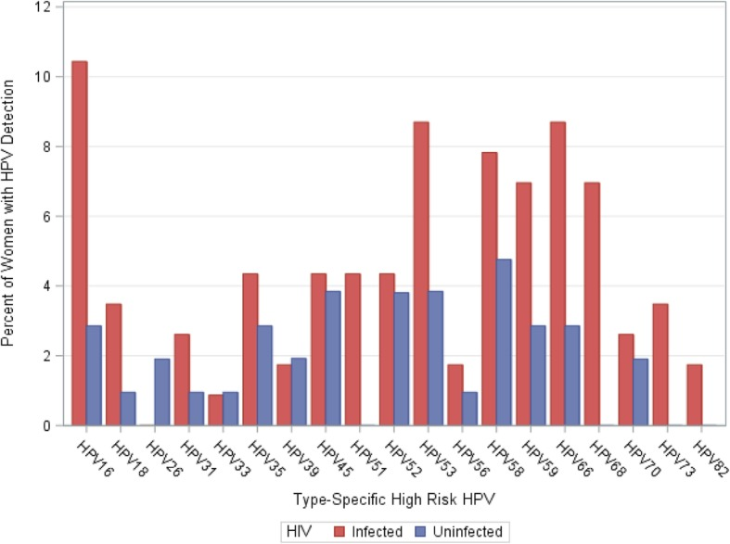
Source: Ermel, et al 2019. BMC Infect Dis. 2019; 19: 352.
Baseline assessment of a longitudinal cohort study of HIV pos and neg women. Women attending cervical cancer screening and were VIA-negative were invited to participate. To be eligible, women had to live within 30km if Eloret, have no history of cervical abnormalities, willing to return every quarter for 4 years, and STI-negative at enrollment.
Year of data collection | Population | Location | Age | Types | Prevalence | N pos | N total
2015 | HIV+ | Eldoret | Mean 37 | Any HPV | 59.1 | 68 | 115
 |  |  |  | HR-HPV (including possible HR) | 47 | 54 | 115
 |  |  |  | IARC HR-HPV (not including possible) | 39.1 | 45 | 115
 |  |  |  | A9 (HPV 16, 31, 33, 35, 52, 58) | 23.5 | 27 | 115
 |  |  |  | HPV 16 | 10.4 | 12 | 115
 |  |  |  | HPV 31, 33, 35, 52, 58 | 17.4 | 20 | 115
 |  |  |  | A7 (HPV 18, 39, 45, 59, 68) | 20 | 23 | 115
 |  |  |  | HPV 18 | 3.5 | 4 | 115
 |  |  |  | HPV 39, 45, 59, 68 | 17.4 | 20 | 115
 |  |  |  | Any LR-HPV | 32.2 | 37 | 115
 |  |  |  | ≥2 Types Any HPV | 33 | 38 | 115
 |  |  |  | ≥2 Types HR-HPV | 20 | 23 | 115
 | HIV- | Eldoret | Mean 31 | Any HPV | 35.2 | 37 | 105
 |  |  |  | HR-HPV (including possible HR) | 27.6 | 29 | 105
 |  |  |  | IARC HR-HPV (not including possible) | 23.8 | 25 | 105
 |  |  |  | A9 (HPV 16, 31, 33, 35, 52, 58) | 15.2 | 16 | 105
 |  |  |  | HPV 16 | 2.9 | 3 | 105
 |  |  |  | HPV 31, 33, 35, 52, 58 | 12.4 | 13 | 105
 |  |  |  | A7 (HPV 18, 39, 45, 59, 68) | 8.6 | 9 | 105
 |  |  |  | HPV 18 | 1 | 1 | 105
 |  |  |  | HPV 39, 45, 59, 68 | 7.6 | 8 | 105
 |  |  |  | Any LR-HPV | 17.1 | 18 | 105
 |  |  |  | ≥2 Types Any HPV | 10.5 | 11 | 105
 |  |  |  | ≥2 Types HR-HPV | 6.7 | 7 | 105

Source: Smith 2010, Prevalence and Risk Factors of Human Papillomavirus Infection by Penile Site in Uncircumcised Kenyan Men
 | Participants were part of a circumcision trial and were HIV-negative at baseline
 |  | Prevalence | LB | UB
 | Overall | 35.30% | 33.5 | 37.1

Source: Ng'ayo, 2008. Epidemiology of human papillomavirus infection among fishermen along Lake Victoria Shore in the Kisumu District, Kenya
 | Prevalence of HIV was 25.6% and HSV2 was 58.4%; migratory population with high level of concurrency and low rate of circumcision
 |  | n | % positive for any HPV | % for HR HPV
 | 18–20 | 36 | 61.1
 | 21–25 | 67 | 64.2
 | 26–30 | 51 | 62.8
 | 31–40 | 43 | 44.2
 | >40 | 52 | 53.9
 | Overall | 249 | 57.60% | 42.40%
 | HIV+ | 64 | 73.4
 | HIV- | 186 | 52.2

Source: Olesen, 2014. Human papillomavirus prevalence among men in sub-Saharan Africa: a systematic review and meta-analysisSexually Transmitted Infections 2014;90:455-462.
 | Prevalence of HR HPV by HIV status in different countries in eastern Africa (suppl table 1)
 | Country | n/N | HIV-negative | Lb | UB | n/N | HIV-positive | LB | UB | Overall | LB | UB | HIV prvevalence | Age range | Year of data
Veldhuijzen | Rwanda | 34/153 | 22.2 | 16.1 | 29.8 | 10/13 | 76.9 | 46 | 93.8 | 26.5 | 19.7 | 33.3 | 7.8 | 27-38 | 2007-2009
Olesen | Tanzania | 212/1343 | 15.8 | 13.8 | 17.7 | 36/140 | 25.7 | 18.5 | 33 | 16.2 | 14.5 | 17.9 | 7.7 | <19 - >50 | 2009 | *HIV prevalence was 9.4% among those who were tested
Tobian | Uganda | 378/978 | 38.7 | 35.6 | 41.8 | 312/421 | 74.1 | 69.6 | 78.2 | 49.3 | - | - | 30 | 15-49 | 2006

 | Age-specific HPV prevalence |  |  |  |  |  |  |  |  |  |  | Read from figure
 | Tanzania |  |  |  |  |  |  |  |  |  |  | HIV+ |  |  | HIV-
 | Age | n | N | Any HPV Prevalence | LB | UB |  | n | N | HR HPVPrevalence |  | Any HPV | LB | UB | Any HPV | LB | UB
 | ≤19 | 9 | 74 | 12.2 | 4.7 | 19.6 |  | 9 | 74 | 12.2 |  | 0 | 0 | 0 | 17.6 | 6.8 | 27.9
 | 20-24 | 44 | 254 | 17.3 | 12.7 | 22 |  | 22 | 254 | 8.7 |  | 0 | 0 | 0 | 18.6 | 12.9 | 24
 | 25-29 | 86 | 483 | 17.8 | 14.4 | 21.2 |  | 71 | 483 | 15.3 |  | 22 | 38.5 | 5.3 | 17.3 | 13.4 | 21.8
 | 30-34 | 79 | 336 | 23.5 | 19 | 28.1 |  | 62 | 336 | 18.5 |  | 28.6 | 44.9 | 13.4 | 26.7 | 20.7 | 32.2
 | 35-39 | 43 | 205 | 21 | 15.4 | 26.6 |  | 36 | 205 | 17.6 |  | 29.3 | 47.3 | 11 | 17.9 | 11.8 | 24.6
 | 40-49 | 57 | 245 | 23.3 | 18 | 28.6 |  | 47 | 245 | 19.2 |  | 46.8 | 63.4 | 30.3 | 20.4 | 14.6 | 26.8
 | ≥50 | 54 | 216 | 25 | 19.2 | 30.8 |  | 44 | 216 | 20.4 |  | 51.9 | 71.9 | 31.8 | 21.5 | 14.1 | 28.1

 | Uganda (Hr HPV prevalence) |  |  |  |  |  |  | HIV+ |  |  |  | HIV-
 | Age | n | N | Prevalence | LB | UB |  | n | N | Prevalence |  | n | N | Prevalence
 | 15-19 | 30 | 96 | 31.3 | 22 | 40.5 |  | 3 | 4 | 75 |  | 27 | 92 | 29.35
 | 20-24 | 136 | 255 | 53.3 | 47.2 | 59.5 |  | 32 | 37 | 86.49 |  | 104 | 218 | 47.71
 | 25-29 | 184 | 362 | 50.8 | 45.7 | 56 |  | 64 | 90 | 71.11 |  | 120 | 272 | 44.12
 | 30-34 | 151 | 310 | 48.7 | 43.2 | 54.3 |  | 82 | 115 | 71.3 |  | 69 | 195 | 35.38
 | ≥35 | 189 | 376 | 50.3 | 45.2 | 55.3 |  | 131 | 175 | 74.86 |  | 58 | 201 | 28.86

CC prevalence
Source: National Cervical Cancer Strategic Plan 2012-2015, 2012 https://www.iedea-ea.org/images/article/304/National%20Cervical%20Cancer%20Prevention%20Plan%20FINALFeb%202012.pdf
 | (Stats not referenced)
 | Prevalence of HIV among women with invasive CC: 15%
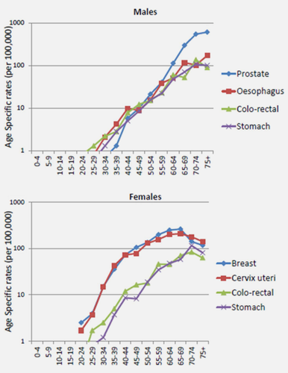
 | Prevalence of HIV among all people in Kenya: 7%
 | Prevalence of any cervical abnormalitie among HIV+ women attending HIV clinics: 43%
 | Prevalence of any cervical abnormalitie among general population of women: 3.6%

Source: Korir, et al 2015. Int J Cancer. 2015 Nov 1;137(9):2053-9.

 | Age-specific incidnce rates of cervical cancer in Nairobi, 2004-2008
 | Age | Rate per 100,000
 | 20-24 | 1.67
 | 25-29 | 3.63
 | 30-34 | 14.37
 | 35-39 | 41.72
 | 40-44 | 70.34
 | 45-49 | 74.19
 | 50-54 | 127.79
 | 55 – 59 | 148.35
 | 60 - 64 | 193.66
 | 65- 69 | 199.95
 | 70 - 74 | 170.4
 | 75+ | 134.78
 | Overall | 46.1

Source: Cancer in Sub-Saharan Africa, IARC publication
 | Age-specific incidence rates of cervical cancer in Eldoret, 2008-2011
 | Age group | Rates per 100,000
 | 15-19 | 2
 | 20-24 | 3
 | 25-29 | 7
 | 30-34 | 21
 | 35-39 | 27
 | 40-44 | 35
 | 45-49 | 36
 | 50 - 54 | 27
 | 55 - 59 | 21
 | 60 - 64 | 15
 | 65 - 69 | 11
 | 70 -74 | 9
 | 75+ | 15

 | Age-specific incidence rates of cervical cancer in Nairobi, 2007-2011
 |  | Rates per 100,000
 | Age group | Nairobi 2007-2011 |  | Eldoret 2008-2011 | Nairobi 2004-2008
 | 15-19 | 1 |  | 2 | 0
 | 20-24 | 12 |  | 3 | 1.67
 | 25-29 | 34 |  | 7 | 3.63
 | 30-34 | 86 |  | 21 | 14.37
 | 35-39 | 156 |  | 27 | 41.72
 | 40-44 | 187 |  | 35 | 70.34
 | 45-49 | 163 |  | 36 | 74.19
 | 50 - 54 | 144 |  | 27 | 127.79
 | 55 - 59 | 120 |  | 21 | 148.35
 | 60 - 64 | 90 |  | 15 | 193.66
 | 65 - 69 | 57 |  | 11 | 199.95
 | 70 -74 | 40 |  | 9 | 170.4
 | 75+ | 48 |  | 15 | 134.78

Source: Cancer in Sub-Sahara Africa III, in press
 | Age-specific incidence rates of cervical cancer in Eldoret, 2012-2016
 | Age group | Rates per 100,000
 | 15-19 | 0
 | 20-24 | 1
 | 25-29 | 7
 | 30-34 | 9
 | 35-39 | 24
 | 40-44 | 28
 | 45-49 | 31
 | 50 - 54 | 30
 | 55 - 59 | 23
 | 60 - 64 | 23
 | 65 - 69 | 11
 | 70 -74 | 15
 | 75+ | 10
 | ASR | 17.7

Source: ICO report Kenya, 2018/GLOBOCAN
 | Crude rate for all ages | 20.5
 | ASR | 32.5 | ages 0-74

Source: Globocan 2008
 |  | ASR
 | East Africa | 34.5 | all ages

Source: Globocan 2012, de Martel C, Plummer M, Vignat J, Franceschi S. Worldwide burden of cancer attributable to HPV by site, country and HPV type. Int J Cancer. 2017
 |  | ASR
 | Kenya | 40.03
 | East Africa | 42.7

Source: GBD, Kenya 2018
 | Assuming rates are for HIV-negative women
 | Year | ASR | LB | UB
 | 1990 | 28.34 | 21.28 | 41.36
 | 1991 | 28.30 | 21.13 | 41.17
 | 1992 | 28.45 | 21.24 | 40.73
 | 1993 | 28.54 | 21.39 | 40.09
 | 1994 | 28.83 | 21.67 | 39.98
 | 1995 | 29.01 | 21.67 | 39.75
 | 1996 | 28.90 | 21.50 | 39.28
 | 1997 | 28.92 | 21.33 | 38.35
 | 1998 | 28.70 | 21.15 | 37.67
 | 1999 | 28.14 | 20.79 | 36.71
 | 2000 | 27.92 | 20.64 | 36.02
 | 2001 | 27.14 | 20.04 | 35.03
 | 2002 | 27.28 | 20.14 | 34.87
 | 2003 | 27.26 | 20.09 | 34.86
 | 2004 | 26.90 | 19.95 | 34.50
 | 2005 | 26.58 | 19.81 | 34.22
 | 2006 | 26.28 | 19.90 | 34.21
 | 2007 | 25.87 | 19.77 | 33.89
 | 2008 | 25.69 | 19.74 | 34.01
 | 2009 | 25.69 | 19.87 | 34.40
 | 2010 | 26.10 | 20.28 | 35.24
 | 2011 | 25.54 | 19.89 | 34.80
 | 2012 | 24.98 | 19.62 | 34.44
 | 2013 | 24.34 | 19.41 | 33.85
 | 2014 | 23.76 | 19.23 | 33.27
 | 2015 | 23.40 | 19.10 | 32.86
 | 2016 | 23.11 | 18.87 | 32.50
 | 2017 | 22.72 | 18.55 | 31.90

HIV prevalence
Source: DHS 2003
 | HIV positivity among those who accepted HIV testing (Kenya) |  |  |  |  |  |  |  |  |  |  |  | Nyanza
 | Age | Female |  |  | Male |  |  | Total | Total - LCI | Total - UCI |  |  | Age | Female | LCI | UCI | Male | LCI | UCI | Total | LCI | UCI
 | 15-19 | 3.0 | 1.7 | 4.3 | 0.4 | 0.0 | 0.8 | 1.6 | 1.0 | 2.3 |  |  | 15-19 | 4.3 | 0.6 | 8.0 | 0.1 | 0 | 0.4 | 4.0 | 0.75 | 7.30
 | 20-24 | 9.0 | 6.4 | 11.6 | 2.4 | 1.2 | 3.6 | 6 | 4.4 | 7.5 |  |  | 20-24 | 30.0 | 19.9 | 40.0 | 5.6 | 0 | 11.3 | 21.9 | 14.66 | 29.05 | 4.5
 | 25-29 | 12.9 | 9.6 | 16.2 | 7.3 | 4.4 | 10.2 | 10.4 | 7.9 | 12.8 |  |  | 25-29 | 21.9 | 9.8 | 33.9 | 23.2 | 10.4 | 36.0 | 18.9 | 12.14 | 25.66 | 4.5
 | 30-34 | 11.7 | 8.2 | 15.2 | 6.6 | 3.9 | 9.3 | 9.4 | 7.0 | 11.8 |  |  | 30-34 | 16.3 | 4.9 | 27.7 | 17.7 | 1.7 | 33.7 | 11.5 | 6.88 | 16.21
 | 35-39 | 11.8 | 8.1 | 15.4 | 8.4 | 4.9 | 11.9 | 10.1 | 7.4 | 12.9 |  |  | 35-39 | 18.0 | 6.3 | 29.7 | 19.7 | 2.7 | 36.6 | 13.7 | 6.19 | 21.27
 | 40-44 | 9.5 | 5.2 | 13.8 | 8.8 | 4.7 | 12.8 | 9.1 | 6.0 | 12.2 |  |  | 40-44 | 33.2 | 15.1 | 51.2 | 24.6 | 7.1 | 42.2 | 17.5 | 9.57 | 25.47
 | 45-49 | 3.9 | 0.9 | 6.8 | 5.2 | 1.2 | 9.1 | 4.4 | 2.1 | 6.7 |  |  | 45-49 | 15.8 | 0.0 | 33.2 | 18.7 | 3.1 | 34.2 | 7.3 | 2.62 | 11.92
 | 50-54 |  |  |  | 5.7 | 2.1 | 9.2 |  |  |  |  |  | 50-54 | NaN | NaN | NaN | 20.8 | 4.3 | 37.3 | 5.2 | 0.37 | 9.94
 | Total | 8.7 | 7.4 | 9.9 | 4.6 | 3.7 | 5.5 | 6.7 | 5.77 | 7.61 |  |  | Total | 18.3 | 13.4 | 23.1 | 12.3 | 7.8 | 16.7 | 15.4 | 11.41 | 19.30
 |  |  | 1.2 | 1.2 |  |  |  | 15.1 |  |  |  |  |  | *about 46% of the female and male population are under 25 years old
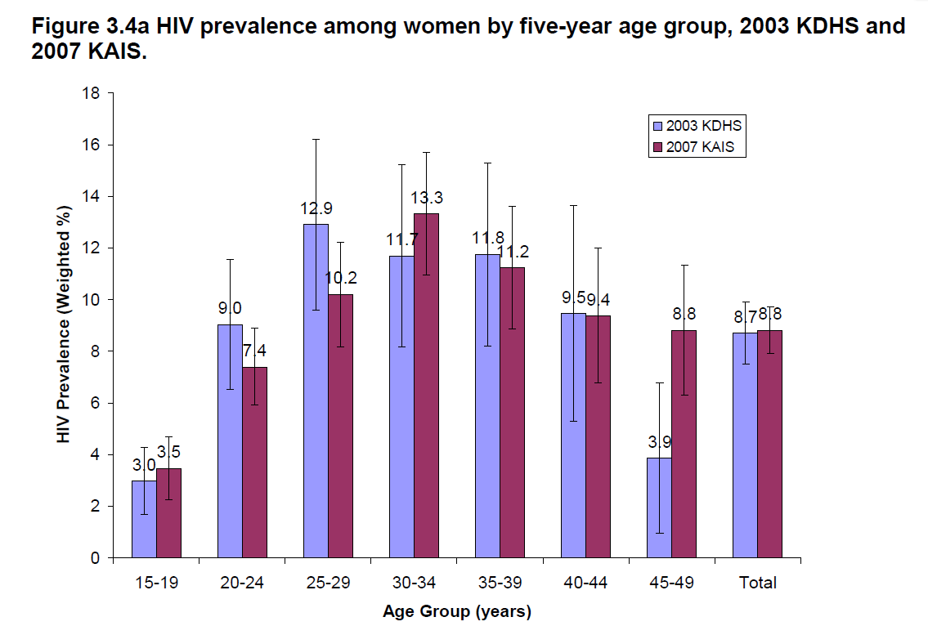
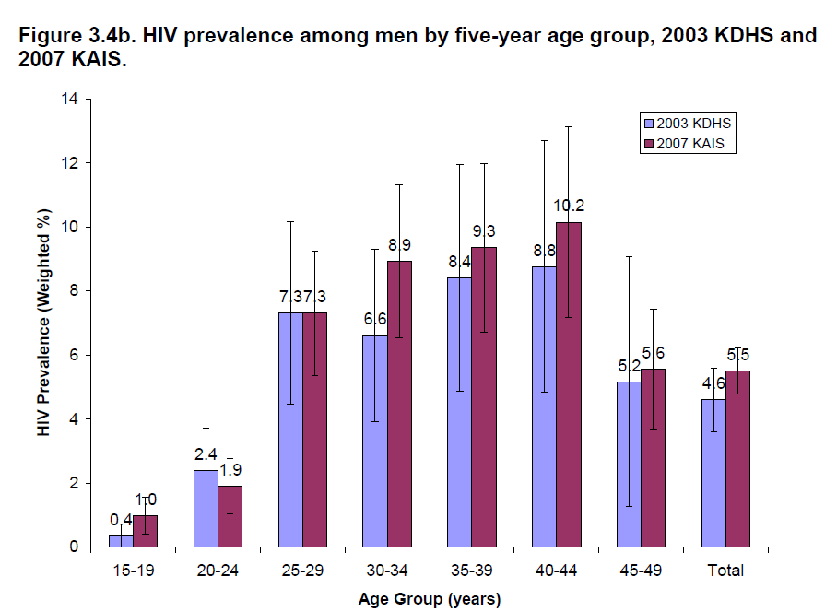
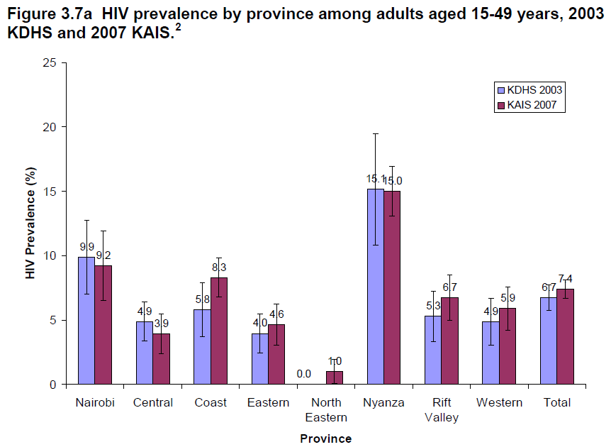
Source: 2007 KAIS
 | Kenya | HIV prevalence
 | Age | Female | Male | Total
 | 15-19 | 3.5% | 1.0% | 2.3%
 | 20-24 | 7.4% | 1.9% | 5.2%
 | 25-29 | 10.2% | 7.3% | 9.1%
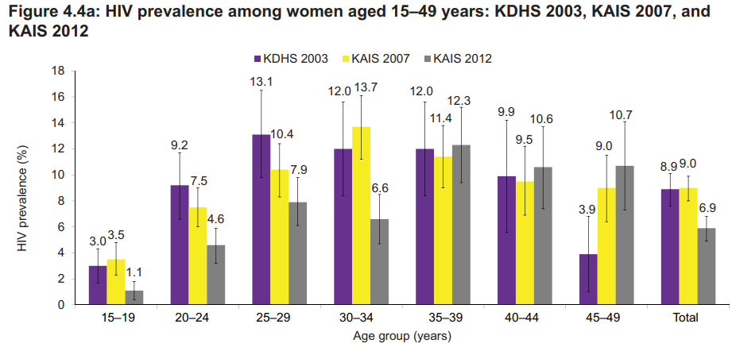
 | 30-34 | 13.3% | 8.9% | 11.6%
 | 35-39 | 11.2% | 9.3% | 10.5%
 | 40-44 | 9.4% | 10.2% | 9.7%
 | 45-49 | 8.8% | 5.6% | 7.5%
 | 50-54 | 7.5% | 8.3% | 7.8%
 | 55-59 | 4.7% | 2.3% | 3.6%
 | 60-64 | 1.7% | 3.4% | 2.7%
 | Total | 8.4% | 5.4% | 7.1% | 6.6% | 7.9%
 | Nyanza | 18.0% | 11.0% | 14.9% | 0.6% | 0.7%

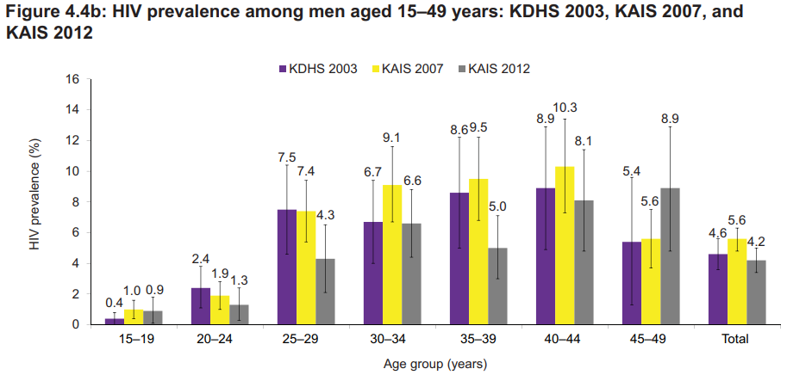
Source: KAIS 2012 (validation target)
 | Nyanza | HIV prevalence |  |  | Kenya
 | Age | Female | Male |  | Age | Overall | LB | UB | Female | LB | UB | Male | LB | UB
 | 15-19 | 5.0% | 2.0% |  | 15–19 | 1 | 0.5 | 1.6 | 1.1 |  |  | 0.9
 | 20 – 24 | 14.1% | 2.9% |  | 20–24 | 3.1 | 2.2 | 4 | 4.6 |  |  | 1.3
 | 25-29 | 25.0% | 21.0% |  | 25–29 | 6.3 | 4.8 | 7.7 | 7.9 |  |  | 4.3
 | 30-34 | 21.0% | 24.0% |  | 30–34 | 6.6 | 5.2 | 8 | 6.6 |  |  | 6.6
 | 35-39 | 28.0% | 20.0% |  | 35–39 | 8.7 | 6.7 | 10.7 | 12.3 |  |  | 5
 | 40-44 | 17.0% | 31.0% |  | 40–44 | 9.3 | 7.1 | 11.6 | 10.6 |  |  | 8.1
 | 45-49 | 23.0% | 16.0% |  | 45–49 | 9.8 | 7.1 | 12.5 | 10.7 |  |  | 8.9
 | 50-54 | 12.0% | 21.0% |  | 50–54 | 8.4 | 6.3 | 10.5 | 10 |  |  | 7
 | 55-59 | 6.0% | 12.0% |  | 55–59 | 4.4 | 2.4 | 6.4 | 5 |  |  | 4
 | 60-64 | 4.0% | 12.0% |  | 60–64 | 4 | 2 | 6.1 | 3 |  |  | 5
 | 65-74 | 0.1% | 5.1% |  | Total | 5.6 | 4.9 | 6.3 | 6.9 | 6 | 7.7 | 4.4 | 3.6 | 5.2
 | 75-84 | 0.0% | 1.7% |  |  |  | 0.7 | 0.7
 | 85+ | 0.0% | 0.0%
 | Total | 16% | 14% | 15%
Source: Kenya AIDS Progress Report 2016
 | HIV prevalence in 2015
 |  | Adults 15+
 | County | Female prevalence | Male prevalence | HIV prevalence | HIV incidence | HIV mortality
 | Siaya |  |  | 24.8 | 1.68% | 0.018
 | Kisii |  |  | 4.7 | 0.27% | 0.018
 | Migori |  |  | 14.3 | 1 | 0.018
 | Kisumu |  |  | 19.9 | 1.62 | 0.018
 | Homa Bay |  |  | 26 | 2 | 0.018
 | Nyamira |  |  | 6.4 | 0.38 | 0.018

Source: DHS 2008-2009
 | Weighted HIV positivity among those who consented to testing (Nyanza) |  |  |  |  |  |  |  |  |  |  | Kenya
 | Age | Female | LCI | UCI | Male | LCI | UCI | Total | LCI | UCI |  | Age | Female | LCI | UCI | Male | LCI | UCI | Total | LCI | UCI
 | 15-19 | 10.75 | 5.1 | 16.4 | 1.83 | 0.0 | 4.2 | 5.8 | 2.9 | 8.7 |  | 15-19 | 2.74 | 1.46 | 4.02 | 0.73 | 0.07 | 1.38 | 1.7 | 1.0 | 2.4
 | 20-24 | 11.91 | 6.7 | 17.2 | 5.75 | 0.0 | 11.7 | 9.7 | 5.5 | 13.9 |  | 20-24 | 6.41 | 4.30 | 8.51 | 1.49 | 0.38 | 2.60 | 4.2 | 3.0 | 5.5
 | 25-29 | 22.20 | 11.3 | 33.1 | 24.33 | 14.0 | 34.7 | 23.0 | 14.2 | 31.8 |  | 25-29 | 10.41 | 7.15 | 13.67 | 6.52 | 3.29 | 9.75 | 8.8 | 6.3 | 11.3
 | 30-34 | 25.58 | 12.0 | 39.2 | 15.30 | 5.0 | 25.6 | 20.1 | 10.3 | 29.9 |  | 30-34 | 11.04 | 7.47 | 14.62 | 6.81 | 4.12 | 9.49 | 9.1 | 6.6 | 11.6
 | 35-39 | 22.25 | 11.4 | 33.1 | 22.51 | 8.2 | 36.8 | 22.4 | 12.9 | 31.8 |  | 35-39 | 8.79 | 5.73 | 11.86 | 10.43 | 6.24 | 14.62 | 9.5 | 7.0 | 12.1
 | 40-44 | 9.27 | 1.1 | 17.5 | 24.73 | 7.5 | 42.0 | 16.5 | 6.8 | 26.1 |  | 40-44 | 14.27 | 6.72 | 21.82 | 5.67 | 2.56 | 8.78 | 10.3 | 5.8 | 14.8
 | 45-49 | 17.16 | 5.2 | 29.1 | 12.91 | 0.0 | 27.0 | 15.6 | 6.8 | 24.3 |  | 45-49 | 6.41 | 3.57 | 9.25 | 4.25 | 0.87 | 7.64 | 5.5 | 3.3 | 7.6
 | 50-54 | NaN | NaN | NaN | 15.9 | 3.1 | 28.7 | NaN | 3.1 | 28.7 |  | 50-54 | NaN | NaN | NaN | 9.11 | 2.30 | 15.92 | 9.11 | 2.3 | 15.9
 | Total | 16.0 | 11.9 | 20.1 | 11.6 | 8.1 | 15.1 | 13.9 | 10.5 | 17.4 |  | Total | 8.0 | 6.8 | 9.2 | 4.6 | 3.6 | 5.6 | 6.4 | 5.4 | 7.3
 |  |  | 4.1 | 4.1 | 3.5 |  |  |  |  |  |  |  |  | 1.2 | 1.2 |  |  |  |  | 0.9 | 0.9
Source: National AIDS Control Council - Kenya HIV Estimates 2018 reprot

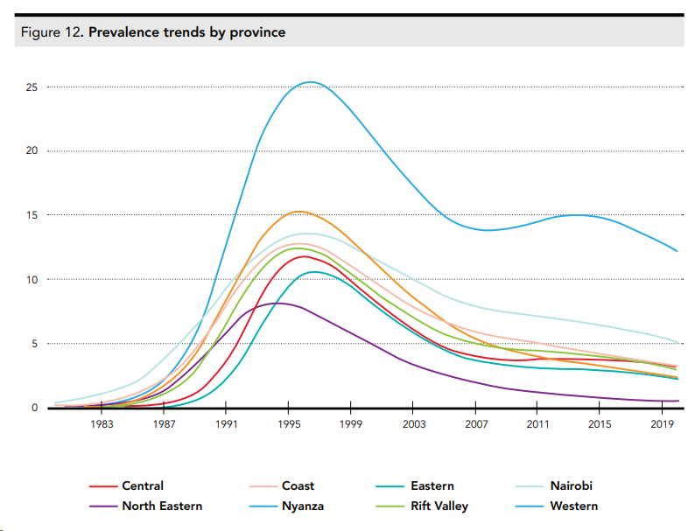
HIV Estimates Report 2014 (Spectrum)
 | 2017 HIV prevalence in adults 15-49
 | County | Female | Male | Total
 | Siaya | 22.4% | 19.4% | 21.0%
 | Kisii | 4.7% | 4.0% | 4.4%
 | Migori | 14.2% | 12.2% | 13.3%
 | Kisumu | 17.4% | 15.0% | 16.3%
 | Homa Bay | 22.1% | 19.1% | 20.7%
 | Nyamira | 4.5% | 3.9% | 4.2%

Source: National AIDS Control Council - Kenya HIV Estimates 2014 report
 | HIV prevalence in Nyanza, estimated by Spectrum
 | Year | %
 | 1983 | 0.20% |  | 0.002
 | 1987 | 2.09% |  | 0.0209
 | 1990 | 12.33% |  | 0.1233
 | 1994 | 24.31% |  | 0.2431
 | 1999 | 23.02% |  | 0.2302
 | 2003 | 17.10% |  | 0.171
 | 2007 | 13.72% |  | 0.1372
 | 2011 | 14.19% |  | 0.1419
 | 2015 | 14.56% | red text = projections | 0.1456
 | 2019 | 12.52% |  | 0.1252

Source: HIV prevention response and transmission - 2009
 | HIV prevalence among ANC attendants age 15-24 in Kenya, 1990-2006
 | Year | Prevalence
 | 1990 | 6.80%
 | 1991 | 10.90%
 | 1992 | 12.80%
 | 1993 | 12.70%
 | 1994 | 20.30%
 | 1995 | 22.90%
 | 1996 | 11.30%
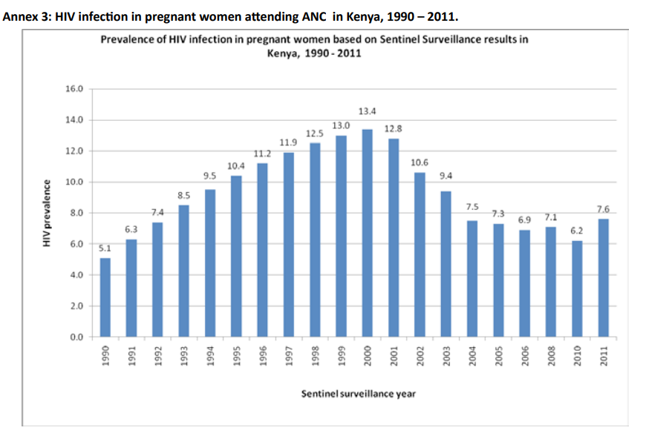
 | 1997 | 17.20%
 | 1998 | 20.30%
 | 1999 | 16.50%
 | 2000 | 18.00%
 | 2001 | 13.10%
 | 2002 | 10.80%
 | 2003 | 9.10%
 | 2004 | 6.20%
 | 2005 | 6.80%
 | 2006 | 6.30%

Source: Kenya ANC Sentinel Surveillance Reprot, 2011

 | ANC HIV prevalence estimates from Nyanza, 1990-2011
 | Year | Kisumu | Kisii | Chulaimbo | Suba | Tabaka
 | 1990 | 18 | 1
 | 1991 | 18 | 3
 | 1992 | 19 | 0
 | 1993 | 19 | 2
 | 1994 | 29 | 8
 | 1995 | 24 | 3 | 20
 | 1996 | 26 | 15 | 26
 | 1997 | 32 | 15
 | 1998 | 27 | 13 | 35
 | 1999 | 25 | 11 | 24
 | 2000 | 33 | 14 | 29
 | 2001 | 29 | 17 | 25 | 31 | 11
 | 2002 | 26 | 14 | 22 | 34 | 4
 | 2003 | 26 | 9 | 22 | 41 | 9
 | 2004 | 11.2 | 6.4 | 13.8 | 30 | 3.2
 | 2005 | 15.1 | 7 | 8.3 | 32.9 | 3.2
 | 2006 | 18.5 | 2.3 | 8.2 | 26.3 | 1.1
 | 2008 | 16.9 | 6.8 | 21 | 19.9 | 3.4
 | 2010 | 18.5 | 8.7 | 22.1 | 23.5 | 3.2
 | 2011 | 15.5 | 7 | 25.9 | 30.3 | 19.7

Source: Hawken, 2002; JAIDS, 31: 529-535
 | HIV prevalence in a population-based survey in Mombasa; 56.07% agreed to HIV testing
 | Age | Male | Female | Total
 | 15-19 | 2 | 4 | 3.2
 | 20-24 | 1.2 | 15.6 | 7.9
 | 25-29 | 8.4 | 20.7 | 14.7
 | 30-34 | 13.9 | 14.7 | 14.3
 | 35-39 | 13.8 | 15.7 | 14.7
 | 40-44 | 7.5 | 6.9 | 7.3
 | 45-49 | 11.4 | 13.6 | 12.3
 | Overall | 8 | 13.7 | 10.8

Source: Glynn, 2001; AIDS September 7th, 2001 - Volume 15 - Issue 13 - p 1717-1725
 | HIV prevalence in two ANC clinics in Kisumu compared to the general population in Kisumu (surveyed); 1997-1998
 | The two clinics covered 80% of pregnant women in the city. In the gen pop, 75% of women and 65% of men were both interviewed and HIV-tested
 | Age-standardized (15-40 years old)
 | Women | 29.2 | 26.2 | 32.2 | 31.1 | 27.9 | 34.3
 | Men |  |  |  | 19 | 15.9 | 22.2
 | Total pop |  |  |  | 25.1 | 22.9 | 27.3

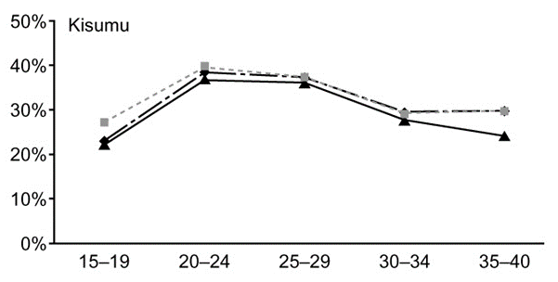
 |  | ANC | LB | UB | Gen pop | LB | UN
 | 15-19 | 21.9 |  |  | 23.2 |  |  | *Plotly from figure
 | 20-24 | 37 |  |  | 38.8
 | 25-29 | 36 |  |  | 37.7
 | 30-34 | 27.5 |  |  | 29.8
 | 35-40 | 24 |  |  | 29.9
 | All women | 30.6 | 28.3 | 33 | 30.1 | 27.1 | 33.3
 | All men | 23.2 | 20 | 26.8 | 19.8 | 16.7 | 23.1
 | Total pop |  |  |  | 25.9 | 23.7 | 28.2

 | HIV prevalence of men estimated based on reported status of the fathers vs HIV prevalence measured in men in survey
 |  | ANC | LB | UB | Survey | LB | UB
 | 15-19 | 5.8 | 0.28 | 11.3 | 3.5 | 1.1 | 7.9
 | 20-29 | 29.1 | 25.6 | 32.6 | 18.3 | 13.6 | 23.7
 | 30-39 | 34.5 | 30.2 | 38.8 | 33.1 | 25.8 | 41.1
 | 40-49 | 36.5 | 27.9 | 45 | 27.7 | 18.4 | 38.6
 | all ages | 23.2 | 20 | 26.8 | 19.8 | 16.7 | 23.1

AIDSinfo, UNAIDS (2020). Kenya national HIV prevalence
 | Year | Prevalence | LB | UB |  | CI |  | Female | LB | UB | Male | LB | UB
 | 1990 | 5.6 | 4.7 | 6.7 |  | 2 |  | 5.9 | 4.9 | 7.1 | 5.3 | 4.2 | 6.3
 | 1991 | 7 | 6 | 8.4 |  | 2.4 |  | 7.6 | 6.4 | 9.1 | 6.4 | 5.2 | 7.8
 | 1992 | 8.4 | 7.1 | 10 |  | 2.9 |  | 9.3 | 7.8 | 11.1 | 7.5 | 6 | 9
 | 1993 | 9.6 | 8.1 | 11.4 |  | 3.3 |  | 10.8 | 9 | 12.9 | 8.3 | 6.7 | 10.1
 | 1994 | 10.4 | 8.8 | 12.4 |  | 3.6 |  | 11.9 | 9.9 | 14.2 | 8.9 | 7.2 | 10.7
 | 1995 | 10.9 | 9.3 | 13 |  | 3.7 |  | 12.6 | 10.5 | 15 | 9.2 | 7.4 | 11.1
 | 1996 | 11 | 9.4 | 13.2 |  | 3.8 |  | 12.9 | 10.7 | 15.4 | 9.2 | 7.4 | 11.1
 | 1997 | 11 | 9.3 | 13.1 |  | 3.8 |  | 12.9 | 10.7 | 15.4 | 9 | 7.3 | 10.9
 | 1998 | 10.7 | 9.1 | 12.8 |  | 3.7 |  | 12.7 | 10.6 | 15.2 | 8.7 | 7 | 10.5
 | 1999 | 10.3 | 8.8 | 12.3 |  | 3.5 |  | 12.3 | 10.3 | 14.7 | 8.3 | 6.7 | 10
 | 2000 | 9.8 | 8.4 | 11.7 |  | 3.3 |  | 11.8 | 9.8 | 14.1 | 7.8 | 6.3 | 9.5
 | 2001 | 9.3 | 7.9 | 11.1 |  | 3.2 |  | 11.2 | 9.4 | 13.5 | 7.3 | 5.9 | 8.9
 | 2002 | 8.8 | 7.5 | 10.5 |  | 3 |  | 10.6 | 8.9 | 12.7 | 6.9 | 5.5 | 8.3
 | 2003 | 8.2 | 7 | 9.8 |  | 2.8 |  | 10 | 8.3 | 12 | 6.4 | 5.2 | 7.7
 | 2004 | 7.7 | 6.5 | 9.2 |  | 2.7 |  | 9.4 | 7.9 | 11.3 | 5.9 | 4.8 | 7.2
 | 2005 | 7.3 | 6.2 | 8.7 |  | 2.5 |  | 8.9 | 7.4 | 10.7 | 5.6 | 4.5 | 6.7
 | 2006 | 6.9 | 5.9 | 8.2 |  | 2.3 |  | 8.5 | 7.1 | 10.2 | 5.3 | 4.3 | 6.4
 | 2007 | 6.6 | 5.6 | 7.9 |  | 2.3 |  | 8.1 | 6.8 | 9.8 | 5.1 | 4.1 | 6.1
 | 2008 | 6.4 | 5.4 | 7.6 |  | 2.2 |  | 7.9 | 6.5 | 9.4 | 4.9 | 3.9 | 5.9
 | 2009 | 6.2 | 5.2 | 7.3 |  | 2.1 |  | 7.6 | 6.3 | 9.1 | 4.7 | 3.8 | 5.7
 | 2010 | 6 | 5.1 | 7.1 |  | 2 |  | 7.4 | 6.1 | 8.8 | 4.5 | 3.7 | 5.5
 | 2011 | 5.8 | 4.9 | 6.9 |  | 2 |  | 7.1 | 5.9 | 8.5 | 4.4 | 3.6 | 5.3
 | 2012 | 5.6 | 4.8 | 6.7 |  | 1.9 |  | 7 | 5.8 | 8.4 | 4.3 | 3.4 | 5.2
 | 2013 | 5.5 | 4.7 | 6.6 |  | 1.9 |  | 6.9 | 5.7 | 8.2 | 4.1 | 3.3 | 5
 | 2014 | 5.4 | 4.6 | 6.4 |  | 1.8 |  | 6.7 | 5.6 | 8.1 | 4 | 3.2 | 4.8
 | 2015 | 5.2 | 4.4 | 6.2 |  | 1.8 |  | 6.6 | 5.5 | 7.9 | 3.8 | 3.1 | 4.6
 | 2016 | 5.1 | 4.3 | 6 |  | 1.7 |  | 6.4 | 5.3 | 7.7 | 3.7 | 3 | 4.5
 | 2017 | 4.9 | 4.2 | 5.8 |  | 1.6 |  | 6.2 | 5.2 | 7.5 | 3.5 | 2.9 | 4.3
 | 2018 | 4.7 | 4 | 5.7 |  | 1.7 |  | 6.1 | 5 | 7.2 | 3.4 | 2.8 | 4.1

HIV mortality
Source: Anderegg, 2017; AIDS: April 2017 - Volume 31 - Issue - p S31–S40
 | Corrected mortality rates (per 100 person years) including 95% confidence intervals for East Africa (all cohorts). Corrected for lost to follow up in a patient tracing study in Kenya.
 |  | MEN |  |  |  |  |  |  | WOMEN
 |  | CD4 categories in adult males |  |  |  |  |  |  | CD4 categories in adult females
 |  | <50 | 50-99 | 100-199 | 200-249 | 250-349 | 350-500 | >500 | <50 | 50-99 | 100-199 | 200-249 | 250-349 | 350-500 | >500 | SE
 | <6 months after ART initiation
 | 15-24 years | 33.36 | 17.63 | 10.51 | 6.66 | 4.48 | 6.1 | 6.06 | 24.04 | 12.7 | 7.57 | 4.8 | 3.23 | 4.39 | 4.37
 |  | (9.94-23.64) | (5.17-13.79) | (3.16-8.89) | (1.79-6.75) | (1.34-4.18) | (1.35-6.08) | (1.23-7.38) | (7.28-17.31) | (3.88-9.76) | (2.41-6.31) | (1.42-4.74) | (0.96-2.92) | (0.99-4.34) | (0.89-5.44) | -28.528571429
 | 25-34 years | 35.56 | 18.79 | 11.2 | 7.1 | 4.78 | 6.5 | 6.46 | 25.62 | 13.54 | 8.07 | 5.12 | 3.44 | 4.68 | 4.66
 |  | (12.75-20.41) | (6.52-12.53) | (4.01-7.99) | (2.23-6.23) | (1.57-3.8) | (1.56-5.93) | (1.29-8.02) | (9.21-15.28) | (4.82-9.12) | (3.06-5.56) | (1.69-4.5) | (1.17-2.73) | (1.16-4.22) | (0.94-5.94)
 | 35-44 years | 39.86 | 21.06 | 12.55 | 7.96 | 5.35 | 7.28 | 7.24 | 28.72 | 15.17 | 9.04 | 5.74 | 3.86 | 5.25 | 5.22
 |  | (14.6-22.48) | (7.6-13.81) | (4.52-8.43) | (2.51-7.07) | (1.74-4.32) | (1.7-6.75) | (1.47-8.98) | (10.08-17.12) | (5.4-10.35) | (3.29-6.32) | (1.83-5.14) | (1.26-3.18) | (1.29-4.74) | (1.08-6.58)
 | 45+ years | 53.56 | 28.3 | 16.87 | 10.7 | 7.19 | 9.79 | 9.73 | 38.59 | 20.39 | 12.15 | 7.71 | 5.18 | 7.05 | 7.01
 |  | (18.88-30.5) | (9.88-18.33) | (6.05-11.69) | (3.34-9.21) | (2.34-5.76) | (2.21-9.07) | (1.92-12.19) | (13.19-23.27) | (7.15-13.75) | (4.33-8.54) | (2.51-6.82) | (1.7-4.14) | (1.65-6.66) | (1.36-9.19)
 | 6-12 months after ART initiation
 | 15-24 years | 10.86 | 7.11 | 4.48 | 3.51 | 3.57 | 5.64 | 2.52 | 7.8 | 5.11 | 3.22 | 2.52 | 2.56 | 4.05 | 1.81
 |  | (5.24-24.12) | (3.25-15.37) | (2.09-9.81) | (1.37-8.91) | (1.55-8.62) | (2.27-16.69) | (0.91-7.66) | (3.7-17.03) | (2.42-10.96) | (1.52-7.02) | (1.04-6.05) | (1.13-6.23) | (1.63-11.51) | (0.65-5.06)
 | 25-34 years | 7.88 | 5.15 | 3.25 | 2.55 | 2.59 | 4.09 | 1.83 | 5.66 | 3.7 | 2.33 | 1.83 | 1.86 | 2.94 | 1.31
 |  | (5.1-12.05) | (3.22-8.06) | (1.97-5.42) | (1.29-5.09) | (1.48-4.88) | (1.83-10.18) | (0.69-4.89) | (3.67-8.71) | (2.37-5.8) | (1.42-3.79) | (0.96-3.39) | (1.11-3.23) | (1.25-7.07) | (0.52-3.16)
 | 35-44 years | 7.57 | 4.96 | 3.12 | 2.45 | 2.49 | 3.93 | 1.76 | 5.44 | 3.56 | 2.24 | 1.76 | 1.79 | 2.82 | 1.26
 |  | (5.19-11.19) | (3.17-7.79) | (1.93-5) | (1.24-4.91) | (1.44-4.47) | (1.69-10.34) | (0.66-4.72) | (3.59-8.47) | (2.18-5.7) | (1.41-3.55) | (0.92-3.31) | (1.05-3.14) | (1.16-7.09) | (0.47-3.12)
 | 45+ years | 8.96 | 5.86 | 3.69 | 2.9 | 2.94 | 4.65 | 2.08 | 6.43 | 4.21 | 2.65 | 2.08 | 2.11 | 3.34 | 1.49
 |  | (6.13-13.27) | (3.91-9.04) | (2.35-5.92) | (1.46-5.81) | (1.68-5.35) | (2.04-12.33) | (0.76-5.74) | (4.3-9.84) | (2.73-6.62) | (1.67-4.16) | (1.14-4.11) | (1.23-3.67) | (1.45-8.72) | (0.57-3.79)
 | >12 months after ART initiation
 | 15-24 years | 5.83 | 3.82 | 2.4 (1.12-5.31) | 1.89 | 1.91 | 3.03 | 1.35 | 4.19 | 2.74 | 1.73 | 1.35 | 1.38 | 2.17 | 0.97
 |  | (2.72-12.13) | (1.72-8.29) |  | (0.72-4.73) | (0.81-4.58) | (1.17-9.21) | (0.47-4.16) | (2.02-9.01) | (1.33-5.81) | (0.84-3.71) | (0.54-3.3) | (0.61-3.34) | (0.87-6.4) | (0.35-2.77)
 | 25-34 years | 4.23 | 2.77 | 1.74 | 1.37 | 1.39 | 2.2 | 0.98 | 3.04 | 1.99 | 1.25 | 0.98 | 1 | 1.58 | 0.7
 |  | (2.8-6.44) | (1.79-4.33) | (1.07-2.87) | (0.69-2.76) | (0.81-2.63) | (0.91-5.54) | (0.36-2.62) | (2.04-4.71) | (1.3-3.09) | (0.8-2.02) | (0.54-1.84) | (0.6-1.78) | (0.66-3.81) | (0.27-1.78)
 | 35-44 years | 4.07 | 2.66 | 1.68 | 1.31 | 1.33 | 2.11 | 0.94 | 2.92 | 1.91 | 1.2 | 0.94 | 0.96 | 1.52 | 0.68
 |  | (2.86-5.78) | (1.75-4.15) | (1.07-2.64) | (0.71-2.62) | (0.79-2.42) | (0.88-5.86) | (0.35-2.6) | (2.02-4.32) | (1.19-3.06) | (0.78-1.86) | (0.51-1.82) | (0.57-1.66) | (0.63-4.2) | (0.27-1.73)
 | 45+ years | 4.81 | 3.15 | 1.98 | 1.55 | 1.58 | 2.5 | 1.11 | 3.45 | 2.26 | 1.42 | 1.12 | 1.13 | 1.79 | 0.8
 |  | (3.41-6.93) | (2.18-4.62) | (1.3-3.09) | (0.84-3.04) | (0.93-2.94) | (1.07-6.37) | (0.43-3.19) | (2.39-5.11) | (1.53-3.42) | (0.94-2.2) | (0.62-2.09) | (0.68-2.03) | (0.76-4.71) | (0.32-2.04)

 | Derived (averaged) mortaltiy rates
 |  | <200 | 200-350 | 350-500 | >500
 | 15-24 | 0.0904 | 0.0573 | 0.05245 | 0.05215
 | 25-34 | 0.09635 | 0.0611 | 0.0559 | 0.0556
 | 35-44 | 0.10795 | 0.0685 | 0.06265 | 0.0623
 | 45+ | 0.1451 | 0.09205 | 0.0842 | 0.0837

Source: Adetunji, 2000; Bulletin of the World Health Organization, 2000, 78: 1200–1206.
 | Under 5 mortality due to HIV; estimated from DHS
 | 31.4/1000

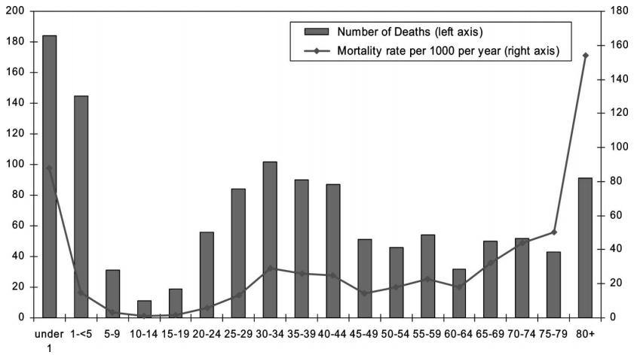
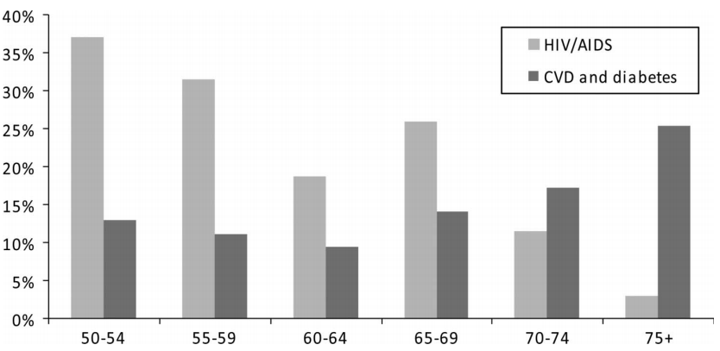
Source: Negin, 2010; J Acquir Immune Defic Syndr Volume 55, Number 2, October 1, 2010
 | HIV mortality among older adults in Nyanza 2008-2009
 |  | All-cause | HIV % | HIV-mort rate
 | 60-64 | 0.0188 | 0.185 | 0.003478
 | 65-69 | 0.03268 | 0.2568 | 0.008392224
 | 70-74 | 0.04406 | 0.1125 | 0.00495675
 | 75-79 | 0.05018 | 0.026 | 0.00130468
 | 80+ | 0.15282

Source: Streatfield, 2014
 | HIV-associated mortality rates per 1000 PY at INDEPTH sites
 | Kisumu | Nairobi | Kilifi
Infant | 7.47 | 4.67 | 1.8 |  | 0.00747 | 0.00467 | 0.0018
1 - 4 yo | 5.4 | 1.3 | 0.48 |  | 0.0054 | 0.0013 | 0.00048
5 - 14 yo | 0.4 | 0.17 | 0.2 |  | 0.0004 | 0.00017 | 0.0002
15- 49 | 3.65 | 0.93 | 0.65 |  | 0.00365 | 0.00093 | 0.00065
50- 64 | 4.56 | 1.79 | 1.52 |  | 0.00456 | 0.00179 | 0.00152
65+ | 1.98 | 0.77 | 1.54 |  | 0.00198 | 0.00077 | 0.00154

Source: Otieno, 2019. Decreased HIV-associated mortality rates during scale-up of AART, 2011-2016
 | Mortality rates among HDSS residents in Gem, Kenya, aged 20-64.
 |  | All cause mortaliy rates per 1000 years
 | Year | HIV- | HIV+, ART+ | All HIV+ | HIV+, unknown ART |  |  | Relative mortality ART+ vs HIV- | Excess mortality rates ART+ vs HIV-
 | 2011 | 5.2 | 21.9 | 30.5 | 34.6 |  |  | 4.2 | 0.0167
 | 2012 | 6.8 | 16.0 | 26.9 | 33.8 |  |  | 2.4 | 0.0092
 | 2013 | 5.3 | 14.3 | 22.3 | 28.6 |  |  | 2.7 | 0.009
 | 2014 | 6.4 | 15.8 | 21.7 | 27.2 |  |  | 2.5 | 0.0094
 | 2015 | 5.2 | 15.2 | 23.9 | 33.3 |  |  | 2.9 | 0.01
 | 2016 | 5.4 | 16.1 | 15.9 | 15.7 |  |  | 3.0 | 0.0107
 | Overall | 5.7 | 16.3 | 24.0 | 30.1 |  |  | 2.9 | 0.0106

ART
Source: KAIS 2007
 | ARV coverage among those eligible (<250 CD4 cell counts)
 | Kenya | 40.60%
 | Nyanza | 45.60%
 | ARV coverage among all PLHIV
 | Kenya | 9.70%

Source: KAIS 2012
 | Time from diagnosis to enrollment in care among HIV+ 15-64 years old in care
 | 0 to 90 days | 79.4% |  |  |  |  |  |  |  |  |  |  | Kenyan guideline: eligible for ART if ever previously been on ART, regardless of current CD4; and if never been on ART, eligible if CD4 <350
 | 91 to 180 days | 6.1% |  |  |  |  |  |  |  |  |  |  | WHO 2013 guideline: CD4 of <500
 | 180+ days | 14.5% |  |  |  |  |  |  |  |  |  |  | Coverage was calculated as: persons on ART / person eligible for ART

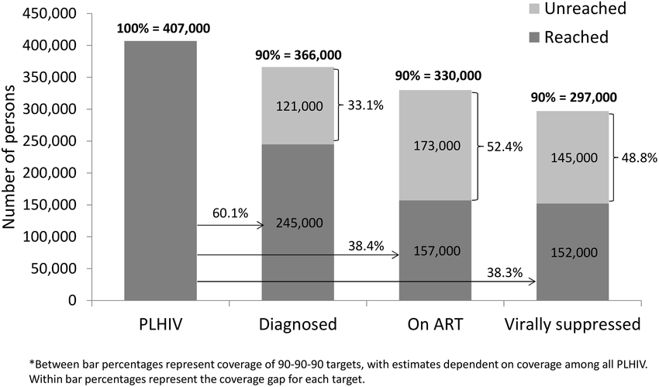
 | ART coverage |  |  |  |  |  | Source: Kim, 2016, https://www.ncbi.nlm.nih.gov/pmc/articles/PMC4773218/
 | Kenya | Aware, on ART | Unaware, not on ART | Aware, not on ART |  |  | Nyanza (2012 KAIS)
 | Based on Kenyan guidelines | 60.5% | 28.4% | 11.1% |  |  | Number of ART-eligible under Kenya guidelines | 329000
 | Based on 2013 WHO guidelines | 45.9% | 39.3% | 14.8% |  |  | Number on ART | 157000
 |  |  |  |  |  |  | Coverage % | 0.47720364742
 | Viral suppression among those taking ART |  |  |  |  |  | Number VS | 122000
 | Suppressed | 75.4% |  |  |  |  | % suppressed among those on ART | 0.77707006369
 | Not suppressed | 24.6%

Source: Kenya AIDS Progress Report 2014
 | All ages | Total number on ART | Total PLHIV | ART Coverage | Adults | Total number on ART | Total adult PLHIV | ART Coverage
 | 2008 | 237881 |  |  | 2008 | 230,059
 | 2009 | 336980 | 1,462,629 | 23.04 | 2009 | 315,558 | 1,220,112 | 25.86
 | 2010 | 468717 | 1,493,165 | 31.39 | 2010 | 396,525 | 1,262,116 | 31.42
 | 2011 | 538983 | 1,525,851 | 35.32 | 2011 | 490,437 | 1,310,147 | 37.43
 | 2012 | 604000 | 1,560,446 | 38.71 | 2012 | 548,561 | 1,356,540 | 40.44
 | 2013 | 656,359 | 1,592,342 | 41.22 | 2013 | 596,228 | 1,402,212 | 42.52

WHO ART eligibility:
Pre-2013: CD4 <350
2013-2015: CD4 <500
Post 2015: any CD4
Kenya ART eligibility (national guideline first published in 2005):
2005-2007: CD4 <200
2007-2011: CD4 <250
2011-2014: CD4 <350
2014-2016: CD4 <500
Post 2016: any CD4
Source: Kenya AIDS Progress Report 2016
 |  | 2015 |  |  | 2015 |  |  | 2013
 |  | # on ART | # HIV+ | ART coverage among all HIV+ | # need ART | coverage among eligible |  | Total PLHIV | # need ART | # on ART | coverage among eligible | coverage among PLHIV
 | Homa Bay | 85,807 | 158,077 | 0.54 | 135,039 | 0.64 |  |  | 86,072 | 56,069 | 0.65
 | Kisumu | 83,847 | 144,303 | 0.58 | 123,273 | 0.68 |  |  | 72,543 | 69,161 | 0.95
 | Siaya | 68,704 | 126,411 | 0.54 | 107,988 | 0.64 |  |  | 69,176 | 51,698 | 0.75
 | Migori | 54,927 | 83,603 | 0.66 | 71,419 | 0.77 |  |  | 47,566 | 38,063 | 0.80
 | Kisii | 23,189 | 34,014 | 0.68 | 29,057 | 0.80 |  |  | 34,282 | 14,798 | 0.43
 | Nyamira | 11,561 | 24,357 | 0.47 | 20,807 | 0.56 |  |  | 14,386 | 7858 | 0.55
 | Total | 328,035 | 570,765 | 0.57 | 487,583 | 0.67 |  | 362,751 | 324,025 | 237,647 | 0.73 | 0.66
 |  |  |  |  |  |  |  | *need ART = eligible for ART according to Kenyan guidelines
 | % viral suppression among those on ART (Kenya): | 2013 | 43.1 | %virally suppresion among all PLHIV | 0.49396393696
 |  | 2015 | 75.4 |  | 43.334540485

Source: Kenya HIV estimates 2018
 |  | 2017
 |  | # need ART (all HIV+) | On ART | % coverage
 | Homa Bay | 128199 | 100,677 | 0.79
 | Kisumu | 112862 | 101,527 | 0.90
 | Siaya | 113605 | 80,123 | 0.71
 | Migori | 79146 | 65,820 | 0.83
 | Kisii | 34950 | 27,571 | 0.79
 | Nyamira | 17537 | 13,439 | 0.77
 | Total | 486299 | 389,157 | 0.80 |  | 60.33826473

Source: UNAIDS - Spectrum, 2019
 | Year | Adults (15+) estimate | Lower Estimate | Upper Estimate | Children (0-14) estimate | Lower Estimate | Upper Estimate
 | 2010 | 31 | 27 | 38 | 17 | 13 | 22
 | 2011 | 38 | 33 | 46 | 25 | 19 | 32
 | 2012 | 42 | 36 | 51 | 30 | 23 | 39
 | 2013 | 45 | 38 | 54 | 35 | 27 | 45
 | 2014 | 51 | 43 | 61 | 41 | 31 | 52
 | 2015 | 60 | 51 | 72 | 48 | 37 | 61
 | 2016 | 67 | 57 | 81 | 56 | 44 | 72
 | 2017 | 73 | 62 | 88 | 66 | 51 | 85
 | 2018 | 69 | 59 | 83 | 61 | 47 | 78

Source: National AIDS Control Council, 2018 Kenya HIV Estimates (Possibly Spectrum)
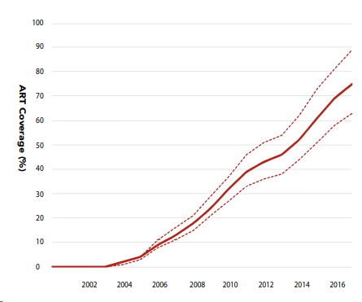

Source: AIDSinfo (UNAIDS special analysis, 2019)
 | ART coverage by year and sex among all people living with HIV
 | Year | Female | LB | UB | Male | LB | UB |  | VS% from KAIS
 | 2015 | 66 | 56 | 79 | 51 | 43 | 62 |  | 49.764 | 38.454
 | 2016 | 74 | 63 | 89 | 56 | 47 | 68 |  | 59.2 | 44.8
 | 2017 | 80 | 68 | 95 | 61 | 52 | 74 |  | 68 | 51.85
 | 2018 | 75 | 64 | 90 | 59 | 50 | 71 |  | 67.95 | 53.631

Source: Kenya PHIA 2018 Prelim report https://phia.icap.columbia.edu/wp-content/uploads/2020/02/KENPHIA-2018_Preliminary-Report_final-web.pdf
 | Prevalence of viral suppression among all people living with HIV (regardless of ART use)
 | County | N | Prevalence | LB | UB | weighted prevalence
 | Siaya | 116 | 78.7 | 66.6 | 90.7 | 78.838034865
 | Kisumu | 134 | 83.2 | 75.5 | 90.9
 | Homa Bay | 170 | 83.8 | 77.8 | 89.9
 | Migori | 139 | 76.8 | 67.9 | 85.6
 | Kisii | 46 | 60.2 | 49.9 | 70.5
 | Nyamira | 26 | 68.4 | 41.9 | 94.8
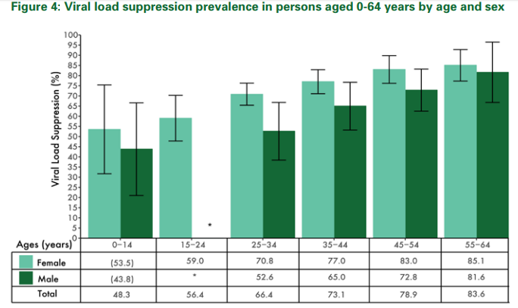
 | Nairobi | 53 | 72.8 | 61.5 | 84.1
 | Kenya | 1523 | 71.6 | 68.8 | 74.4

 | Prevalence of viral load suppression by age and sex (national)
 |  | Female | Male
 | 0-14 | 53.5 | 43.8
 | 15-24 | 59 | -
 | 25-34 | 70.8 | 52.6
 | 34-44 | 77 | 65
 | 45-54 | 83 | 72.8
 | 55-64 | 85.1 | 81.6

 | 90-90-90 target
 |  | Diagnosed | On ART | VS
 | 0-14 | 78.9 | 93.2 | 67.1
 | 15-64 women | 82.7 | 96.6 | 90.6
 | 15-64 men | 72.6 | 94.5 | 90.9

 | 90-90-90 target: among all PLHIV
 |  | Diagnosed | On ART | VS
 | 0-14 | 78.9 | 73.5 | 49.3
 | 15-64 women | 82.7 | 79.9 | 72.4
 | 15-64 men | 72.6 | 68.6 | 62.4

Source: Mecha, 2018. Retention in care

Source: Loss to HIV care in Western Kenya
https://www.ncbi.nlm.nih.gov/pmc/articles/PMC2930357/

Source: Gargano, JW, 2012 https://journals.lww.com/aidsonline/fulltext/2012/07310/The_adult_population_impact_of_HIV_care_and.12.aspx
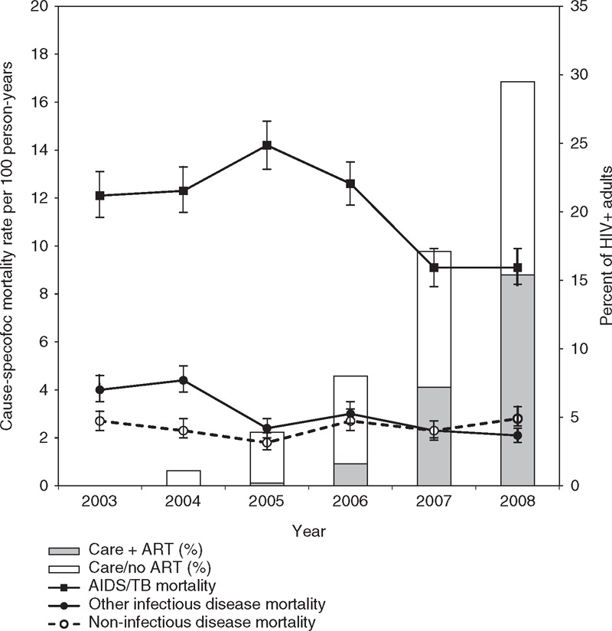
Population cause-specific mortality rates and 95% confidence intervals (lines, y-axis on left), and estimated proportion of HIV-positive patients in care and receiving ART (stacked bars,y-axis on right), by year.Estimates are based on the mid-year adult (age 18–64) population of Health and Demographic Surveillance System (HDSS), Nyanza Province, Kenya and HIV clinic patients active at mid-year within the HDSS areas (details of calculations in text and Supplemental Digital Content 1, http://links.lww.com/QAD/A216).

 | Year | PLHIV (based on 14.9% HIV prevalence) | on ART | % coverage
 | 2003 | 8205 | 0 | 0
 | 2004 | 8311 | 0 | 0
 | 2005 | 8373 | 10 | 0.1
 | 2006 | 8568 | 93 | 1.1
 | 2007 | 8702 | 412 | 4.7
 | 2008 | 9098 | 735 | 8.1

MTCT
Source: Waruru, 2018. Spatial–temporal trend for mother-to-child transmission of HIV up to infancy and during pre-Option B+ in western Kenya, 2007–13. PeerJ

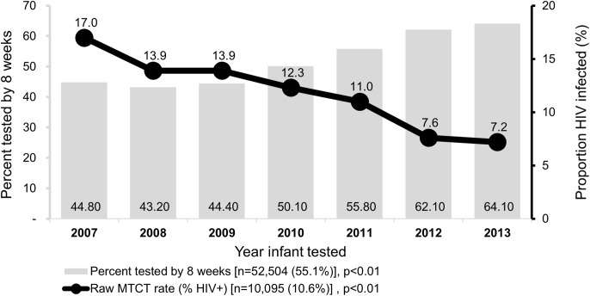
 | All of Western Kenya
 | Year | Unadjusted MTCT rates
 | 2007 | 0.170
 | 2008 | 0.139
 | 2009 | 0.139
 | 2010 | 0.123
 | 2011 | 0.110
 | 2012 | 0.076
 | 2013 | 0.072

 | Nyanza counties
 | Year | Unadjusted |  | Adjusted
 |  | 2007 | 2013 | 2007 | 2013
 | Total (Western Kenya) | 19.7 | 7 | 19.7 | 7.3
 | Kisii | 17.9 | 6.6 | 23.5 | 6.3
 | Homa bay | 18 | 8.3 | 20.6 | 7.9
 | Kisumu | 19.1 | 6.8 | 21.4 | 5.5
 | Migori | 17.6 | 7.4 | 22.1 | 5.8
 | Nyamira | 18.5 | 4.9 | 17.3 | 7.1
 | Siaya | 10.1 | 7.2 | 23.7 | 10.9

Source: Azcoaga-Lorenzo, 2010. Effectiveness of PMTCT programme in rural Western Kenya
 | Busia, Kenya
 | 2006-2008 | 15.80%

Source: Kenya AIDS Response Progress Report 2014 and 2016
 | Kenya
 | Year | Rate
 | 2011 | 14.94%
 | 2012 | 16%
 | 2013 | 14%
 | 2015 | 8.30%

Source: Datta, P. 1994. Mother-To-Child Transmission Of Human Immunodeficiency Virus Type 1: Report From The Nairobi Study
 | Nairobi
 | 1986-1991% | 42.80%
 | Adjusted using the direct methods (Working Group on MTCT of HIV, 1993. Rates of Mother-to-Child Transmission of HIV-1 in Africa, America, and Europe: Results from 13 Perinatal Studies)
 | 1986-1991% | 42.10%

Source: Stover, 2004;
 | Defult value used in Spectrum for low resource countries: 32%

Source: Sirengo, 2014; J Acquir Immune Defic Syndr. 2014 May 1;66 Suppl 1:S66-74.
 | KAIS 2012 survey, covering 2007-2012
 | women who had at least 1 live birth in the past 5 years attended ANC | 95.40%
 | of the above, women who acceted HIV testing | 93.10% | 89%
 | Of those test, women who received resulst | 97.80% | 86.9%
 | Of those who had results, women who were diagnosed with HIV | 2.90% | 2.5%
 |  |  | LB | UB
 | Of diagnosed mothers, infants that received HIV testing | 82.50%
 | Of those infants tested, % positive for HIV | 15.10% | 2.4% | 27.8%

Source: Pricilla, 2018; Matern Child Health J. 2018 Dec;22(12):1685-1692.
 | MTCT at four government hospitals in Nairobi, Nandi, and Kericho
 | 2010-2012 | 5.90%
 | 2013-2016 | 4.30%
 | 2013 | 5.9
 | 2014 | 5.1
 | 2015 | 3.2
 | 2016 | 2.5

Source: Ashiono, 2017; BMC Public Health. 2017 Feb 17;17(1):207.
 | HIV positivity among HIV-exposed infants in South Rift region between Jan 1 2013 and Dec 31, 2013
 | Overall positivity | 9.3

Source: Thomas, 2011; PLoS Med. 2011 Mar; 8(3): e1001015.
 | Kisumu Breastfeeding Study (2003-2006): HIV transmission rates among mothers on ART
 | Infant age in months | Cumulative transmission rates | LB | UB
 | 6 months | 5% | 3.4 | 7.4
 | 12 | 5.70% | 4 | 8.3
 | 18 | 6.7 | 4.8 | 9.4
 | 24 | 7 | 5 | 9.7

 | Cumulative transmission rate by maternal baseline CD4 and viral load
 |  | At birth | 6 months | 12 months | 18 months | 24 months
 | <350 | 4.7 (2.5–8.8) | 7.4 (4.4–12.1) | 8.0 (4.9–12.8) | 8.6 (5.3–13.6) | 8.6 (5.3–13.6)
 | 350–499 | 0.7 (0.1–5.1) | 3.8 (1.6–9.0) | 5.5 (2.7–11.2) | 7.2 (3.8–13.4) | 8.1 (4.4–14.5)
 | ≥500 | 1.3 (0.3–5.0) | 3.3 (1.4–7.7) | 3.3 (1.4–7.7) | 4.1 (1.8–8.8) | 4.1 (1.8–8.8)
 | <500 | 3.0 (1.6–5.6) | 5.9 (3.8–9.1) | 6.9 (4.6–10.3) | 8.0 (5.5–11.6) | 8.4 (5.8–12.0)
 | ≥500 | 1.3 (0.3–5.0) | 3.3 (1.4–7.7) | 3.3 (1.4–7.7) | 4.1 (1.8–8.8) | 4.1 (1.8–8.8)

 | <400 | 3.7 (0.5–23.5) | 3.7 (0.5–23.5) | 3.7 (0.5–23.5) | 3.7 (0.5–23.5) | 3.7 (0.5–23.5)
 | 400–9,999 | 0.9 (0.1–6.2) | 1.9 (0.5–7.2) | 2.8 (0.9–8.5) | 2.8 (0.9–8.5) | 2.8 (0.9–8.5)
 | 10,000–49,999 | 3.6 (1.5–8.4) | 5.8 (2.9–11.3) | 6.6 (3.5–12.3) | 8.3 (4.7–14.6) | 8.3 (4.7–14.6)
 | ≥50,000 | 2.4 (1.0–5.7) | 6.5 (3.8–11.0) | 7.1 (4.3–11.7) | 8.3 (5.2–13.2) | 8.9 (5.6–14.0)
 | <10,000 | 1.4 (0.4–5.6) | 2.2 (0.7–6.7) | 3.0 (1.1–7.8) | 3.0 (1.1–7.8) | 3.0 (1.1–7.8)
 | ≥10,000 | 2.9 (1.6–5.3) | 6.2 (4.1–9.4) | 6.9 (4.6–10.2) | 8.3 (5.8–11.9) | 8.7 (6.1–12.3)

