Screening and Treatment
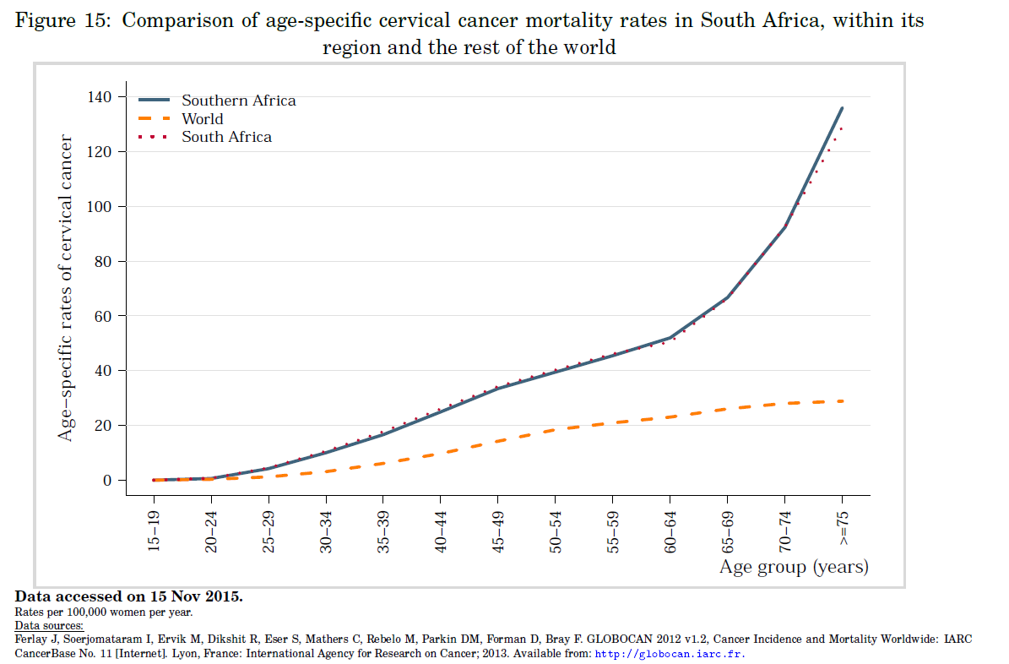
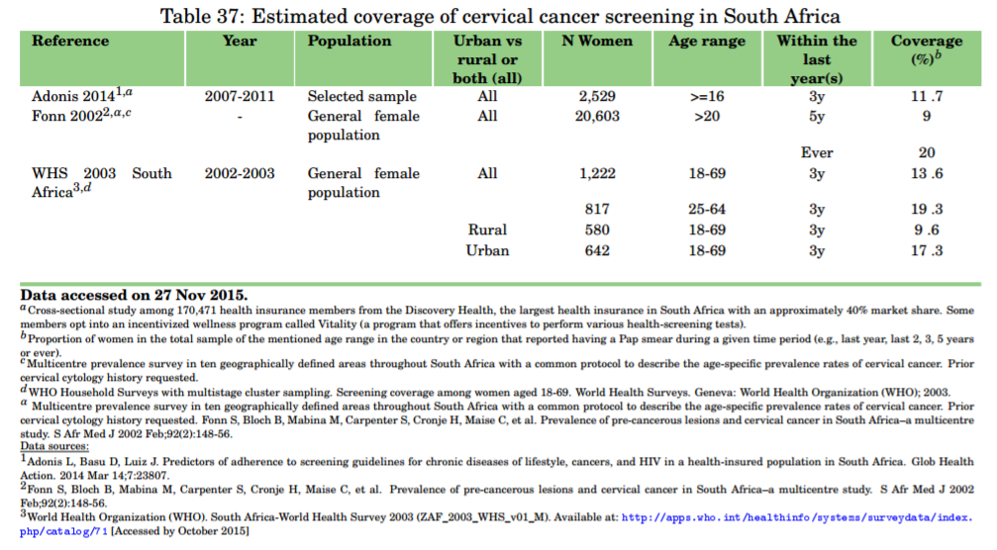
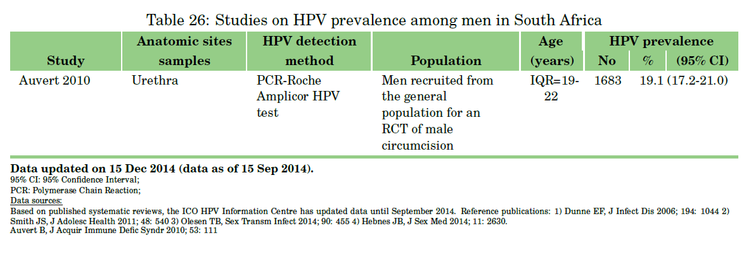
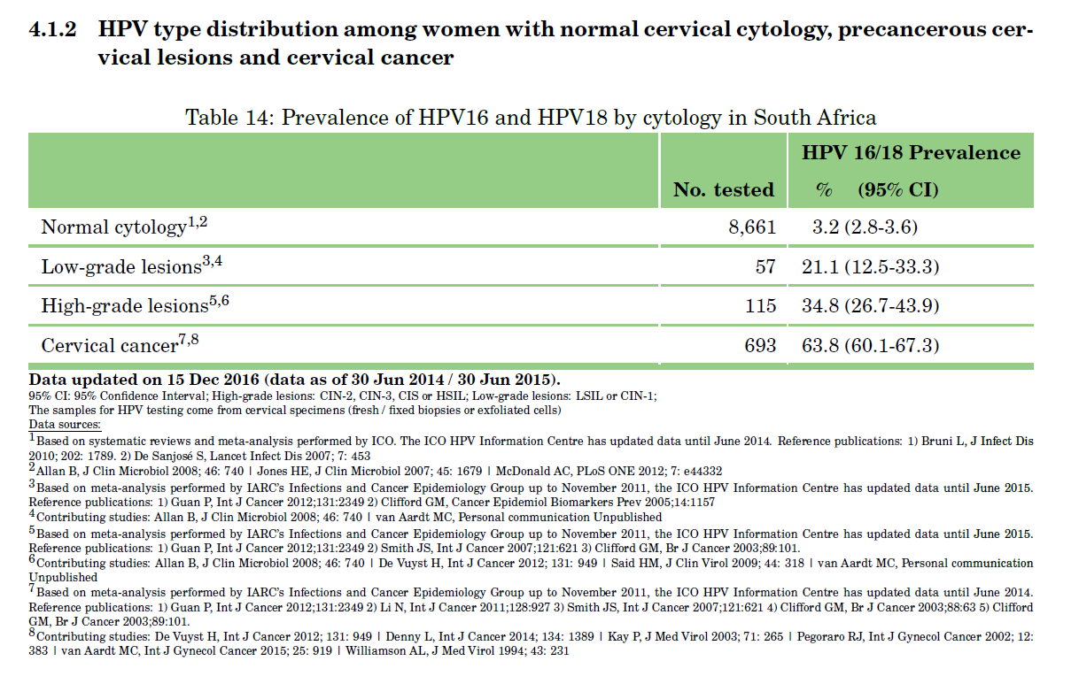
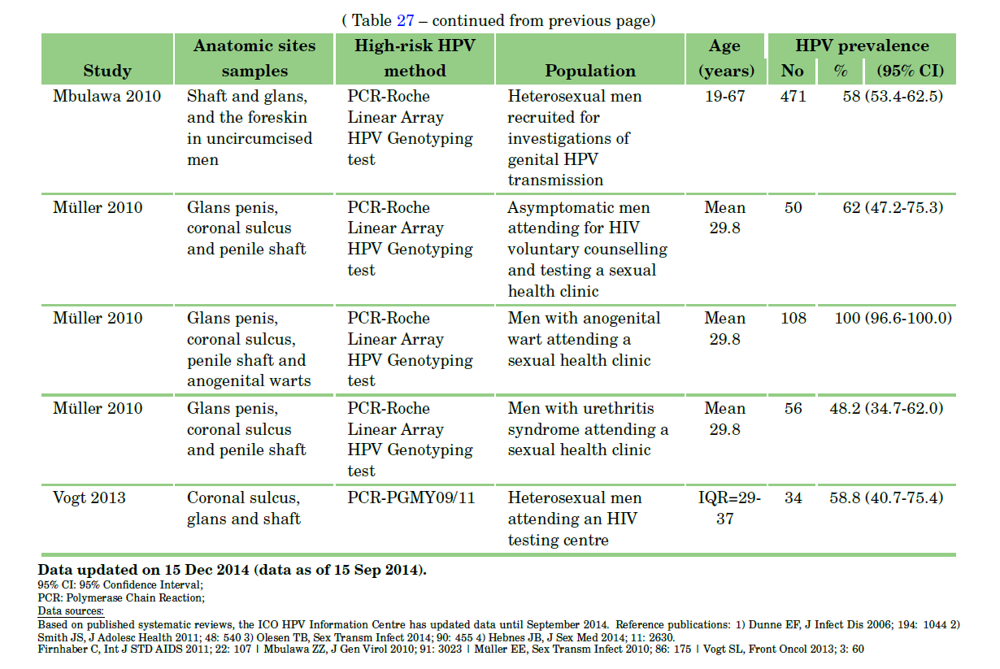
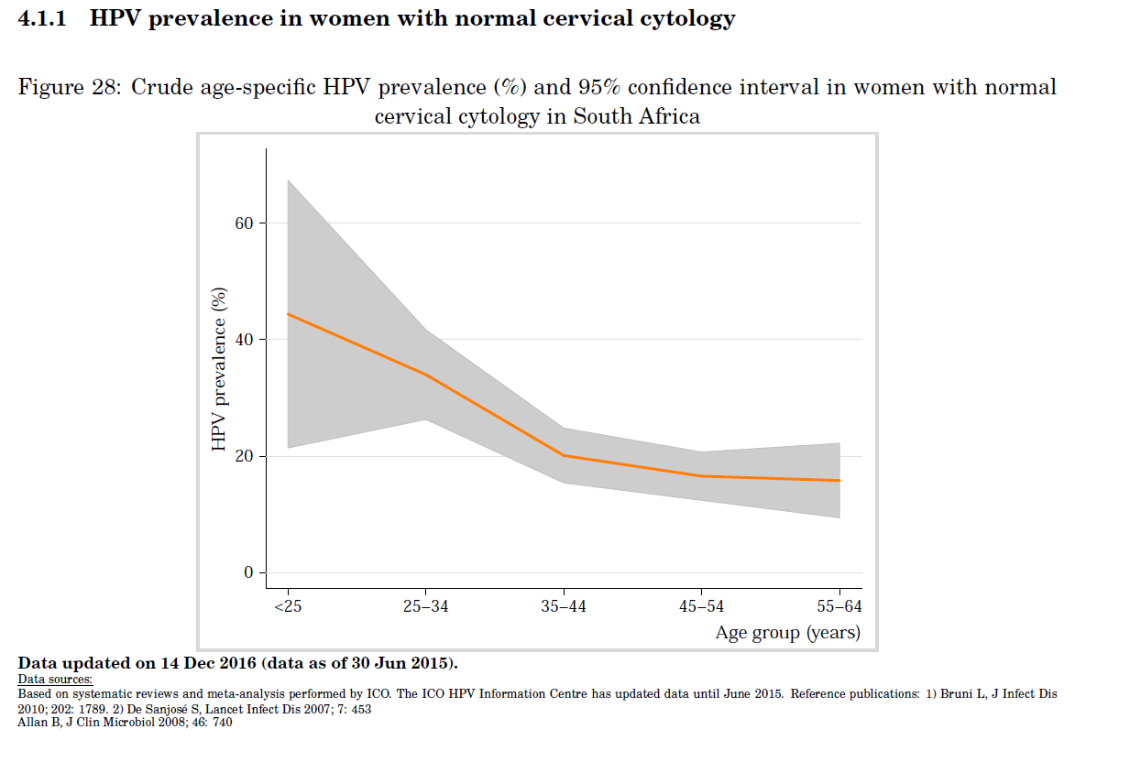
 | HPV and treat |  |  | Visual Inspection and treat |  |  | KZN Screen Rate among Discovery Health Medical Aid Members (women 16+) | Pap Smear Rate in KZN |  |  |  | Sensitivity and Specificity of Screening (Primary) |  |  |  |  |  | Rate of recurrence/persistence with LEEP (follow up < 6 mos) |  | Vaccination
Outcome and Endpoint | Mean | Lo | Hi | Mean | Lo | Hi | 16.90% | Group | Had pap smear | ~>3 years ago | ~<3 years ago |  | Sensitivity |  | Specificity |  |  | 0.16 |  | Coverage (bivalent 16/18) | 0.87
CIN2+ Prevented | 72.50% | 60.10% | 85% | 32% | 11.10% | 52.80% | Adonis et al. (2013 , S Afr Med J.) | Outpatients | 0.273 | 0.19 | 0.81 | Test | CIN2 or worse | CIN3 or worse | CIN2 or worse | CIN3 or worse |  | Cox (1999, Lancet) referring to Mitchell (1998, Obstet. Gyn.) |  | Start year | 2014
CIN3+ Prevented | 77.40% | 61.80% | 92.90% | 38.1 | 8.40% | 67.80% |  | Cancer patients | 0.187 | 0.44 | 0.56 | HPV | 0.91 | 0.95 | 0.88 | 0.89 |  |  |  | Cost (Rand) | 650
Denny et al. (2010 , JNCI) |  |  |  |  |  |  |  | Students | 0.147 | 0.09 | 0.91 | Cytology ASC-US or worse | 0.83 | 0.91 | 0.91 | 0.89 |  | Screening Frequency (years ^ -1)
 |  |  |  |  |  |  |  | Nurses | 0.38 | 0.26 | 0.74 | Cytology LSIL or worse | 0.71 | 0.78 | 0.97 | 0.97 | Test | HIV+ | HIV-
 |  |  |  |  |  |  |  | Wellensiek et al. (2002, Int J Gynecol Cancer) |  |  |  | Self-sample HPV | 0.76 | 0.84 | 0.86 | 0.87 | HPV test | 0.2 | 0.1
 |  |  |  |  |  |  |  |  |  |  |  | Arbyn (2014, Lancet) Metanalaysis, common reference values |  |  |  |  | Cytology | 0.33333333333 | 0.2 | Cost | 650 | R
 |  |  |  |  |  |  |  |  |  |  |  |  |  |  |  |  | SA guidelines |  |  | 0.2% coverage from 2009-2014
 |  |  |  |  |  |  |  |  |  |  |  |  |  |  |  |  |  |  |  | 2008 - MCC SA approved vaccines
 |  |  |  |  |  |  |  |  |  |  |  | Sensitivity and Specificity of Screening (High-risk) |  |  |  |  |  | Age |  | 2014 - Cervarix (bivalent) for age 9+ girls in 4th grade public schools (~0.5 million girls)
 |  |  |  |  |  |  |  |  |  |  |  |  | Sensitivity |  | Specificity |  | Screen start | 25
 |  |  |  |  |  |  |  |  |  |  |  | Test | CIN2 or worse | CIN3 or worse | CIN2 or worse | CIN3 or worse | Screen End | 55
 |  |  |  |  |  |  |  |  |  |  |  | HPV | 0.88 | 0.8 | 0.88 | 0.82
 |  |  |  |  |  |  |  |  |  |  |  | Cytology ASC-US or worse | 0.77 |  | 0.87
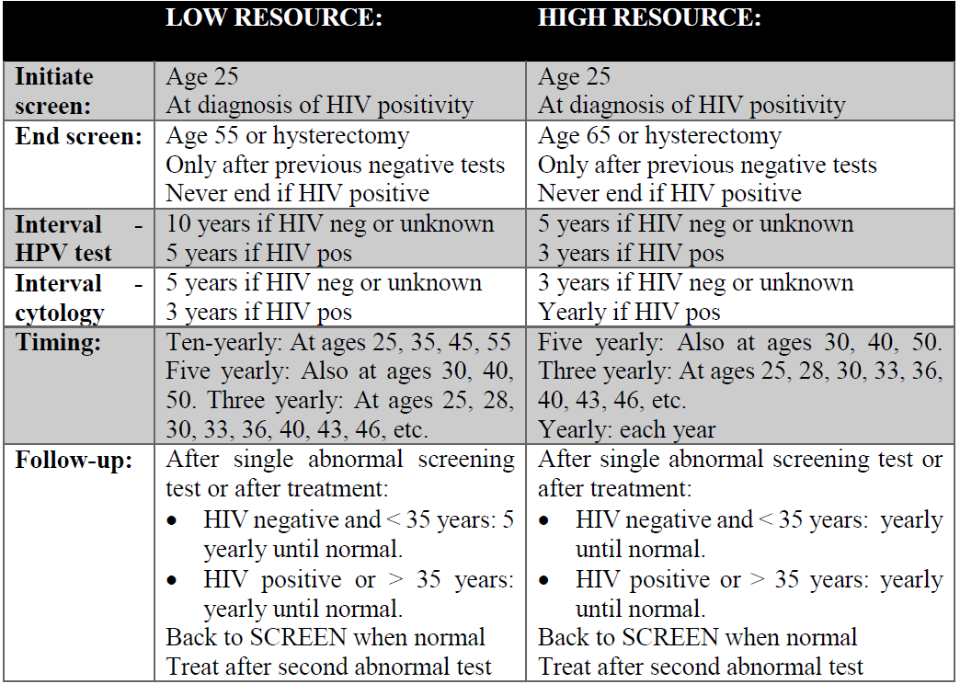
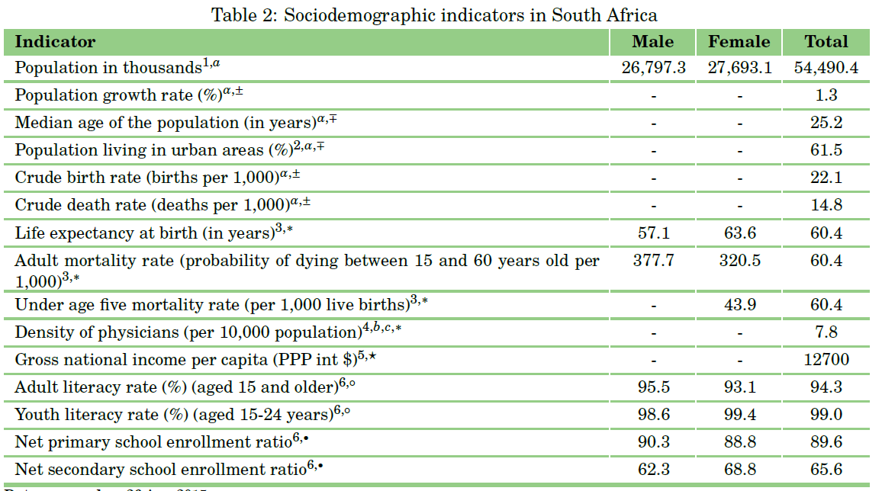
 |  |  |  |  |  |  |  |  |  |  |  | Cytology LSIL or worse | 0.7 |  | 0.95 |  | Screening Coverage (within last 3 years) | 9.00%
 |  |  |  |  |  |  |  |  |  |  |  | Self-sample HPV | 0.75 | 0.42 | 0.86 | 0.81 |  | Fonn 2002
 |  |  |  |  |  |  |  |  |  |  |  | Arbyn (2014, Lancet) Metanalaysis, common reference values

 |  |  |  |  |  |  |  |  |  |  |  | Sensitivity and Specificity of Screening (Follow up)
 |  |  |  |  |  |  |  |  |  |  |  |  | Sensitivity |  | Specificity
 |  |  |  |  |  |  |  |  |  |  |  | Test | CIN2 or worse | CIN3 or worse | CIN2 or worse | CIN3 or worse
 |  |  |  |  |  |  |  |  |  |  |  | HPV | 0.91 | 0.96 | 0.58 | 0.46
 |  |  |  |  |  |  |  |  |  |  |  | Cytology ASC-US or worse | 0.85 |  | 0.69
 |  |  |  |  |  |  |  |  |  |  |  | Self-sample HPV | 0.84 | 0.85 | 0.56 | 0.45
 |  |  |  |  |  |  |  |  |  |  |  | Arbyn (2014, Lancet) Metanalaysis, common reference values

HPV2
Regression |  |  | Progression to CIN2 |  |  | Progression to ICC |  |  |  | HPV Prevalence and Odds Ratios when HIV positive |  |  |  | hrHPV Clearance Rates |  |  |  | HPV Transmissibility
Precancer class | Probability |  | Duration of Infection (Months) | HPV 16 |  | Duration Groups (Years) | Group Size | CIN2 -> ICC | CIN3 -> ICC | Covariate | Adjusted Odds Ratio | Hi | Lo | Screen Result / Infection Status | Rate | Lo | Hi | Type | Median | Lo | Hi
CIN2 -> Normal | 0.0087 |  | 1-15 | 0.0025 |  | 1-5 | 4 | 0.000012 | 0.000061 | HIV negative | 1 | 1 | 1 | Normal | 0.43 | 0.39 | 0.47 | 16 | 0.755 | 0.295 | 1
CIN3 -> Normal | 0.00435 |  | 16-27 | 0.003 |  | 6-10 | 4 | 0.000013 | 0.000066 | HIV positive: CD4 > 200, RNA < 20,000 copies/mL | 3.12 | 2.36 | 4.12 | BMD (~CIN1) smear | 0.29 | 0.24 | 0.34 | 18 | 0.736 | 0.292 | 1
 |  |  | 28-39 | 0.003 |  | 11-20 | 9 | 0.000238 | 0.00119 | HIV positive: CD4 > 20000 copes/mL | 5.78 | 4.17 | 8.08
* Applies across all ages , HPV types |  |  | 40-51 | 0.0075 |  | 21-29 | 8 | 0.000464 | 0.00232 | HIV positve CD4 < 200 | 10.13 | 7.32 | 14.04 | Bulkmans (2007 , BJC) |  |  |  | 39 | 0.755 | 0.233 | 1
 |  |  | 52 | 0.0075 |  | 30-34 | 4 | 0.000557 | 0.00278 | Palefsky et al. (1999 , JNCI) |  |  |  | Types: 16, 18, 31, 33, 35, 39, 45, 51, 52, 56, 58, 59, 66, and 68 |  |  |  | 51 | 0.755 | 0.233 | 1
 |  |  | 52 | 0.0075 |  | 35-39 | 4 | 0.000603 | 0.00302 | Reflects persistence/reactivation of pre-existing HPV types |  |  |  |  |  |  |  | 56 | 0.743 | 0.253 | 1
 |  |  | 52 | 0.0075 |  | 40-44 | 4 | 0.001299 | 0.0065
 |  |  | 52 | 0.0075 |  | 45-49 | 4 | 0.001392 | 0.00696 | Reduction in HPV Regression when HIV positive |  |  |  |  |  |  |  | Type | Median
 |  |  | 52 | 0.0075 |  | 50+ | 1 | 0.001485 | 0.00742 | Covariate | (Adjusted Odds Ratio) ^ -1 | Hi | Lo |  |  |  |  | Common Vaccine Types (HPV 16/18) | 0.7455
 |  |  |  |  |  |  |  |  |  | HIV negative | 1 | 1 | 1 |  |  |  |  | Oncogenic Non-Vaccine Type | 0.751
From Campos et al. |  |  | * Obtained by "precision eyeballing" web figure 2 |  |  | *50+ group considered as one group |  |  |  | HIV positive: CD4 > 200, RNA < 20,000 copies/mL | 0.32051282051 | 0.42372881356 | 0.2427184466
 |  |  |  |  |  |  |  |  |  | HIV positive: CD4 > 20000 copes/mL | 0.17301038062 | 0.23980815348 | 0.12376237624
 |  |  |  |  |  |  |  |  |  | HIV positve CD4 < 200 | 0.098716683119 | 0.13661202186 | 0.071225071225

 | Progression to precancer
 | 3 year probability
 | HPV16 | HPV 51
CIN2 | 0.109 | 0.098
CIN3 | 0.08 | 0.008

 | Quarterly Probability
 | HPV 16 | HPV 51 | HPV 16 & 51
CIN2 | 0.0090833333333 | 0.0081666666667 | 0.0090833333333
CIN3 | 0.0066666666667 | 0.00066666666667 | 0.0066666666667

From Wheeler et al (Common reference values)
* Assuming constant probability of progression each quarter
* Values given derived from all ages combined. Will lose information here.

Massad et al. (AJOG, 2015). Data from WIHS
Converted to quarterly rate.
Some possible confounding due to initiation of HAART after enrollment, treatment of CIN1 during initial years of study
CIN3+ Incidence Detection Rate by CD4 (per 100 person years) |  |  |  |  | CIN3+ Incidence Detection Rate by CD4 (per person quarter)
 | Mean | Lo | Hi |  |  | Mean | Lo | Hi
HIV- | 0.2 | 0.1 | 0.3 |  | HIV- | 0.0005 | 0.00025 | 0.00075
CD4 > 500 cmm | 0.5 | 0.3 | 0.6 |  | CD4 > 500 cmm | 0.00125 | 0.00075 | 0.0015
CD4 200-500 /cmm | 0.5 | 0.4 | 0.7 |  | CD4 200-500 /cmm | 0.00125 | 0.001 | 0.00175
CD4 < 100 | 1 | 0.7 | 1.3 |  | CD4 < 100 | 0.0025 | 0.00175 | 0.00325

CIN2+Incidence Detection Rate by CD4 (per 100 person years) |  |  |  |  | CIN2+ Incidence Detection Rate by CD4 (per person quarter)
 | Mean | Lo | Hi |  |  | Mean | Lo | Hi
HIV- | 0.4 | 0.2 | 0.5 |  | HIV- | 0.001 | 0.0005 | 0.00125
CD4 > 500 cmm | 1.2 | 0.9 | 1.4 |  | CD4 > 500 cmm | 0.003 | 0.00225 | 0.0035
CD4 200-500 /cmm | 1.4 | 1.1 | 1.6 |  | CD4 200-500 /cmm | 0.0035 | 0.00275 | 0.004
CD4 < 100 | 2.3 | 1.7 | 2.8 |  | CD4 < 100 | 0.00575 | 0.00425 | 0.007

Massad et al. (AJOG, 2015)

Massad et al. (AJOG, 2015). Data from WIHS.
Can use as scaling factors if different values for precancer progression are to used?
Multivariable analysis of correlates of CIN3+
CD4 | HR (Relative to HIV-) | Lo | Hi
> 500 | 1.88 | 1.04 | 3.4
200 - 500 | 2.45 | 1.4 | 4.27
< 200 | 7.78 | 4.51 | 13.42

Multivariable analysis of correlates of CIN2+
CD4 | HR (Relative to HIV-) | Lo | Hi
> 500 | 2.86 | 1.89 | 4.33
200 - 500 | 4.23 | 2.86 | 6.25
< 200 | 9.5 | 6.36 | 14.18

