Sheet1
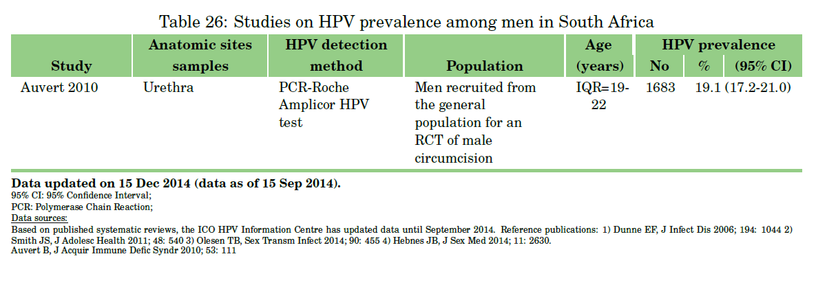
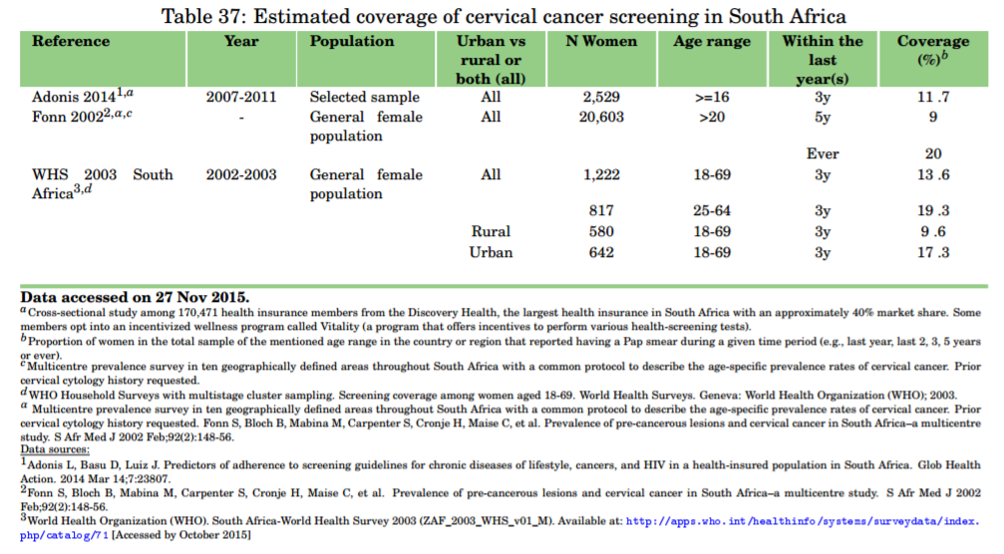
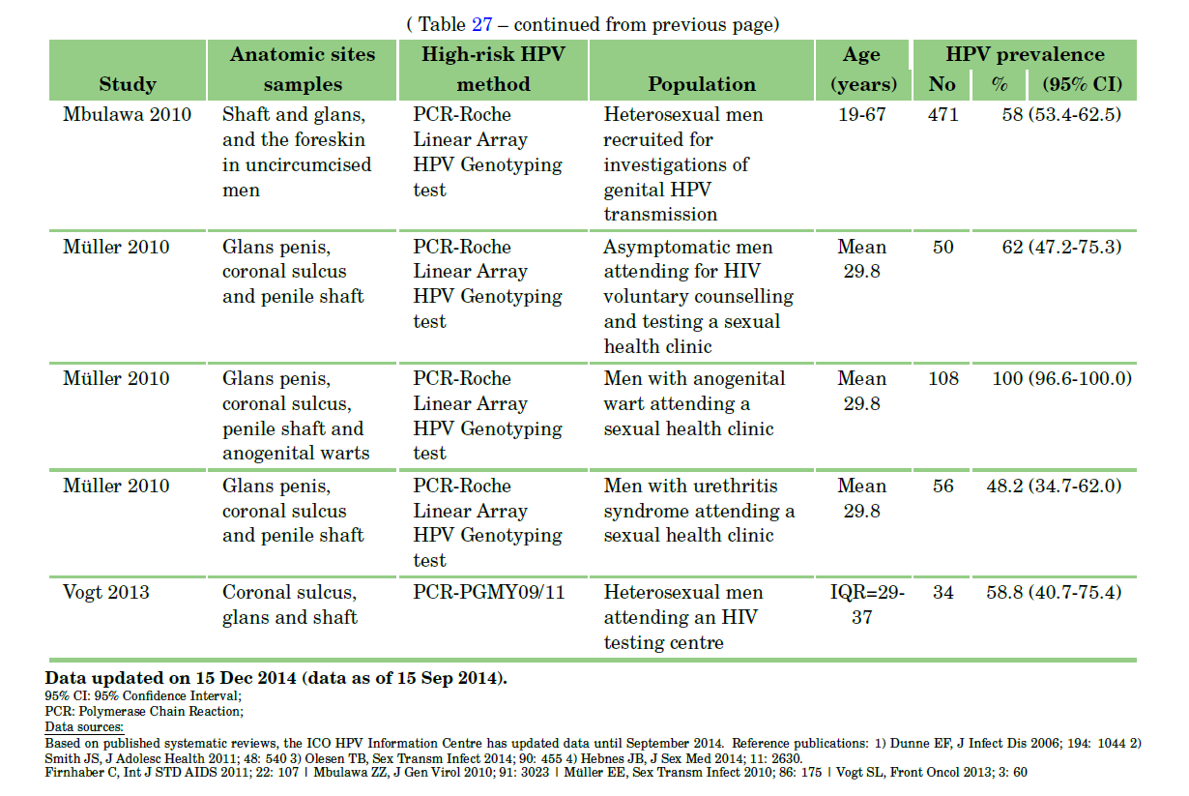
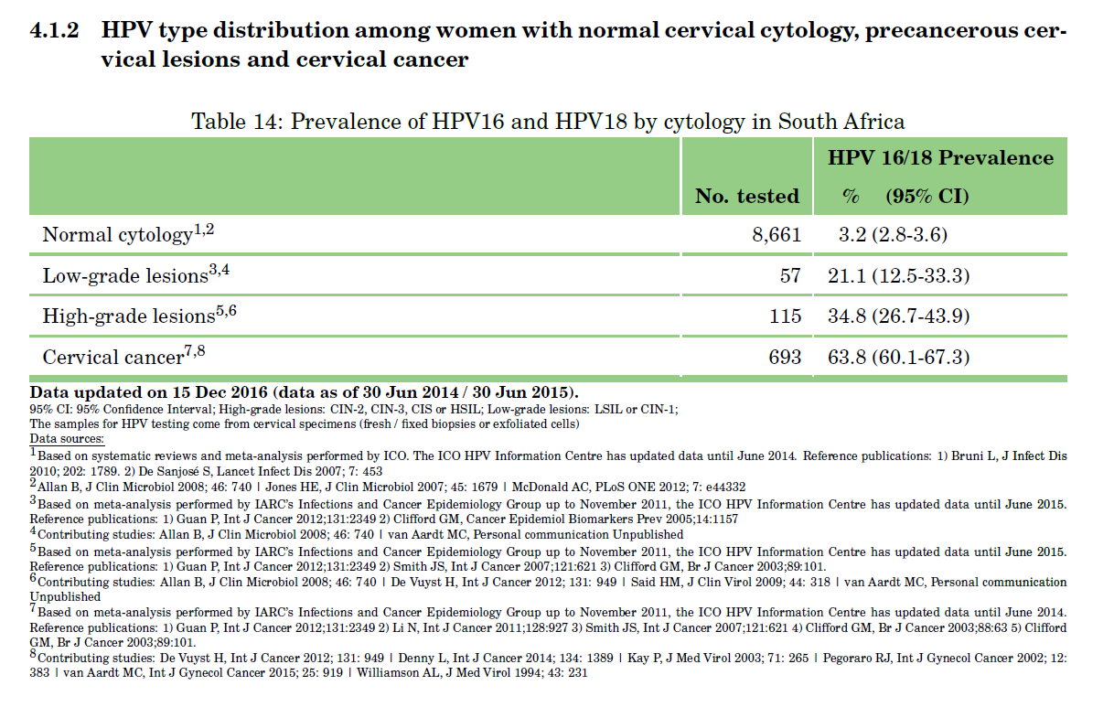
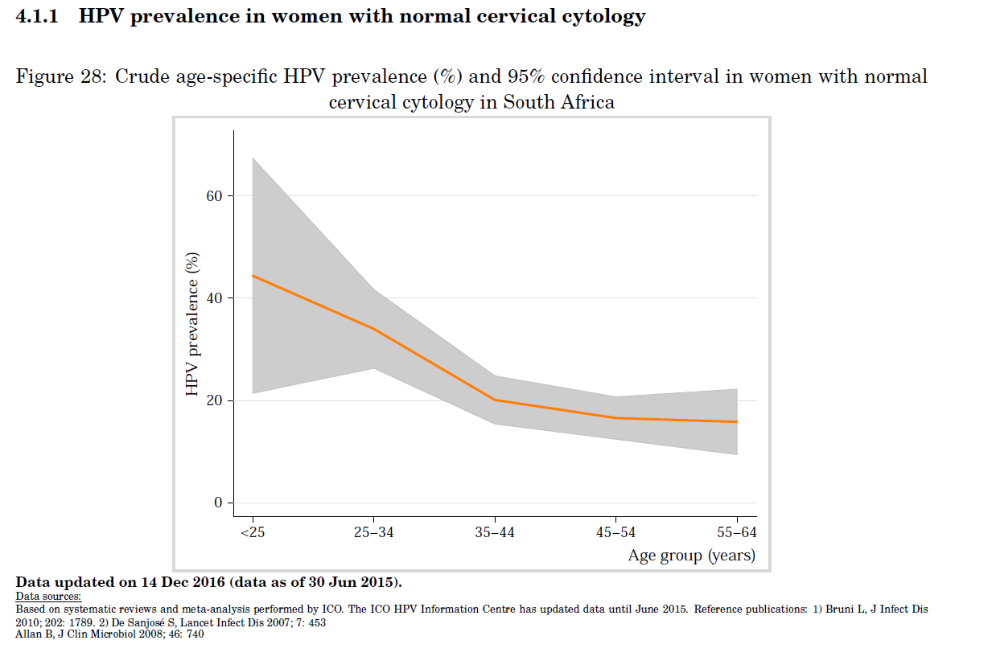
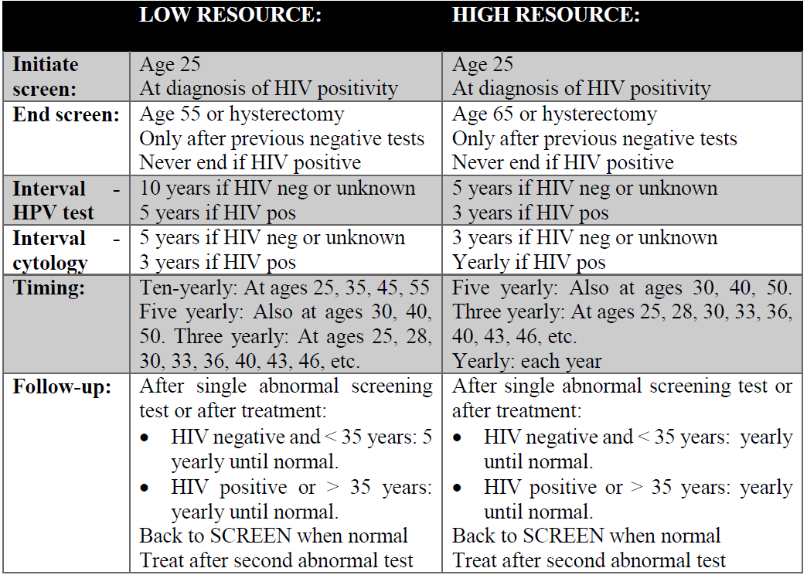
 | HPV and treat |  |  | Visual Inspection and treat |  |  | KZN Screen Rate among Discovery Health Medical Aid Members (women 16+) | Vaccination
Outcome and Endpoint | Mean | Lo | Hi | Mean | Lo | Hi | 16.90% | Coverage (bivalent 16/18) | 0.87
CIN2+ Prevented | 72.50% | 60.10% | 85% | 32% | 11.10% | 52.80% | Adonis et al. (2013 , S Afr Med J.) | Start year | 2014
CIN3+ Prevented | 77.40% | 61.80% | 92.90% | 38.1 | 8.40% | 67.80% |  | Cost (Rand) | 650
Denny et al. (2010 , JNCI)

Sensitivity and Specificity of Screening (High-risk)
 | Sensitivity |  | Specificity |  |  |  |  | Cost | 650 | R
Test | CIN2 or worse | CIN3 or worse | CIN2 or worse | CIN3 or worse |  |  |  | 0.2% coverage from 2009-2014
HPV | 0.88 | 0.8 | 0.88 | 0.82 |  |  |  | 2008 - MCC SA approved vaccines
Cytology ASC-US or worse | 0.77 |  | 0.87 |  |  |  |  | 2014 - Cervarix (bivalent) for age 9+ girls in 4th grade public schools (~0.5 million girls)
Cytology LSIL or worse | 0.7 |  | 0.95
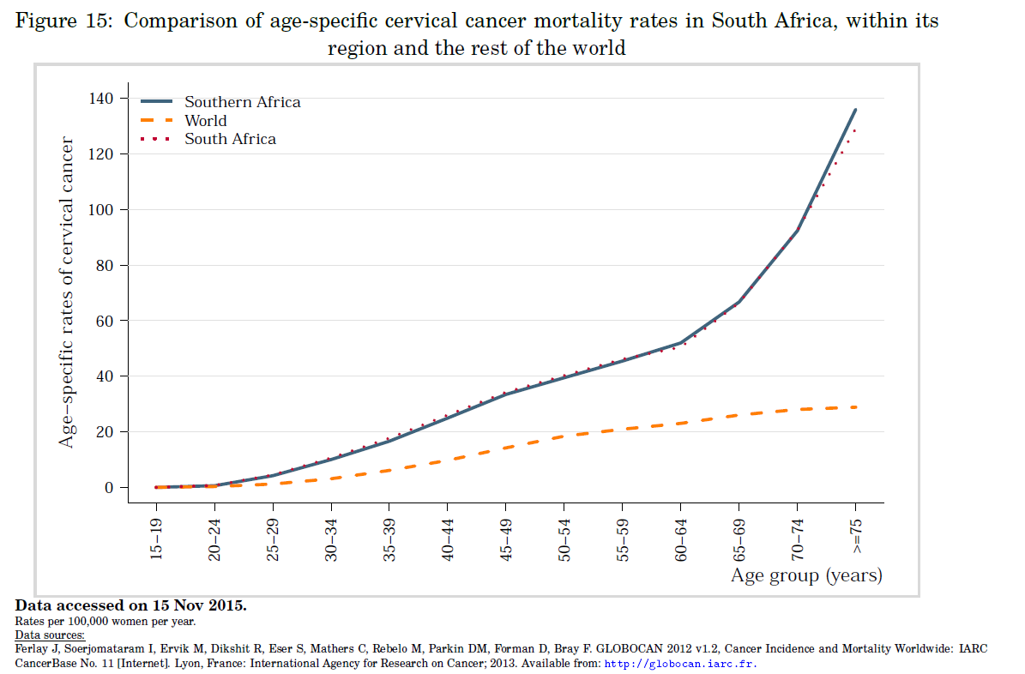
Self-sample HPV | 0.75 | 0.42 | 0.86 | 0.81
Arbyn (2014, Lancet) Metanalaysis, common reference values

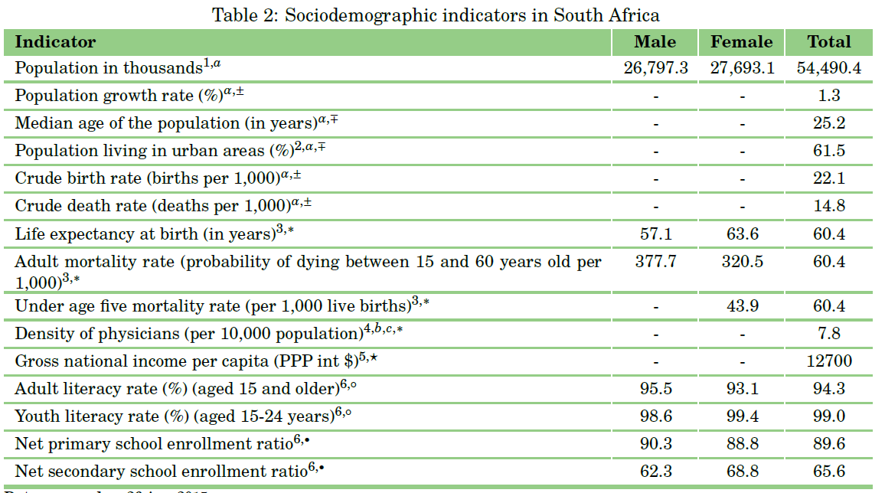
Sensitivity and Specificity of Screening (Follow up)
 | Sensitivity |  | Specificity
Test | CIN2 or worse | CIN3 or worse | CIN2 or worse | CIN3 or worse
HPV | 0.91 | 0.96 | 0.58 | 0.46
Cytology ASC-US or worse | 0.85 |  | 0.69
Self-sample HPV | 0.84 | 0.85 | 0.56 | 0.45
Arbyn (2014, Lancet) Metanalaysis, common reference values

