Screening and Treatment
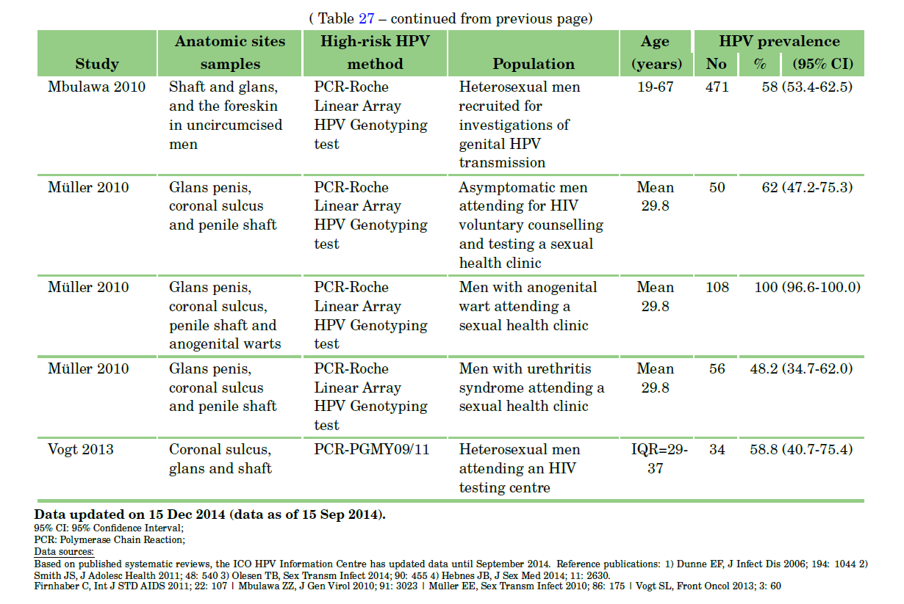
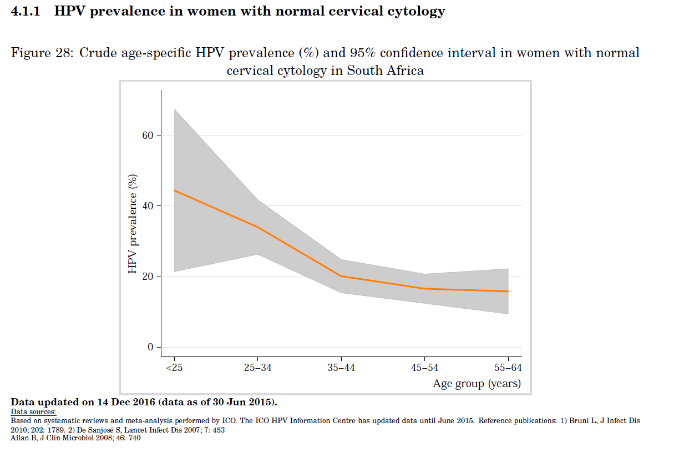
 | HPV and treat |  |  | Visual Inspection and treat |  |  | KZN Screen Rate among Discovery Health Medical Aid Members (women 16+) | Pap Smear Rate in KZN |  |  |  | Sensitivity and Specificity of Screening (Primary) |  |  |  |  |  | Rate of recurrence/persistence with LEEP (follow up < 6 mos) |  | Vaccination
Outcome and Endpoint | Mean | Lo | Hi | Mean | Lo | Hi | 16.90% | Group | Had pap smear | ~>3 years ago | ~<3 years ago |  | Sensitivity |  | Specificity |  |  | 0.16 |  | Coverage (bivalent 16/18) | 0.87
CIN2+ Prevented | 72.50% | 60.10% | 85% | 32% | 11.10% | 52.80% | Adonis et al. (2013 , S Afr Med J.) | Outpatients | 0.273 | 0.19 | 0.81 | Test | CIN2 or worse | CIN3 or worse | CIN2 or worse | CIN3 or worse |  | Cox (1999, Lancet) referring to Mitchell (1998, Obstet. Gyn.) |  | Start year | 2014
CIN3+ Prevented | 77.40% | 61.80% | 92.90% | 38.1 | 8.40% | 67.80% |  | Cancer patients | 0.187 | 0.44 | 0.56 | HPV | 0.91 | 0.95 | 0.88 | 0.89 |  |  |  | Cost (Rand) | 650
Denny et al. (2010 , JNCI) |  |  |  |  |  |  |  | Students | 0.147 | 0.09 | 0.91 | Cytology ASC-US or worse | 0.83 | 0.91 | 0.91 | 0.89 |  | Screening Frequency (years ^ -1)
 |  |  |  |  |  |  |  | Nurses | 0.38 | 0.26 | 0.74 | Cytology LSIL or worse | 0.71 | 0.78 | 0.97 | 0.97 | Test | HIV+ | HIV-
 |  |  |  |  |  |  |  | Wellensiek et al. (2002, Int J Gynecol Cancer) |  |  |  | Self-sample HPV | 0.76 | 0.84 | 0.86 | 0.87 | HPV test | 0.2 | 0.1
 |  |  |  |  |  |  |  |  |  |  |  | Arbyn (2014, Lancet) Metanalaysis, common reference values |  |  |  |  | Cytology | 0.33333333333 | 0.2 | Cost | 650 | R
 |  |  |  |  |  |  |  |  |  |  |  |  |  |  |  |  | SA guidelines |  |  | 0.2% coverage from 2009-2014
 |  |  |  |  |  |  |  |  |  |  |  |  |  |  |  |  |  |  |  | 2008 - MCC SA approved vaccines
 |  |  |  |  |  |  |  |  |  |  |  | Sensitivity and Specificity of Screening (High-risk) |  |  |  |  |  | Age |  | 2014 - Cervarix (bivalent) for age 9+ girls in 4th grade public schools (~0.5 million girls)
 |  |  |  |  |  |  |  |  |  |  |  |  | Sensitivity |  | Specificity |  | Screen start | 25
 |  |  |  |  |  |  |  |  |  |  |  | Test | CIN2 or worse | CIN3 or worse | CIN2 or worse | CIN3 or worse | Screen End | 55
 |  |  |  |  |  |  |  |  |  |  |  | HPV | 0.88 | 0.8 | 0.88 | 0.82
 |  |  |  |  |  |  |  |  |  |  |  | Cytology ASC-US or worse | 0.77 |  | 0.87
 |  |  |  |  |  |  |  |  |  |  |  | Cytology LSIL or worse | 0.7 |  | 0.95
 |  |  |  |  |  |  |  |  |  |  |  | Self-sample HPV | 0.75 | 0.42 | 0.86 | 0.81
 |  |  |  |  |  |  |  |  |  |  |  | Arbyn (2014, Lancet) Metanalaysis, common reference values

 |  |  |  |  |  |  |  |  |  |  |  | Sensitivity and Specificity of Screening (Follow up)
 |  |  |  |  |  |  |  |  |  |  |  |  | Sensitivity |  | Specificity
 |  |  |  |  |  |  |  |  |  |  |  | Test | CIN2 or worse | CIN3 or worse | CIN2 or worse | CIN3 or worse
 |  |  |  |  |  |  |  |  |  |  |  | HPV | 0.91 | 0.96 | 0.58 | 0.46
 |  |  |  |  |  |  |  |  |  |  |  | Cytology ASC-US or worse | 0.85 |  | 0.69
 |  |  |  |  |  |  |  |  |  |  |  | Self-sample HPV | 0.84 | 0.85 | 0.56 | 0.45
 |  |  |  |  |  |  |  |  |  |  |  | Arbyn (2014, Lancet) Metanalaysis, common reference values

