DAY()
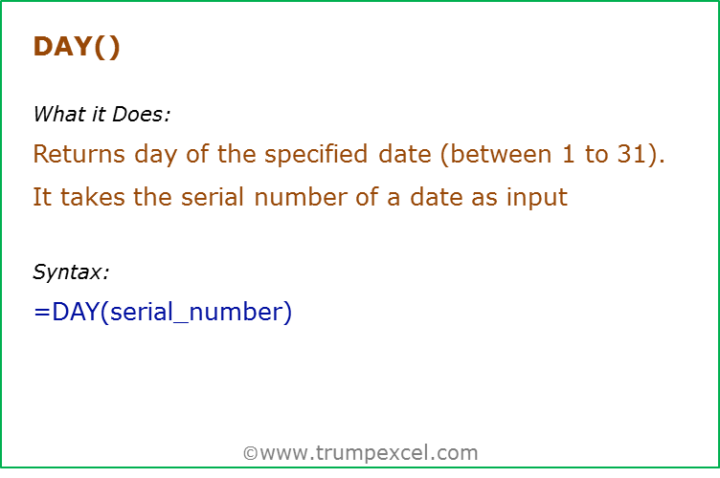
Data Used in Formula
5-Mar-14
1
3
2014

Formula | Result | Commentary
=DAY(41699) | 1 | Returns the day number (ranging from 1 to 31) from the given serial number. Here, 41699 represents 01-March-2014, and hence it returns 1
=DAY(A2) | 5 | Returns the day number 5 from the date (which is infact a serial number for that date).
=DAY(A3&"/"&A4&"/"&A5) | 1 | Returns the day number 1 from the date (which is returned as text as a formula result)
=DAY("1/3/2014") | 1 | Returns the day number 1 from the date (which is text)
=DAY(TODAY()) | 9 | Returns Today's day number
=DAY(TODAY()) + 10 | 19 | Since DAY function returns a serial number, you can add/subtract days to it. Here 10 days are added to the serial number returned by DAY function

HOUR()
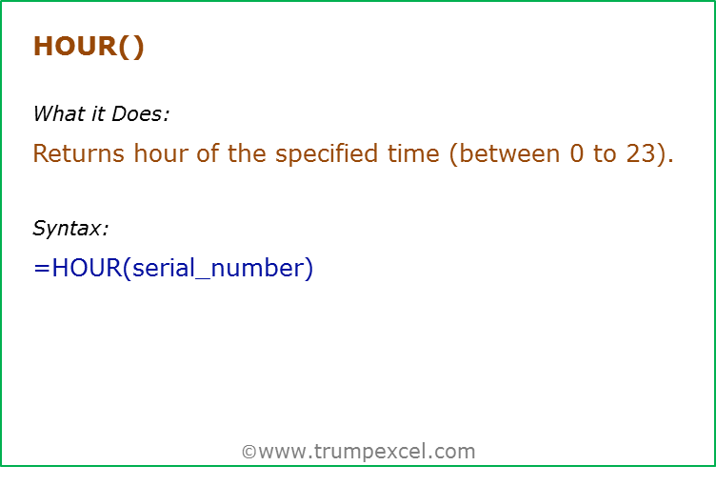
Data Used in Formula
0:00:00
15:00:00
3:00:00
41699.125

Formula | Result | Commentary
=HOUR(A2) | 0 | Returns the hour number of the time (12:00 AM is 0 as it is beginning of the day)
=HOUR(A3) | 15 | Returns the hour number of the time (3:00 PM is 15th hour of the day)
=HOUR(A4) | 3 | Returns the hour number of the time. If AM/PM is not mentioned, Excel takes this as AM
=HOUR(A5) | 3 | Decimal part of the integer represents time. 0.125 represents 3:00 AM
=HOUR(A5) + 10 | 13 | Since HOUR function returns a serial number, you can add/subtract hours to it. Here 10 hours are added to the serial number returned by the HOUR function

MINUTE()
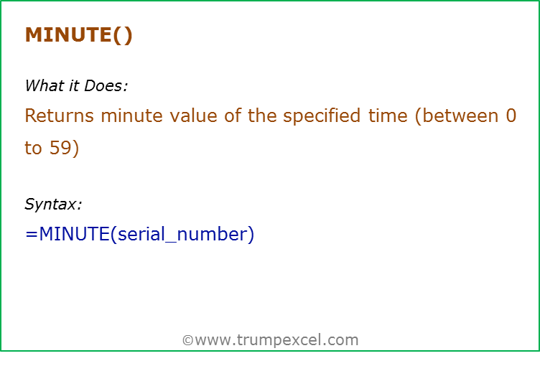
Data Used in Formula
0:00:00
15:30:00
3:20:00
41699.41

Formula | Result | Commentary
=MINUTE(A2) | 0 | Returns the minute number of the time (12:00 AM is 0 minutes as it is beginning of the hour)
=MINUTE(A3) | 30 | Returns the minute number of the time (3:30 PM is 30 minutes of the 15th hour of the day)
=MINUTE(A4) | 20 | Returns the minute number of the time
=MINUTE(A5) | 50 | Decimal part of the integer represents time. 0.41 represents 9 Hour, 50 minute and 24 seconds. Minute formula returns the minute's part
=MINUTE(A5) + 10 | 60 | Since MINUTE function returns a serial number, you can add/subtract minutes to it. Here 10 minutes are added to the serial number returned by the MINUTE function

DATE()
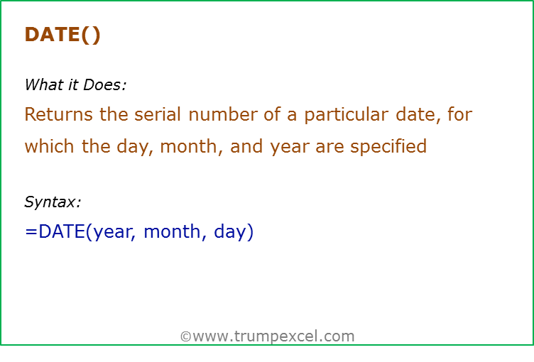
Data Used in Formula
Year | Month | Day
2014 | 3 | 1

Formula | Result | Commentary
=DATE(2014,3,1) | 41699 | Returns the date's serial number as General number format is set
=DATE(2014,3,1) | 2014-03-01 | Returns the date's serial number but display as a date as the date number format is set
=DATE(A3,B3,C3) | 2014-03-01 | Returns the date's serial number but display as a date as the date number format is set
=DATE(14,3,1) | 1914-03-01 | If you only put 2 digits of year (14 instead of 2014), Excel interprets it as 1914. For 2014, you will have to use 114 (1900+114). It is best to always use four digit year to avoid confusion. Excel returns an error if year value is less than 0 or greater than 10000
=DATE(2014,-1,1) | 2013-11-01 | If month is -1, excel goes back by 1 month in the previous year and return its date
=DATE(2014,13,1) | 2015-01-01 | If month is 13, excel goes ahead by 1 month in the next year and return its date
=DATE(2014,1,-10) | 2013-12-21 | If day is -10, excel goes back by 10 days in the previous month and return its date
=DATE(2014,1,41) | 2014-02-10 | If day is 41 (in the month of 31 days), excel goes ahead by 10 days in the next month and return its date
=DATE(2014,1,41)+10 | 2014-02-20 | Since DATE function returns a serial number, you can add/subtract days to it. Here 10 days are added to the serial number returned by DATE function

DATEVALUE()
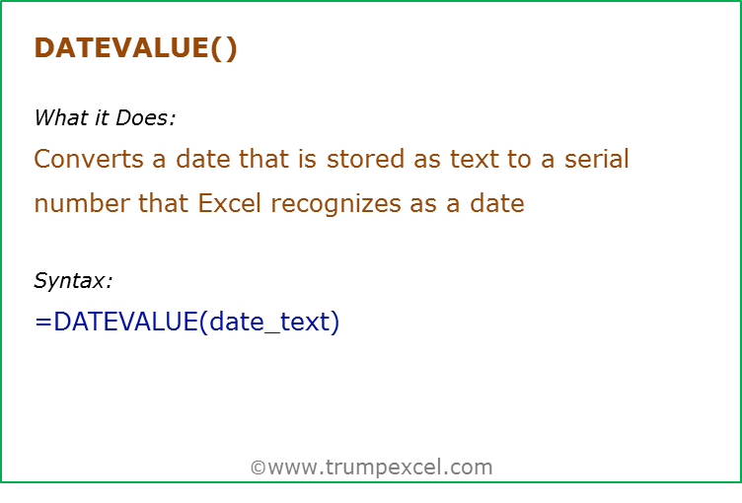
Data Used in Formula
Year | Month | Day
2014 | 3 | 1

Formula | Result | Commentary
=DATEVALUE("01-03-2014") | 41642 | Returns the date serial number of the date entered as text (Note the date is based on your clock setting format - DD-MM-YYYY or MM-DD-YYY)
=DATEVALUE("01/03/2014") | 41642 | Returns the date serial number of the date entered as text (Note the date is based on your clock setting format - DD-MM-YYYY or MM-DD-YYY)
=DATEVALUE("01-March-2014") | 41699 | Returns the date serial number of the date entered as text
=DATEVALUE(B3&"/"&C3&"/"&A3) | 41642 | Returns the date serial number of the date entered as text
=DATEVALUE("01-March") | 41699 | If year is not entered, it returns the serial number of the date with year value taken from your system's clock setting
=DATEVALUE("March-2014") | 41699 | If you do not give a day, and only give month and year, it returns the serial number for the first day of that month

TODAY()
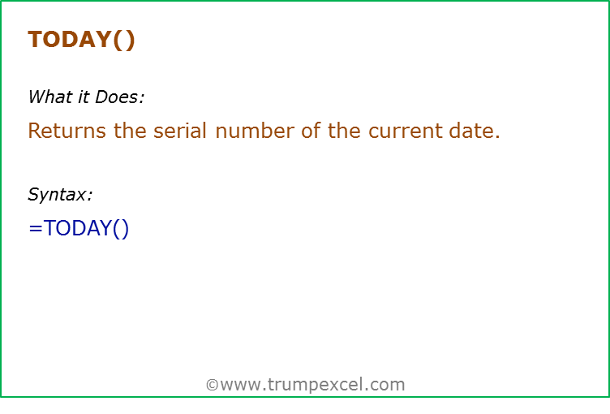
Data Used in Formula
10

Formula | Result | Commentary
=TODAY() | 2014-10-09 | Returns today's date
=TODAY()+A2 | 2014-10-19 | Returns today's date and add 10 days to it
=DAY(TODAY()) | 9 | Return's today's day number
=MONTH(TODAY()) | 10 | Return's today's month number
=YEAR(TODAY()) | 2014 | Return's today's year number

NOW()
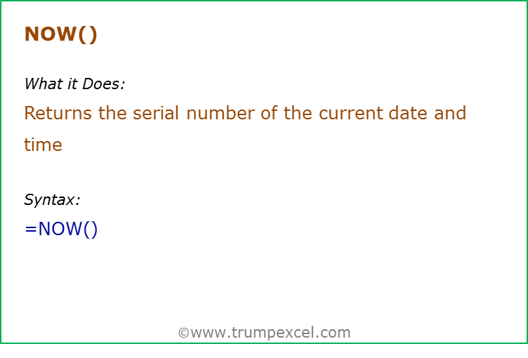
Data Used in Formula
10

Formula | Result | Commentary
=NOW() | 41921.5958 | Returns the serial number of the current date and time
=NOW() | 2014-10-09 14:18:01 | Returns the serial number of the current date and time. Displays only date as cell format set as date
=NOW() | 10/9/14 | Returns the serial number of the current date and time. Displays date and time as cell format set as date and time
=NOW() +A2 | 10/19/14 | Since NOW function returns a serial number, it can be used in calculation. Here 10 is added, so 10 days are added to current date

WEEKDAY()
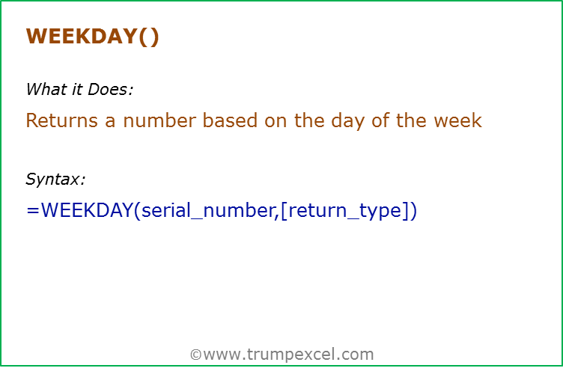
Data Used in Formula
2014-03-01
01-Mar-2014

Formula | Result | Commentary
=WEEKDAY(A2) | 7 | 01/03/2014 is a Saturday. Excel by default considers it as the 7th day of the week
=WEEKDAY(A2,2) | 6 | 01/03/2014 is a Saturday. Return_type as 2 specifies Monday as 1 and Sunday as 7. Hence this returns 6 for Saturday
=WEEKDAY(A3) | 7 | Weekday function works with date stored as text
=WEEKDAY("01-Mar-2014") | 7 | Weekday function works with date entered as text

NETWORKDAYS()
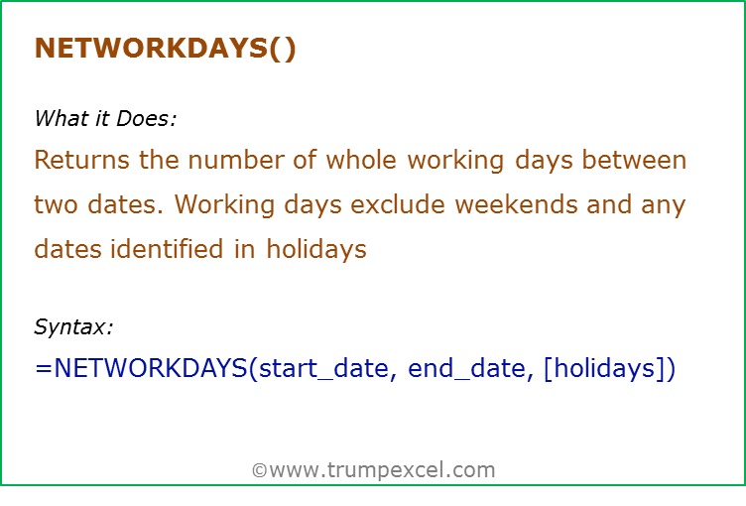
Data Used in Formula
Start Date | End Date | Holidays
2014-03-01 | 2014-06-09 | 2014-03-03
 |  | 2014-03-21
 |  | 2014-05-13

Formula | Result | Commentary
=NETWORKDAYS(A3,B3) | 71 | NETWORKDAY uses the start date and end date and returns the total working days. This does not includes weekends (Saturday and Sunday)
=NETWORKDAYS(A3,B3,C3:C5) | 68 | NETWORKDAY uses the start date and end date and returns the total working days. This does not includes weekends (Saturday and Sunday) and the specified holidays (C3:C5)

NETWORKDAYS.INTL()
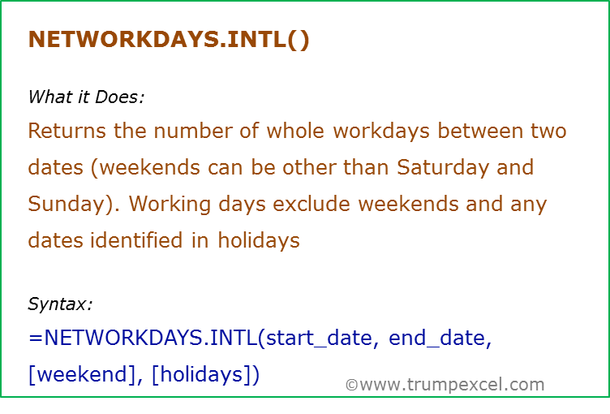
Data Used in Formula
Start Date | End Date | Holidays
2014-03-01 | 2014-06-09 | 2014-03-03
 |  | 2014-03-21
 |  | 2014-05-13

Formula | Result | Commentary
=NETWORKDAYS.INTL(A3,B3) | 71 | NETWORKDAY uses the start date and end date and returns the total working days. This does not includes weekends (Saturday and Sunday)
=NETWORKDAYS.INTL(A3,B3,1,C3:C5) | 68 | NETWORKDAY uses the start date and end date and returns the total working days. This does not includes weekends and the specified holidays (C3:C5). Note that we have specified weekend as Saturday And Sunday
=NETWORKDAYS.INTL(A3,B3,7,C3:C5) | 70 | NETWORKDAY uses the start date and end date and returns the total working days. This does not includes weekends and the specified holidays (C3:C5). Note that we have specified weekend as Friday And Saturday

WORKDAY()
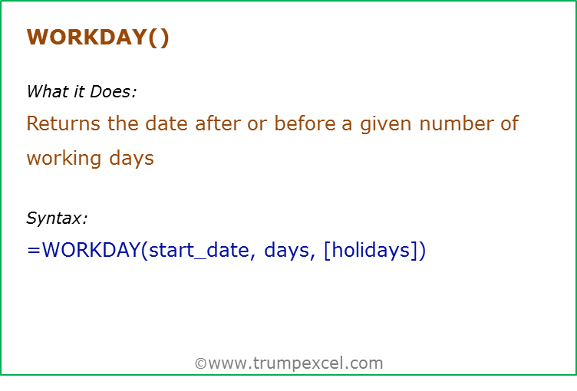
Data Used in Formula
Start Date | Days to Complete | Holidays
2014-03-02 | 100 | 2014-03-03
 |  | 2014-03-22
 |  | 2014-05-11

Formula | Result | Commentary
=WORKDAY(A3,B3) | 2014-07-18 | Workday uses the start date and returns the date after 100 days. This does not includes weekends (Saturday and Sunday)
=WORKDAY(A3,B3,$C$3:$C$5) | 2014-07-21 | Returns the date after 100 days. This does not includes weekends (Saturday and Sunday) and the specified holidays

WORKDAY.INTL()
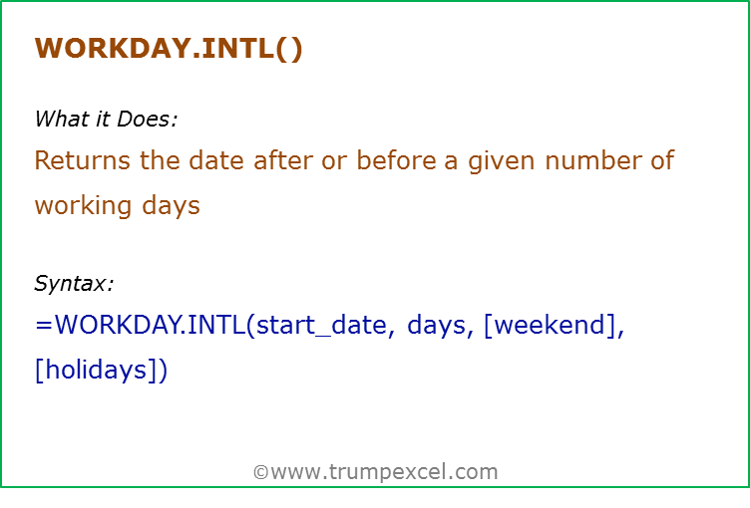
Data Used in Formula
Start Date | Days to Complete | Holidays
2014-03-02 | 100 | 2014-03-03
 |  | 2014-03-22
 |  | 2014-05-11

Formula | Result | Commentary
=WORKDAY.INTL(A3,B3) | 2014-07-18 | WORKDAY.INTL uses the start date and returns the date after 100 days. This does not includes weekends (Saturday and Sunday)
=WORKDAY.INTL(A3,B3,1,C3:C5) | 2014-07-21 | Returns the date after 100 days. This does not includes the specified weekends (Saturday and Sunday) and the specified holidays
=WORKDAY.INTL(A3,B3,7,C3:C5) | 2014-07-22 | Returns the date after 100 days. This does not includes the specified weekends and the specified holidays. Note that weekends here is not Saturday & Sunday, but Friday and Saturday. Note that you can specify the weekend other than Saturday and Sunday

