0. Instructions
AOM Conference, August 07th 2020 - PDW #11943: Topic Modeling Advances
Break-Out Session Exercise
Rodrigo Valadao – valadao@ualberta.ca

0. INSTRUCTIONS

A. This handout contains a copy of the three theoretical artifacts discussed during the presentation.

B. Key Task: Discuss with your colleagues some potential interpretations of the theoretical artifacts and unfolding theorizations related to the research question: How to capture the meaning infrastructure that shapes the space of possibilities at the early moments of institutional change?

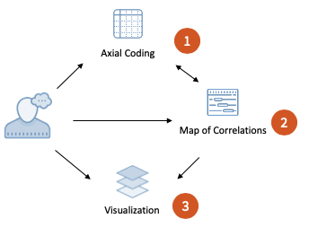

C. Pay special attention to patterns that might be identifiable into the artifacts and take into consideration the following additional information: In the interviews, most informants described 2010 as the year of emergence of Data Science as a field.

D. Please have one member of your group designated to summarize the collective findings in the tab "4. Interpretation-Theorization." Also, the group can manipulate the theoretical artifacts as needed (e.g., drawing forms and shapes on top of them). The organizers will try to hear back from the groups about the findings as time allows.

Note: The material contained in this handout is part of a research in progress. Please contact the author for updates or if you would like to share this with someone that is not attending the PDW.

2. Map of Correlations
AOM Conference, August 07th 2020 - PDW #11943: Topic Modeling Advances
Break-Out Session Exercise
Rodrigo Valadao – valadao@ualberta.ca

2. MAP OF CORRELATIONS

2nd Order
2nd Order
 | A |  | B |  | C |  | C |  | B |  | A |  | A |  | B |  | B |  | D |  | D |  | E
Aggregate Level | Managing People |  | Strategizing |  | Understanding Customers |  | Understanding Customers |  | Strategizing |  | Managing People |  | Managing People |  | Strategizing |  | Strategizing |  | Market Forecasting |  | Market Forecasting |  | Managing Processes
 | Topic 1 |  | Topic 3 |  | Topic 18 |  | Topic 7 |  | Topic 11 |  | Topic 19 |  | Topic 14 |  | Topic 5 |  | Topic 15 |  | Topic 6 |  | Topic 9 |  | Topic 12
Year | Promoting workplace diversity |  | Forstering research and innovation |  | Monitoring customers' emotions |  | Monitoring customers' preferences |  | Innovation shaping decisions |  | Evaluating team performance |  | Managing people based on analytics |  | Allocating resources |  | Making decisions based on analytics |  | Predicting global trends in economy |  | Indentifying the optimum price |  | Managing processes with technology

2018 | 0.06936 | *** | 0.07944 | *** | 0.07337 | *** | 0.07918 | *** | 0.03551 | *** | 0.04498 | *** | 0.01942 | * | 0.00282 |  | 0.01670 | * | -0.05112 | *** | -0.14532 | *** | -0.22783 | ***
2017 | 0.07653 | *** | 0.06398 | *** | 0.02706 | * | 0.04210 | *** | 0.04642 | *** | 0.01841 | * | 0.03575 | *** | 0.02398 | ** | 0.01223 |  | -0.04062 | *** | -0.14568 | *** | -0.22653 | ***
2016 | 0.16777 | *** | 0.11799 | *** | 0.03071 | ** | 0.04789 | *** | 0.02542 | ** | 0.03873 | *** | 0.03283 | *** | 0.00605 |  | 0.00743 |  | -0.05068 | *** | -0.14694 | *** | -0.23379 | ***
2015 | 0.04016 | *** | 0.04344 | *** | 0.07583 | *** | 0.04321 | *** | 0.01987 | ** | 0.01431 | * | 0.06237 | *** | 0.00235 |  | -0.00442 |  | -0.04328 | *** | -0.14436 | *** | -0.23069 | ***
2014 | 0.03228 | *** | 0.06270 | *** | 0.08315 | *** | 0.04428 | *** | 0.04063 | *** | 0.01759 | ** | 0.01340 |  | 0.02713 | *** | 0.03895 | *** | -0.03964 | *** | -0.13253 | *** | -0.22168 | ***
2013 | 0.04423 | *** | 0.07603 | *** | 0.04442 | *** | 0.05338 | *** | 0.03763 | *** | 0.04798 | *** | 0.02350 | ** | 0.01463 | * | 0.02333 | *** | -0.04544 | *** | -0.13916 | *** | -0.22099 | ***
2012 | 0.04096 | *** | 0.04521 | *** | 0.06790 | *** | 0.04004 | *** | 0.02960 | *** | 0.01719 | ** | 0.04711 | *** | 0.00844 |  | 0.00724 |  | -0.01605 |  | -0.13038 | *** | -0.22630 | ***
2011 | 0.04143 | *** | 0.02370 | ** | 0.09366 | *** | 0.02787 | ** | 0.02692 | *** | 0.00077 |  | 0.01401 |  | 0.02572 | ** | 0.00054 |  | 0.00311 |  | -0.13775 | *** | -0.22686 | ***
2010 | 0.09982 | *** | 0.06019 | *** | 0.03074 | ** | 0.03094 | *** | 0.03474 | *** | 0.02366 | ** | 0.02620 | ** | 0.01304 |  | 0.02248 | ** | -0.03010 | ** | -0.13874 | *** | -0.21963 | ***
2009 | 0.10652 | *** | 0.03740 | *** | 0.03324 | *** | 0.03278 | *** | 0.04294 | *** | 0.02638 | *** | 0.01728 | * | 0.03627 | *** | 0.01107 |  | -0.02480 | * | -0.13738 | *** | -0.22650 | ***
2008 | 0.08586 | *** | 0.03216 | *** | 0.05257 | *** | 0.03107 | *** | 0.04196 | *** | 0.03404 | *** | 0.01353 |  | 0.02690 | *** | 0.01738 | * | -0.02528 | * | -0.13254 | *** | -0.20958 | ***
2007 | 0.05371 | *** | 0.03835 | *** | 0.05589 | *** | 0.07460 | *** | 0.04261 | *** | 0.04133 | *** | 0.02048 | * | 0.02547 | *** | 0.01008 |  | -0.04576 | *** | -0.13624 | *** | -0.22061 | ***
2005 | 0.01667 |  | 0.03897 | *** | 0.07641 | *** | 0.04222 | *** | 0.03844 | *** | 0.03384 | ** | 0.01891 |  | 0.00119 |  | 0.00582 |  | -0.04542 | ** | -0.13270 | *** | -0.20283 | ***
2004 | 0.03816 | ** | 0.02406 | ** | 0.03808 | ** | 0.01941 | * | 0.01372 |  | 0.04408 | *** | 0.07565 | *** | 0.00532 |  | -0.00757 |  | -0.00116 |  | -0.12612 | *** | -0.22019 | ***
2003 | 0.03770 | *** | 0.04646 | *** | 0.02260 | * | 0.04004 | *** | 0.02565 | ** | 0.03315 | *** | 0.01234 |  | 0.01009 |  | 0.03211 | *** | -0.03971 | *** | -0.12626 | *** | -0.21879 | ***
2002 | 0.01335 |  | 0.13877 | *** | 0.01145 |  | 0.01460 |  | -0.00239 |  | 0.09866 | *** | 0.01109 |  | -0.00460 |  | 0.03286 | ** | -0.03726 | * | -0.06205 | ** | -0.20528 | ***
2001 | 0.02889 | * | 0.02648 | ** | 0.04867 | *** | 0.02391 | ** | 0.07691 | *** | 0.04166 | *** | 0.01270 |  | 0.03258 | *** | 0.01553 |  | -0.03601 | ** | -0.12688 | *** | -0.20541 | ***
1998 | 0.01331 |  | 0.01354 |  | 0.03838 | *** | 0.01814 | * | 0.02006 | ** | 0.01710 | * | 0.01728 | * | 0.00245 |  | -0.00343 |  | 0.01110 |  | -0.11339 | *** | -0.12848 | ***
1997 | 0.00796 |  | 0.01772 |  | 0.04673 |  | 0.03812 |  | 0.01195 |  | 0.00412 |  | 0.01092 |  | 0.00534 |  | 0.00610 |  | -0.02178 |  | -0.05101 |  | -0.20490 | ***
1996 | 0.01823 |  | 0.02304 | ** | 0.05718 | *** | 0.02502 | ** | 0.03414 | *** | 0.01350 |  | 0.00628 |  | 0.02197 | ** | 0.00340 |  | -0.01779 |  | -0.09205 | *** | -0.18910 | ***
1995 | 0.01225 |  | 0.01674 |  | 0.01499 |  | 0.01273 |  | 0.02092 | * | 0.00788 |  | 0.02431 | * | 0.02339 | * | 0.01154 |  | 0.02467 |  | -0.09431 | *** | -0.18782 | ***
1994 | -0.00273 |  | 0.00681 |  | 0.01185 |  | -0.00579 |  | -0.01088 |  | -0.01025 |  | 0.00320 |  | -0.01019 |  | 0.00416 |  | 0.19148 | *** | -0.06439 |  | -0.15487 | ***
1991 | 0.00961 |  | 0.01676 |  | 0.01088 |  | 0.01924 |  | 0.00343 |  | 0.01955 | * | 0.00192 |  | 0.00371 |  | -0.00047 |  | -0.02958 | * | -0.08543 | *** | -0.18612 | ***
1990 | 0.01171 |  | 0.01112 |  | 0.01581 |  | 0.00488 |  | 0.00928 |  | 0.00189 |  | 0.03754 | *** | 0.00789 |  | 0.00197 |  | -0.00471 |  | -0.08961 | *** | -0.15432 | ***
1989 | 0.00247 |  | 0.00728 |  | 0.02605 | * | 0.00190 |  | 0.00636 |  | -0.00390 |  | 0.02364 | * | 0.01681 | * | -0.00206 |  | 0.00268 |  | -0.03446 | * | -0.12227 | ***
1988 | 0.00737 |  | 0.03273 | *** | 0.00077 |  | 0.00199 |  | -0.00085 |  | 0.00246 |  | 0.01437 |  | 0.00714 |  | 0.01452 |  | 0.01591 |  | -0.07693 | *** | -0.15322 | ***
1986 | 0.00171 |  | 0.01657 |  | 0.02930 | * | 0.00996 |  | 0.01279 |  | -0.00231 |  | 0.00396 |  | -0.00504 |  | 0.01980 |  | -0.00386 |  | -0.02580 |  | -0.14064 | ***
1985 | 0.01218 |  | 0.00574 |  | -0.00286 |  | 0.00808 |  | -0.00928 |  | 0.00583 |  | -0.00547 |  | -0.00674 |  | -0.01565 |  | -0.04133 | ** | -0.06833 | *** | -0.20902 | ***
1984 | 0.01690 |  | 0.00905 |  | -0.00338 |  | 0.03000 | ** | 0.00076 |  | 0.01567 | * | 0.00967 |  | 0.03621 | *** | -0.01223 |  | 0.04826 | *** | -0.02429 |  | -0.17937 | ***
1983 | 0.00394 |  | 0.00139 |  | -0.00241 |  | 0.00343 |  | -0.01128 |  | -0.00296 |  | 0.02256 | * | 0.00167 |  | -0.01133 |  | 0.04130 | ** | 0.09147 | *** | -0.16589 | ***
1982 | 0.00812 |  | 0.01543 |  | -0.00261 |  | 0.03313 | ** | 0.00808 |  | 0.02155 | * | -0.00180 |  | 0.00604 |  | 0.01234 |  | -0.02838 | * | -0.09108 | *** | -0.09772 | ***
1981 | 0.00055 |  | 0.00484 |  | -0.00505 |  | -0.00144 |  | 0.00092 |  | -0.00327 |  | -0.00148 |  | 0.01013 |  | 0.01475 |  | 0.06577 | *** | -0.05919 | *** | -0.06594 | ***
1980 | 0.00581 |  | 0.00139 |  | -0.00813 |  | -0.00536 |  | -0.00184 |  | 0.00080 |  | 0.00135 |  | 0.05195 | *** | -0.00948 |  | 0.14386 | *** | -0.02796 |  | -0.16891 | ***
1979 | -0.00170 |  | -0.00042 |  | -0.00206 |  | -0.00698 |  | -0.00364 |  | -0.01067 |  | -0.00406 |  | 0.00285 |  | -0.00934 |  | 0.04460 | *** | 0.03090 | * | -0.04393 | **
(intercept) | 0.00684 |  | 0.01013 |  | 0.01737 | * | 0.01862 | ** | 0.03736 | *** | 0.02624 | *** | 0.02312 | *** | 0.03644 | *** | 0.04203 | *** | 0.06896 | *** | 0.15401 | *** | 0.24282 | ***

 | *p < .05; **p < .01; ***p < .001
 |  |  |  |  |  |  |  |  |  |  |  |  |  |  | Greater than the mean for the topic |  |  |  |  |  | Smaller than the mean for the topic
Note: The material contained in this handout is part of a research in progress. Please contact the author for updates or if you would like to share this with someone that is not attending the PDW.

3. Visualization
AOM Conference, August 07th 2020 - PDW #11943: Topic Modeling Advances
Break-Out Session Exercise
Rodrigo Valadao – valadao@ualberta.ca

3. VISUALIZATION

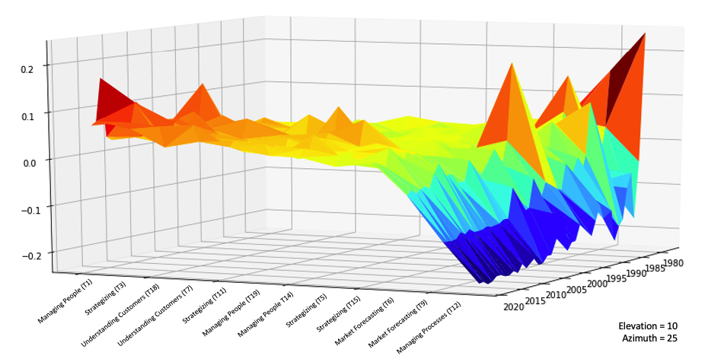
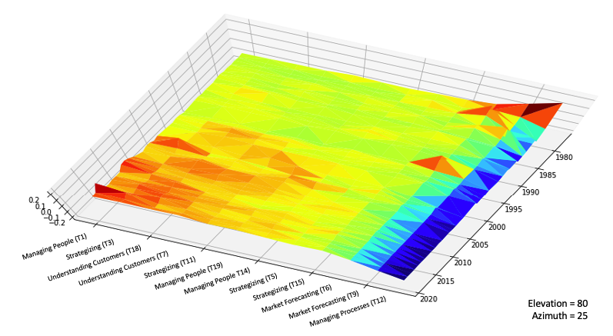

Note: The material contained in this handout is part of a research in progress. Please contact the author for updates or if you would like to share this with someone that is not attending the PDW.

