EI_source_adhoc
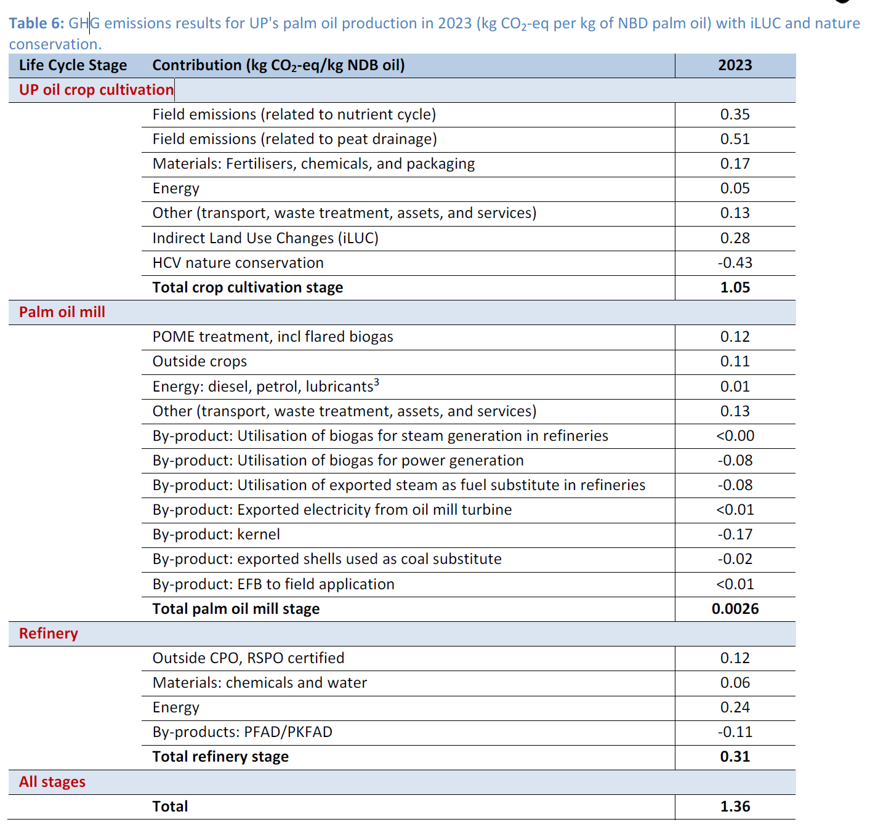
This sheet provides supplementary ad hoc emission intensity data

Cocoa
Source: | https://link.springer.com/article/10.1007/s10457-022-00729-8
Table 2 in | Agroforest Syst (2022) 96:417–434
Modelling greenhouse gas emissions of cacao production in the Republic of Cote dIvoire
W. Vervuurt , M. A. Slingerland, A. A. Pronk, L. G. J. Van Bussel
Use 2.29 CO2/kg for cocoa, a suvery for CIV |  |  |  | 2.29 | kg CO₂e/kg

Palm oil source: | Life Cycle Assessment of Palm Oil at United Plantations Berhad 2024
 |  | Jannick Schmidt & De Rosa M.
 |  | Published by: United Plantations Berhad
 |  | The study covers the period from 2004 to 2023 and includes data from plantations in Malaysia and Indonesia
 | 1.05 | kg CO₂e/kg palm oil for the oil parlm crop cultivation |  |  |  |  | based on the Table 6 (shown on the left)

Rubber source: |  | Carbon Footprint Assessment of Natural Rubber Derived from Liberian Hevea Plantations
0.81 | kg CO₂e/kg | Birnbach M., Lehmann A., Naranjo E., et al.
 |  | Published in: Environmental Science and Pollution Research

ChatGPT | 1.75 | aaqua | 0.4375 | Tilapia/Catfish |  | ~3–5 kg | Depends on feed & intensity
 | 1.5625 | aaqua | 0.0625 | Shrimp |  | ~15–30 kg | High emissions, especially if mangrove-converted
 | 0.1 | aaqua | 0.5 | Seaweed |  | ~0.1–0.3 kg | Very low, potentially carbon-negative
 | 3.4125
 |  |  | IDN | 8M tons seaweed (very low emissions)
 |  |  |  | 7M tons finfish (avg ~3.5 kg CO₂e/kg)
 |  |  |  | 1M tons shrimp (avg ~25 kg CO₂e/kg)

