MAP 1
MAP 1 (print on A3 paper)

Human/Phantom 1d6 ≤ saved AP = hit hit damage 1d6 (+weapon) Statue 2d6 ≤ combat strength = hit hit damage = turn#* - 2d6 *+ Animal's damage modifier
2d6 ≤ Psychic strength = success if success, determine Target Number (TN) TN = (attacker PS) - (defender PS)
 | ACTIVITY | COST | ACTIVITY | COST | SNOWMOBILE | COST | Physical Attacks | Phychic Attacks
 | Enter square | 1 | Open closed door | 1 | Start engine | 1
 | Enter garage square | 2 | Close open door | 1 | Drag outside garage | 1
 | Enter basement square | 2 | Pick up weapon | 1
to Dispel 1d6 ≤ TN = elim 1d6 > TN = offmap 2 turns
to Control 1d6 ≤ TN = yes 1d6 > TN = no
to Kill TN = # points psychic damage
 | Enter any hex if: |  | Drop weapon | 0 | *plus cost to enter hex
 | NO SNOW | 1 | Call elevator | 1
 | 1st turn SNOW | 2 | Enter elevator | 1
 | 2nd turn (+) SNOW | 3 | Dump boiler | 2



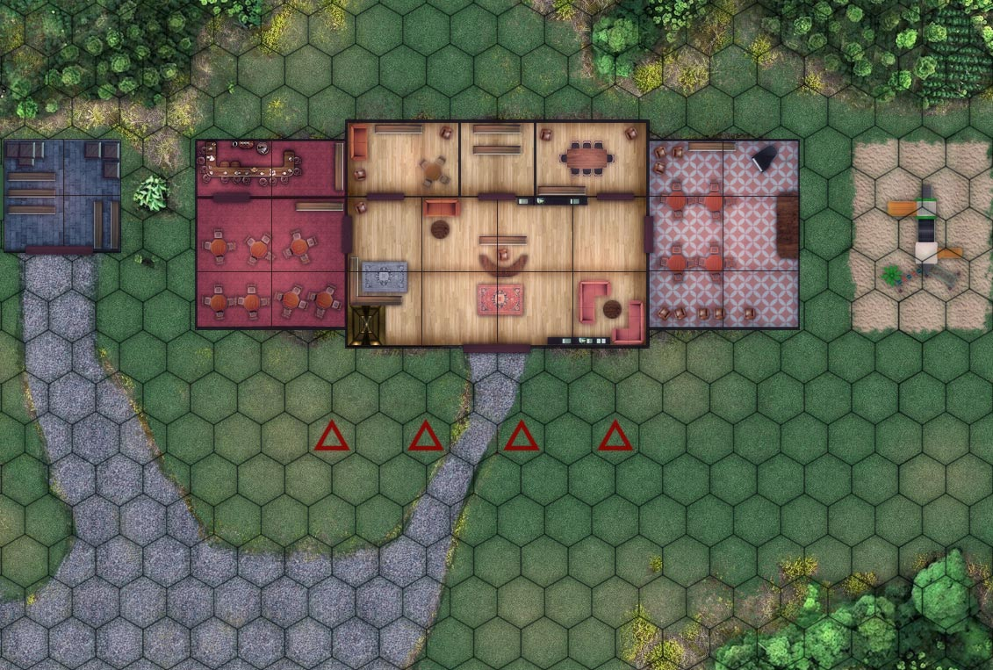

SERVICE
AREA
CONFERENCE
ROOM
★ BAR
OFFICE

GARAGE

BALLROOM
★ PLAYGROUND

RESTAURANT
LOBBY

STATUE
STATUE
STATUE
STATUE

MAP 2
MAP 2 (print on A3 paper)

BOILER
PRESSURE
ANDREW HANN
ARRIVAL
TURN
RECORD

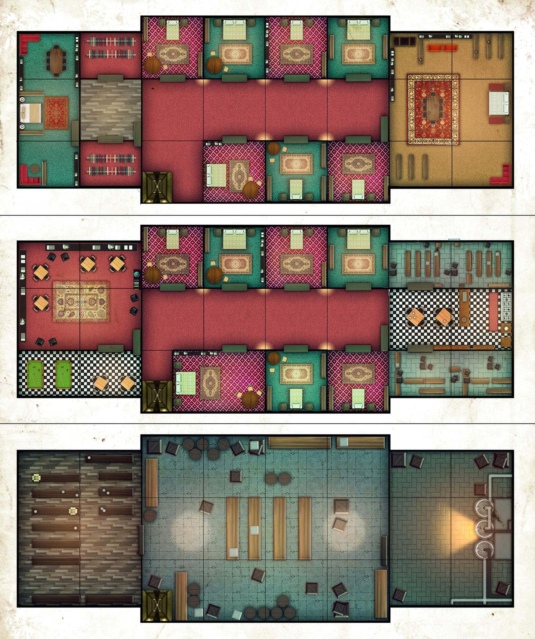
ROOM
301
ROOM
303
ROOM
305
ROOM
307
 | 310 | START |  | 1 |  | 11
 |  | 3 spaces if 1d6= 1～4 4 spaces if 1d6= 5～6 |  |  |  | SNOW if
 |  |  |  |  |  | 1d6 = 1~5
LINEN
CLOSET
 | 290 | 12 |  | 2 |  | 12
 |  |  |  |  |  | SNOW if
V.I.P.
SUITE
ANTEROOM
HALLWAY
PRESIDENTIAL
SUITE
 |  |  |  |  |  | 1d6 = 1~5
 | 270 | 11 |  | 3 |  | 13
LINEN
CLOSET
 |  |  |  |  |  | SNOW if
ROOM
324
ROOM
320
ROOM
316
 |  |  |  |  |  | 1d6 = 1~5
 | 250 | 10 |  | 4 |  | 14
 |  |  |  | SNOW if |  | SNOW if
 |  |  |  | 1d6 = 1 |  | 1d6 = 1~5
ROOM
201
ROOM
203
ROOM
205
★ ROOM
207
PANTRY
 | 230 | 9 |  | 5 |  | 15
 |  |  |  | SNOW if |  | SNOW if
LOUNGE
 |  |  |  | 1d6 = 1~2 |  | 1d6 = 1~5
KITCHEN
 | 210 | 8 |  | 6 |  | 16
 |  |  |  | SNOW if |  | SNOW if
GAME ROOM
STORAGE
 |  |  |  | 1d6 = 1~3 |  | 1d6 = 1~5
ROOM
224
ROOM
220
ROOM
216
 | 190 | 7 |  | 7 |  | 17
 |  |  |  | SNOW if |  | SNOW if
 |  |  |  | 1d6 = 1~4 |  | 1d6 = 1~5
 | 170 | 6* | *if SNOW, just move 3 spaces | 8 |  | 18
 |  |  |  | SNOW if |  | SNOW if
 |  |  |  | 1d6 = 1~5 |  | 1d6 = 1~5
STORAGE
CELLAR
BOILER
ROOM
 | 150 | 5* |  | 9 |  | 19
BOILER
 |  |  |  | SNOW if |  | SNOW if
 |  |  |  | 1d6 = 1~5 |  | 1d6 = 1~5
 | 130 | 4* |  | 10 |  | 20
 |  | Interception Possible |  | SNOW if |  | SNOW if
 |  |  |  | 1d6 = 1~5 |  | 1d6 = 1~5
 | 110 | 3*
MAP KEY
 |  | Interception Possible

 | 90 | 2* |  |  |  |  | Elevator
 |  | Interception Possible |  |  | Movement Square

 | 70 | 1* |  |  | Movement Square |  | Wall
 |  | Interception Possible

 | 50 | ENTER MAP NEXT TURN |  |  | Movement Square
 |  |  |  |  |  |  | Door
 |  | (SNOWMOBILE)

COUNTERS
COUNTERS (print on A5 paper, fold, glue and cut)

 | FRONT |  |  |  |  |  |  |  | BACK

 | 6 |  | 4 |  | 2 |  | 10 |  | 10 |  |  | 2 |  |  | 4 |  | 6

 | 8 |  | 6 |  | 10 |  | 6 |  | 6 |  |  | 10 |  |  | 6 |  | 8

HANN
SANDY
JAKE
MANNY
MANNY
JAKE
SANDY
HANN

 | 7 |  | 7 |  | 6 |  | 5

 | 4 |  | 6 |  | 5 |  | 5

 | 4 |  | 4 |  | 5 |  | 7
PHANTOM 1
PHANTOM 2
PHANTOM 3
PHANTOM 4
?
?
?
?

 | 8 | 12 | 6 | 12 | 4 | 14 | 10 | 10 | 10 |  | 10 | 4 |  | 14 | 6 | 12 | 8 | 12

LION
DOG
RABBIT
BISON
BISON
RABBIT
DOG
LION

?
DECOY 1
DECOY 2
DECOY 3
DECOY 4
?
?
?

SNOWMOBILE
SNOWMOBILE
MALLET
MALLET
MALLET
MALLET
SNOWMOBILE
SNOWMOBILE
 |  | 20 |  | 20 | 2 |  | 2 |  | 2 |  |  | 2 |  |  |  | 20 |  | 20

KNIFE
AXE
GASOLINE
GASOLINE
GASOLINE
AXE
KNIFE
GASOLINE
 | 2 |  | 2 |  | 8 |  | 8 |  | 8 |  |  | 8 |  |  | 2 |  | 2

GASOLINE
GASOLINE
GASOLINE
BOILER
PRESSURE
NO
SNOW
GASOLINE
SNOW
BOILER
PRESSURE
 |  |  |  |  | 8 |  | 8 |  | 8 |  |  | 8

ELEVATOR
CALL
ELEVATOR
CALL
ELEVATOR
CALL
ELEVATOR
CALL
1st
FLOOR
2nd
FLOOR
3rd
FLOOR
BASEMENT

 |  |  |  |  | DOOR OPEN |  | DOOR OPEN |  |  | DOOR OPEN |  |  | DOOR OPEN
ELEVATOR
UP
ELEVATOR
DOWN
 |  |  |  |  | DOOR OPEN |  | DOOR OPEN |  |  | DOOR OPEN |  |  | DOOR OPEN

 |  |  |  |  | DOOR OPEN |  | DOOR OPEN |  |  | DOOR OPEN |  |  | DOOR OPEN

 |  |  |  |  | DOOR OPEN |  | DOOR OPEN |  |  | DOOR OPEN |  |  | DOOR OPEN

