WiFi Data
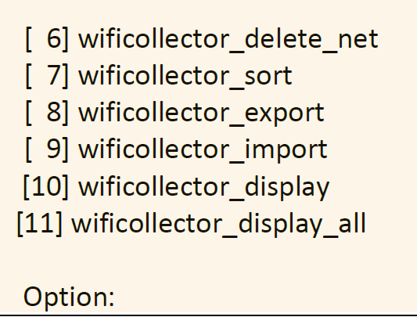
Information obtained |  |  | EXAMPLE | Customer requirements |  |  | EXAMPLE | Company requirements
Cell identifier | ℕ |  | 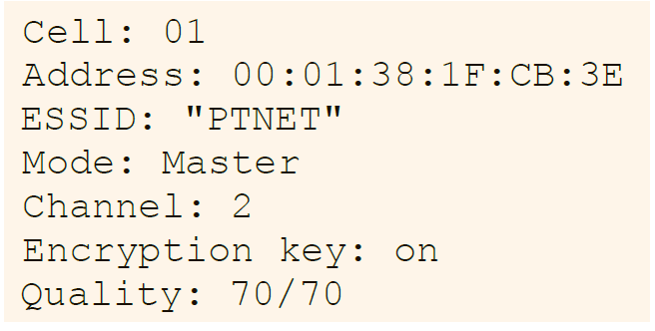 | wificollector_quit | Exit the program. | Are you sure you want to exit? [y/N]: | 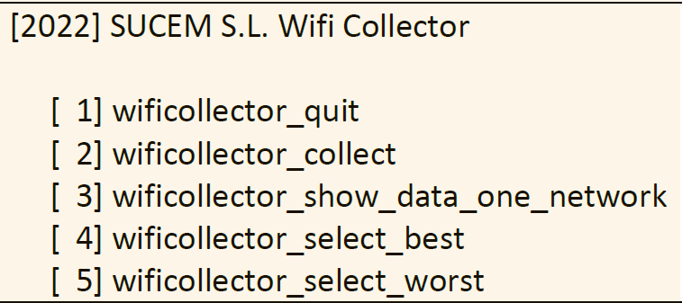 | company_require_divided | Code divided into files such that similar functions are grouped.
MAC address | 6 hexadecimal num. of 2 digits each | 01-23-45-67-89-AB |  | wificollector_collect | Collect network information of a Cell by reading the file: “info_cell_NN”, where NN is the number of the cell chosen. | What cell do you want to collect? (1 - 21): |  |  | Function names to increase code readability and to quickly locate certain functionality
 |  | 01:23:45:67:89:AB |  |  |  | Do you want to add another access point? [y / N]: |  | company_require_documented | documented | ?? h and README
ESSID | Name wireless network | "PTNET" |  |  |  | “y”, the previous question will be asked again |  | company_require_debug | symbol DEBUG when compiling, debugging messages
Mode | Config for access points |  |  | wificollector_show_data_one_network | Select and show the detailed information about about ESSID | Indicate the ESSID (use “”): |  | company_require_gccclean | code must compile with no error or warning | -Wall in gcc
--> | Auto |  |  | wificollector_select_best | Access point that offers the highest quality |  |  | company_require_style | follow rules "C Language: A Style"
ADDITIONAL NOTES:
- After selection an operation, additional data may be introduced through the keyboard.
- Operation finishes, the main textual menu is shown again.
- Robust: it should recover with no problems if at some point the user introduces incorrect data.
--> | Ad-Hoc |  |  | wificollector_select_worst | Access point that offers the lowest quality |  |  | company_require_noleaks | no leaks, access to uninitialized portions, incorrect frees, etc
--> | Managed |  |  | wificollector_delete_net |  | Indicate the ESSID (use “”): |  | company_require_balanced | Prepare a report w/ our tasks
--> | Master |  |  | wificollector_sort | access points sorted by decreasing value of the signal quality |  |  | company_require_working_in_teams. | 2 people team
--> | Repeater |  |  | wificollector_export | Store the information access point in a bin file | Indicate the name of the file:
--> | Secondary |  |  | wificollector_import | Add info contained in a bin data file | Indicate the name of the file:
--> | Monitor |  |  | wificollector_display | Print the information | Indicate the number of the cell for which you want to know its information (1 - 21):
--> | Unknown |  |  |  | If info is requested from a cell that has not been added: error message will be given | Do you want to print the information of another cell? [y | N]:
Channel | Frequency (ℕ) |  |  |  |  | “y”, the previous question will be asked again
Encryption key | encodes if comm. Encrypted | on |  | wificollector_display_all | Print the information of all cells stored in the application
 |  | off
Quality | 2 ℕ |  |  | SUBMISSION 1
--> | n1 | Actual signal lv |  | SUBMISSION 2
--> | n2 | MAX lv expected |  | SUBMISSION 3 | 2 but dynamic lists

