Sheet1
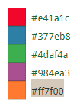
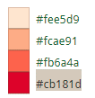
red | #e41a1c | red | pale | #fee5d9
blue | #377eb8 | red | light | #fcae91
green | #4daf4a | red | medium | #fb6a4a
purple | #984ea3 | red | dark | #cb181d
orange | #ff7f00
 |  | blue | pale | #eff3ff
 |  | blue | light | #bdd7e7
 |  | blue | medium | #6baed6
 |  | blue | dark | #2171b5
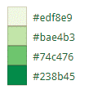
 |  | green | pale | #edf8e9
 |  | green | light | #bae4b3
 |  | green | medium | #74c476
 |  | green | dark | #238b45
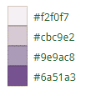
 |  | purple | pale | #f2f0f7
 |  | purple | light | #cbc9e2
 |  | purple | medium | #9e9ac8
 |  | purple | dark | #6a51a3


 |  | orange | pale | #feedde
 |  | orange | light | #fdbe85
 |  | orange | medium | #fd8d3c
 |  | orange | dark | #d94701

