Fig. 2h
Fig. 2h. Western blots of FA-P, macrophage membrane and FA-P@MC.

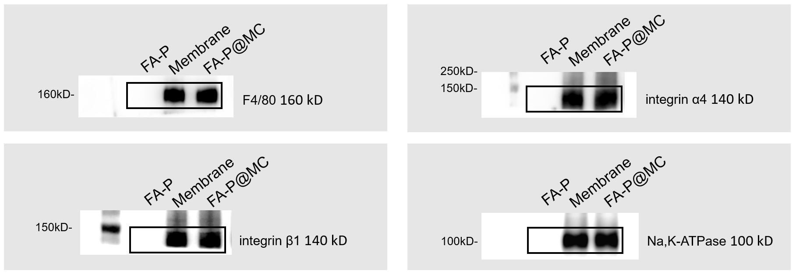

 | Anti-mouse F4/80 antibody (Cell Signaling Technology, #30325,1:1000 dilution)
 | Anti-mouse Na,K-ATPase antibody (Cell Signaling Technology, #3010S ,1:1000 dilution)
 | Recombinant Anti-mouse Integrin alpha 4/CD49D (Abcam, #ab75760, 1: 1000 dilution)
 | Recombinant Anti-mouse Integrin beta 1 (Abcam, #ab179471, 1: 1000 dilution)

Fig. 4c
Fig. 4c. Western blot analysis of CD47 protein expression in foam cells treated with various formulations.

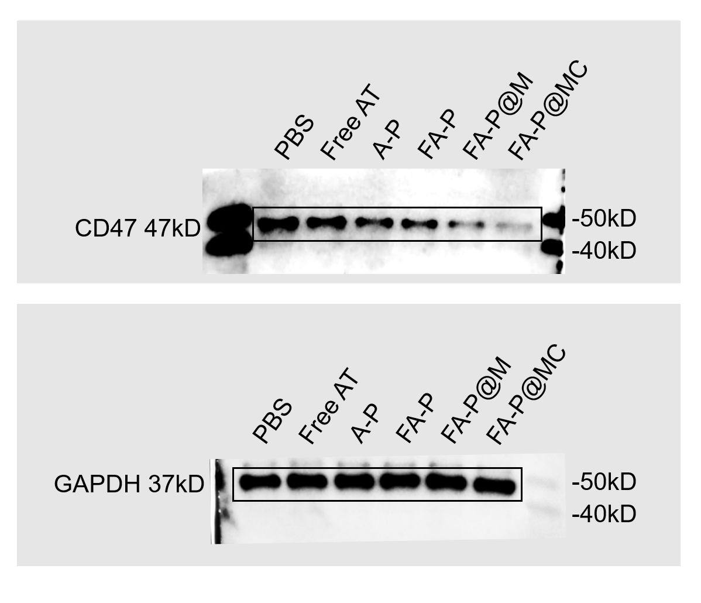

 | Anti-mouse CD47 (ABclonal, A1838, 1:1000 dilution)
 | Anti-mouse GAPDH (Proteintech, #10494-1-AP, 1:10,000 dilution)

Fig. 8h
Fig. 8h. Western blot analysis of CD47 protein expression in aortas from mice treated with various formulations.
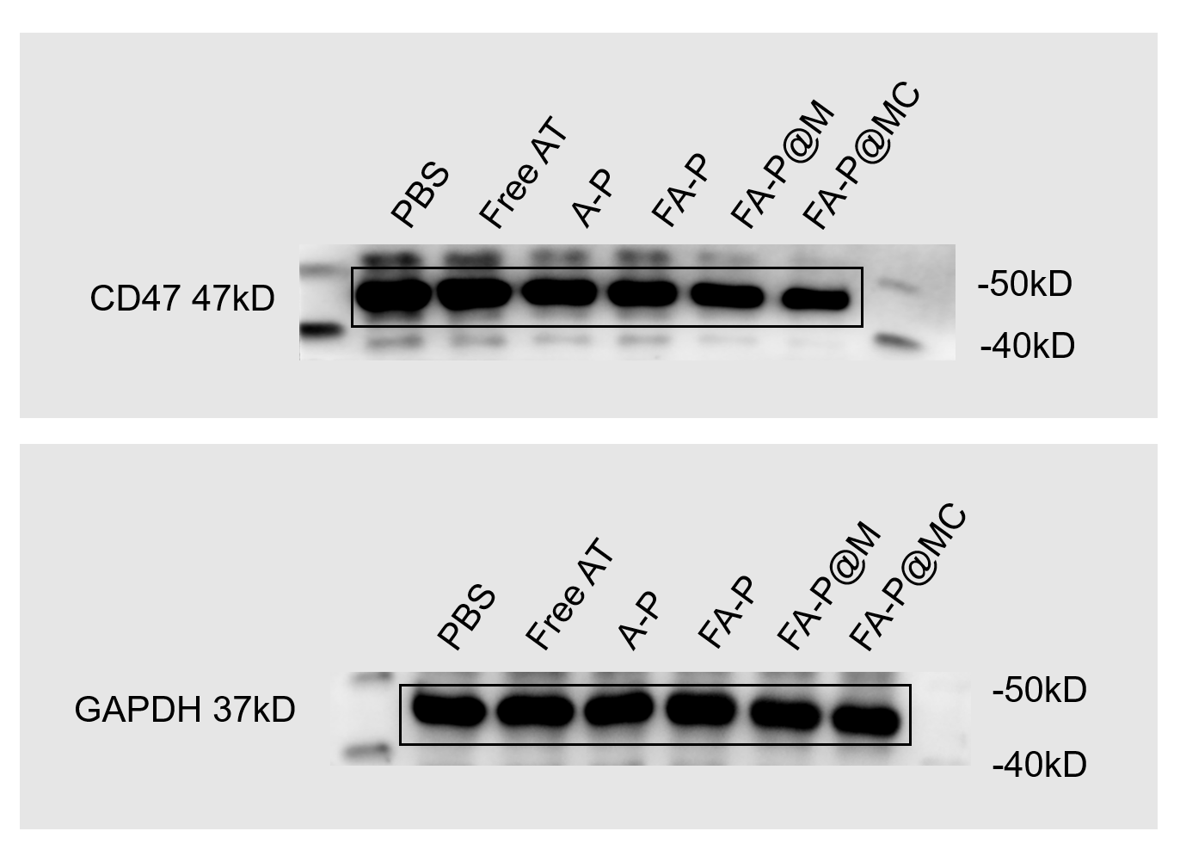

 | Anti-mouse CD47 (ABclonal, A1838, 1:1000 dilution)
 | Anti-mouse GAPDH (Proteintech, #10494-1-AP, 1:10,000 dilution)

