cant you convert everyhting to
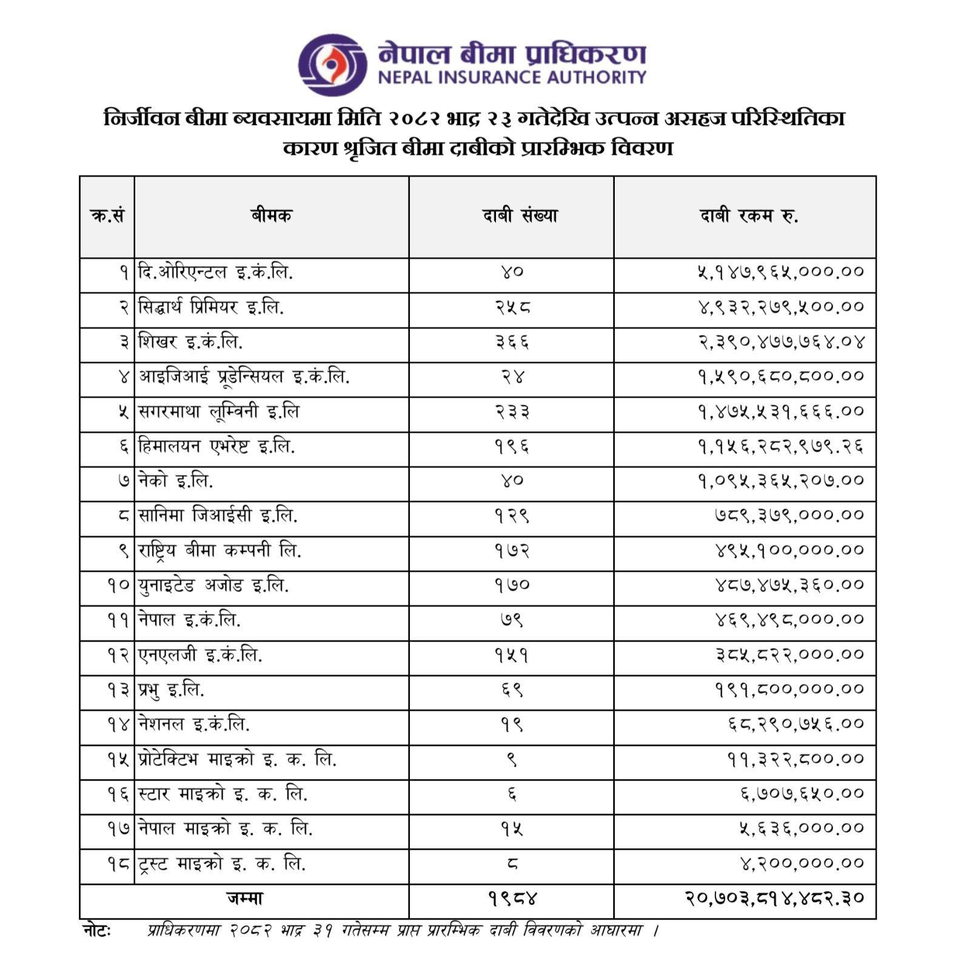
S.N. | Insurer | Establishment Date | Year of Operation | Paid-up Capital (NPR) | Number of Claims | Claim Amount (NPR)
1 | The Oriental Insurance Co. Ltd. | 1956 (Nepal Ops) | 69 | N/A (Indian PSU Branch) | 40 | 5,147,965,000.00
2 | Siddhartha Premier Insurance Ltd. | 1994 | 31 | ~ 2.80 Billion | 258 | 4,932,279,500.00
3 | Shikhar Insurance Co. Ltd. | 2004 | 21 | ~ 2.65 Billion | 366 | 2,390,477,764.04
4 | IGI Prudential Insurance Ltd. | 2001 | 24 | ~ 2.76 Billion | 24 | 1,590,680,800.00
5 | Sagarmatha Lumbini Insurance Ltd. | 1994 | 31 | ~ 2.62 Billion | 233 | 1,475,531,666.00
6 | Himalayan Everest Insurance Ltd. | 1993 | 32 | ~ 2.55 Billion | 196 | 1,156,282,979.26
7 | Neco Insurance Ltd. | 1994 | 31 | ~ 2.01 Billion | 40 | 1,095,365,207.00
8 | Sanima GIC Insurance Ltd. | 2017 | 8 | ~ 2.00 Billion | 129 | 789,379,000.00
9 | Rastriya Beema Company Ltd. | 2014 | 11 | ~ 266 Million | 172 | 495,100,000.00
10 | United Ajod Insurance Ltd. | 1994 | 31 | ~ 2.10 Billion | 170 | 487,475,360.00
11 | Nepal Insurance Co. Ltd. | 1947 | 78 | ~ 2.04 Billion | 79 | 469,498,000.00
12 | NLG Insurance Co. Ltd. | 1997 | 28 | ~ 1.45 Billion | 151 | 385,822,000.00
13 | Prabhu Insurance Ltd. | 1996 | 29 | ~ 1.37 Billion | 69 | 191,800,000.00
14 | National Insurance Co. Ltd. | 1973 (Nepal Ops) | 52 | N/A (Indian PSU Branch) | 99 | 68,290,756.00
15 | Protective Microinsurance Ltd. | 2023 | 2 | ~ 1.00 Billion | 1 | 11,322,800.00
16 | Star Microinsurance Ltd. | 2023 | 2 | ~ 1.00 Billion | 6 | 6,707,650.00
17 | Nepal Microinsurance Ltd. | 2023 | 2 | ~ 1.00 Billion | 15 | 5,636,000.00
18 | Trust Microinsurance Ltd. | 2023 | 2 | ~ 1.00 Billion | 8 | 4,200,000.00
 | Total |  |  |  | 2,056 | 20,703,814,482.00

