Codigos Genericos
 | 77 Pendiente
 | 88=Otro |  | ISIS |  |  |  | VPD-SMART
 | 99: Desconocido. |  | Clasificación final | Criterios de clasificación | Diagnóstico definitivo* |  | Clasificación final | Criterios de clasificación | Diagnóstico definitivo*
 |  |  | 1 Polio salvaje | 1 Laboratorio | 1 Polio salvaje |  | 1 Polio salvaje | Laboratorio
 |  |  | 2 Polio derivada de la vacuna |  | 2 Polio derivada de la vacuna |  | 2 Polio derivada de la vacuna
 |  |  | 3 Asociada a la vacuna | 1 Laboratorio | 3 Asociada a la vacuna |  | 3 Asociada a la vacuna
 |  |  |  | 5 Con parálisis residual |  |  | 4 Polio compatible | Con Paralisis residual
 |  |  | 4 Compatible con polio | 2 Perdido al seguimiento | 4 Compatible con polio |  |  | Comité de expertos
 |  |  |  | 3 Muerte |  |  | Descartado | Laboratorio
 | Isolation result |  |  | 4 Con parálisis residual |  |  |  | Comité de expertos
 | 1 - afp-isolation-enterovirus: Non-polio enterovirus, |  | 5 Descartado | 1 Laboratorio | 1 SGB - Guillain-Barré |  | Pendiente | Fallecido
 | 3 - afp-isolation-inadequate: Inadequate specimen, |  |  | 5 Con parálisis residual | 2 Neuritis traumática |  |  | Perdido al seguimiento
 | 2 - afp-isolation-L20B: L20B positive, |  |  |  | 3 Mielitis transversa |  |  | Pendiente
 | 6 afp-isolation-L20B-npev: L20B positive + non-polio enterovirus, |  |  |  | 4 Tumor |  |  | Con paralisis residual
 | 0 afp-isolation-negative: Negative, |  |  |  | 99 Desconocido |  |  | sin paralisis residual
 | 4 afp-isolation-unprocessed: Unprocessed, |  |  |  | 88 Otro |  |  | Laboratorio
 | 5 afp-isolation-other: Other non-enterovirus |  |  |  |  |  |  | Comité de expertos
 |  |  |  | Mexico
 |  |  |  |  |  |  | Como hacen match con lo que tiene mexico
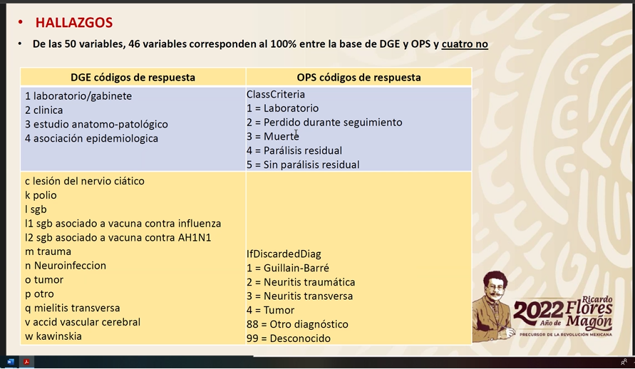
 |  |  |  |  |  | 1 | Como criterios de clasificacion no tenemos
 |  |  |  |  |  |  | Clinico, estudio anatomo-patoligico, asociacion epidemiologica
PFA
Criteria for final classification | 1: Laboratory
 | 2: Lost to follow-up. |  |  |  |  |  | Si descartado no tenemos las siguientes
 | 3: Deceased. |  |  |  |  |  | c Lesion de nervio ciatico
 | 4: With residual paralysis. |  |  |  |  |  | n Neuroinfeccion
 | 5: No residual paralysis, |  |  |  |  |  | v accid vascular cerebral
 | 66: Pending. |  |  |  |  |  | w kawinskia
 | 88: Expert Committee

 |  |  |  |  |  | 2 | Mexico pregunta definicion de Paralisis Residual

 |  |  |  |  |  | 3 | Mexico pregunta definicion que es atrofia al siguimiento

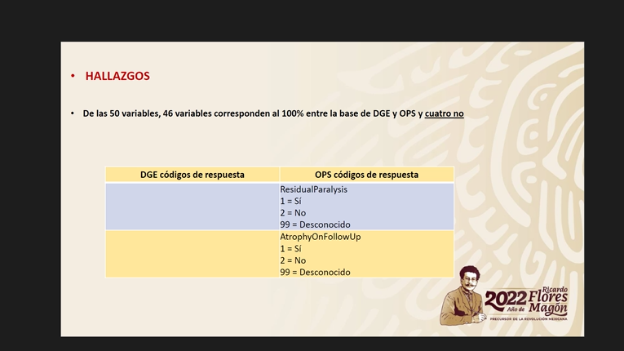
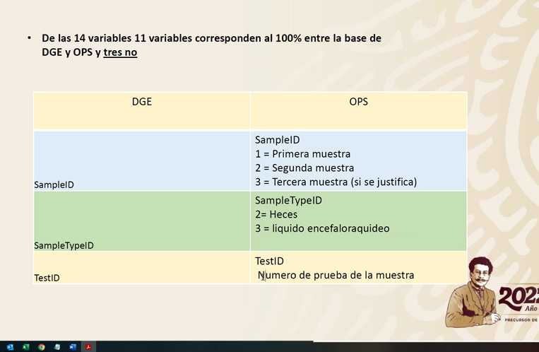
 | AFP-ITD-Enterovirus-NoPolio: Non-polio enterovirus, | Non-polio enterovirus,
 | AFP-ITD-undetermined: Undetermined, | Undetermined,
 | AFP-ITD-Invalid: Invalid, AFP-ITD-MORE_THAN_ONE_TYPE_OF_VIRUS: Virus mixture, | Invalid, |  |  |  |  |  |  |  | Si toman son una muesta
 | AFP-ITD-NoEnterovirus: Other virus (not enterovirus), | Virus mixture,
 | AFP-ITD-NonSabinlike type 1: Non-Sabin-like type 1, | Other virus (not enterovirus), |  |  |  |  |  |  | 1 | SampleID = siempre 1
 | AFP-ITD-NonSabinlike type 3: Non-Sabin-like type 3, | Non-Sabin-like type 1, |  |  |  |  |  |  | 2 | en el nuevo diccionarion esta heces y tejido
 | AFP-ITD-nOPV2: nOPV2, | Non-Sabin-like type 3,
 | AFP-ITD-NotProcessed: Unprocessed, AFP-ITD-PoliovirusType2: Poliovirus type 2, | nOPV2, |  |  |  |  |  |  | 3 | Numero de de prueba debe estar en diccionario para paises.
 | AFP-ITD-Sabinlike type 1discordant: Sabin-like type 1 discordant, | Unprocessed,
 | AFP-ITD-Sabinliketype1: Sabin-like type 1, | Poliovirus type 2,
 | AFP-ITD-Sabinlike type 3-discordant: Sabin-like type 3 discordant, | Sabin-like type 1 discordant,
 | AFP-ITD-Sabinliketype 3: Sabin-like type 3 | Sabin-like type 1,
 |  | Sabin-like type 3 discordant,
 |  | Sabin-like type 3

