AFOR
(REGIONAL LOGO)

Republic of the Philippines
Department of the Interior and Local Government
Bureau of Fire Protection
National Capital Region
Ermin Garcia, Quezon City, Metro Manila
09784263746 / ncr_encoder@bfp.com

AFTER FIRE OPERATIONS REPORT

Please fill out all required fields carefully and double-check your answers before submitting. If a question doesn’t apply, type “N/A.”

A. RESPONSE DETAILS
1 | Type of Responder (select only one)
 |  | First Responder
 | / | Augmenting Team | Team Augment
2 | Date Fire Notification Received (mm-dd-yyyy) |  | 2025-03-23
3 | Time Fire Notification Received (24 hour format) |  | 14:30:00
4 | Region |  | NCR
 | Province/District |  | Metro Manila
 | City/Municipality |  | Caloocan
 | Complete Address of Fire Incident |  | 124, Brgy 179, Caloocan City
5 | Nearest Landmark (if applicable) |  | SM Farview
6 | Name and Contact Number of Caller/Reporter |  | Maria Isabel / 09727482631
7 | Name of Personnel Who Received the Call/Report |  | FO1 Alice Guo
8 | Name of Engine Dispatched |  | E232112-21
 |  |  | E232112-22
 |  |  | N/A
9 | Time Engine Dispatched (24 hour format) |  | 14:31:00
 |  |  | N/A
 |  |  | N/A
10 | Time Arrived at Fire Scene (24 hour format) |  | 14:38:00
 |  |  | N/A
 |  |  | N/A
11 | Total Response Time in Minutes (=10-3) |  | 69
12 | Approximate Distance of Responding Unit to Fire Scene (in kilometer) |  | 67
13 | Highest Alarm Level Tapped |  | Second Alarm
14 | Time Returned to Base (24 hour format) |  | 15:48:00
15 | Total Gas Consumed (in Liter) |  | 67

B. NATURE AND CLASSIFICATION OF INVOLVED
16 | Classification of Involved
 | / | Structural (pick from dropdown list) | Residential
 |  | Non-Structural (pick from dropdown list) | N/A
 |  | Transportation (pick from dropdown list) | N/A
17 | Name of Owner / Name of Establishment |  | Maria Isabel
18 | General Description of Involved (basic construction type, make, built, brand, model of the involved) |  | Concrete
19 | Area of Origin (example: living room, dinning room, kitchen, basement, garage, bedroom and/or vehicle) |  | Kitchen / Cooking Area
20 | Stage of Fire Upon Arrival (pick from dropdown list) |  | Free-burning
21 | Extent of Damage (select only one)
 |  | None/Minor Damage | N/A
 |  | Confined to Object/Vehicle | N/A
 | / | Confined to Room | 100 / 0.3
 |  | Confined to Structure or Property | N/A
 |  | Total Loss | N/A
 |  | Extended Beyond Structure or Property | N/A
22 | Number of Structures Affected |  | 1
23 | Number of Household Affected |  | 2
24 | Number of Families Affected |  | 3
25 | Number of Individuals Affected |  | 4
26 | Number of Vehicles Affected |  | 5

C. ASSETS AND RESOURCES
27 | Response Vehicles (Check all applicable)
 | / | BFP Fire Trucks | 3
 | / | BFP Manned Fire Trucks (LGU Owned) | 1
 | / | Non-BFP Fire Trucks | 40
 | / | BFP Ambulance | 1
 | / | Non-BFP Ambulance | 42
 | / | BFP Rescue Trucks | 43
 | / | Non-BFP Rescue Trucks | 44
 | / | Others, specify | 69
28 | Tools and Equipment (Check all applicable)
 | / | Self-Contained Breathing Apparatus (SCBA) | 4
 | / | Rope | 2
 | / | Ladder | 1
 | / | Hoseline | 3
 | / | Hydrolic Tools & Equipment | 7
 | / | Others, specify | 2
29 | Location and Distance of Nearest serviceable Fire Hydrant |  | 250m

D. FIRE ALARM LEVEL |  |  | (24 hour format) | (mm-dd-yyyy) | (Incident Commander/Ground Commander)
30 | 1ST ALARM-FOUA |  | 14:38:00 | 2026-03-15 | INSP Leo Villanueva (Ground Commander)
 | 1ST ALARM |  | 14:40:00 | 2026-03-15 | INSP Leo Villanueva (Ground Commander)
 | 2ND ALARM |  | 14:45:00 | 2026-03-15 | INSP Leo Villanueva (Ground Commander)
 | 3RD ALARM |  | 15:00:00 | 2026-03-15 | SINSP Mark Santos (Incident Commander)
 | 4TH ALARM |  | 16:00:00 | 2026-03-15 | SINSP Mark Santos (Incident Commander)
 | 5TH ALARM |  | 17:00:00 | 2026-03-16 | SINSP Mark Santos (Incident Commander)
 | TASK FORCE ALPHA |  | 18:00:00 | 2026-03-17 | SINSP Mark Santos (Incident Commander)
 | TASK FORCE BRAVO |  | 19:00:00 | 2026-03-18 | SINSP Mark Santos (Incident Commander)
 | TASK FORCE CHARLIE |  | 20:00:00 | 2026-03-19 | SINSP Mark Santos (Incident Commander)
 | TASK FORCE DELTA |  | 21:00:00 | 2026-03-20 | SINSP Mark Santos (Incident Commander)
 | GENERAL ALARM |  | 22:00:00 | 2026-03-21 | SINSP Mark Santos (Incident Commander)
 | FIRE UNDER CONTROL (FUC) |  | 15:45:00 | 2026-03-15 | SINSP Mark Santos (Incident Commander)
 | FIRE OUT (FO) |  | 16:30:00 | 2026-03-15 | SINSP Mark Santos (Incident Commander)
31 | Incident Command Post (ICP) (select only one)
 | / | With | Specify location of ICP: Corner of Test Blvd and 4th Street (50 meters upwind from the fire scene)
 |  | Without

E. PROFILE OF CASUALTIES |  |  | Male | Female
32 |  | Injured Civilian | 2 | 1
 |  | Injured BFP Firefighter | 1 | 0
 |  | Injured Fire Auxiliary | 0 | 0
 |  | Civilian Fatality/ies | 0 | 0
 |  | BFP Firefighter Fatality/ies | 0 | 0
 |  | Fire Auxiliary Fatality/ies | 0 | 0

F. PERSONNEL-ON-DUTY |  |  | Rank / Name of personnel
33 | Engine Commander |  | SFO1 David Perez
 | Shift-in-Charge |  | SFO2 Michael Torres
 | Nozzleman |  | FO1 John Ramos
 | Lineman |  | FO1 Carlos Dantes
 | Engine Crew |  | FO1 Kevin Lim, FO1 Albert Sy
 | Driver / Pump Operator (DPO) |  | FO2 Robert Ocampo
 | Safety Officer in charge / contact number |  | SFO1 Elena Cruz / 0917-111-2222
 | Fire and Arson Investigator/s in charge / contact number |  | FO3 Sarah Gomez / 0998-765-4321

G. OTHER BFP PERSONNEL AND SIGNIFICANT PERSONALITIES PRESENT AT THE FIRE SCENE |  |  |  | Remarks (Designation, Agency affiliated)
34 | Brgy Capt. Mario Luna |  |  | LGU / Barangay Chairman
 | Brgy Capt. Mario Luna |  |  | LGU / Barangay Chairman
 | Brgy Capt. Mario Luna |  |  | LGU / Barangay Chairman
 | Brgy Capt. Mario Luna |  |  | LGU / Barangay Chairman
 | Brgy Capt. Mario Luna |  |  | LGU / Barangay Chairman
 | Brgy Capt. Mario Luna |  |  | LGU / Barangay Chairman
 | Brgy Capt. Mario Luna |  |  | LGU / Barangay Chairman
 | Brgy Capt. Mario Luna |  |  | LGU / Barangay Chairman
 | Brgy Capt. Mario Luna |  |  | LGU / Barangay Chairman

H. SKETCH OF THE FIRE SCENE (use sketch type and satellite view image)
35 | 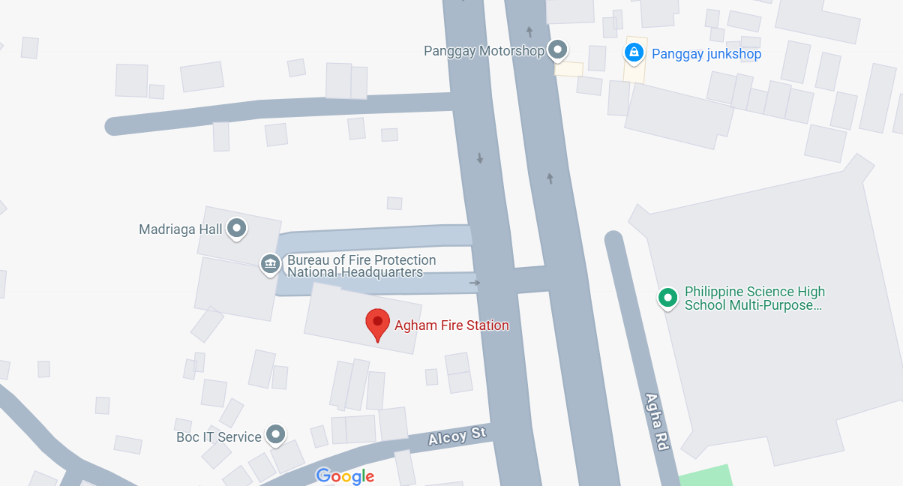 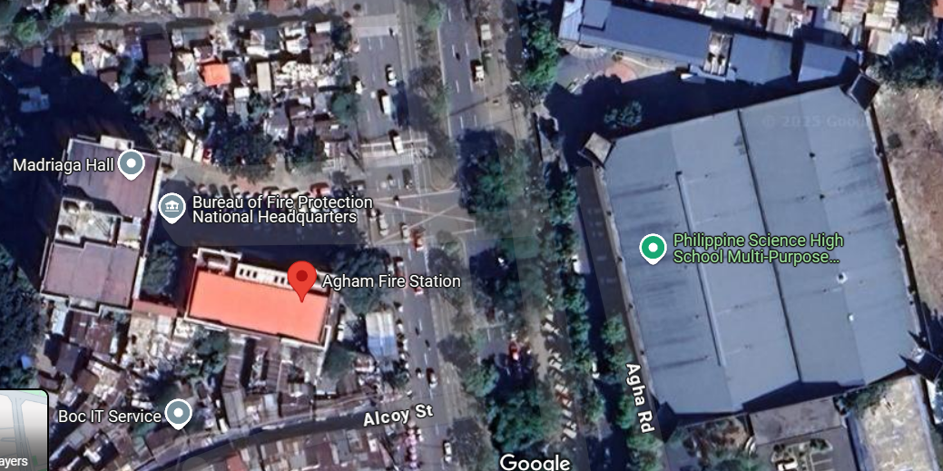

Legend:

BFP
BFP Ambulance
Fire
Incident Command Post

Fire Auxiliary
Other Agency Ambulance
Fire Hydrant

I. NARRATIVE CONTENT (Write in chronological order)
36
 | On or about 1430H of 15 March 2026, FO1 Alice Reyes, Duty Floor Watch, received a call/report from Juan Dela Cruz with CP number 0912-345-6789 regarding a structural fire involving a commercial restaurant at 123 Test Boulevard, Brgy 456, Manila near Plaza Roman.

 | Dispatch of Engine Crew and Augmentation upto arrival at the scene: indicate where the fire truck is located when it was dispatched to fire scene, whether it is conducting OLP, fire drill, stand-by, etc.. Enumerate other fire trucks, assests and resources dispatched. Describe the traffic, road and community condition on route to location, is it rush hour, are there double parking cars, stampede, etc. that caused delay in the response time.

 | Engine 01 was immediately dispatched on or about 1431H while the crew was on stand-by at the Sampaloc Central Fire Station. They were augmented by Engine 02 and Engine 03 shortly after.
 | En route to the place of occurrence, the crew was hampered by heavy mid-afternoon traffic congestion along the main avenue and illegally double-parked vehicles blocking the narrow access street leading into the barangay, which slightly delayed the approach.
 | Emphasize CONDUCT OF PHASES OF FIRE SUPPRESSION OPERATION RESPONSE
 | Arrival at the scene: impression of the incident, classification of involved, stage of fire, extent of damage, scene size-up, safety and security concerns, possibility of raising alarm status due to population number, presence of hazmat, insufficiency of manpower, fire engine, tools, equipment and other resources.

 | The (name of fire engine or other resources) arrived at the scene on or about (time). Total response time is (time in minutes).
 | Upon arrival at the scene, the fire is already in fully developed stage, it already engulped the whole structure and neigbors are already exposed to smoke.
 | Upon scene size-up, (Name of SO), Safety Officer, declared that entering the building is no longer safe and sound.
 | The team was informed that there are no trapped individual/ pet inside.

 | Operational Details: enumerate alarm status raised and the Ground Commander in-charge until fire out. Include the time of overhauling stage until engines left the scene.

 | On or about (time), (Name) Shift-in-Charge, declared 1st Alarm. On or about (time), (Name) Chief, Operations, declared 2nd Alarm.
 | On or about (time), (Name) City Fire Marshal, declared 3rd Alarm. On or about (time), (Name) City Fire Marshal, declared under control.
 | Finally, on or about (time), (Name) City Fire Marshal, declared fire out. The crew finished overhauling on or about (time).
 | The (name fire engine or other resources) is in quarter on or about (time).

 | Casualty: If there are injured victims indicate the total number and identify whether civilian, BFP or Fire Auxiliary. State the name, gender, age, condition if there are, the nature of their injuries, or the cause of death if available. If there are fatalities, indicate whether they are trapped and why they are trapped inside if information is available.

 | There were no reported casualty during the operation.

 | Other significant facts/events: The local barangay officials, led by Brgy Capt. Mario Luna, provided crucial assistance in establishing a safe perimeter, managing the panicked crowd, and clearing the illegally parked vehicles to allow augmenting fire trucks to enter the fire scene.

J. PROBLEMS ENCOUNTERED (before, during and after fire operations) / (chek all applicable)
37 | / | Inaccurate address / no landmarks especially in provinces resulting to difficulty in finding the involved
 | / | Geographically challenged (distance of fire station to community: mountainous, inter-island and the like)
 | / | Road conditions (double parking, narrow obstructed streets, rough roads, traffic lights malfunction, congested U-turn slots, merging roads, influx of pedestrians from places of assembly especially during rush hours , multiple humps, steep roads, open man holes/sewer, ambulant vendors obstruction, overhanging trees/branches, overhanging canopy of houses, dangling wires and the like)
 | / | Road under construction / under repair
 | / | Traffic congestion
 | / | Road accidents
 | / | Vehicles failure to yield
 | / | Natural Disasters / Natural Phenomenon (Floodings / landslides, earthquakes others)
 | / | Civil Disturbance (Riots/Rallies)
 | / | Uncooperative / panicked residents
 | / | Safety and security threats (insurgents/terrorist/violent residents)
 | / | Response delays due to lack of cooperation from property security and/or owner (ex. PEZA)
 | / | Engine failure / mechanical problems while enroute
 | / | Uncooperative Fire Auxiliary
 | / | Poor water supply access
 | / | Intense heat and smoke during firefighting operation
 | / | Structural hazards (building collapse, electrical hazard, falling debris)
 | / | Equipment mulfunction (faulty hoses, overheating or any mechanical issues of fire trucks or pumps)
 | / | Lack of coordination with other emergency response teams (police, medics etc)
 | / | Breakdown in radio communication due to distance, building structures, or system failure
 | / | HazMat (contamination, chemical leaks etc)
 | / | Physical exhaustion and injuries
 | / | Emotional and psychological effects
 | / | Community complaints against responders
 | / | Others, specify

K. RECOMMENDATION/S
38 | Conduct further fire safety inspections for commercial kitchens in the area. Recommend the barangay to implement stricter roadside parking rules to prevent traffic congestion during emergency responses. Hello world it's me Gwen

L. DISPOSITION
39 | As of this date, no complaint has been filed against this Fire Station in relation to the fire suppression operation conducted. The scene is turned over to the Intelligence and Investigation Unit for final cause determination.

 | Prepared by: | SFO1 David Cuenco |  | Noted by: | SINSP Mark Sarkson

 | Shift-in-Charge |  |  | Engine Company Commander

