RISK MATRIX
Count of Risk ID | Column Labels
Row Labels | High | Medium | Grand Total
High | 1 | 1 | 2
Low | 4 | 1 | 5
RISK MATRIX
Medium | 4 | 4 | 8
Grand Total | 9 | 6 | 15

BUDGET SUMMARY
BUDGET SUMMARY
Row Labels | Sum of Planned Budget | Sum of Actual Budget
Communication | 2500 | 2000
Contingency | 5000 | 0
Deployment | 7000 | 2000
Design | 10000 | 10500
Development | 30000 | 28000
Documentation | 3000 | 2500
Equipment | 7000 | 7000
Infrastructure | 15000 | 12000
Legal & Compliance | 3000 | 3000
Maintenance | 12000 | 5000
Marketing | 8000 | 5000
Planning | 5000 | 4800
Quality Assurance | 6000 | 4000
Risk Management | 2000 | 1000
Security | 4500 | 3000
Software Licenses | 9000 | 8500
Support Services | 5000 | 4500
Testing | 8000 | 3000
User Training | 4000 | 0
Vendor Management | 4000 | 3500
Grand Total | 150000 | 109300

ACTUAL HOURS
Row Labels | Sum of Actual Hours | Sum of Estimated Hours
Alice | 796 | 846
Bob | 693 | 746
Charlie | 872 | 936
ACTUAL HOURS VS ESTIMATED HOURS
Diana | 645 | 685
Edward | 726 | 758
Fiona | 755 | 821
George | 731 | 786
Grand Total | 5218 | 5578

TASK PROGRESS
Row Labels | Average of Progress %
High | 68
Low | 43
Medium | 46
TASK PROGRESS BY PRIORITY
Grand Total | 50

TASK STATUS
Count of Task ID | Column Labels
Row Labels | Completed | In Progress | Not Started | Grand Total
Alice | 5 | 4 | 9 | 18
TASK STATUS BY OWNER
 | Completed | In Progress | Not Started
Alice | 5 | 4 | 9
Bob | 8 | 2 | 7
Charlie | 4 | 1 | 12
Diana | 10 | 1 | 6
Edward | 9 | 1 | 7
Fiona | 9 | 4 | 4
George | 8 |  | 9
Bob | 8 | 2 | 7 | 17
Charlie | 4 | 1 | 12 | 17
Diana | 10 | 1 | 6 | 17
Edward | 9 | 1 | 7 | 17
Fiona | 9 | 4 | 4 | 17
George | 8 |  | 9 | 17
Grand Total | 53 | 13 | 54 | 120

DASHBOARD
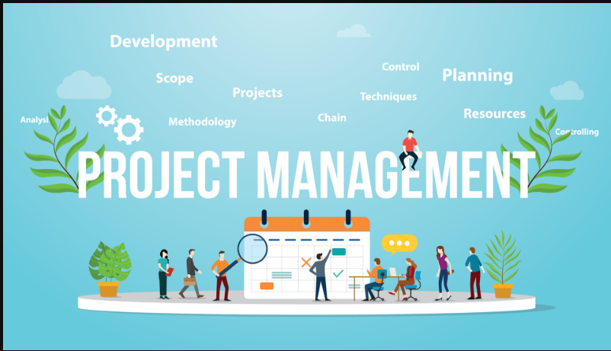
PROJECT MANAGEMENT DASHBOARD

RISK MATRIX
 | High | Medium
High | 1 | 1
Low | 4 | 1
Medium | 4 | 4

TASK PROGRESS BY PRIORITY
 | Total
High | 68
Low | 43
Medium | 46
BUDGET SUMMARY
 | Sum of Planned Budget | Sum of Actual Budget
Communication | 2500 | 2000
Contingency | 5000 | 0
Deployment | 7000 | 2000
Design | 10000 | 10500
Development | 30000 | 28000
Documentation | 3000 | 2500
Equipment | 7000 | 7000
Infrastructure | 15000 | 12000
Legal & Compliance | 3000 | 3000
Maintenance | 12000 | 5000
Marketing | 8000 | 5000
Planning | 5000 | 4800
Quality Assurance | 6000 | 4000
Risk Management | 2000 | 1000
Security | 4500 | 3000
Software Licenses | 9000 | 8500
Support Services | 5000 | 4500
Testing | 8000 | 3000
User Training | 4000 | 0
Vendor Management | 4000 | 3500
Recommendations:
1. Prioritize completing the Testing & Deployment phases on time.
2. Allocate more resources to the "Development" task (currently 60% complete).
3. Risks with High Impact & High Likelihood should be reviewed weekly.
Budget Notes:
1. Testing and Deployment are underutilizing their planned budgets.
2.Consider reallocating unused funds from Planning.

TASK STATUS BY OWNER
 | Completed | In Progress | Not Started
Alice | 5 | 4 | 9
Bob | 8 | 2 | 7
Charlie | 4 | 1 | 12
Diana | 10 | 1 | 6
Edward | 9 | 1 | 7
Fiona | 9 | 4 | 4
George | 8 |  | 9
ACTUAL HOURS VS ESTIMATED HOURS
 | Sum of Actual Hours | Sum of Estimated Hours
Alice | 796 | 846
Bob | 693 | 746
Charlie | 872 | 936
Diana | 645 | 685
Edward | 726 | 758
Fiona | 755 | 821
George | 731 | 786

