Intellian V60GX - Maritime
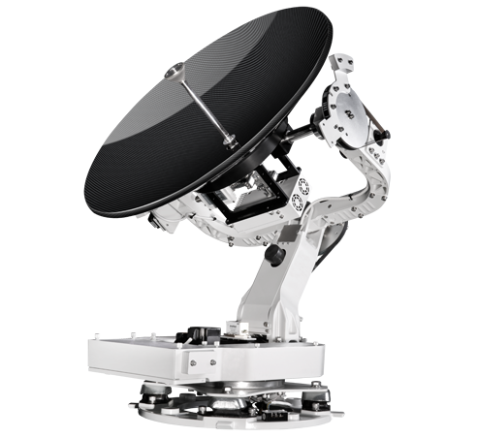
Distance | Electric Field Strength | Far Field Power Density | Parameters
m | V/m | mW/cm2
25.35 | 73.212066192 | 1.5198621966 | Name | Value | Unit
50.7 | 36.606033096 | 0.37996554916 | Tx Power | 5 | Watts
101.4 | 18.303016548 | 0.09499138729 | Tx Gain | 43.9 | dBi
202.8 | 9.151508274 | 0.023747846822 | EIRP | 50.6 | dbW
405.6 | 4.575754137 | 0.0059369617056 | Tx Frequency | 30 | GHz
811.2 | 2.2878770685 | 0.0014842404264 | Antenna Size | 0.65 | m
1622.4 | 1.1439385342 | 0.0003710601066 | Wavelength | 0.01 | m
3244.8 | 0.57196926712 | 9.276502665E-05 | Gain Factor | 24547.089157 | m
6489.6 | 0.28598463356 | 2.3191256663E-05
12979.2 | 0.14299231678 | 5.7978141656E-06

 |  |  | Near Field | 10.5625 | m
 |  |  | Far Field | 25.35 | m

mW/cm2

KuStream 1500 - Aviation
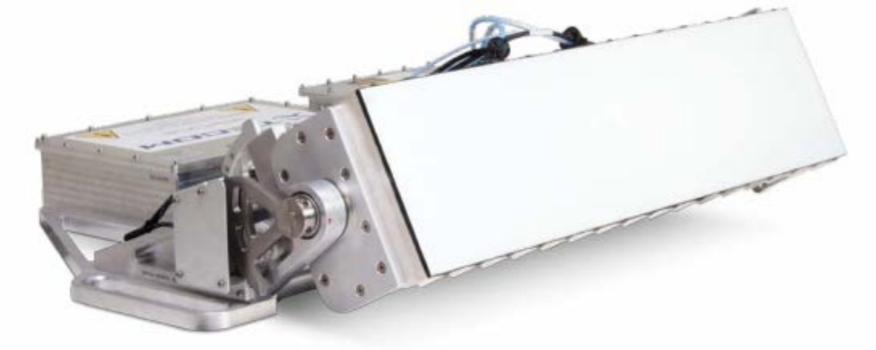
Distance | Electric Field Strength | Far Field Power Density | Parameters
m | V/m | mW/cm2
12.04125 | 79.047666509 | 1.6591891947 | Name | Value | Unit
24.0825 | 39.523833255 | 0.41479729869 | Tx Power | 17 | Watts
48.165 | 19.761916627 | 0.10369932467 | Tx Gain | 32.5 | dBi
96.33 | 9.8809583137 | 0.025924831168 | EIRP | 44.8 | dbW
192.66 | 4.9404791568 | 0.006481207792 | Tx Frequency | 14.25 | GHz
385.32 | 2.4702395784 | 0.001620301948 | Antenna Size | 0.65 | m
770.64 | 1.2351197892 | 0.000405075487 | Wavelength | 0.021052631579 | m
1541.28 | 0.61755989461 | 0.00010126887175 | Gain Factor | 1778.27941 | m
3082.56 | 0.3087799473 | 2.5317217937E-05
6165.12 | 0.15438997365 | 6.3293044844E-06

 |  |  | Near Field | 5.0171875 | m
 |  |  | Far Field | 12.04125 | m

mW/cm2

KuStream 5000 - Aviation

Distance | Electric Field Strength | Far Field Power Density | Parameters
m | V/m | mW/cm2
2.4389 | 474.64251185 | 68.688429314 | Name | Value | Unit
4.8778 | 237.32125593 | 17.172107328 | Tx Power | 43.7 | Watts
9.7556 | 118.66062796 | 4.2930268321 | Tx Gain | 30.7 | dBi
19.5112 | 59.330313982 | 1.073256708 | EIRP | 46.5 | dbW
39.0224 | 29.665156991 | 0.26831417701 | Tx Frequency | 14.5 | GHz
78.0448 | 14.832578495 | 0.067078544252 | Antenna Size | 0.29 | m
156.0896 | 7.4162892477 | 0.016769636063 | Wavelength | 0.020689655172 | m
312.1792 | 3.7081446239 | 0.0041924090157 | Gain Factor | 1174.8975549 | m
624.3584 | 1.8540723119 | 0.0010481022539
1248.7168 | 0.92703615596 | 0.00026202556348

 |  |  | Near Field | 1.0162083333 | m
 |  |  | Far Field | 2.4389 | m

mW/cm2

