Sheet1
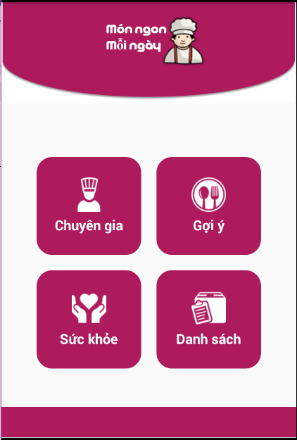
# | REQ ID | TC ID | Title | Estimation (mins) | Test Type | Area | Procedure / Steps | Expected Results | Priority | Change TC | Author | Remark
Home

 |  | 1 | check size, color,lengthy, wide upper form | 1 | Feature Testing | Home | Runs on many screen sizes | display by design | LOW
 |  | 2 | check form word | 0.5 | Feature Testing | Home | Runs on many screen sizes | The standard display design | NORMAL
 |  | 3 | iteam shoe | 1 | Feature Testing | Home | Click on a product image on the home screen | display the image in the product information | LOW
 |  | 4 | Image image "Chuyên gia" | 1 | Feature Testing | Home | Click image buttun "chuyên gia" | move to screen 'Chuyên gia' | LOW
 |  | 5 | Image image "Gợi ý" | 1 | Feature Testing | Home | Click image buttun "Gợi ý" | move to screen 'Gợi ý' | LOW
 |  | 6 | Image image "Sức khỏe" | 1 | Feature Testing | Home | Click image buttun "Sức khỏe" | move to screen "Sức khỏe" | NORMAL
 |  | 7 | Image image "Danh sách" | 1 | Feature Testing | Home | Click image buttun "Danh sách" | move to screen "Danh sách " | NORMAL
 |  | 12 | rotate the screen | 0.5 | Feature Testing | Home | 1.in the cart 2.check item total money | total money present total is "0" | NORMAL
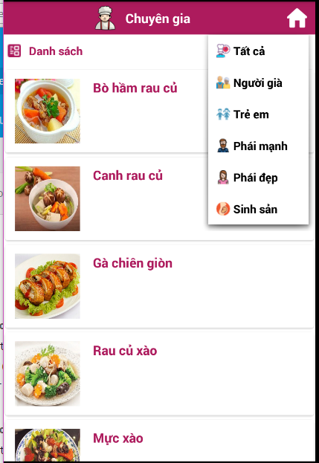
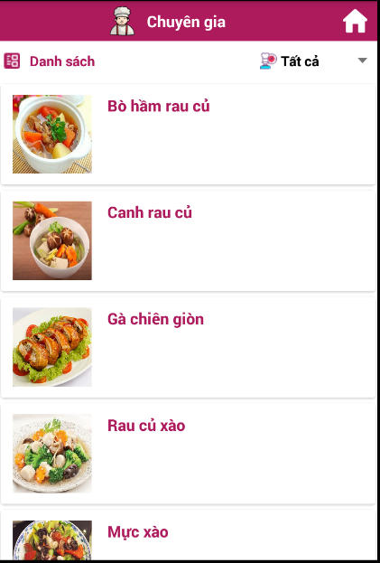
expert screen
 |  | 16 | check size, color,lengthy, wide uppe form | 1 | Feature Testing | expert screen | Runs on many screen sizes | display by design | LOW
 |  | 17 | check form word | 0.5 | Feature Testing | expert screen | Runs on many screen sizes | The standard display design | NORMAL
 |  | 18 | check buttun size | 2 | Feature Testing | expert screen | 1. click into buttun choose size | Now select size | NORMAL
 |  | 19 | check image view | 2 | Feature Testing | expert screen | 1. show image view | scale size ratio, lookable shape | NORMAL
 |  | 20 | check listview | 1 | Feature Testing | expert screen | 1.click text view dish | Switch to the details screen of the dish | NORMAL
 |  | 21 | check listview | 1 | Feature Testing | expert screen | Drag the list view to the bottom of the screen | show image view and text view | NORMAL
 |  | 22 | check spinner | 1 | Feature Testing | expert screen | click spinner | show items | NORMAL
 |  | 23 | check "người già " items inside spinner | 1 | Feature Testing | expert screen | 1.click spinner 2.click "người già" | list view show image view dishes for the elderly | NORMAL
 |  | 24 | check "trẻ em " items inside spinner | 1 | Feature Testing | expert screen | 1.click spinner 2.click "trẻ em" | list view show image view dishes for children | NORMAL
 |  | 25 | check "phái mạnh " items inside spinner | 1 | Feature Testing | expert screen | 1.click spinner 2.click "phái mạnh" | list view show image view dishes for men | NORMAL
 |  | 26 | check "phái đẹp" items inside spinner | 1 | Feature Testing | expert screen | 1.click spinner 2.click "phái đẹp" | list view show image view dishes for woment | NORMAL
 |  | 27 | check "sinh sản " items inside spinner | 1 | Feature Testing | expert screen | 1.click spinner 2.click "sinh sản" | list view show image view dishes for reproduction | NORMAL
 |  | 28 | check icon "Home" | 1 | Feature Testing | expert screen | 1.click icon "Home" | return home screen | NORMAL
 |  | 29 | check image view dish "trẻ em " items inside spinner | 1 | Feature Testing | expert screen | 1.click spinner 2.click "trẻ em" 3.click image view | Switch to the details screen of the dish | NORMAL
 |  | 30 | check image view dish "người già " items inside spinner | 1 | Feature Testing | expert screen | 1.click spinner 2.click "người già" 3.click image view | Switch to the details screen of the dish | NORMAL
 |  | 31 | check image view dish "phái mạnh " items inside spinner | 1 | Feature Testing | expert screen | 1.click spinner 2.click "phái mạnh" 3.click image view | Switch to the details screen of the dish | NORMAL
 |  | 32 | check image view dish "phái đẹp " items inside spinner | 1 | Feature Testing | expert screen | 1.click spinner 2.click "phái đẹp" 3.click image view | Switch to the details screen of the dish | NORMAL
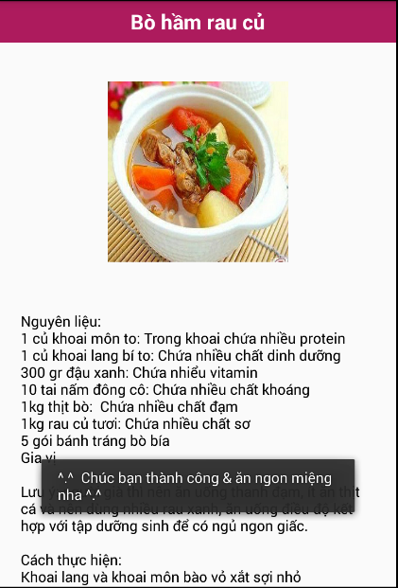
 |  | 33 | check image view dish "sinh sản " items inside spinner | 1 | Feature Testing | expert screen | 1.click spinner 2.click "sinh sản" 3.click image view | Switch to the details screen of the dish | NORMAL
detail screen
 |  | 34 | check size, color,lengthy, wide upper form | 1 | Feature Testing | detail screen | Runs on many screen sizes | display by design | LOW
 |  | 35 | check position of letter form | 1 | Feature Testing | detail screen | Runs on many screen sizes | display by design | NORMAL
 |  | 36 | check image view | 1 | Feature Testing | detail screen | 1.click image view inside list view 2. check image view inside list view | The image matches the image in the list view | NORMAL
 |  | 37 | check Action bar name of the dish | 1 | Feature Testing | detail screen | 1.click image view inside list view 2.check action bar name of the dish | name of the dish true to name of the dish text view | NORMAL
 |  | 38 | check icon back | 1 | Feature Testing | detail screen | click icon back | go back to the previous screen | LOW
 |  | 39 | check toast "chúc bạn thành công và ăn ngon miệng nha !" | 1 | Feature Testing | detail screen | 1.click image view inside list view 2.check action bar name of the dish | appear toast "chúc bạn thành công và ăn ngon miệng nha !" | NORMAL
list screen
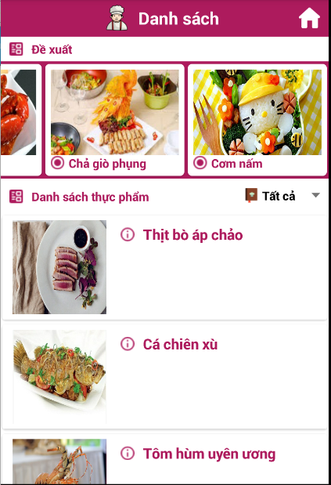
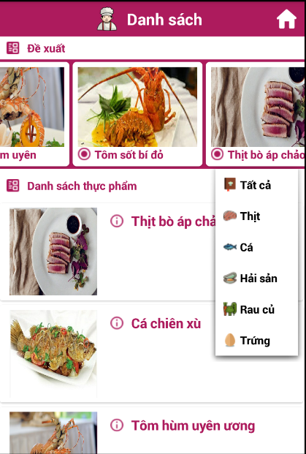
 |  | 40 | check size, color,lengthy, wide uppe form | 1 | Feature Testing | list screen | Runs on many screen sizes | display by design | LOW
 |  | 41 | check form word | 0.5 | Feature Testing | list screen | Runs on many screen sizes | The standard display design | NORMAL
 |  | 42 | check buttun size | 2 | Feature Testing | list screen | 1. click into buttun choose size | Now select size | NORMAL
 |  | 43 | check image view | 2 | Feature Testing | list screen | 1. show image view | scale size ratio, lookable shape | NORMAL
 |  | 44 | check listview | 1 | Feature Testing | list screen | 1.click text view dish | Switch to the details screen of the dish | NORMAL
 |  | 45 | check listview | 1 | Feature Testing | list screen | Drag the list view to the bottom of the screen | show image view and text view | NORMAL
 |  | 46 | check spinner | 1 | Feature Testing | list screen | click spinner | show items | NORMAL
 |  | 47 | check "thịt " items inside spinner | 1 | Feature Testing | list screen | 1.click spinner 2.click "thịt" | list view show image view dishes for the meat | NORMAL
 |  | 48 | check "cá " items inside spinner | 1 | Feature Testing | list screen | 1.click spinner 2.click "cá" | list view show image view dishes for fish | NORMAL
 |  | 49 | check "rau củ" items inside spinner | 1 | Feature Testing | list screen | 1.click spinner 2.click "rau củ" | list view show image view dishes for vegetables | NORMAL
 |  | 50 | check "trứng" items inside spinner | 1 | Feature Testing | list screen | 1.click spinner 2.click "trứng" | list view show image view dishes for egg | NORMAL
 |  | 51 | check "hải sản" items inside spinner | 1 | Feature Testing | list screen | 1.click spinner 2.click "hải sản" | list view show image view dishes for seafood | NORMAL
 |  | 52 | check icon "Home" | 1 | Feature Testing | list screen | 1.click icon "Home" | return home screen | NORMAL
 |  | 53 | check image view dish "thịt " items inside spinner | 1 | Feature Testing | list screen | 1.click spinner 2.click "thịt" 3.click image view | Switch to the details screen of the dish | NORMAL
 |  | 54 | check image view dish "cá " items inside spinner | 1 | Feature Testing | list screen | 1.click spinner 2.click "cá" 3.click image view | Switch to the details screen of the dish | NORMAL
 |  | 55 | check image view dish "rau củ " items inside spinner | 1 | Feature Testing | list screen | 1.click spinner 2.click "rau củ" 3.click image view | Switch to the details screen of the dish | NORMAL
 |  | 56 | check image view dish "trứng " items inside spinner | 1 | Feature Testing | list screen | 1.click spinner 2.click "trứng" 3.click image view | Switch to the details screen of the dish | NORMAL
#NAME? |  | 57 | check image view dish "sinh sản " items inside spinner | 1 | Feature Testing | list screen | 1.click spinner 2.click "hải sản" 3.click image view | Switch to the details screen of the dish | NORMAL
#NAME? |  | 58 | check Recycle view | 1 | Feature Testing | list screen | 1.click image recycle | Switch to the details screen of the dish | NORMAL
 |  | 59 | check icon Setting | 1 | Feature Testing | list screen | 1.click icon Setting | switch to the settings screen | NORMAL
 |  | 60 | check icon action bar | 1 | Feature Testing | list screen | 1.click image "danh sách" 2.check text view and incon action bar | appears screen list true text view "danh sách" | NORMAL

