UNITS
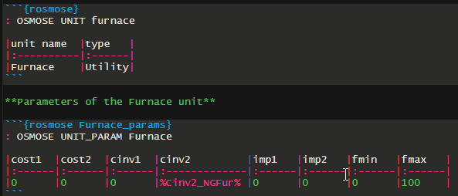
unit name | type | cost1 | cost2 | cinv1 | cinv2 | imp1 | imp2 | fmin | fmax
Pasteurization | Process | 0 | 0 | 0 | 0 | 0 | 0 | 1 | 1
Evaporation | Process | 0 | 0 | 0 | 0 | 0 | 0 | 1 | 1
Cheeseprod | Process | 0 | 0 | 0 | 0 | 0 | 0 | 1 | 1
Cleaning | Process | 0 | 0 | 0 | 0 | 0 | 0 | 1 | 1
Biodigestion | Utility | 0 | 0 | 0 | 0 | 0 | 0 | 0 | 1

