Info
 | BluePages Interface v14.0.11 - for Win Office 32-bit or 64-bit mode
 | Author: Gisbert Kruesemann Disclaimer: use at your own risk!
 | Goto https://w3-connections.ibm.com/files/app#/file/218ebfbc-d251-4deb-b901-38da6b5ae00d for the latest version

Support: | No official support

Information: | Brief Instructions for Basic Operations
 | Open the PeopleSearch worksheet - Make sure macros are enabled!
 | In the Search Criteria column, insert the search criteria for all the employees you want to search for (See: What Can I Search By)
 | Each new row in the Search Criteria column will conduct a new search
 | Choose which fields you would like to be returned from the BluePages Output area (the yellow part of the screen)
 | Click Full BP (or Quick BP). Alternatively use the "BPTool" MenuTab
 | For each row, this tool will search BluePages for the Search Criteria and return the requested data in the BluePages Output Area

Information: | Diagram of Tool

4. The "BP Tool" Tab provides access to the full set of Commands
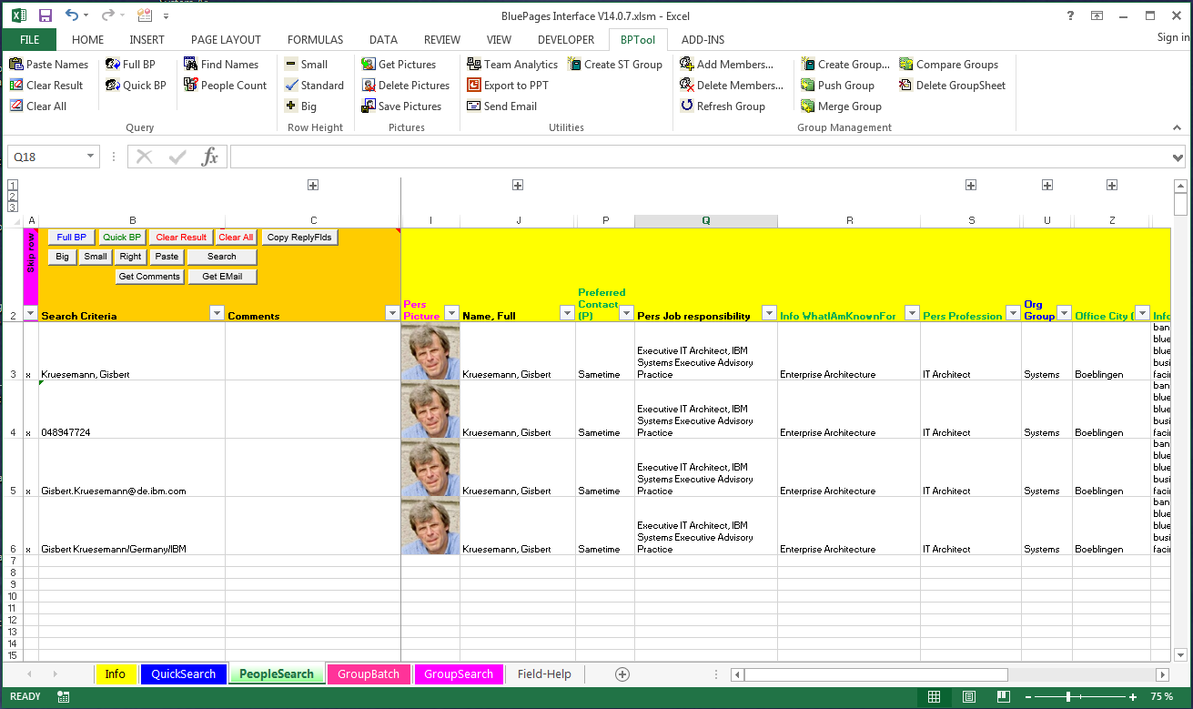

3. CommandButtons
positioned on the sheet, provide access to the most frequently used commands

2. Field Selections
Choose which fields you would like to be returned from the BluePages Output area (the columns with yellow headers).
You can do this by first selecting a header cell, then clicking the 2nd small arrow to the right of each column (the 1st small arrow is for autofilter) and selecting which field you would like returned.
More information on what a field means can be found in the "Field-Help" sheet.

1. Search Criteria column
Insert the search criteria for all employee you want to search for (See: What Can I Search By)

5. BluePages Output Area
For each row, this tool will search BluePages for the Search Criteria and return the requested data in the BluePages Output Area

 | What can I search by?
(Single) People Searches | can be done from "QuickSearch" or "PeopleSearch" sheets using a variety of Search Criteria. The tool scans column B top-down for search strings until an empty cell is found. Pressing the Full BP button then performs a separate BluePages query for each row. Quick BP uses Bulk LDAP queries for multiple rows at a time. Valid Search Types are:
o | search by Name (format: "LastName, FirstName" or part thereof)
o | search by NotesID or ShortNotesID (or part thereof)
o | search by Internet e-mail (or part thereof)
o | search by Serialnumber (6 characters): since the Serial number is country specific, more than one match can occur.
o | search by "CNUM" = unique identifier: Serial Number concatenated with Country code (9 characters: "SSSSSSCCC")
 | Each row can have a different search argument, i.e. require a different search type: the tool recognizes the search argument format and guesses the proper type of query.
(Advanced) Group Searches | are executed from the "GroupSearch" sheet and are used to create lists of people from a single search argument (group name, department name, manager name, etc.) As an alternative, you can run multiple Group Searches (of the same type) as a Batch from the "GroupBatch" sheet. Each Group Search will add a new WorkSheet containing the results of the query. On the GroupBatch sheet, you can also force the output from Multiple Searches into one Sheet ("Output = Multi"). Valid Query Types are:
"BLUEGRP" | import the current members of one or more BlueGroup(s) into a new sheet; use trailing "*" to find all groups that start with the given search string
"PGMGRP" | import the current members of one or more PGM (Public Group Manager) group(s) into a new sheet; use trailing "*" to find all groups that start with the given search string (useful for nested groups)
"PDLGRP" | import the current members of one or more PDL (Public Distribution List) group(s) into a new sheet; use trailing "*" to find all groups that start with the given search string (useful for nested groups)
"NOTESGRP" | import the current members of one or more private Notes-Groups (local "names.nsf"); use trailing "*" to find all groups that start with the given search string (useful for nested groups)
"IRAMGRP" | import the current members of one or more UserGroups for a specific iRAM Community; you have to be an admin of this community and provide the iRAM Community ID to perform this search
"ALLCOMM" | import the current members of one or more public "IBM Connections" Communities; use trailing "*" to find all Communities that start with the given search string
"MYCOMM" | import the current members of one or more "IBM Connections" Communities that you are a member of; use trailing "*" to find all Communities that start with the given search string For ALLCOMM/MYCOMM communities, a daterange may be specified to only retrieve members who joined during this given daterange. The default daterange is "all" to retrieve the full member list.
"IRAMSTAT" | import a list of all people having "used" (=download or open in browser) a particular iRAM asset. Either use the asset ID ("{nnnnnnnn-nnnn-...}" or a (partial) asset name - trailing "*" signals wildcard The default daterange is "week", but can be changed to anything using a variety of formats, e.g. "month", "year", "<fromdate> to <todate>", "1Q 2012", "2H10", "FY2011", "YTD", "QTD", etc.
"DEPT" | list all members of a given department; can be specified as DEPT (department ID) or DIV+DEPT (2 characters specifying the division, the "+" sign, followed by the department ID)
"MGRS" | list the BluePages manager-chain for a given person or department
"1L-MGRS" | list all BluePages 1st-level managers under a certain person. Caution: if you start with a high-ranking manager, this may cause quite some load onto the Enterprise Directory and Network
"REPORTS" | list the BluePages reports for a given person, can optionally traverse the hierarchy down to a maximum of 4 levels
"GLLDRS" | list the functional ("Global Extended Team") Hierarchy for a given person or department
"GLTEAM" | list the functional ("Global Extended Team") Team Reports for a given person, can optionally traverse the hierarchy down to a maximum of 4 levels
 | For MGRS, 1L-MGRS, REPORTS, GLLDRS and GLTEAM, the search arguments can be a Name, Notes-ID, Internet email, Serial or CNUM; for MGRS and GLLDRS it can also be a department ID.
 | These all point to a person entry on BluePages (for departments: the department manager) which will be used as the reference.
 | What Commands are available?
For People Searches: | (available buttons may vary between "QuickSearch", "PeopleSearch" and those sheets that result from a group search)
Clear Result | clear all result cells (i.e. those in a column with a yellow header). Your input in the leftmost columns will remain untouched
Clear All | clear everything except the header row
Full BP (Search) | perform a search on all active rows; an active row starts with an empty cell, i.e. is not marked in the "Skip Row" column (column A); marking a row in column A prevents refreshing this row
Quick BP (Search) | Like Full BP, but searches multiple rows at the same time. Unlike Full BP, no implicit wildcards are used, i.e. you have to add a trailing asterisk ("*") if your search argument is incomplete. Much(!) faster than Full BP...IFF you avoid using wildcards AND if only attributes from Enterprise Directory are retrieved (black or blue). Non-ED attributes (pink) always require a row-by-row search
Create Group | copy all selected fields (ideally: valid NotesIDs or Internet e-mail IDs :-) as members into a local Notes-Group (local "names.nsf"); allows for easy creation of distribution lists
TeamAnalytics | call the TeamAnalytics Intranet application, passing all selected names (again: ideally these are valid NotesIDs or Internet e-mail IDs :-)
Send Email | send e-mail to selected names: brings up dialog to select a mail "stationery", then drafts the e-mail and opens the mail editor for manual completion and sending
Paste | paste the content of the clipboard as a list of search arguments into column B starting at the active cell (if a cell in column B is active), otherwise starts with the first input cell (B3); if the clipboard contains multiple search arguments separated by comma or semicolon, these will be put into separate rows (useful if copying e.g. Notes-IDs from the "To:" or "CC:" field of a notes mail)
Get Email | analyzes all mail items in a Notes Mail Folder (selection dialog, multiple selections possible), creates one new row for each note by adding the senders' IDs to search column B. Additional fields will be populated based on relevant visible(!) keywords in the header row (e.g. "Subject", "DateTime", "CopyTo" = CC: list, "SendTo" = To: list, "Summary" = first 512 bytes of non-blank body text)
Big / Small / Right | just format the row hight differently, no changes to cell contents; most useful if you have pictures included in your result
Get Pics / Del Pics | if pictures are included in the result fields, the pictures can be deleted (to avoid blowing up the file) and "re-established"; makes use of the optional picture cache (default = use "C:\Temp\Pics")
Create Album | for each selected field, copy picture of person plus selected text (= picture caption) into a Powerpoint Slide
RefreshGroup | refreshes the data on a sheet generated from a GroupSearch
Count Unique | On a sheet generated from a GroupSearch, counts the number of group members - for individual groups, if appropriate
AddMbrs | Adds the selected names to a BLUEGRP, NOTESGRP, PDLGRP or PGMGRP. The target group must have been loaded first using GroupSearch. HomeDomain is used for PDL and PGM groups
DelMbrs | Deletes the selected names from a BLUEGRP, NOTESGRP, PDLGRP or PGMGRP. Again, the target group must have been loaded first using GroupSearch. HomeDomain used for PDL/PGM groups
Copy ReplyFlds | Copy over the Selection of Reply Fields from another workbook. This function will search for a sheet with the same name in a workbook of your choice and use the Reply Fields from there
For Group Searches: | (you can keep a list of "favorites" = search argument / search type pairs; you can also change the template used for all group searches to match your current "PeopleSearch" layout)
Get Group | execute the active query (as selected in Cell M4); for some queries, only the member names will be loaded; the BluePages search will have to be separately done from the resulting Group Sheet. GroupBatch queries are initiated by clicking the Hyperlink for each defined GroupBatch (Top left cell)
Update Group Template | copy the current "PeopleSearch" layout into the Group Sheets template
Push Group | replace the members of Target Group with the members of Source Group. Opens a dialog which allows to specify the source group and target group name, type and location*
Merge Group | merge the members of Source Group with those of Target Group. Write result to Target Group. Opens a dialog which allows to specify the source group and target group name, type and location*
Compare Groups | find any differences in membership between Source Group and Target Group. Opens a dialog which allows to specify the source group and target group name, type and location*
* | Push, Merge, Compare are only available via the BP Tool CommandBar or MenuBar and only work for BlueGroups and Notes-based Groups (PGM, PDL, private NotesGroups). Both Source and Target Group must exist prior to executing the commands - i.e. you cannot create a group by "pushing" another group to it. In selecting the source and target group, you may refer to a group in your spreadsheet (location = "thisFile") or the original group on the BlueGroup Server or Notes-Server (location = "Server")
For Group Batch Searches: | (combine multiple GroupSearches of the same Type into one big batch run. Direct Output to either single result sheets per each query or combine all results from one batch run into one output sheet)
(Execute Group Batch) | Valid Group Batches can be executed by clicking the green HotSpots in the top row. To be valid, a Group Batch name and the Group Batch Type have to be given.
(Create new Query) | Clicking the last green Hotspot in the top row ("NewQuery") will add a new Group Batch structure to the sheet.

Right Click Menu: | A few additional commands are offered via the context menu for selected cells. All of these commands will actually link to a WebSite or another tool outside of Excel, passing selected data as an argument. To view the available commands, select either a single cell and press and hold the right mouse button. Commands with an * below also work if multiple cells are selected while right-clicking.
Find People… | Offers a choice of different, popular Directory Lookup functions. Depending on the type of data in the selected cells (Name, e-mail, phone number, etc.) some lookup functions may not be available
Show BluePages | Search the standard BluePages Application for the selected text. Only offered if a single cell is selected.
Show BluePages on TAP | New and improved BluePages experience as part of the Unified Profile initiative. Can search for nearly anything. Function only offered if a single cell is selected.
Show Connections Profile | Searches IBM Connections Profiles for the content of the selected cell. Connections Profiles is targeted as the strategic replacement for the BluePages Web Application
Show SmartPages * | Very fast and powerful Directory Lookup based on an optimized BluePages DB. The site is provided by the European Business Solutions Center. Accepts multiple cell selections.
Show Fastlist * | Try this option: takes a while for initial load, but then it is fast and can look up multiple people (multiple selected cells) in one go. Requires MS Internet Explorer on your PC.
Show Organisation… | Offers a choice of different, popular Org Chart builders. Depending on the type of data in the selected cells (Name, e-mail, phone number, etc.) some options may not be available
Show OrgView | OrgView enables you to find and see an organization chart for any IBM employee. The (single) selected Name, e-mail or Serial is passed as a parameter.
Show SmartPages Org * | SmartPages allows to show the Organisation (Mgr Tree) for individuals. Multiple Names, e-mails, etc. can be selected and passed as a parameter. (My support is not fully functional yet)
Show SmartPages Reports | SmartPages also allows to show the Reports for an individual. Only offered if a single cell is selected. (My support is not fully functional yet - links back to SmartPages Search do not work)
Show LiveChart * | Live Chart presents an interactive OrgChart - completely client side logic using the SmartPages API under the hood. Can work with multiple concurrent search terms.
Show SiteServ Team | Show the team (peers) for an individual using the SiteServ Org Tool. The (single) selected Name, e-mail or Serial is passed as a parameter.
Show SiteServ Org | Show the hierarchical organization tree (reports) for a manager using the SiteServ Org Tool. The (single) selected Name, e-mail or Serial is passed as a parameter.
Mail etc… | Allows to send mail ("mailto:") or display TeamAnalytics for one or more people. This should only be available if all selected cells contain valid e-mail Ids
Send Mail (mailto:) * | Starts your default e-mail client and passes the content of the selected cells as receiver's e-mail addresses. Accepts input from multiple selected cells.
Show Teamanalytics * | A popular way to learn about an arbitrary group of people. Shows organization, google maps info, time zone pain, etc. for your team. Accepts input from multiple selected cells.

Customization Options: | On the "PeopleSearch" Worksheet, you can select the requested result fields (attributes) from BluePages via drop-down boxes in the header row (row 2). The available drop-down options can be controlled via the "Field-Help" sheet by selecting and de-selecting individual result fields in Column A and subsequently pressing the "Set Value Range" button.
Copy ReplyFlds | For PeopleSearch Sheets, you can copy over the Selection of Reply Fields from an identically named sheet in another workbook. This allows to preserve customizations when moving to a new version.
Update Group Template | On the "GroupSearch" sheet: copy the current "PeopleSearch" layout into the Group Sheets template.
Copy Value Range | On the "Info" sheet, you can copy over your customization of available Reply Fields from the Info sheet in another workbook to preserve customizations when moving to a new version.

