Data Information
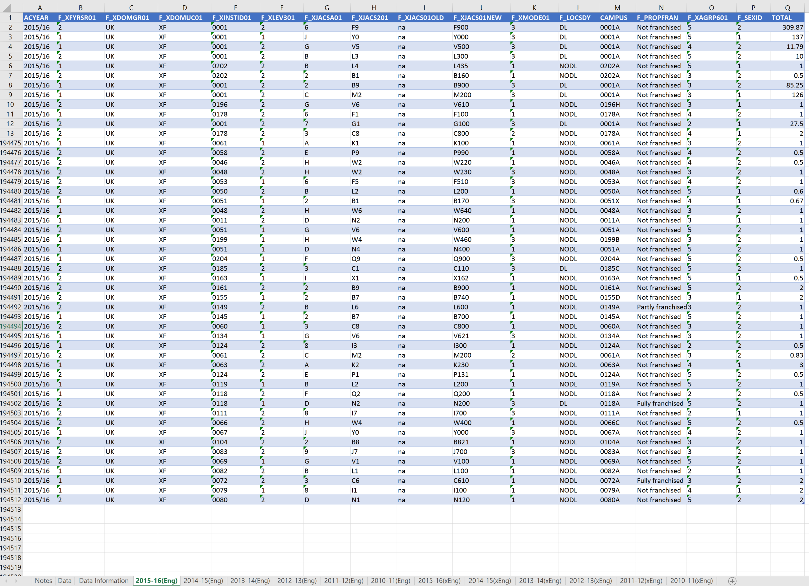
Sum of 'TOTAL' column numbers |  |  |  | Field mappings + example data

 | Eng | xEng | Total | ACYEAR | Academic Year | 2015/16 | 2015/16 | 2015/16 | 2015/16 | 2015/16 | 2015/16 | 2015/16 | 2015/16 | 2015/16
2015/16 | 1,511,888 | 768,941 | 2,280,829 | F_XFYRSR01 | First Year Marker | 2 | 1 | 1 | 2 | 2 | 1 | 2 | 1 | 1
2014/15 | 1,497,714 | 768,362 | 2,266,076 | F_XDOMGR01 | Domicile marker | Other EU | Non-EU | Non-EU | Other EU | UK | Non-EU | Non-EU | Non-EU | Non-EU
2013/14 | 1,529,429 | 769,926 | 2,299,355 | F_XDOMUC01 | Country of Domicile | AT | SD | NO | XA | XI | BA | BA | BA | BA
2012/13 | 1,578,247 | 762,030 | 2,340,277 | F_XINSTID01 | HE Provider | 0184 | 0204 | 0204 | 0204 | 0001 | 0204 | 0071 | 0060 | 0131
2011/12 | 1,717,838 | 778,795 | 2,496,633 | F_XLEV301 | Level of Study | 1 | 1 | 2 | 2 | 2 | 2 | 2 | 1 | 2
2010/11 | 1,721,073 | 781,935 | 2,503,008 | F_XJACSA01 | Subject area | 1 | 9 | 3 | 9 | C | D | E | I | B
Total | 9,556,189 | 4,629,989 | 14,186,178 | F_XJACS201 | Pricipal Subject (v3.0 and v2.0 combined) | A3 | H3 | C8 | H6 | M2 | N5 | P9 | X3 | L4
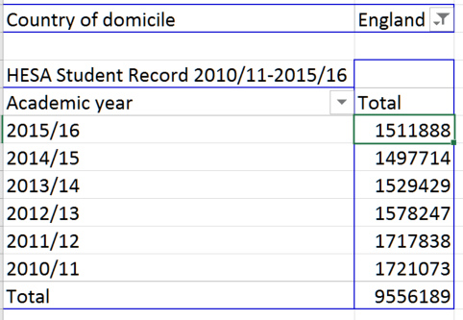
 |  |  |  | F_XJACS01OLD | 4 digit JACS subject 2.0 (2010/11-2011/12) | na | na | na | na | na | na | na | na | na
 |  |  |  | F_XJACS01NEW | 4 digit JACS subject 3.0 (2012/13-2015/16) | A300 | H300 | C800 | H600 | M200 | N500 | P900 | X300 | L430
 |  |  |  | F_XMODE01 | Mode of study | 1 | 1 | 1 | 2 | 3 | 2 | 1 | 3 | 1
 |  |  |  | F_LOCSDY | Distance learning marker | NODL | NODL | NODL | NODL | DL | NODL | NODL | NODL | NODL
 |  |  |  | CAMPUS | HE provider campus | 0184A | 0204A | 0204A | 0204A | 0001W | 0204A | 0071A | 0060A | 0131A
 |  |  |  | F_PROPFRAN | Franchised marker | Not franchised | Not franchised | Not franchised | Not franchised | Not franchised | Not franchised | Not franchised | Not franchised | Not franchised
 |  |  |  | F_XAGRP601 | Age | 4 | 3 | 2 | 3 | 3 | 2 | 3 | 5 | 2
 |  |  |  | F_SEXID | Sex | 2 | 1 | 1 | 1 | 2 | 2 | 2 | 2 | 1
 |  |  |  | TOTAL | Total | 1 | 1 | 1 | 1 | 18.5 | 0.5 | 0.5 | 1 | 0.33

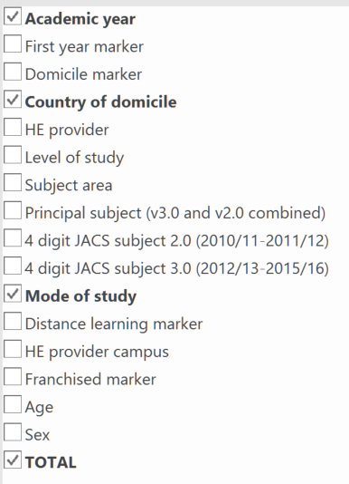

Sum of Total record numbers

 | Eng | xEng | Rows
2015/16 | 194,512 | 401,615 | 596,127
2014/15 | 193,911 | 396,447 | 590,358
2013/14 | 192,931 | 389,138 | 582,069
2012/13 | 194,851 | 381,808 | 576,659
2011/12 | 201,994 | 386,409 | 588,403
2010/11 | 203,935 | 379,751 | 583,686
Total | 1,182,134 | 2,335,168 | 3,517,302

