xml editor
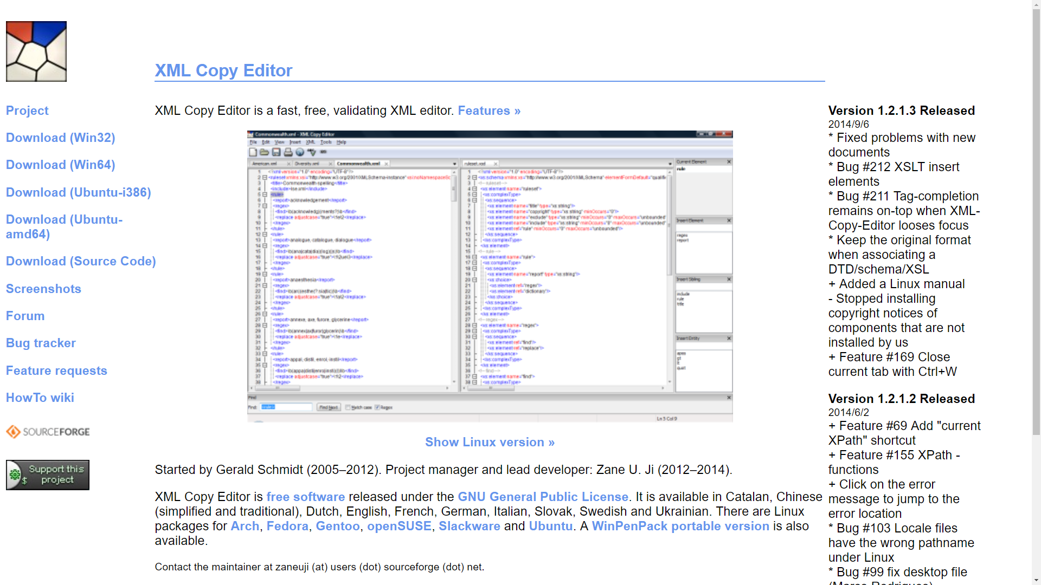
http://xml-copy-editor.sourceforge.net/

xml to csv
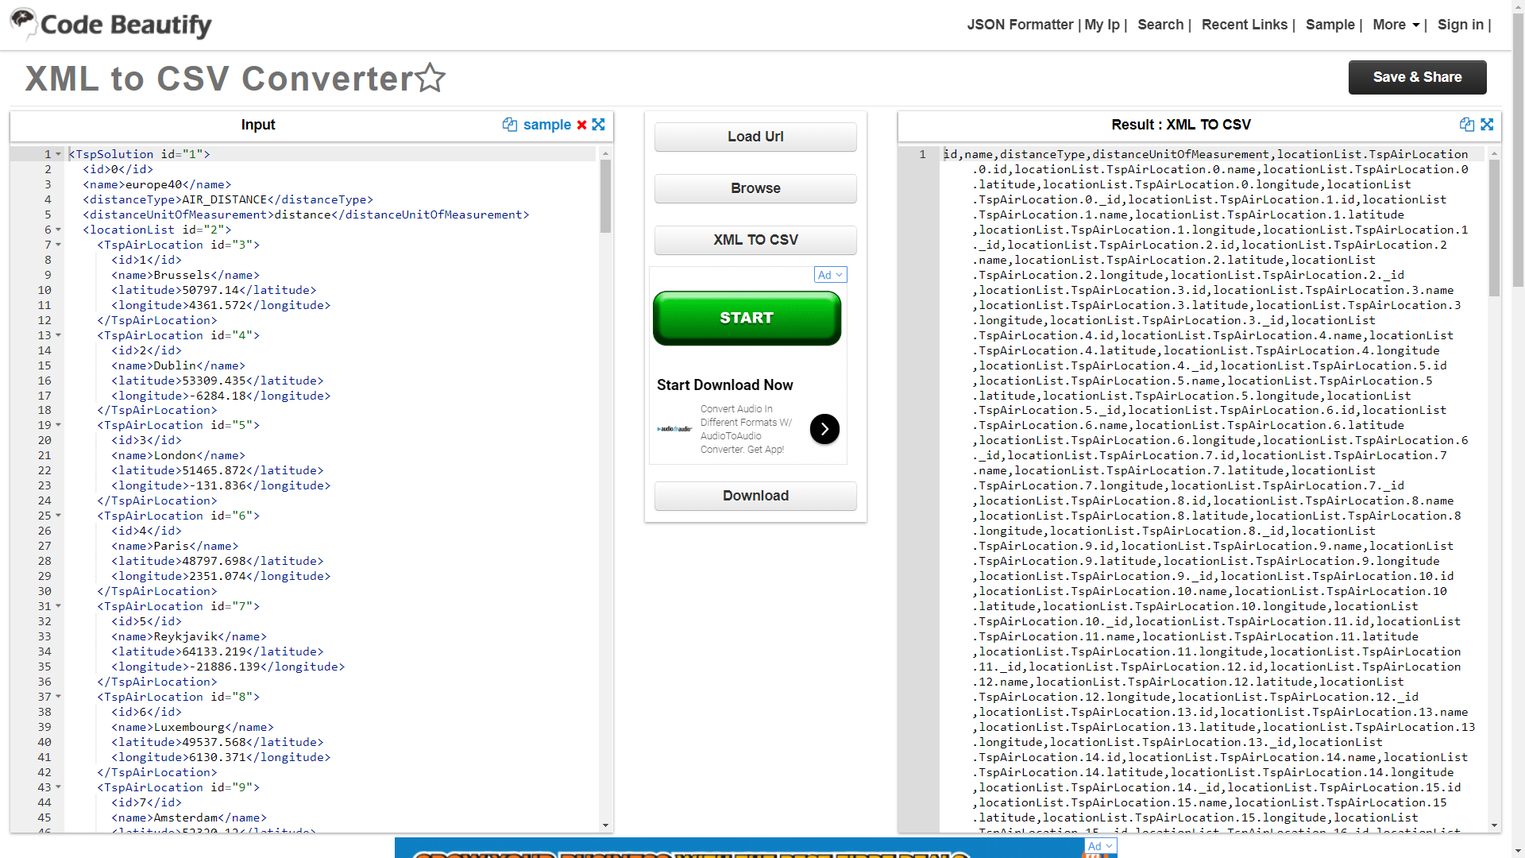
https://codebeautify.org/xml-to-csv-converter#copy

