Contents
eGRID Summary Tables 2023

Introduction
 |  |  | This document provides eGRID2023 data summary tables. The tables include subregion and state-level emission rates and resource mix as well as grid gross loss values. Please note that the tables presented here only show a subset of the eGRID2023 data. The entire dataset is in the eGRID2023 Excel file available on the eGRID website.

Table of Contents
Table |  | Description
1 |  | Subregion Output Emission Rates
2 |  | Subregion Resource Mix
3 |  | State Output Emission Rates
4 |  | State Resource Mix

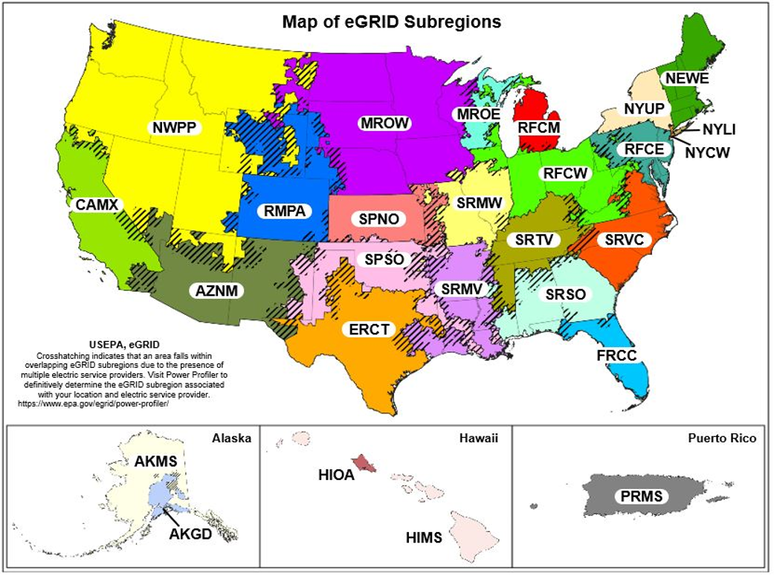

Feedback
Customer Satisfaction Survey
Contact EPA
 |  |  |  | Produced on 03/27/2025 with | eGRID R production model 1.0.2.

