GitHub Contribution
Ung Xuan Dat
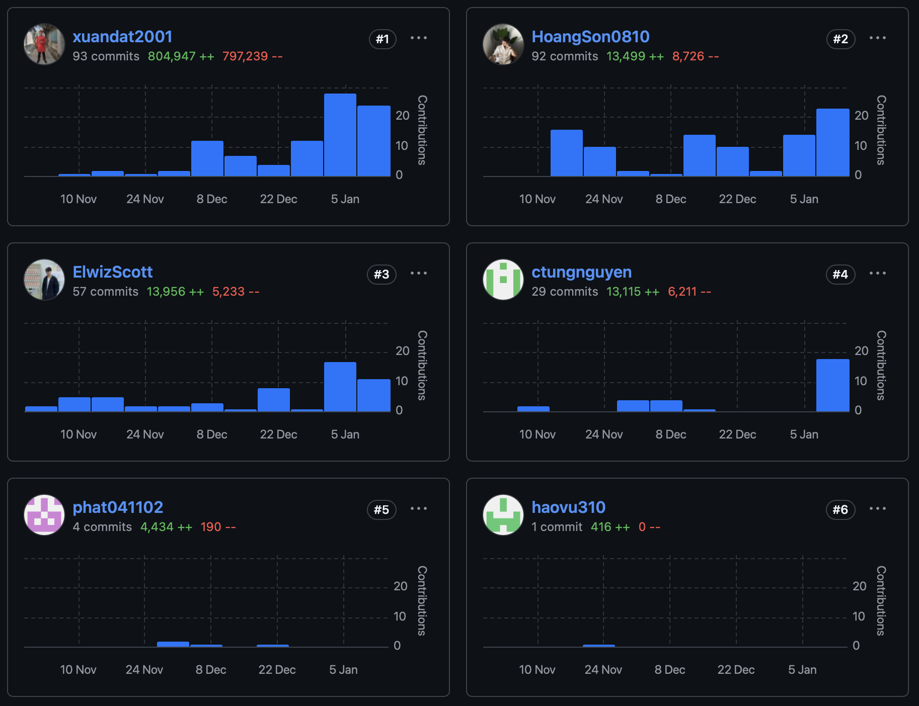

Nguyen Hoang Son

Le Trung Kien

Chau Tung Nguyen

