Sheet1
Nine Gesture RPS Spreadsheet

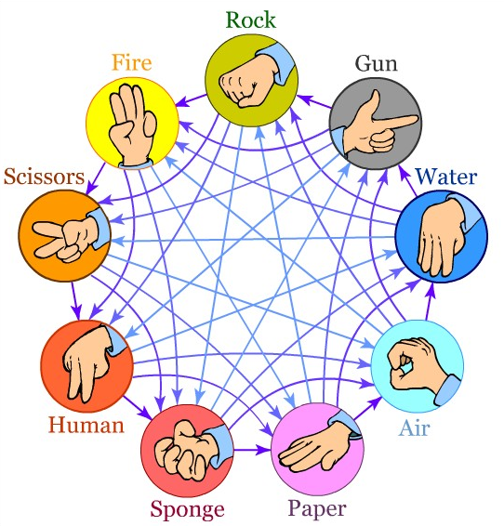
Selection | Rock | Gun | Water | Air | Paper | Sponge | Human | Scissors | Fire
Rock
Gun
Water
Air
Paper
Sponge
Human
Scissors
Fire

Win | Loss | Tie

The X axis indicates your selection. The Y axis indicates your opponent's selection.

