System-Structure
JMS
TTO

Suppored
By
Spring
Tool
TTO_Admin
Service
Component
Controller
Component
slf4j
jackson
TTO_WS

common
fileupload
common
dbcp

TTO_MAIN
Jersey
Quartz
Spring

TTO_Auto_Task
TTO_Admin
TTO_Vendor
TTO_Client
JMS Support

ActiveMQ
JPA
(Hibernate)

Data Source
Oracle DB
ActiveMQ
JMS
Main DB

Front end

ExtJS 4.1
Bootstrap3
JQuery

Simple Stroy
Admin |  |  | User
 | 1.管理员可以获取所需的用户信息 |  |  | 1.用户可以通过必须信息注册
 | 2.管理员可以重置用户密码 |  |  | 2.用户可以获取所有的可配送地点
 | 3.管理员可以获取所需的商家信息 |  |  | 3.用户可以选择当前的配送范围
 | 4.管理员可以根据商家的评级信息对商家店铺进行状态更换 |  |  |  | 3.1用户可以更换配送范围
 |  | 4.1 商铺平均评分、商铺订单评价、客服指数等（BA Confirm） |  | 4.用户可以获取热门商铺列表以及所需商铺
 | 5.管理员可以根据商铺提供的信息进行商铺审核 |  |  |  | 4.1用户可以通过关键字获取所需商铺
 |  | 5.1注册审核 |  |  | 4.2用户可以通过条件获取所需商铺
 |  | 5.2更新审核 |  | 5.用户可以通过选择商铺获取相应的产品信息
 | 6.管理员可以获取所需的系统配置参数 |  |  | 6.用户可以选择自己所需产品并添加至购物车
 | 7.管理员可以更改所需的系统配置参数 |  |  |  | 6.1 用户可以通过标签筛选产品
 |  |  |  | 7.用户可以对当前购物车进行结算操作，并获取相应的订单
 |  |  |  | 8.用户可以查询自己的订单状态以及相应的产品、商铺信息
 |  |  |  | 9.用户可以对未接受的订单进行取消
 |  |  |  | 10.用户可以对已完成的订单进行评分、评价
Vendor |  |  |  | 11.用户可以查看更新自己的账号信息
 | 1.用户可以通过申请拥有商家身份 |  |  |  | 11.1 配送地址、电话号码、姓名、账号余额（BA Confirm）
 | 2.商家可以获取自己的商铺信息 |  |  | 12.用户可以充值账户
 | 3.商家可以更换商铺Logo、商铺名称、商铺配送范围
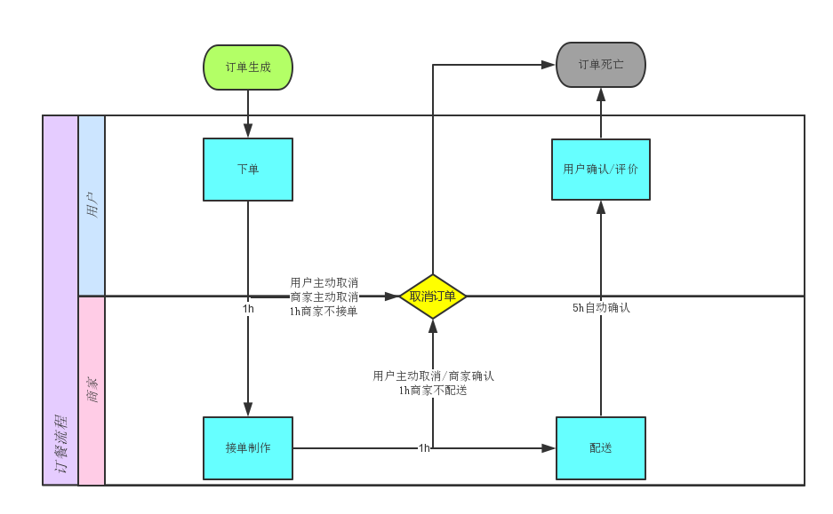
 | 4.商家可以为商铺管理产品标签（CRUD）
 | 5.商家可以为商铺添加产品
 | 6.商家可以为商铺冻结产品
 | 7.商家可以获取新进订单
 | 8.商家可以对订单进行状态更换
 |  | 8.1 接受、配送、确认
 | 9.商家可以获取所有的完成订单

Model
Admin
Configuration
One
Account
Store Profile
Location
One
One
Many

One
File
One
One
One

User Profile
Many
Collect
Many
Store
One
Many
Product Label

One
One

One
Many
One
One

Many
Many
One

Order
One
Many
Order Item
Product
Many
JMS Object
Many
One

One

TTO Message
One

Comment

Admin
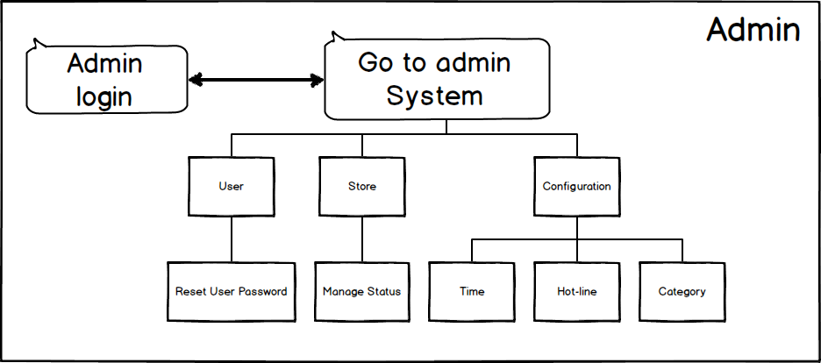

Vendor
