ADS1118
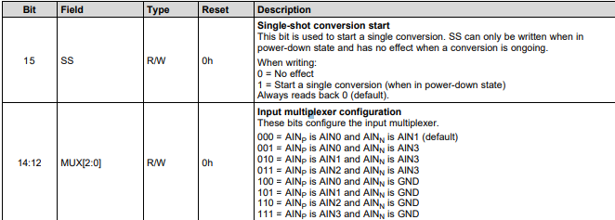
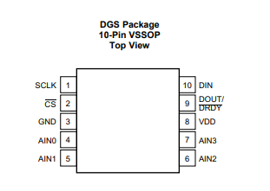
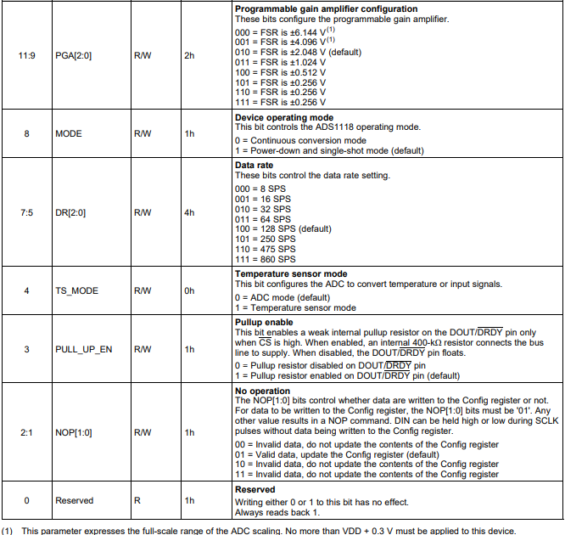
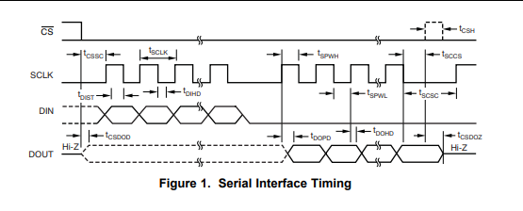
 | Config Register |  |  |  |  |  |  |  |  |  |  |  |  |  |  |  | Data Register |  |  |  |  |  |  |  |  |  |  |  |  |  |  |  | 1 | STOP | AIN0-AIN1 | FSR 6.144V | CONTINUE | 8SPS | ADC | PULL_UP_OFF | INVALID
 | Data bit High |  |  |  |  |  |  |  | Data bit Low |  |  |  |  |  |  |  | Data bit High |  |  |  |  |  |  |  | Data bit Low |  |  |  |  |  |  |  | 2 | START | AIN0-AIN3 | FSR 4.096V | SINGLE | 16SPS | TEMP | PULL_UP_ON | VALID
 | SS | MUX |  |  | PGA |  |  | MODE | SPS |  |  | TS | PULL | NOP |  | R |  |  |  |  |  |  |  |  |  |  |  |  |  |  |  |  | 3 |  | AIN1-AIN3 | FSR 2.048V |  | 32SPS |  |  | INVALID
 | 7 | 6 | 5 | 4 | 3 | 2 | 1 | 0 | 7 | 6 | 5 | 4 | 3 | 2 | 1 | 0 | 7 | 6 | 5 | 4 | 3 | 2 | 1 | 0 | 7 | 6 | 5 | 4 | 3 | 2 | 1 | 0 | 4 |  | AIN2-AIN3 | FSR 1.024V |  | 64SPS |  |  | INVALID
Manual | 1 | 1 | 1 | 1 | 0 | 0 | 0 | 1 | 0 | 0 | 0 | 1 | 0 | 0 | 1 | 1 | 0 | 0 | 0 | 0 | 0 | 0 | 0 | 0 | 0 | 0 | 0 | 0 | 0 | 0 | 0 | 0 | 5 |  | AIN0-GND | FSR 0.512V |  | 128SPS
Auto | 1 | 0 | 0 | 0 | 1 | 0 | 1 | 1 | 1 | 1 | 1 | 1 | 0 | 0 | 1 | 0 |  |  |  |  |  |  |  |  |  |  |  |  |  |  |  |  | 6 |  | AIN1-GND | FSR 0.256V |  | 256SPS
HEX | F1 |  |  |  |  |  |  |  | 13 |  |  |  |  |  |  |  | 0 |  |  |  |  |  |  |  | 0 |  |  |  |  |  |  |  | 7 |  | AIN2-GND | FSR 0.256V |  | 8SPS
HEX | 8B |  |  |  |  |  |  |  | F2 |  |  |  |  |  |  |  |  |  |  |  |  |  |  |  |  |  |  |  |  |  |  |  | 8 |  | AIN3-GND | FSR 0.256V |  | 16SPS
 | 2 | 0 |  |  | 5 |  |  | 2 | 3 |  |  | 2 | 1 | 2 |  | 0
>>>>> | START | AIN0-AIN1 |  |  | FSR 0.256V |  |  | SINGLE | 64SPS |  |  | TEMP | PULL_UP_OFF | VALID |  | 0

