Sheet1
Defect ID | Module | Defect Section | Defect Description | Current look | What it should look like
DFT_nav_01 | Navbar | SPRINT_Pharma\src\components\layout\Header.jsx | In navigation section there two Franchise links one is Franchise link and Apply Franchise Button exist |  | In navigation section there no need of Franchise link because in there is already a Apply Franchise Button exist
DFT_home_02 | Home Page | SPRINT_Pharma\src\pages\Home.jsx | In the class="bento-card bento-card--hero" there is another div <div class="bento-num">01</div> and <h3>Precision Manufacturing at Global Standards</h3> are blende with background colour . |  | In this case change the text color of number and paragraph from black to white
DFT_home_03 | Home Page | SPRINT_Pharma\src\pages\Home.jsx | In the class="bento-card bento-card--hero" section there are Four Cards but the forth card is not in currectly aligned . | 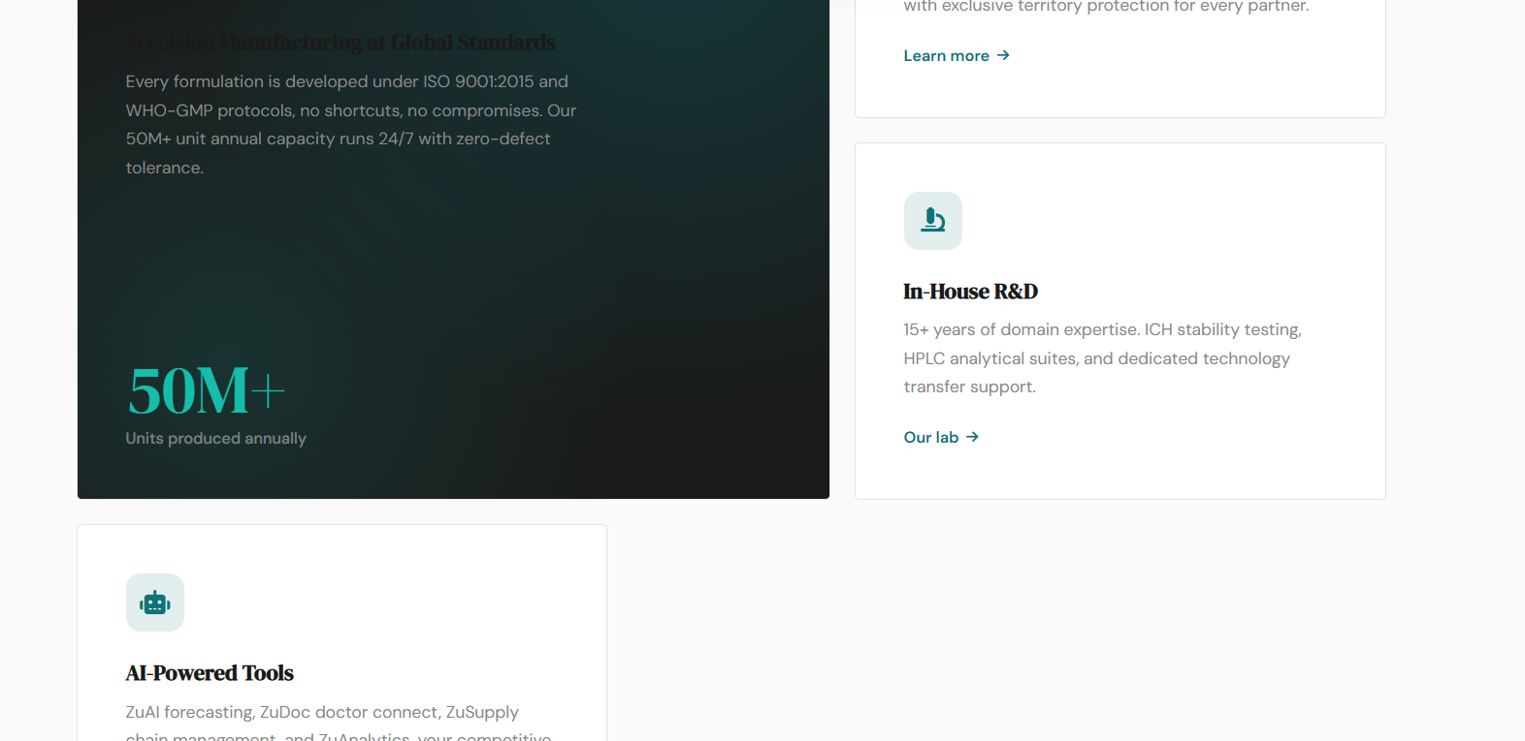 | The Forth Card should be in the same line with the Second And Third Card as they are beside the Bigger Card
DFT_footer_04 | Footer Section | SPRINT_Pharma\src\components\layout\Footer.jsx | In Footer.jsx , in the div section <div className="f-logo-row"> the ZuPharma Logo not visible clearly . |  | In this I think the Name and Logo of the ZuPharma should be in a border with background color navy .

