Tabelle1
Name | Image | Value | Solution
Car | 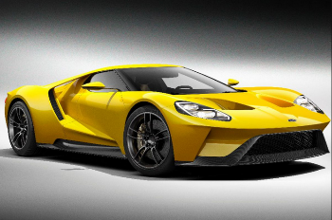 | 100 | 12123
Ball |  | 30 | 234435
Sun |  | 60 | 435435
Moon | 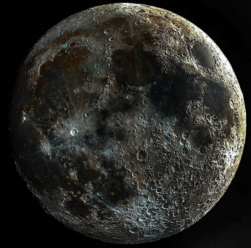 | 25 | 534534
Beach |  | 222 | 34534534

