Sheet1
 | SimpleChat is a chatting app. It is built on Swift language and uses firebase to store data

1 | Register Page
 | The User can create a new account to login into system

2 | Login Page
 | You can login into system with your username & password

3 | Contact List Page
 | This page will show all users (Except for user login)

4 | Chatting Page
 | This page will appear after you choose one user on contact list page
 | This page will show all chatting messages from 2 users
 | The message will be displayed in real time

 | 1. Register Page |  | 2. Login Page |  | 3. Cantact List Page |  | 4. Chatting Page

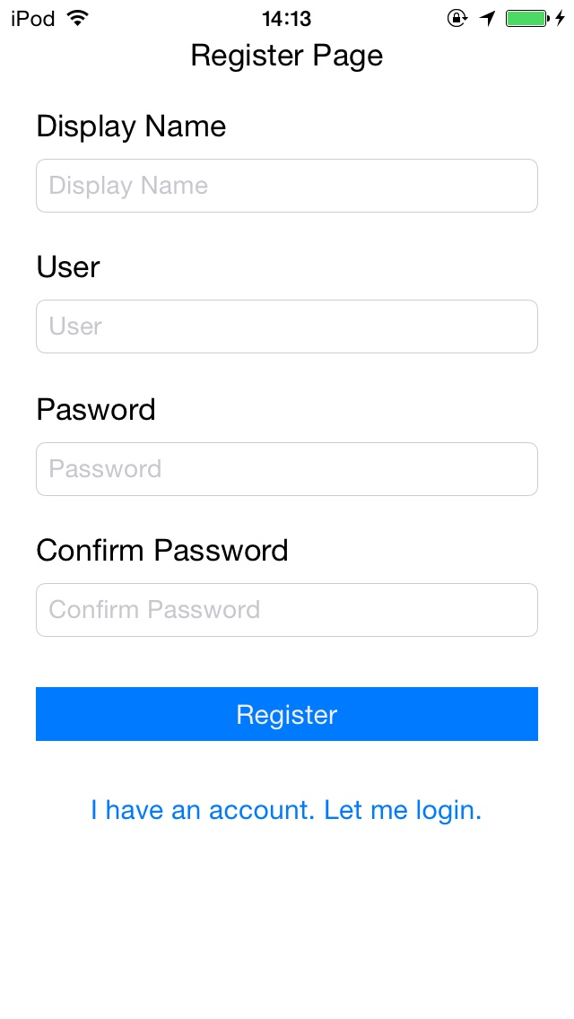
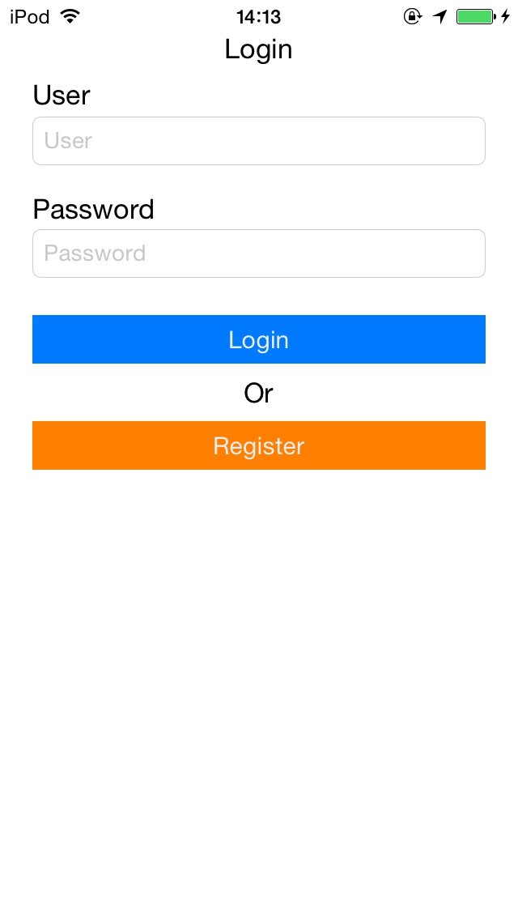
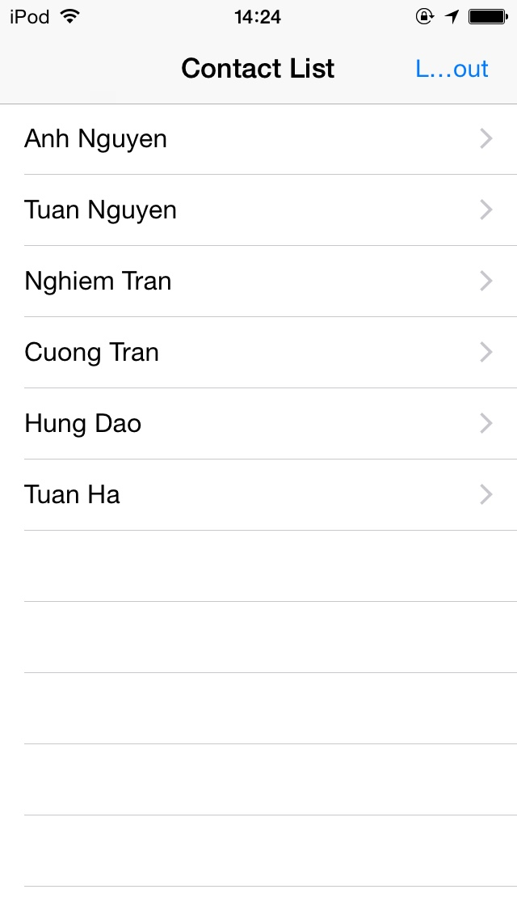
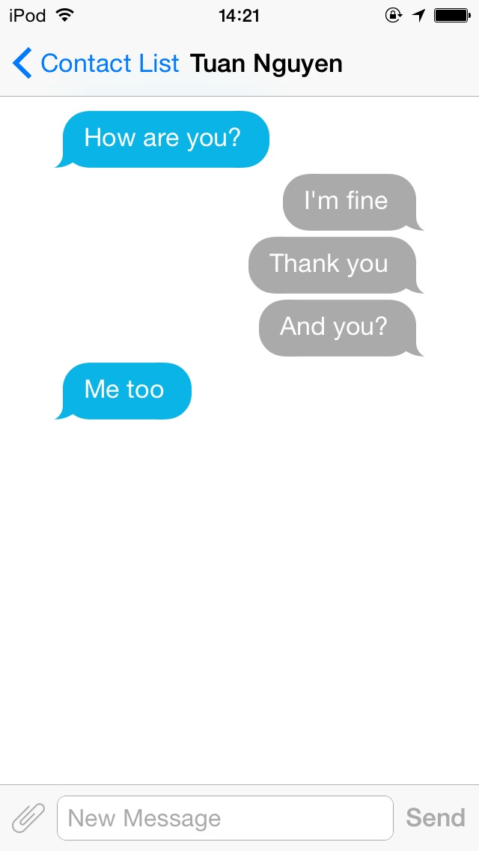

 |  |  |  |  |  | Go to chatting page

 |  |  |  | Go to contact list page

 |  | Go to register page

 |  | Go to login page

 |  | Go back login page

