Plot Vaccinated Among Cases
Fully Vaccinated among weekly COVID-19 Cases
 | Fully Vaccinated among All Cases | Fully Vaccinated among All Hospitalizations | Fully Vaccinated among All Deaths

Plots C19 vs Vax
COVID-19 vaccine serious adverse reactions in Canada

COVID-19 Deaths

Side Effects 2022-02-05
Week report received | Weekly serious rate: Adjusted* for reporting delay | Weekly non-serious reports-all | Weekly serious reports-all | Cumulative non-serious reports-all | Cumulative serious reports-all | Cumulative number of doses administered-all1 | Weekly number of doses administered-all1 | Weekly non-serious reporting rate-all2 | Weekly serious reporting rate-all2 | Weekly reporting rate-all2 | Weekly non-serious reports-18plus | Weekly serious reports-18plus | Cumulative non-serious reports-18plus | Cumulative serious reports-18plus | Cumulative number of doses administered-18plus1 | Weekly number of doses administered-18plus1 | Weekly non-serious reporting rate-18plus2 | Weekly serious reporting rate-18plus2 | Weekly reporting rate-18plus2 | Weekly non-serious reports-12to17 | Weekly serious reports-12to17 | Cumulative non-serious reports-12to17 | Cumulative serious reports-12to17 | Cumulative number of doses administered-12to171 | Weekly number of doses administered-12to171 | Weekly non-serious reporting rate-12to172 | Weekly serious reporting rate-12to172 | Weekly reporting rate-12to172 | Weekly non-serious reports-5to11 | Weekly serious reports-5to11 | Cumulative non-serious reports-5to11 | Cumulative serious reports-5to11 | Cumulative number of doses administered-5to111 | Weekly number of doses administered-5to111 | Weekly non-serious reporting rate-5to112 | Weekly serious reporting rate-5to112 | Weekly reporting rate-5to112 | percentage of children (<18) in severe reports | Average weekly: all, <12, <18 | Average weekly, all
2022-02-18 | 33 | 142 | 88 | 30,813 | 8,203 | 79,338,108 | 799,403 | 18 | 11 | 29 | 132 | 69 | 29,440 | 7,191 | 72,227,751 | 578,670 | 23 | 12 | 35 | 4 | 1 | 1,032 | 316 | 4,534,976 | 48,112 | 8 | 2 | 10 | 2 | 6 | 230 | 48 | 2,512,111 | 172,235 | 1 | 3 | 5 | 8.0% | 207
2022-02-11 | 28 | 357 | 102 | 30,671 | 8,115 | 78,538,705 | 1,088,581 | 33 | 9 | 42 | 336 | 84 | 29,308 | 7,122 | 71,649,081 | 834,704 | 40 | 10 | 50 | 5 | 2 | 1,028 | 315 | 4,486,864 | 33,045 | 15 | 6 | 21 | 15 | 3 | 228 | 42 | 2,339,876 | 220,370 | 7 | 1 | 8 | 4.9% | 4
2022-02-04 | 21 | 394 | 124 | 30,314 | 8,013 | 77,450,124 | 1,710,998 | 23 | 7 | 30 | 373 | 160 | 28,972 | 7,038 | 70,814,377 | 1,420,927 | 26 | 11 | 38 | 10 | 3 | 1,023 | 313 | 4,453,819 | 22,352 | 45 | 13 | 58 | 13 | 5 | 213 | 39 | 2,119,506 | 266,953 | 5 | 2 | 7 | 6.5% | 10
2022-01-28 | 21 | 287 | 156 | 29,920 | 7,889 | 75,739,126 | 2,165,473 | 13 | 7 | 20 | 263 | 86 | 28,599 | 6,878 | 69,393,450 | 1,996,485 | 13 | 4 | 17 | 9 | 1 | 1,013 | 310 | 4,431,467 | 23,351 | 39 | 4 | 43 | 9 | 1 | 200 | 34 | 1,852,553 | 167,804 | 5 | 1 | 6 | 1.3%
2022-01-21 | 16 | 469 | 139 | 29,633 | 7,733 | 73,573,653 | 2,521,086 | 19 | 6 | 24 | 415 | 121 | 28,336 | 6,792 | 67,396,965 | 2,361,423 | 18 | 5 | 23 | 12 | 3 | 1,004 | 309 | 4,408,116 | 25,220 | 48 | 12 | 59 | 40 | 11 | 191 | 33 | 1,684,749 | 134,077 | 30 | 8 | 38 | 10.1%
2022-01-14 | 11 | 397 | 101 | 29,164 | 7,594 | 71,052,567 | 2,529,095 | 16 | 4 | 20 | 377 | 83 | 27,921 | 6,671 | 65,035,542 | 2,320,215 | 16 | 4 | 20 | 5 | 0 | 992 | 306 | 4,382,896 | 25,125 | 20 | 0 | 20 | 12 | 3 | 151 | 22 | 1,550,672 | 114,425 | 10 | 3 | 13 | 3.0%
2022-01-07 | 12 | 386 | 77 | 28,767 | 7,493 | 68,523,472 | 1,735,257 | 22 | 4 | 27 | 357 | 63 | 27,544 | 6,588 | 62,715,327 | 1,642,161 | 22 | 4 | 26 | 5 | 2 | 987 | 306 | 4,357,771 | 16,532 | 30 | 12 | 42 | 23 | 2 | 139 | 19 | 1,436,247 | 76,393 | 30 | 3 | 33 | 5.2%
2021-12-31 | 9 | 161 | 73 | 28,381 | 7,416 | 66,788,215 | 2,194,139 | 7 | 3 | 11 | 142 | 65 | 27,187 | 6,525 | 61,073,166 | 2,033,292 | 7 | 3 | 10 | 1 | 2 | 982 | 304 | 4,341,239 | 27,760 | 4 | 7 | 11 | 17 | 3 | 116 | 17 | 1,359,854 | 133,118 | 13 | 2 | 15 | 6.8%
2021-12-24 | 13 | 443 | 86 | 28,220 | 7,343 | 64,594,076 | 1,826,129 | 24 | 5 | 29 | 400 | 73 | 27,045 | 6,460 | 59,039,874 | 1,568,476 | 26 | 5 | 30 | 9 | 2 | 981 | 302 | 4,313,479 | 22,560 | 40 | 9 | 49 | 32 | 3 | 99 | 14 | 1,226,736 | 235,077 | 14 | 1 | 15 | 5.8%
2021-12-17 | 25 | 473 | 109 | 27,777 | 7,257 | 62,767,947 | 1,167,884 | 41 | 9 | 50 | 417 | 90 | 26,645 | 6,387 | 57,471,398 | 811,945 | 51 | 11 | 62 | 23 | 4 | 972 | 300 | 4,290,919 | 20,246 | 114 | 20 | 133 | 27 | 5 | 67 | 11 | 991,659 | 335,554 | 8 | 1 | 10 | 8.3%
2021-12-10 | 20 | 526 | 79 | 27,304 | 7,148 | 61,600,063 | 1,038,439 | 51 | 8 | 58 | 493 | 63 | 26,228 | 6,297 | 56,659,453 | 607,300 | 81 | 10 | 92 | 16 | 5 | 949 | 296 | 4,270,673 | 22,152 | 72 | 23 | 95 | 15 | 2 | 40 | 6 | 656,105 | 454,461 | 3 | 0 | 4 | 8.9%
2021-12-03 | 44 | 526 | 113 | 26,778 | 7,069 | 60,561,624 | 681,248 | 77 | 17 | 94 | 495 | 100 | 25,735 | 6,234 | 56,052,153 | 516,280 | 96 | 19 | 115 | 25 | 7 | 933 | 291 | 4,248,521 | 23,822 | 105 | 29 | 134 | 4 | 0 | 25 | 4 | 201,644 | 190,168 | 2 | 0 | 2 | 6.2%
2021-11-26 | 58 | 447 | 117 | 26,252 | 6,956 | 59,880,376 | 519,594 | 86 | 23 | 109 | 426 | 97 | 25,240 | 6,134 | 55,535,873 | 493,271 | 86 | 20 | 106 | 19 | 8 | 908 | 284 | 4,224,699 | 27,183 | 70 | 29 | 99 | 0 | 0 | 21 | 4 | 11,476 | N/A | N/A | N/A | N/A
2021-11-19 | 65 | 436 | 124 | 25,805 | 6,839 | 59,360,782 | 490,864 | 89 | 25 | 114 | 413 | 102 | 24,814 | 6,037 | 55,042,602 | 460,860 | 90 | 22 | 112 | 20 | 7 | 889 | 276 | 4,197,516 | 30,197 | 66 | 23 | 89 | 2 | 0 | 21 | 4 | N/A | N/A | N/A | N/A | N/A
2021-11-12 | 94 | 551 | 165 | 25,369 | 6,715 | 58,869,918 | 443,858 | 124 | 37 | 161 | 521 | 148 | 24,401 | 5,935 | 54,581,742 | 411,061 | 127 | 36 | 163 | 24 | 9 | 869 | 269 | 4,167,319 | 32,794 | 73 | 27 | 101 | 1 | 0 | 19 | 4 | N/A | N/A | N/A | N/A | N/A
2021-11-05 | 76 | 667 | 147 | 24,818 | 6,550 | 58,426,060 | 481,748 | 138 | 31 | 169 | 629 | 122 | 23,880 | 5,787 | 54,170,681 | 441,967 | 142 | 28 | 170 | 33 | 7 | 845 | 260 | 4,134,525 | 40,029 | 82 | 17 | 100 | 4 | 2 | 18 | 4 | N/A | N/A | N/A | N/A | N/A
2021-10-29 | 70 | 591 | 149 | 24,151 | 6,403 | 57,944,312 | 525,138 | 113 | 28 | 141 | 555 | 110 | 23,251 | 5,665 | 53,728,714 | 474,942 | 117 | 23 | 140 | 28 | 12 | 812 | 253 | 4,094,496 | 50,267 | 56 | 24 | 80 | 4 | 0 | 14 | 2 | N/A | N/A | N/A | N/A | N/A
Weekly serious reports-18plus, Weekly serious reports-12to17 and Weekly serious reports-5to11
2021-10-22 | 63 | 612 | 135 | 23,560 | 6,254 | 57,419,174 | 518,982 | 118 | 26 | 144 | 580 | 120 | 22,696 | 5,555 | 53,253,772 | 466,478 | 124 | 26 | 150 | 27 | 11 | 784 | 241 | 4,044,229 | 51,273 | 53 | 21 | 74 | 0 | 0 | 10 | 2 | N/A | N/A | N/A | N/A | N/A
2021-10-15 | 63 | 499 | 145 | 22,948 | 6,119 | 56,900,192 | 545,999 | 91 | 27 | 118 | 463 | 137 | 22,116 | 5,435 | 52,787,294 | 484,378 | 96 | 28 | 124 | 32 | 7 | 757 | 230 | 3,992,956 | 58,903 | 54 | 12 | 66 | 1 | 0 | 10 | 2 | N/A | N/A | N/A | N/A | N/A
2021-10-08 | 68 | 822 | 164 | 22,449 | 5,974 | 56,354,193 | 564,687 | 146 | 29 | 175 | 773 | 139 | 21,653 | 5,298 | 52,302,916 | 495,535 | 156 | 28 | 184 | 47 | 15 | 725 | 223 | 3,934,053 | 64,896 | 72 | 23 | 96 | 0 | 0 | 9 | 2 | N/A | N/A | N/A | N/A | N/A
2021-10-01 | 41 | 534 | 148 | 21,627 | 5,810 | 55,789,506 | 835,491 | 64 | 18 | 82 | 511 | 124 | 20,880 | 5,159 | 51,807,381 | 775,187 | 66 | 16 | 82 | 23 | 15 | 678 | 208 | 3,869,157 | 76,236 | 30 | 20 | 50 | 0 | 0 | 9 | 2 | N/A | N/A | N/A | N/A | N/A
2021-09-24 | 58 | 761 | 160 | 21,093 | 5,662 | 54,954,015 | 631,177 | 121 | 25 | 146 | 726 | 138 | 20,369 | 5,035 | 51,032,194 | 557,177 | 130 | 25 | 155 | 35 | 12 | 655 | 193 | 3,792,921 | 74,799 | 47 | 16 | 63 | 1 | 0 | 9 | 2 | N/A | N/A | N/A | N/A | N/A
2021-09-17 | 52 | 581 | 136 | 20,332 | 5,502 | 54,322,838 | 587,488 | 99 | 23 | 122 | 547 | 130 | 19,643 | 4,897 | 50,475,017 | 508,313 | 108 | 26 | 133 | 30 | 16 | 620 | 181 | 3,718,122 | 74,970 | 40 | 21 | 61 | 0 | 0 | 8 | 2 | N/A | N/A | N/A | N/A | N/A
2021-09-10 | 67 | 682 | 178 | 19,751 | 5,366 | 53,735,350 | 592,975 | 115 | 30 | 145 | 631 | 137 | 19,096 | 4,767 | 49,966,704 | 499,562 | 126 | 27 | 154 | 45 | 15 | 590 | 165 | 3,643,152 | 89,191 | 50 | 17 | 67 | 3 | 0 | 8 | 2 | N/A | N/A | N/A | N/A | N/A
2021-09-03 | 51 | 809 | 172 | 19,069 | 5,188 | 53,142,375 | 732,914 | 110 | 23 | 134 | 751 | 153 | 18,465 | 4,630 | 49,467,142 | 600,622 | 125 | 25 | 151 | 53 | 7 | 545 | 150 | 3,553,961 | 120,865 | 44 | 6 | 50 | 2 | 1 | 5 | 2 | N/A | N/A | N/A | N/A | N/A
2021-08-27 | 50 | 620 | 193 | 18,260 | 5,016 | 52,409,461 | 838,664 | 74 | 23 | 97 | 583 | 200 | 17,714 | 4,477 | 48,866,520 | 666,657 | 87 | 30 | 117 | 39 | 9 | 492 | 143 | 3,433,096 | 158,183 | 25 | 6 | 30 | 0 | 0 | 3 | 1 | N/A | N/A | N/A | N/A | N/A
2021-08-20 | 42 | 827 | 185 | 17,640 | 4,823 | 51,570,797 | 944,148 | 88 | 20 | 107 | 756 | 156 | 17,131 | 4,277 | 48,199,863 | 775,592 | 97 | 20 | 118 | 67 | 12 | 453 | 134 | 3,274,913 | 165,539 | 40 | 7 | 48 | 1 | 1 | 3 | 1 | N/A | N/A | N/A | N/A | N/A
2021-08-13 | 48 | 784 | 241 | 16,813 | 4,638 | 50,626,649 | 1,042,523 | 75 | 23 | 98 | 729 | 198 | 16,375 | 4,121 | 47,424,271 | 861,708 | 85 | 23 | 108 | 52 | 17 | 386 | 122 | 3,109,374 | 176,814 | 29 | 10 | 39 | 0 | 0 | 2 | 0 | N/A | N/A | N/A | N/A | N/A
2021-08-06 | 26 | 816 | 216 | 16,029 | 4,397 | 49,584,126 | 1,722,722 | 47 | 13 | 60 | 760 | 187 | 15,646 | 3,923 | 46,562,563 | 1,436,125 | 53 | 13 | 66 | 55 | 23 | 334 | 105 | 2,932,560 | 283,760 | 19 | 8 | 27 | 0 | 0 | 2 | 0 | N/A | N/A | N/A | N/A | N/A
2021-07-30 | 19 | 755 | 223 | 15,213 | 4,181 | 47,861,404 | 2,321,432 | 33 | 10 | 42 | 714 | 216 | 14,886 | 3,736 | 45,126,438 | 2,009,586 | 36 | 11 | 46 | 36 | 7 | 279 | 82 | 2,648,800 | 306,894 | 12 | 2 | 14 | 0 | 0 | 2 | 0 | N/A | N/A | N/A | N/A | N/A
2021-07-23 | 20 | 946 | 275 | 14,458 | 3,958 | 45,539,972 | 2,754,617 | 34 | 10 | 44 | 907 | 233 | 14,172 | 3,520 | 43,116,852 | 2,451,544 | 37 | 10 | 47 | 40 | 17 | 243 | 75 | 2,341,906 | 282,892 | 14 | 6 | 20 | 0 | 0 | 2 | 0 | N/A | N/A | N/A | N/A | N/A
2021-07-16 | 16 | 890 | 269 | 13,512 | 3,683 | 42,785,355 | 3,346,758 | 27 | 8 | 35 | 866 | 241 | 13,265 | 3,287 | 40,665,308 | 3,119,789 | 28 | 8 | 35 | 23 | 12 | 203 | 58 | 2,059,014 | 216,788 | 11 | 6 | 16 | 0 | 0 | 2 | 0 | N/A | N/A | N/A | N/A | N/A
2021-07-09 | 13 | 875 | 254 | 12,622 | 3,414 | 39,438,597 | 3,680,722 | 24 | 7 | 31 | 835 | 232 | 12,399 | 3,046 | 37,545,519 | 3,493,433 | 24 | 7 | 31 | 38 | 9 | 180 | 46 | 1,842,226 | 184,721 | 21 | 5 | 25 | 0 | 0 | 2 | 0 | N/A | N/A | N/A | N/A | N/A
2021-07-02 | 13 | 803 | 238 | 11,747 | 3,160 | 35,757,875 | 3,380,451 | 24 | 7 | 31 | 765 | 223 | 11,564 | 2,814 | 34,052,086 | 3,240,095 | 24 | 7 | 30 | 35 | 6 | 142 | 37 | 1,657,505 | 133,466 | 26 | 5 | 31 | 2 | 0 | 2 | 0 | N/A | N/A | N/A | N/A | N/A
2021-06-25 | 13 | 736 | 225 | 10,944 | 2,922 | 32,377,424 | 3,105,645 | 24 | 7 | 31 | 701 | 205 | 10,799 | 2,591 | 30,811,991 | 2,878,843 | 24 | 7 | 31 | 33 | 8 | 107 | 31 | 1,524,039 | 222,993 | 15 | 4 | 18 | 0 | 0 | 0 | 0 | N/A | N/A | N/A | N/A | N/A
2021-06-18 | 14 | 804 | 226 | 10,208 | 2,697 | 29,271,779 | 2,917,291 | 28 | 8 | 35 | 773 | 197 | 10,098 | 2,386 | 27,933,148 | 2,559,270 | 30 | 8 | 38 | 29 | 6 | 74 | 23 | 1,301,046 | 358,357 | 8 | 2 | 10 | 0 | 0 | 0 | 0 | N/A | N/A | N/A | N/A | N/A
2021-06-11 | 18 | 786 | 270 | 9,404 | 2,471 | 26,354,488 | 2,723,570 | 29 | 10 | 39 | 765 | 232 | 9,325 | 2,189 | 25,373,878 | 2,322,337 | 33 | 10 | 43 | 19 | 5 | 45 | 17 | 942,689 | 379,172 | 5 | 1 | 6 | 0 | 0 | 0 | 0 | N/A | N/A | N/A | N/A | N/A
2021-06-04 | 14 | 735 | 223 | 8,618 | 2,201 | 23,630,918 | 2,744,458 | 27 | 8 | 35 | 714 | 200 | 8,560 | 1,957 | 23,051,541 | 2,381,643 | 30 | 8 | 38 | 13 | 7 | 26 | 12 | 563,517 | 362,333 | 4 | 2 | 6 | 0 | 0 | 0 | 0 | N/A | N/A | N/A | N/A | N/A
2021-05-28 | 15 | 684 | 207 | 7,883 | 1,978 | 20,886,460 | 2,315,602 | 30 | 9 | 38 | 677 | 183 | 7,846 | 1,757 | 20,669,898 | 2,202,703 | 31 | 8 | 39 | 5 | 3 | 13 | 5 | 201,184 | 111,821 | 4 | 3 | 7 | 0 | 0 | 0 | 0 | N/A | N/A | N/A | N/A | N/A
2021-05-21 | 20 | 840 | 299 | 7,199 | 1,771 | 18,570,858 | 2,525,443 | 33 | 12 | 45 | 836 | 290 | 7,169 | 1,574 | 18,467,195 | 2,473,343 | 34 | 12 | 46 | 0 | 0 | 8 | 2 | 89,363 | 50,849 | 0 | 0 | 0 | 0 | 0 | 0 | 0 | N/A | N/A | N/A | N/A | N/A
2021-05-14 | 13 | 782 | 169 | 6,359 | 1,472 | 16,045,415 | 2,123,883 | 37 | 8 | 45 | 776 | 154 | 6,333 | 1,284 | 15,993,852 | 2,107,258 | 37 | 7 | 44 | 1 | 0 | 8 | 2 | 38,514 | 15,557 | 6 | 0 | 6 | 0 | 0 | 0 | 0 | N/A | N/A | N/A | N/A | N/A
2021-05-07 | 20 | 863 | 215 | 5,577 | 1,303 | 13,921,532 | 1,753,271 | 49 | 12 | 61 | 866 | 184 | 5,557 | 1,130 | 13,886,594 | 1,747,402 | 50 | 11 | 60 | 0 | 0 | 7 | 2 | 22,957 | 5,785 | 0 | 0 | 0 | 0 | 0 | 0 | 0 | N/A | N/A | N/A | N/A | N/A
2021-04-30 | 15 | 604 | 188 | 4,714 | 1,088 | 12,168,261 | 2,037,206 | 30 | 9 | 39 | 599 | 158 | 4,691 | 946 | 12,139,192 | 2,030,080 | 30 | 8 | 37 | 0 | 0 | 7 | 2 | 17,172 | 3,911 | 0 | 0 | 0 | 0 | 0 | 0 | 0 | N/A | N/A | N/A | N/A | N/A
2021-04-23 | 12 | 630 | 153 | 4,110 | 900 | 10,131,055 | 1,984,463 | 32 | 8 | 39 | 626 | 140 | 4,092 | 788 | 10,109,112 | 10,109,112 | 6 | 1 | 8 | 0 | 0 | 7 | 2 | 13,261 | 13,261 | 0 | 0 | 0 | N/A | N/A | N/A | N/A | N/A | N/A | N/A | N/A | N/A
2021-04-16 | 13 | 476 | 144 | 3,480 | 747 | 8,146,592 | 1,640,757 | 29 | 9 | 38 | 476 | 139 | 3,466 | 648 | N/A | N/A | N/A | N/A | N/A | 1 | 0 | 7 | 2 | N/A | N/A | N/A | N/A | N/A | N/A | N/A | N/A | N/A | N/A | N/A | N/A | N/A | N/A
2021-04-09 | 7 | 235 | 61 | 3,004 | 603 | 6,505,835 | 1,303,421 | 18 | 5 | 23 | 235 | 56 | 2,990 | 509 | N/A | N/A | N/A | N/A | N/A | 0 | 0 | 6 | 2 | N/A | N/A | N/A | N/A | N/A | N/A | N/A | N/A | N/A | N/A | N/A | N/A | N/A | N/A
2021-04-02 | 10 | 322 | 78 | 2,769 | 542 | 5,202,414 | 1,167,925 | 28 | 7 | 34 | 320 | 76 | 2,755 | 453 | N/A | N/A | N/A | N/A | N/A | 1 | 0 | 6 | 2 | N/A | N/A | N/A | N/A | N/A | N/A | N/A | N/A | N/A | N/A | N/A | N/A | N/A | N/A
2021-03-26 | 12 | 221 | 77 | 2,447 | 464 | 4,034,489 | 935,370 | 24 | 8 | 32 | 218 | 54 | 2,435 | 377 | N/A | N/A | N/A | N/A | N/A | 0 | 0 | 5 | 2 | N/A | N/A | N/A | N/A | N/A | N/A | N/A | N/A | N/A | N/A | N/A | N/A | N/A | N/A
2021-03-19 | 9 | 240 | 45 | 2,226 | 387 | 3,099,119 | 669,349 | 36 | 7 | 43 | 239 | 42 | 2,217 | 323 | N/A | N/A | N/A | N/A | N/A | 0 | 0 | 5 | 2 | N/A | N/A | N/A | N/A | N/A | N/A | N/A | N/A | N/A | N/A | N/A | N/A | N/A | N/A
2021-03-12 | 21 | 217 | 81 | 1,986 | 342 | 2,429,770 | 508,652 | 43 | 16 | 59 | 216 | 50 | 1,978 | 281 | N/A | N/A | N/A | N/A | N/A | 1 | 1 | 5 | 2 | N/A | N/A | N/A | N/A | N/A | N/A | N/A | N/A | N/A | N/A | N/A | N/A | N/A | N/A
2021-03-05 | 11 | 259 | 34 | 1,769 | 261 | 1,921,118 | 398,074 | 65 | 9 | 74 | 258 | 33 | 1,762 | 231 | N/A | N/A | N/A | N/A | N/A | 1 | 0 | 4 | 1 | N/A | N/A | N/A | N/A | N/A | N/A | N/A | N/A | N/A | N/A | N/A | N/A | N/A | N/A
2021-02-26 | 18 | 203 | 34 | 1,510 | 227 | 1,523,044 | 241,478 | 84 | 14 | 98 | 202 | 32 | 1,504 | 198 | N/A | N/A | N/A | N/A | N/A | 0 | 0 | 3 | 1 | N/A | N/A | N/A | N/A | N/A | N/A | N/A | N/A | N/A | N/A | N/A | N/A | N/A | N/A
2021-02-19 | 22 | 501 | 37 | 1,307 | 193 | 1,281,566 | 205,789 | 243 | 18 | 261 | 499 | 36 | 1,302 | 166 | N/A | N/A | N/A | N/A | N/A | 2 | 0 | 3 | 1 | N/A | N/A | N/A | N/A | N/A | N/A | N/A | N/A | N/A | N/A | N/A | N/A | N/A | N/A
2021-02-12 | 59 | 178 | 50 | 806 | 156 | 1,075,777 | 102,293 | 174 | 49 | 223 | 177 | 36 | 803 | 130 | N/A | N/A | N/A | N/A | N/A | 0 | 0 | 1 | 1 | N/A | N/A | N/A | N/A | N/A | N/A | N/A | N/A | N/A | N/A | N/A | N/A | N/A | N/A
2021-02-05 | 20 | 249 | 24 | 628 | 106 | 973,484 | 138,095 | 180 | 17 | 198 | 248 | 22 | 626 | 94 | N/A | N/A | N/A | N/A | N/A | 0 | 1 | 1 | 1 | N/A | N/A | N/A | N/A | N/A | N/A | N/A | N/A | N/A | N/A | N/A | N/A | N/A | N/A
2021-01-29 | 13 | 203 | 27 | 379 | 82 | 835,389 | 243,167 | 83 | 11 | 95 | 202 | 24 | 378 | 72 | N/A | N/A | N/A | N/A | N/A | 1 | 0 | 1 | 0 | N/A | N/A | N/A | N/A | N/A | N/A | N/A | N/A | N/A | N/A | N/A | N/A | N/A | N/A
2021-01-22 | 8 | 115 | 27 | 176 | 55 | 592,222 | 370,356 | 31 | 7 | 38 | 113 | 22 | 176 | 48 | N/A | N/A | N/A | N/A | N/A | 0 | 0 | 0 | 0 | N/A | N/A | N/A | N/A | N/A | N/A | N/A | N/A | N/A | N/A | N/A | N/A | N/A | N/A
2021-01-15 | 14 | 46 | 18 | 61 | 28 | 221,866 | 139,354 | 33 | 13 | 46 | 48 | 17 | 63 | 26 | N/A | N/A | N/A | N/A | N/A | 0 | 0 | 0 | 0 | N/A | N/A | N/A | N/A | N/A | N/A | N/A | N/A | N/A | N/A | N/A | N/A | N/A | N/A
2021-01-08 | 8 | 10 | 6 | 15 | 10 | 82,512 | 82,512 | 12 | 7 | 19 | 10 | 6 | 15 | 9 | N/A | N/A | N/A | N/A | N/A | 0 | 0 | 0 | 0 | N/A | N/A | N/A | N/A | N/A | N/A | N/A | N/A | N/A | N/A | N/A | N/A | N/A | N/A
2021-01-01 | 7 | 5 | 4 | 5 | 4 | N/A | N/A | N/A | 7 | N/A | 5 | 2 | 5 | 3 | N/A | N/A | N/A | N/A | N/A | 0 | 0 | 0 | 0 | N/A | N/A | N/A | N/A | N/A | N/A | N/A | N/A | N/A | N/A | N/A | N/A | N/A | N/A

* Predicted using the currently empirically observed difference between the nujmbers reported in the past and the numbers reported today for the same week in the past.
E.g. compare numbers (highlighted in yellow) reported for May in this "Side Effects 2022-02-05" sheet to those reported in adjecent "Side Effects 2021-05-25" sheet

Snapshots from reports
Source | Source | Source
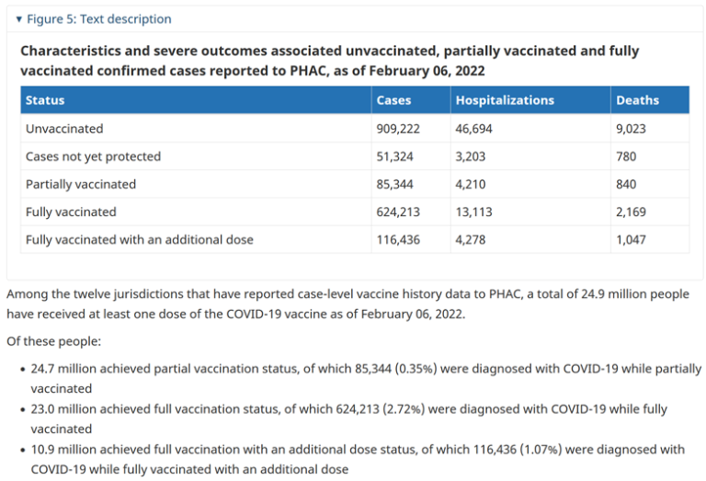
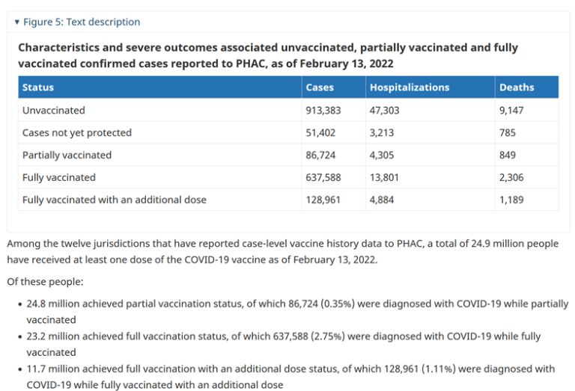
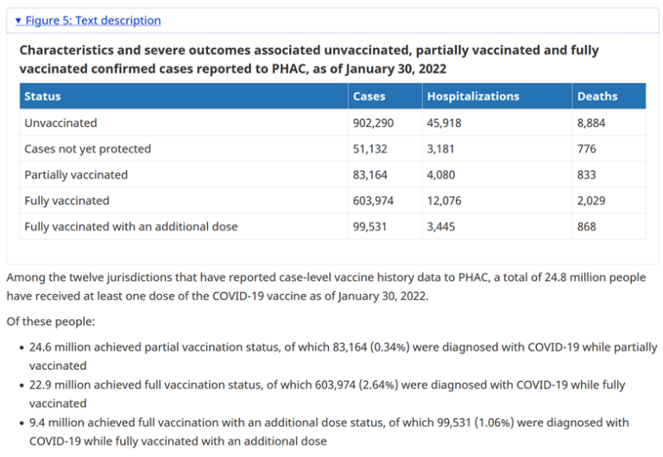

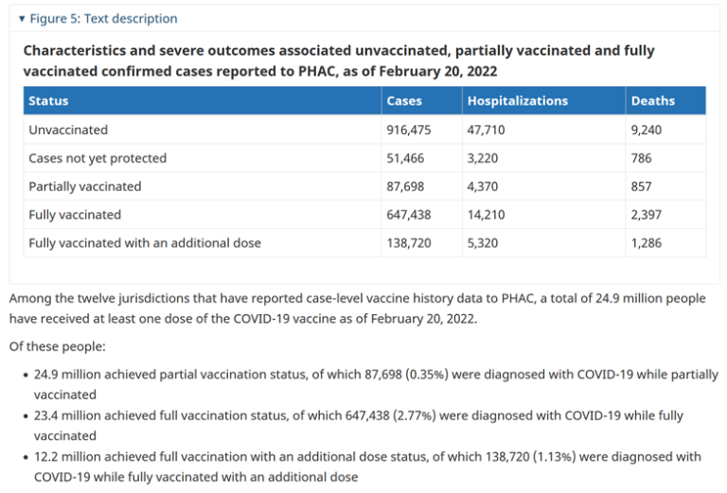
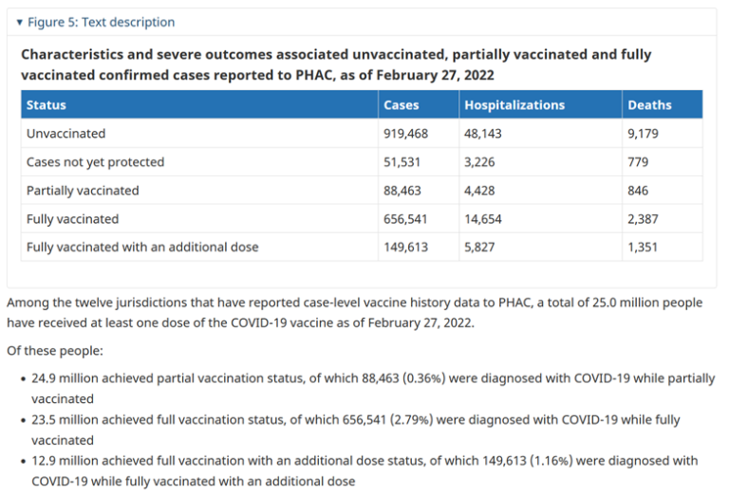
Source | Source

