ReWoTy
 |  |  |  | EZFH | MFH |  |  | Nutzwärme- Bedarf
 |  |  |  | alle BAK | alle BAK |  |  | Heizung | Warm- wasser | Hilfs- energie (Strom) | gesamt H+W | Endenergie Heizöl H+W | THGE
Basismodell 2025 |  |  |  |  |  | Basismodell 2025 |  | kWh/(m²a) | kWh/(m²a) | kWh/(m²a) | Nutzenergie | kWh/(m²a) | kg/mWfl² | kg/mAcref² | kg/mBGF²
Grunddaten Gesamtbestand |  |  |  |  |  | EZFH | bis 1978 | 179.84387805 | 11 | 5.27 | 190.8 | 194.7 | 62.3 | 56.6 | 48.1
Wohnfläche Gesamtbestand |  |  | 10^6 m² | 2,377.1 | 1,682.9 |  | 1979 – 2001 | 133.63285074 | 11 | 5.13 | 144.6 | 147.6 | 47.6 | 43.3 | 36.8
Endenergie H + W bezogen auf Wohnfläche (Brennwert) |  |  |  |  |  |  | 2002 – 2025 | 69.581200395 | 11 | 4.79 | 80.6 | 82.2 | 27.2 | 24.8 | 21.1
Gas |  |  | kWh/(m²a) | 96.8 | 88.5 | MFH | bis 1978 | 123.39746221 | 16.5 | 2.20 | 139.9 | 142.8 | 45.1 | 41.0 | 34.8
Heizöl |  |  | kWh/(m²a) | 48.6 | 20.9 |  | 1979 – 2001 | 111.92891504 | 16.5 | 2.46 | 128.4 | 131.0 | 41.5 | 37.7 | 32.1
Kohle |  |  | kWh/(m²a) | 1.7 | 0.1 |  | 2002 – 2025 | 56.302405989 | 16.5 | 2.61 | 72.8 | 74.3 | 24.0 | 21.8 | 18.5
Biomasse (Holz) |  |  | kWh/(m²a) | 34.5 | 5.8
Fernwärme |  |  | kWh/(m²a) | 7.2 | 27.0
Strom |  |  | kWh/(m²a) | 13.1 | 10.2 |  |  |  |  |  |  | Jahresnutzungsgrad Heizölkessel
Summe Endenergie |  |  | kWh/(m²a) | 202.0 | 152.6 |  |  |  |  |  |  | 0.98

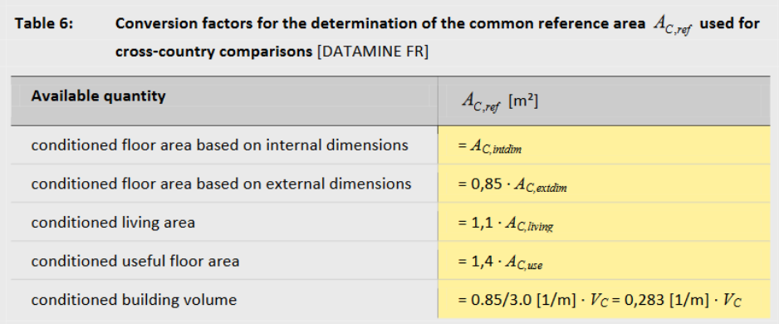
 |  |  | kg CO2-Äq./(m²a) | 20.7 | 18.9
 |  |  | kg CO2-Äq./(m²a) | 14.2 | 6.1
 |  |  | kg CO2-Äq./(m²a) | 0.7 | 0.0
 |  |  | kg CO2-Äq./(m²a) | 0.5 | 0.1
 |  |  | kg CO2-Äq./(m²a) | 1.2 | 4.5
 |  |  | kg CO2-Äq./(m²a) | 4.8 | 3.7
 |  | Heizung+TWW | kg CO2-Äq./(m²a) | 42.2 | 33.4
 |  | Strom | kg CO2-Äq./(m²a) | 1.85 | 0.89
 |  | gesamt | kg CO2-Äq./(m²a) | 44.01 | 34.31
 |  | Acref |  | 40.0 | 31.2
 |  | BGF |  | 34.0 | 26.5

 | Treibhausgasemissionen (THG) [g CO2-Äqu./kWhEnd]
Erdgas | 237
Heizöl | 310
(Braun-)Kohle | 448
Holz-Pellets | 17
Fernwärme | 168
Strom | 366

Röck et al
 |  | gTHGE |  |  |  | gTHGE
Röck et al -Towards embodied carbon benchmarks for buildings in Europe |  | kgCO2eq/m² |  |  |  | kgCO2eq/m²a (50 years) |  |  | Anmerkungen
 |  | Minimum | Median | Average | Maximum | Minimum | Average | Maximum |  |  | n
WG | Single family house | 425.50 | 591.13 | 588.97 | 761.97 | 8.5 | 11.8 | 15.2 |  |  | 382
 | Multi-family house | 228.51 | 649.60 | 642.77 | 979.96 | 4.6 | 12.9 | 19.6 |  |  | 193
 | Row house | 220.00 | 361.53 | 397.63 | 589.13 | 4.4 | 8.0 | 11.8 |  |  | 40
 | semi-detached | 370.02 | 535.40 | 502.90 | 629.43 | 7.4 | 10.1 | 12.6 |  |  | 19
NWG | Office | 106.88 | 426.71 | 573.47 | 899.65 | 2.1 | 11.5 | 18.0 |  |  | 57
 | Hospital and health | 305.50 | 969.93 | 778.49 | 1060.04 | 6.1 | 15.6 | 21.2 | few data available |  | 3
 | School and daycare | 264.69 | 477.00 | 693.14 | 1341.41 | 5.3 | 13.9 | 26.8 |  |  | 25
 | Sport and entertainment | 556.77 | 782.75 | 782.75 | 1008.74 | 11.1 | 15.7 | 20.2 | few data available |  | 2
 | Hotel and resort | 301.83 | 331.38 | 347.55 | 409.45 | 6.0 | 7.0 | 8.2 | few data available |  | 3
 | Retail and restaurant | 390.70 | 590.98 | 553.62 | 690.18 | 7.8 | 11.1 | 13.8 |  |  | 13
 | Art and culture | 348.00 | 457.50 | 445.50 | 489.00 | 7.0 | 8.9 | 9.8 | few data available | not enough data in Röcks original dataset (1, so use of the dataset of https://app.powerbi.com/view?r=eyJrIjoiZTFlOGFlMWMtNWI4NC00YWI2LWE5MGYtMzMzNzYzMjE2YTY4IiwidCI6ImM4ODIzYzkxLWJlODEtNGY4OS1iMDI0LTZjM2RkNzg5YzEwNiIsImMiOjh9&pageName=71e5cd5bb290e8565659) | 1
 | Mixed use | 810.00 | 810.00 | 810.00 | 810.00 | 16.2 | 16.2 | 16.2 | few data available |  | 1
 | Other | 314.50 | 365.00 | 380.76 | 490.00 | 6.3 | 7.6 | 9.8 | few data available |  | 5

Harmonized means | kgCO2eq/m² | kgCO2eq/m²a (50 years)
alle NWG | 819.8 | 16.4
alle WG | 618.19 | 12.4

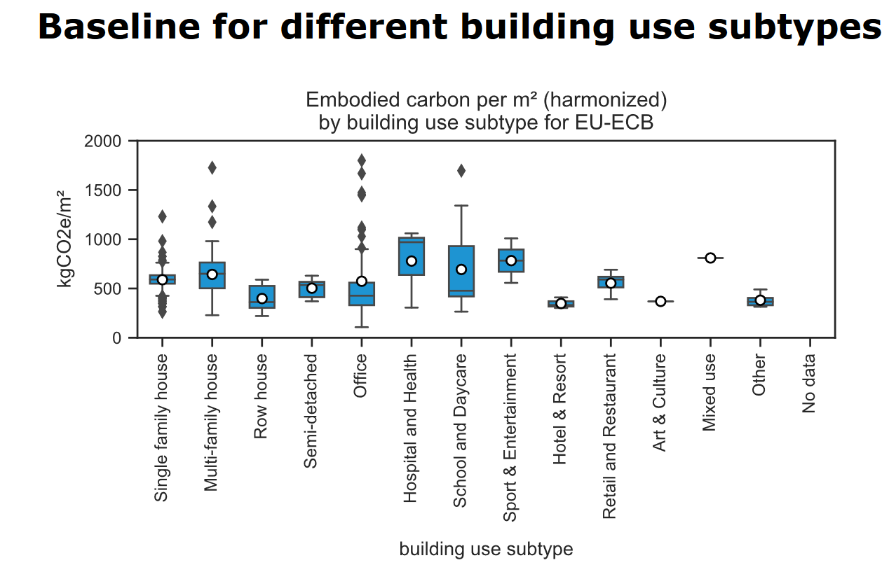

Raw data
 |  |  | median
bldg_use_subtype | count | min_whisker | 50% | mean | max_whisker |  |  |  | 25% | 75%
Art & Culture | 1 | 368.9260274 | 368.9260274 | 368.9260274 | 368.9260274 |  |  |  | 368.9260274 | 368.9260274
Hospital and Health | 3 | 305.5 | 969.9268945 | 778.48775533 | 1060.0363715 |  |  |  | 637.71344725 | 1014.981633
Hotel & Resort | 3 | 301.8292338 | 331.37734315 | 347.55331233 | 409.45336005 |  |  |  | 316.60328847 | 370.4153516
Mixed use | 1 | 810 | 810 | 810 | 810 |  |  |  | 810 | 810
Multi-family house | 193 | 228.50746725 | 649.599884 | 642.76818093 | 979.962196 |  |  |  | 501.8870355 | 763.6837295
Office | 57 | 106.87967265 | 426.71363445 | 573.46514914 | 899.6507265 |  |  |  | 330.591042 | 559
Other | 5 | 314.5 | 365 | 380.76225356 | 490 |  |  |  | 329.8112678 | 404.5
Retail and Restaurant | 13 | 390.7017398 | 590.9785 | 553.62136794 | 690.17645 |  |  |  | 511 | 618.7984
Row house | 40 | 220 | 361.53147485 | 397.63088585 | 589.126453 |  |  |  | 303.13484627 | 525.86608787
School and Daycare | 25 | 264.6930259 | 477 | 693.14127412 | 1341.40798 |  |  |  | 419.5 | 930.1153775
Semi-detached | 19 | 370.0186818 | 535.401149 | 502.89978439 | 629.429626 |  |  |  | 411.70235013 | 567.27258975
Single family house | 382 | 425.5 | 591.1344285 | 588.97248049 | 761.971 |  |  |  | 548.9845095 | 634.66583787
Sport & Entertainment | 2 | 556.774496 | 782.754895 | 782.754895 | 1008.735294 |  |  |  | 669.7646955 | 895.7450945

