Question1
1. ECP
0.0 | 0.1 49.9 | 50.0 75.0 | 75.1 124.9 | 125.0 250.0 | 250.1 1000.0

2. Decision Table

Battery Power (watts) | RULE1 | RULE2 | RULE3 | RULE4 | RULE5 | RULE6
CONDITIONS
Battery Power <0.1 | Y
0.1<=Battery Power<=49.9 |  | Y
50.0<=Battery Power<=75.0 |  |  | Y
75.1<=Battery Power<=124.9 |  |  |  | Y
125.0<=Battery Power<=250.0 |  |  |  |  | Y
250.1<=Battery Power<=1000.0 |  |  |  |  |  | Y

ACTIONS
SIREN | TRUE | FALSE | FALSE | FALSE | FALSE | FALSE
BELL | FALSE | TRUE | FALSE | FALSE | FALSE | FALSE
RED | FALSE | FALSE | TRUE | TRUE | FALSE | FALSE
YELLOW | FALSE | FALSE | FALSE | TRUE | TRUE | FALSE
GREEN | FALSE | FALSE | FALSE | FALSE | FALSE | TRUE

3.CFG and Cyclomatic Complexity (Cyclomatic complexity of the graph is 6)
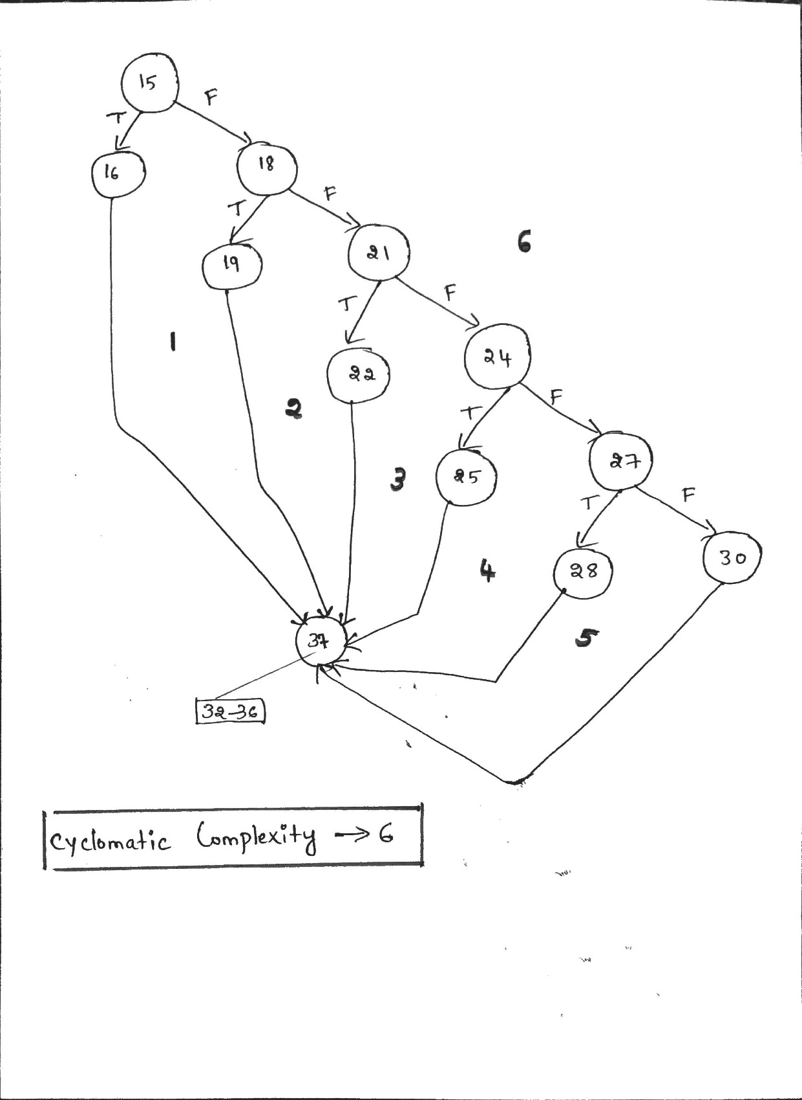

4.TEST CASE

Test Case Number | Inputs | Expected Outputs |  |  |  |  | Basis Path
 | Battery Power(Watts) | red | yellow | green | bell | siren
1 | 0.0 | FALSE | FALSE | FALSE | FALSE | TRUE | 15-16-37
2 | 49.9 | FALSE | FALSE | FALSE | TRUE | FALSE | 15-18-19-37
3 | 75.0 | TRUE | FALSE | FALSE | FALSE | FALSE | 15-18-21-22-37
4 | 124.9 | TRUE | TRUE | FALSE | FALSE | FALSE | 15-18-21-24-25-37
5 | 250.0 | FALSE | TRUE | FALSE | FALSE | FALSE | 15-18-21-24-27-28-37
6 | 250.1 | FALSE | FALSE | TRUE | FALSE | FALSE | 15-18-21-24-27-30-37
7 | 0.1 | FALSE | FALSE | FALSE | TRUE | FALSE | _
8 | 50.0 | TRUE | FALSE | FALSE | FALSE | FALSE | _
9 | 75.1 | TRUE | TRUE | FALSE | FALSE | FALSE | _
10 | 125.0 | FALSE | TRUE | FALSE | FALSE | FALSE | _
11 | 1000.0 | FALSE | FALSE | TRUE | FALSE | FALSE | extreme range

5. Code coverage achieved is full decision coverage (statement coverage) and full Boundary value coverage(BV) and extreme range value analysis

6. YES . TEST CASE SUPPORT THE DESCRIPTION

Question2
1. ECP
Premium
0.00 349.99 | 350.00 1250.00 | 1250.01 1999.99 | 2000.00 5000.00 | 5000.01 10,000.00

2. Decision Table

premium |  | RULE1 | RULE2 | RULE3 | RULE4 | RULE5
CONDITIONS

5000.01<=premium<=10000.00 |  | Y
2000.00<=premium<=5000.00 |  |  | Y
1250.01<=premium<=1999.99 |  |  |  | Y
350.00<=premium<=1250.00 |  |  |  |  | Y
0.00<=premium<=349.99 |  |  |  |  |  | Y

ACTIONS
discount |  | 0.20 | 0.15 | 0.10 | 0.05 | 0.00

3.CFG and Cyclomatic Complexity (Cyclomatic complexity of the graph is 9)
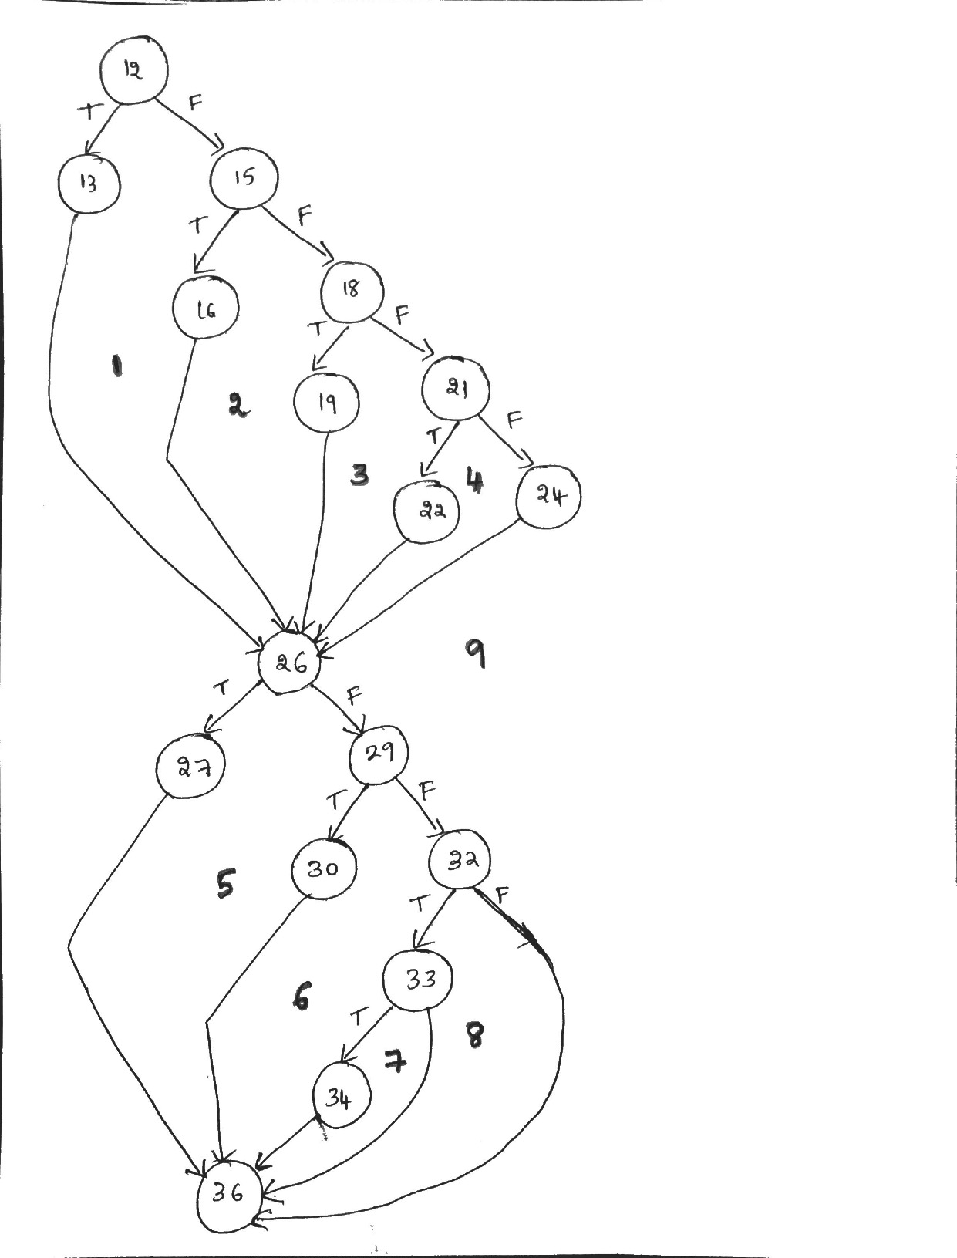

4.TEST CASE

Test Case Number | Inputs |  |  |  |  |  | Expected Output |  | Basis Path | MCDC stmt 26-34
 | premium | policyHolder | yearsMember | multiPolicies | SafetyRating | taxRate | primeStatus | totalPremium
1 | 5000.01 | TRUE | 5 | TRUE | 500 | 0.0825 | TRUE | 4340.01 | 12-13-26-27-36 | MCDC TFTF
2 | 2000.00 | TRUE | 5 | TRUE | 500 | 0.0825 | TRUE | 1844.50 | 12-15-16-26-27-36 | MCDC TFTF
3 | 1250.01 | TRUE | 5 | TRUE | 500 | 0.0825 | TRUE | 1220.63 | 12-15-18-19-26-27-36 | MCDC TFTF
4 | 350.00 | TRUE | 5 | TRUE | 500 | 0.0825 | TRUE | 360.76 | 12-15-18-21-22-26-27-36 | MCDC TFTF
5 | 349.99 | FALSE | 6 | TRUE | 500 | 0.0825 | TRUE | 379.74 | 12-15-18-21-24-26-29-30-36 | MCDC FTTF
6 | 349.99 | FALSE | 5 | TRUE | 501 | 0.0825 | TRUE | 379.74 | 12-15-18-21-24-26-29-32-33-34-36 | MCDC FFTT
7 | 349.99 | FALSE | 5 | TRUE | 500 | 0.0825 | FALSE | 379.74 | 12-15-18-21-24-26-29-32-33-36 | MCDC FFTF
8 | 349.99 | FALSE | 5 | FALSE | 501 | 0.0825 | FALSE | 379.74 | 12-15-18-21-24-26-29-32-36 | MCDC FFFT
9 | 349.99 | TRUE | 5 | TRUE | 500 | 0.0825 | TRUE | 379.74 | 12-15-18-21-24-26-27-36 | MCDC TFTF
10 | 5000.00 | TRUE | 5 | TRUE | 500 | 0.0825 | TRUE | 4611.25 | Untested BV
11 | 1999.99 | TRUE | 5 | TRUE | 500 | 0.0825 | TRUE | 1952.99 | Untested BV
12 | 1250.00 | TRUE | 5 | TRUE | 500 | 0.0825 | TRUE | 1288.44 | Untested BV
13 | 0.00 | TRUE | 5 | TRUE | 500 | 0.0825 | TRUE | 0.00 | Premium extreme range
14 | 10000.00 | TRUE | 5 | TRUE | 500 | 0.0825 | TRUE | 8680.00 | Premium extreme range
15 | 349.99 | FALSE | 0 | TRUE | 501 | 0.0825 | TRUE | 379.74 | yearsmemnber extreme range
16 | 349.99 | FALSE | 50 | FALSE | 501 | 0.0825 | TRUE | 379.74 | yearsmemnber extreme range
17 | 349.99 | FALSE | 5 | TRUE | 1 | 0.0825 | FALSE | 379.74 | safetyrating extreme range
18 | 349.99 | FALSE | 5 | TRUE | 999 | 0.0825 | TRUE | 379.74 | safetyrating extreme range

policyHolder | a
yearsMember | b
multiPolicies | c
safetyRating | d

(a + b+ cd)

COI a | XFFF | XFTF | XFFT
COI b | FXFF | FXTF | FXFT
COI c | FFXT | FFFT,FFTT
COI d | FFTX | FFTT,FFTF

COI | FFFT | FFTT | FFTF | TFTF | FTTF

 | policyHolder | yearsMember | multiPolicies | safetyRating | Test case #
FFFT | FALSE | 5 | FALSE | 501 | 8
FFTT | FALSE | 5 | TRUE | 501 | 6
FFTF | FALSE | 5 | TRUE | 500 | 7
TFTF | TRUE | 5 | TRUE | 500 | 1,2,3,4,9
FTTF | FALSE | 6 | TRUE | 500 | 5

5. Code coverage achieved is full decision coverage (statement coverage) and full Boundary value coverage(BV) and extreme range value analysis

6. YES . TEST CASE SUPPORT THE DESCRIPTION

Question3
1. ECP
distance
0.0. 74.9 | 75.0 100.0 | 100.1 199.9 | 200.0 1000.0

speed
0.0 40.0 | 40.1 65.0 | 65.1 100.0

distance(for extra block)

0.0 49.9 | 50.0 1000.0

2. Decision Table

Distance |  | RULE1 | RULE2 | RULE3 | RULE4 | RULE5
CONDITIONS
distance |  |  |  |  |  | All other cases
0.0<=distance<=74.9 |  |  |  |  | Y
75.0<=distance<=100.0 |  |  |  | Y
100.1<=distance<=199.9 |  |  | Y
200.0<=distance<=1000.0 |  | Y

ACTIONS

greenlight |  | TRUE |  |  |  | FALSE
yellowlight |  |  | TRUE |  |  | FALSE
redlight |  |  |  | TRUE | TRUE | FALSE
caution |  |  |  | TRUE |  | FALSE
warning |  |  |  |  | TRUE | FALSE

(EXTRA DECISION TABLE- WHEN I CONSIDERED 22-26(OPTIONAL))

Distance |  | RULE1 | RULE2 | RULE3 | RULE4 | RULE5
CONDITIONS
distance |  |  |  |  |  | All other cases
0.0<=distance<=74.9 |  |  |  |  | Y
75.0<=distance<=100.0 |  |  |  | Y
100.1<=distance<=199.9 |  |  | Y
200.0<=distance<=1000.0 |  | Y

speed
0.0<=speed<=40.0
40.1<=speed<=65.0 |  | Y
65.1<=speed<=100.0

cruiseRequested |  | TRUE | TRUE | TRUE | TRUE
distance>=50 |  | TRUE | TRUE | TRUE | TRUE

ACTIONS

greenlight |  | TRUE |  |  |  | FALSE
yellowlight |  |  | TRUE |  |  | FALSE
redlight |  |  |  | TRUE | TRUE | FALSE
caution |  |  |  | TRUE |  | FALSE
warning |  |  |  |  | TRUE | FALSE
cruiseEngaged |  | TRUE | TRUE | TRUE | TRUE | FALSE

3.CFG and Cyclomatic Complexity (Cyclomatic complexity of the graph is 8)

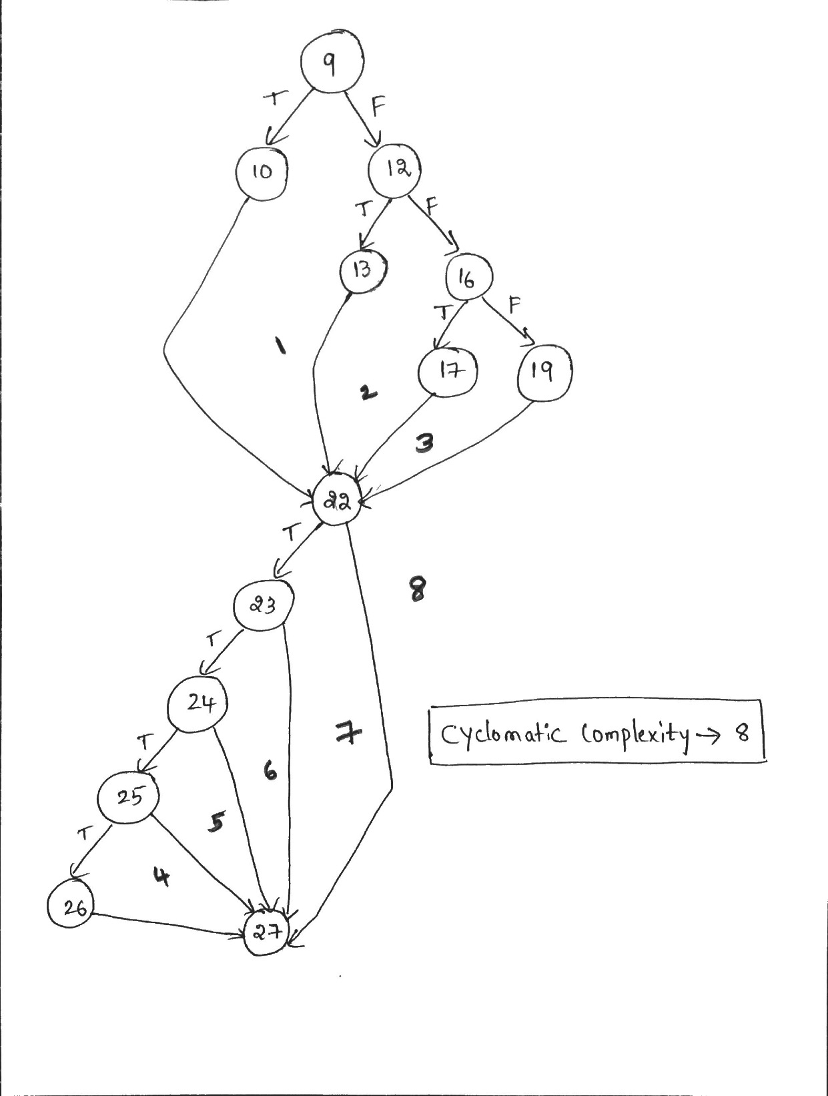

4.TEST CASE

Test Case | Inputs |  |  | Expected Output |  |  |  |  |  | Basis Path | MCDC stmt 22-26
 | distance | cruiseRequested | speed | redLight | yellowLight | greenLight | caution | warning | cruiseEngaged
1 | 200.0 | TRUE | 65.0 | FALSE | FALSE | TRUE | FALSE | FALSE | TRUE | 9-10-22-23-24-25-26-27
2 | 100.1 | TRUE | 65.0 | FALSE | TRUE | FALSE | FALSE | FALSE | TRUE | 9-12-13-22-23-24-25-26-27
3 | 75.0 | TRUE | 65.0 | TRUE | FALSE | FALSE | TRUE | FALSE | TRUE | 9-12-16-17-22-23-24-25-26-27
4 | 74.9 | FALSE | 65.0 | TRUE | FALSE | FALSE | FALSE | TRUE | FALSE | 9-12-16-19-22-27
5 | 74.9 | TRUE | 65.0 | TRUE | FALSE | FALSE | FALSE | TRUE | FALSE | 9-12-16-19-22-23-27
6 | 74.9 | TRUE | 40.0 | TRUE | FALSE | FALSE | FALSE | TRUE | FALSE | 9-12-16-19-22-23-24-27
7 | 74.9 | TRUE | 65.1 | TRUE | FALSE | FALSE | FALSE | TRUE | FALSE | 9-12-16-19-22-23-24-25-27
8 | 74.9 | TRUE | 65.0 | TRUE | FALSE | FALSE | FALSE | TRUE | TRUE | 9-12-16-19-22-23-24-25-26-27
9 | 50.0 | TRUE | 65.0 | TRUE | FALSE | FALSE | FALSE | TRUE | TRUE | _ | MCDC TTT
10 | 49.9 | TRUE | 65.0 | TRUE | FALSE | FALSE | FALSE | TRUE | FALSE | _ | MCDC FTT
11 | 50.0 | TRUE | 40.0 | TRUE | FALSE | FALSE | FALSE | TRUE | FALSE | _ | MCDC TFT
12 | 50.0 | TRUE | 65.1 | TRUE | FALSE | FALSE | FALSE | TRUE | FALSE | _ | MCDC TTF
13 | 0.0 | TRUE | 65.0 | TRUE | FALSE | FALSE | FALSE | TRUE | TRUE | Extreme range distance
14 | 1000.0 | TRUE | 65.0 | FALSE | FALSE | TRUE | FALSE | FALSE | TRUE | Extreme range distance
15 | 74.9 | TRUE | 0.0 | FALSE | FALSE | TRUE | FALSE | FALSE | FALSE | Extreme range speed
16 | 74.9 | TRUE | 100.0 | FALSE | FALSE | TRUE | FALSE | FALSE | FALSE | Extreme range speed
17 | 100.0 | TRUE | 65.0 | TRUE | FALSE | FALSE | TRUE | FALSE | TRUE | Missing BV values
18 | 199.9 | TRUE | 65.0 | FALSE | TRUE | FALSE | FALSE | FALSE | TRUE | Missing BV values
19 | 200.0 | TRUE | 40.1 | FALSE | FALSE | TRUE | FALSE | FALSE | TRUE | Missing BV values for speed

Statement 22 to 26 (MCDC TEST Multiple condition single decision)

distance>=50.0&&speed>40.0 && speed<=65.0

 |  | distance | speed | test case #

TTT |  | 50.0 | 65.0 | test case 9
FTT |  | 49.9 | 65.0 | test case 10
TFT |  | 50.0 | 40.0 | test case 11
TTF |  | 50.0 | 65.1 | test case 12

5. Code coverage achieved is full decision coverage (statement coverage) and full Boundary value coverage(BV) and extreme range value analysis

6. YES . TEST CASE SUPPORT THE DESCRIPTION

Question4
1. ECP
Speed
0.0 149.9 | 150.0 500.0 49.9 | 500.1 1,000.0

Altitude
0.0 1000.0 | 1000.1 2499.9 49.9 | 2500.0 4999.9 | 5000.0 10,000.0

2. Decision Table

Speed (MPH) Altitude(Feet) |  | RULE1 | RULE2 | RULE3 | RULE4
CONDITIONS
Landing |  | TRUE | TRUE | FALSE | All Other Cases

0.0<=speed<=149.9
150.0<=speed<=500.0 |  |  | Y
500.1<=speed<=1000.0 |  | Y

0.0<=Altitude<=1000.0
1001.0<=Altitude<=2499.9 |  |  | Y
2500.0<=Altitude<=4999.9 |  | Y
5000.0<=Altitude<=10000.0

ACTIONS

Action |  | EngageRetro | DepolyPods | DisengageRetro | Nothing

3.CFG and Cyclomatic Complexity (Cyclomatic complexity of the graph is 8 )
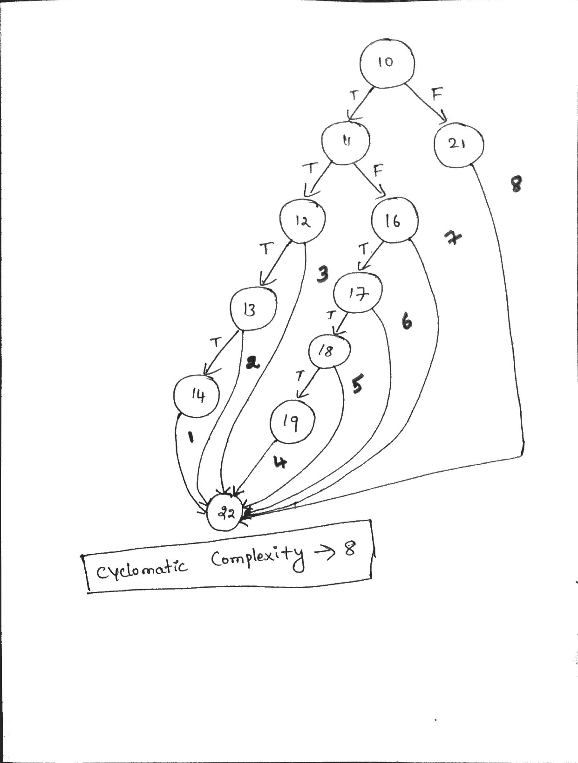

4.TEST CASE

Test Case Number | Inputs |  |  | Exp Output | Basis Path | MCDC
 | Landind | Speed(mph) | Altitude(feet) | Return
1 | TRUE | 500.1 | 4999.9 | EngageRetro | 10-11-12-13-14-22 | STMT 14 MCDC
2 | FALSE | 500.1 | 4999.9 | DisengageRetro | 10_21-22 | STMT 14 MCDC
3 | TRUE | 150.0 | 2499.9 | DeployRetro | 10-11-16-17-18-19-22 | STMT 19 MCDC
4 | TRUE | 500.1 | 2499.9 | Nothing | 10-11-12-22 | STMT 14 MCDC
5 | TRUE | 149.9 | 1000.1 | Nothing | 10-11-16-22 | STMT 19 MCDC
6 | TRUE | 500.1 | 5000.0 | Nothing | 10-11-12-13-22 | STMT 14 MCDC
7 | TRUE | 150.0 | 1000.0 | Nothing | 10-11-16-17-22 | STMT 19 MCDC
8 | TRUE | 150.0 | 2500.0 | Nothing | 10-11-16-17-18-22 | STMT 19 MCDC
9 | TRUE | 500.0 | 2500.0 | Nothing | _ | MCDC FTT
11 | TRUE | 1000.0 | 4999.9 | EngageRetro | _ | extreme range speed
12 | TRUE | 0.0 | 4999.9 | Nothing | _ | extreme range speed
13 | TRUE | 500.1 | 1000.0 | Nothing | _ | extreme range altitude
14 | TRUE | 500.1 | 0.0 | Nothing | _ | extreme range altitude

Statement 10 to 14 (MCDC TEST Multiple condition single decision)

( speed>500.0 && altitude>=2500.0 && altitude <5000.0)

 |  | speed | altitude | Test Case #
TTT |  | 500.1 | 4999.9 | Test Case 1
FTT |  | 500.0 | 2500.0 | Test Case 9
TFT |  | 500.1 | 2499.9 | Test Case 4
TTF |  | 500.1 | 5000.0 | Test Case 6

( speed<=500.0 && altitude >1000.0 && altitude<2500.0)

 |  | speed | altitude | Test Case #
TTT |  | 150.0 | 2499.9 | Test Case 3
FTT |  | 149.9 | 1000.1 | Test Case 5
TFT |  | 150.0 | 1000.0 | Test Case 7
TTF |  | 150.0 | 2500.0 | Test Case 8

5. Code coverage achieved is full decision coverage (statement coverage) and full Boundary value coverage(BV) and extreme range value analysis

6. YES . TEST CASE SUPPORT THE DESCRIPTION

Question5
1. ECP

~6.00 ~4.01 | ~4.00. ~2.01 | ~2.00 1.99 | 2.00 3.99 | 4.00 8.00

2. GRAPH

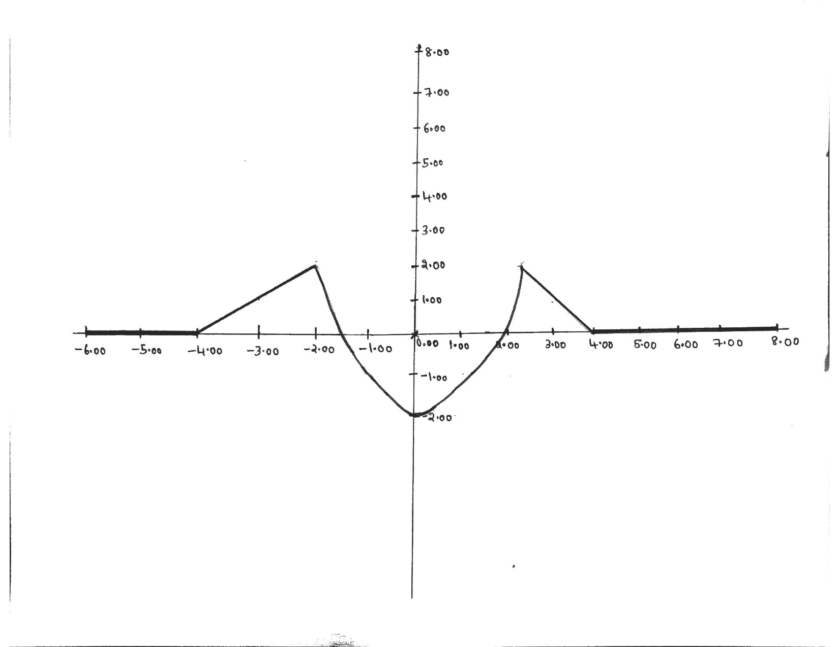

3.CFG and Cyclomatic Complexity (Cyclomatic complexity of the graph is 5)
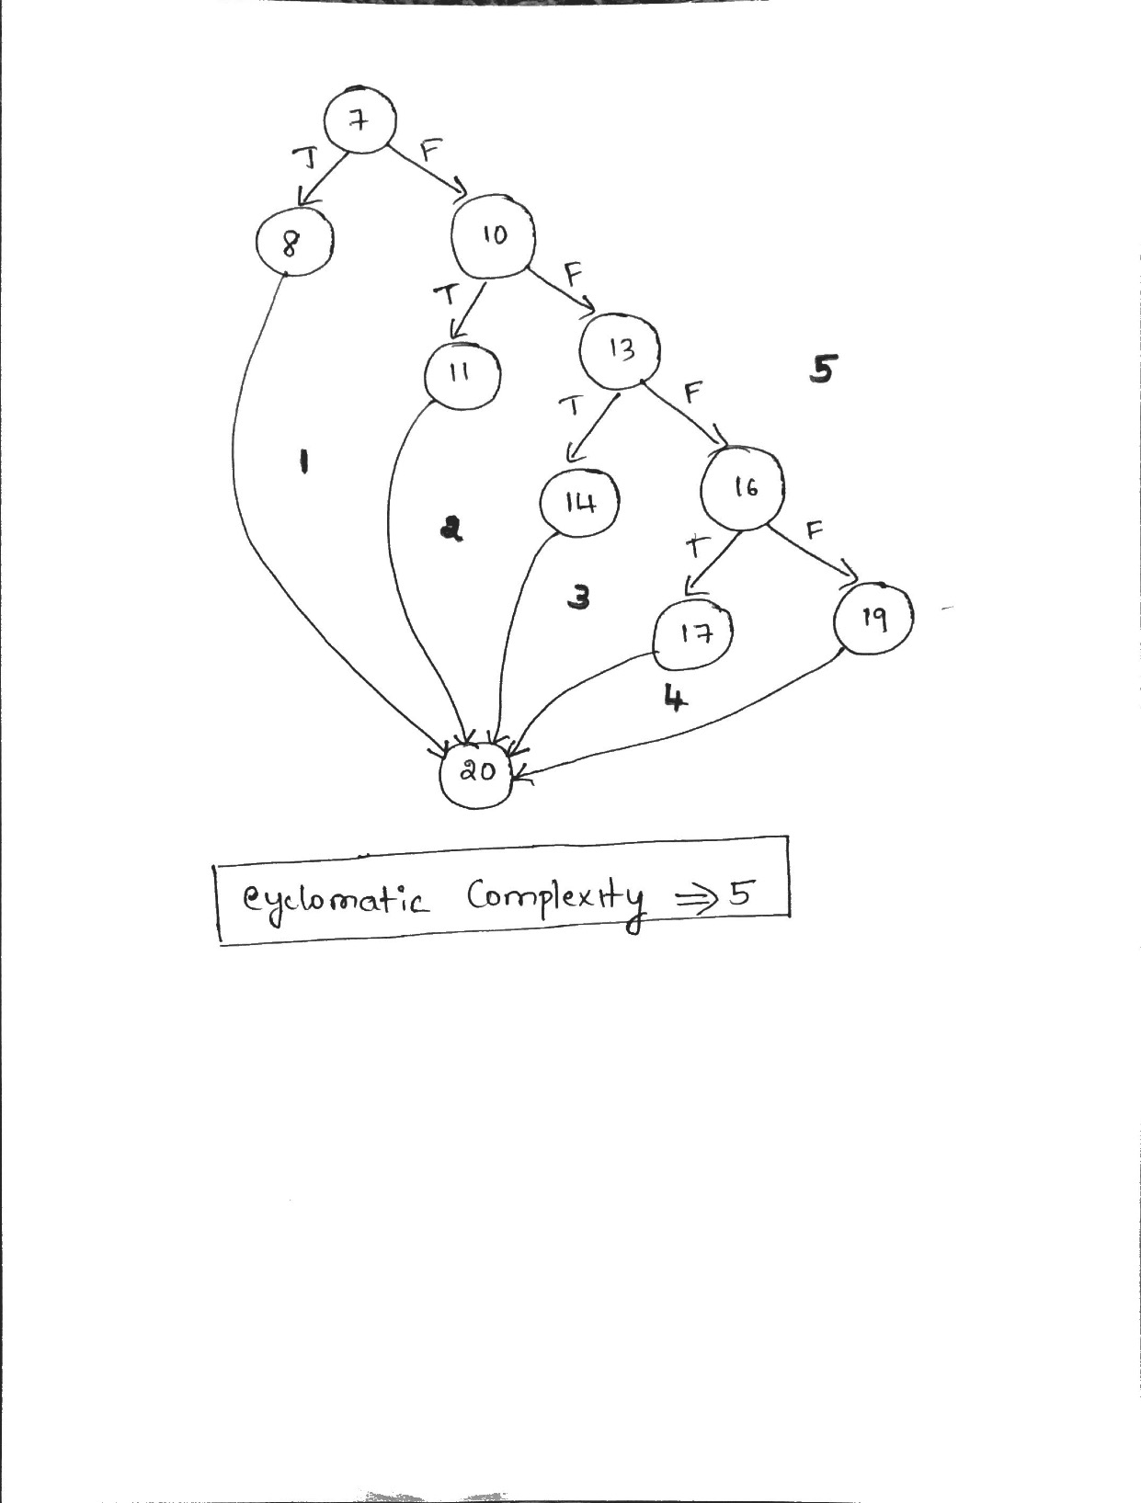

4.TEST CASE

Test Case Number | Inputs | Exp Out | Basis Path Tested
 | X | Y
1 | -4.01 | 0.00 | 7_8_20
2 | -2.01 | 1.99 | 7-10-11-20
3 | 1.99 | 1.96 | 7-10-13-14-20
4 | 3.99 | 0.01 | 7-10-13-16-17-20
5 | 4.00 | 0.00 | 7-10-13-16-19-20
6 | -4.00 | 0.00 | _
7 | -2.00 | 2.00 | _
8 | 2.00 | 2.00 | _
9 | -6.00 | 0.00 | extreme range low
10 | 8.00 | 0.00 | extreme range high
11 | 3.00 | 1.00 | linear1 mid point
12 | -3.00 | 1.00 | linear2 mid point
13 | 0.00 | -2.00 | parabola mid
14 | 1.00 | -1.00 | parabola either side

5. Code coverage achieved is full decision coverage (statement coverage) and full Boundary value coverage(BV) and extreme range value analysis

6. YES . TEST CASE SUPPORT THE DESCRIPTION

