Typical Stages
Types of Text Analytics
 | Descriptive | Get the higher level descriptions | word count
 |  | terms, phrases, Parts of Speech
 |  | Meaningful associations
 |  | reporting (word cloud, freq tables etc)

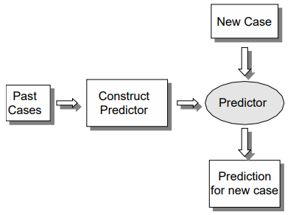
 | Predictive | Text Categorization (Classification) | 99% of all problems
 |  | Information Extractions - predict the chunk boundaries
 |  | Summarization - representativeness of the text segments
 |  | Search Engine Building.
 |  | Word Prediction (autocorrect)
 |  | Emoji Prediction

Stages

Data Collection
 | Web Scrapping
 | Social Media APIs | Twitter, Facebook etc
 | Conduct Surveys
 | From a database

Creating Corpus | It's a database of documents
 | Corpus | Collection of documents
 | Document | Collection of words
 | Word | Collection of letters

Data Formats | text
 | csv
 | html
 | xml
 | pdf

Data Processing | Splitting | Tokenization | Sentence to words (placed inside a 1d array)

 | Identify and Replace | Synonymous Words
 |  | Abbreviations
 |  | Typos
 |  | Standardize the Cases (all to lower)

 | Remove | duplicates
 |  | special characters
 |  | stopwords/commonly used words | Identify English and non English words written in Latin script
 |  | Stemming - Lemmitization | Relevant matches for all possible form of words is needed
 |  |  | Eg. Beachesshould reveal beach as well
 | Perform | Stemming | Indiscriminately cuts prefixes and suffixes
 |  |  | studies - studi
 |  | (not so successful always) | studying - study
 |  |  | The Boys and the girls - boy girl
 |  |  | Der Manner und die Frauen - Mann Frau

 |  | Lemmitization | takes into consideration the morphological analysis of the words
 |  |  | studies - 3rd person singular, present tense -> study
 |  |  | studying - present continious tense -> study
 |  |  | Er liest die Zeitung - remove Er (he), leist to lessen/lese -> lese Zeitung
 |  |  | Sie isst einen Apfel -> remove Sie(she), isst to essen/esse, einen to ein, Apfel
 |  |  | finally -> esse ein Apfel

 |  | Named Entity Recognition | Identify Proper Nouns
 |  |  | Animal Place Name Thing

 |  | Part of Speech Tagging | All 13 parts of speech

 | Convert | Text Data to Structured Data | describes the frequency of terms that occur in a collection of documents
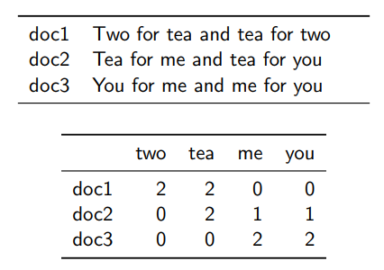
 |  | Term-Document Matrix

 |  | Document-Term Matrix | Inverse of above

 |  | Unigrams in TDM (Bag of words) | One single word
 |  | (vector space model) | Or vocabulary of known words
 |  |  | A measure of the occurance of those words

 |  | Bigrams/N-grams | They're phrases made out of unigrams
 |  |  | Typically are collected from a text or speech corpus
 |  |  | what is the likelihood of the next letter?
 |  |  | From training data, one can derive a probability distribution for the next letter given a history of size n

 |  | Term Frequency (TF) | the number of times each word appeared in each document.
 |  | Inverse Document Frequency (IDF) | used to calculate the weight of rare words across all documents in the corpus
 |  |  | Words that occur rarely in the corpus have a high IDF score.

 |  |  | TF = no of times the word occurred/total words in that document

 |  |  | log of N (no of documents in question)/No of documents that contain that word

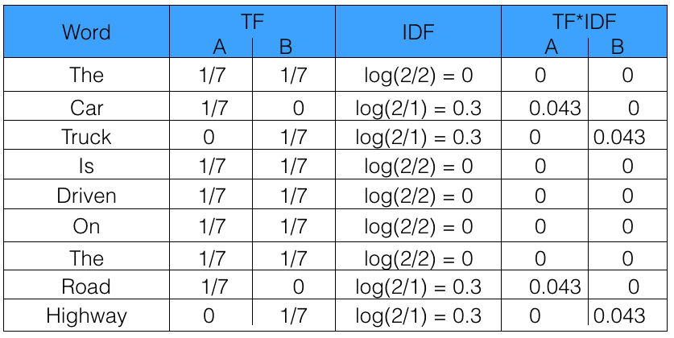

 |  | Document 1 | Sentence 1 : The car is driven on the road.
 |  | Document 2 | Sentence 2: The truck is driven on the highway.

 |  | TFIDF.ipynb

