Biyokimya
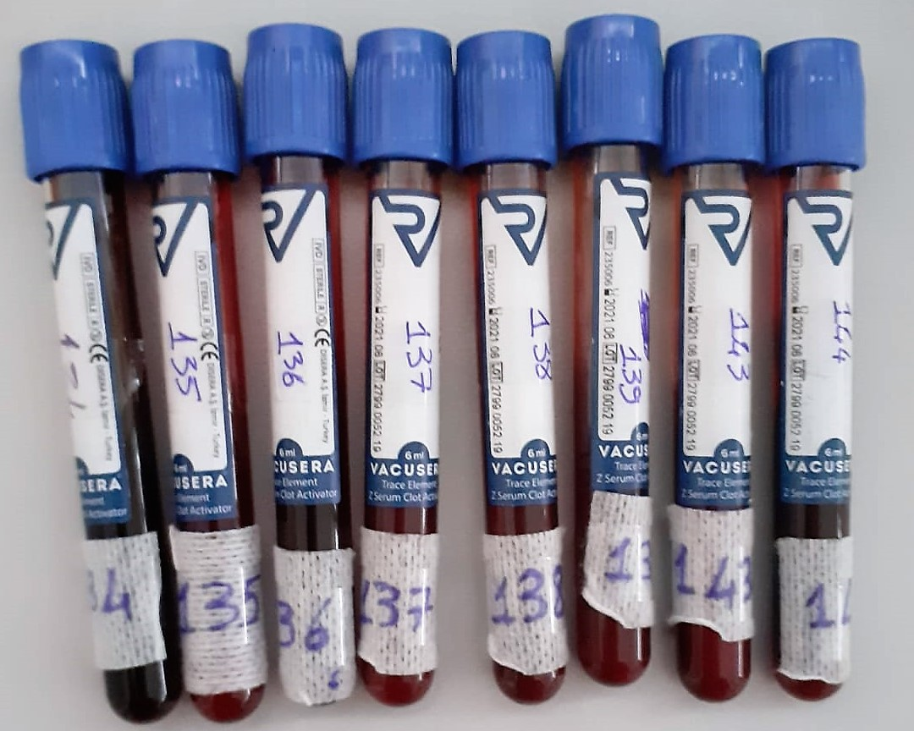
Numune Adı | Kurşun | Civa | Kadmiyum
Referans aralıkları | 1-200ug/L | 0.03-100ug/L | 0.07-100 ug/L
Yöntem | ICP-MS | ICP-MS | ICP-MS
134 | <1 | 0.05 | 0.348486949543177
135 | <1 | 0.11 | 0.0946194488015031
136 | <1 | 0.04 | 0.186059858113357
137 | <1 | 0.1 | 0.165426685295419
138 | <1 | 0.16 | 0.191829253572664
139 | <1 | 0.1 | 0.0735098750403279
143 | <1 | 0.07 | 0.775915198587391
144 | <1 | 0.03 | 0.180134898925929

