TNF-ALFA
2.406 | 0.285 | 0.431 | 0.486 | 0.415 | 2.322 | 2.894 | 2.971 | 2.885 | 2.388 | 2.588
1.538 | 0.15 | 0.41 | 0.443 | 0.344 | 2.455 | 2.759 | 2.879 | 2.893 | 2.563 | 2.461
1.1 | 0.218 | 0.485 | 0.222 | 0.365 | 2.846 | 2.814 | 2.869 | 2.707 | 2.419 | 2.572
0.827 | 0.196 | 0.494 | 0.235 | 0.252 | 2.363 | 2.935 | 2.991 | 2.604 | 2.495
0.467 | 0.233 | 0.371 | 0.395 | 0.369 | 2.448 | 2.891 | 2.994 | 2.504 | 2.511
0.254 | 0.212 | 0.384 | 0.401 | 0.336 | 2.866 | 2.788 | 2.849 | 2.419 | 2.7
0.161 | 0.216 | 0.377 | 0.362 | 2.187 | 2.946 | 2.775 | 2.887 | 2.747 | 2.674
0.088 | 0.441 | 0.521 | 0.417 | 2.214 | 2.965 | 2.973 | 2.983 | 2.488 | 2.703

TNF-ALFA
 | abs | abs-blank | expected | result
std1 | 2.406 | 2.318 | 1000 | 1010.54
srd2 | 1.538 | 1.45 | 500 | 459.09
std3 | 1.1 | 1.012 | 250 | 259.33
std4 | 0.827 | 0.739 | 125 | 161.46
std5 | 0.467 | 0.379 | 62.5 | 63.68
std6 | 0.254 | 0.166 | 31.25 | 22.57
std7 | 0.161 | 0.073 | 15.63 | 8.53
blank | 0.088 | 0 | 0 | 0.00

 |  |  |  |  |  |  |  |  | concentratıon (pg/ml)

Numune | absorbans | blank | abs-blank | result
KONTROL-D1 | 0.285 | 0.088 | 0.197 | 27.78
KONTROL-D2 | 0.15 | 0.088 | 0.062 | 7.03
KONTROL-K3 | 0.218 | 0.088 | 0.13 | 16.85
KONTROL-K4 | 0.196 | 0.088 | 0.108 | 13.54
KONTROL-K7 | 0.233 | 0.088 | 0.145 | 19.19
KONTROL-K8 | 0.212 | 0.088 | 0.124 | 15.94
KONTROL-K9 | 0.216 | 0.088 | 0.128 | 16.55
Hipoksik İskemi-H1-3-ilk set | 0.441 | 0.088 | 0.353 | 57.99
Hipoksik İskemi-H1-3-2. set | 0.431 | 0.088 | 0.343 | 55.86
Hipoksik İskemi-H1-7-ilk set | 0.41 | 0.088 | 0.322 | 51.46
Hipoksik İskemi-H1-7-2. set | 0.485 | 0.088 | 0.397 | 67.72
Hipoksik İskemi-H1-7-3. set | 0.494 | 0.088 | 0.406 | 69.78
Hipoksik İskemi-H1-8 | 0.371 | 0.088 | 0.283 | 43.61
Hipoksik İskemi-H1-9 | 0.384 | 0.088 | 0.296 | 46.18
Hipoksik İskemi-H1-12 | 0.377 | 0.088 | 0.289 | 44.79
1 mg Doz-1-1.set | 0.521 | 0.088 | 0.433 | 76.08
1 mg Doz-11 | 0.486 | 0.088 | 0.398 | 67.95
1 mg Doz-1-2.set | 0.443 | 0.088 | 0.355 | 58.42
1 mg Doz-2 | 0.222 | 0.088 | 0.134 | 17.47
1 mg Doz-2-çiftinci | 0.235 | 0.088 | 0.147 | 19.51
2,5 mg Doz-3 | 0.395 | 0.088 | 0.307 | 48.39
2,5 mg Doz-4 | 0.401 | 0.088 | 0.313 | 49.61
2,5 mg Doz-2 | 0.362 | 0.088 | 0.274 | 41.86
2,5 mg Doz-4-2.set | 0.417 | 0.088 | 0.329 | 52.91
2,5 mg Doz-4-2.set-çiftinci | 0.415 | 0.088 | 0.327 | 52.49
5 mg Doz-9 | 0.344 | 0.088 | 0.256 | 38.42
5 mg Doz-11 | 0.365 | 0.088 | 0.277 | 42.44
5 mg Doz-12 | 0.252 | 0.088 | 0.164 | 22.24
5 mg Doz-13 | 0.369 | 0.088 | 0.281 | 43.22
5 mg Doz-13-çiftinci | 0.336 | 0.088 | 0.248 | 36.92
Kontrol-K1 | 2.187 | 0.088 | 2.099 | 851.90
Kontrol-K2 | 2.214 | 0.088 | 2.126 | 870.75
Kontrol-K3 | 2.322 | 0.088 | 2.234 | 948.14
Kontrol-K4 | 2.455 | 0.088 | 2.367 | 1047.84
Kontrol-K5 | 2.846 | 0.088 | 2.758 | 1369.06
Kontrol-K7 | 2.363 | 0.088 | 2.275 | 978.35
Kontrol-K8 | 2.448 | 0.088 | 2.36 | 1042.47
Gastrik Ülser-GÜ1 | 2.866 | 0.088 | 2.778 | 1386.62
Gastrik Ülser-GÜ2 | 2.946 | 0.088 | 2.858 | 1457.96
Gastrik Ülser-GÜ3 | 2.965 | 0.088 | 2.877 | 1475.16
Gastrik Ülser-GÜ4 | 2.894 | 0.088 | 2.806 | 1411.39
Gastrik Ülser-GÜ5 | 2.759 | 0.088 | 2.671 | 1293.96
Gastrik Ülser-GÜ6 | 2.814 | 0.088 | 2.726 | 1341.20
Gastrik Ülser-GÜ7 | 2.935 | 0.088 | 2.847 | 1448.04
Gastrik Ülser-GÜ8 | 2.891 | 0.088 | 2.803 | 1408.72
Gastrik Ülser-GÜ9 | 2.788 | 0.088 | 2.7 | 1318.76
Gastrik Ülser-GÜ9 | 2.775 | 0.088 | 2.687 | 1307.61
Gastrik Ülser-GÜ10 | 2.973 | 0.088 | 2.885 | 1482.43
Gastrik Ülser-GÜ10 | 2.971 | 0.088 | 2.883 | 1480.61
Gastrik Ülser-GÜ11 | 2.879 | 0.088 | 2.791 | 1398.09
Gastrik Ülser-GÜ11 | 2.869 | 0.088 | 2.781 | 1389.27
Gastrik Ülser-GÜ12 | 2.991 | 0.088 | 2.903 | 1498.85
Gastrik Ülser-GÜ12 | 2.994 | 0.088 | 2.906 | 1501.60
FA100-1 | 2.849 | 0.088 | 2.761 | 1371.69
FA100-2 | 2.887 | 0.088 | 2.799 | 1405.18
FA100-3 | 2.983 | 0.088 | 2.895 | 1491.54
FA100-4 | 2.885 | 0.088 | 2.797 | 1403.40
FA100-5 | 2.893 | 0.088 | 2.805 | 1410.50
FA100-6 | 2.707 | 0.088 | 2.619 | 1250.06
FA100-7 | 2.604 | 0.088 | 2.516 | 1165.30
FA250-1 | 2.504 | 0.088 | 2.416 | 1085.79
FA250-2 | 2.419 | 0.088 | 2.331 | 1020.37
FA250-3 | 2.747 | 0.088 | 2.659 | 1283.76
FA250-4 | 2.488 | 0.088 | 2.4 | 1073.33
FA250-5 | 2.388 | 0.088 | 2.3 | 997.01
FA250-6 | 2.563 | 0.088 | 2.475 | 1132.37
FA250-7 | 2.419 | 0.088 | 2.331 | 1020.37
FA250-8 | 2.495 | 0.088 | 2.407 | 1078.77
FA500-1 | 2.511 | 0.088 | 2.423 | 1091.27
FA500-2 | 2.7 | 0.088 | 2.612 | 1244.21
FA500-3 | 2.674 | 0.088 | 2.586 | 1222.59
FA500-4 | 2.703 | 0.088 | 2.615 | 1246.71
FA500-5 | 2.588 | 0.088 | 2.588 | 1224.24
FA500-6 | 2.461 | 0.088 | 2.461 | 1121.23
FA500-7 | 2.572 | 0.088 | 2.572 | 1211.02

IL-1BETA
2.475 | 0.264 | 0.434 | 0.384 | 0.259 | 1.374 | 2.727 | 2.923 | 2.664 | 2.921 | 2.805
1.615 | 0.291 | 0.362 | 0.477 | 0.438 | 2.564 | 2.653 | 2.741 | 2.701 | 2.959 | 2.871
0.994 | 0.414 | 0.448 | 0.194 | 0.537 | 2.249 | 2.672 | 2.793 | 2.822 | 2.592 | 2.786
0.694 | 0.2 | 0.342 | 0.191 | 0.231 | 2.449 | 2.997 | 2.712 | 2.83 | 2.776
0.391 | 0.41 | 0.408 | 0.296 | 0.42 | 2.423 | 2.744 | 2.955 | 2.794 | 2.649
0.254 | 0.362 | 0.342 | 0.241 | 0.434 | 2.855 | 2.896 | 2.887 | 2.597 | 2.729
0.157 | 0.356 | 0.527 | 0.278 | 2.564 | 2.797 | 2.877 | 2.731 | 2.618 | 2.61
0.073 | 0.379 | 0.327 | 0.233 | 2.349 | 2.995 | 2.92 | 2.912 | 2.679 | 2.84

IL-1BETA
 | abs | abs-blank | expected | result
std1 | 2.475 | 2.402 | 2000 | 2000.96
srd2 | 1.615 | 1.542 | 1000 | 1001.53
std3 | 0.994 | 0.921 | 500 | 475.64
std4 | 0.694 | 0.621 | 250 | 280.41
std5 | 0.391 | 0.318 | 125 | 122.12
std6 | 0.254 | 0.181 | 62.5 | 63.39
std7 | 0.157 | 0.084 | 31.25 | 26.64
blank | 0.073 | 0 | 0 | -1.96

 |  |  |  |  |  |  |  |  |  | concentratıon (pg/ml)

Numune | absorbans | blank | abs-blank | result
KONTROL-D1 | 0.264 | 0.073 | 0.191 | 67.41
KONTROL-D2 | 0.291 | 0.073 | 0.218 | 78.46
KONTROL-K3 | 0.414 | 0.073 | 0.341 | 132.77
KONTROL-K4 | 0.2 | 0.073 | 0.127 | 42.43
KONTROL-K7 | 0.41 | 0.073 | 0.337 | 130.90
KONTROL-K8 | 0.362 | 0.073 | 0.289 | 109.02
KONTROL-K9 | 0.356 | 0.073 | 0.283 | 106.36
Hipoksik İskemi-H1-3-ilk set | 0.379 | 0.073 | 0.306 | 116.66
Hipoksik İskemi-H1-3-2. set | 0.434 | 0.073 | 0.361 | 142.21
Hipoksik İskemi-H1-7-ilk set | 0.362 | 0.073 | 0.289 | 109.02
Hipoksik İskemi-H1-7-2. set | 0.448 | 0.073 | 0.375 | 148.92
Hipoksik İskemi-H1-7-3. set | 0.342 | 0.073 | 0.269 | 100.20
Hipoksik İskemi-H1-8 | 0.408 | 0.073 | 0.335 | 129.97
Hipoksik İskemi-H1-9 | 0.342 | 0.073 | 0.269 | 100.20
Hipoksik İskemi-H1-12 | 0.527 | 0.073 | 0.454 | 188.33
1 mg Doz-1-1.set | 0.327 | 0.073 | 0.254 | 93.69
1 mg Doz-11 | 0.384 | 0.073 | 0.311 | 118.93
1 mg Doz-1-2.set | 0.477 | 0.073 | 0.404 | 163.08
1 mg Doz-2 | 0.194 | 0.073 | 0.121 | 40.18
1 mg Doz-2-çiftinci | 0.191 | 0.073 | 0.118 | 39.06
2,5 mg Doz-3 | 0.296 | 0.073 | 0.223 | 80.55
2,5 mg Doz-4 | 0.241 | 0.073 | 0.168 | 58.23
2,5 mg Doz-2 | 0.278 | 0.073 | 0.205 | 73.10
2,5 mg Doz-4-2.set | 0.233 | 0.073 | 0.16 | 55.09
2,5 mg Doz-4-2.set-çiftinci | 0.259 | 0.073 | 0.186 | 65.39
5 mg Doz-9 | 0.438 | 0.073 | 0.365 | 144.11
5 mg Doz-11 | 0.537 | 0.073 | 0.464 | 193.51
5 mg Doz-12 | 0.231 | 0.073 | 0.158 | 54.31
5 mg Doz-13 | 0.42 | 0.073 | 0.347 | 135.58
5 mg Doz-13-çiftinci | 0.434 | 0.073 | 0.361 | 142.21
Kontrol-K1 | 2.564 | 0.073 | 2.491 | 2122.37
Kontrol-K2 | 2.349 | 0.073 | 2.276 | 1834.84
Kontrol-K3 | 1.374 | 0.073 | 1.301 | 777.94
Kontrol-K4 | 2.564 | 0.073 | 2.491 | 2122.37
Kontrol-K5 | 2.249 | 0.073 | 2.176 | 1707.81
Kontrol-K7 | 2.449 | 0.073 | 2.376 | 1966.12
Kontrol-K8 | 2.423 | 0.073 | 2.35 | 1931.58
Gastrik Ülser-GÜ1 | 2.855 | 0.073 | 2.782 | 2542.88
Gastrik Ülser-GÜ2 | 2.797 | 0.073 | 2.724 | 2456.19
Gastrik Ülser-GÜ3 | 2.995 | 0.073 | 2.922 | 2758.03
Gastrik Ülser-GÜ4 | 2.727 | 0.073 | 2.654 | 2353.47
Gastrik Ülser-GÜ5 | 2.653 | 0.073 | 2.58 | 2247.15
Gastrik Ülser-GÜ6 | 2.672 | 0.073 | 2.599 | 2274.22
Gastrik Ülser-GÜ7 | 2.997 | 0.073 | 2.924 | 2761.17
Gastrik Ülser-GÜ8 | 2.744 | 0.073 | 2.671 | 2378.22
Gastrik Ülser-GÜ9 | 2.896 | 0.073 | 2.823 | 2605.02
Gastrik Ülser-GÜ9 | 2.877 | 0.073 | 2.804 | 2576.14
Gastrik Ülser-GÜ10 | 2.92 | 0.073 | 2.847 | 2641.73
Gastrik Ülser-GÜ10 | 2.923 | 0.073 | 2.85 | 2646.34
Gastrik Ülser-GÜ11 | 2.741 | 0.073 | 2.668 | 2373.85
Gastrik Ülser-GÜ11 | 2.793 | 0.073 | 2.72 | 2450.26
Gastrik Ülser-GÜ12 | 2.712 | 0.073 | 2.639 | 2331.73
Gastrik Ülser-GÜ12 | 2.955 | 0.073 | 2.882 | 2695.71
FA100-1 | 2.887 | 0.073 | 2.814 | 2591.32
FA100-2 | 2.731 | 0.073 | 2.658 | 2359.28
FA100-3 | 2.912 | 0.073 | 2.839 | 2629.47
FA100-4 | 2.664 | 0.073 | 2.591 | 2262.81
FA100-5 | 2.701 | 0.073 | 2.628 | 2315.85
FA100-6 | 2.822 | 0.073 | 2.749 | 2493.38
FA100-7 | 2.83 | 0.073 | 2.757 | 2505.34
FA250-1 | 2.794 | 0.073 | 2.721 | 2451.74
FA250-2 | 2.597 | 0.073 | 2.524 | 2168.24
FA250-3 | 2.618 | 0.073 | 2.545 | 2197.67
FA250-4 | 2.679 | 0.073 | 2.606 | 2284.24
FA250-5 | 2.921 | 0.073 | 2.848 | 2643.27
FA250-6 | 2.959 | 0.073 | 2.886 | 2701.91
FA250-7 | 2.592 | 0.073 | 2.519 | 2161.26
FA250-8 | 2.776 | 0.073 | 2.703 | 2425.15
FA500-1 | 2.649 | 0.073 | 2.576 | 2241.47
FA500-2 | 2.729 | 0.073 | 2.656 | 2356.37
FA500-3 | 2.61 | 0.073 | 2.537 | 2186.44
FA500-4 | 2.84 | 0.073 | 2.767 | 2520.32
FA500-5 | 2.805 | 0.073 | 2.732 | 2468.06
FA500-6 | 2.871 | 0.073 | 2.798 | 2567.04
FA500-7 | 2.786 | 0.073 | 2.713 | 2439.91

BDNF
2.487 | 0.479 | 0.281 | 0.307 | 0.281
1.655 | 0.569 | 0.382 | 0.376 | 0.407
0.941 | 0.481 | 0.378 | 0.476 | 0.379
0.485 | 0.508 | 0.371 | 0.308 | 0.376
0.267 | 0.589 | 0.273 | 0.278 | 0.376
0.178 | 0.479 | 0.273 | 0.384 | 0.378
0.125 | 0.584 | 0.287 | 0.308
0.069 | 0.383 | 0.393 | 0.283

BDNF

 | abs | abs-blank | expected | result
std1 | 2.487 | 2.418 | 2000 | 1980.10
srd2 | 1.655 | 1.586 | 1000 | 1057.04
std3 | 0.941 | 0.872 | 500 | 475.37
std4 | 0.485 | 0.416 | 250 | 205.61
std5 | 0.267 | 0.198 | 125 | 104.66
std6 | 0.178 | 0.109 | 62.5 | 68.66
std7 | 0.125 | 0.056 | 31.25 | 48.65
blank | 0.069 | 0 | 0 | 0.00

 |  |  |  |  | concentratıon (pg/ml)

Numune | absorbans | blank | abs-blank | result
KONTROL-D1 | 0.479 | 0.069 | 0.41 | 202.59
KONTROL-D2 | 0.569 | 0.069 | 0.5 | 249.34
KONTROL-K3 | 0.481 | 0.069 | 0.412 | 203.59
KONTROL-K4 | 0.508 | 0.069 | 0.439 | 217.32
KONTROL-K7 | 0.589 | 0.069 | 0.52 | 260.15
KONTROL-K8 | 0.479 | 0.069 | 0.41 | 202.59
KONTROL-K9 | 0.584 | 0.069 | 0.515 | 257.44
Hipoksik İskemi-H1-3-ilk set | 0.383 | 0.069 | 0.314 | 156.12
Hipoksik İskemi-H1-3-2. set | 0.281 | 0.069 | 0.212 | 110.60
Hipoksik İskemi-H1-7-ilk set | 0.382 | 0.069 | 0.313 | 155.65
Hipoksik İskemi-H1-7-2. set | 0.378 | 0.069 | 0.309 | 153.80
Hipoksik İskemi-H1-7-3. set | 0.371 | 0.069 | 0.302 | 150.56
Hipoksik İskemi-H1-8 | 0.273 | 0.069 | 0.204 | 107.19
Hipoksik İskemi-H1-9 | 0.273 | 0.069 | 0.204 | 107.19
Hipoksik İskemi-H1-12 | 0.287 | 0.069 | 0.218 | 113.17
1 mg Doz-1-1.set | 0.393 | 0.069 | 0.324 | 160.80
1 mg Doz-11 | 0.307 | 0.069 | 0.238 | 121.82
1 mg Doz-1-2.set | 0.376 | 0.069 | 0.307 | 152.87
1 mg Doz-2 | 0.476 | 0.069 | 0.407 | 201.08
1 mg Doz-2-çiftinci | 0.308 | 0.069 | 0.239 | 122.26
2,5 mg Doz-3 | 0.278 | 0.069 | 0.209 | 109.32
2,5 mg Doz-4 | 0.384 | 0.069 | 0.315 | 156.59
2,5 mg Doz-2 | 0.308 | 0.069 | 0.239 | 122.26
2,5 mg Doz-4-2.set | 0.283 | 0.069 | 0.214 | 111.45
2,5 mg Doz-4-2.set-çiftinci | 0.281 | 0.069 | 0.212 | 110.60
5 mg Doz-9 | 0.407 | 0.069 | 0.338 | 167.41
5 mg Doz-11 | 0.379 | 0.069 | 0.31 | 154.26
5 mg Doz-12 | 0.376 | 0.069 | 0.307 | 152.87
5 mg Doz-13 | 0.376 | 0.069 | 0.307 | 152.87
5 mg Doz-13-çiftinci | 0.378 | 0.069 | 0.309 | 153.80

S100B
2.528 | 0.168 | 0.253 | 0.388 | 0.294
1.651 | 0.16 | 0.271 | 0.292 | 0.249
1.001 | 0.228 | 0.288 | 0.187 | 0.243
0.713 | 0.209 | 0.246 | 0.209 | 0.205
0.372 | 0.223 | 0.225 | 0.206 | 0.185
0.298 | 0.214 | 0.465 | 0.264 | 0.156
S100B
0.137 | 0.19 | 0.385 | 0.272
0.087 | 0.394 | 0.386 | 0.247

 | abs | abs-blank | expected | result
std1 | 2.528 | 2.441 | 4000 | 4000.22
srd2 | 1.651 | 1.564 | 2000 | 2010.37
std3 | 1.001 | 0.914 | 1000 | 936.35
std4 | 0.713 | 0.626 | 500 | 569.56
std5 | 0.372 | 0.285 | 250 | 221.88
std6 | 0.298 | 0.211 | 125 | 158.83
std7 | 0.137 | 0.05 | 62.5 | 36.94
blank | 0.087 | 0 | 0 | 3.34
 |  |  |  |  | concentratıon (pg/ml)

Numune | absorbans | blank | abs-blank | result
KONTROL-D1 | 0.168 | 0.087 | 0.081 | 58.78
KONTROL-D2 | 0.16 | 0.087 | 0.073 | 53.07
KONTROL-K3 | 0.228 | 0.087 | 0.141 | 103.26
KONTROL-K4 | 0.209 | 0.087 | 0.122 | 88.86
KONTROL-K7 | 0.223 | 0.087 | 0.136 | 99.44
KONTROL-K8 | 0.214 | 0.087 | 0.127 | 92.62
KONTROL-K9 | 0.19 | 0.087 | 0.103 | 74.75
Hipoksik İskemi-H1-3-ilk set | 0.394 | 0.087 | 0.307 | 241.48
Hipoksik İskemi-H1-3-2. set | 0.253 | 0.087 | 0.166 | 122.65
Hipoksik İskemi-H1-7-ilk set | 0.271 | 0.087 | 0.184 | 136.93
Hipoksik İskemi-H1-7-2. set | 0.288 | 0.087 | 0.201 | 150.65
Hipoksik İskemi-H1-7-3. set | 0.246 | 0.087 | 0.159 | 117.17
Hipoksik İskemi-H1-8 | 0.225 | 0.087 | 0.138 | 100.97
Hipoksik İskemi-H1-9 | 0.465 | 0.087 | 0.378 | 307.39
Hipoksik İskemi-H1-12 | 0.385 | 0.087 | 0.298 | 233.41
1 mg Doz-1-1.set | 0.386 | 0.087 | 0.299 | 234.31
1 mg Doz-11 | 0.388 | 0.087 | 0.301 | 236.09
1 mg Doz-1-2.set | 0.292 | 0.087 | 0.205 | 153.91
1 mg Doz-2 | 0.187 | 0.087 | 0.1 | 72.55
1 mg Doz-2-çiftinci | 0.209 | 0.087 | 0.122 | 88.86
2,5 mg Doz-3 | 0.206 | 0.087 | 0.119 | 86.61
2,5 mg Doz-4 | 0.264 | 0.087 | 0.177 | 131.35
2,5 mg Doz-2 | 0.272 | 0.087 | 0.185 | 137.73
2,5 mg Doz-4-2.set | 0.247 | 0.087 | 0.16 | 117.95
2,5 mg Doz-4-2.set-çiftinci | 0.294 | 0.087 | 0.207 | 155.55
5 mg Doz-9 | 0.249 | 0.087 | 0.162 | 119.52
5 mg Doz-11 | 0.243 | 0.087 | 0.156 | 114.84
5 mg Doz-12 | 0.205 | 0.087 | 0.118 | 85.87
5 mg Doz-13 | 0.185 | 0.087 | 0.098 | 71.09
5 mg Doz-13-çiftinci | 0.156 | 0.087 | 0.069 | 50.23

NFKB-p65
1.869 | 0.173 | 0.33 | 0.293 | 0.27 | 0.262
1.259 | 0.239 | 0.276 | 0.237 | 0.214 | 0.28
0.825 | 0.27 | 0.291 | 0.261 | 0.173 | 0.219
0.527 | 0.199 | 0.235 | 0.215 | 0.194 | 0.238
0.346 | 0.226 | 0.256 | 0.229 | 0.223 | 0.271
NFKB-p65
0.229 | 0.234 | 0.222 | 0.303 | 0.227 | 0.273
0.061 | 0.27 | 0.311 | 0.25 | 0.3 | 0.309
0.221 | 0.305 | 0.301 | 0.2 | 0.168 | 0.265

 | abs | abs-blank | expected | result
std1 | 1.869 | 1.808 | 5000 | 4995.03
srd2 | 1.259 | 1.198 | 2500 | 2515.73
std3 | 0.825 | 0.764 | 1250 | 1244.10
std4 | 0.527 | 0.466 | 625 | 607.98
std5 | 0.346 | 0.285 | 312.5 | 315.82
std6 | 0.229 | 0.168 | 156.25 | 164.85
blank | 0.061 | 0 | 0 | 0.00

 |  |  |  |  |  | concentratıon (pg/ml)

Numune | absorbans | blank | abs-blank | result
Kontrol-K1 | 0.221 | 0.061 | 0.16 | 155.62
Kontrol-K2 | 0.173 | 0.061 | 0.112 | 103.12
Kontrol-K3 | 0.239 | 0.061 | 0.178 | 176.59
Kontrol-K4 | 0.27 | 0.061 | 0.209 | 214.37
Kontrol-K5 | 0.199 | 0.061 | 0.138 | 130.93
Kontrol-K7 | 0.226 | 0.061 | 0.165 | 161.37
Kontrol-K8 | 0.234 | 0.061 | 0.173 | 170.70
Gastrik Ülser-GÜ1 | 0.27 | 0.061 | 0.209 | 214.37
Gastrik Ülser-GÜ2 | 0.305 | 0.061 | 0.244 | 259.53
Gastrik Ülser-GÜ3 | 0.33 | 0.061 | 0.269 | 293.42
Gastrik Ülser-GÜ4 | 0.276 | 0.061 | 0.215 | 221.92
Gastrik Ülser-GÜ5 | 0.291 | 0.061 | 0.23 | 241.15
Gastrik Ülser-GÜ6 | 0.235 | 0.061 | 0.174 | 171.87
Gastrik Ülser-GÜ7 | 0.256 | 0.061 | 0.195 | 197.05
Gastrik Ülser-GÜ8 | 0.222 | 0.061 | 0.161 | 156.76
Gastrik Ülser-GÜ9 | 0.311 | 0.061 | 0.25 | 267.54
Gastrik Ülser-GÜ10 | 0.301 | 0.061 | 0.24 | 254.24
Gastrik Ülser-GÜ11 | 0.293 | 0.061 | 0.232 | 243.75
Gastrik Ülser-GÜ12 | 0.237 | 0.061 | 0.176 | 174.23
FA100-1 | 0.261 | 0.061 | 0.2 | 203.19
FA100-2 | 0.215 | 0.061 | 0.154 | 148.78
FA100-3 | 0.229 | 0.061 | 0.168 | 164.85
FA100-4 | 0.303 | 0.061 | 0.242 | 256.88
FA100-5 | 0.25 | 0.061 | 0.189 | 189.76
FA100-6 | 0.2 | 0.061 | 0.139 | 132.03
FA100-7 | 0.27 | 0.061 | 0.209 | 214.37
FA250-1 | 0.214 | 0.061 | 0.153 | 147.65
FA250-2 | 0.173 | 0.061 | 0.112 | 103.12
FA250-3 | 0.194 | 0.061 | 0.133 | 125.47
FA250-4 | 0.223 | 0.061 | 0.162 | 157.91
FA250-5 | 0.227 | 0.061 | 0.166 | 162.53
FA250-6 | 0.3 | 0.061 | 0.239 | 252.92
FA250-7 | 0.168 | 0.061 | 0.107 | 97.94
FA250-8 | 0.262 | 0.061 | 0.201 | 204.42
FA500-1 | 0.28 | 0.061 | 0.219 | 227.00
FA500-2 | 0.219 | 0.061 | 0.158 | 153.33
FA500-3 | 0.238 | 0.061 | 0.177 | 175.41
FA500-4 | 0.271 | 0.061 | 0.21 | 215.62
FA500-5 | 0.273 | 0.061 | 0.212 | 218.14
FA500-6 | 0.309 | 0.061 | 0.248 | 264.86
FA500-7 | 0.265 | 0.061 | 0.204 | 208.14

IL-6
2.497 | 0.615 | 1.405 | 1.448 | 1.625 | 1.378
1.506 | 1.596 | 1.674 | 1.367 | 1.559 | 2.084
0.978 | 1.658 | 1.578 | 1.503 | 1.004 | 1.129
0.489 | 1.18 | 1.375 | 1.273 | 0.944 | 1.217
0.274 | 1.081 | 1.475 | 1.295 | 1.455 | 1.694
0.188 | 1.455 | 1.245 | 1.949 | 1.442 | 1.841
IL-6
0.057 | 1.311 | 1.842 | 1.243 | 1.914 | 1.767
0.955 | 1.543 | 1.654 | 0.861 | 0.744 | 1.236

 | abs | abs-blank | expected | result
std1 | 2.497 | 2.44 | 800 | 801.64
srd2 | 1.506 | 1.449 | 400 | 388.85
std3 | 0.978 | 0.921 | 200 | 218.35
std4 | 0.489 | 0.432 | 100 | 91.09
std5 | 0.274 | 0.217 | 50 | 44.47
std6 | 0.188 | 0.131 | 25 | 27.41
blank | 0.057 | 0 | 0 | 0.00

 |  |  |  |  |  | concentratıon (pg/ml)

Numune | absorbans | blank | abs-blank | result
Kontrol-K1 | 0.955 | 0.057 | 0.898 | 211.71
Kontrol-K2 | 0.615 | 0.057 | 0.558 | 121.06
Kontrol-K3 | 1.596 | 0.057 | 1.539 | 421.34
Kontrol-K4 | 1.658 | 0.057 | 1.601 | 444.31
Kontrol-K5 | 1.18 | 0.057 | 1.123 | 279.52
Kontrol-K7 | 1.081 | 0.057 | 1.024 | 248.91
Kontrol-K8 | 1.455 | 0.057 | 1.398 | 370.88
Gastrik Ülser-GÜ1 | 1.311 | 0.057 | 1.254 | 321.88
Gastrik Ülser-GÜ2 | 1.543 | 0.057 | 1.486 | 402.09
Gastrik Ülser-GÜ3 | 1.405 | 0.057 | 1.348 | 353.58
Gastrik Ülser-GÜ4 | 1.674 | 0.057 | 1.617 | 450.31
Gastrik Ülser-GÜ5 | 1.578 | 0.057 | 1.521 | 414.77
Gastrik Ülser-GÜ6 | 1.375 | 0.057 | 1.318 | 343.35
Gastrik Ülser-GÜ7 | 1.475 | 0.057 | 1.418 | 377.89
Gastrik Ülser-GÜ8 | 1.245 | 0.057 | 1.188 | 300.28
Gastrik Ülser-GÜ9 | 1.842 | 0.057 | 1.785 | 515.24
Gastrik Ülser-GÜ10 | 1.654 | 0.057 | 1.597 | 442.81
Gastrik Ülser-GÜ11 | 1.448 | 0.057 | 1.391 | 368.44
Gastrik Ülser-GÜ12 | 1.367 | 0.057 | 1.31 | 340.63
FA100-1 | 1.503 | 0.057 | 1.446 | 387.79
FA100-2 | 1.273 | 0.057 | 1.216 | 309.38
FA100-3 | 1.295 | 0.057 | 1.238 | 316.59
FA100-4 | 1.949 | 0.057 | 1.892 | 558.41
FA100-5 | 1.243 | 0.057 | 1.186 | 299.63
FA100-6 | 0.861 | 0.057 | 0.804 | 185.22
FA100-7 | 1.625 | 0.057 | 1.568 | 432.02
FA250-1 | 1.559 | 0.057 | 1.502 | 407.87
FA250-2 | 1.004 | 0.057 | 0.947 | 225.94
FA250-3 | 0.944 | 0.057 | 0.887 | 208.55
FA250-4 | 1.455 | 0.057 | 1.398 | 370.88
FA250-5 | 1.442 | 0.057 | 1.385 | 366.36
FA250-6 | 1.914 | 0.057 | 1.857 | 544.14
FA250-7 | 0.744 | 0.057 | 0.687 | 153.78
FA250-8 | 1.378 | 0.057 | 1.321 | 344.36
FA500-1 | 2.084 | 0.057 | 2.027 | 614.90
FA500-2 | 1.129 | 0.057 | 1.072 | 263.60
FA500-3 | 1.217 | 0.057 | 1.16 | 291.27
FA500-4 | 1.694 | 0.057 | 1.637 | 457.86
FA500-5 | 1.841 | 0.057 | 1.784 | 514.85
FA500-6 | 1.767 | 0.057 | 1.71 | 485.83
FA500-7 | 1.236 | 0.057 | 1.179 | 297.37

Materyal-metod
KİT ADI | TÜR | MARKA | LOT | CAT. NO | Yöntem | Kullanılan Cihaz
SOD: Super Oxıde Dismutase | Universal | REL ASSAY |  |  | Kolorimetrik | MINDRAY-BS400
CAT: Catalase | Universal | REL ASSAY |  | RL0253 | Kolorimetrik | MINDRAY-BS400
Tımor Necrosis Factor-alfa | Rat | Elabscience | VQ2DEGBBQY | E-EL-R2856 | ELİSA | Mıcroplate reader: BIO-TEK EL X 800-Aotu strıp washer:BIO TEK EL X 50
Interleukin 1 Beta | Rat | Elabscience | T661R2DHM4 | E-EL-R0012 | ELİSA | Mıcroplate reader: BIO-TEK EL X 800-Aotu strıp washer:BIO TEK EL X 50
Brain Derived Neurotrophic Factor | Rat | Elabscience | H6J865NI32 | E-EL-R1235 | ELİSA | Mıcroplate reader: BIO-TEK EL X 800-Aotu strıp washer:BIO TEK EL X 50
S100 Calcium Binding Protein B | Rat | Elabscience | XAXP2VA6UT | E-EL-R0868 | ELİSA | Mıcroplate reader: BIO-TEK EL X 800-Aotu strıp washer:BIO TEK EL X 50
Nuclear Factor Kappa B p65 | Rat | Elabscience | E7NAGUPMHB | E-EL-R0674 | ELİSA | Mıcroplate reader: BIO-TEK EL X 800-Aotu strıp washer:BIO TEK EL X 50
Interleukin 6 | Rat | Elabscience | D4WRKMCV2F | E-EL-R0015 | ELİSA | Mıcroplate reader: BIO-TEK EL X 800-Aotu strıp washer:BIO TEK EL X 50
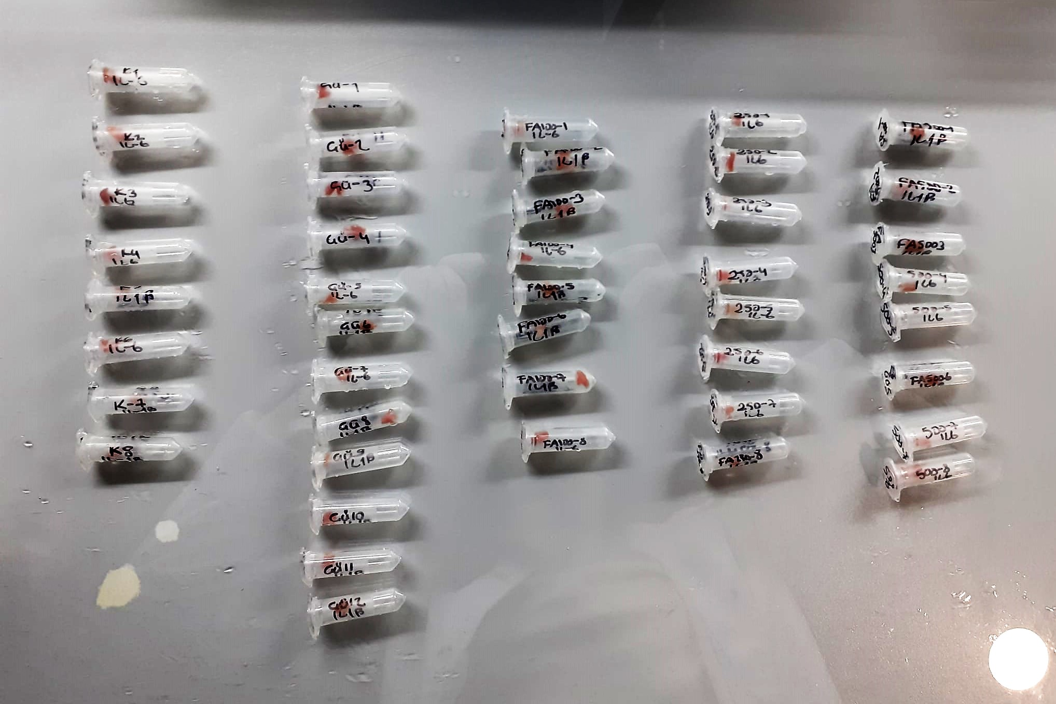
NOT: Dokular 1/9 oranında( 0,1 gr doku: 0,9ml 140 mmol. lık KCl) Potasyum Klorür tamponu ile homojenize edildikten sonra 7000 rpm + 4' de 5 dk santrifüj edildi.
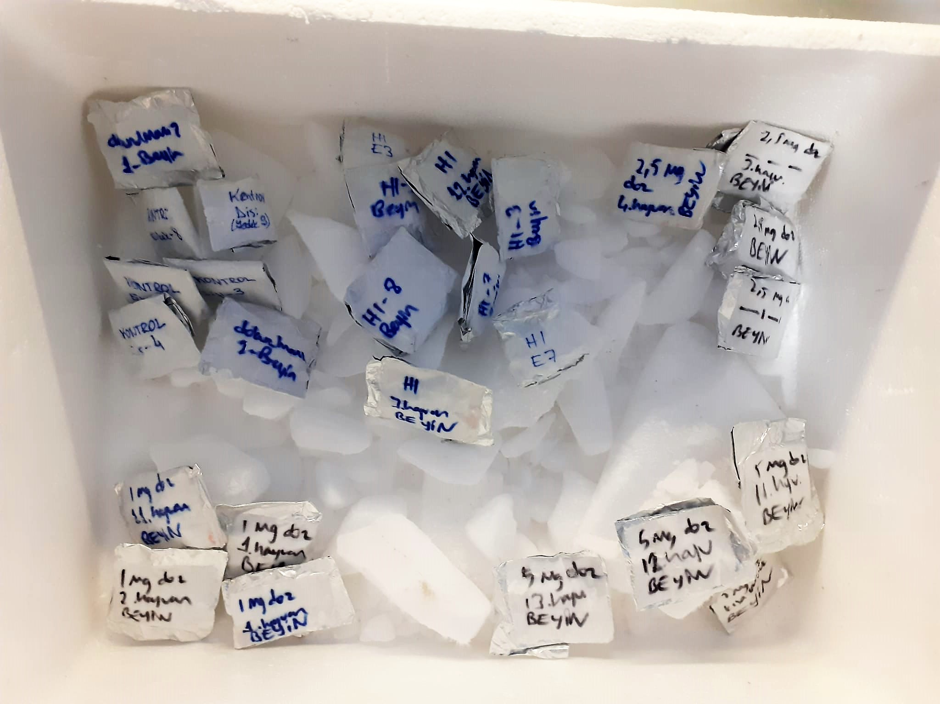

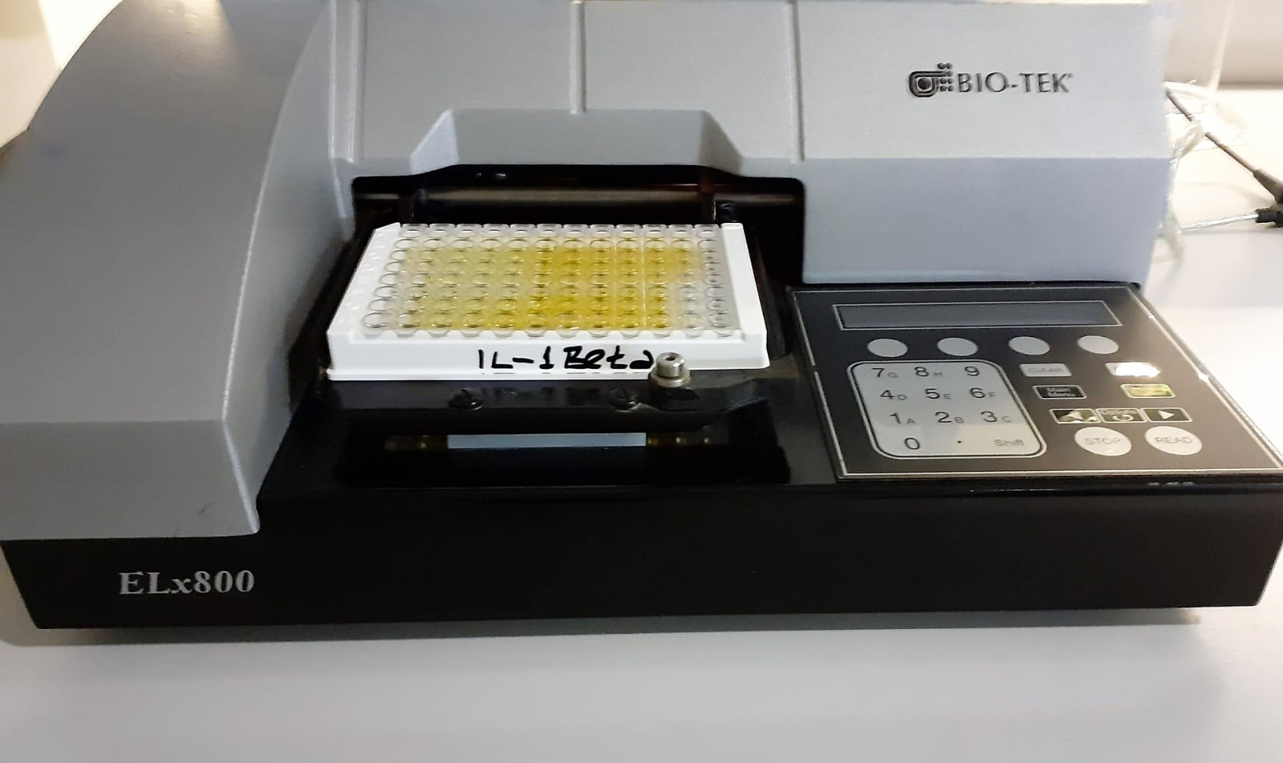
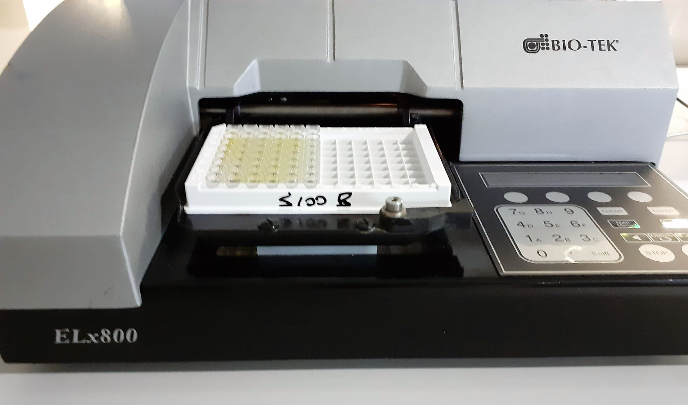

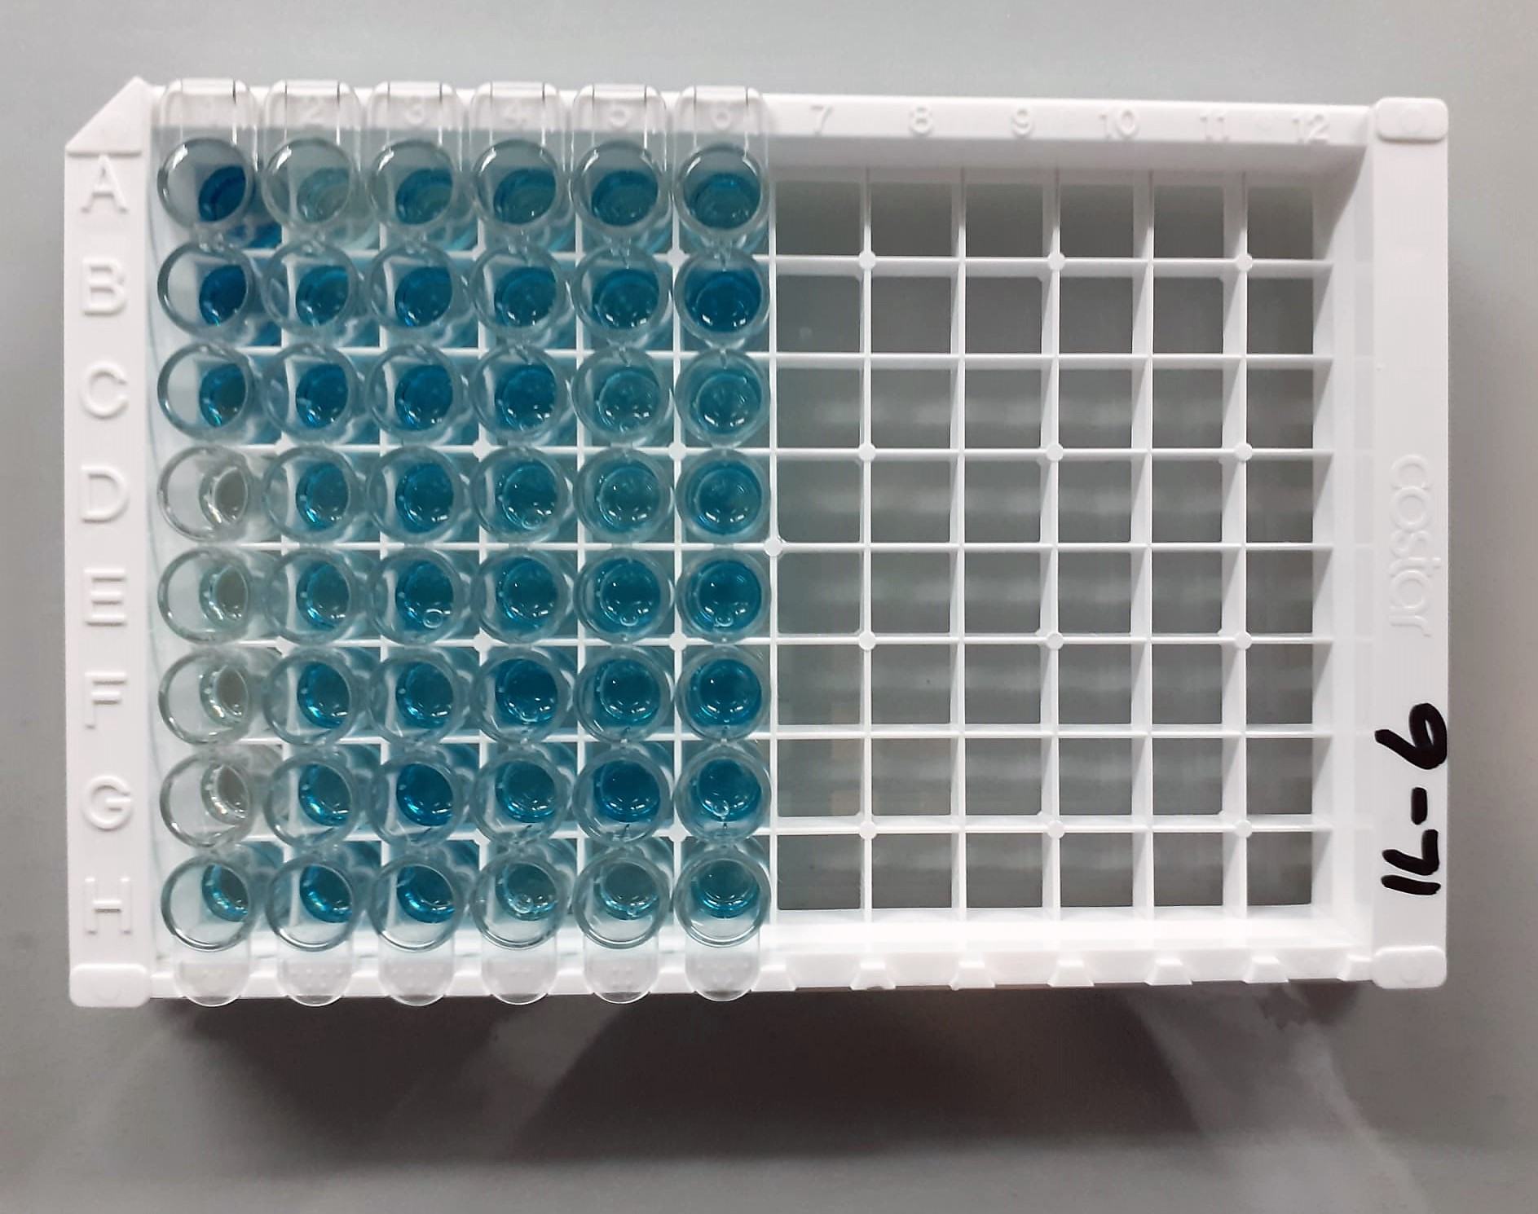
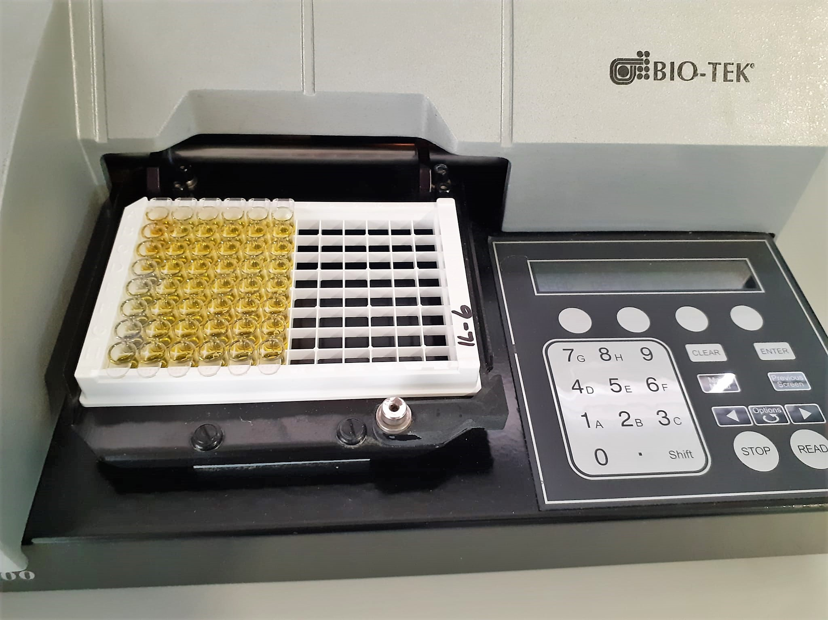

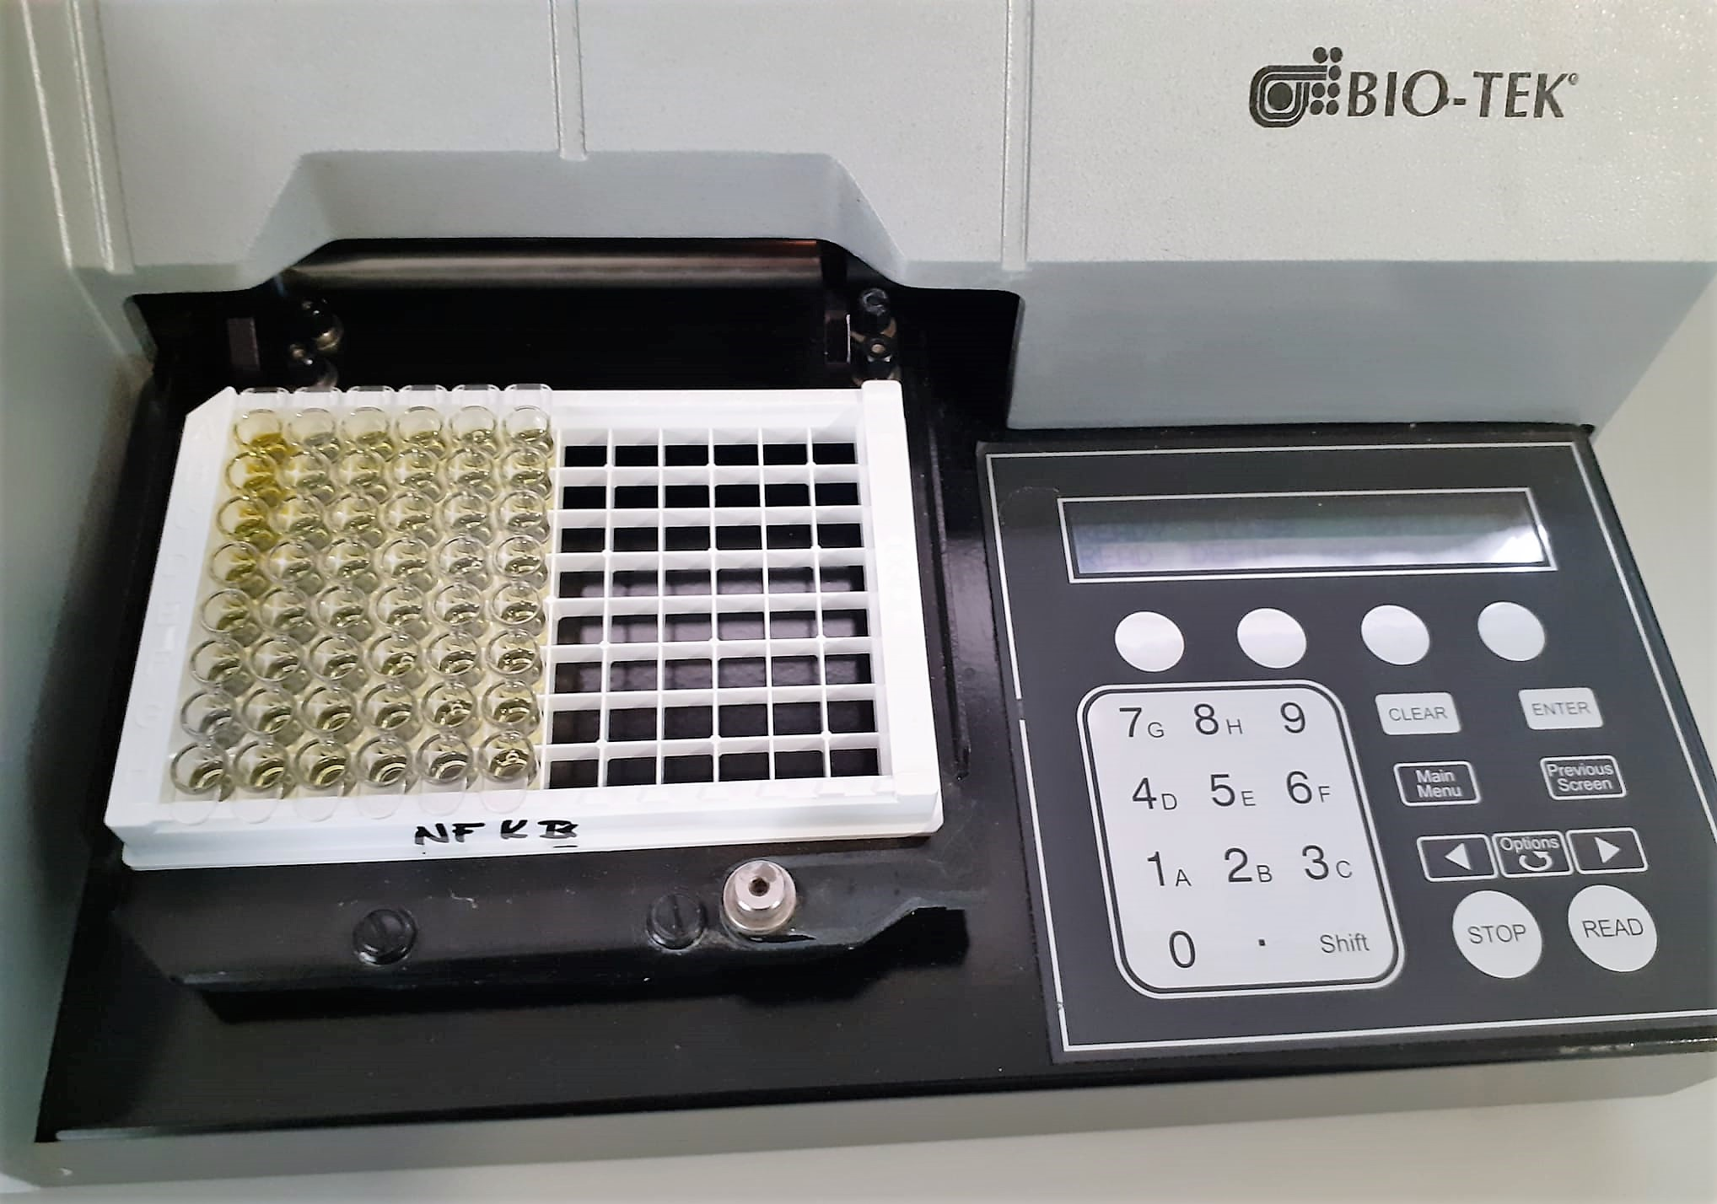

Super Oxide Dismutase (SOD) U/ml
The role of speroxide dismutase is to accelerate the dismutation of the toxic radical, produced
during oxidative energy processes to hydrogen peroxide and molecular oxygen. This method
employs xanthine and xanthine oxidase to generate superoxide radicals which react with 2-(4-
iodophenyl)-3-(4-nitrophenol)-5-phenyltetrazolium chloride to form a red formazan dye.. the
superoxide dismutase activity is then measured by the degree of inhibiton of this reaction
(Relassay, Turkey)

Catalase (CAT) U/L
This colorimetric assay involves two steps. Sample is first incubated with a known amount of
hydrogen peroxide. Sample converts hydrogen peroxide to water and oxygen. The ratio is
proportional to the concentration of catalase. The enzyme is stopped and the remaining
hydrogen peroxide, following a fixed incubation period, is determined using a chromogen.
The resulting absorbance is measured at 405 nm and the obtained results are expressed as U/L.
(Relassay, Turkey)

TNF-Alfa Test Priciple
This ELISA kit uses the Sandwich-ELISA principle. The micro ELISA plate provided in this kit has been pre-coated with an antibody specific to Rat TNF-α. Samples (or Standards) are added to the micro ELISA plate wells and combined with the specific antibody.
Then a biotinylated detection antibody specific for Rat TNF-α and Avidin-Horseradish Peroxidase (HRP) conjugate are added successively to each micro plate well and incubated. Free components are washed away.
The substrate solution is added to each well. Only those wells that contain Rat TNF-α, biotinylated detection antibody and Avidin-HRP conjugate will appear blue in color.
The enzyme-substrate reaction is terminated by the addition of stop solution and the color turns yellow. The optical density (OD) is measured spectrophotometrically at a wavelength of 450 nm ± 2 nm.
The OD value is proportional to the concentration of Rat TNF-α. You can calculate the concentration of Rat TNF-α in the samples by comparing the OD of the samples to the standard curve.

Interleukin 1 Beta Test Principle
This ELISA kit uses the Sandwich-ELISA principle. The micro ELISA plate provided in this kit has been pre-coated with an antibody specific to Rat IL-1β. Samples (or Standards) are added to the micro ELISA plate wells and combined with the specific antibody
Then a biotinylated detection antibody specific for Rat IL-1β and Avidin-Horseradish Peroxidase (HRP) conjugate are added successively to each micro plate well and incubated. Free components are washed away.
The substrate solution is added to each well. Only those wells that contain Rat IL-1β, biotinylated detection antibody and Avidin-HRP conjugate will appear blue in color.
The enzyme-substrate reaction is terminated by the addition of stop solution and the color turns yellow. The optical density (OD) is measured spectrophotometrically at a wavelength of 450 nm ± 2 nm.
The OD value is proportional to the concentration of Rat IL-1β. You can calculate the concentration of Rat IL-1β in the samples by comparing the OD of the samples to the standard curve.

BDNF Test Principle
This ELISA kit uses the Sandwich-ELISA principle. The micro ELISA plate provided in this kit has been pre-coated with an antibody specific to Rat BDNF. Samples (or Standards) are added to the micro ELISA plate wells and combined with the specific antibody.
Then a biotinylated detection antibody specific for Rat BDNF and Avidin-Horseradish Peroxidase (HRP) conjugate are added successively to each micro plate well and incubated. Free components are washed away.
The substrate solution is added to each well. Only those wells that contain Rat BDNF, biotinylated detection antibody and Avidin-HRP conjugate will appear blue in color.
The enzyme-substrate reaction is terminated by the addition of stop solution and the color turns yellow. The optical density (OD) is measured spectrophotometrically at a wavelength of 450 nm ± 2 nm.
The OD value is proportional to the concentration of Rat BDNF. You can calculate the concentration of Rat BDNF in the samples by comparing the OD of the samples to the standard curve.

S100B Test Principle
This ELISA kit uses the Sandwich-ELISA principle. The micro ELISA plate provided in this kit has been pre-coated with an antibody specific to Rat S100B. Samples (or Standards) are added to the micro ELISA plate wells and combined with the specific antibody.
Then a biotinylated detection antibody specific for Rat S100B and Avidin-Horseradish Peroxidase (HRP) conjugate are added successively to each micro plate well and incubated. Free components are washed away.
The substrate solution is added to each well. Only those wells that contain Rat S100B, biotinylated detection antibody and Avidin-HRP conjugate will appear blue in color.
The enzyme-substrate reaction is terminated by the addition of stop solution and the color turns yellow. The optical density (OD) is measured spectrophotometrically at a wavelength of 450 nm ± 2 nm.
The OD value is proportional to the concentration of Rat S100B. You can calculate the concentration of Rat S100B in the samples by comparing the OD of the samples to the standard curve.

Interleukin 6 Test Principle
This ELISA kit uses the Sandwich-ELISA principle. The micro ELISA plate provided in this kit has been pre-coated with an antibody specific to Rat IL-6. Standards or samples are added to the micro ELISA plate wells and combined with the specific antibody.
Then a biotinylated detection antibody specific for Rat IL-6 and Avidin-Horseradish Peroxidase (HRP) conjugate are added successively to each micro plate well and incubated. Free components are washed away.
The substrate solution is added to each well. Only those wells that contain Rat IL-6, biotinylated detection antibody and Avidin-HRP conjugate will appear blue in color.
The enzyme-substrate reaction is terminated by the addition of stop solution and the color turns yellow. The optical density (OD) is measured spectrophotometrically at a wavelength of 450 nm ± 2 nm.
The OD value is proportional to the concentration of Rat IL-6. You can calculate the concentration of Rat IL-6 in the samples by comparing the OD of the samples to the standard curve.

NFKB-p65 Test Principle
This ELISA kit uses the Sandwich-ELISA principle. The micro ELISA plate provided in this kit has been pre-coated with an antibody specific to Rat NFKB-p65. Samples (or Standards) are added to the micro ELISA plate wells and combined with the specific antibody.
Then a biotinylated detection antibody specific for Rat NFKB-p65 and Avidin-Horseradish Peroxidase (HRP) conjugate are added successively to each micro plate well and incubated. Free components are washed away.
The substrate solution is added to each well. Only those wells that contain Rat NFKB-p65, biotinylated detection antibody and Avidin-HRP conjugate will appear blue in color.
The enzyme-substrate reaction is terminated by the addition of stop solution and the color turns yellow. The optical density (OD) is measured spectrophotometrically at a wavelength of 450 nm ± 2 nm.
The OD value is proportional to the concentration of Rat NFKB-p65. You can calculate the concentration of Rat NFKB-p65 in the samples by comparing the OD of the samples to the standard curve.

