il-1beta
2.559 | 0.164 | 0.156 | 0.166 | 0.172 | 0.172
1.687 | 0.159 | 0.176 | 0.164 | 0.172 | 0.162
1.128 | 0.155 | 0.184 | 0.2 | 0.168 | 0.106
0.666 | 0.155 | 0.156 | 0.315 | 0.163 | 0.165
0.401 | 0.163 | 0.188 | 0.54 | 0.169 | 0.175
0.27 | 0.161 | 0.167 | 0.163 | 0.106
0.15 | 0.157 | 0.165 | 0.161 | 0.169
0.053 | 0.172 | 0.107 | 0.222 | 0.161

IL-1BETA

 | abs | abs-blank | expected | result
std1 | 2.559 | 2.506 | 500 | 500.192
std2 | 1.687 | 1.634 | 250 | 247.823
std3 | 1.128 | 1.075 | 125 | 130.247
std4 | 0.666 | 0.613 | 62.5 | 59.140
std5 | 0.401 | 0.348 | 31.25 | 29.000
std6 | 0.27 | 0.217 | 15.63 | 16.967
std7 | 0.15 | 0.097 | 7.81 | 7.609
blank | 0.053 | 0 | 0 | 1.208

 |  |  |  |  |  | concentratıon (pg/ml)

Numune | absorbans | blank | abs-blank | result
1(1) | 0.164 | 0.053 | 0.111 | 8.619
1(2) | 0.159 | 0.053 | 0.106 | 8.256
1(3) | 0.155 | 0.053 | 0.102 | 7.967
1(4) | 0.155 | 0.053 | 0.102 | 7.967
1(5) | 0.163 | 0.053 | 0.11 | 8.546
2(1) | 0.161 | 0.053 | 0.108 | 8.401
2(2) | 0.157 | 0.053 | 0.104 | 8.111
2(3) | 0.172 | 0.053 | 0.119 | 9.206
3(1) | 0.156 | 0.053 | 0.103 | 8.039
3(2) | 0.176 | 0.053 | 0.123 | 9.502
3(3) | 0.184 | 0.053 | 0.131 | 10.099
3(6) | 0.156 | 0.053 | 0.103 | 8.039
4(1) | 0.188 | 0.053 | 0.135 | 10.400
4(2) | 0.167 | 0.053 | 0.114 | 8.838
4(3) | 0.165 | 0.053 | 0.112 | 8.692
4(4) | 0.107 | 0.053 | 0.054 | 4.643
4(5) | 0.166 | 0.053 | 0.113 | 8.765
5(1) | 0.164 | 0.053 | 0.111 | 8.619
5(2) | 0.2 | 0.053 | 0.147 | 11.315
5(3) | 0.315 | 0.053 | 0.262 | 20.887
5(4) | 0.54 | 0.053 | 0.487 | 43.841
5(5) | 0.163 | 0.053 | 0.11 | 8.546
5(6) | 0.161 | 0.053 | 0.108 | 8.401
6(1) | 0.222 | 0.053 | 0.169 | 13.033
6(2) | 0.172 | 0.053 | 0.119 | 9.206
6(3) | 0.172 | 0.053 | 0.119 | 9.206
6(4) | 0.168 | 0.053 | 0.115 | 8.911
6(5) | 0.163 | 0.053 | 0.11 | 8.546
6(6) | 0.169 | 0.053 | 0.116 | 8.985
6(7) | 0.106 | 0.053 | 0.053 | 4.577
7(1) | 0.169 | 0.053 | 0.116 | 8.985
7(2) | 0.161 | 0.053 | 0.108 | 8.401
7(3) | 0.172 | 0.053 | 0.119 | 9.206
7(4) | 0.162 | 0.053 | 0.109 | 8.473
7(5) | 0.106 | 0.053 | 0.053 | 4.577
7(6) | 0.165 | 0.053 | 0.112 | 8.692
7(7) | 0.175 | 0.053 | 0.122 | 9.428

cortisol
2.459 | 2.182 | 2.362 | 2.47 | 1.997 | 2.144
1.439 | 2.233 | 1.949 | 1.874 | 1.754 | 2.782
0.995 | 1.82 | 2.583 | 1.645 | 2.311 | 2.091
0.504 | 2.155 | 2.284 | 1.432 | 1.988 | 2.056
0.291 | 2.034 | 1.927 | 2.33 | 1.861 | 1.799
0.17 | 2.346 | 2.441 | 2.402 | 2.508
CORTİSOL
0.073 | 2.006 | 2.564 | 1.74 | 2.249
 | 2.737 | 2.715 | 2.201 | 1.956

 | abs | abs-blank | expected | result
std1 | 2.459 | 2.386 | 320 | 321.475
std2 | 1.439 | 1.366 | 160 | 150.350
std3 | 0.995 | 0.922 | 80 | 91.771
std4 | 0.504 | 0.431 | 40 | 38.228
std5 | 0.291 | 0.218 | 20 | 18.671
std6 | 0.17 | 0.097 | 10 | 8.550
blank | 0.073 | 0 | 0 | 0.954 |  | concentratıon (ng/ml)

Numune | absorbans | blank | abs-blank | result
1(1) | 2.182 | 0.073 | 2.109 | 269.965
1(2) | 2.233 | 0.073 | 2.16 | 279.167
1(3) | 1.82 | 0.073 | 1.747 | 208.311
1(4) | 2.155 | 0.073 | 2.082 | 265.146
1(5) | 2.034 | 0.073 | 1.961 | 243.984
2(1) | 2.346 | 0.073 | 2.273 | 300.009
2(2) | 2.006 | 0.073 | 1.933 | 239.189
2(3) | 2.737 | 0.073 | 2.664 | 376.948
3(1) | 2.362 | 0.073 | 2.289 | 303.010
3(2) | 1.949 | 0.073 | 1.876 | 229.546
3(3) | 2.583 | 0.073 | 2.51 | 345.751
3(6) | 2.284 | 0.073 | 2.211 | 288.496
4(1) | 1.927 | 0.073 | 1.854 | 225.867
4(2) | 2.441 | 0.073 | 2.368 | 318.014
4(3) | 2.564 | 0.073 | 2.491 | 341.982
4(4) | 2.715 | 0.073 | 2.642 | 372.420
4(5) | 2.47 | 0.073 | 2.397 | 323.598
5(1) | 1.874 | 0.073 | 1.801 | 217.101
5(2) | 1.645 | 0.073 | 1.572 | 180.806
5(3) | 1.432 | 0.073 | 1.359 | 149.352
5(4) | 2.33 | 0.073 | 2.257 | 297.020
5(5) | 2.402 | 0.073 | 2.329 | 310.569
5(6) | 1.74 | 0.073 | 1.667 | 195.552
6(1) | 2.201 | 0.073 | 2.128 | 273.379
6(2) | 1.997 | 0.073 | 1.924 | 237.656
6(3) | 1.754 | 0.073 | 1.681 | 197.762
6(4) | 2.311 | 0.073 | 2.238 | 293.486
6(5) | 1.988 | 0.073 | 1.915 | 236.127
6(6) | 1.861 | 0.073 | 1.788 | 214.972
6(7) | 2.508 | 0.073 | 2.435 | 330.978
7(1) | 2.249 | 0.073 | 2.176 | 282.080
7(2) | 1.956 | 0.073 | 1.883 | 230.722
7(3) | 2.144 | 0.073 | 2.071 | 263.192
7(4) | 2.782 | 0.073 | 2.709 | 386.283
7(5) | 2.091 | 0.073 | 2.018 | 253.863
7(6) | 2.056 | 0.073 | 1.983 | 247.778
7(7) | 1.799 | 0.073 | 1.726 | 204.932

Materyal-metod
KİT ADI | TÜR | MARKA | CAT. NO | Yöntem | Kullanılan Cihaz
TAS(Total Antioxidant Status) | Universal | REL ASSAY | RL0017 | Kolorimetrik | MINDRAY BS-400
TOS(Total Oxidant Status) | Universal | REL ASSAY | RL0024 | Kolorimetrik | MINDRAY BS-400
TTL(Total Thiol) | Universal | REL ASSAY | RL0185 | Kolorimetrik | MINDRAY BS-400
NTL(Natıve Thiol) | Universal | REL ASSAY | RL0185 | Kolorimetrik | MINDRAY BS-400
Cortisol | Universal | BT | EA0010Ge | ELİSA | Mıcroplate reader: BIO-TEK EL X 800-Aotu strıp washer:BIO TEK EL X 50
Interleukin 1 Beta | Human | ELABSCIENCE | E-EL-H0149 | ELİSA | Mıcroplate reader: BIO-TEK EL X 800-Aotu strıp washer:BIO TEK EL X 50
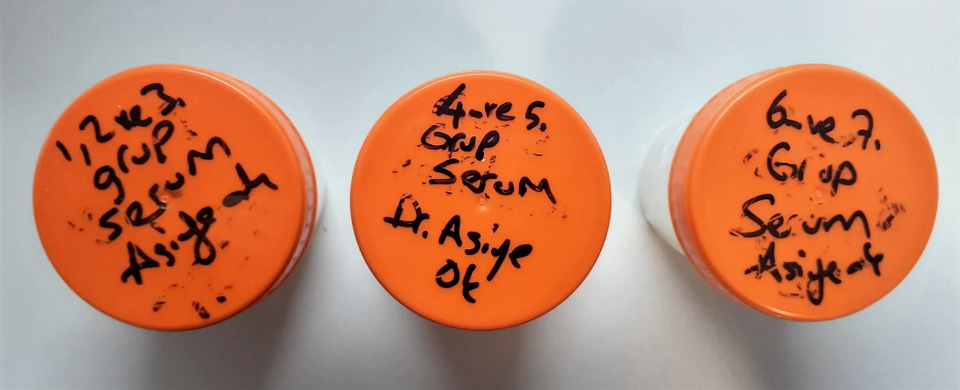
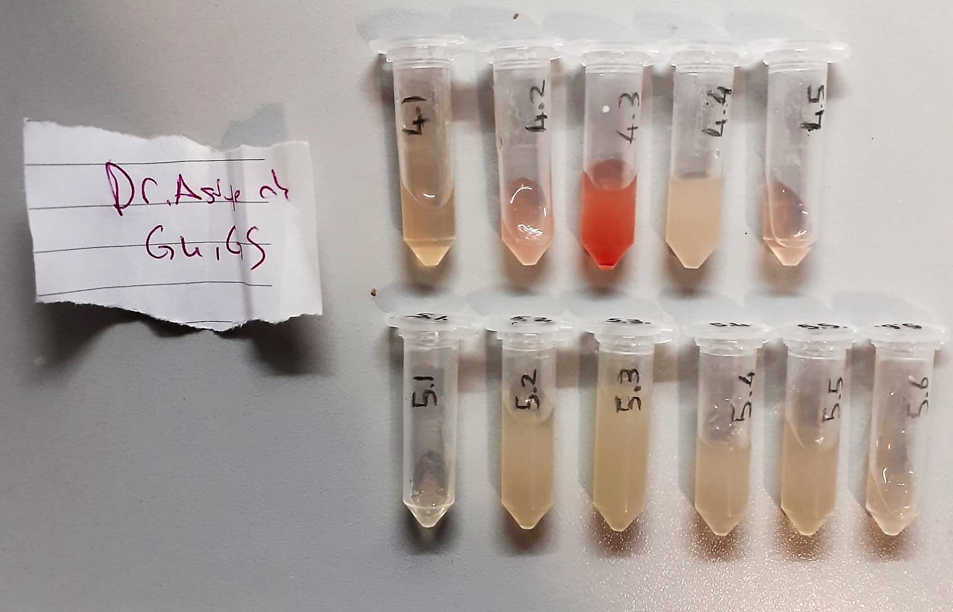

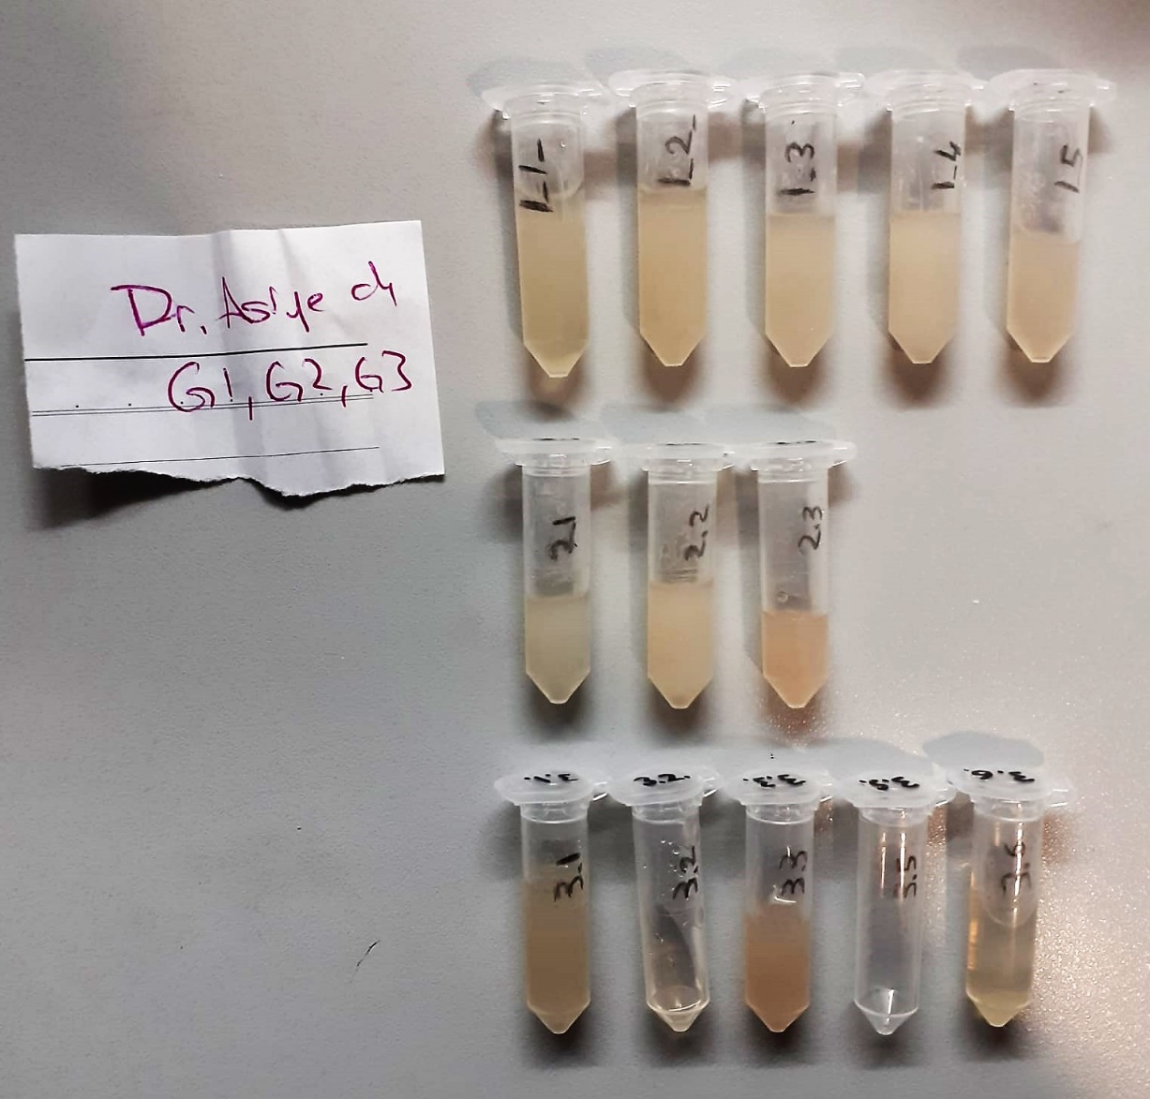

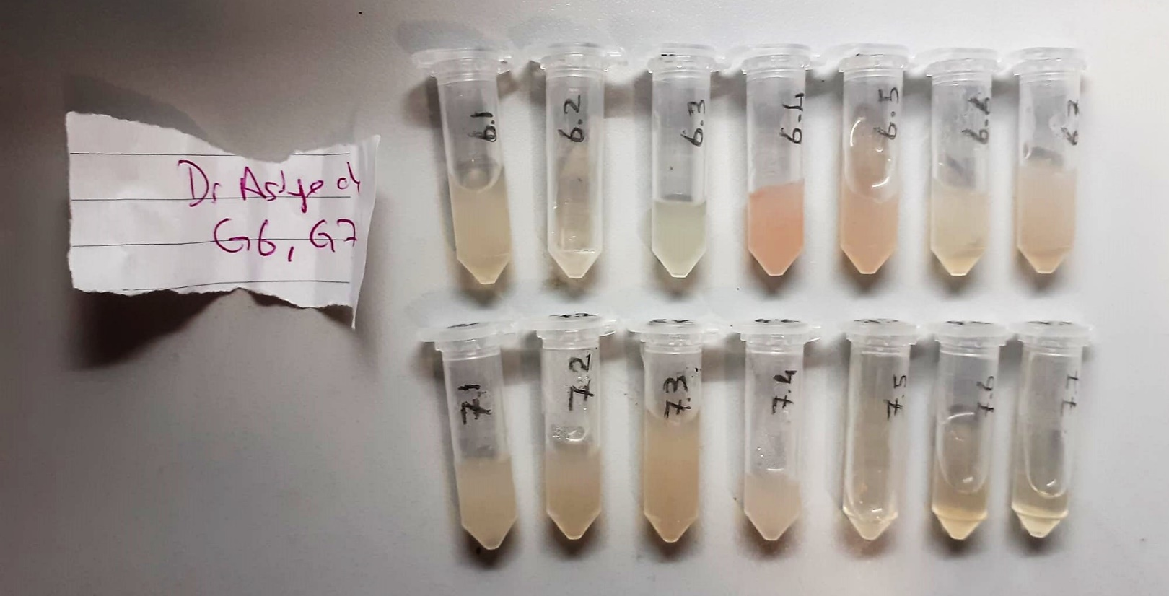

IL-1BETA Assay Principle
This ELISA kit uses the Sandwich-ELISA principle. The micro ELISA plate provided in this kit has been pre-coated with an antibody specific to Human IL-1β.
Samples (or Standards) are added to the micro ELISA plate wells and combined with the specific antibody.
Then a biotinylated detection antibody specific for Human IL-1β and Avidin--Horseradish Peroxidase (HRP) conjugate are added successively to each micro plate well and incubated. Free components are washed away. The substrate solution is added to each well.
Only those wells that contain Human IL-1β, biotinylated detection antibody and Avidin-HRP conjugate will appear blue in color. The enzyme-substrate reaction is terminated by the addition of stop solution and the color turns yellow.
The optical density (OD) is measured spectrophotometrically at a wavelength of 450 nm ± 2 nm. The OD value is proportional to the concentration of Human IL-1β.
You can calculate the concentration of Human IL-1β in the samples by comparing the OD of the samples to the standard curve.

General Cortisol Assay Principle
This kit is an enzyme -linked ımmunosorbent assay.(elisa).COR standards or samples are added to the wells pre-coated with a monoclonal antibody.
Then biotin-conjugated target antigen are added to the wells. The antigens in the standards or sample compete with the biotin-conjugated antigen to the bind to the capture antibody and incubate.
Unbound antigen is washed away during a washing step.An avidin-HRP is then added and then incubate.Unbound avidin hrp is washed away during a washing step.TMB Subsrate is then added and color develops.
The reaction is stopped by addition of acidic stop solution and color changes into yellow that can be measured at 450 nm. The intensity of the color developed in inversely proportional to the concentration of COR in the sample.
The concentratıon of COR in the sample is then determined by comparing the O.D of the samples to the standard curve.

Thiol/Disulfide Homeostasis (µmol/L)
Tests were measured using a novel automatic and spectrophotometric method developed by Erel and Neselioglu*
which is avaliable commercially (Rel Assay Diagnostics, Turkey) In this method, dynamic and reducible disulfide bonds
in the samples were reduced to free functional thiol groups by using sodium borohydride. In order to prevent the reduction
of unused reduced sodium borohydride to dithionite-2 nitrobenzoic (DTNB), NaBH4 was removed with formaldehyde. Native thiol (NT) and total thiol (TT)
levels were determined after reaction with DTNB and their levels were measured ultimately. Half of the difference of the result obtained
by the subtraction of native thiol amount from total thiol content indicated the disulfide (DS) level.
(Relassay, Turkey)

TOTAL ANTIOXDANT STATUS (TAS) (mmol/L)
TAS levels were measured using commercially available kits (Relassay, Turkey). The novel
automated method is based on the bleaching of characteristic color of a more stable ABTS
(2,2 ′ - Azino-bis(3-ethylbenzothiazoline-6-sulfonic acid)) radical cation by antioxidants. The
assay has excellent precision values, which are lower than 3%. The results were expressed as
mmol Trolox equivalent/L (Erel O. A novel automated direct measurement method for total
antioxidant capacity using a new generation, more stable ABTS radicalcation. Clin Biochem
2004;37:277-85.)
(Relassay,Turkey)

TOTAL OXIDANT STATUS (TOS) (µmol/L)
TOS levels were measured using commercially available kits (Relassay, Turkey. In the new
method, oxidants present in the sample oxidized the ferrous ion-o-dianisidine complex to
ferric ion. The oxidation reaction was enhanced by glycerol molecules abundantly present in
the reaction medium. The ferric ion produced a colored complex with xylenol orange in an
acidic medium. The color intensity, which could be measured spectrophotometrically, was
related to the total amount of oxidant molecules present in the sample. The assay was
calibrated with hydrogen peroxide and the results were expressed in terms of
micromolar hydrogen peroxide equivalent per liter (μmol H2O2 equivalent/L). ( Erel O. A
new automated colorimetric method for measuringtotal oxidant status. Clin Biochem
2005;38:1103-11. ).
(Relassay,Turkey)

OXIDATIVE STRESS INDEX (OSI)
The ratio of TOS to TAS was accepted as the oxidative stress index (OSI). For calculation, the
resulting unit of TAS was converted to μmol/L, and the OSI value was calculated according to
the following Formula : OSI (arbitrary unit) =
TOS (μmol H2O2 equivalent/L) / TAC (μmol Trolox equivalent/L). (1-3).
1. Yumru M, Savas HA, Kalenderoglu A, Bulut M, Celik H, Erel O. Oxidative imbalance in
bipolar disorder subtypes: a comparative study. Prog Neuropsychopharmacol Biol Psychiatry.
2009 Aug 31;33(6):1070-4.
2. Kosecik M, Erel O, Sevinc E, Selek S. Increased oxidative stress in children exposed to
passive smoking. Int J Cardiol 2005;100:61–4.
3. (Harma M, Harma M, Erel O (2003) Increased oxidative stress in patients with
hydatidiform mole. Swiss Med Wkly 133:563-536).

