ROS
2.774 | 0.28 | 0.28 | 0.266 | 0.359 | 0.325
1.62 | 0.328 | 0.258 | 0.273 | 0.287 | 0.309
0.899 | 0.321 | 0.281 | 0.33 | 0.249 | 0.257
0.573 | 0.326 | 0.32 | 0.31 | 0.243 | 0.282
0.323 | 0.311 | 0.378 | 0.212 | 0.232 | 0.259
0.106 | 0.253 | 0.317 | 0.28 | 0.219 | 0.26
0.078 | 0.355 | 0.265 | 0.37 | 0.298 | 0.329
0.085 | 0.387 | 0.437 | 0.379 | 0.294 | 0.328
ROMO1

 | abs | abs-blank | expected | result
std1 | 2.774 | 2.668 | 640 | 639.90
std2 | 1.62 | 1.514 | 320 | 321.26
std3 | 0.899 | 0.793 | 160 | 154.27
std4 | 0.573 | 0.467 | 80 | 86.87
std5 | 0.323 | 0.217 | 40 | 38.60
blank | 0.106 | 0 | 0 | -0.90

 |  |  |  |  |  | concentratıon (ng/L)

Numune | absorbans | blank | abs-blank | Result (ng/L)
K-1 | 0.28 | 0.106 | 0.174 | 30.59
K-2 | 0.328 | 0.106 | 0.222 | 39.53
K-3 | 0.321 | 0.106 | 0.215 | 38.22
K-4 | 0.326 | 0.106 | 0.22 | 39.16
K-5 | 0.311 | 0.106 | 0.205 | 36.35
K-6 | 0.253 | 0.106 | 0.147 | 25.61
K-7 | 0.355 | 0.106 | 0.249 | 44.61
K-8 | 0.387 | 0.106 | 0.281 | 50.67
Q-1 | 0.28 | 0.106 | 0.174 | 30.59
Q-2 | 0.258 | 0.106 | 0.152 | 26.53
Q-3 | 0.281 | 0.106 | 0.175 | 30.78
Q-4 | 0.32 | 0.106 | 0.214 | 38.04
Q-5 | 0.378 | 0.106 | 0.272 | 48.96
Q-6 | 0.317 | 0.106 | 0.211 | 37.48
Q-7 | 0.265 | 0.106 | 0.159 | 27.82
Q-8 | 0.437 | 0.106 | 0.331 | 60.24
UV-1 | 0.266 | 0.106 | 0.16 | 28.01
UV-2 | 0.273 | 0.106 | 0.167 | 29.30
UV-3 | 0.33 | 0.106 | 0.224 | 39.91
UV-4 | 0.31 | 0.106 | 0.204 | 36.17
UV-5 | 0.212 | 0.106 | 0.106 | 18.12
UV-6 | 0.28 | 0.106 | 0.174 | 30.59
UV-7 | 0.37 | 0.106 | 0.264 | 47.45
UV-8 | 0.379 | 0.106 | 0.273 | 49.15
R-1 | 0.359 | 0.106 | 0.253 | 45.37
R-2 | 0.287 | 0.106 | 0.181 | 31.89
R-3 | 0.249 | 0.106 | 0.143 | 24.88
R-4 | 0.243 | 0.106 | 0.137 | 23.78
R-5 | 0.232 | 0.106 | 0.126 | 21.76
R-6 | 0.219 | 0.106 | 0.113 | 19.39
R-7 | 0.298 | 0.106 | 0.192 | 33.93
R-8 | 0.294 | 0.106 | 0.188 | 33.19
QR-1 | 0.325 | 0.106 | 0.219 | 38.97
QR-2 | 0.309 | 0.106 | 0.203 | 35.98
QR-3 | 0.257 | 0.106 | 0.151 | 26.35
QR-4 | 0.282 | 0.106 | 0.176 | 30.96
QR-5 | 0.259 | 0.106 | 0.153 | 26.72
QR-6 | 0.26 | 0.106 | 0.154 | 26.90
QR-7 | 0.329 | 0.106 | 0.223 | 39.72
QR-8 | 0.328 | 0.106 | 0.222 | 39.53

MMP-1
2.497 | 0.15 | 0.264 | 0.164 | 0.524 | 0.578
1.643 | 0.193 | 0.264 | 0.166 | 0.529 | 0.577
0.874 | 0.174 | 0.206 | 0.168 | 0.479 | 0.497
0.484 | 0.161 | 0.263 | 0.165 | 0.407 | 0.409
0.234 | 0.168 | 0.268 | 0.157 | 0.469 | 0.576
0.166 | 0.173 | 0.262 | 0.161 | 0.468 | 0.468
MMP-1
0.114 | 0.165 | 0.263 | 0.181 | 0.483 | 0.492
0.057 | 0.288 | 0.306 | 0.169 | 0.468 | 0.586

 | abs | abs-blank | expected | result
std1 | 2.497 | 2.44 | 10 | 9.91
std2 | 1.643 | 1.586 | 5 | 5.30
std3 | 0.874 | 0.817 | 2.5 | 2.24
std4 | 0.484 | 0.484 | 1.25 | 1.24
std5 | 0.234 | 0.177 | 0.63 | 0.48
std6 | 0.166 | 0.109 | 0.31 | 0.34
std7 | 0.114 | 0.057 | 0.16 | 0.23 |  | concentratıon (ng/ml)
blank | 0.057 | 0 | 0 | 0.12

Numune | absorbans | blank | abs-blank | result(ng/ml)
K-1 | 0.15 | 0.057 | 0.093 | 0.30
K-2 | 0.193 | 0.057 | 0.136 | 0.39
K-3 | 0.174 | 0.057 | 0.117 | 0.35
K-4 | 0.161 | 0.057 | 0.104 | 0.33
K-5 | 0.168 | 0.057 | 0.111 | 0.34
K-6 | 0.173 | 0.057 | 0.116 | 0.35
K-7 | 0.165 | 0.057 | 0.108 | 0.34
K-8 | 0.288 | 0.057 | 0.231 | 0.60
Q-1 | 0.264 | 0.057 | 0.207 | 0.55
Q-2 | 0.264 | 0.057 | 0.207 | 0.55
Q-3 | 0.206 | 0.057 | 0.149 | 0.42
Q-4 | 0.263 | 0.057 | 0.206 | 0.55
Q-5 | 0.268 | 0.057 | 0.211 | 0.56
Q-6 | 0.262 | 0.057 | 0.205 | 0.54
Q-7 | 0.263 | 0.057 | 0.206 | 0.55
Q-8 | 0.306 | 0.057 | 0.249 | 0.64
UV-1 | 0.164 | 0.057 | 0.107 | 0.33
UV-2 | 0.166 | 0.057 | 0.109 | 0.34
UV-3 | 0.168 | 0.057 | 0.111 | 0.34
UV-4 | 0.165 | 0.057 | 0.108 | 0.34
UV-5 | 0.157 | 0.057 | 0.1 | 0.32
UV-6 | 0.161 | 0.057 | 0.104 | 0.33
UV-7 | 0.181 | 0.057 | 0.124 | 0.37
UV-8 | 0.169 | 0.057 | 0.112 | 0.34
R-1 | 0.524 | 0.057 | 0.467 | 1.19
R-2 | 0.529 | 0.057 | 0.472 | 1.20
R-3 | 0.479 | 0.057 | 0.422 | 1.07
R-4 | 0.407 | 0.057 | 0.35 | 0.89
R-5 | 0.469 | 0.057 | 0.412 | 1.04
R-6 | 0.468 | 0.057 | 0.411 | 1.04
R-7 | 0.483 | 0.057 | 0.426 | 1.08
R-8 | 0.468 | 0.057 | 0.411 | 1.04
QR-1 | 0.578 | 0.057 | 0.521 | 1.34
QR-2 | 0.577 | 0.057 | 0.52 | 1.33
QR-3 | 0.497 | 0.057 | 0.44 | 1.12
QR-4 | 0.409 | 0.057 | 0.352 | 0.89
QR-5 | 0.576 | 0.057 | 0.519 | 1.33
QR-6 | 0.468 | 0.057 | 0.411 | 1.04
QR-7 | 0.492 | 0.057 | 0.435 | 1.10
QR-8 | 0.586 | 0.057 | 0.529 | 1.36

Materyal-metod
KİT ADI | TÜR | MARKA | CAT. NO | Yöntem | Kullanılan Cihaz
ROS( Reactive oxygen species) | Rat | BT-lab | E0900Ra | ELİSA | Mıcroplate reader: BIO-TEK EL X 800-Aotu strıp washer:BIO TEK EL X 50
Matrix Metalloproteinase 1 (MMP-1) | Rat | Elabscience | E-EL-R0617 | ELİSA | Mıcroplate reader: BIO-TEK EL X 800-Aotu strıp washer:BIO TEK EL X 50
NOT: Dokular 1/9 oranında( 0,1 gr doku: 0,9ml 140 mmol. lık KCl) Potasyum Klorür tamponu ile homojenize edildikten sonra 7000 rpm + 4' de 5 dk santrifüj edildi.

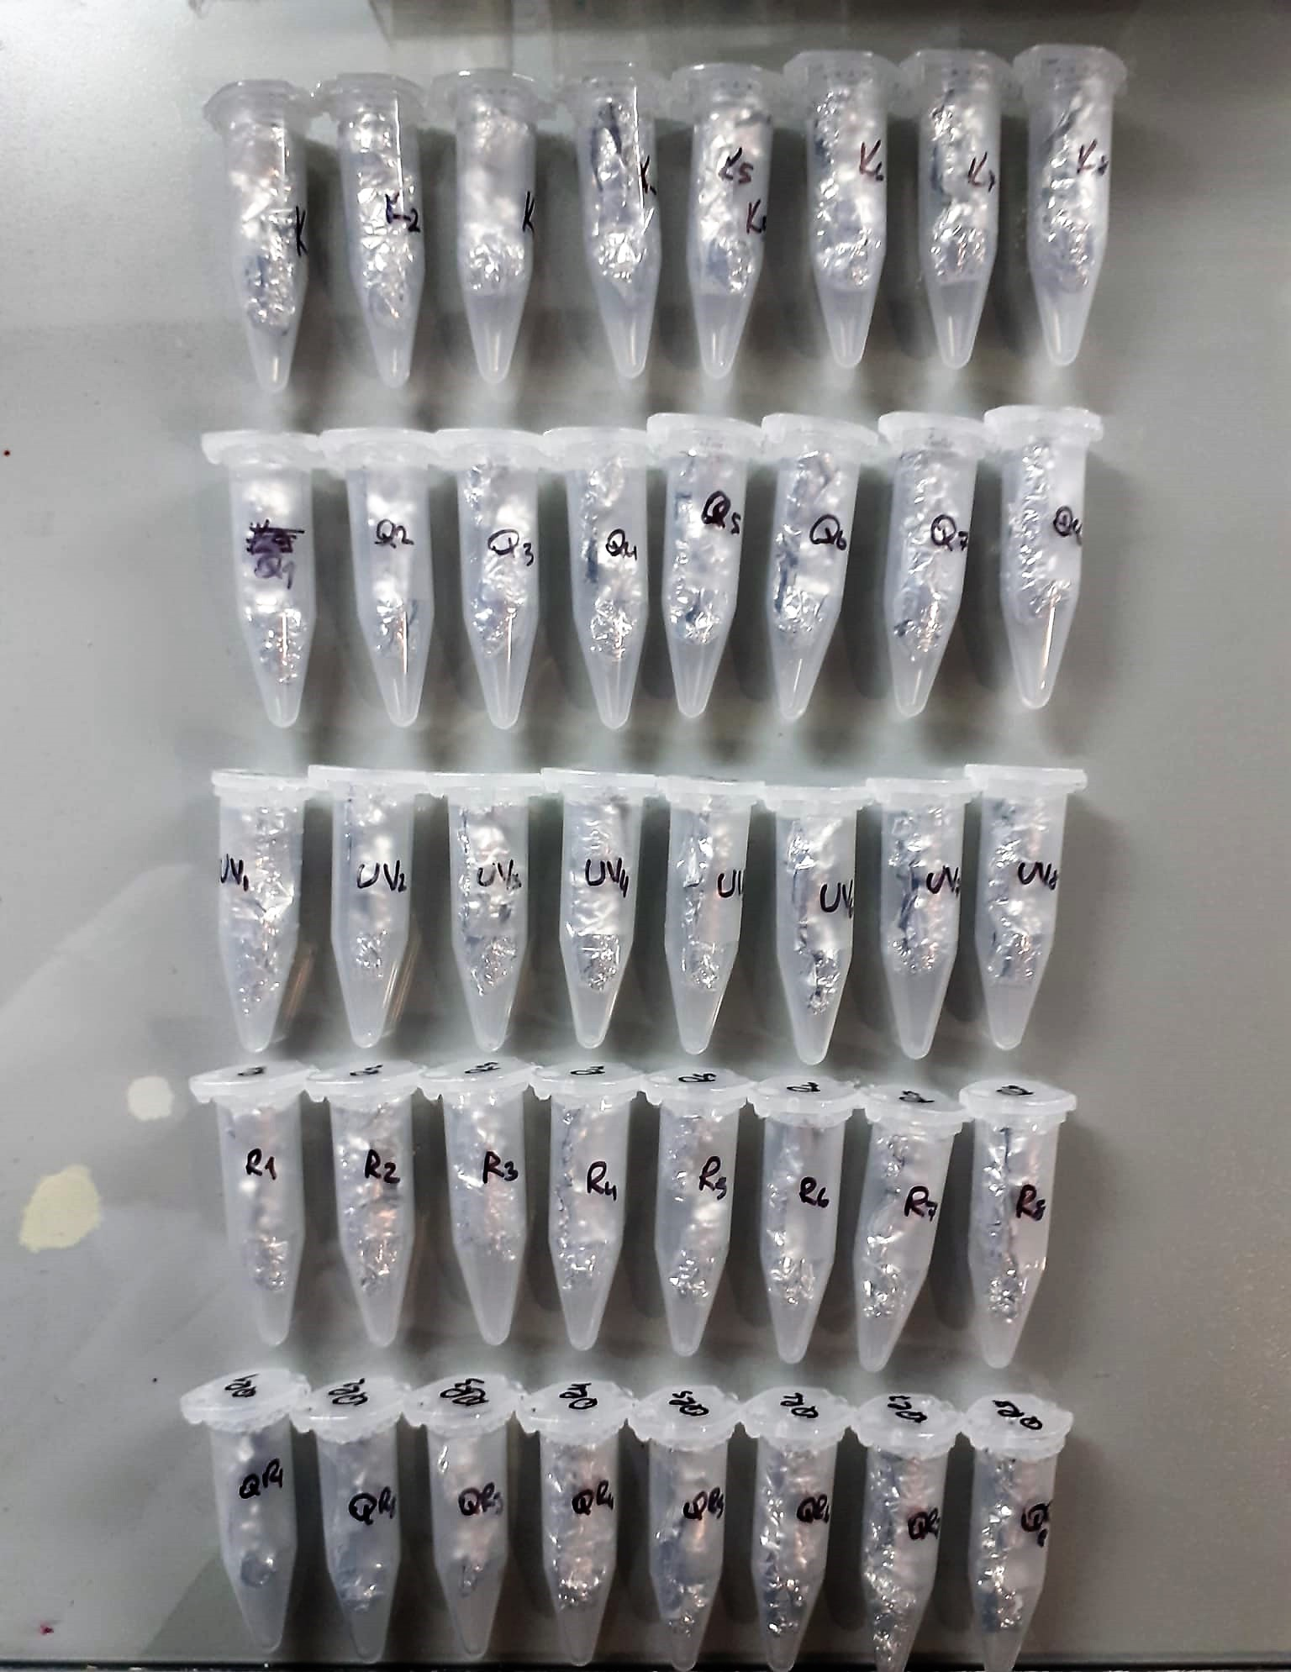

Rat MMP-1 Test Principle
This ELISA kit uses the Sandwich-ELISA principle. The micro ELISA plate provided in this kit has been pre-coated with an antibody specific to Rat MMP-1.
Samples (or Standards) are added to the micro ELISA plate wells and combined with the specific antibody.
Then a biotinylated detection antibody specific for Rat MMP-1 and Avidin-Horseradish Peroxidase (HRP) conjugate are added successively to each micro plate well and incubated.
Free components are washed away. The substrate solution is added to each well.
Only those wells that contain MMP-1, biotinylated detection antibody and Avidin-HRP conjugate will appear blue in color.
The enzyme-substrate reaction is terminated by the addition of stop solution and the color turns yellow. The optical density (OD) is measured spectrophotometrically at a wavelength of 450 nm ± 2 nm.
The OD value is proportional to the concentration of Rat MMP-1. You can calculate the concentration of Rat MMP-1 in the samples by comparing the OD of the samples to the standard curve.

ROS Assay Principle
This kit is an Enzyme-Linked Immunosorbent Assay (ELISA). The plate has been pre-coated with Rat ROS antibody. ROS present in the sample is added and binds to antibodies coated on the wells.
And then biotinylated Rat ROS Antibody is added and binds to ROS in the sample. Then Streptavidin-HRP is added and binds to the Biotinylated ROS antibody.
After incubation unbound Streptavidin-HRP is washed away during a washing step. Substrate solution is then added and color develops in proportion to the amount of Rat ROS.
The reaction is terminated by addition of acidic stop solution and absorbance is measured at 450 nm.

