Sex Hormone Binding Globulin
2.946 | 2.906 | 0.407 | 0.31 | 0.325 | 0.274 | 0.3 | 0.278 | 0.226 | 0.303 | 0.242 | 0.33
2.036 | 2.016 | 0.251 | 0.213 | 0.413 | 0.214 | 0.238 | 0.175 | 0.227 | 0.262 | 0.292 | 0.339
1.55 | 1.595 | 0.224 | 0.239 | 0.237 | 0.237 | 0.252 | 0.187 | 0.236 | 0.196 | 0.264 | 0.197
1.162 | 1.164 | 0.149 | 0.148 | 0.181 | 0.163 | 0.161 | 0.226 | 0.186 | 0.202 | 0.165 | 0.391
0.821 | 0.821 | 0.149 | 0.274 | 0.16 | 0.17 | 0.187 | 0.179 | 0.166 | 0.189 | 0.179
0.539 | 0.542 | 0.158 | 0.159 | 0.148 | 0.22 | 0.163 | 0.161 | 0.18 | 0.193 | 0.189
0.335 | 0.337 | 0.207 | 0.319 | 0.243 | 0.362 | 0.209 | 0.203 | 0.209 | 0.228 | 0.289
0.108 | 0.102 | 0.165 | 0.195 | 0.195 | 0.218 | 0.167 | 0.128 | 0.711 | 0.166 | 0.161

SHBG
 | abs. Ort. | abs-blank | expected | result
std1 | 2.926 | 2.821 | 100 | 100.854
std2 | 2.026 | 1.921 | 50 | 46.500
std3 | 1.575 | 1.47 | 25 | 27.113
std4 | 1.163 | 1.058 | 12.5 | 13.984
std5 | 0.821 | 0.716 | 6.25 | 6.409
std6 | 0.54 | 0.435 | 3.13 | 2.440
std7 | 0.336 | 0.231 | 1.56 | 0.834
blank | 0.105 | 0 | 0 | 0.310

 |  |  |  |  |  |  |  | concentratıon (pmol/ml)

Numune | absorbans | blank | abs-blank | result
1 | 0.407 | 0.105 | 0.302 | 1.271
2 | 0.251 | 0.105 | 0.146 | 0.481
3 | 0.224 | 0.105 | 0.119 | 0.408
4 | 0.149 | 0.105 | 0.044 | 0.303
5 | 0.149 | 0.105 | 0.044 | 0.303
6 | 0.158 | 0.105 | 0.053 | 0.308
7 | 0.207 | 0.105 | 0.102 | 0.371
8 | 0.165 | 0.105 | 0.06 | 0.313
9 | 0.31 | 0.105 | 0.205 | 0.706
10 | 0.213 | 0.105 | 0.108 | 0.383
11 | 0.239 | 0.105 | 0.134 | 0.446
12 | 0.148 | 0.105 | 0.043 | 0.303
13 | 0.274 | 0.105 | 0.169 | 0.558
14 | 0.159 | 0.105 | 0.054 | 0.309
15 | 0.319 | 0.105 | 0.214 | 0.748
16 | 0.195 | 0.105 | 0.09 | 0.350
17 | 0.325 | 0.105 | 0.22 | 0.778
18 | 0.413 | 0.105 | 0.308 | 1.314
19 | 0.237 | 0.105 | 0.132 | 0.441
20 | 0.181 | 0.105 | 0.076 | 0.330
21 | 0.16 | 0.105 | 0.055 | 0.310
22 | 0.148 | 0.105 | 0.043 | 0.303
23 | 0.243 | 0.105 | 0.138 | 0.457
24 | 0.195 | 0.105 | 0.09 | 0.350
25 | 0.274 | 0.105 | 0.169 | 0.558
26 | 0.214 | 0.105 | 0.109 | 0.386
27 | 0.237 | 0.105 | 0.132 | 0.441
28 | 0.163 | 0.105 | 0.058 | 0.312
29 | 0.17 | 0.105 | 0.065 | 0.318
30 | 0.22 | 0.105 | 0.115 | 0.399
31 | 0.362 | 0.105 | 0.257 | 0.979
32 | 0.218 | 0.105 | 0.113 | 0.394
33 | 0.3 | 0.105 | 0.195 | 0.662
34 | 0.238 | 0.105 | 0.133 | 0.443
35 | 0.252 | 0.105 | 0.147 | 0.484
36 | 0.161 | 0.105 | 0.056 | 0.310
37 | 0.187 | 0.105 | 0.082 | 0.338
38 | 0.163 | 0.105 | 0.058 | 0.312
39 | 0.209 | 0.105 | 0.104 | 0.375
40 | 0.167 | 0.105 | 0.062 | 0.315
41 | 0.278 | 0.105 | 0.173 | 0.573
42 | 0.175 | 0.105 | 0.07 | 0.323
43 | 0.187 | 0.105 | 0.082 | 0.338
44 | 0.226 | 0.105 | 0.121 | 0.413
45 | 0.179 | 0.105 | 0.074 | 0.328
46 | 0.161 | 0.105 | 0.056 | 0.310
47 | 0.203 | 0.105 | 0.098 | 0.364
48 | 0.128 | 0.105 | 0.023 | 0.300
49 | 0.226 | 0.105 | 0.121 | 0.413
50 | 0.227 | 0.105 | 0.122 | 0.415
51 | 0.236 | 0.105 | 0.131 | 0.438
52 | 0.186 | 0.105 | 0.081 | 0.337
53 | 0.166 | 0.105 | 0.061 | 0.314
54 | 0.18 | 0.105 | 0.075 | 0.329
55 | 0.209 | 0.105 | 0.104 | 0.375
56 | 0.711 | 0.105 | 0.606 | 4.613
57 | 0.303 | 0.105 | 0.198 | 0.675
58 | 0.262 | 0.105 | 0.157 | 0.516
59 | 0.196 | 0.105 | 0.091 | 0.352
60 | 0.202 | 0.105 | 0.097 | 0.362
61 | 0.189 | 0.105 | 0.084 | 0.341
62 | 0.193 | 0.105 | 0.088 | 0.347
63 | 0.228 | 0.105 | 0.123 | 0.417
64 | 0.166 | 0.105 | 0.061 | 0.314
65 | 0.242 | 0.105 | 0.137 | 0.454
66 | 0.292 | 0.105 | 0.187 | 0.628
67 | 0.264 | 0.105 | 0.159 | 0.523
68 | 0.165 | 0.105 | 0.06 | 0.313
69 | 0.179 | 0.105 | 0.074 | 0.328
70 | 0.189 | 0.105 | 0.084 | 0.341
71 | 0.289 | 0.105 | 0.184 | 0.616
72 | 0.161 | 0.105 | 0.056 | 0.310
73 | 0.33 | 0.105 | 0.225 | 0.803
74 | 0.339 | 0.105 | 0.234 | 0.850
75 | 0.197 | 0.105 | 0.092 | 0.354
76 | 0.391 | 0.105 | 0.286 | 1.161

Testosterone
0.128 | 0.129 | 1.977 | 1.53 | 1.572 | 1.636 | 1.477 | 1.485 | 1.715 | 1.65 | 1.36 | 1.521
0.635 | 0.621 | 1.729 | 1.557 | 1.553 | 1.587 | 1.445 | 1.463 | 1.391 | 1.512 | 1.451 | 1.295
1.002 | 0.948 | 1.712 | 1.566 | 1.488 | 1.504 | 1.52 | 1.261 | 1.547 | 1.402 | 1.397 | 1.211
1.33 | 1.328 | 1.601 | 1.474 | 1.415 | 1.42 | 1.349 | 1.293 | 1.471 | 1.346 | 1.385 | 1.403
1.644 | 1.618 | 1.69 | 1.597 | 1.503 | 1.574 | 1.522 | 1.411 | 1.338 | 1.395 | 1.436
1.705 | 1.729 | 1.67 | 1.535 | 1.598 | 1.503 | 1.508 | 1.525 | 1.481 | 1.171 | 1.464
1.825 | 1.813 | 1.633 | 1.615 | 1.46 | 1.542 | 1.472 | 1.271 | 1.488 | 1.502 | 1.621
 |  | 1.671 | 1.767 | 1.665 | 1.612 | 1.599 | 1.52 | 1.519 | 1.389 | 1.6

TESTOSTERONE
0.127 | 20
0.628 | 10
0.975 | 5
1.329 | 2.5
1.626 | 1.25
1.717 | 0.62
1.819 | 0
 | abs.ort. | expected | result
std1 | 0.127 | 20 | 19.873
std2 | 0.628 | 10 | 10.140
std3 | 0.975 | 5 | 5.368
std4 | 1.329 | 2.5 | 2.160
std5 | 1.626 | 1.25 | 0.763
std6 | 1.717 | 0.62 | 0.571
blank | 1.819 | 0 | 0.488

 |  |  |  |  |  |  | concentratıon (ng/ml)

Numune | absorbans | result
1 | 1.977 | 0.634
2 | 1.729 | 0.554
3 | 1.712 | 0.579
4 | 1.601 | 0.835
5 | 1.69 | 0.617
6 | 1.67 | 0.657
7 | 1.633 | 0.744
8 | 1.671 | 0.654
9 | 1.53 | 1.086
10 | 1.557 | 0.982
11 | 1.566 | 0.950
12 | 1.474 | 1.331
13 | 1.597 | 0.848
14 | 1.535 | 1.066
15 | 1.615 | 0.794
16 | 1.767 | 0.513
17 | 1.572 | 0.929
18 | 1.553 | 0.997
19 | 1.488 | 1.265
20 | 1.415 | 1.634
21 | 1.503 | 1.199
22 | 1.598 | 0.844
23 | 1.46 | 1.399
24 | 1.665 | 0.667
25 | 1.636 | 0.737
26 | 1.587 | 0.879
27 | 1.504 | 1.194
28 | 1.42 | 1.607
29 | 1.574 | 0.922
30 | 1.503 | 1.199
31 | 1.542 | 1.039
32 | 1.612 | 0.802
33 | 1.477 | 1.316
34 | 1.445 | 1.474
35 | 1.52 | 1.126
36 | 1.349 | 2.029
37 | 1.522 | 1.118
38 | 1.508 | 1.177
39 | 1.472 | 1.340
40 | 1.599 | 0.841
41 | 1.485 | 1.279
42 | 1.463 | 1.384
43 | 1.261 | 2.646
44 | 1.293 | 2.410
45 | 1.411 | 1.657
46 | 1.525 | 1.106
47 | 1.271 | 2.571
48 | 1.52 | 1.126
49 | 1.715 | 0.574
50 | 1.391 | 1.771
51 | 1.547 | 1.020
52 | 1.471 | 1.345
53 | 1.338 | 2.101
54 | 1.481 | 1.298
55 | 1.488 | 1.265
56 | 1.519 | 1.130
57 | 1.65 | 0.702
58 | 1.512 | 1.160
59 | 1.402 | 1.707
60 | 1.346 | 2.048
61 | 1.395 | 1.748
62 | 1.171 | 3.385
63 | 1.502 | 1.203
64 | 1.389 | 1.783
65 | 1.36 | 1.959
66 | 1.451 | 1.443
67 | 1.397 | 1.736
68 | 1.385 | 1.807
69 | 1.436 | 1.521
70 | 1.464 | 1.379
71 | 1.621 | 0.777
72 | 1.6 | 0.838
73 | 1.521 | 1.122
74 | 1.295 | 2.396
75 | 1.211 | 3.043
76 | 1.403 | 1.702

Human Insulin
1.951 | 1.908 | 0.635 | 0.869 | 1.801 | 0.541 | 0.683 | 2.209 | 0.707 | 0.745 | 2.824 | 0.687
1.205 | 1.157 | 0.65 | 2.927 | 2.566 | 2.402 | 1.273 | 0.665 | 2.896 | 0.534 | 2.733 | 0.542
0.681 | 0.678 | 2.857 | 1.087 | 1.153 | 2.434 | 1.856 | 1.098 | 2.38 | 0.606 | 0.924 | 0.551
0.366 | 0.37 | 0.697 | 1.403 | 1.888 | 1.249 | 1.238 | 0.716 | 2.033 | 2.431 | 0.537 | 1.128
0.229 | 0.221 | 0.683 | 2.651 | 0.549 | 2.957 | 1.331 | 2.424 | 0.713 | 0.586 | 1.268
0.067 | 0.058 | 2.765 | 0.672 | 1.315 | 1.762 | 0.55 | 0.502 | 2.442 | 1.987 | 0.401
 |  | 1.788 | 2.601 | 2.843 | 1.4 | 0.688 | 0.626 | 0.693 | 0.975 | 1.618
 |  | 2.676 | 2.911 | 0.432 | 0.487 | 0.618 | 0.516 | 1.399 | 0.562 | 1.241

Insulin
1.867 | 40
1.119 | 20
0.617 | 10
0.306 | 5
0.163 | 2.5
0 | 0
 | abs.ort. | abs-blank | expected | result
std1 | 1.929 | 1.867 | 40 | 39.915
std2 | 1.181 | 1.119 | 20 | 20.290
std3 | 0.679 | 0.617 | 10 | 9.922
std4 | 0.368 | 0.306 | 5 | 4.628
std5 | 0.225 | 0.163 | 2.5 | 2.484
blank | 0.062 | 0 | 0 | 0.262

 |  |  |  |  |  |  |  | concentratıon (U/L)

Numune | absorbans | blank | abs-blank | result
1 | 0.635 | 0.062 | 0.573 | 9.120
2 | 0.65 | 0.062 | 0.588 | 9.392
3 | 2.857 | 0.062 | 2.795 | 71.209
4 | 0.697 | 0.062 | 0.635 | 10.255
5 | 0.683 | 0.062 | 0.621 | 9.996
6 | 2.765 | 0.062 | 2.703 | 67.763
7 | 1.788 | 0.062 | 1.726 | 35.833
8 | 2.676 | 0.062 | 2.614 | 64.501
9 | 0.869 | 0.062 | 0.807 | 13.581
10 | 2.927 | 0.062 | 2.865 | 73.881
11 | 1.087 | 0.062 | 1.025 | 18.177
12 | 1.403 | 0.062 | 1.341 | 25.593
13 | 2.651 | 0.062 | 2.589 | 63.598
14 | 0.672 | 0.062 | 0.61 | 9.793
15 | 2.601 | 0.062 | 2.539 | 61.807
16 | 2.911 | 0.062 | 2.849 | 73.266
17 | 1.801 | 0.062 | 1.739 | 36.202
18 | 2.566 | 0.062 | 2.504 | 60.568
19 | 1.153 | 0.062 | 1.091 | 19.652
20 | 1.888 | 0.062 | 1.826 | 38.710
21 | 0.549 | 0.062 | 0.487 | 7.604
22 | 1.315 | 0.062 | 1.253 | 23.438
23 | 2.843 | 0.062 | 2.781 | 70.679
24 | 0.432 | 0.062 | 0.37 | 5.647
25 | 0.541 | 0.062 | 0.479 | 7.466
26 | 2.402 | 0.062 | 2.34 | 54.904
27 | 2.434 | 0.062 | 2.372 | 55.990
28 | 1.249 | 0.062 | 1.187 | 21.867
29 | 2.957 | 0.062 | 2.895 | 75.040
30 | 1.762 | 0.062 | 1.7 | 35.100
31 | 1.4 | 0.062 | 1.338 | 25.518
32 | 0.487 | 0.062 | 0.425 | 6.552
33 | 0.683 | 0.062 | 0.621 | 9.996
34 | 1.273 | 0.062 | 1.211 | 22.434
35 | 1.856 | 0.062 | 1.794 | 37.779
36 | 1.238 | 0.062 | 1.176 | 21.609
37 | 1.331 | 0.062 | 1.269 | 23.825
38 | 0.55 | 0.062 | 0.488 | 7.621
39 | 0.688 | 0.062 | 0.626 | 10.088
40 | 0.618 | 0.062 | 0.556 | 8.815
41 | 2.209 | 0.062 | 2.147 | 48.546
42 | 0.665 | 0.062 | 0.603 | 9.665
43 | 1.098 | 0.062 | 1.036 | 18.420
44 | 0.716 | 0.062 | 0.654 | 10.609
45 | 2.424 | 0.062 | 2.362 | 55.650
46 | 0.502 | 0.062 | 0.44 | 6.803
47 | 0.626 | 0.062 | 0.564 | 8.959
48 | 0.516 | 0.062 | 0.454 | 7.039
49 | 0.707 | 0.062 | 0.645 | 10.441
50 | 2.896 | 0.062 | 2.834 | 72.692
51 | 2.38 | 0.062 | 2.318 | 54.162
52 | 2.033 | 0.062 | 1.971 | 43.039
53 | 0.713 | 0.062 | 0.651 | 10.553
54 | 2.442 | 0.062 | 2.38 | 56.263
55 | 0.693 | 0.062 | 0.631 | 10.181
56 | 1.399 | 0.062 | 1.337 | 25.493
57 | 0.745 | 0.062 | 0.683 | 11.156
58 | 0.534 | 0.062 | 0.472 | 7.346
59 | 0.606 | 0.062 | 0.544 | 8.602
60 | 2.431 | 0.062 | 2.369 | 55.888
61 | 0.586 | 0.062 | 0.524 | 8.248
62 | 1.987 | 0.062 | 1.925 | 41.645
63 | 0.975 | 0.062 | 0.913 | 15.763
64 | 0.562 | 0.062 | 0.5 | 7.829
65 | 2.824 | 0.062 | 2.762 | 69.964
66 | 2.733 | 0.062 | 2.671 | 66.582
67 | 0.924 | 0.062 | 0.862 | 14.701
68 | 0.537 | 0.062 | 0.475 | 7.398
69 | 1.268 | 0.062 | 1.206 | 22.316
70 | 0.401 | 0.062 | 0.339 | 5.149
71 | 1.618 | 0.062 | 1.556 | 31.148
72 | 1.241 | 0.062 | 1.179 | 21.680
73 | 0.687 | 0.062 | 0.625 | 10.069
74 | 0.542 | 0.062 | 0.48 | 7.483
75 | 0.551 | 0.062 | 0.489 | 7.638
76 | 1.128 | 0.062 | 1.066 | 19.089

Materyal-metod
KİT ADI | TÜR | MARKA | LOT | CAT. NO | Yöntem
Sex Hormone Binding Globulin | Human | Elabscıence | Z6PQGQQ6FG | E-EL-H6100 | Elisa
T(Testosterone) | Universal | Elabscıence | S1ALKFHV65 | E-EL-0155 | Elisa
Insulin | Human | BT | 202107004 | E0010Hu | Elisa
17-Alfa-Hidroksiprogesteron (Direkt) | Human | Cihaz Marka Termo Scientific Model: Quantum Access Max |  |  | LC-MS/MS
Centrifuge: HETTICH Mıcro 200-R
Microplate Reader: BIO-TEK EL X 800
Auto Strip Washer: BIO-TEK EL X 50
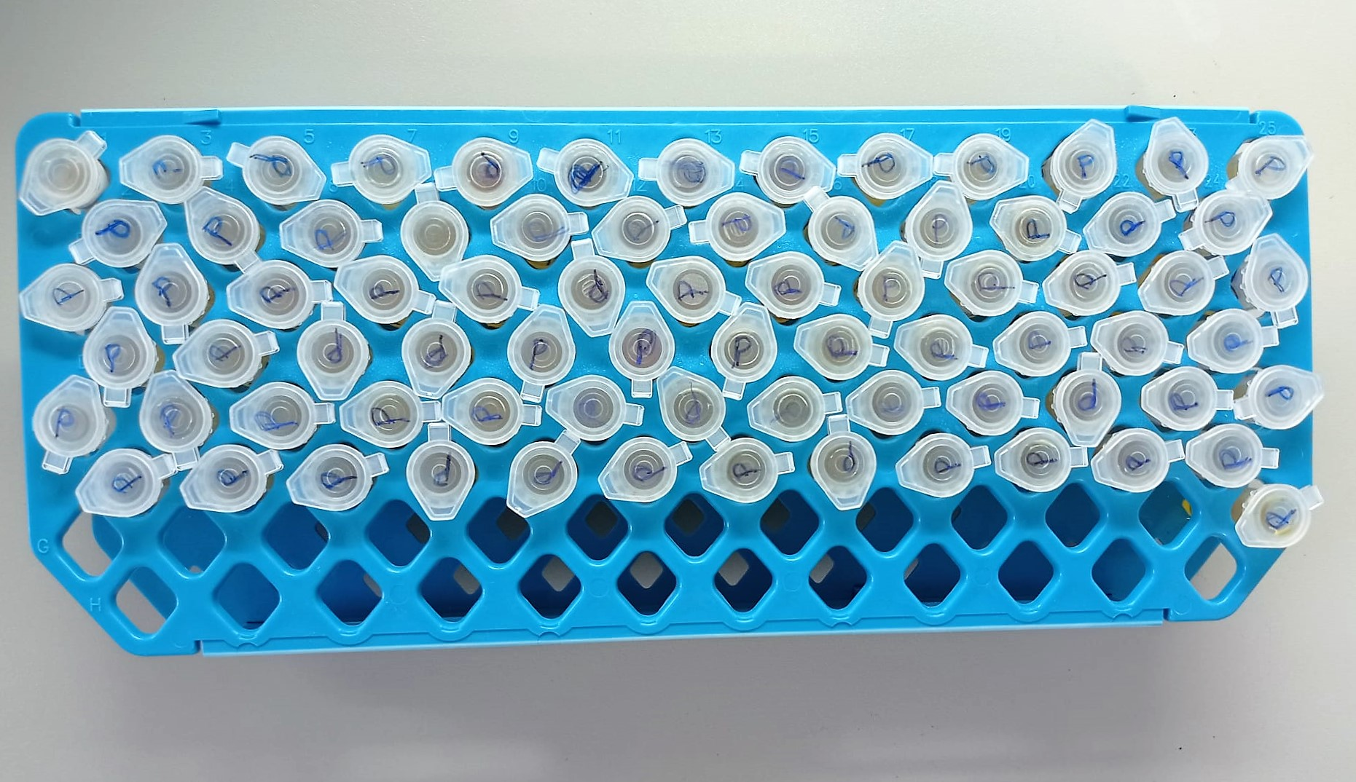

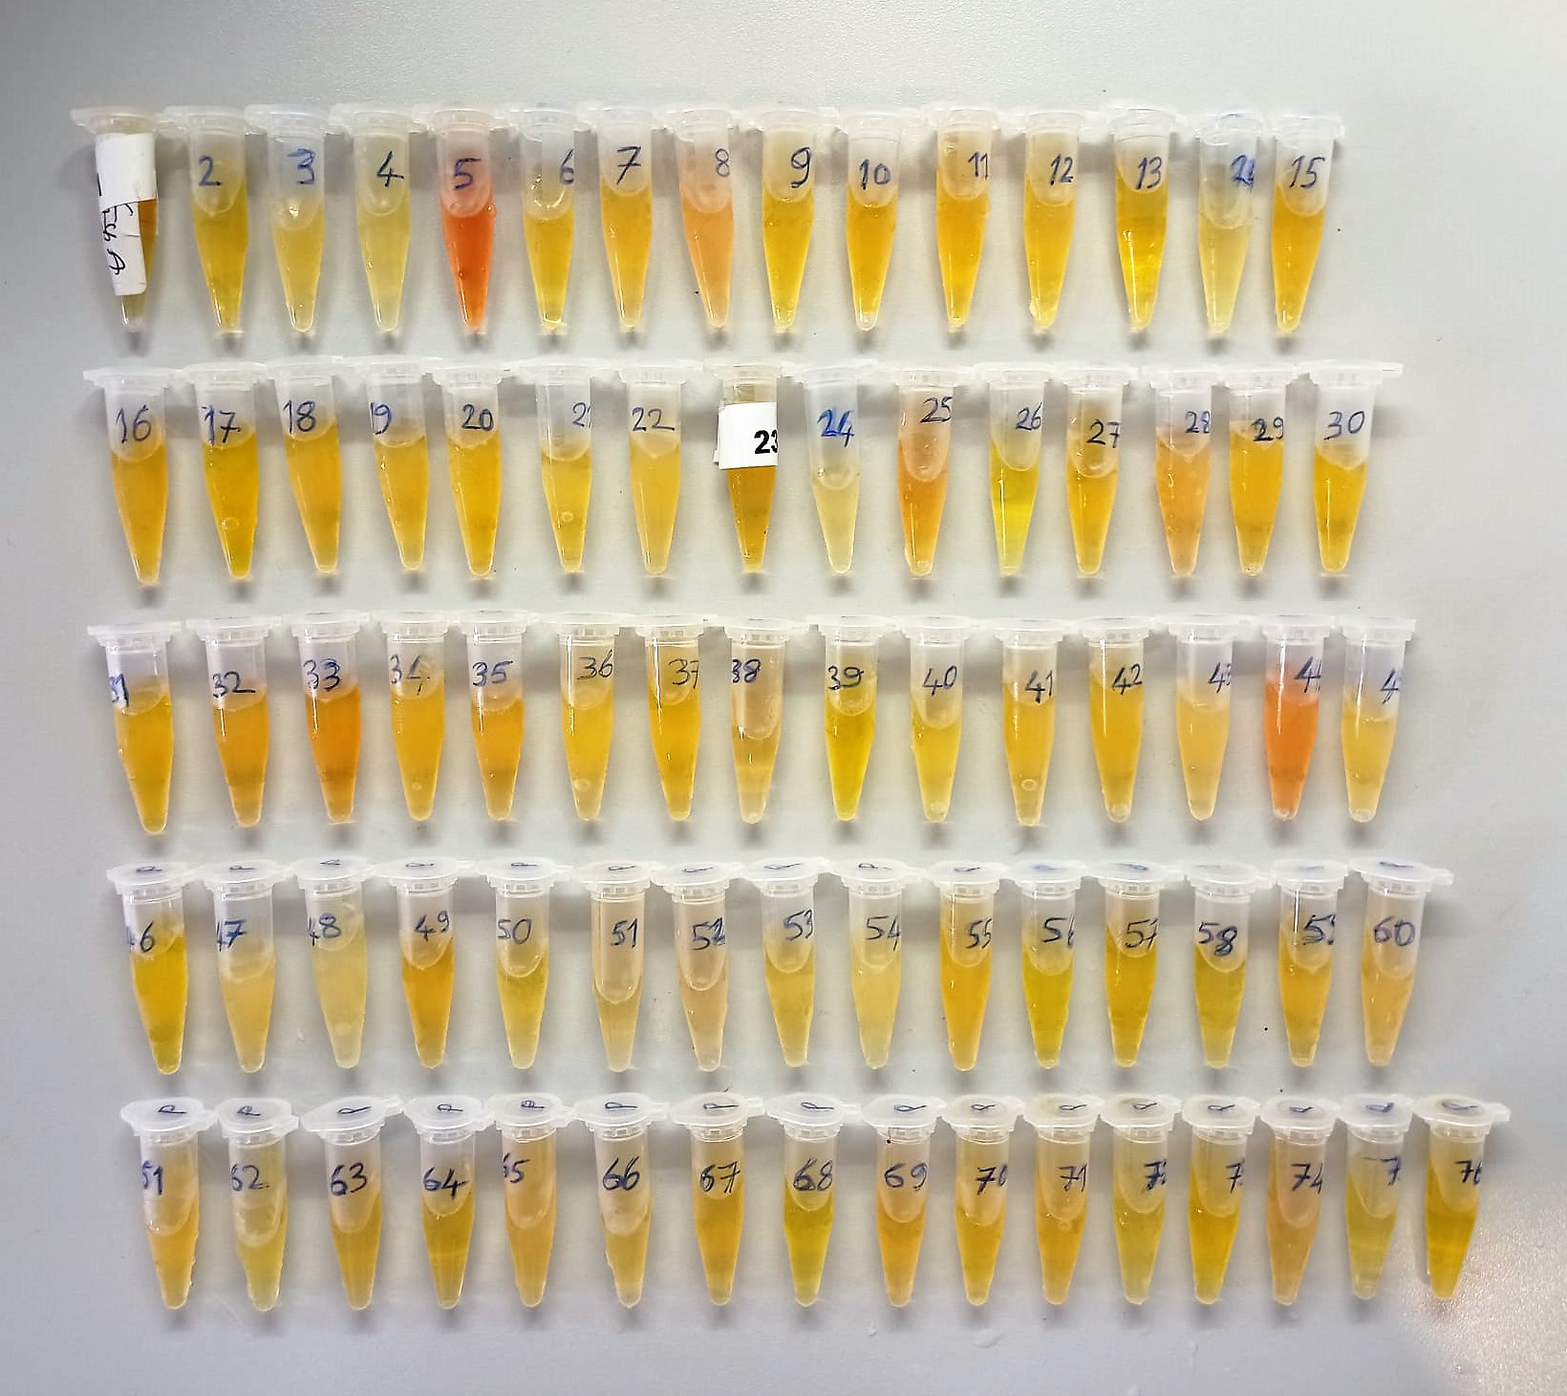

 |  |  |  |  |  | ** 5 ve 44 nolu numuneler hemolizlidir.

